Sheet1
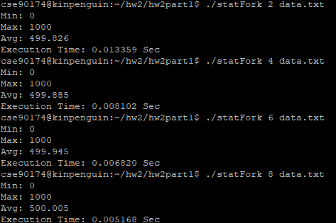
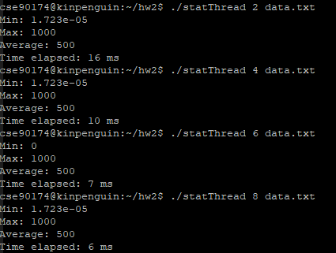
Number of processes | Speedup | Time taken to execute in seconds | Number of threads | Speedup | Time taken to execute in seconds
2 | 1 | 0.013359 | 2 | 1 | 0.0016
4 | 1.6488521353 | 0.008102 | 4 | 1.6 | 0.001
6 | 1.958797654 | 0.00682 | 6 | 2.2857142857 | 0.0007
8 | 2.5849458204 | 0.005168 | 8 | 2.6666666667 | 0.0006

Speedup for statFork
Speedup for statThread

