Screenshots
Dashboard pages
Exported from Power BI Desktop

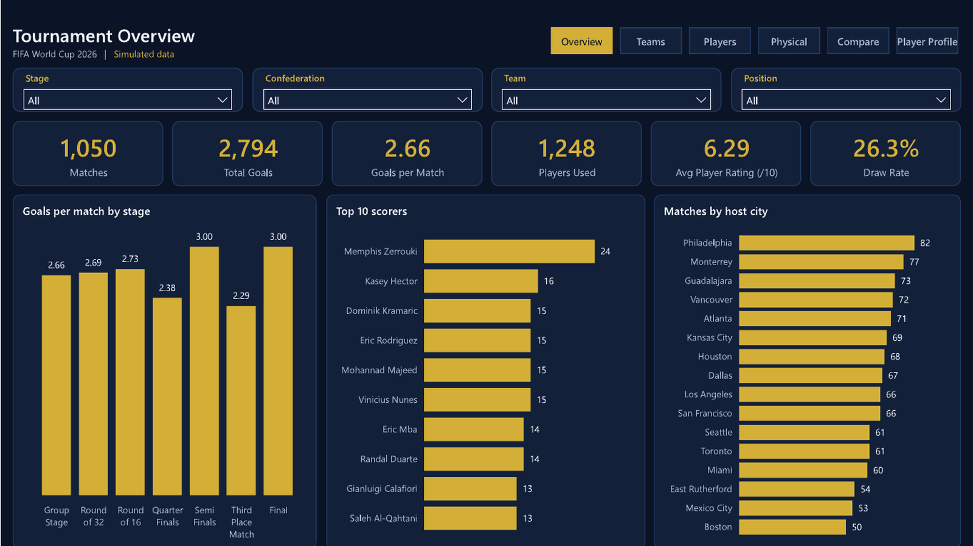
Overview

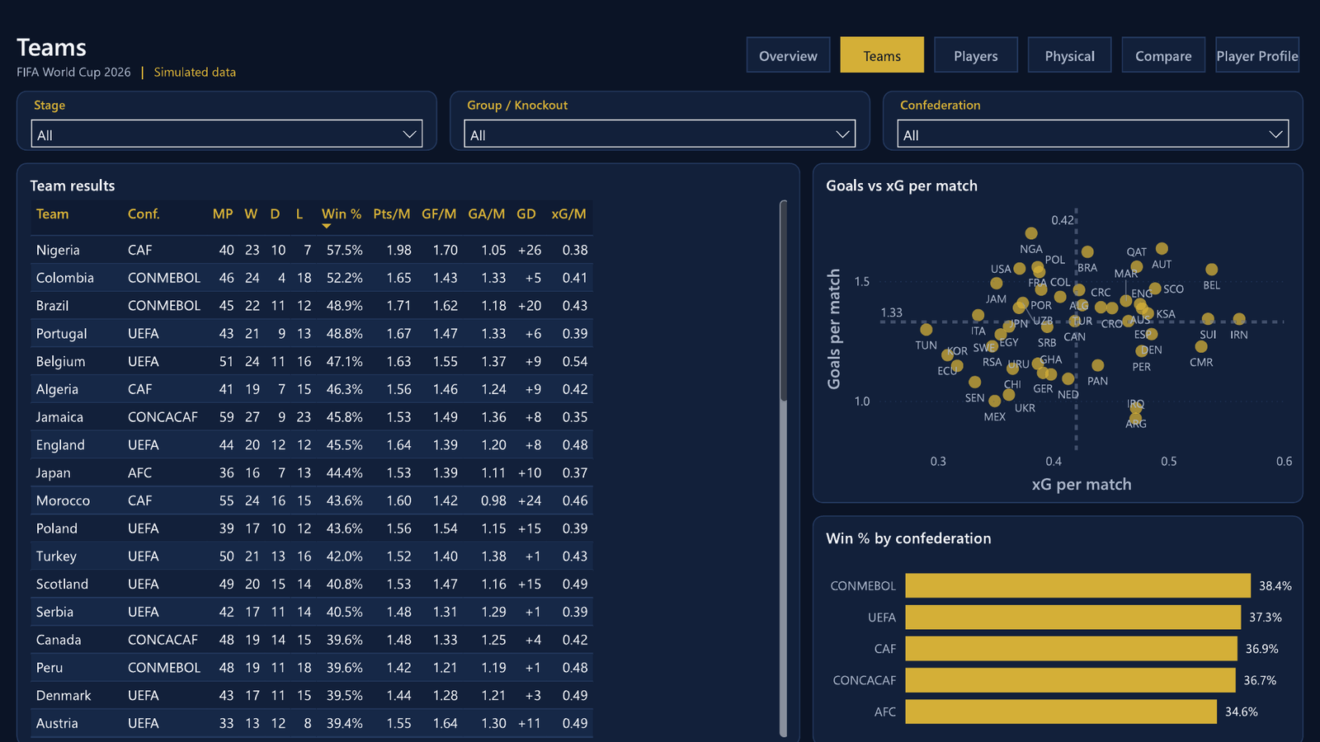
Teams

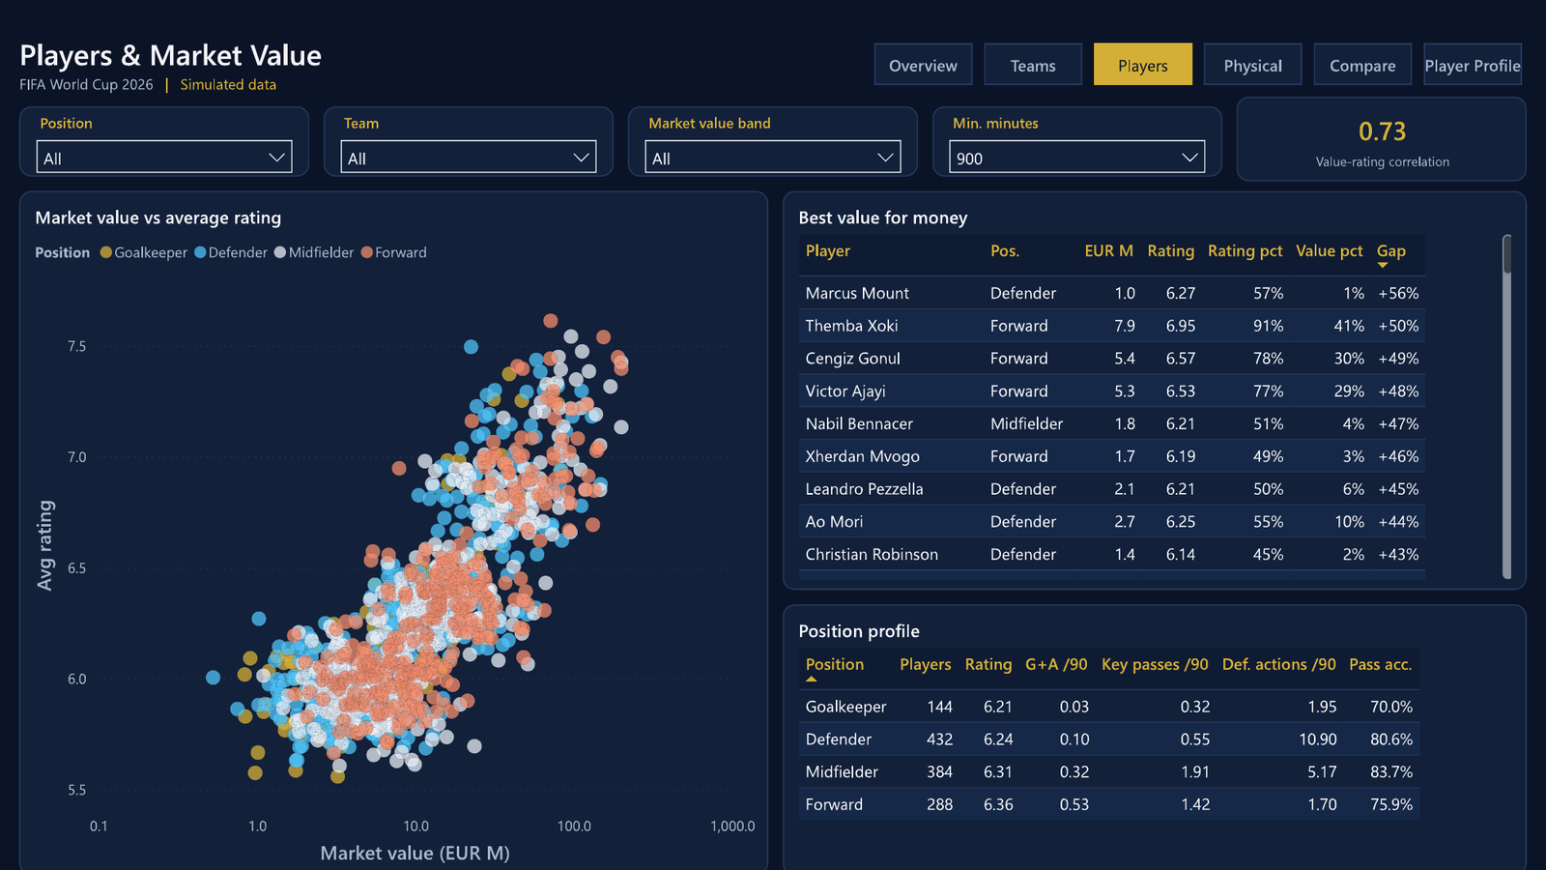
Players

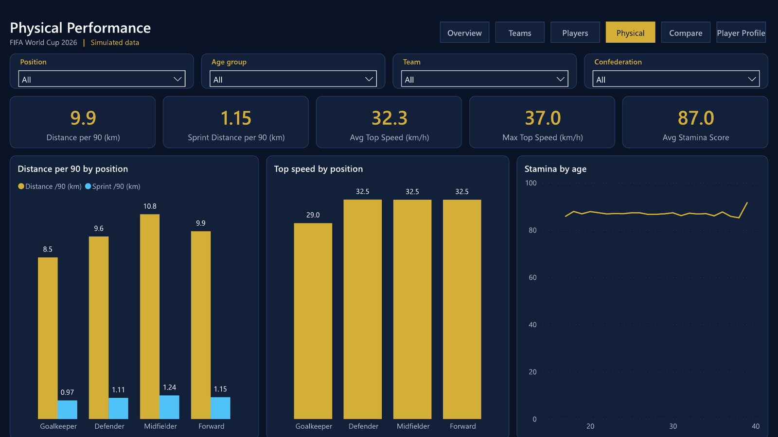
Physical

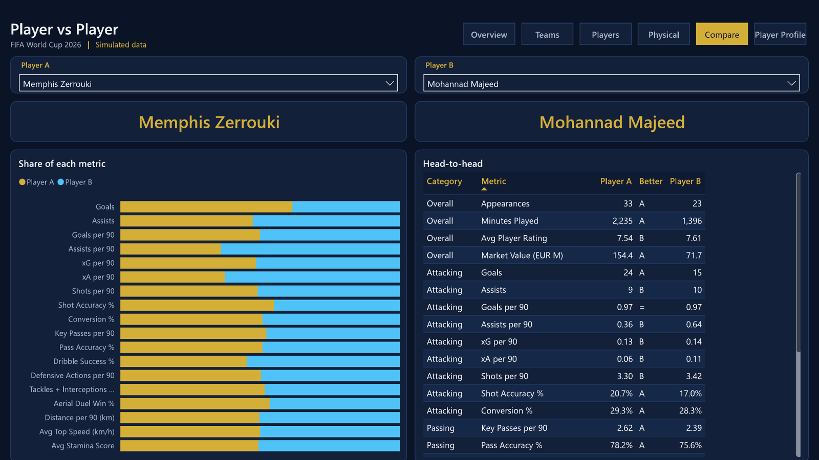
Compare

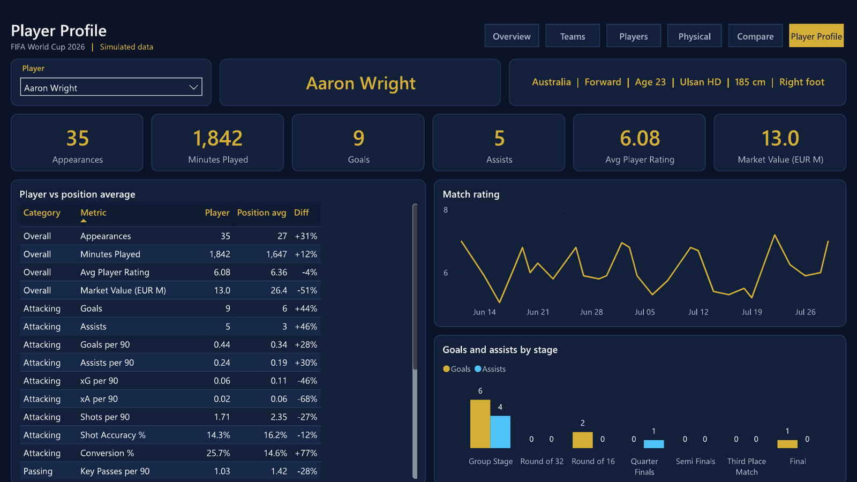
Player Profile

Teams
Teams
Inputs from the data (black) and per-match rates (formulas). Sorted by win %.
Win % – top 10 teams
Team | Confederation | MP | W | D | L | GF | GA | Team xG | Win % | Points | Pts/M | GF/M | GA/M | GD | xG/M
Nigeria | CAF | 40 | 23 | 10 | 7 | 68 | 42 | 15.24 | 57.5% | 79 | 1.98 | 1.70 | 1.05 | +26 | 0.38
Colombia | CONMEBOL | 46 | 24 | 4 | 18 | 66 | 61 | 18.68 | 52.2% | 76 | 1.65 | 1.43 | 1.33 | +5 | 0.41
Brazil | CONMEBOL | 45 | 22 | 11 | 12 | 73 | 53 | 19.34 | 48.9% | 77 | 1.71 | 1.62 | 1.18 | +20 | 0.43
Portugal | UEFA | 43 | 21 | 9 | 13 | 63 | 57 | 16.75 | 48.8% | 72 | 1.67 | 1.47 | 1.33 | +6 | 0.39
Belgium | UEFA | 51 | 24 | 11 | 16 | 79 | 70 | 27.41 | 47.1% | 83 | 1.63 | 1.55 | 1.37 | +9 | 0.54
Algeria | CAF | 41 | 19 | 7 | 15 | 60 | 51 | 17.32 | 46.3% | 64 | 1.56 | 1.46 | 1.24 | +9 | 0.42
Jamaica | CONCACAF | 59 | 27 | 9 | 23 | 88 | 80 | 20.70 | 45.8% | 90 | 1.53 | 1.49 | 1.36 | +8 | 0.35
England | UEFA | 44 | 20 | 12 | 12 | 61 | 53 | 20.99 | 45.5% | 72 | 1.64 | 1.39 | 1.20 | +8 | 0.48
Japan | AFC | 36 | 16 | 7 | 13 | 50 | 40 | 13.33 | 44.4% | 55 | 1.53 | 1.39 | 1.11 | +10 | 0.37
Morocco | CAF | 55 | 24 | 16 | 15 | 78 | 54 | 25.47 | 43.6% | 88 | 1.60 | 1.42 | 0.98 | +24 | 0.46
Poland | UEFA | 39 | 17 | 10 | 12 | 60 | 45 | 15.13 | 43.6% | 61 | 1.56 | 1.54 | 1.15 | +15 | 0.39
Turkey | UEFA | 50 | 21 | 13 | 16 | 70 | 69 | 21.26 | 42.0% | 76 | 1.52 | 1.40 | 1.38 | +1 | 0.43
Scotland | UEFA | 49 | 20 | 15 | 14 | 72 | 57 | 23.93 | 40.8% | 75 | 1.53 | 1.47 | 1.16 | +15 | 0.49
Serbia | UEFA | 42 | 17 | 11 | 14 | 55 | 54 | 16.58 | 40.5% | 62 | 1.48 | 1.31 | 1.29 | +1 | 0.39
Peru | CONMEBOL | 48 | 19 | 11 | 18 | 58 | 57 | 22.88 | 39.6% | 68 | 1.42 | 1.21 | 1.19 | +1 | 0.48
Canada | CONCACAF | 48 | 19 | 14 | 15 | 64 | 60 | 20.10 | 39.6% | 71 | 1.48 | 1.33 | 1.25 | +4 | 0.42
Denmark | UEFA | 43 | 17 | 11 | 15 | 55 | 52 | 20.87 | 39.5% | 62 | 1.44 | 1.28 | 1.21 | +3 | 0.49
Austria | UEFA | 33 | 13 | 12 | 8 | 54 | 43 | 16.31 | 39.4% | 51 | 1.55 | 1.64 | 1.30 | +11 | 0.49
Sweden | UEFA | 36 | 14 | 7 | 15 | 46 | 50 | 12.76 | 38.9% | 49 | 1.36 | 1.28 | 1.39 | -4 | 0.35
Saudi Arabia | AFC | 52 | 20 | 13 | 19 | 71 | 70 | 25.07 | 38.5% | 73 | 1.40 | 1.37 | 1.35 | +1 | 0.48
Spain | UEFA | 45 | 17 | 10 | 18 | 60 | 56 | 20.93 | 37.8% | 61 | 1.36 | 1.33 | 1.24 | +4 | 0.47
Uruguay | CONMEBOL | 45 | 17 | 13 | 15 | 52 | 52 | 17.40 | 37.8% | 64 | 1.42 | 1.16 | 1.16 | 0 | 0.39
Switzerland | UEFA | 35 | 13 | 8 | 14 | 47 | 50 | 18.70 | 37.1% | 47 | 1.34 | 1.34 | 1.43 | -3 | 0.53
Costa Rica | CONCACAF | 46 | 17 | 10 | 19 | 64 | 69 | 20.30 | 37.0% | 61 | 1.33 | 1.39 | 1.50 | -5 | 0.44
Iran | AFC | 38 | 14 | 10 | 14 | 51 | 41 | 21.33 | 36.8% | 52 | 1.37 | 1.34 | 1.08 | +10 | 0.56
Qatar | AFC | 66 | 24 | 20 | 22 | 103 | 94 | 31.18 | 36.4% | 92 | 1.39 | 1.56 | 1.42 | +9 | 0.47
France | UEFA | 34 | 12 | 11 | 11 | 53 | 50 | 13.14 | 35.3% | 47 | 1.38 | 1.56 | 1.47 | +3 | 0.39
United States | CONCACAF | 38 | 13 | 14 | 11 | 59 | 57 | 14.09 | 34.2% | 53 | 1.39 | 1.55 | 1.50 | +2 | 0.37
Cameroon | CAF | 44 | 15 | 13 | 16 | 54 | 57 | 23.25 | 34.1% | 58 | 1.32 | 1.23 | 1.30 | -3 | 0.53
Australia | AFC | 47 | 16 | 13 | 18 | 66 | 65 | 22.34 | 34.0% | 61 | 1.30 | 1.40 | 1.38 | +1 | 0.48
Ghana | CAF | 45 | 15 | 14 | 16 | 50 | 60 | 17.91 | 33.3% | 59 | 1.31 | 1.11 | 1.33 | -10 | 0.40
Chile | CONMEBOL | 37 | 12 | 16 | 9 | 42 | 38 | 13.50 | 32.4% | 52 | 1.41 | 1.14 | 1.03 | +4 | 0.36
South Korea | AFC | 34 | 11 | 7 | 16 | 39 | 46 | 10.77 | 32.4% | 40 | 1.18 | 1.15 | 1.35 | -7 | 0.32
Germany | UEFA | 34 | 11 | 9 | 14 | 38 | 40 | 13.30 | 32.4% | 42 | 1.24 | 1.12 | 1.18 | -2 | 0.39
Tunisia | CAF | 47 | 15 | 10 | 22 | 61 | 70 | 13.63 | 31.9% | 55 | 1.17 | 1.30 | 1.49 | -9 | 0.29
Ecuador | CONMEBOL | 47 | 15 | 11 | 21 | 56 | 68 | 14.49 | 31.9% | 56 | 1.19 | 1.19 | 1.45 | -12 | 0.31
Egypt | CAF | 45 | 14 | 7 | 24 | 59 | 68 | 16.27 | 31.1% | 49 | 1.09 | 1.31 | 1.51 | -9 | 0.36
Italy | UEFA | 53 | 16 | 15 | 22 | 72 | 77 | 17.75 | 30.2% | 63 | 1.19 | 1.36 | 1.45 | -5 | 0.33
Mexico | CONCACAF | 40 | 12 | 10 | 18 | 40 | 51 | 13.97 | 30.0% | 46 | 1.15 | 1.00 | 1.28 | -11 | 0.35
Panama | CONCACAF | 47 | 14 | 15 | 18 | 54 | 64 | 20.62 | 29.8% | 57 | 1.21 | 1.15 | 1.36 | -10 | 0.44
Uzbekistan | AFC | 44 | 13 | 12 | 19 | 62 | 74 | 16.44 | 29.5% | 51 | 1.16 | 1.41 | 1.68 | -12 | 0.37
Netherlands | UEFA | 54 | 15 | 15 | 24 | 59 | 81 | 22.30 | 27.8% | 60 | 1.11 | 1.09 | 1.50 | -22 | 0.41
Croatia | UEFA | 49 | 13 | 17 | 19 | 68 | 72 | 22.10 | 26.5% | 56 | 1.14 | 1.39 | 1.47 | -4 | 0.45
Senegal | CAF | 38 | 10 | 14 | 14 | 41 | 53 | 12.62 | 26.3% | 44 | 1.16 | 1.08 | 1.39 | -12 | 0.33
South Africa | CAF | 35 | 9 | 13 | 13 | 43 | 53 | 12.15 | 25.7% | 40 | 1.14 | 1.23 | 1.51 | -10 | 0.35
Iraq | AFC | 41 | 10 | 9 | 22 | 38 | 60 | 19.33 | 24.4% | 39 | 0.95 | 0.93 | 1.46 | -22 | 0.47
Argentina | CONMEBOL | 34 | 7 | 12 | 15 | 33 | 40 | 16.04 | 20.6% | 33 | 0.97 | 0.97 | 1.18 | -7 | 0.47
Ukraine | UEFA | 38 | 7 | 11 | 20 | 39 | 70 | 13.74 | 18.4% | 32 | 0.84 | 1.03 | 1.84 | -31 | 0.36

Check: total team-matches |  | 2,100
Check: wins = losses |  | OK

Players
Market value vs average rating (qualified)
 | Players
1.0 | 6.27
7.9 | 6.95
5.4 | 6.57
5.3 | 6.53
1.8 | 6.21
1.7 | 6.19
2.1 | 6.21
2.7 | 6.25
1.4 | 6.14
1.9 | 6.16
5.5 | 6.42
2.2 | 6.18
6.8 | 6.56
1.6 | 6.14
5.6 | 6.42
6.7 | 6.52
2.9 | 6.23
3.1 | 6.25
0.9 | 6.09
2.2 | 6.17
1.8 | 6.14
1.3 | 6.10
1.6 | 6.10
11.5 | 6.98
6.8 | 6.50
1.3 | 6.08
2.0 | 6.13
7.2 | 6.51
6.7 | 6.46
3.0 | 6.21
5.3 | 6.37
3.2 | 6.22
5.2 | 6.36
2.3 | 6.14
2.3 | 6.14
1.5 | 6.07
1.6 | 6.08
3.2 | 6.21
1.9 | 6.08
10.5 | 6.83
3.6 | 6.26
2.2 | 6.10
6.2 | 6.39
6.7 | 6.41
6.8 | 6.42
7.3 | 6.44
1.8 | 6.06
2.0 | 6.07
2.8 | 6.13
1.2 | 6.03
...
Players – value for money |  |  |  |  |  |  |  |  |  |  |  | Min. minutes (input) | 900
Percentiles and correlation recalculated with Excel formulas. Change the blue input to test another threshold. |  |  |  |  |  |  |  |  |  |  |  | Value vs rating r | 0.73
Rows are sorted by bargain gap at the default 900 minutes; if you change the input, sort column N again. |  |  |  |  |  |  |  |  |  |  |  | Qualified players | 1,208
Player | Team | Position | Age | Market value (EUR M) | Minutes | Appearances | Goals | Assists | Avg rating | Qualified | Rating pct | Value pct | Bargain gap | X (qualified value) | Y (qualified rating)
Marcus Mount | England | Defender | 30 | 1.0 | 1,731 | 30 | 0 | 1 | 6.27 | 1 | 57% | 1% | +56% | 1.0 | 6.27
Themba Xoki | South Africa | Forward | 24 | 7.9 | 1,586 | 23 | 13 | 2 | 6.95 | 1 | 91% | 41% | +50% | 7.9 | 6.95
Cengiz Gonul | Turkey | Forward | 32 | 5.4 | 1,757 | 26 | 9 | 2 | 6.57 | 1 | 78% | 30% | +49% | 5.4 | 6.57
Victor Ajayi | Nigeria | Forward | 23 | 5.3 | 1,518 | 24 | 6 | 1 | 6.53 | 1 | 77% | 29% | +48% | 5.3 | 6.53
Nabil Bennacer | Algeria | Midfielder | 24 | 1.8 | 1,417 | 23 | 2 | 1 | 6.21 | 1 | 51% | 4% | +47% | 1.8 | 6.21
Xherdan Mvogo | Switzerland | Forward | 23 | 1.7 | 1,084 | 18 | 5 | 0 | 6.19 | 1 | 49% | 3% | +46% | 1.7 | 6.19
Leandro Pezzella | Argentina | Defender | 31 | 2.1 | 942 | 17 | 1 | 1 | 6.21 | 1 | 50% | 6% | +45% | 2.1 | 6.21
Ao Mori | Japan | Defender | 25 | 2.7 | 1,097 | 18 | 1 | 1 | 6.25 | 1 | 55% | 10% | +44% | 2.7 | 6.25
Christian Robinson | United States | Defender | 32 | 1.4 | 1,634 | 25 | 1 | 0 | 6.14 | 1 | 45% | 2% | +43% | 1.4 | 6.14
Jan Bednarek | Poland | Defender | 29 | 1.9 | 1,431 | 26 | 1 | 0 | 6.16 | 1 | 46% | 5% | +41% | 1.9 | 6.16
Duvan Cuadrado | Colombia | Goalkeeper | 32 | 5.5 | 987 | 13 | 0 | 0 | 6.42 | 1 | 72% | 31% | +41% | 5.5 | 6.42
Sergino Busio | United States | Defender | 23 | 2.2 | 1,327 | 22 | 1 | 0 | 6.18 | 1 | 47% | 6% | +41% | 2.2 | 6.18
Andre Antonio | Jamaica | Forward | 25 | 6.8 | 2,181 | 33 | 8 | 3 | 6.56 | 1 | 78% | 37% | +41% | 6.8 | 6.56
Florian Brandt | Germany | Defender | 31 | 1.6 | 1,551 | 25 | 1 | 1 | 6.14 | 1 | 44% | 3% | +41% | 1.6 | 6.14
Pedro Neto | Portugal | Defender | 25 | 5.6 | 1,638 | 23 | 1 | 1 | 6.42 | 1 | 72% | 31% | +41% | 5.6 | 6.42
Phil Eze | England | Midfielder | 33 | 6.7 | 1,669 | 23 | 2 | 8 | 6.52 | 1 | 77% | 36% | +41% | 6.7 | 6.52
Luis Sinisterra | Colombia | Midfielder | 31 | 2.9 | 1,394 | 26 | 1 | 6 | 6.23 | 1 | 53% | 12% | +41% | 2.9 | 6.23
Granit Shaqiri | Switzerland | Goalkeeper | 31 | 3.1 | 1,013 | 13 | 0 | 0 | 6.25 | 1 | 54% | 14% | +41% | 3.1 | 6.25
Giovanni Weah | United States | Goalkeeper | 33 | 0.9 | 951 | 12 | 0 | 0 | 6.09 | 1 | 40% | 0% | +40% | 0.9 | 6.09
Ao Shiotani | Japan | Midfielder | 23 | 2.2 | 1,051 | 18 | 0 | 0 | 6.17 | 1 | 47% | 7% | +40% | 2.2 | 6.17
Burak Tufan | Turkey | Defender | 31 | 1.8 | 1,799 | 28 | 1 | 0 | 6.14 | 1 | 44% | 4% | +40% | 1.8 | 6.14
Sardor Kobilov | Uzbekistan | Goalkeeper | 33 | 1.3 | 1,027 | 13 | 0 | 0 | 6.10 | 1 | 41% | 2% | +40% | 1.3 | 6.10
Nayef Ziyech | Morocco | Goalkeeper | 28 | 1.6 | 1,708 | 22 | 0 | 0 | 6.10 | 1 | 42% | 3% | +39% | 1.6 | 6.10
James Morelos | Colombia | Midfielder | 23 | 11.5 | 1,664 | 30 | 3 | 4 | 6.98 | 1 | 92% | 53% | +39% | 11.5 | 6.98
Ruslan Makarenko | Ukraine | Defender | 30 | 6.8 | 1,617 | 27 | 1 | 0 | 6.50 | 1 | 76% | 37% | +39% | 6.8 | 6.50
Pedro Callens | Peru | Defender | 29 | 1.3 | 1,811 | 32 | 0 | 2 | 6.08 | 1 | 39% | 1% | +38% | 1.3 | 6.08
Amir Younis | Iraq | Defender | 28 | 2.0 | 1,599 | 26 | 0 | 1 | 6.13 | 1 | 43% | 5% | +38% | 2.0 | 6.13
Pierre-Emile Damsgaard | Denmark | Defender | 28 | 7.2 | 1,590 | 25 | 1 | 2 | 6.51 | 1 | 77% | 39% | +38% | 7.2 | 6.51
Giovanni Musah | United States | Defender | 33 | 6.7 | 1,526 | 24 | 0 | 1 | 6.46 | 1 | 74% | 36% | +38% | 6.7 | 6.46
Jude Maddison | England | Midfielder | 30 | 3.0 | 1,067 | 20 | 1 | 1 | 6.21 | 1 | 51% | 13% | +38% | 3.0 | 6.21
Martin Njie | Cameroon | Defender | 24 | 5.3 | 1,680 | 27 | 1 | 2 | 6.37 | 1 | 67% | 29% | +38% | 5.3 | 6.37
Diego Lainez | Mexico | Forward | 33 | 3.2 | 1,644 | 27 | 6 | 2 | 6.22 | 1 | 52% | 15% | +37% | 3.2 | 6.22
Almoez Al-Attiyah | Qatar | Midfielder | 27 | 5.2 | 3,121 | 49 | 6 | 10 | 6.36 | 1 | 65% | 28% | +37% | 5.2 | 6.36
Juan Quintero | Colombia | Defender | 30 | 2.3 | 1,781 | 28 | 0 | 1 | 6.14 | 1 | 44% | 8% | +36% | 2.3 | 6.14
Luis Rodriguez | Colombia | Goalkeeper | 32 | 2.3 | 1,328 | 17 | 0 | 0 | 6.14 | 1 | 44% | 8% | +36% | 2.3 | 6.14
Christian Hojbjerg | Denmark | Goalkeeper | 31 | 1.5 | 1,302 | 17 | 0 | 0 | 6.07 | 1 | 38% | 2% | +36% | 1.5 | 6.07
Takefusa Endo | Japan | Goalkeeper | 29 | 1.6 | 1,221 | 16 | 0 | 0 | 6.08 | 1 | 39% | 3% | +36% | 1.6 | 6.08
Rodrigo Trezeguet | Uruguay | Midfielder | 26 | 3.2 | 1,807 | 26 | 1 | 3 | 6.21 | 1 | 50% | 15% | +36% | 3.2 | 6.21
Salem Al-Faraj | Saudi Arabia | Defender | 18 | 1.9 | 1,448 | 24 | 1 | 1 | 6.08 | 1 | 40% | 4% | +35% | 1.9 | 6.08
Marcel Kalajdzic | Austria | Defender | 33 | 10.5 | 927 | 15 | 1 | 1 | 6.83 | 1 | 86% | 51% | +35% | 10.5 | 6.83
Erick Brereton | Chile | Forward | 19 | 3.6 | 1,845 | 30 | 2 | 3 | 6.26 | 1 | 55% | 20% | +35% | 3.6 | 6.26
Kai Neuer | Germany | Defender | 21 | 2.2 | 1,242 | 21 | 2 | 0 | 6.10 | 1 | 41% | 7% | +35% | 2.2 | 6.10
Merih Yildiz | Turkey | Midfielder | 28 | 6.2 | 1,908 | 31 | 3 | 3 | 6.39 | 1 | 69% | 34% | +34% | 6.2 | 6.39
Lyle Mbatha | South Africa | Forward | 24 | 6.7 | 1,101 | 19 | 4 | 1 | 6.41 | 1 | 71% | 36% | +34% | 6.7 | 6.41
Guillermo Almada | Mexico | Defender | 32 | 6.8 | 1,418 | 25 | 1 | 0 | 6.42 | 1 | 71% | 37% | +34% | 6.8 | 6.42
Ben Sierralta | Chile | Defender | 32 | 7.3 | 1,240 | 20 | 0 | 3 | 6.44 | 1 | 73% | 39% | +33% | 7.3 | 6.44
Cristiano Fernandes | Portugal | Goalkeeper | 33 | 1.8 | 1,039 | 13 | 0 | 0 | 6.06 | 1 | 37% | 4% | +33% | 1.8 | 6.06
Hannibal Talbi | Tunisia | Forward | 27 | 2.0 | 1,822 | 26 | 6 | 2 | 6.07 | 1 | 38% | 5% | +33% | 2.0 | 6.07
Sandro Scamacca | Italy | Defender | 26 | 2.8 | 2,272 | 33 | 2 | 1 | 6.13 | 1 | 43% | 10% | +33% | 2.8 | 6.13
Emiliano Di Maria | Argentina | Goalkeeper | 31 | 1.2 | 900 | 12 | 0 | 1 | 6.03 | 1 | 33% | 1% | +32% | 1.2 | 6.03
Davinson Borja | Colombia | Defender | 28 | 4.2 | 1,365 | 24 | 0 | 0 | 6.27 | 1 | 56% | 24% | +33% | 4.2 | 6.27
Riyad Bensebaini | Algeria | Defender | 22 | 8.1 | 1,522 | 26 | 0 | 0 | 6.47 | 1 | 75% | 42% | +33% | 8.1 | 6.47
Jackson Kusini | Australia | Midfielder | 29 | 2.0 | 1,727 | 27 | 2 | 2 | 6.07 | 1 | 38% | 5% | +32% | 2.0 | 6.07
Jackson Duke | Australia | Goalkeeper | 23 | 2.0 | 1,115 | 15 | 0 | 0 | 6.07 | 1 | 38% | 5% | +32% | 2.0 | 6.07
Ronald De Arrascaeta | Uruguay | Defender | 35 | 6.5 | 1,625 | 28 | 1 | 3 | 6.37 | 1 | 67% | 35% | +32% | 6.5 | 6.37
Hidajat Hazbavi | Iran | Midfielder | 33 | 13.4 | 1,472 | 25 | 3 | 8 | 6.94 | 1 | 91% | 59% | +32% | 13.4 | 6.94
Mathew Mooy | Australia | Goalkeeper | 25 | 0.8 | 1,244 | 16 | 0 | 1 | 6.02 | 1 | 32% | 0% | +32% | 0.8 | 6.02
Ousmane Hernandez | France | Goalkeeper | 24 | 4.9 | 922 | 11 | 0 | 0 | 6.30 | 1 | 59% | 27% | +31% | 4.9 | 6.30
Gianluigi Chiesa | Italy | Goalkeeper | 33 | 2.1 | 1,064 | 14 | 0 | 0 | 6.06 | 1 | 37% | 6% | +31% | 2.1 | 6.06
Boualem Ali | Qatar | Forward | 22 | 4.2 | 2,418 | 40 | 10 | 4 | 6.26 | 1 | 55% | 24% | +31% | 4.2 | 6.26
Rafael Antonio | Portugal | Midfielder | 25 | 12.8 | 922 | 19 | 2 | 4 | 6.88 | 1 | 88% | 57% | +31% | 12.8 | 6.88
Yassine Dari | Morocco | Defender | 32 | 3.2 | 1,787 | 29 | 1 | 0 | 6.18 | 1 | 47% | 16% | +31% | 3.2 | 6.18
Weston Acosta | United States | Midfielder | 26 | 8.1 | 1,344 | 24 | 2 | 1 | 6.45 | 1 | 73% | 42% | +31% | 8.1 | 6.45
Yasser Al-Buraikan | Saudi Arabia | Forward | 24 | 6.8 | 1,909 | 28 | 6 | 2 | 6.38 | 1 | 67% | 37% | +31% | 6.8 | 6.38
Phil Walker | England | Defender | 30 | 2.9 | 1,582 | 25 | 0 | 1 | 6.12 | 1 | 42% | 12% | +31% | 2.9 | 6.12
Merih Unal | Turkey | Forward | 31 | 2.8 | 1,982 | 32 | 2 | 1 | 6.10 | 1 | 41% | 11% | +30% | 2.8 | 6.10
Mohamed Wahbi | Egypt | Midfielder | 22 | 1.1 | 1,921 | 30 | 2 | 1 | 6.01 | 1 | 31% | 1% | +30% | 1.1 | 6.01
Neymar Pereira | Brazil | Midfielder | 20 | 3.2 | 1,569 | 25 | 1 | 3 | 6.16 | 1 | 46% | 16% | +30% | 3.2 | 6.16
Robin Björkman | Sweden | Defender | 27 | 13.0 | 1,517 | 24 | 0 | 2 | 6.87 | 1 | 88% | 58% | +30% | 13.0 | 6.87
Alexander Ekdal | Sweden | Defender | 32 | 0.5 | 1,411 | 21 | 0 | 0 | 6.00 | 1 | 30% | 0% | +30% | 0.5 | 6.00
Ruben Fernandes | Portugal | Midfielder | 35 | 3.1 | 1,938 | 31 | 1 | 4 | 6.14 | 1 | 44% | 14% | +30% | 3.1 | 6.14
Memphis van Dijk | Netherlands | Goalkeeper | 31 | 7.1 | 1,355 | 18 | 0 | 0 | 6.38 | 1 | 68% | 38% | +30% | 7.1 | 6.38
Nicolas Siani | Cameroon | Defender | 31 | 2.2 | 1,519 | 25 | 2 | 0 | 6.05 | 1 | 36% | 6% | +30% | 2.2 | 6.05
Rafael Guedes | Portugal | Defender | 30 | 5.8 | 1,453 | 26 | 1 | 2 | 6.32 | 1 | 62% | 32% | +29% | 5.8 | 6.32
Nemanja Lazovic | Serbia | Defender | 20 | 14.5 | 1,247 | 22 | 1 | 0 | 6.95 | 1 | 92% | 62% | +29% | 14.5 | 6.95
Craig Borges | Australia | Defender | 23 | 3.5 | 2,414 | 34 | 1 | 0 | 6.19 | 1 | 48% | 19% | +29% | 3.5 | 6.19
Moises Torres | Ecuador | Defender | 30 | 12.3 | 1,973 | 31 | 0 | 2 | 6.81 | 1 | 85% | 56% | +29% | 12.3 | 6.81
Mateo Pasalic | Croatia | Defender | 24 | 9.2 | 1,757 | 29 | 1 | 0 | 6.47 | 1 | 75% | 47% | +28% | 9.2 | 6.47
Robin Lindelof | Sweden | Forward | 28 | 5.8 | 1,006 | 22 | 1 | 0 | 6.31 | 1 | 61% | 33% | +28% | 5.8 | 6.31
Casemiro Alexandre | Brazil | Defender | 29 | 5.8 | 1,766 | 32 | 1 | 1 | 6.31 | 1 | 61% | 32% | +28% | 5.8 | 6.31
Alexander Abubakari | Ghana | Defender | 28 | 5.7 | 1,779 | 32 | 2 | 2 | 6.30 | 1 | 59% | 31% | +28% | 5.7 | 6.30
Casemiro Martins | Brazil | Forward | 30 | 9.4 | 1,482 | 24 | 8 | 3 | 6.49 | 1 | 75% | 47% | +28% | 9.4 | 6.49
Luis Pellistri | Uruguay | Midfielder | 34 | 10.1 | 1,616 | 24 | 4 | 3 | 6.55 | 1 | 77% | 49% | +28% | 10.1 | 6.55
Krzysztof Grosicki | Poland | Defender | 27 | 5.8 | 1,478 | 26 | 2 | 1 | 6.31 | 1 | 60% | 32% | +28% | 5.8 | 6.31
Victor Aribo | Nigeria | Defender | 21 | 2.9 | 1,771 | 26 | 1 | 1 | 6.10 | 1 | 41% | 13% | +28% | 2.9 | 6.10
Jose Rodriguez | Uruguay | Midfielder | 31 | 7.4 | 1,786 | 25 | 3 | 3 | 6.38 | 1 | 68% | 40% | +28% | 7.4 | 6.38
Idrissa Dia | Senegal | Midfielder | 22 | 8.2 | 1,266 | 20 | 2 | 6 | 6.41 | 1 | 71% | 43% | +28% | 8.2 | 6.41
Fabian Ndoye | Switzerland | Defender | 29 | 2.2 | 1,617 | 26 | 1 | 0 | 6.04 | 1 | 34% | 7% | +28% | 2.2 | 6.04
Moussa Fall | Senegal | Defender | 30 | 9.1 | 1,427 | 25 | 1 | 2 | 6.46 | 1 | 74% | 46% | +28% | 9.1 | 6.46
Neymar Mendes | Brazil | Defender | 29 | 1.7 | 1,716 | 29 | 1 | 1 | 6.01 | 1 | 31% | 3% | +28% | 1.7 | 6.01
Selim Benoun | Morocco | Defender | 24 | 6.5 | 2,457 | 37 | 1 | 0 | 6.33 | 1 | 63% | 35% | +28% | 6.5 | 6.33
Enes Turan | Turkey | Forward | 30 | 9.4 | 1,937 | 35 | 5 | 3 | 6.47 | 1 | 75% | 47% | +27% | 9.4 | 6.47
Dostonbek Kenjayev | Uzbekistan | Midfielder | 24 | 2.4 | 1,666 | 26 | 1 | 5 | 6.05 | 1 | 35% | 8% | +27% | 2.4 | 6.05
Mauricio Isla | Chile | Forward | 17 | 2.5 | 1,581 | 23 | 4 | 3 | 6.05 | 1 | 36% | 9% | +27% | 2.5 | 6.05
Amir Majeed | Iraq | Midfielder | 27 | 8.2 | 1,704 | 32 | 4 | 3 | 6.40 | 1 | 70% | 43% | +27% | 8.2 | 6.40
Oscar Chacon | Costa Rica | Defender | 29 | 1.3 | 2,025 | 32 | 1 | 0 | 6.00 | 1 | 29% | 1% | +27% | 1.3 | 6.00
Edinson Nandez | Uruguay | Defender | 23 | 15.7 | 1,988 | 31 | 0 | 1 | 6.96 | 1 | 92% | 65% | +27% | 15.7 | 6.96
Frenkie Gakpo | Netherlands | Goalkeeper | 29 | 16.0 | 1,342 | 18 | 0 | 3 | 6.98 | 1 | 93% | 65% | +27% | 16.0 | 6.98
Stuart Shankland | Scotland | Midfielder | 21 | 5.4 | 1,859 | 27 | 0 | 3 | 6.27 | 1 | 57% | 30% | +27% | 5.4 | 6.27
Robert Krychowiak | Poland | Defender | 27 | 7.3 | 1,420 | 25 | 0 | 3 | 6.36 | 1 | 66% | 39% | +27% | 7.3 | 6.36
Mohammed Partey | Ghana | Goalkeeper | 24 | 9.7 | 1,167 | 15 | 0 | 1 | 6.48 | 1 | 75% | 48% | +27% | 9.7 | 6.48
Pervis Gruezo | Ecuador | Defender | 28 | 2.1 | 1,503 | 23 | 0 | 1 | 6.02 | 1 | 32% | 6% | +26% | 2.1 | 6.02
Ehsan Moradi | Iran | Midfielder | 18 | 3.5 | 1,236 | 20 | 1 | 4 | 6.15 | 1 | 45% | 19% | +26% | 3.5 | 6.15
Jack Toney | England | Defender | 31 | 1.7 | 1,772 | 29 | 1 | 1 | 6.00 | 1 | 29% | 3% | +26% | 1.7 | 6.00
Craig Mooy | Australia | Midfielder | 32 | 2.3 | 2,081 | 36 | 2 | 3 | 6.03 | 1 | 33% | 8% | +26% | 2.3 | 6.03
Junya Furuhashi | Japan | Defender | 28 | 22.5 | 1,386 | 21 | 0 | 2 | 7.50 | 1 | 100% | 74% | +26% | 22.5 | 7.50
Arturo Brereton | Chile | Goalkeeper | 25 | 8.4 | 1,068 | 14 | 0 | 1 | 6.39 | 1 | 69% | 43% | +26% | 8.4 | 6.39
Alexander Lindelof | Sweden | Goalkeeper | 33 | 1.7 | 1,157 | 15 | 0 | 0 | 6.00 | 1 | 29% | 3% | +26% | 1.7 | 6.00
Harold Valenzuela | Panama | Defender | 26 | 1.5 | 1,904 | 30 | 0 | 0 | 5.99 | 1 | 28% | 2% | +25% | 1.5 | 5.99
Ramiz Slimani | Algeria | Defender | 29 | 3.3 | 1,665 | 25 | 1 | 0 | 6.10 | 1 | 41% | 16% | +25% | 3.3 | 6.10
Matthijs Timber | Netherlands | Defender | 31 | 3.1 | 1,664 | 29 | 2 | 1 | 6.08 | 1 | 39% | 14% | +25% | 3.1 | 6.08
Harry Phillips | England | Midfielder | 24 | 2.6 | 1,019 | 20 | 0 | 2 | 6.04 | 1 | 34% | 9% | +25% | 2.6 | 6.04
Romelu Witsel | Belgium | Defender | 25 | 1.2 | 2,321 | 35 | 0 | 1 | 5.97 | 1 | 26% | 1% | +25% | 1.2 | 5.97
Azzedine Riad | Morocco | Defender | 24 | 6.4 | 2,255 | 35 | 0 | 1 | 6.30 | 1 | 59% | 35% | +25% | 6.4 | 6.30
Virgil Lang | Netherlands | Midfielder | 22 | 1.9 | 2,079 | 33 | 6 | 2 | 6.00 | 1 | 29% | 5% | +24% | 1.9 | 6.00
Ruslan Bondarenko | Ukraine | Midfielder | 28 | 11.6 | 1,478 | 25 | 0 | 3 | 6.58 | 1 | 78% | 54% | +24% | 11.6 | 6.58
David Muhl | Austria | Forward | 18 | 11.2 | 1,574 | 24 | 5 | 4 | 6.54 | 1 | 77% | 53% | +24% | 11.2 | 6.54
Safaa Mhawi | Iraq | Forward | 26 | 11.6 | 1,600 | 26 | 11 | 4 | 6.58 | 1 | 78% | 54% | +24% | 11.6 | 6.58
Sphephelo Moseamedi | South Africa | Defender | 25 | 10.3 | 1,168 | 21 | 1 | 0 | 6.46 | 1 | 74% | 50% | +24% | 10.3 | 6.46
Daichi Doan | Japan | Defender | 28 | 10.6 | 1,188 | 20 | 0 | 0 | 6.48 | 1 | 75% | 51% | +24% | 10.6 | 6.48
Dominik Juranovic | Croatia | Defender | 32 | 6.2 | 1,884 | 32 | 0 | 6 | 6.29 | 1 | 58% | 34% | +24% | 6.2 | 6.29
Hannibal Krid | Tunisia | Midfielder | 33 | 3.1 | 1,313 | 25 | 2 | 4 | 6.07 | 1 | 38% | 14% | +24% | 3.1 | 6.07
Weston Adams | United States | Goalkeeper | 29 | 11.0 | 1,090 | 14 | 0 | 0 | 6.50 | 1 | 76% | 52% | +24% | 11.0 | 6.50
Damion Bishop | Jamaica | Midfielder | 26 | 10.0 | 2,375 | 39 | 2 | 9 | 6.44 | 1 | 73% | 49% | +24% | 10.0 | 6.44
Dusan Terzic | Serbia | Midfielder | 27 | 3.4 | 1,798 | 32 | 2 | 3 | 6.11 | 1 | 42% | 19% | +24% | 3.4 | 6.11
Duvan Lerma | Colombia | Defender | 28 | 2.7 | 1,604 | 28 | 0 | 1 | 6.03 | 1 | 33% | 10% | +24% | 2.7 | 6.03
Karim Al-Ahmad | Qatar | Midfielder | 30 | 6.1 | 2,407 | 42 | 6 | 3 | 6.27 | 1 | 57% | 34% | +24% | 6.1 | 6.27
Harry Watkins | England | Forward | 25 | 3.4 | 2,050 | 33 | 5 | 1 | 6.10 | 1 | 41% | 18% | +23% | 3.4 | 6.10
Sergej Mitrovic | Serbia | Forward | 26 | 8.7 | 1,275 | 25 | 3 | 3 | 6.38 | 1 | 68% | 45% | +23% | 8.7 | 6.38
Kamaldeen Barnieh | Ghana | Defender | 37 | 2.5 | 1,536 | 26 | 0 | 3 | 6.02 | 1 | 31% | 8% | +23% | 2.5 | 6.02
Diogo Eustaquio | Portugal | Midfielder | 26 | 3.6 | 1,561 | 23 | 0 | 3 | 6.12 | 1 | 43% | 20% | +23% | 3.6 | 6.12
Mehdi Azmoun | Iran | Goalkeeper | 30 | 8.3 | 1,505 | 19 | 0 | 0 | 6.36 | 1 | 66% | 43% | +23% | 8.3 | 6.36
Ryan Forrest | Scotland | Defender | 26 | 1.4 | 1,727 | 30 | 1 | 0 | 5.96 | 1 | 25% | 2% | +23% | 1.4 | 5.96
Ademola Dessers | Nigeria | Defender | 27 | 19.6 | 1,570 | 24 | 1 | 2 | 7.04 | 1 | 94% | 71% | +23% | 19.6 | 7.04
Leandro Balerdi | Argentina | Midfielder | 18 | 3.4 | 1,504 | 24 | 2 | 2 | 6.10 | 1 | 41% | 18% | +23% | 3.4 | 6.10
Luis Abram | Peru | Defender | 34 | 14.9 | 1,695 | 30 | 3 | 1 | 6.82 | 1 | 86% | 63% | +23% | 14.9 | 6.82
Harry Bellingham | England | Goalkeeper | 33 | 16.1 | 1,626 | 21 | 0 | 0 | 6.88 | 1 | 88% | 66% | +23% | 16.1 | 6.88
Marcel Dembir | Austria | Midfielder | 22 | 5.9 | 1,007 | 18 | 2 | 3 | 6.26 | 1 | 56% | 33% | +22% | 5.9 | 6.26
Luis Villa | Colombia | Forward | 32 | 3.6 | 1,590 | 28 | 3 | 5 | 6.11 | 1 | 42% | 20% | +22% | 3.6 | 6.11
Noussair El Khannouss | Morocco | Defender | 23 | 3.0 | 1,696 | 31 | 0 | 0 | 6.05 | 1 | 35% | 13% | +22% | 3.0 | 6.05
Kevin Tielemans | Belgium | Defender | 21 | 7.3 | 2,254 | 35 | 1 | 2 | 6.31 | 1 | 61% | 39% | +22% | 7.3 | 6.31
Tajon Buchanan | Canada | Forward | 26 | 10.7 | 1,559 | 24 | 9 | 5 | 6.45 | 1 | 73% | 51% | +22% | 10.7 | 6.45
Alphonso David | Canada | Goalkeeper | 28 | 18.9 | 964 | 13 | 0 | 0 | 6.98 | 1 | 93% | 70% | +22% | 18.9 | 6.98
Viktor Zinchenko | Ukraine | Forward | 21 | 4.0 | 1,614 | 26 | 2 | 4 | 6.15 | 1 | 45% | 23% | +22% | 4.0 | 6.15
Enner Caicedo | Ecuador | Goalkeeper | 30 | 5.5 | 1,220 | 16 | 0 | 1 | 6.23 | 1 | 52% | 30% | +22% | 5.5 | 6.23
Moumi Choupo-Moting | Cameroon | Midfielder | 30 | 17.9 | 1,490 | 27 | 4 | 11 | 6.94 | 1 | 91% | 69% | +22% | 17.9 | 6.94
Ahmed Hussein | Iraq | Midfielder | 26 | 9.2 | 1,459 | 26 | 3 | 0 | 6.38 | 1 | 68% | 46% | +22% | 9.2 | 6.38
Nemanja Savic | Serbia | Forward | 26 | 8.7 | 1,762 | 27 | 3 | 4 | 6.37 | 1 | 67% | 45% | +22% | 8.7 | 6.37
Caglar Abdul | Turkey | Midfielder | 22 | 3.0 | 1,903 | 33 | 0 | 6 | 6.04 | 1 | 35% | 13% | +22% | 3.0 | 6.04
Vinicius Guimaraes | Brazil | Defender | 20 | 17.1 | 1,496 | 23 | 0 | 1 | 6.90 | 1 | 89% | 68% | +22% | 17.1 | 6.90
Awer Tilio | Australia | Defender | 20 | 1.3 | 1,509 | 29 | 0 | 2 | 5.95 | 1 | 23% | 1% | +21% | 1.3 | 5.95
Francisco Wallace | Costa Rica | Defender | 27 | 7.6 | 1,806 | 28 | 0 | 3 | 6.31 | 1 | 61% | 40% | +21% | 7.6 | 6.31
Caglar Guler | Turkey | Defender | 27 | 11.1 | 1,875 | 31 | 1 | 4 | 6.45 | 1 | 74% | 52% | +21% | 11.1 | 6.45
Saman Azmoun | Iran | Forward | 26 | 22.8 | 1,219 | 18 | 13 | 4 | 7.16 | 1 | 96% | 75% | +21% | 22.8 | 7.16
Cengiz Soyuncu | Turkey | Goalkeeper | 24 | 7.2 | 1,567 | 21 | 0 | 0 | 6.30 | 1 | 60% | 39% | +21% | 7.2 | 6.30
Keylor Campbell | Costa Rica | Goalkeeper | 28 | 11.4 | 1,165 | 15 | 0 | 0 | 6.46 | 1 | 74% | 53% | +21% | 11.4 | 6.46
Jasurbek Alijanov | Uzbekistan | Defender | 27 | 8.8 | 2,215 | 36 | 0 | 0 | 6.36 | 1 | 66% | 45% | +21% | 8.8 | 6.36
Dusan Zivkovic | Serbia | Defender | 28 | 24.5 | 1,544 | 22 | 1 | 1 | 7.23 | 1 | 97% | 76% | +21% | 24.5 | 7.23
Enes Gonul | Turkey | Midfielder | 21 | 17.4 | 1,590 | 27 | 3 | 4 | 6.90 | 1 | 89% | 68% | +21% | 17.4 | 6.90
Ali Al-Ghannam | Saudi Arabia | Defender | 33 | 10.8 | 1,754 | 30 | 0 | 1 | 6.43 | 1 | 72% | 52% | +21% | 10.8 | 6.43
Moises Minda | Ecuador | Midfielder | 27 | 2.9 | 1,651 | 28 | 0 | 1 | 6.02 | 1 | 32% | 11% | +20% | 2.9 | 6.02
Matthijs Wijndal | Netherlands | Midfielder | 25 | 3.3 | 2,027 | 30 | 2 | 4 | 6.06 | 1 | 37% | 17% | +20% | 3.3 | 6.06
Hee-chan Choi | South Korea | Forward | 29 | 2.8 | 1,304 | 22 | 4 | 3 | 6.01 | 1 | 30% | 10% | +20% | 2.8 | 6.01
Olivier Badiashile | France | Defender | 24 | 10.4 | 1,553 | 22 | 1 | 0 | 6.40 | 1 | 71% | 50% | +20% | 10.4 | 6.40
Percy Lorch | South Africa | Midfielder | 31 | 13.3 | 1,273 | 19 | 2 | 2 | 6.61 | 1 | 79% | 59% | +20% | 13.3 | 6.61
Luka Vlasic | Croatia | Defender | 25 | 13.9 | 2,397 | 32 | 0 | 2 | 6.67 | 1 | 80% | 60% | +20% | 13.9 | 6.67
Lucas Pavard | France | Defender | 23 | 2.3 | 1,482 | 22 | 3 | 2 | 5.99 | 1 | 27% | 7% | +20% | 2.3 | 5.99
Alex Awoniyi | Nigeria | Midfielder | 19 | 2.8 | 1,283 | 21 | 0 | 3 | 6.01 | 1 | 30% | 11% | +19% | 2.8 | 6.01
Inaki Seidu | Ghana | Defender | 24 | 15.8 | 1,803 | 30 | 0 | 2 | 6.80 | 1 | 85% | 65% | +19% | 15.8 | 6.80
Inaki Asante | Ghana | Midfielder | 28 | 9.5 | 1,560 | 25 | 5 | 5 | 6.37 | 1 | 67% | 48% | +19% | 9.5 | 6.37
Joel Salas | Costa Rica | Forward | 21 | 2.6 | 2,120 | 32 | 7 | 1 | 5.99 | 1 | 28% | 9% | +19% | 2.6 | 5.99
Filip Maksimovic | Serbia | Midfielder | 21 | 2.9 | 1,693 | 28 | 4 | 4 | 6.01 | 1 | 31% | 12% | +19% | 2.9 | 6.01
Manuel Seferovic | Switzerland | Defender | 21 | 3.3 | 1,440 | 23 | 0 | 2 | 6.05 | 1 | 36% | 17% | +19% | 3.3 | 6.05
Daniel Partey | Ghana | Midfielder | 22 | 20.8 | 1,890 | 34 | 5 | 6 | 6.94 | 1 | 91% | 72% | +19% | 20.8 | 6.94
Mohamed Hamdi | Egypt | Midfielder | 24 | 2.2 | 2,038 | 33 | 1 | 4 | 5.96 | 1 | 25% | 6% | +18% | 2.2 | 5.96
Gabriel Alisson | Brazil | Defender | 31 | 11.2 | 1,476 | 25 | 0 | 0 | 6.41 | 1 | 71% | 53% | +18% | 11.2 | 6.41
Teun Gravenberch | Netherlands | Defender | 18 | 24.9 | 2,164 | 36 | 1 | 2 | 7.09 | 1 | 95% | 77% | +18% | 24.9 | 7.09
Stephan Chiesa | Italy | Midfielder | 27 | 8.9 | 2,217 | 35 | 1 | 6 | 6.34 | 1 | 64% | 45% | +18% | 8.9 | 6.34
Irfan Enes | Turkey | Defender | 23 | 15.3 | 1,769 | 29 | 1 | 1 | 6.72 | 1 | 82% | 64% | +18% | 15.3 | 6.72
Diogo Semedo | Portugal | Defender | 23 | 2.1 | 1,448 | 25 | 0 | 1 | 5.96 | 1 | 24% | 6% | +18% | 2.1 | 5.96
Julian Paredes | Argentina | Defender | 25 | 5.6 | 1,106 | 18 | 0 | 1 | 6.19 | 1 | 49% | 31% | +18% | 5.6 | 6.19
Radamel Rios | Colombia | Midfielder | 30 | 21.2 | 1,936 | 29 | 3 | 6 | 6.94 | 1 | 91% | 73% | +18% | 21.2 | 6.94
Declan Saka | England | Forward | 27 | 11.2 | 1,441 | 23 | 10 | 1 | 6.41 | 1 | 71% | 53% | +18% | 11.2 | 6.41
Armando Torres | Panama | Midfielder | 23 | 5.4 | 1,927 | 30 | 2 | 2 | 6.18 | 1 | 48% | 30% | +18% | 5.4 | 6.18
Virgil Weghorst | Netherlands | Defender | 29 | 28.3 | 1,867 | 32 | 0 | 2 | 7.28 | 1 | 98% | 80% | +18% | 28.3 | 7.28
Artem Bolbat | Ukraine | Midfielder | 27 | 2.7 | 1,362 | 23 | 2 | 7 | 5.99 | 1 | 28% | 10% | +18% | 2.7 | 5.99
Karim Boudiaf | Qatar | Forward | 27 | 4.8 | 2,933 | 44 | 7 | 1 | 6.14 | 1 | 44% | 26% | +18% | 4.8 | 6.14
Antoine Mukiele | France | Forward | 23 | 1.7 | 975 | 17 | 2 | 2 | 5.93 | 1 | 21% | 3% | +17% | 1.7 | 5.93
Abdiel Sanchez | Panama | Midfielder | 31 | 14.0 | 1,818 | 30 | 2 | 3 | 6.57 | 1 | 78% | 61% | +17% | 14.0 | 6.57
Yacine Benkhemassa | Algeria | Midfielder | 25 | 10.6 | 1,449 | 24 | 2 | 5 | 6.39 | 1 | 68% | 51% | +17% | 10.6 | 6.39
Teboho Billiat | South Africa | Midfielder | 26 | 11.2 | 1,093 | 20 | 3 | 3 | 6.40 | 1 | 70% | 53% | +17% | 11.2 | 6.40
Karl Kristoffersen | Sweden | Defender | 30 | 6.8 | 1,688 | 26 | 0 | 0 | 6.25 | 1 | 54% | 37% | +17% | 6.8 | 6.25
Sofyan Chair | Morocco | Midfielder | 28 | 19.8 | 2,177 | 35 | 6 | 6 | 6.89 | 1 | 89% | 72% | +17% | 19.8 | 6.89
Noussair Chibi | Morocco | Midfielder | 22 | 3.3 | 1,946 | 31 | 2 | 1 | 6.04 | 1 | 34% | 17% | +17% | 3.3 | 6.04
Diego Pacho | Ecuador | Defender | 30 | 19.9 | 1,540 | 26 | 0 | 2 | 6.88 | 1 | 89% | 72% | +17% | 19.9 | 6.88
Ali Al-Timimi | Iraq | Midfielder | 24 | 5.7 | 1,413 | 24 | 0 | 3 | 6.19 | 1 | 49% | 32% | +17% | 5.7 | 6.19
Xherdan Fernandes | Switzerland | Defender | 28 | 8.0 | 1,320 | 22 | 0 | 1 | 6.30 | 1 | 59% | 42% | +17% | 8.0 | 6.30
Samuel Toko-Ekambi | Cameroon | Defender | 27 | 3.6 | 1,612 | 24 | 1 | 0 | 6.06 | 1 | 37% | 20% | +17% | 3.6 | 6.06
Antoine Kounde | France | Defender | 24 | 21.8 | 1,298 | 21 | 0 | 2 | 6.91 | 1 | 90% | 73% | +17% | 21.8 | 6.91
Ajdin Jones | Australia | Midfielder | 27 | 1.6 | 2,034 | 31 | 0 | 3 | 5.92 | 1 | 20% | 3% | +17% | 1.6 | 5.92
Dostonbek Kobilov | Uzbekistan | Forward | 26 | 4.1 | 1,951 | 31 | 5 | 2 | 6.09 | 1 | 40% | 23% | +17% | 4.1 | 6.09
Ante Budimir | Croatia | Defender | 27 | 27.5 | 2,346 | 35 | 0 | 1 | 7.18 | 1 | 96% | 79% | +17% | 27.5 | 7.18
Yerry Rodriguez | Colombia | Forward | 25 | 4.7 | 1,328 | 24 | 9 | 2 | 6.12 | 1 | 43% | 26% | +17% | 4.7 | 6.12
Robin Wahlqvist | Sweden | Midfielder | 31 | 13.4 | 1,293 | 18 | 3 | 4 | 6.50 | 1 | 76% | 59% | +17% | 13.4 | 6.50
Richarlison Ferreira | Brazil | Defender | 27 | 26.9 | 1,472 | 27 | 1 | 1 | 7.10 | 1 | 95% | 79% | +16% | 26.9 | 7.10
Gonzalo Zapata | Ecuador | Midfielder | 22 | 2.6 | 1,383 | 25 | 0 | 2 | 5.97 | 1 | 26% | 9% | +16% | 2.6 | 5.97
Randal Brenes | Costa Rica | Defender | 23 | 2.7 | 1,716 | 30 | 1 | 1 | 5.98 | 1 | 26% | 10% | +16% | 2.7 | 5.98
Randal Diarra | France | Defender | 26 | 2.9 | 1,358 | 20 | 0 | 0 | 6.00 | 1 | 28% | 12% | +16% | 2.9 | 6.00
Akram Mesa | Qatar | Midfielder | 29 | 22.1 | 2,370 | 41 | 3 | 9 | 6.91 | 1 | 90% | 74% | +16% | 22.1 | 6.91
Ibrahim Daoud | Iraq | Defender | 29 | 2.1 | 1,421 | 23 | 0 | 1 | 5.94 | 1 | 22% | 6% | +16% | 2.1 | 5.94
Oleksandr Sydorchuk | Ukraine | Midfielder | 22 | 13.9 | 1,305 | 22 | 4 | 3 | 6.51 | 1 | 76% | 60% | +16% | 13.9 | 6.51
Eden Dendoncker | Belgium | Goalkeeper | 33 | 2.0 | 1,459 | 19 | 0 | 1 | 5.93 | 1 | 21% | 5% | +16% | 2.0 | 5.93
André Gonzalez | Peru | Midfielder | 27 | 3.6 | 1,451 | 21 | 3 | 0 | 6.05 | 1 | 36% | 20% | +16% | 3.6 | 6.05
Bruno Cancelo | Portugal | Defender | 25 | 10.2 | 2,045 | 27 | 0 | 1 | 6.36 | 1 | 66% | 50% | +16% | 10.2 | 6.36
Ayase Kubo | Japan | Midfielder | 25 | 10.2 | 1,737 | 28 | 3 | 6 | 6.35 | 1 | 65% | 50% | +16% | 10.2 | 6.35
Jordan Baba | Ghana | Defender | 28 | 1.4 | 1,682 | 28 | 2 | 2 | 5.90 | 1 | 17% | 2% | +16% | 1.4 | 5.90
Dusan Milinkovic-Savic | Serbia | Forward | 19 | 2.2 | 1,556 | 29 | 3 | 3 | 5.94 | 1 | 22% | 6% | +16% | 2.2 | 5.94
Stephen Miller | Canada | Defender | 24 | 29.3 | 1,725 | 27 | 0 | 4 | 7.19 | 1 | 96% | 81% | +15% | 29.3 | 7.19
Andrew Adams | Scotland | Defender | 21 | 31.8 | 1,994 | 33 | 1 | 1 | 7.30 | 1 | 98% | 83% | +15% | 31.8 | 7.30
Pedro Riquelme | Spain | Midfielder | 24 | 6.5 | 1,241 | 24 | 4 | 1 | 6.21 | 1 | 51% | 35% | +15% | 6.5 | 6.21
Ibrahim Sadiq | Iraq | Forward | 32 | 11.4 | 1,540 | 24 | 4 | 4 | 6.39 | 1 | 68% | 53% | +15% | 11.4 | 6.39
James Mina | Colombia | Goalkeeper | 25 | 5.7 | 1,127 | 16 | 0 | 0 | 6.18 | 1 | 47% | 32% | +15% | 5.7 | 6.18
Nader Haddadi | Tunisia | Defender | 21 | 18.4 | 1,570 | 25 | 0 | 2 | 6.82 | 1 | 85% | 70% | +15% | 18.4 | 6.82
Kalidou Mendy #2 | Senegal | Goalkeeper | 25 | 31.3 | 1,558 | 20 | 0 | 0 | 7.26 | 1 | 97% | 82% | +15% | 31.3 | 7.26
Hwang Oh | South Korea | Defender | 27 | 1.4 | 1,154 | 21 | 0 | 3 | 5.90 | 1 | 17% | 2% | +15% | 1.4 | 5.90
Saleh Al-Ghamdi | Saudi Arabia | Defender | 25 | 2.3 | 1,735 | 27 | 0 | 0 | 5.95 | 1 | 23% | 7% | +15% | 2.3 | 5.95
Moumi Hongla | Cameroon | Defender | 23 | 3.2 | 1,799 | 32 | 0 | 1 | 6.01 | 1 | 31% | 16% | +15% | 3.2 | 6.01
Boualem Moez | Qatar | Midfielder | 28 | 8.4 | 3,038 | 45 | 3 | 10 | 6.30 | 1 | 59% | 44% | +15% | 8.4 | 6.30
Themba Mdantsane | South Africa | Midfielder | 22 | 2.8 | 1,220 | 21 | 0 | 0 | 5.98 | 1 | 26% | 11% | +15% | 2.8 | 5.98
Alvaro Gavi | Spain | Forward | 28 | 13.5 | 1,488 | 24 | 8 | 5 | 6.46 | 1 | 74% | 59% | +15% | 13.5 | 6.46
Alireza Shojaei | Iran | Midfielder | 26 | 3.1 | 1,797 | 27 | 0 | 2 | 6.00 | 1 | 30% | 14% | +15% | 3.1 | 6.00
Jae-sung Hwang | South Korea | Forward | 19 | 14.7 | 1,170 | 18 | 4 | 3 | 6.54 | 1 | 77% | 62% | +15% | 14.7 | 6.54
Ramiz Mandrea | Algeria | Forward | 23 | 13.9 | 1,860 | 28 | 7 | 7 | 6.49 | 1 | 75% | 60% | +15% | 13.9 | 6.49
Ismael Boufantin | Algeria | Forward | 29 | 4.9 | 1,338 | 21 | 7 | 2 | 6.11 | 1 | 42% | 27% | +15% | 4.9 | 6.11
Brenden Pepi | United States | Defender | 30 | 7.1 | 1,369 | 22 | 0 | 0 | 6.24 | 1 | 53% | 39% | +15% | 7.1 | 6.24
Manuel Zuber | Switzerland | Goalkeeper | 27 | 1.1 | 975 | 13 | 0 | 0 | 5.88 | 1 | 16% | 1% | +15% | 1.1 | 5.88
Wataru Itakura | Japan | Defender | 28 | 14.0 | 974 | 18 | 0 | 2 | 6.48 | 1 | 75% | 61% | +15% | 14.0 | 6.48
Boulaye Niang | Senegal | Defender | 36 | 23.9 | 1,273 | 23 | 2 | 3 | 6.92 | 1 | 90% | 76% | +15% | 23.9 | 6.92
Joshua Rudiger | Germany | Defender | 26 | 3.4 | 1,327 | 21 | 1 | 2 | 6.02 | 1 | 32% | 17% | +14% | 3.4 | 6.02
Andre Johnson | Jamaica | Defender | 28 | 7.6 | 2,162 | 36 | 3 | 0 | 6.25 | 1 | 55% | 40% | +14% | 7.6 | 6.25
Luka Barisic | Croatia | Midfielder | 26 | 12.9 | 2,056 | 34 | 1 | 4 | 6.42 | 1 | 72% | 57% | +14% | 12.9 | 6.42
Ali Dhaouadi | Tunisia | Defender | 28 | 1.0 | 1,457 | 21 | 0 | 0 | 5.88 | 1 | 15% | 1% | +14% | 1.0 | 5.88
Dusan Radonjic | Serbia | Midfielder | 28 | 3.3 | 1,780 | 26 | 1 | 0 | 6.02 | 1 | 31% | 17% | +14% | 3.3 | 6.02
Christian Valera | Peru | Defender | 28 | 1.5 | 1,492 | 27 | 0 | 1 | 5.89 | 1 | 17% | 2% | +14% | 1.5 | 5.89
Tyler Balogan | United States | Defender | 22 | 24.1 | 1,202 | 21 | 0 | 2 | 6.92 | 1 | 90% | 76% | +14% | 24.1 | 6.92
Sebastian Pellerano | Ecuador | Midfielder | 32 | 25.6 | 1,424 | 28 | 2 | 5 | 6.98 | 1 | 92% | 78% | +14% | 25.6 | 6.98
Paulo Albornoz | Chile | Defender | 25 | 9.9 | 1,036 | 19 | 0 | 1 | 6.33 | 1 | 63% | 48% | +14% | 9.9 | 6.33
Leon Antonio | Jamaica | Goalkeeper | 24 | 2.7 | 1,919 | 25 | 0 | 0 | 5.96 | 1 | 24% | 9% | +14% | 2.7 | 5.96
Sardor Zakirov | Uzbekistan | Defender | 22 | 3.2 | 1,454 | 26 | 0 | 1 | 6.01 | 1 | 30% | 16% | +14% | 3.2 | 6.01
Samuel Uzoho | Nigeria | Midfielder | 19 | 27.3 | 1,272 | 21 | 1 | 5 | 7.01 | 1 | 93% | 79% | +14% | 27.3 | 7.01
Wahbi Chalali | Tunisia | Forward | 24 | 12.0 | 1,870 | 30 | 12 | 5 | 6.40 | 1 | 70% | 55% | +14% | 12.0 | 6.40
Rasmus Wind | Denmark | Forward | 19 | 11.6 | 1,331 | 22 | 5 | 6 | 6.39 | 1 | 68% | 54% | +14% | 11.6 | 6.39
Ivan Erlic | Croatia | Midfielder | 20 | 2.0 | 1,945 | 33 | 2 | 1 | 5.92 | 1 | 20% | 5% | +14% | 2.0 | 5.92
Jean Ondoa | Cameroon | Defender | 24 | 1.4 | 1,829 | 30 | 0 | 0 | 5.89 | 1 | 16% | 2% | +14% | 1.4 | 5.89
Yassine El Yamiq | Morocco | Midfielder | 19 | 21.2 | 2,200 | 37 | 5 | 13 | 6.86 | 1 | 87% | 73% | +14% | 21.2 | 6.86
Gavi Asensio | Spain | Defender | 22 | 1.2 | 1,891 | 28 | 2 | 1 | 5.88 | 1 | 15% | 1% | +14% | 1.2 | 5.88
Wilfred Agbadou | Nigeria | Forward | 26 | 27.0 | 1,377 | 21 | 8 | 5 | 7.00 | 1 | 93% | 79% | +14% | 27.0 | 7.00
Jude Saka | England | Goalkeeper | 33 | 3.0 | 1,268 | 16 | 0 | 0 | 5.99 | 1 | 27% | 13% | +14% | 3.0 | 5.99
Hassan Al-Nobi | Qatar | Midfielder | 29 | 11.1 | 2,629 | 41 | 2 | 8 | 6.36 | 1 | 66% | 52% | +14% | 11.1 | 6.36
Andre Nkoulou | Cameroon | Defender | 29 | 5.3 | 1,851 | 30 | 2 | 2 | 6.12 | 1 | 43% | 29% | +14% | 5.3 | 6.12
Orkun Bayindir | Turkey | Defender | 28 | 3.3 | 2,069 | 32 | 3 | 0 | 6.01 | 1 | 31% | 17% | +14% | 3.3 | 6.01
Strahinja Ristic | Serbia | Defender | 26 | 2.8 | 1,610 | 24 | 0 | 2 | 5.96 | 1 | 24% | 11% | +14% | 2.8 | 5.96
Akram Al-Ahmad | Qatar | Forward | 23 | 15.1 | 2,296 | 46 | 12 | 5 | 6.52 | 1 | 77% | 63% | +13% | 15.1 | 6.52
Damion Gray | Jamaica | Forward | 21 | 13.4 | 2,187 | 34 | 11 | 6 | 6.44 | 1 | 73% | 59% | +13% | 13.4 | 6.44
Alistair Fraser | Canada | Defender | 28 | 3.2 | 1,822 | 28 | 0 | 2 | 6.00 | 1 | 29% | 15% | +13% | 3.2 | 6.00
Ritsu Hashioka | Japan | Midfielder | 28 | 12.1 | 1,008 | 23 | 1 | 0 | 6.39 | 1 | 69% | 56% | +13% | 12.1 | 6.39
Paolo Carrillo | Peru | Defender | 29 | 3.2 | 1,354 | 28 | 0 | 0 | 6.00 | 1 | 29% | 15% | +13% | 3.2 | 6.00
Omar Koka | Egypt | Midfielder | 28 | 4.5 | 1,428 | 22 | 1 | 0 | 6.07 | 1 | 38% | 25% | +13% | 4.5 | 6.07
Arturo Aranguiz | Chile | Defender | 19 | 0.8 | 1,152 | 19 | 0 | 0 | 5.86 | 1 | 13% | 0% | +13% | 0.8 | 5.86
Gianluca Advincula | Peru | Goalkeeper | 25 | 2.2 | 1,486 | 19 | 0 | 1 | 5.93 | 1 | 20% | 7% | +13% | 2.2 | 5.93
Hidajat Noorollahi | Iran | Defender | 23 | 12.6 | 1,233 | 20 | 0 | 1 | 6.40 | 1 | 70% | 57% | +13% | 12.6 | 6.40
Bobir Eshmurodov | Uzbekistan | Defender | 34 | 9.0 | 1,701 | 27 | 2 | 0 | 6.30 | 1 | 59% | 46% | +13% | 9.0 | 6.30
Marko Baumgartlinger | Austria | Goalkeeper | 31 | 3.4 | 1,102 | 14 | 0 | 0 | 6.01 | 1 | 31% | 18% | +13% | 3.4 | 6.01
Andriy Bushchan | Ukraine | Midfielder | 22 | 10.8 | 1,727 | 28 | 4 | 5 | 6.34 | 1 | 64% | 51% | +13% | 10.8 | 6.34
Husniddin Nematov | Uzbekistan | Midfielder | 23 | 11.6 | 1,218 | 22 | 2 | 3 | 6.37 | 1 | 67% | 54% | +13% | 11.6 | 6.37
Sofyan Hakimi | Morocco | Defender | 27 | 3.0 | 1,743 | 32 | 0 | 1 | 5.97 | 1 | 26% | 13% | +13% | 3.0 | 5.97
Ansu Alba | Spain | Defender | 28 | 22.5 | 2,013 | 31 | 1 | 2 | 6.85 | 1 | 87% | 74% | +13% | 22.5 | 6.85
Lyle Mothiba | South Africa | Midfielder | 19 | 14.1 | 1,371 | 20 | 1 | 3 | 6.46 | 1 | 74% | 61% | +13% | 14.1 | 6.46
Oleksandr Shaparenko | Ukraine | Defender | 26 | 10.3 | 1,972 | 32 | 0 | 1 | 6.33 | 1 | 63% | 50% | +13% | 10.3 | 6.33
Mario Kovacic | Croatia | Midfielder | 27 | 8.6 | 1,653 | 27 | 3 | 3 | 6.27 | 1 | 57% | 44% | +13% | 8.6 | 6.27
Bukayo Ramsdale | England | Midfielder | 18 | 9.7 | 2,069 | 33 | 2 | 4 | 6.31 | 1 | 61% | 48% | +13% | 9.7 | 6.31
Mohannad Hussein | Iraq | Goalkeeper | 27 | 39.3 | 1,142 | 15 | 0 | 2 | 7.37 | 1 | 99% | 86% | +13% | 39.3 | 7.37
Jackson Vukovic | Australia | Forward | 24 | 28.8 | 1,857 | 30 | 12 | 4 | 6.99 | 1 | 93% | 80% | +13% | 28.8 | 6.99
Takefusa Tanaka | Japan | Defender | 18 | 15.9 | 1,501 | 25 | 0 | 2 | 6.56 | 1 | 78% | 65% | +13% | 15.9 | 6.56
Michail Gray | Jamaica | Goalkeeper | 27 | 23.7 | 1,738 | 22 | 0 | 1 | 6.87 | 1 | 88% | 75% | +12% | 23.7 | 6.87
Claudio Pavez | Chile | Defender | 21 | 2.9 | 1,249 | 20 | 1 | 2 | 5.97 | 1 | 25% | 13% | +12% | 2.9 | 5.97
Youri Saelemaekers | Belgium | Midfielder | 19 | 16.4 | 2,102 | 34 | 3 | 5 | 6.59 | 1 | 79% | 66% | +12% | 16.4 | 6.59
Jan Rybus | Poland | Midfielder | 32 | 2.7 | 1,590 | 25 | 1 | 1 | 5.94 | 1 | 22% | 10% | +12% | 2.7 | 5.94
Sadio Diouf | Senegal | Forward | 24 | 31.1 | 1,602 | 21 | 8 | 8 | 7.07 | 1 | 94% | 82% | +12% | 31.1 | 7.07
Ciro Spinazzola | Italy | Defender | 31 | 1.8 | 2,177 | 36 | 0 | 1 | 5.89 | 1 | 16% | 4% | +12% | 1.8 | 5.89
Husniddin Umarov | Uzbekistan | Defender | 24 | 13.6 | 1,493 | 27 | 1 | 2 | 6.43 | 1 | 72% | 60% | +12% | 13.6 | 6.43
Achraf Saiss | Morocco | Goalkeeper | 30 | 2.5 | 1,047 | 14 | 0 | 0 | 5.93 | 1 | 20% | 8% | +12% | 2.5 | 5.93
Michail Pinnock | Jamaica | Defender | 25 | 23.8 | 1,950 | 31 | 0 | 3 | 6.86 | 1 | 87% | 75% | +12% | 23.8 | 6.86
Jonathan Eustaquio | Canada | Goalkeeper | 24 | 11.7 | 1,079 | 14 | 0 | 0 | 6.36 | 1 | 66% | 54% | +12% | 11.7 | 6.36
Nayef Saibari | Morocco | Midfielder | 24 | 3.9 | 1,985 | 37 | 3 | 2 | 6.04 | 1 | 34% | 22% | +12% | 3.9 | 6.04
Gavi Le Normand | Spain | Forward | 25 | 27.5 | 1,713 | 27 | 4 | 4 | 6.95 | 1 | 91% | 79% | +12% | 27.5 | 6.95
Ousmane Konate | France | Midfielder | 22 | 4.4 | 1,160 | 24 | 1 | 4 | 6.06 | 1 | 37% | 25% | +12% | 4.4 | 6.06
Anibal Rodriguez | Panama | Goalkeeper | 27 | 15.4 | 1,131 | 15 | 0 | 0 | 6.50 | 1 | 76% | 64% | +12% | 15.4 | 6.50
Simon Dolberg | Denmark | Defender | 25 | 11.9 | 1,665 | 23 | 1 | 3 | 6.37 | 1 | 67% | 55% | +12% | 11.9 | 6.37
Andreas Vestergaard | Denmark | Midfielder | 27 | 3.3 | 1,186 | 22 | 0 | 1 | 6.00 | 1 | 28% | 16% | +12% | 3.3 | 6.00
Andriy Zinchenko | Ukraine | Goalkeeper | 24 | 3.4 | 1,319 | 17 | 0 | 0 | 6.01 | 1 | 30% | 18% | +12% | 3.4 | 6.01
Daley Frimpong | Netherlands | Midfielder | 24 | 29.2 | 2,278 | 37 | 5 | 6 | 6.97 | 1 | 92% | 81% | +12% | 29.2 | 6.97
Ali Talbi | Tunisia | Goalkeeper | 27 | 8.6 | 1,419 | 19 | 0 | 0 | 6.26 | 1 | 56% | 44% | +12% | 8.6 | 6.26
Ferran Pau | Spain | Defender | 35 | 2.2 | 1,759 | 28 | 0 | 0 | 5.91 | 1 | 18% | 7% | +12% | 2.2 | 5.91
Ali Mohanad | Iraq | Defender | 27 | 4.3 | 1,657 | 25 | 0 | 2 | 6.05 | 1 | 36% | 24% | +12% | 4.3 | 6.05
Pape Sarr | Senegal | Forward | 27 | 44.2 | 1,362 | 24 | 8 | 4 | 7.41 | 1 | 99% | 88% | +12% | 44.2 | 7.41
Edouard Cisse | Senegal | Defender | 31 | 8.1 | 1,506 | 25 | 2 | 0 | 6.24 | 1 | 54% | 42% | +12% | 8.1 | 6.24
Ali Hussein | Iraq | Forward | 24 | 3.1 | 1,672 | 26 | 3 | 1 | 5.97 | 1 | 26% | 14% | +12% | 3.1 | 5.97
Hee-chan Kwon | South Korea | Midfielder | 27 | 1.5 | 1,181 | 21 | 0 | 2 | 5.87 | 1 | 14% | 2% | +11% | 1.5 | 5.87
Sergino Hoppe | United States | Midfielder | 27 | 9.2 | 1,643 | 27 | 2 | 5 | 6.29 | 1 | 58% | 47% | +11% | 9.2 | 6.29
Luther Maboe | South Africa | Defender | 22 | 10.9 | 1,274 | 19 | 2 | 0 | 6.33 | 1 | 63% | 52% | +11% | 10.9 | 6.33
Tyler Morris | United States | Midfielder | 28 | 8.8 | 1,197 | 23 | 2 | 5 | 6.27 | 1 | 57% | 45% | +11% | 8.8 | 6.27
Vincent Lea | Cameroon | Midfielder | 21 | 15.1 | 1,493 | 22 | 1 | 1 | 6.47 | 1 | 75% | 63% | +11% | 15.1 | 6.47
Florian Waldschmidt | Austria | Defender | 22 | 19.6 | 1,241 | 21 | 0 | 1 | 6.75 | 1 | 83% | 71% | +11% | 19.6 | 6.75
Weston Dest | United States | Defender | 29 | 4.8 | 1,611 | 22 | 1 | 0 | 6.07 | 1 | 38% | 27% | +11% | 4.8 | 6.07
Alisson Oliveira | Brazil | Defender | 30 | 2.7 | 1,882 | 27 | 1 | 1 | 5.93 | 1 | 21% | 10% | +11% | 2.7 | 5.93
Ali Dhaou | Tunisia | Forward | 18 | 31.8 | 2,239 | 32 | 10 | 3 | 7.02 | 1 | 94% | 82% | +11% | 31.8 | 7.02
Sergej Jovic | Serbia | Midfielder | 21 | 36.0 | 1,696 | 24 | 5 | 6 | 7.18 | 1 | 96% | 85% | +11% | 36.0 | 7.18
Alex Chukwueze | Nigeria | Forward | 23 | 30.8 | 1,630 | 28 | 10 | 4 | 7.00 | 1 | 93% | 82% | +11% | 30.8 | 7.00
Piotr Szymanski | Poland | Defender | 20 | 6.8 | 1,910 | 27 | 1 | 0 | 6.19 | 1 | 48% | 37% | +11% | 6.8 | 6.19
Hirving Ochoa | Mexico | Defender | 26 | 3.2 | 1,512 | 23 | 4 | 1 | 5.98 | 1 | 26% | 15% | +11% | 3.2 | 5.98
Luka Kovacic | Croatia | Goalkeeper | 34 | 1.1 | 1,436 | 18 | 0 | 2 | 5.85 | 1 | 12% | 1% | +11% | 1.1 | 5.85
Otabek Nasrullaev | Uzbekistan | Goalkeeper | 32 | 15.6 | 1,072 | 15 | 0 | 0 | 6.48 | 1 | 75% | 64% | +11% | 15.6 | 6.48
Ludwig Elanga | Sweden | Defender | 29 | 36.0 | 1,281 | 19 | 1 | 2 | 7.11 | 1 | 95% | 84% | +11% | 36.0 | 7.11
Enner Hincapie | Ecuador | Defender | 24 | 18.3 | 2,038 | 31 | 2 | 1 | 6.67 | 1 | 81% | 70% | +11% | 18.3 | 6.67
Rafael Fernandes | Portugal | Forward | 19 | 3.3 | 1,458 | 21 | 2 | 3 | 5.99 | 1 | 27% | 16% | +11% | 3.3 | 5.99
Yunus Robinson | United States | Defender | 26 | 3.8 | 1,441 | 22 | 2 | 1 | 6.02 | 1 | 32% | 22% | +11% | 3.8 | 6.02
Aaron Goodwin | Australia | Defender | 23 | 6.6 | 1,787 | 26 | 1 | 2 | 6.17 | 1 | 46% | 36% | +11% | 6.6 | 6.17
Alessandro Udogie | Italy | Defender | 24 | 5.2 | 2,263 | 33 | 0 | 1 | 6.08 | 1 | 39% | 29% | +11% | 5.2 | 6.08
Arturo Fuentes | Chile | Midfielder | 18 | 12.4 | 1,849 | 25 | 3 | 7 | 6.37 | 1 | 67% | 56% | +11% | 12.4 | 6.37
Mateo Kljulanovic | Croatia | Forward | 31 | 4.8 | 1,672 | 28 | 4 | 3 | 6.06 | 1 | 37% | 26% | +11% | 4.8 | 6.06
Jannik Olsen | Denmark | Defender | 25 | 14.8 | 1,775 | 27 | 1 | 0 | 6.45 | 1 | 73% | 63% | +10% | 14.8 | 6.45
Maximilian Baumgartlinger | Austria | Forward | 26 | 5.1 | 1,217 | 21 | 3 | 2 | 6.08 | 1 | 39% | 28% | +10% | 5.1 | 6.08
Takefusa Nakano | Japan | Forward | 29 | 5.1 | 1,480 | 24 | 5 | 3 | 6.07 | 1 | 38% | 28% | +10% | 5.1 | 6.07
Timothy Zimmerman | United States | Defender | 25 | 14.7 | 1,272 | 25 | 0 | 1 | 6.44 | 1 | 73% | 62% | +10% | 14.7 | 6.44
Rodrygo Reis | Brazil | Forward | 27 | 4.7 | 1,831 | 27 | 6 | 5 | 6.06 | 1 | 36% | 26% | +10% | 4.7 | 6.06
Raul Torres | Mexico | Forward | 21 | 47.6 | 1,848 | 29 | 11 | 6 | 7.40 | 1 | 99% | 89% | +10% | 47.6 | 7.40
Min-jae Ji | South Korea | Forward | 25 | 25.3 | 1,130 | 17 | 6 | 7 | 6.86 | 1 | 88% | 77% | +10% | 25.3 | 6.86
Romelu Courtois | Belgium | Goalkeeper | 31 | 5.8 | 1,182 | 15 | 0 | 0 | 6.12 | 1 | 43% | 33% | +10% | 5.8 | 6.12
Antonee Horvath | United States | Midfielder | 25 | 11.5 | 1,252 | 25 | 2 | 2 | 6.34 | 1 | 64% | 54% | +10% | 11.5 | 6.34
Saleh Al-Abdulkarim | Saudi Arabia | Midfielder | 28 | 2.6 | 1,681 | 29 | 0 | 1 | 5.92 | 1 | 19% | 9% | +10% | 2.6 | 5.92
Mostafa Hegazi | Egypt | Forward | 18 | 13.8 | 1,376 | 23 | 3 | 2 | 6.40 | 1 | 70% | 60% | +10% | 13.8 | 6.40
Duvan Rios | Colombia | Forward | 24 | 16.8 | 1,746 | 26 | 6 | 1 | 6.53 | 1 | 77% | 67% | +10% | 16.8 | 6.53
Raul Lainez | Mexico | Goalkeeper | 27 | 35.0 | 1,263 | 15 | 0 | 0 | 7.01 | 1 | 93% | 84% | +10% | 35.0 | 7.01
Viktor Karavaev | Ukraine | Defender | 24 | 23.5 | 1,327 | 22 | 3 | 0 | 6.81 | 1 | 85% | 75% | +10% | 23.5 | 6.81
Jack White | England | Midfielder | 35 | 16.4 | 1,800 | 29 | 1 | 8 | 6.50 | 1 | 76% | 66% | +10% | 16.4 | 6.50
Oleksandr Bondarenko | Ukraine | Forward | 18 | 17.4 | 1,607 | 26 | 11 | 4 | 6.55 | 1 | 78% | 68% | +9% | 17.4 | 6.55
Ben Vidal | Chile | Forward | 27 | 5.6 | 1,540 | 24 | 5 | 4 | 6.09 | 1 | 40% | 31% | +9% | 5.6 | 6.09
Lorenzo Frascati | Italy | Defender | 20 | 39.9 | 2,109 | 35 | 0 | 3 | 7.15 | 1 | 96% | 86% | +9% | 39.9 | 7.15
Marcelo Kovacic | Croatia | Forward | 22 | 3.6 | 1,685 | 27 | 4 | 2 | 6.00 | 1 | 30% | 20% | +9% | 3.6 | 6.00
Alexis Almada | Argentina | Defender | 32 | 2.2 | 1,376 | 22 | 1 | 0 | 5.89 | 1 | 16% | 7% | +9% | 2.2 | 5.89
Yevhen Yaremchuk | Ukraine | Defender | 27 | 1.3 | 1,481 | 22 | 2 | 0 | 5.84 | 1 | 11% | 1% | +9% | 1.3 | 5.84
Eric Aboubakar | Cameroon | Goalkeeper | 24 | 0.8 | 1,344 | 17 | 0 | 1 | 5.83 | 1 | 9% | 0% | +9% | 0.8 | 5.83
Jose Torreira | Uruguay | Defender | 23 | 9.8 | 1,384 | 26 | 1 | 0 | 6.27 | 1 | 57% | 48% | +9% | 9.8 | 6.27
Sergio Lapadula | Peru | Midfielder | 22 | 9.6 | 1,829 | 30 | 4 | 3 | 6.27 | 1 | 57% | 48% | +9% | 9.6 | 6.27
Alexander Hohberg | Peru | Defender | 27 | 5.8 | 1,600 | 26 | 0 | 1 | 6.10 | 1 | 41% | 32% | +9% | 5.8 | 6.10
Ansu Fati | Spain | Forward | 27 | 2.6 | 2,098 | 32 | 5 | 6 | 5.91 | 1 | 18% | 9% | +9% | 2.6 | 5.91
Moses Nwabili | Nigeria | Defender | 23 | 13.3 | 1,501 | 23 | 5 | 4 | 6.37 | 1 | 67% | 58% | +9% | 13.3 | 6.37
Gabriel Junior | Brazil | Forward | 24 | 5.1 | 1,556 | 27 | 8 | 2 | 6.06 | 1 | 37% | 28% | +9% | 5.1 | 6.06
Ibrahim Mhawi | Iraq | Goalkeeper | 30 | 47.0 | 1,131 | 15 | 0 | 0 | 7.25 | 1 | 97% | 89% | +9% | 47.0 | 7.25
Lazar Ilic | Serbia | Defender | 26 | 8.2 | 1,733 | 30 | 4 | 2 | 6.22 | 1 | 52% | 43% | +9% | 8.2 | 6.22
Celso Tejeda | Costa Rica | Defender | 23 | 14.1 | 1,661 | 27 | 1 | 1 | 6.40 | 1 | 70% | 61% | +9% | 14.1 | 6.40
Dominik Kljulanovic | Croatia | Midfielder | 26 | 13.9 | 1,667 | 27 | 1 | 4 | 6.39 | 1 | 69% | 60% | +9% | 13.9 | 6.39
Ferland Seck | Senegal | Midfielder | 23 | 2.9 | 1,618 | 23 | 2 | 2 | 5.93 | 1 | 20% | 12% | +9% | 2.9 | 5.93
Dusan Gudelj | Serbia | Defender | 22 | 2.4 | 1,959 | 28 | 1 | 1 | 5.89 | 1 | 17% | 8% | +9% | 2.4 | 5.89
Armando Cummings | Panama | Defender | 27 | 2.6 | 1,852 | 30 | 0 | 1 | 5.91 | 1 | 18% | 9% | +9% | 2.6 | 5.91
Nayef Chibi | Morocco | Forward | 17 | 7.4 | 2,354 | 37 | 3 | 3 | 6.18 | 1 | 48% | 39% | +9% | 7.4 | 6.18
Romain Mazraoui | Morocco | Defender | 33 | 10.6 | 2,130 | 31 | 1 | 0 | 6.30 | 1 | 59% | 51% | +8% | 10.6 | 6.30
Raul Antuna | Mexico | Midfielder | 22 | 11.1 | 1,523 | 27 | 1 | 3 | 6.31 | 1 | 61% | 52% | +8% | 11.1 | 6.31
Ehsan Hosseini | Iran | Forward | 25 | 19.1 | 1,550 | 26 | 9 | 4 | 6.60 | 1 | 79% | 71% | +8% | 19.1 | 6.60
Krzysztof Milik | Poland | Forward | 23 | 8.7 | 1,493 | 23 | 3 | 6 | 6.23 | 1 | 53% | 45% | +8% | 8.7 | 6.23
Rodrigo Olivera | Uruguay | Defender | 25 | 7.6 | 1,314 | 22 | 0 | 0 | 6.19 | 1 | 48% | 40% | +8% | 7.6 | 6.19
Pedro Pepe | Portugal | Midfielder | 26 | 2.7 | 1,502 | 25 | 3 | 0 | 5.91 | 1 | 18% | 10% | +8% | 2.7 | 5.91
Cody de Jong | Netherlands | Midfielder | 25 | 30.7 | 2,136 | 31 | 2 | 7 | 6.91 | 1 | 90% | 82% | +8% | 30.7 | 6.91
Thomas Asante | Ghana | Forward | 24 | 17.0 | 1,956 | 27 | 5 | 7 | 6.49 | 1 | 76% | 68% | +8% | 17.0 | 6.49
Erick Mena | Chile | Defender | 24 | 7.9 | 1,267 | 20 | 0 | 0 | 6.20 | 1 | 49% | 41% | +8% | 7.9 | 6.20
Saman Torabi | Iran | Defender | 32 | 50.5 | 1,640 | 25 | 2 | 2 | 7.29 | 1 | 98% | 90% | +8% | 50.5 | 7.29
Harry Rice | England | Defender | 18 | 6.4 | 1,766 | 26 | 1 | 1 | 6.12 | 1 | 43% | 35% | +8% | 6.4 | 6.12
Wilfred Moffi | Nigeria | Defender | 28 | 13.6 | 1,196 | 22 | 1 | 1 | 6.38 | 1 | 68% | 60% | +8% | 13.6 | 6.38
Almoez Boudiaf | Qatar | Goalkeeper | 35 | 28.5 | 1,717 | 22 | 0 | 0 | 6.87 | 1 | 88% | 80% | +8% | 28.5 | 6.87
...

