DashBoard
Sales by Region
 | Total
Australia | ₹ 109,696.50
China | ₹ 111,939.25
Denmark | ₹ 57,148.25
France | ₹ 22,396.25
Germany | ₹ 10,318.50
Hong Kong | ₹ 6,715.75
Netherlands | ₹ 70,568.00
Norway | ₹ 96,728.50
Singapore | ₹ 83,939.75
Sweden | ₹ 28,218.75
Switzerland | ₹ 149,947.00
United States | ₹ 341,109.25
Total Sales Revenue |  | Total Profit | Average Customer Rating | Total Discounts Given
₹ 1,088,725.75 |  | ₹ 260,672.75 | 4.11 | ₹ 342,699.25
Yearly Sales Trends
 | Total
Australia | ₹ 109,696.50
China | ₹ 111,939.25
Denmark | ₹ 57,148.25
France | ₹ 22,396.25
Germany | ₹ 10,318.50
Hong Kong | ₹ 6,715.75
Netherlands | ₹ 70,568.00
Norway | ₹ 96,728.50
Singapore | ₹ 83,939.75
Sweden | ₹ 28,218.75
Switzerland | ₹ 149,947.00
United States | ₹ 341,109.25
Complaints | Number of Complaints
Customer Care Issue | 65
Quality Issue | 101
Packaging Issue | 201
Delivery Issue | 228
Got a Better Offer | 43
Products Damaged | 151

Yearly Sales Trends
 | Total
Australia | ₹ 109,696.50
China | ₹ 111,939.25
Denmark | ₹ 57,148.25
France | ₹ 22,396.25
Germany | ₹ 10,318.50
Hong Kong | ₹ 6,715.75
Netherlands | ₹ 70,568.00
Norway | ₹ 96,728.50
Singapore | ₹ 83,939.75
Sweden | ₹ 28,218.75
Switzerland | ₹ 149,947.00
United States | ₹ 341,109.25
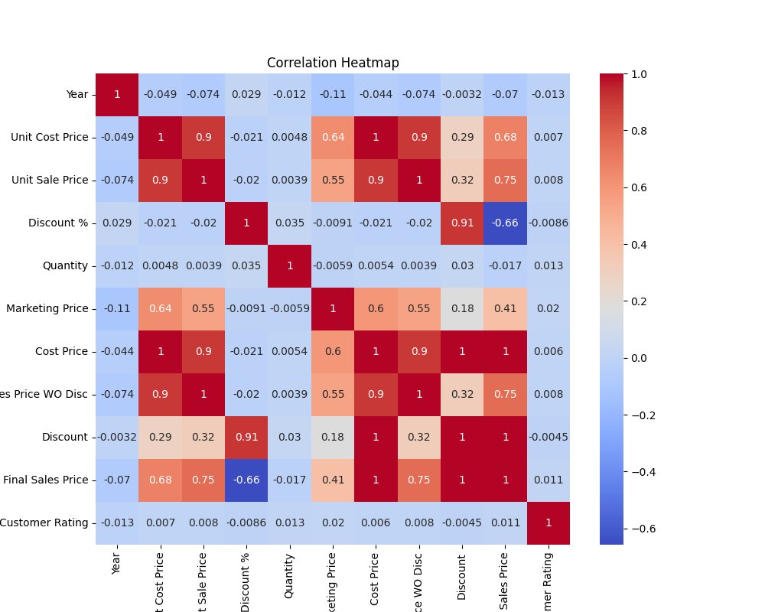
 |  |  |  |  | Customer Satisfaction
 |  |  |  |  | Satisfied | 7255
 |  |  |  |  | Not Satisfied | 789

 |  |  |  |  | Status
 |  |  |  |  | Returned | 789
 |  |  |  |  | Not Returned | 7255

 |  |  |  |  | Discount
 |  |  |  |  | Clearance Sale | 3493
 |  |  |  |  | Coupons Sale | 169
 |  |  |  |  | Flash Sale | 1487
 |  |  |  |  | No Discount | 2498
 |  |  |  |  | Seasonal Sale | 397

Sheet3
Showing trend insights for 'Year' and 'Sales Id'.

Sales by Region

 | Country | Sum of Final Sales Price
 | Australia | ₹ 109,696.50
 | China | ₹ 111,939.25
 | Denmark | ₹ 57,148.25
 | France | ₹ 22,396.25
 | Germany | ₹ 10,318.50
 | Hong Kong | ₹ 6,715.75
 | Netherlands | ₹ 70,568.00
 | Norway | ₹ 96,728.50
 | Singapore | ₹ 83,939.75
 | Sweden | ₹ 28,218.75
 | Switzerland | ₹ 149,947.00
 | United States | ₹ 341,109.25
 | Grand Total | ₹ 1,088,725.75

