matlab_nn_training_data
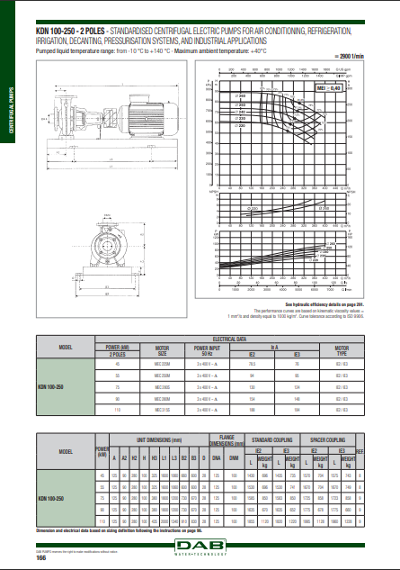
Q (m^3/h) | H (m) | D (mm) | eta
155.70598262 | 59.770048861 | 220 | 0.65 | this file contains semi manual extracted centrifugal pump performance curves (using web plot digitizer tool) from dab catalouge page 166 (2900 rpm centrifugal pump with max head 90 m as shown in figure 1) we extracted for each given diameter the Q, H and eta ( from which we could calculate the power in matlab using the formula power = (rho*g*H*Q)/eta.) in a separate sheet named QH_<dia> for example QH_220 for the 220 mm diameter curves in the manifacturer graph as shown below we have done so for the given 5 diameters from 220 to 260 mm.
183.26965182 | 58.598285497 | 220 | 0.7
223.91097429 | 55.728577432 | 220 | 0.73
258.11406746 | 52.214679641 | 220 | 0.74
292.31716062 | 47.850850894 | 220 | 0.73
321.28919248 | 43.464182735 | 220 | 0.7
153.49284129 | 66.564850721 | 230 | 0.65
178.44097984 | 65.670826691 | 230 | 0.7
210.22973702 | 63.997399069 | 230 | 0.73
237.99460089 | 61.851087082 | 230 | 0.75
268.9785794 | 58.59180986 | 230 | 0.757
297.1458326 | 54.82322222 | 230 | 0.75
323.30113914 | 50.856839269 | 230 | 0.73
347.04210969 | 46.753954495 | 230 | 0.7
153.29164663 | 73.031641761 | 240 | 0.65
177.63620118 | 72.330226247 | 240 | 0.7
205.80345437 | 71.132363607 | 240 | 0.73
229.94681426 | 69.644661125 | 240 | 0.75
257.30928879 | 67.343215108 | 240 | 0.77
285.87893132 | 64.256984728 | 240 | 0.775
305.99839789 | 61.639374124 | 240 | 0.77
330.54414711 | 57.981573413 | 240 | 0.75
352.273171 | 54.32754463 | 240 | 0.73
372.7950269 | 50.608579193 | 240 | 0.7
154.70000929 | 79.044045199 | 250 | 0.65
178.44097984 | 78.654651316 | 250 | 0.7
205.60225971 | 77.910321761 | 250 | 0.73
227.9348676 | 76.875859525 | 250 | 0.75
250.87105949 | 75.443928401 | 250 | 0.77
296.74344327 | 71.198818828 | 250 | 0.779
341.81104839 | 65.259955909 | 250 | 0.77
360.32095763 | 62.327435464 | 250 | 0.75
379.63564554 | 59.044987824 | 250 | 0.73 |  | figure 1
160.33345993 | 88.433098753 | 260 | 0.65
182.06248382 | 87.941866353 | 260 | 0.7
209.82734769 | 86.79417343 | 260 | 0.73
227.9348676 | 85.611211979 | 260 | 0.75
250.06628083 | 84.111685011 | 260 | 0.77
270.99052606 | 82.186852582 | 260 | 0.78
303.18167257 | 78.86049854 | 260 | 0.816
339.59790706 | 73.628477769 | 260 | 0.78
369.17352292 | 69.55047838 | 260 | 0.77
386.53113544 | 66.793335761 | 260 | 0.75

