Sheet1
Endaya Construction SDN (049693-V) Work Activity Report Road Maintanence Unit - Miri (September 2020)

Road Code
Road Name
Activity Code
Chainage
Date
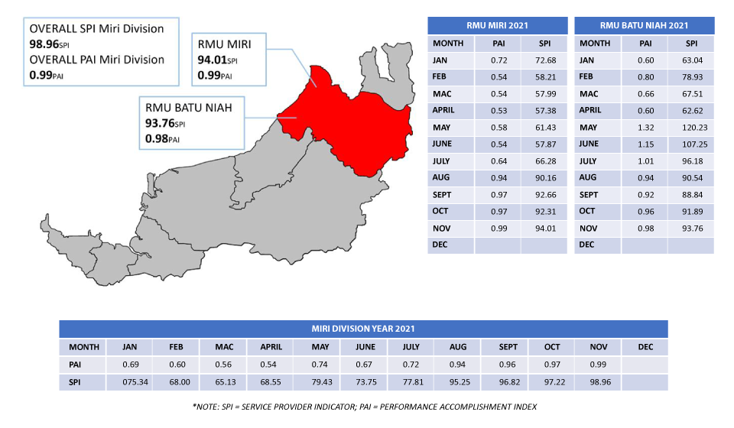

Before

