CRR
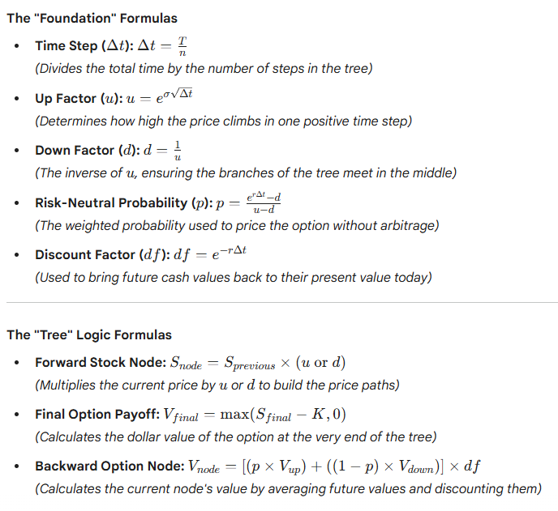
Last Modified 2/28/2026 |  |  | Cox-Ross-Rubinstein Model (CRR)
CRR |  |  | (Binomial Options Pricing Model)

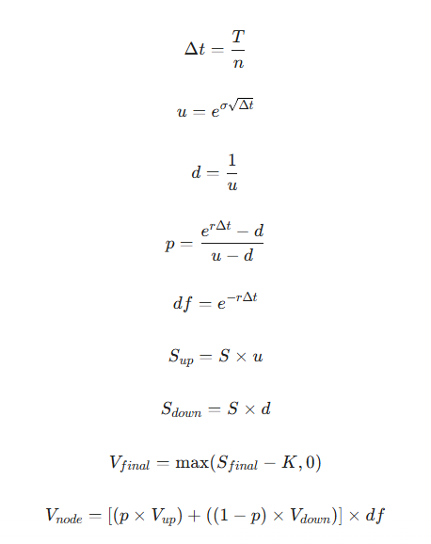
 | Inputs
 | Underlying price |  | S | $648.00
 | Strike Price |  | K | $700.00
 | Time to Expiration |  | T | 1
 | Risk Free Rate |  | r | 3.51%
 | Volatility |  | σ | 30.00%
 | Steps |  | n | 2 | 6 month each

 | Calculated Constants
 | Time Step |  | t | 0.50
 | Up Factor |  | u | 1.24
 | Down Factor |  | d | 0.81
 | Risk Neutral Prob |  | p | 0.49
 | Discount Factor |  | df | 0.98

 | Tree1: Stock price (Forward Pass)

 | Steps | 0 | 1 | 2
 |  | 0 | 0.5 | 1
 | - | $648.00
 | UP |  | $801.13
 | DOWN |  | $524.14
 | UP-UP |  |  | $990.45
 | UP-DOWN |  |  | $648.00
 | DOWN-DOWN |  |  | $423.95

 | Tree2: Option Value (Backward Pass)
 | Expiration Values
 | Node | UU | UD | DD
 | MAX | $290.45 | $0.00 | $0.00 | An option can never have a negative value | ‎
 | Step1 Values
 | if | $801.13 | $524.14
 | value | $139.44 | 0
 | Today's Value
 | $66.94

 | Fair Value | $66.94
 | Delta | 0.50

 |  |  | Visualization
0.00 | $648.00
0.50 | $801.13
1.00 | $990.45
0.50 | $801.13
1.00 | $648.00
0.00 | $648.00
0.50 | $524.14
1.00 | $423.95

 | Node | X (Time) | Y (Price/Value) |  | ‎
 | Start | 0.00 | $648.00
 | Up 1 | 0.50 | $801.13
 | Up-Up 2 | 1.00 | $990.45

 | Up 1 | 0.50 | $801.13
 | Up-Down 2 | 1.00 | $648.00

 | Start | 0.00 | $648.00
 | Down 1 | 0.50 | $524.14
 | Down-Down 2 | 1.00 | $423.95

