Sheet1
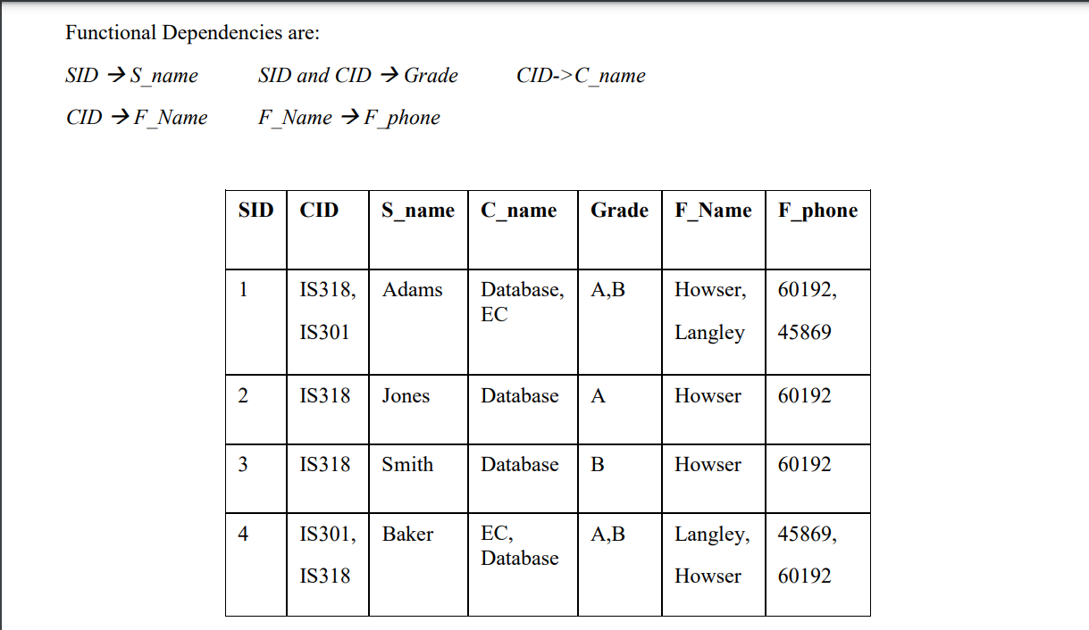

 |  |  |  |  | SUPPLIERS |  |  |  |  |  | 1 NF
SID | CID | S_NAME | C_NAME | GRADE | F_NAME | F_PHONE
1 | IS318 | ADAMS | DATABASE | A | HOWSER | 60192 |  | CANDIDATE KEY - SID, CID
1 | IS318 | ADAMS | DATABASE | A | HOWSER | 45869
1 | IS318 | ADAMS | DATABASE | A | LANGLEY | 60192 |  | BUT THE TABLE IS NOT IN 2NF
1 | IS318 | ADAMS | DATABASE | A | LANGLEY | 45869 |  | AS SID -> S_NAME
1 | IS318 | ADAMS | DATABASE | B | HOWSER | 60192 |  | SID IS PRIME ATTRIBUTE AND S_NAME IS NON PRIME ATTRIBUTE
1 | IS318 | ADAMS | DATABASE | B | HOWSER | 45869 |  | SO PARTIAL DEPENDENCY EXISTS
1 | IS318 | ADAMS | DATABASE | B | LANGLEY | 60192
1 | IS318 | ADAMS | DATABASE | B | LANGLEY | 45869
1 | IS318 | ADAMS | EC | A | HOWSER | 60192
1 | IS318 | ADAMS | EC | A | HOWSER | 45869
1 | IS318 | ADAMS | EC | A | LANGLEY | 60192
1 | IS318 | ADAMS | EC | A | LANGLEY | 45869
1 | IS318 | ADAMS | EC | B | HOWSER | 60192
1 | IS318 | ADAMS | EC | B | HOWSER | 45869
1 | IS318 | ADAMS | EC | B | LANGLEY | 60192
1 | IS318 | ADAMS | EC | B | LANGLEY | 45869
1 | IS301 | ADAMS | DATABASE | A | HOWSER | 60192
1 | IS301 | ADAMS | DATABASE | A | HOWSER | 45869
1 | IS301 | ADAMS | DATABASE | A | LANGLEY | 60192
1 | IS301 | ADAMS | DATABASE | A | LANGLEY | 45869
1 | IS301 | ADAMS | DATABASE | B | HOWSER | 60192
1 | IS301 | ADAMS | DATABASE | B | HOWSER | 45869
1 | IS301 | ADAMS | DATABASE | B | LANGLEY | 60192
1 | IS301 | ADAMS | DATABASE | B | LANGLEY | 45869
1 | IS301 | ADAMS | EC | A | HOWSER | 60192
1 | IS301 | ADAMS | EC | A | HOWSER | 45869
1 | IS301 | ADAMS | EC | A | LANGLEY | 60192
1 | IS301 | ADAMS | EC | A | LANGLEY | 45869
1 | IS301 | ADAMS | EC | B | HOWSER | 60192
1 | IS301 | ADAMS | EC | B | HOWSER | 45869
1 | IS301 | ADAMS | EC | B | LANGLEY | 60192
1 | IS301 | ADAMS | EC | B | LANGLEY | 45869
 |  |  | LIKEWISE SAME IMPLEMENTATION
 |  |  | NO MULTI ATTRIBUTE DEPENDENCY

 |  |  |  |  |  |  |  |  |  |  |  | NOW,
 |  |  | 2NF | NORMALIZATION |  |  |  |  |  |  |  |  | PRIMARY KEY
 |  |  |  |  |  |  |  |  |  |  |  | TABLE 1 |  | SID
 |  |  |  |  |  |  |  |  |  |  |  | TABLE 2 |  | CID

 |  |  |  |  |  |  |  |  |  |  |  |  | FOREIGN KEY
 | TABLE 1 |  |  | TABLE 2 |  |  |  |  |  | TABLE 3 |  | TABLE 3 |  | SID REFERNCES FROM TABLE 1
SID | S_NAME |  | CID | C_NAME | F_NAME | F_PHONE |  | SID* | CID* | GRADE |  |  |  | CID REFERNECES FROM TABLE 2

 |  |  |  |  |  |  |  |  |  |  |  | BUT, STILL THERE IS TRANSITIVE DEPENDENCY LEFT
 |  |  |  |  |  |  |  |  |  |  |  | AS F_NAME -> F_PHONE
 | IN 3NF |  |  |  |  | IN 2NF |  |  |  | IN 3NF |  | NON PRIME ATTRIBUTE GIVES NON PRIME ATTRIBUTE

 |  |  | 3 NF |  |  |  |  |  |  |  |  |  |  |  | IN TABLE 2.2
 |  |  |  |  |  |  |  |  |  |  |  |  |  |  | F_NAME REFERENCES F_NAME FROM TABLE 2.1
 | TABLE 1 |  |  |  | TABLE 3 |  |  | TABLE 2 --> ( TABLE 2.1 , TABLE 2.2 ) |  |  |  |  |  |  | SO IT’S A FOREIGN KEY
SID | S_NAME |  | SID* | CID* | GRADE |  |  |  |  |  |  |  |  |  | NOW THE TABLES ARE IN 3NF
 |  |  |  |  |  |  |  | TABLE 2.1 |  |  |  | TABLE 2.2
 |  |  |  |  |  |  | CID | C_NAME | F_NAME |  | F_NAME* | F_PHONE

