Sheet1
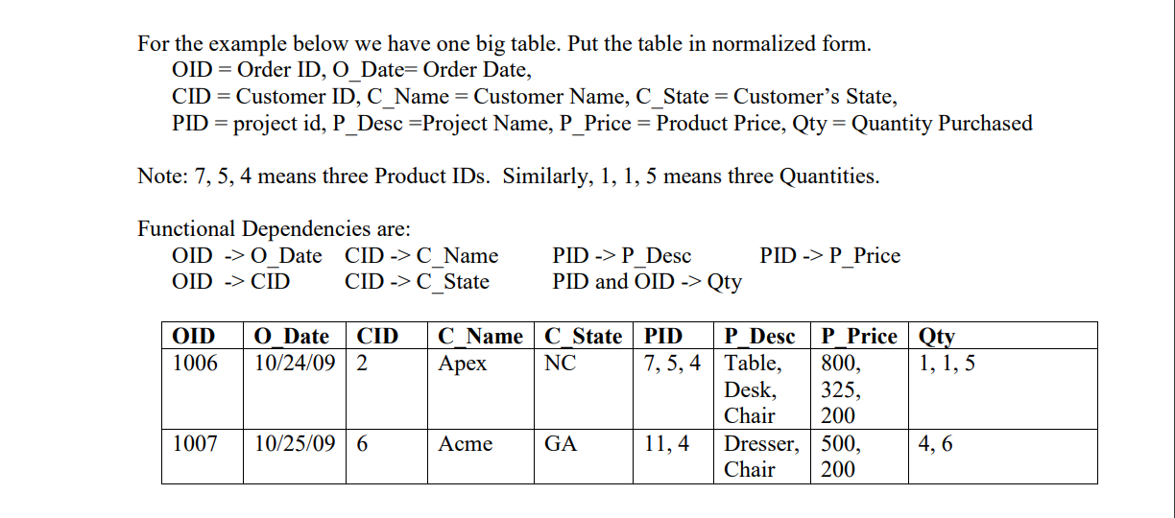

 |  |  |  |  | 1 NF
 |  | ORDERS
OID | O_DATE | CID | C_NAME | C_STATE | PID | P_DESC | P_PRICE | QTY
1006 | 10/24/09 | 2 | APEX | NC | 7 | TABLE | 800 | 1
1006 | 10/24/09 | 2 | APEX | NC | 7 | TABLE | 800 | 1
1006 | 10/24/09 | 2 | APEX | NC | 7 | TABLE | 800 | 5
1006 | 10/24/09 | 2 | APEX | NC | 7 | TABLE | 325 | 1 |  |  | CANDIDATE KEY - OID, PID
1006 | 10/24/09 | 2 | APEX | NC | 7 | TABLE | 325 | 1
1006 | 10/24/09 | 2 | APEX | NC | 7 | TABLE | 325 | 5 |  |  | BUT THE TABLE IS NOT IN 2NF
1006 | 10/24/09 | 2 | APEX | NC | 7 | TABLE | 200 | 1 |  |  | AS OID --> O_DATE
1006 | 10/24/09 | 2 | APEX | NC | 7 | TABLE | 200 | 1 |  |  | OID IS PRIME ATTRIBUTE AND O_DATE IS NON PRIME ATTRIBUTE
1006 | 10/24/09 | 2 | APEX | NC | 7 | TABLE | 200 | 5 |  |  | SO PARTIAL DEPENDENCY EXISTS
1006 | 10/24/09 | 2 | APEX | NC | 7 | DESK | 800 | 1
1006 | 10/24/09 | 2 | APEX | NC | 7 | DESK | 800 | 1
1006 | 10/24/09 | 2 | APEX | NC | 7 | DESK | 800 | 5
1006 | 10/24/09 | 2 | APEX | NC | 7 | DESK | 325 | 1
1006 | 10/24/09 | 2 | APEX | NC | 7 | DESK | 325 | 1
1006 | 10/24/09 | 2 | APEX | NC | 7 | DESK | 325 | 5
1006 | 10/24/09 | 2 | APEX | NC | 7 | DESK | 200 | 1
1006 | 10/24/09 | 2 | APEX | NC | 7 | DESK | 200 | 1
1006 | 10/24/09 | 2 | APEX | NC | 7 | DESK | 200 | 5
 |  |  | LIKEWISE SAME IMPLEMENTATION
 |  |  | NO MULTI ATTRIBUTE DEPENDENCY

 |  |  |  |  |  |  |  |  |  |  |  |  |  | NOW,
 |  |  |  |  | 2NF | NORMALIZATION |  |  |  |  |  |  |  |  | PRIMARY KEY
 |  |  |  |  |  |  |  |  |  |  |  |  |  | TABLE 1 |  | OID
 |  |  |  |  |  |  |  |  |  |  |  |  |  | TABLE 2 |  | PID

 |  |  |  | TABLE 1 |  |  |  | TABLE 2 |  |  |  | TABLE 3 |  |  | FOREIGN KEY
OID | O_DATE | CID | C_NAME | C_STATE |  | PID | P_DESC | P_PRICE |  | OID* | PID* | P_PRICE |  | TABLE 3 |  | OID REFERNCES FROM TABLE 1
 |  |  |  |  |  |  |  |  |  |  |  |  |  |  |  | PID REFERNECES FROM TABLE 2

 |  |  |  |  |  |  |  |  |  |  |  |  |  | BUT, STILL THERE IS TRANSITIVE DEPENDENCY LEFT
 |  |  |  | IN 2 NF |  |  |  | IN 3NF |  |  |  | IN 3NF |  | AS CID --> C_NAME
 |  |  |  |  |  |  |  |  |  |  |  |  |  | NON PRIME ATTRIBUTE GIVES NON PRIME ATTRIBUTE

 |  |  | 3 NF

 | TABLE 1 --> ( TABLE 1.1, TABLE 1.2 )

 |  | TABLE 1.1 |  |  |  | TABLE 1.2 |  |  |  | TABLE 2 |  |  |  | TABLE 3
OID | O_DATE | CID* |  | CID | C_NAME | C_STATE |  | PID | P_DESC | P_PRICE |  | OID* | PID* | P_PRICE |  | NOW THE TABLES ARE IN 3NF

