Sheet1
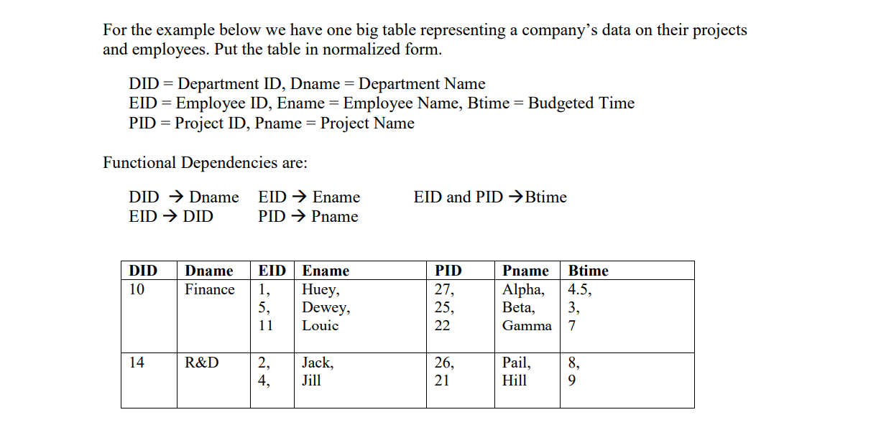

 |  |  | DEPARTMENTS
DID | DNAME | EID | ENAME | PID | PNAME | BTIME |  |  |  |  |  |  | 1 NF
10 | FINANCE | 1 | HUEY | 27 | ALPHA | 4.5
10 | FINANCE | 1 | HUEY | 27 | ALPHA | 3 |  |  |  | CANDIDATE KEY - EID, PID
10 | FINANCE | 1 | HUEY | 27 | ALPHA | 7
10 | FINANCE | 1 | HUEY | 27 | BETA | 4.5 |  |  |  | BUT THE TABLE IS NOT IN 2NF
10 | FINANCE | 1 | HUEY | 27 | BETA | 3 |  |  |  | AS EID --> ENAME
10 | FINANCE | 1 | HUEY | 27 | BETA | 7 |  |  |  | EID IS PRIME ATTRIBUTE AND E_NAME IS NON PRIME ATTRIBUTE
10 | FINANCE | 1 | HUEY | 27 | GAMMA | 4.5 |  |  |  | SO PARTIAL DEPENDENCY EXISTS
10 | FINANCE | 1 | HUEY | 27 | GAMMA | 3
10 | FINANCE | 1 | HUEY | 27 | GAMMA | 7

 |  | LIKEWISE SAME IMPLEMENTATION
 |  | NO MULTI ATTRIBUTE DEPENDENCY

 |  |  |  |  |  |  |  |  |  |  |  | NOW,
 |  | 2NF | NORMALIZATION |  |  |  |  |  |  |  |  |  | PRIMARY KEY
 |  |  |  |  |  |  |  |  |  |  |  | TABLE 1 |  | EID
 |  |  |  |  |  |  |  |  |  |  |  | TABLE 2 |  | PID

 |  |  |  |  |  |  |  |  |  |  |  |  | FOREIGN KEY
 |  |  | TABLE 1 |  |  | TABLE 2 |  |  |  | TABLE 3 |  | TABLE 3 |  | EID REFERNCES FROM TABLE 1
DID | DNAME | EID | ENAME |  | PID | PNAME |  | EID* | PID* | BTIME |  |  |  | PID REFERNECES FROM TABLE 2

 |  |  |  |  |  |  |  |  |  |  |  | BUT, STILL THERE IS TRANSITIVE DEPENDENCY LEFT
 |  |  |  |  |  |  |  |  |  |  |  | AS DID --> DNAME
 |  |  |  |  |  | IN 3NF |  |  |  | IN 3NF |  | NON PRIME ATTRIBUTE GIVES NON PRIME ATTRIBUTE

 |  |  |  | 3 NF

 | TABLE 2 - ( TABLE 1.1, TABLE 1.2 ) |  |  |  |  |  |  |  |  |  | IN TABLE 1.2
 |  |  |  |  |  |  |  |  |  |  | DID REFERENCES DID FROM TABLE 1.1
 |  |  |  |  |  |  |  |  |  |  | SO IT’S A FOREIGN KEY

 | TABLE 1.1 |  |  |  | TABLE 1.2 |  |  | TABLE 2 |  |  |  | TABLE 3
DID | DNAME |  | EID | DID* | ENAME |  | PID | PNAME |  | EID* | PID* | BTIME
 |  |  |  |  |  |  |  |  |  |  |  |  |  | NOW THE TABLES ARE IN 3NF

