Sheet1
Issue ID | Description | Severity (Critical, Major, Minor) | Steps | Version | Reported By | Date | Screenshot / Link to Screenshot/ Image name
#1 | Issue: A DataType Error Occurred, the kiwi data stored in the txt file is as strings and the algorithm only recognizes a list of int/float. | Major | Solution: convert the data in the txt file into a list of float. *Use split() or splitlines() method to convert the string into a list. | 1.1 | Mohit | 26/07/2020
#2 | Issue: A ValueError Occurred, the kiwi data txt file have the string values (") which can not be converted to float. . | Major | Solution: the string values(") need to be removed from the txt file using a loop statement. 1. create a for loop with a range(0, len(list), 1) 2. replace the (") with () which means removing the " marks. 3. lastly specify all values in the list as a float. | 1.2 | Mohit | 26/07/2022
#3 | Issue: A Type Error Occurred, the kiwi_selection_sort() function is missing a required argument/value. | minor | Solution: the function required to have a value which is a list in this case, in order to perform the selection sort algorithm. * add a list of int/float values in the function to sort them. | 1.3 | Mohit | 27/07/2022
#4 | Issue: An AssertionError occurred, none of the algorithms was generating a sorted list. | Major | Solution: A return statement is needed to be added in order to return the sorted list. * Add return [list] in the algorithm functions | 1.4 | Mohit | 28/07/2022 | 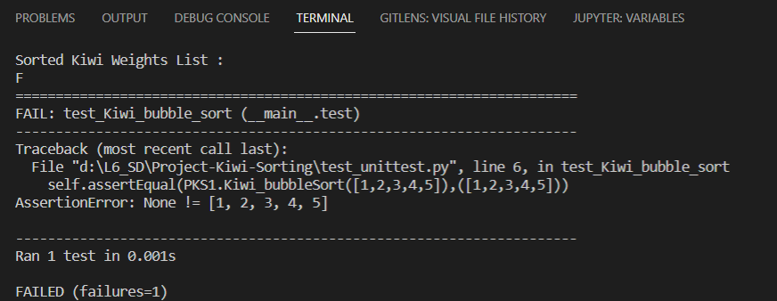
#5 | Issue: A ModuleNotFoundError Occurred, trying to plot a graph using Matplotlib module but it's not installed. | minor | Solution: install the Matplotlib module packages. * type pip install matplotlib in the terminal. | 1.5 | Mohit | 29/07/2022

