Sheet1
place | team | score | member name | Organizer | Ehsan Khani
1 | Stuxnet | 2665
 |  |  | pooya khorani
 |  |  | Seyed alireza jafari | Hosts | Ehsan Khani
 |  |  | jafar salimi |  | Mohammad Nedaei
 |  |  | aysa alizade
2 | Grand Master Oogway | 2630 |  | Question Designers
 |  |  | Sadegh Babrzad |  | Ehsan Khani
 |  |  | sina cheraqi |  | Mohammad Nedaei
 |  |  | caro hamidi |  | Alireza Alijani
3 | Syntax sorcerers | 2630 |  |  | Ali Babaei
 |  |  | amirreza pashazadeh |  | Erfan Bagheri
 |  |  | sana abdolnejhad |  | Hamidreza Babaei
 |  |  | Elahe Daniali |  | Zahra Poormohammad
4 | BitHunters | 2165 |  |  | Amir Ajorloo
 |  |  | mojtaba fotohi |  | Mobin Nezami
 |  |  | Shaqayeq Farzaneh |  | Mahdi kazemi
 |  |  | Ashkan Ebrahimnezhad
5 | MEM | 2105
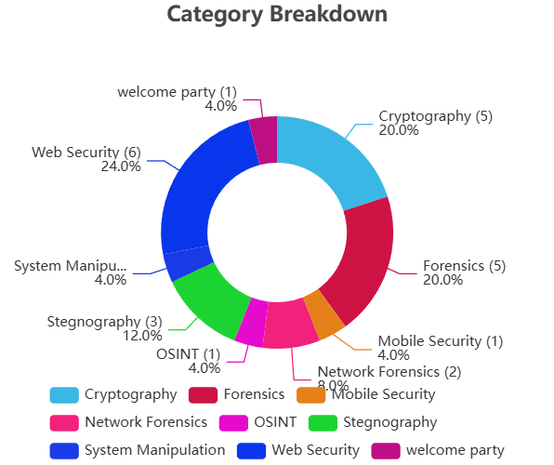
 |  |  | Mehran Rasoulzadeh
 |  |  | Mazhar Pirkhezri
6 | MazandaranOshakhlari | 2080
 |  |  | Amir mohamad jahandar
 |  |  | Mobin najafi
 |  |  | Parham pourseifi
7 | Kings_of_North | 1975
 |  |  | Ali Nozari
 |  |  | ali alahyarlou
 |  |  | Ehsan omidyazdani
8 | Death Squad | 1905
 |  |  | Delara Ahmadpour
 |  |  | miran sheikh
 |  |  | Parsa Rahmani
9 | Bavarians | 1455
 |  |  | amirmahdi nezahd abbasi
 |  |  | Omid Sheykhbaglou
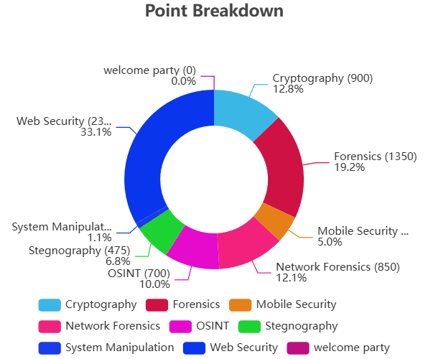
 |  |  | Ali farajollahi
10 | CTRL the Flag | 1375
 |  |  | Mahdi Ranjkesh
 |  |  | Sara Shahmohammadloo
11 | NullPoint | 1325
 |  |  | Mahdi Khodayi
 |  |  | Mohammad Amin Hamednia
 |  |  | Arvin Taheri
12 | Shadows | 1275
 |  |  | Mahdieh Mojarrad
 |  |  | Melisa Pourrafiee
 |  |  | Nazanin Kazemi
13 | Azarakhsh Iran | 1255
 |  |  | Ata Saheb
 |  |  | Farzad Zarepour
 |  |  | Rohollah Atefikhah
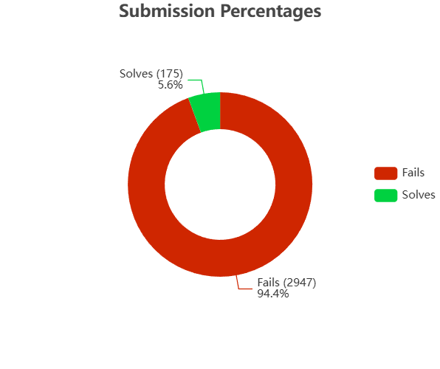
14 | ASA | 1075
 |  |  | AmirHossein Mostafazadeh
 |  |  | Sina Ghaderi
 |  |  | Ali jafari azar
15 | Error 404 | 830
 |  |  | Ariaz Esmaeeli Dizaji
 |  |  | Amirmahdi Najafzadeh
 |  |  | Mir Mohammad Bahadori

