Sheet2
Individual campaign reach for every age group
 | 13-17 | 18-24 | 25-34 | 35-44 | 45-54 | 55-64
Campaign 2 | 14753 | 29675 | 2066
Campaign 6 |  | 30110 | 1721
Campaign 7 | 6145 | 18900 | 4623
Campaign 1 |  |  | 11387 | 8761 | 2867 | 889
Campaign 8 | 8516 | 11027 | 2386
Campaign 5 | 5355 | 5952 | 3717
Campaign 9 | 1579 | 2862 | 2892
Campaign 10 | 2557 | 741 | 338
Campaign 4 | 2330 | 759 | 218
Campaign 3 | 2271 | 704 | 212
Campaign 11 | 2159 | 305 | 91

Sum of Reach(unique) | Age
Campaign ID | 13-17 | 18-24 | 25-34 | 35-44 | 45-54 | 55-64
Campaign 2 | 14753 | 29675 | 2066
Campaign 6 |  | 30110 | 1721
Campaign 7 | 6145 | 18900 | 4623
Campaign 1 |  |  | 11387 | 8761 | 2867 | 889
Campaign 8 | 8516 | 11027 | 2386
Campaign 5 | 5355 | 5952 | 3717
Campaign 9 | 1579 | 2862 | 2892
Campaign 10 | 2557 | 741 | 338
Campaign 4 | 2330 | 759 | 218
Campaign 3 | 2271 | 704 | 212
Campaign 11 | 2159 | 305 | 91

Conclustion: From above graph total reach is very small in campaign 11 and campaign 3.So, these two campaigns can be removed among 11 campaigns.

Sheet3
Reach of each campaign

Campaign ID | Sum of Reach(unique)
Campaign 2 | 46494
Campaign 6 | 31831
Campaign 7 | 29668
Campaign 1 | 23904
Campaign 8 | 21929
Campaign 5 | 15024
Campaign 9 | 7333
Campaign 10 | 3636
Campaign 4 | 3307
Campaign 3 | 3187
Campaign 11 | 2555

Conclustion: From above graph total reach is very small in campaign 11 and campaign 3.So, these two campaigns can be removed among 11 campaigns.

Sheet4
Campaign cost

Campaign ID | Sum of Amount Spent in INR
Campaign 1 | 2333.33
Campaign 2 | 1579.02
Campaign 7 | 1035.24
Campaign 6 | 955.21
Campaign 8 | 942.78
Campaign 4 | 923.96
Campaign 11 | 897.68
Campaign 9 | 876.26
Campaign 10 | 856.67
Campaign 3 | 850.68
Campaign 5 | 837.78

Conclustion: From above graph total reach is very small in campaign 11 and campaign 3.So, these two campaigns can be removed among 11 campaigns.

Sheet5
Reach vs Impression by Campaign ID
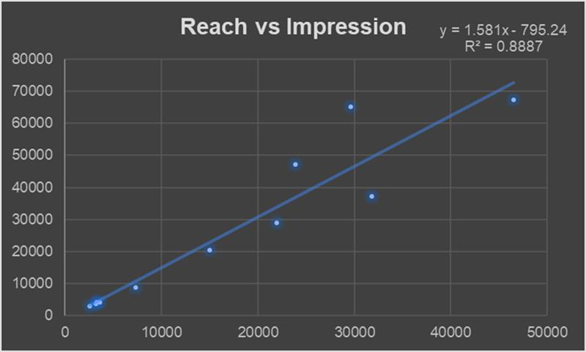

Campaign ID | Sum of Reach(unique) | Sum of Impressions(with dupes)
Campaign 11 | 2555 | 2900
Campaign 3 | 3187 | 3572
Campaign 10 | 3636 | 4091
Campaign 4 | 3307 | 4267
Campaign 9 | 7333 | 8660
Campaign 5 | 15024 | 20483
Campaign 8 | 21929 | 28974
Campaign 6 | 31831 | 37246
Campaign 1 | 23904 | 47139
Campaign 7 | 29668 | 65215
Campaign 2 | 46494 | 67313

Conclusion:The highest reach in absolute terms is achieved in Campaign 2 which is all students other than India.
However, the gap between reach and impression is highest in Campaign 7 (Nepal) which indicates that the same users are seeing the ad multiple times. It could lead to ad fatigue.

Sheet6
Amount spent for every Campaign location
Geography | Sum of Cost Per Click (CPC) | Sum of Amount Spent in INR
Group 1 (Australia, Canada, United Kingdom, Ghana, Nigeria, Pakistan, United States) | 7.34210979 | 2333.33
Group 2 (Australia, Canada, United Kingdom, Ghana, Niger, Nigeria, Nepal, Pakistan, Thailand, Taiwan) | 1.24230873 | 1579.02
Nepal | 2.16672779 | 1035.24
India | 1.34886143 | 955.21
Nigeria | 1.04272427 | 942.78
Canada | 16.51272523 | 923.96
USA | 14.43860509 | 897.68
UAE | 10.75425815 | 876.26
UK | 22.35550725 | 856.67
Australia | 23.7644527 | 850.68
Ghana | 3.85102435 | 837.78

Final Conclusion: From total five graphs campaign 3 performance is very less. so, campaign 3 can be removed among 11 campaigns

Conclusion : The graph shows that in Australia(Campaign 3) and UK(Campaign 10) the amount of money spent is not that high, but the cost of obtaining results i.e Cost Per Result(CPR) and Cost Per Click(CPC) is very high. So I would suggest campaign 3 to be removed firstly. And Campaign 10 could also be removed.

Sheet7
Individual campaign reach for every age group
 | 13-17 | 18-24 | 25-34 | 35-44 | 45-54 | 55-64
Campaign 2 | 14753 | 29675 | 2066
Campaign 6 |  | 30110 | 1721
Campaign 7 | 6145 | 18900 | 4623
Campaign 1 |  |  | 11387 | 8761 | 2867 | 889
Campaign 8 | 8516 | 11027 | 2386
Campaign 5 | 5355 | 5952 | 3717
Campaign 9 | 1579 | 2862 | 2892
Campaign 10 | 2557 | 741 | 338
Campaign 4 | 2330 | 759 | 218
Campaign 3 | 2271 | 704 | 212
Campaign 11 | 2159 | 305 | 91
Reach of each campaign
 | Total
Campaign 2 | 46494
Campaign 6 | 31831
Campaign 7 | 29668
Campaign 1 | 23904
Campaign 8 | 21929
Campaign 5 | 15024
Campaign 9 | 7333
Campaign 10 | 3636
Campaign 4 | 3307
Campaign 3 | 3187
Campaign 11 | 2555
Reach vs Impression by Campaign ID
 | Sum of Reach(unique) | Sum of Impressions(with dupes)
Campaign 11 | 2555 | 2900
Campaign 3 | 3187 | 3572
Campaign 10 | 3636 | 4091
Campaign 4 | 3307 | 4267
Campaign 9 | 7333 | 8660
Campaign 5 | 15024 | 20483
Campaign 8 | 21929 | 28974
Campaign 6 | 31831 | 37246
Campaign 1 | 23904 | 47139
Campaign 7 | 29668 | 65215
Campaign 2 | 46494 | 67313

Campaign cost
 | Total
Campaign 1 | 2333.33
Campaign 2 | 1579.02
Campaign 7 | 1035.24
Campaign 6 | 955.21
Campaign 8 | 942.78
Campaign 4 | 923.96
Campaign 11 | 897.68
Campaign 9 | 876.26
Campaign 10 | 856.67
Campaign 3 | 850.68
Campaign 5 | 837.78
Amount spent for every Campaign location
 | Sum of Amount Spent in INR | Sum of Cost Per Click (CPC)
Group 1 (Australia, Canada, United Kingdom, Ghana, Nigeria, Pakistan, United States) | 2333.33 | 7.34210979
Group 2 (Australia, Canada, United Kingdom, Ghana, Niger, Nigeria, Nepal, Pakistan, Thailand, Taiwan) | 1579.02 | 1.24230873
Nepal | 1035.24 | 2.16672779
India | 955.21 | 1.34886143
Nigeria | 942.78 | 1.04272427
Canada | 923.96 | 16.51272523
USA | 897.68 | 14.43860509
UAE | 876.26 | 10.75425815
UK | 856.67 | 22.35550725
Australia | 850.68 | 23.7644527
Ghana | 837.78 | 3.85102435

Final Conclusion: From total six graphs campaign 3 performance is very less. so, campaign 3 can be removed among 11 campaigns

