Standard_curve
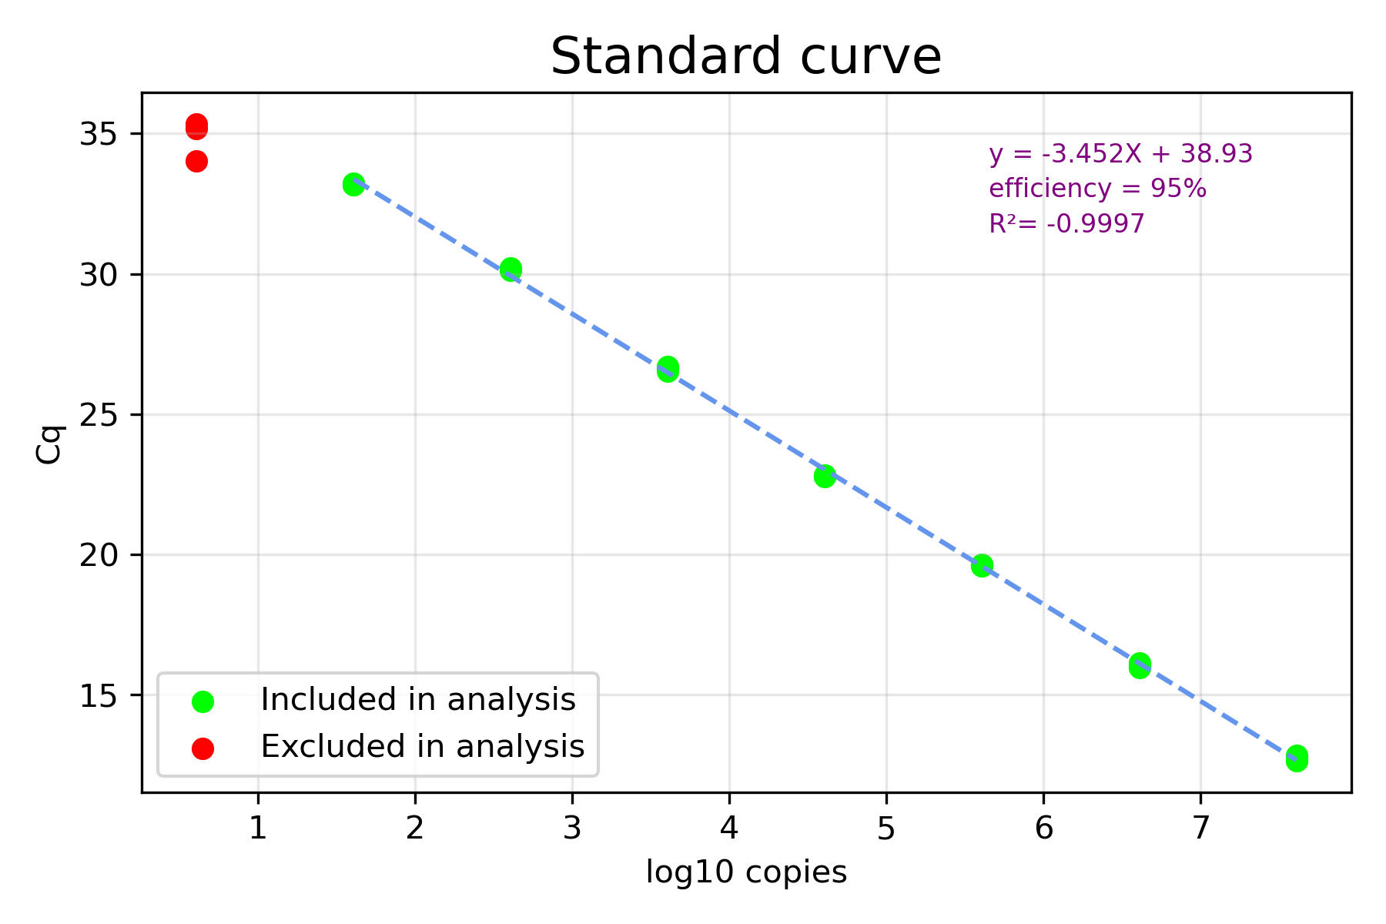
Sample | Cq | Corrected_Cq | Power | copies/µL | log_copies
10^7 | 12.67382399 | 12.67382399 | 7 | 40600000 | 7.6085260336
10^7 | 12.64790899 | 12.64790899 | 7 | 40600000 | 7.6085260336
10^7 | 12.83436076 | 12.83436076 | 7 | 40600000 | 7.6085260336
10^6 | 15.96210198 | 15.96210198 | 6 | 4060000 | 6.6085260336
10^6 | 16.03681703 | 16.03681703 | 6 | 4060000 | 6.6085260336
10^6 | 16.12608507 | 16.12608507 | 6 | 4060000 | 6.6085260336
10^5 | 19.61955648 | 19.61955648 | 5 | 406000 | 5.6085260336
10^5 | 19.59672986 | 19.59672986 | 5 | 406000 | 5.6085260336
10^5 | 19.63602739 | 19.63602739 | 5 | 406000 | 5.6085260336
10^4 | 22.82445567 | 22.82445567 | 4 | 40600 | 4.6085260336
10^4 | 22.75878767 | 22.75878767 | 4 | 40600 | 4.6085260336
10^4 | 22.80863729 | 22.80863729 | 4 | 40600 | 4.6085260336
10^3 | 26.65333124 | 26.65333124 | 3 | 4060 | 3.6085260336
10^3 | 26.70111002 | 26.70111002 | 3 | 4060 | 3.6085260336
10^3 | 26.5268108 | 26.5268108 | 3 | 4060 | 3.6085260336
10^2 | 30.2041655 | 30.2041655 | 2 | 406 | 2.6085260336
10^2 | 30.12443732 | 30.12443732 | 2 | 406 | 2.6085260336
10^2 | 30.14702061 | 30.14702061 | 2 | 406 | 2.6085260336
10^1 | 33.16403413 | 33.16403413 | 1 | 40.6 | 1.6085260336
10^1 | 33.23571068 | 33.23571068 | 1 | 40.6 | 1.6085260336
10^1 | 33.163891 | 33.163891 | 1 | 40.6 | 1.6085260336
10^0 | 35.33289672 | 35.33289672 | 0 | 4.06 | 0.60852603358
10^0 | 34.02710131 | 34.02710131 | 0 | 4.06 | 0.60852603358
10^0 | 35.18919698 | 35.18919698 | 0 | 4.06 | 0.60852603358

CV%_graph
