Celltypes
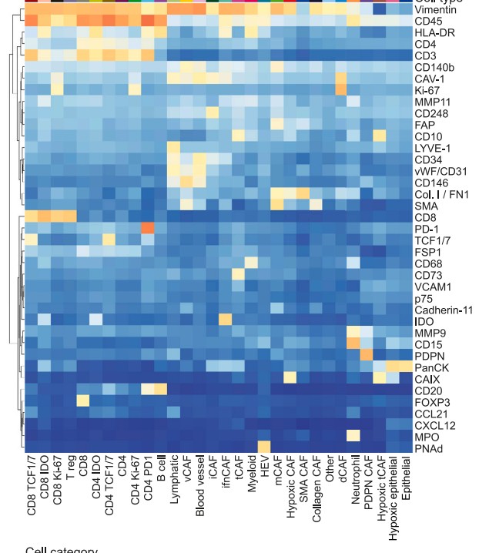
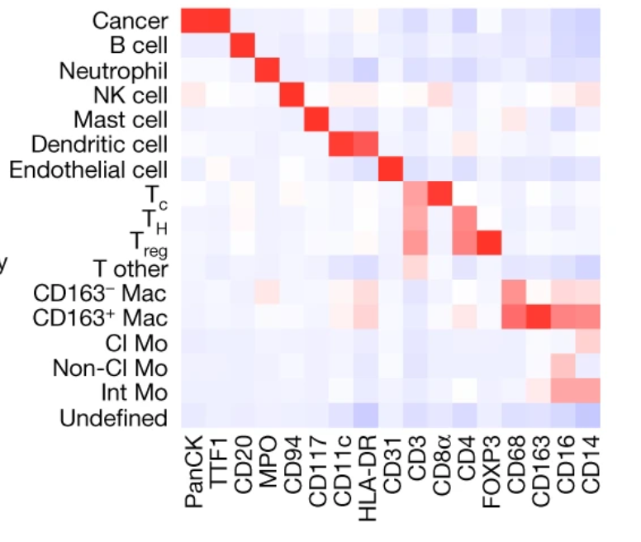
Sorin | Bodenmiller data | Bodenmiller grouped | Crick | Hiltbrunner
'Cancer' | HEV | HEV | 'Tumour' | 'Undefined'
'B cell' | B cell | B cell | 'Fibroblasts' | 'Myeloid'
'Neutrophils' | Neutrophil | Neutrophil | 'Endothelium Thy1-' | 'T cell'
'NK cell' | Myeloid | Myeloid | 'Endothelium Thy1+' | 'Vessel'
'DCs cell' | Blood | Blood | 'T cell CD8' | 'Tumour'
'Endothelial cell' | Lymphatic | Lymphatic | 'T cell CD4' | 'Stroma'
'Mast cell' | hypoxic | hypoxic | 'T cell regulatory'
'Tc' | other/Other | other/Other | 'Dendritic cells'
'Th' | normal | normal | 'cDC1 Dendritic cells'
'Treg' | CD8 | CD8 | 'Macrophages CD68'
'T other' | CD4 | CD4 | 'Macrophages F480'
'Cl MAC' | CD8 Ki67 |  | 'Neutrophils'
'Alt MAC' | CD4 Ki67 |  | 'Undefined'
'Cl Mo' | IDO CD4
'Non-Cl Mo' | TCF1/7 CD4
'Int Mo' | IDO CD8
NONE'/Undefined | PD1 CD4
 | TCF1/ 7CD
 | CD4 Treg | CD4 Treg
 | Collagen CAF | CAF
 | Hypoxic Caf
 | mCAF
 | SMA_CAF
 | tpCAF
 | iCAF
 | vCAF
 | dCAF
 | Hypoxic tpCaf
 | IDO CAF/ifnCAF
 | PDPN CAF

