Sheet1
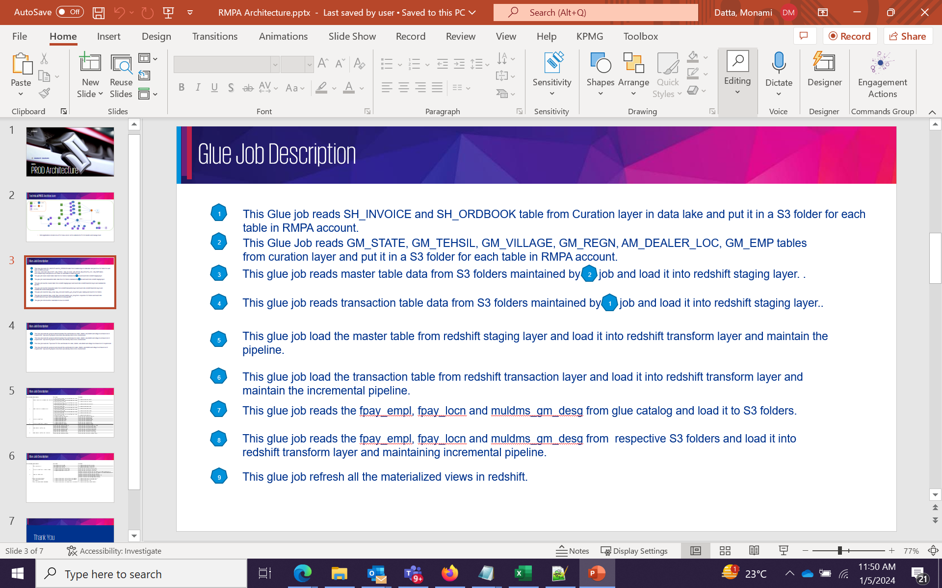
Glue Job Number | Glue Job Name | Source Path | Target Path
1 | RMPA_Curated_to_s3_incremental_prod_Transaction-EAP | s3://msil-cross-account-a-ex61r89zztim78oata5fe9bmmbanraps3b-s3alias/dms/muldms/sh_invoice/ | s3://rmpa-prod-rawdata/sh_invoice/
 |  | s3://msil-cross-account-a-ex61r89zztim78oata5fe9bmmbanraps3b-s3alias/dms/muldms/sh_ordbook/ | s3://rmpa-prod-rawdata/sh_ordbook/
2 | RMPA_Curated_to_s3_incremental_prod | s3://msil-cross-account-a-ex61r89zztim78oata5fe9bmmbanraps3b-s3alias/dms/muldms/am_dealer_loc | s3://rmpa-prod-rawdata/am_dealer_loc/
 |  | s3://msil-cross-account-a-ex61r89zztim78oata5fe9bmmbanraps3b-s3alias/dms/muldms/gm_state | s3://rmpa-prod-rawdata/gm_state
 |  | s3://msil-cross-account-a-ex61r89zztim78oata5fe9bmmbanraps3b-s3alias/dms/muldms/gm_tehsil | s3://rmpa-prod-rawdata/gm_tehsil
 |  | s3://msil-cross-account-a-ex61r89zztim78oata5fe9bmmbanraps3b-s3alias/dms/muldms/gm_village | s3://rmpa-prod-rawdata/gm_village
 |  | s3://msil-cross-account-a-ex61r89zztim78oata5fe9bmmbanraps3b-s3alias/dms/muldms/gm_regn | s3://rmpa-prod-rawdata/gm_regn
 |  | s3://msil-cross-account-a-ex61r89zztim78oata5fe9bmmbanraps3b-s3alias/dms/muldms/gm_emp | s3://rmpa-prod-rawdata/gm_emp
3 | rmpa_s3_to_redshift_prod-eap | s3://rmpa-prod-rawdata/am_dealer_loc/ | redshift-rmpa_prod_staging.am_dealer_loc
 |  | s3://rmpa-prod-rawdata/gm_state | redshift-rmpa_prod_staging.gm_state
 |  | s3://rmpa-prod-rawdata/gm_tehsil | redshift-rmpa_prod_staging.gm_tehsil
 |  | s3://rmpa-prod-rawdata/gm_village | redshift-rmpa_prod_staging.gm_village
 |  | s3://rmpa-prod-rawdata/gm_regn | redshift-rmpa_prod_staging.gm_regn
 |  | s3://rmpa-prod-rawdata/gm_emp | redshift-rmpa_prod_staging.gm_emp
4 | rmpa_s3_to_redshift_prod_Transaction-eap | s3://rmpa-prod-rawdata/sh_invoice | redshift-rmpa_prod_staging.sh_invoice
 |  | s3://rmpa-prod-rawdata/sh_ordbook | redshift-rmpa_prod_staging.sh_ordbook
5 | RMPA_Stage_to_Transform_prod-eap | redshift-rmpa_prod_staging.am_dealer_loc | redshift-rmpa_prod_transform.am_dealer_loc_dedup
 |  | redshift-rmpa_prod_staging.gm_state | redshift-rmpa_prod_transform.gm_state_dedup
 |  | redshift-rmpa_prod_staging.gm_tehsil | redshift-rmpa_prod_transform.gm_tehsil_dedup
 |  | redshift-rmpa_prod_staging.gm_village | redshift-rmpa_prod_transform.gm_village_dedup
 |  | redshift-rmpa_prod_staging.gm_regn | redshift-rmpa_prod_transform.gm_regn_dedup
 |  | redshift-rmpa_prod_staging.gm_emp | redshift-rmpa_prod_transform.gm_emp_dedup
6 | RMPA_Stage_to_Transform_prod_Transaction-EAP | redshift-rmpa_prod_staging.sh_invoice | redshift-rmpa_prod_transform.sh_invoice_dedup
 |  | redshift-rmpa_prod_staging.sh_ordbook | redshift-rmpa_prod_transform.sh_ordbook_dedup
7 | fpay_data_lake_to_s3-eap | Glue Catalog-muldms_gm_desg | s3://rmpa_prod_transform.muldms_gm_desg
 |  | Glue Catalog-pay_de_fpay_empl/ | s3://rmpa_prod_transform.pay_de_fpay_emp
 |  | Glue Catalog-pay_de_fpay_locn/ | s3://rmpa_prod_transform.pay_de_fpay_locn
8 | rmpa_s3_to_redshift_prod_Transaction_3tables-copy | s3://rmpa_prod_transform.muldms_gm_desg | redshift-rmpa_prod_transform.muldms_gm_desg
 |  | s3://rmpa_prod_transform.pay_de_fpay_emp | redshift-rmpa_prod_transform.pay_de_fpay_emp
 |  | s3://rmpa_prod_transform.pay_de_fpay_locn | redshift-rmpa_prod_transform.pay_de_fpay_locn
9 | RMPA_MV__Refresh_prod-eap
10

