2.21
2.21: Construct (a) a histogram and (b) a frequency polygon corresponding to the frequency distribution of Table 2.14.
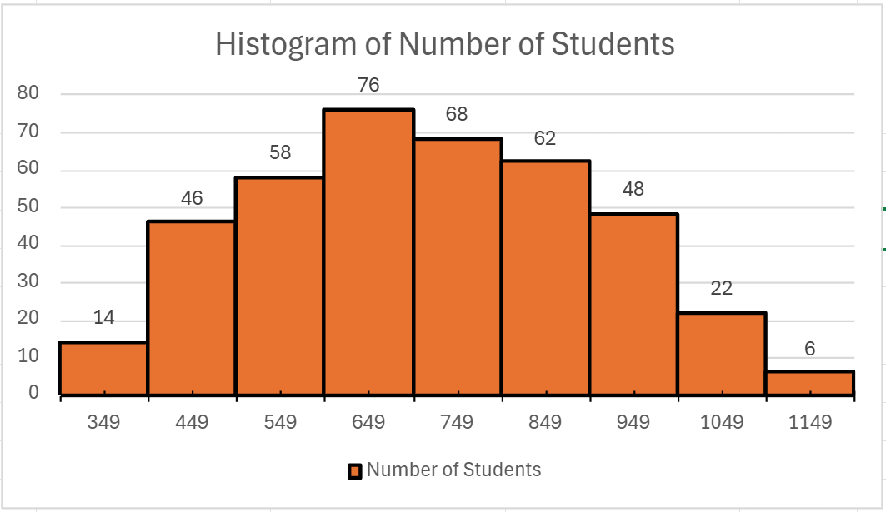
Class Mark | Number of Students
349.5 | 14
449.5 | 46
549.5 | 58
649.5 | 76
749.5 | 68
849.5 | 62
949.5 | 48
1049.5 | 22
1149.5 | 6

Frequency Polygon of the Viewing Minutes among Students
Class Mark | Number of Students
300 | 0
349.5 | 14
449.5 | 46
549.5 | 58
649.5 | 76
749.5 | 68
849.5 | 62
949.5 | 48
1049.5 | 22
1149.5 | 6
1200 | 0

2.22
2.22: For the data in Table 2.14 of Problem 2.20, construct (a) a relative-frequency distribution, (b) a relative frequency histogram, and (c) a relative-frequency polygon.
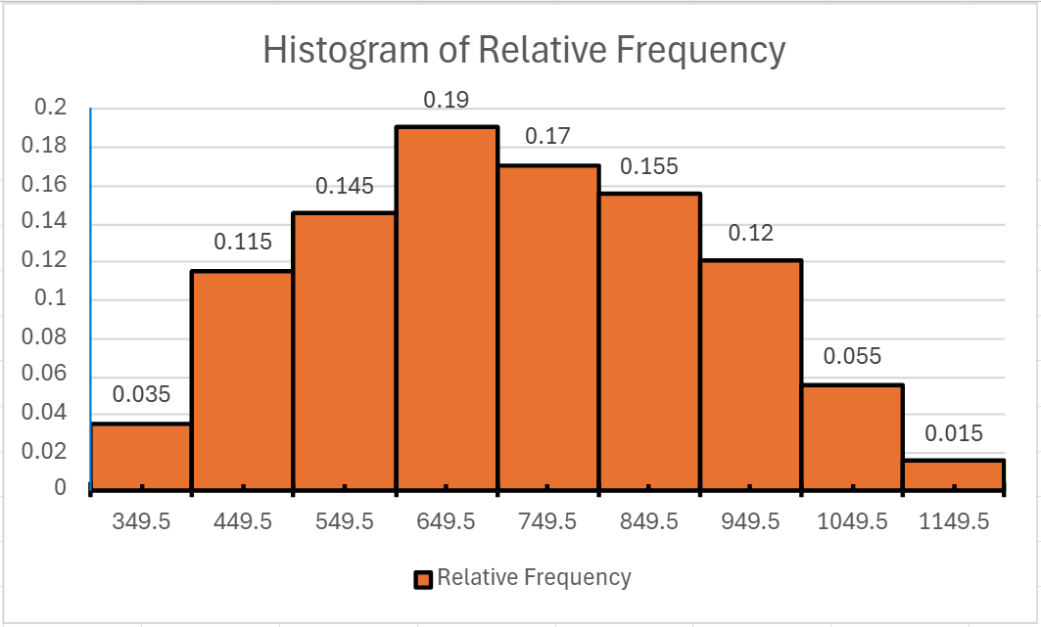
Class Mark | Relative Frequency
300 | 0
349.5 | 0.035
449.5 | 0.115
549.5 | 0.145
649.5 | 0.19
749.5 | 0.17
849.5 | 0.155
949.5 | 0.12
1049.5 | 0.055
1149.5 | 0.015
1200 | 0

Frequency Polygon of the Viewing Minutes within Relative Frequency

