US inland
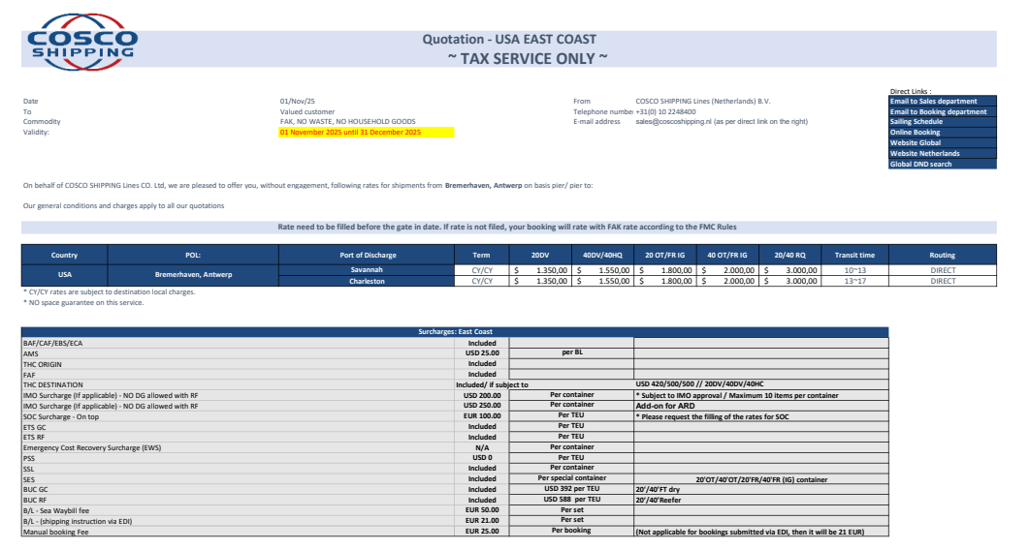
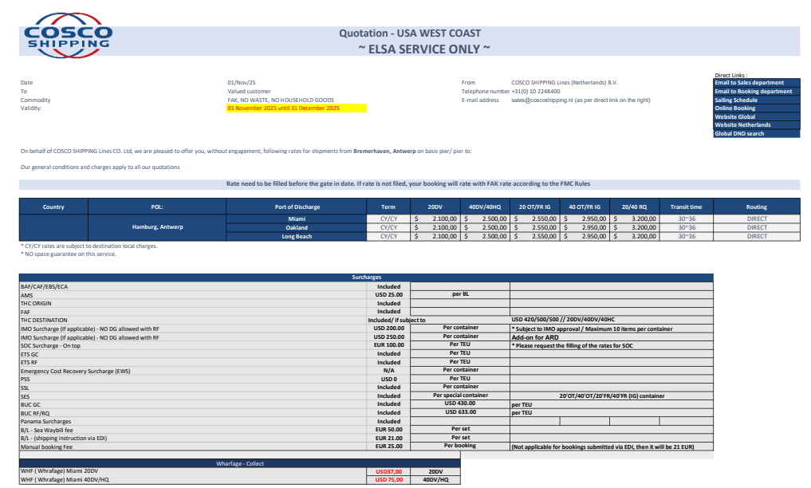
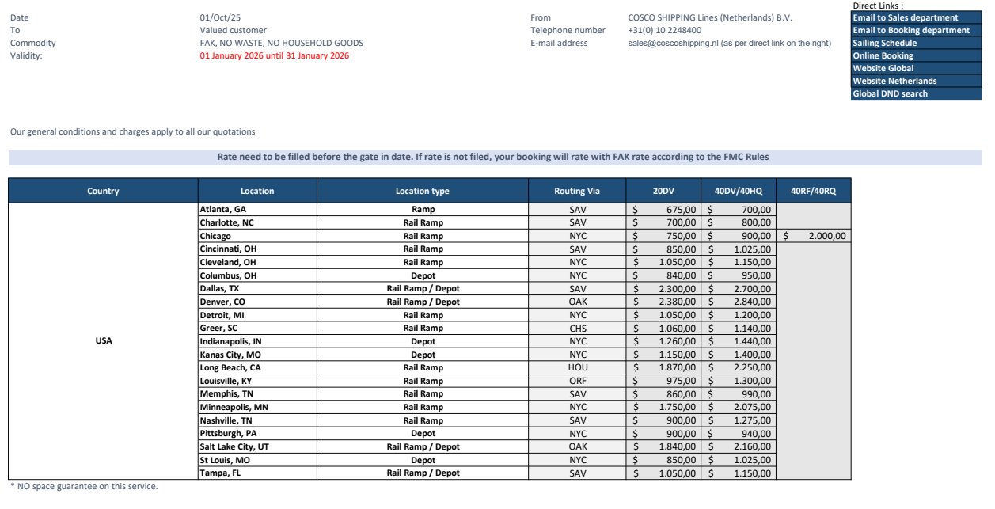
US inland
Validity : 10/01/2025 - 12/31/2025

Location | Location Type | Routing via |  | 20DV | 40DV/40HQ | 40RF/40RQ
ATLANTA, GA | Ramp | SAV | SAVANNAH, GA | 675 | 700
CHARLOTTE, NC | Rail Ramp | SAV | SAVANNAH, GA | 700 | 800
CHICAGO, IL | Rail Ramp | NYC | NEW YORK, NY | 750 | 900 | 2000
CINCINNATI, OH | Rail Ramp | NYC | NEW YORK, NY | 850 | 1025
CLEVELAND, OH | Rail Ramp | NYC | NEW YORK, NY | 1050 | 1150
COLUMBUS, OH | Depot | NYC | NEW YORK, NY | 840 | 950
DALLAS, TX | Rail Ramp / Depot | SAV | SAVANNAH, GA | 2300 | 2700
DENVER, CO | Rail Ramp / Depot | OAK | OAKLAND, CA | 2380 | 2840
DETROIT, MI | Rail Ramp | NYC | NEW YORK, NY | 1050 | 1200
GREER, SC | Rail Ramp | CHS | CHARLESTON, SC | 1060 | 1140
INDIANAPOLIS, IN | Depot | NYC | NEW YORK, NY | 1260 | 1440
KANSAS CITY, MO | Depot | NYC | NEW YORK, NY | 1150 | 1400
LONG BEACH, CA | Rail Ramp | HOU | HOUSTON, TX | 1870 | 2250
LOUISVILLE, KY | Rail Ramp | ORF | NORFOLK, VA | 975 | 1300
MEMPHIS, TN | Rail Ramp | SAV | SAVANNAH, GA | 860 | 990
MINNEAPOLIS, MN | Rail Ramp | NYC | NEW YORK, NY | 1750 | 2075
NASHVILLE, TN | Rail Ramp | SAV | SAVANNAH, GA | 900 | 1275
PITTSBURGH, PA | Depot | NYC | NEW YORK, NY | 900 | 940
SALT LAKE CITY, UT | Rail Ramp / Depot | OAK | OAKLAND, CA | 1840 | 2160
ST LOUIS, MO | Depot | NYC | NEW YORK, NY | 850 | 1025
TAMPA, FL | Rail Ramp / Depot | SAV | SAVANNAH, GA | 1050 | 1150

SAV | SAVANNAH, GA
NYC | NEW YORK, NY
OAK | OAKLAND, CA
CHS | CHARLESTON, SC
HOU | HOUSTON, TX
ORF | NORFOLK, VA

