Sheet1
MAIN ASSUMPTIONS
Scope: customers connected to SK90, overlapping with the DHN connections
On the electricity distribution side, I assume that there is one connection point per each small ramification that I see ("El" in this case). |  |  |  |  |  |  |  | NB: the Fr classification is by address
On the heating side, I assume that there is once connection per each (ideally) metering point of the DHN ("Fr" in this case) |  |  |  |  |  |  |  | NB: the El classification is by visual assessment (see cables in the map attached to this file)
If a heating metering point does not look connected, I associate it with the closest connection point that I see. Even distance goes to the right. |  |  |  |  |  |  |  | NB: the blocks aggregation is by specific annual heat energy. If this is different from between one and another, it means that they have separated metering stations, thus separtaed DH substations, thus different heating behavious can be measured. So, I decided that I can connect separated HPs in these cases.
Minor commerce were neglected (no sign on google maps)
Fuse power per apt [kW] |  | 11 |  |  |  |  |  | NB. Refer to "Overlapping2.png"

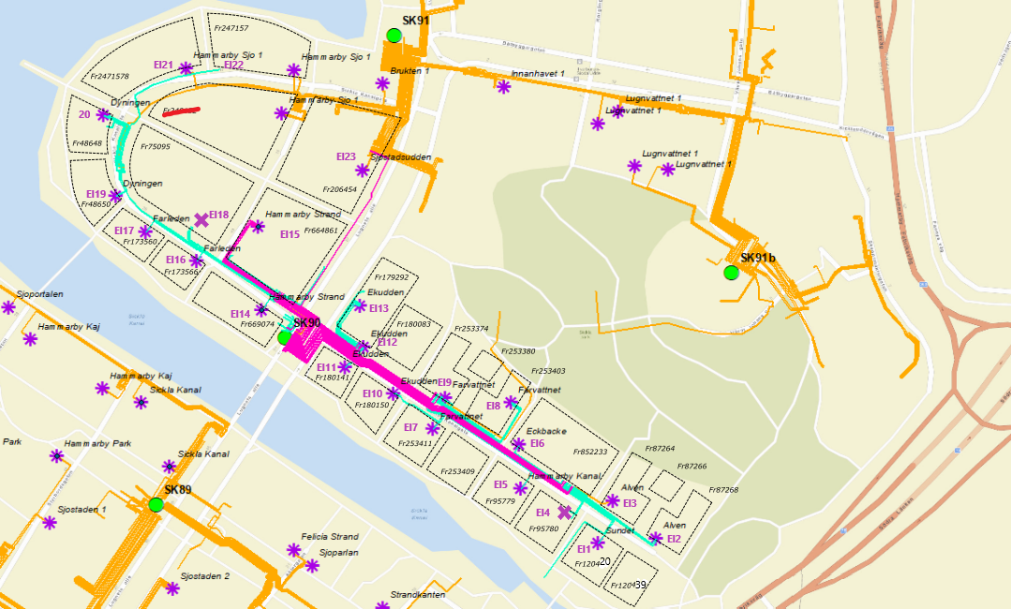
EACH BLOCK IS A POTENTIAL HP - when there are 2 corresponding El, the first one applies | BRF | Addresses | Blocks (Heating nodes) | Electricity nodes | Monika - Electricity nodes | Bus number | Lines name | Customer type | Apt [#] | Spec. energy consumption [kWh/m2/y] | Of which El. [kWh/m2/y] | Of which Heat [kWh/m2/y] | Heated area [m2] | Block level m2 | Fuse power [kW]
 | Sundet | Fr120439 | 1 | El1 | Load_X | 53 | LX6 | Residential | 13 | 91 | 23 | 68 | 2191 | 4576 | 143 | B with 2 connections for el.appliances
 |  | Fr120420 |  |  |  | 53 | LX6 |  | 24 | 91 | 23 | 68 | 2385 |  | 264 | 5
 | Älven | Fr87268 | 2 | El2 | Load_Y | 54 | LY8 | Residential | 33 | 84 | 32 | 52 | 4054 | 4054 | 363 | 16
 | Älven | Fr87266 | 3 |  | Load_Y2 | 54 | LY8 |  | 8 | 102 | 46 | 56 | 919 | 919 | 88 | 17
 | Älven | Fr87264 | 4 | El3 | Load_V | 52 | LV4 | Residential | 28 | 80 | 29 | 51 | 3258 | 3258 | 308 | 19
 | Hammarby Kanal | Fr95780 | 5 | El4 | Load_Z | 55 | LZ11 | Residential | 24 | 116 | 6 | 110 | 3031 | 4889 | 264 | 22
 |  | Fr95779 |  | El5 | Load_R | 58 | LR4 | Residential | 14 | 116 | 6 | 110 | 1858 |  | 154
 |  | Fr852233 | 6 | El6 | Load_U | 50 | LU 1 | Residential | 60 | 129.14 | 12.66 | 116.49 | 8405.00 | 8405.00 | 660
 |  | FR253409 | 7 | El7 | Load_Q | 57 | LQ3 | Residential | 15 | 120 | 6 | 114 | 1613 | 1613.00 | 165
 |  | FR253411 | 8 |  | Load_Q2 | 57 | LQ3 |  | 15 | 94 | 6 | 88 | 1613 | 1613.00 | 165
 |  | Fr253403 | 9 | El8 | Load_S | 59 | LS 7 | Residential | 26 | 152 | 9 | 143 | 2831 | 2831.00 | 286
 |  | Fr253380 | 10 |  | Load_S2 | 59 | LS 7 |  | 11 | 129 | 8 | 121 | 1031 | 1031.00 | 121
 |  | Fr253374 | 11 | El9 | Load_DD | 33 | LDD4 | Residential | 43 | 150 | 9 | 141 | 3138 | 3138.00 | 473
 |  | Fr180150 | 12 | El10 | Load_P | 56 | LP10 | Residential | 16 | 129 | 6 | 123 | 1718 | 1718.00 | 176
 |  | Fr180141 | 13 | El11 | Load_O | 45 | LO7 | Residential | 12 | 130 | 6 | 124 | 1931 | 1931 | 132
 |  |  |  |  |  | 45 | LO7 | 1 Flower shop
 |  | Fr180083 | 14 | El12 | Load_N | 44 | LN4 | Residential | 25 | 130 | 11 | 119 | 3340 | 3340 | 275
 |  | Fr179292 | 15 | El13 | Load_M | 43 | LM8 | Residential | 44 | 134 | 6 | 128 | 5021 | 5021 | 484
 |  |  |  |  |  | 43 | LM8 | 2 restaurants
 |  | Fr669074 | 16 | El14 | Load_I | 46 | LI5 | Residential | 28 | 108 | 15 | 93 | 3801 | 15060 | 308
 |  |  |  |  |  | 46 | LI5 | 1 massage and wellness
 |  | Fr664861 |  | El15 | Load_BB | 31 | LBB21 | Residential | 82 | 108 | 15 | 93 | 11259 |  | 902
 |  |  |  |  |  | 31 | LBB21 | 1 restaurant
 |  |  |  |  |  | 31 | LBB21 | 1 bike fixing, 1spel&tobacco
 |  | Fr173566 | 17 | El16 | Load_H | 37 | LH5 | Residential | 16 | 91 | 6 | 85 | 1733 | 3466 | 176
 |  | Fr173560 |  | El17 | Load_F | 35 | LF 4 | Residential | 16 | 91 | 6 | 85 | 1733 |  | 176
 |  | Fr75095 | 18 | El18 | Load_G | 36 | LG2 | Residential | 100 | 100 | 45 | 55 | 10699 | 10699 | 1100
 |  | Fr48650 | 19 | El19 | Load_E | 42 | LE7 | Residential | 16 | 93 | 15 | 78 | 1816 | 3632 | 176
 |  | Fr48648 |  | El20 | Load_C | 40 | LC5 | Residential | 16 | 93 | 15 | 78 | 1816 |  | 176
 |  | Fr247158 | 20 | El21 | Load_B | 39 | LB2 | Residential | 28 | 122 | 5 | 117 | 3560 | 3560 | 308
 |  | Fr247157 | 21 | El22 | Load_A | 38 | LA1 | Residential | 28 | 101 | 4 | 97 | 3560 | 3560 | 308
 |  | Fr206454 | 22 | El23 | Load_AA | 30 | LAA20 | Residential | 126 | 107 | 13 | 94 | 12483 | 12483 | 1386
 |  |  |  | El24 |  |  | SK89

