BUG-001
BUG-001 – Mobile clock-in recorded without mobile-app/location data

Module | Attendance
Severity | Medium
Priority | High
Status | New
Defect Type | Functional / Data Integrity

Precondition | User is logged into the Kredily mobile application; Attendance/Clock In is available; location permission is granted.
Steps to Reproduce | 1. Open Kredily mobile application. 2. Log in with a valid employee account. 3. Tap Clock In. 4. Grant location permission when prompted. 5. Complete the clock-in process. 6. Open the corresponding attendance record/details. 7. Check Mobile App, Location, Coordinates, GPS Accuracy and Selfie information.
Expected Result | Because the punch was performed through the mobile application with location permission granted, the attendance record should correctly capture the mobile-app source and applicable location/GPS information.
Actual Result | The attendance record displayed: “Did not punch from Mobile App”; Place: Not captured; Coordinates: Not captured; GPS Accuracy: Not captured; Selfie: Not captured. Network IP and device information were present.
Impact | Attendance records may contain incomplete or inaccurate source/location information, affecting attendance verification and auditability.
Evidence | Original execution evidence from the submitted testing session.
1000404524.jpg | 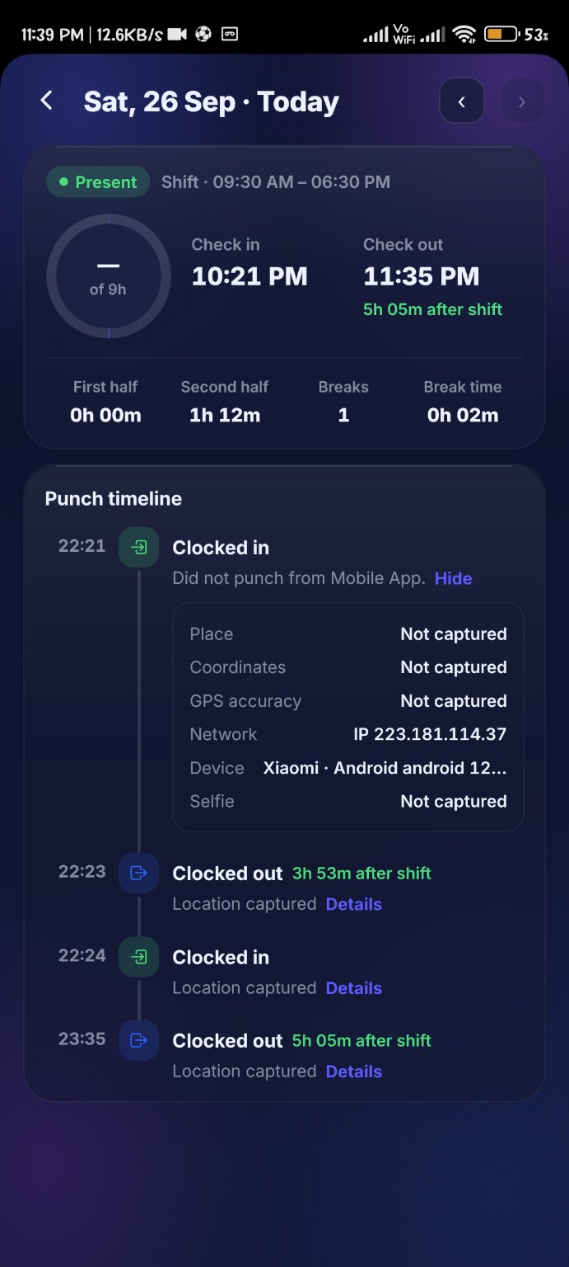

BUG-002
BUG-002 – Attendance status is inconsistent between Team and Me views

Module | Attendance
Severity | Medium
Priority | High
Status | New
Defect Type | Functional / Data Consistency

Precondition | User is logged in and attendance records/correction requests exist for the affected September dates.
Steps to Reproduce | 1. Open Attendance. 2. Navigate to the Team view. 3. Check the attendance status for the affected September dates. 4. Observe that the affected dates are shown as Absent. 5. Switch to the Me view. 6. Check the same dates. 7. Compare the individual date status with the Team view and summary.
Expected Result | The same attendance record should have a consistent status across Team and Me views. If a correction request is pending, the UI should consistently represent that state.
Actual Result | Team view displayed the affected dates as Absent / No punches recorded, while the Me view displayed correction-requested/pending states for the same dates. The Me summary still showed 2 Absent.
Impact | Employees and managers may receive conflicting information regarding attendance status, affecting attendance review and correction workflows.
Evidence | Original execution evidence from the submitted testing session.
1000404535.jpg | 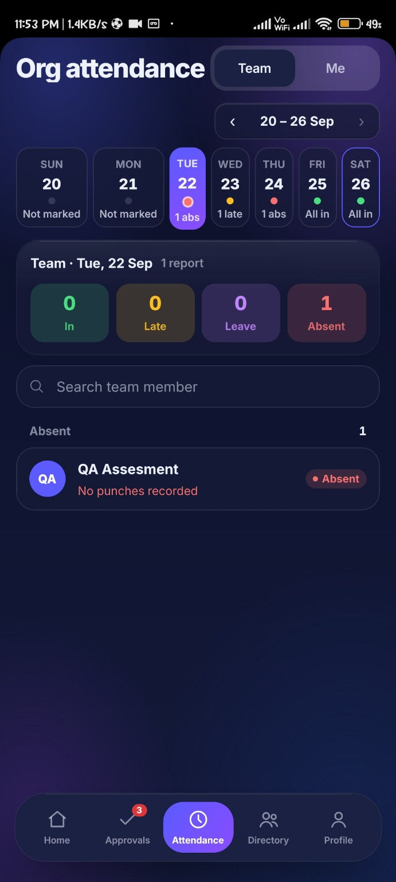

1000404536.jpg | 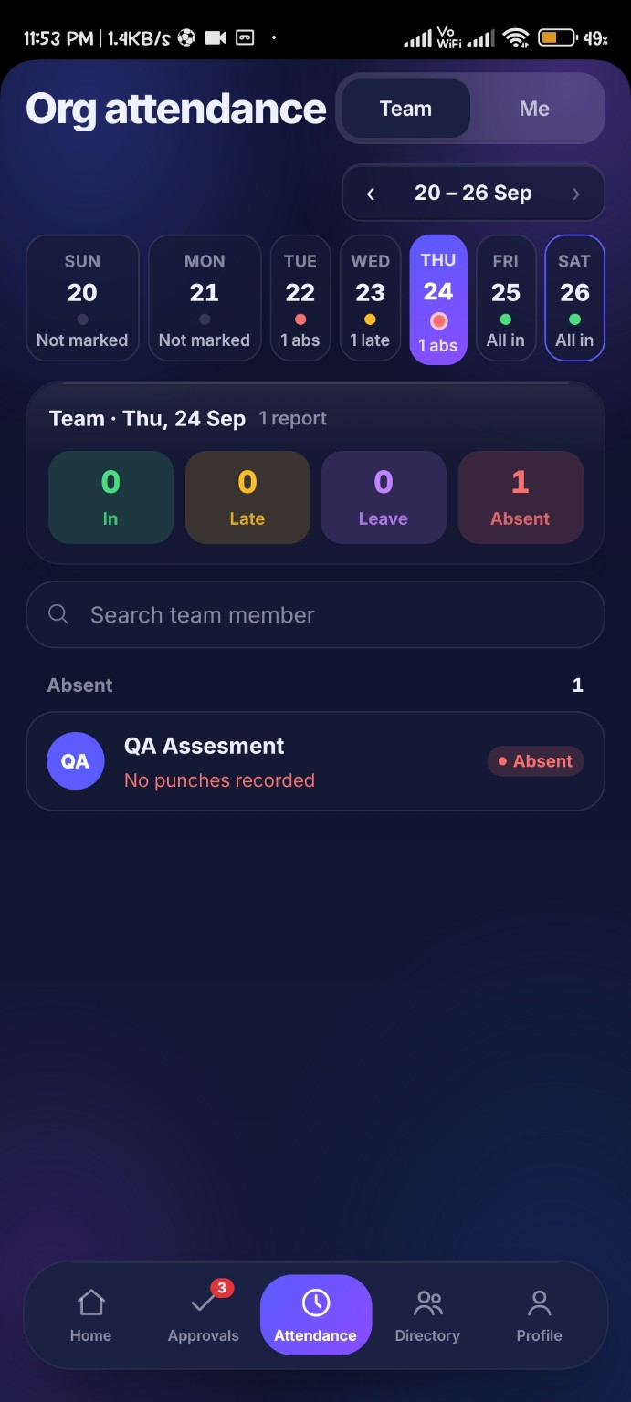

1000404532.jpg | 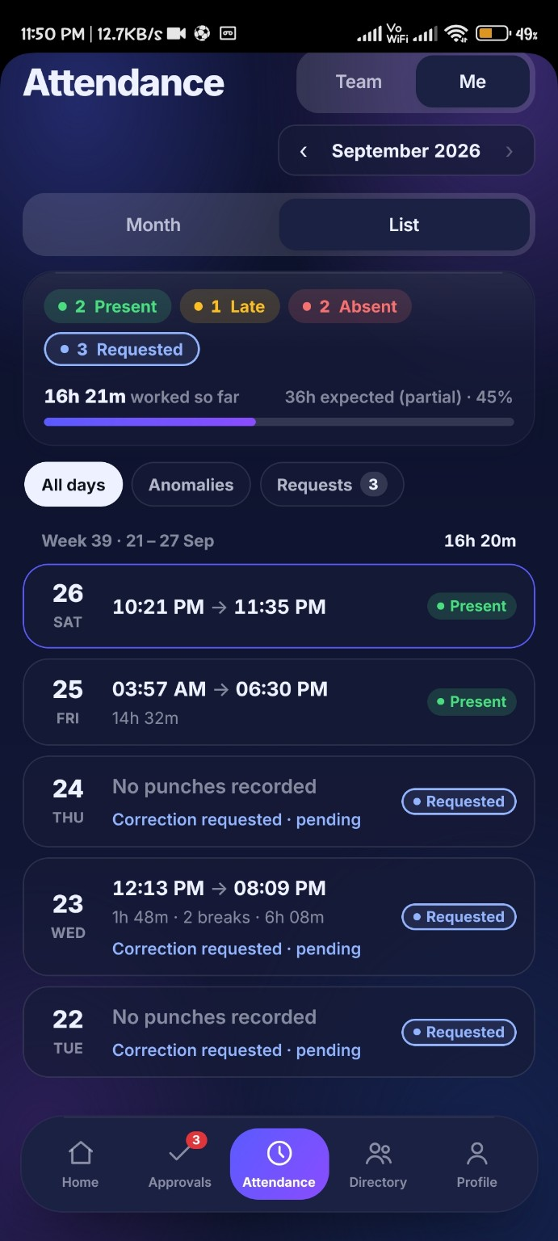

BUG-003
BUG-003 – Correction request View opens the wrong attendance date

Module | Attendance → Approvals / Regularization
Severity | Medium
Priority | High
Status | New
Defect Type | Functional / Navigation / Data Mapping

Precondition | Attendance correction/regularization requests are available under Approvals → Reg.
Steps to Reproduce | 1. Open Kredily. 2. Navigate to Attendance. 3. Open Approvals. 4. Select Reg. 5. Locate a pending correction request, for example the request for 22 September. 6. Tap View. 7. Observe the attendance date/details displayed. 8. Repeat with another pending correction request such as 23 or 24 September.
Expected Result | Tapping View for a correction request should open the attendance details corresponding to the exact date associated with that request.
Actual Result | The View action opened an unrelated attendance date and displayed “Day detail unavailable”. The behavior was reproduced with multiple correction requests.
Impact | The approver cannot reliably inspect the attendance record associated with a correction request before making an approval decision.
Evidence | Original execution evidence from the submitted testing session.
1000404538.jpg | 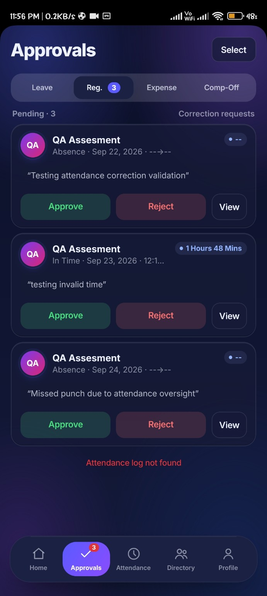

1000404539.jpg | 

1000404551.jpg | 

BUG-004
BUG-004 – Approving attendance correction fails and request remains Pending

Module | Attendance → Approvals / Regularization
Severity | High
Priority | High
Status | New
Defect Type | Functional / Workflow

Precondition | A pending attendance correction request is available under Approvals → Reg.
Steps to Reproduce | 1. Open Kredily. 2. Navigate to Attendance. 3. Open Approvals. 4. Select Reg. 5. Locate the pending attendance correction request. 6. Tap Approve. 7. Observe the response. 8. Return to/check the request status.
Expected Result | The correction request should be successfully processed, change from Pending to the appropriate approved state, and update the corresponding attendance record.
Actual Result | After tapping Approve, the request remained Pending and the application displayed “Attendance log not found”. The approval action was not completed.
Impact | Managers/approvers cannot complete attendance regularization, leaving valid correction requests unresolved.
Evidence | Original execution evidence from the submitted testing session.
1000404538.jpg

1000404556.jpg | 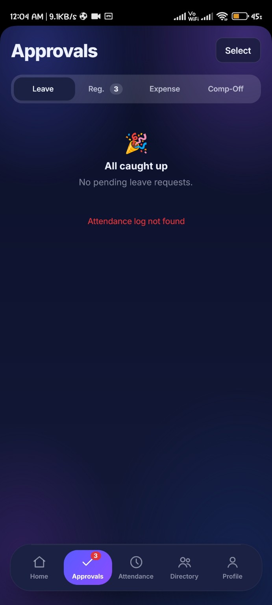

1000404557.jpg | 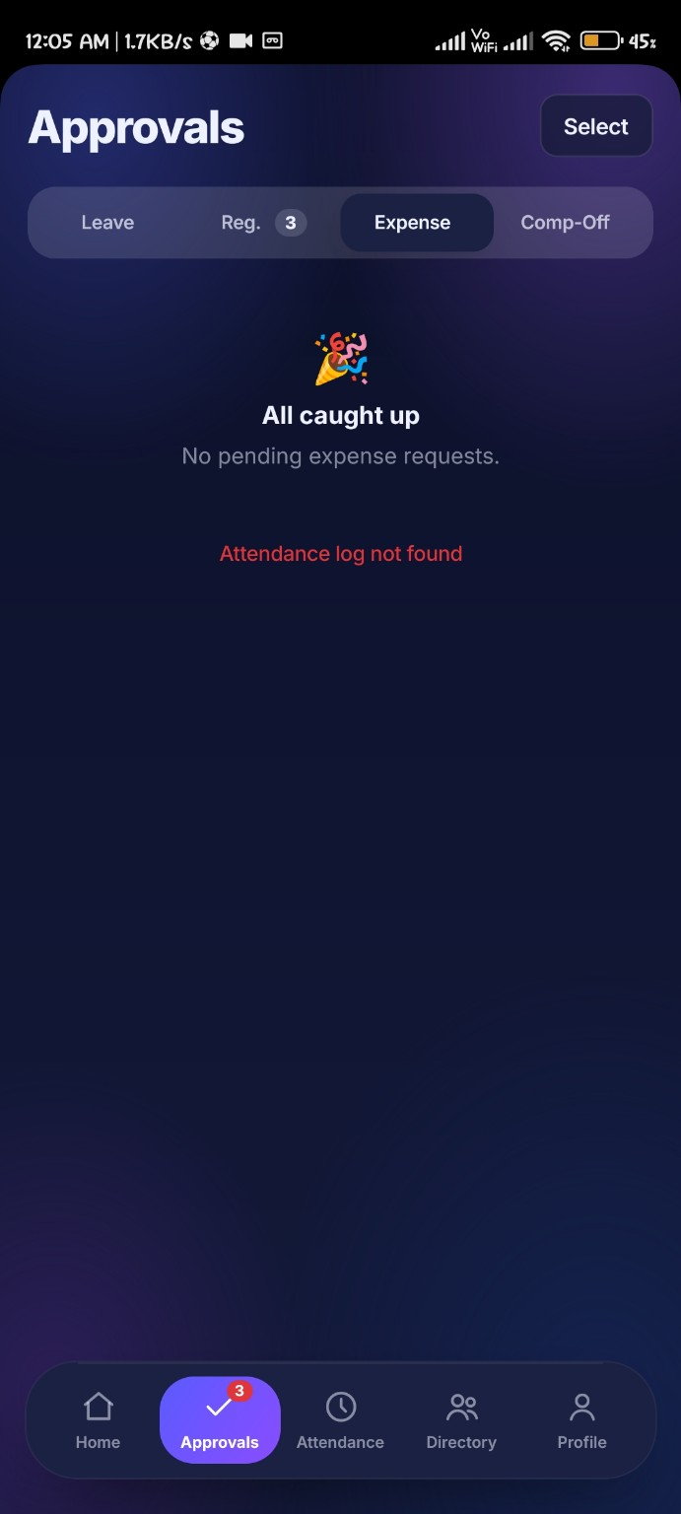

BUG-005
BUG-005 – Continue button requires two taps after entering email/mobile

Module | Login / Authentication
Severity | Minor
Priority | Medium
Status | New
Defect Type | Functional / UI Interaction

Precondition | Kredily login screen is displayed.
Steps to Reproduce | 1. Launch the Kredily mobile application. 2. Enter a valid email/mobile number. 3. Tap Continue once. 4. Observe the application. 5. Tap Continue again.
Expected Result | After entering a valid email/mobile number, tapping Continue once should immediately proceed to the next authentication step/password screen.
Actual Result | The first tap on Continue did not proceed to the next screen; a second tap was required before the application continued.
Impact | This creates unnecessary interaction and may make users believe the Continue button is not responding.
Evidence | Original execution evidence from the submitted testing session. Video is supplied in the evidence folder and linked below because XLSX does not natively embed MP4 playback.
Video evidence | 1000404471.mp4
 | 