Inputs_Global
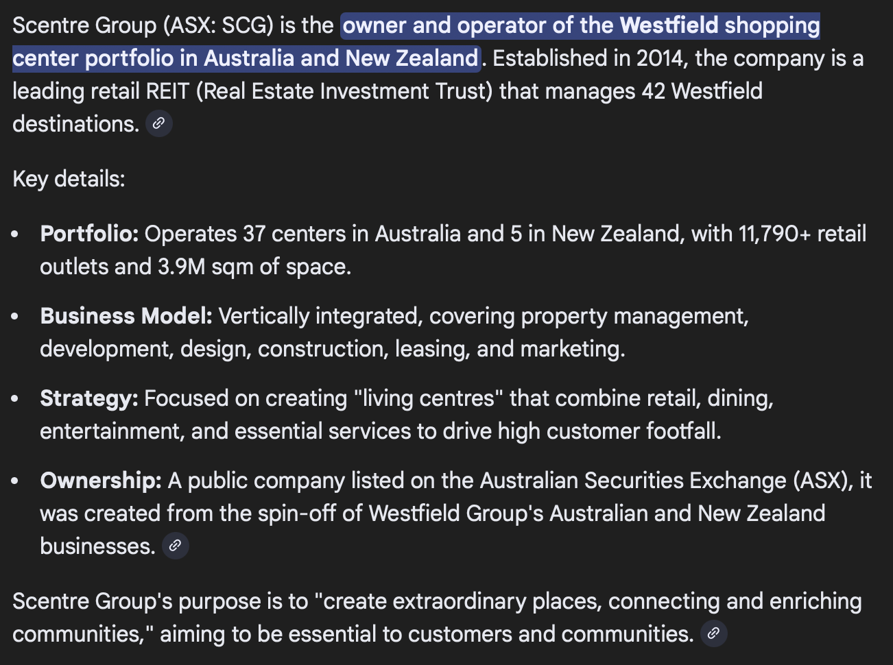
Global assumptions (edit BLUE cells) |  |  | Yellow cells means that infromation still need to be proved by reliable sources OR checked by the whole group

Assumption | Value | Units | Rationale (why we use it) | Source_URL(s)
Default store size | 60 | sqm | Starting point based on typical specialty jewellery unit size in malls; overwrite per location if known. UNCONFIRMED: validate with market benchmarks/quotes. | General assumption form Martin's Data
Sales per sqm (base) | $27,500 | AUD / sqm / year | Base sales density for Year‑1 before Sales_Index. Pulled from Scentre Group 2024 Property Compendium: Westfield Sydney specialty sales (MAT) for specialty stores <400sqm is ~A$27.5k per sqm (2024). Use as defensible starting point until CTS store benchmarks are available. | https://assets.ctfassets.net/0vreywxqlgab/2jCDgyNRHOqTByrcni3uKv/47f440c291228ef086d42355f46d237f/2024_Property_Compendium.xlsx UNCONFIRMED – replace with CTS benchmark if available
Sales_Index (default) | 1.00 | x | Location multiplier applied to base sales per sqm. Each location has its own Sales_Index input. UNCONFIRMED: validate with market benchmarks/quotes. | Default value
Gross margin | 60.0% | % of sales | Gross margin % of sales (blended). Jewellery retailers in Australia/NZ report ~60% gross margin (e.g., Michael Hill reported ~60.4% in FY2024). Use as starting point until CTS product mix and target margin are provided. | https://announcements.asx.com.au/asxpdf/20240829/pdf/0668rfd20kzj4j.pdf UNCONFIRMED – refine with CTS mix/target margin
Merchant fee rate | 0.9% | % of sales | Card payment fees as % of sales (blended). | https://www.rba.gov.au/statistics/frequency/retail-payments/2025/retail-payments-0225.html
Marketing – fixed | $20,000 | AUD / first initial year | Fixed local activation / PR / community events budget for a new store (baseline). Kept separate from %‑of‑sales variable spend because a new market entry often has minimum run‑rate activity even at low sales. Treat as placeholder until CTS launch plan/agency quotes are available. | https://www.etropo.com/blog/marketing-budgeting/average-marketing-budget-by-industry UNCONFIRMED – needs CTS launch plan/quotes
Marketing – variable | 5.0% | % of sales | Variable marketing spend as % of sales (ongoing campaigns, promo, influencer/affiliate, performance). Benchmark ranges for retail marketing budgets are commonly cited around ~5–9% of revenue; we set 4% as a conservative lower-bound and keep a separate fixed local-activation budget. Adjust once CTS go‑to‑market plan is confirmed. | https://www.etropo.com/blog/marketing-budgeting/average-marketing-budget-by-industry https://www.gartner.com/en/articles/gartner-cmo-spend-survey-2024
Logistics & import (excl. GST) | $40,000 | AUD / year | Placeholder for international freight + customs brokerage + import processing charges + local handling/warehousing for imported inventory. Order‑of‑magnitude check: freight+brokerage often lands in low single‑digit % of import value; for a store with high inventory throughput this can translate to ~A$10–50k/yr. Replace with logistics quotes and actual duty/IPC. | UNCONFIRMED – needs freight/broker quotes
Admin & compliance | $20,000 | AUD / year | Bundle for accounting/bookkeeping, company compliance (ASIC), software (accounting/POS), bank fees, basic legal/admin. Use as placeholder until CTS ops stack and outsourcing decisions are known (in‑house vs outsourced bookkeeping). | UNCONFIRMED – refine with CTS toolstack & accountant quote
Utilities | $150 | AUD / sqm / year | Electricity + utilities proxy for a small retail unit. Many mall leases also recover some utilities via outgoings, so treat as placeholder until lease terms are confirmed. Scaled to ~A$9k/yr for 60sqm (150/sqm/yr). | UNCONFIRMED – validate with lease + retailer bills
Insurance | $6,000 | AUD / year | Business insurance proxy (public liability + property/contents; jewellery stock cover may materially increase premium). Use as placeholder until broker quote using CTS inventory value and security measures is obtained. | UNCONFIRMED – needs broker quote incl. stock cover
Fitout capex | $2,500 | AUD / sqm | Fitout benchmark for retail boutiques (range-based); replace with Sydney contractor quotes. Used for initial investment and depreciation. | https://www.totalfitouts.com.au/blog/2025-pricing-per-square-meter-m%C2%B2-for-fitouts-in-australia/
Fitout life | 5 | years | Depreciation life assumption for leasehold fitout for modelling (not tax). Often aligned to typical specialty retail lease terms (e.g., ~5 years) for conservative payback analysis; confirm with CTS accounting policy and lease term. | UNCONFIRMED – confirm lease term/accounting policy
Store manager salary | $80,000 | AUD / year | Salary benchmark aligned to Sydney retail store manager ranges; replace with CTS pay structure and roster model. | https://www.seek.com.au/career-advice/role/store-manager/salary/in-sydney
Sales staff salary | $75,000 | AUD / year | Sales staff FTE annual cost proxy; validate with roster (award base + penalties) and CTS commission structure. | https://www.seek.com.au/career-advice/role/sales-representative/salary/in-sydney
Sales staff FTE | 3 | FTE | Baseline staffing level; adjust for trading hours and service model. UNCONFIRMED: validate with market benchmarks/quotes. | UNCONFIRMED – needs source/quote
Superannuation rate | 12.0% | % of wages | Statutory SG rate (Australia). | https://www.ato.gov.au/tax-rates-and-codes/key-superannuation-rates-and-thresholds/super-guarantee
Company tax rate | 25.0% | % of profit | Base rate entity tax rate (Australia). | https://www.ato.gov.au/tax-rates-and-codes/company-tax-rate
Sales Index weight – income | 0.5 | share | UNCONFIRMED: placeholder until quotes/CTS inputs are available. Weight of income-driven demand proxy in Sales_Index (Income_Index). | UNCONFIRMED – choose/validate
Sales Index weight – footfall | 0.5 | share | UNCONFIRMED: placeholder until quotes/CTS inputs are available. Weight of footfall-driven demand proxy in Sales_Index (Footfall_Index). Weights should sum to 1. | UNCONFIRMED – choose/validate
Baseline HH income – Greater Sydney (median weekly) | 2077 | AUD / HH / week | Baseline used to convert area median HH income into Income_Index (area / baseline). | https://abs.gov.au/census/find-census-data/quickstats/2021/1GSYD
Baseline footfall – Westfield Sydney annual visits | 33.459555 | million visits / year | Baseline annual customer visits for Westfield Sydney (Scentre Group 2024 Property Compendium) used to normalise Footfall_Index. For non‑Westfield street sites, we currently proxy footfall using the nearest comparable Westfield anchor until a single consistent street-footfall dataset is sourced. | https://assets.ctfassets.net/0vreywxqlgab/2jCDgyNRHOqTByrcni3uKv/47f440c291228ef086d42355f46d237f/2024_Property_Compendium.xlsx
Street footfall factor vs Westfield anchor | 1 | x | Kept as 1.0 for now. Instead of mixing multiple footfall sources, street locations are proxied using the nearest comparable Westfield's annual visits (same compendium) so Footfall_Index stays consistent across all candidate locations. Replace with a single audited street-footfall dataset when available. | DEFAULT ASSUMPTION
Lease deposit (months of rent) | 3 | months | UNCONFIRMED: deposit/bond proxy in months of rent. Retail leases commonly negotiate a security amount in months of rent; replace with actual lease terms. | https://noonan.com.au/security-deposits-for-commercial-leases/
Initial inventory (months of COGS) | 3 | months | Opening inventory coverage at cost. Jewellery retail typically carries relatively slow-moving inventory (low inventory turns), so opening inventory often needs multiple months of COGS. We set 3 months as a conservative midpoint until CTS assortment/turn targets are provided. | UNCONFIRMED – needs CTS inventory plan/turn targets
Pre-opening costs (one-off) | 20000 | AUD | One-off pre-opening costs excluding fitout capex: permits, recruitment/training, opening event, initial consumables, systems setup. Keep as placeholder until CTS rollout plan and supplier quotes are known. | UNCONFIRMED – needs CTS rollout plan/quotes
Discount rate (inflation, annual) | 3.80% | % | Discount rate set equal to latest AU CPI (annual). Update to latest CPI as needed. | https://www.abs.gov.au/media-centre/media-releases/cpi-rose-38-year-december-2025
Sales growth (annual) | 5.00% | % | UNCONFIRMED: placeholder until quotes/CTS inputs are available. Conservative nominal sales growth assumption for NPV horizon (5y). | UNCONFIRMED – scenario assumption
Cost escalation (annual, CPI) | 3.80% | % | Assume rent and fixed OPEX escalate with CPI (nominal). | https://www.abs.gov.au/media-centre/media-releases/cpi-rose-38-year-december-2025

LocationOutputs
Location comparison (computed from same drivers as P&L)

Location_ID | Area | Type | Store_Size_sqm | Rent_Total_pa | Sales_Index | Revenue_pa | Gross_Profit_pa | Total_OPEX_pa | EBIT_pa | Net_Income_pa | Initial_Investment_AUD
WF_SYD_PRIME | Sydney | Westfield | 60 | $485,000 | 1.04 | $1,709,581 | $1,025,749 | ($1,052,465) | ($26,717) | ($26,717) | $462,208
WF_SYD_SECOND | Sydney | Westfield | 60 | $350,000 | 1.04 | $1,709,581 | $1,025,749 | ($917,465) | $108,283 | $81,213 | $428,458
WF_BONDI | Bondi Junction | Westfield | 60 | $287,500 | 0.87 | $1,443,016 | $865,810 | ($839,238) | $26,572 | $19,929 | $386,177
WF_PARRA | Parramatta | Westfield | 60 | $250,000 | 0.97 | $1,606,847 | $964,108 | ($811,404) | $152,704 | $114,528 | $393,185
WF_CHATSWOOD | Chatswood | Westfield | 60 | $260,000 | 0.76 | $1,255,911 | $753,547 | ($800,699) | ($47,152) | ($47,152) | $360,591
WF_MIRANDA | Miranda | Westfield | 60 | $210,000 | 0.69 | $1,132,072 | $679,243 | ($743,392) | ($64,149) | ($64,149) | $335,707
WF_WARRINGAH | Warringah Mall | Westfield | 60 | $250,000 | 0.67 | $1,111,771 | $667,063 | ($782,194) | ($115,132) | ($115,132) | $343,677
ST_CBD_CASTL | Sydney CBD | Street High-End | 60 | $450,000 | 1.01 | $1,662,313 | $997,388 | ($1,014,676) | ($17,288) | ($17,288) | $448,731
ST_CBD_PITT | Sydney CBD | Street Prime Strip | 60 | $780,000 | 1.01 | $1,662,313 | $997,388 | ($1,344,676) | ($347,288) | ($347,288) | $531,231
ST_CHIN_HAY | Chinatown | Street Ethnic Cluster | 60 | $180,000 | 0.96 | $1,592,008 | $955,205 | ($740,528) | $214,676 | $161,007 | $374,201
ST_CHAT_VIC | Chatswood | Street High Street | 60 | $270,000 | 0.76 | $1,255,911 | $753,547 | ($810,699) | ($57,152) | ($57,152) | $363,091

Net Income Data can be used in a heatmap visualization map

