Лист1
Poster | Info | Department
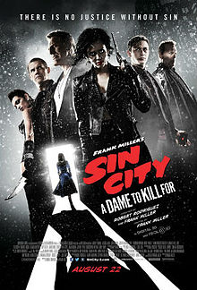 | Sin City: A Dame to Kill For (2014) Director: Robert Rodriguez, Frank Miller DOP: Robert Rodriguez Company: A COMPANY CineLab: Russian dubbing, DCP mastering, Satellite & HDD delivery | SoundMix, Digital, Data Delivery
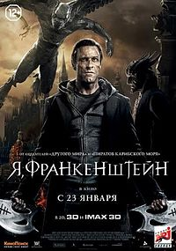 | I Frankenstein (2014) Director: Stuart Beattie DOP: Ross Emery Company: A COMPANY CineLab: Russian dubbing, Satellite & HDD delivery | SoundMix, Data Delivery
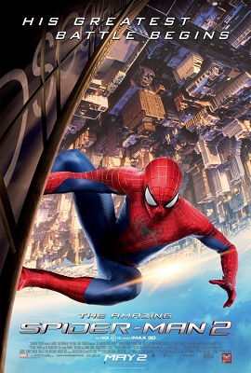 | The Amazing Spider-Man 2 (2014) Director: Marc Webb DOP: Dan Mindel Company: Walt Disney/Sony CineLab: Russian dubbing, Satellite & HDD delivery | SoundMix, Data Delivery
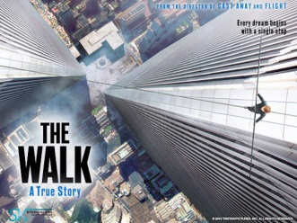 | The Walk (2015) Director: Robert Zemeckis DOP: Dariusz Wolski Company: Nashe Kino CineLab: Russian dubbing, Satellite & HDD delivery | SoundMix, Data Delivery
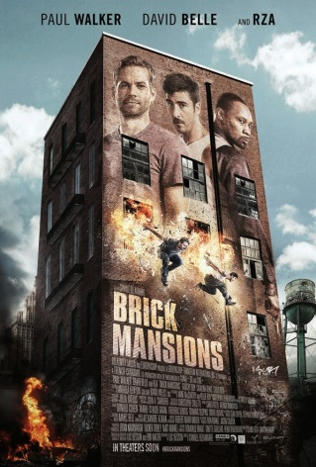 | Brick Mansions (2014) Director: Luc Besson DOP: Christophe Collette Company: Nashe Kino CineLab: Russian dubbing, Satellite & HDD delivery | SoundMix, Data Delivery
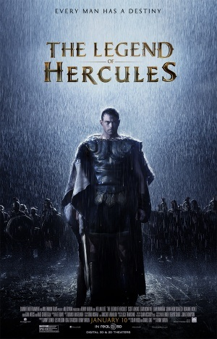 | The Legend of Hercules (2014) Director: Renny Harlin DOP: Sam McCurdy Company: Nashe Kino CineLab: Russian dubbing, DCP mastering, Satellite & HDD delivery | SoundMix, Digital, Data Delivery
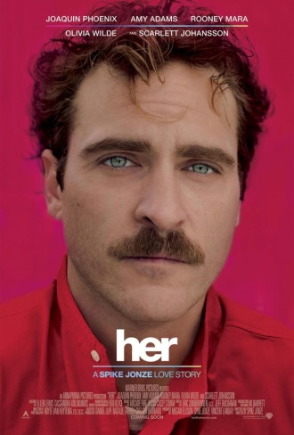 | Her (2013) Director: Spike Jonze DOP: Hoyte van Hoytema Company: Nashe Kino CineLab: Russian dubbing, DCP mastering, Satellite & HDD delivery | SoundMix, Digital, Data Delivery
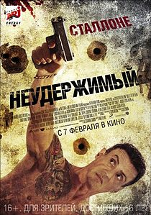 | Bullet to The Head (2012) Director: Walter Hill DOP: Lloyd Ahern II Company: Central Partnership Sales House CineLab: Russian dubbing | SoundMix
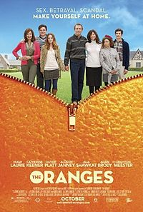 | The Oranges (2012) Director: Julian Farino DOP: Steven Fierberg Company: Central Partnership Sales House CineLab: Russian dubbing | SoundMix
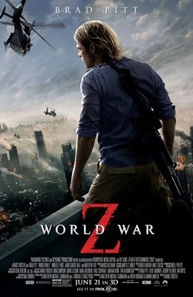 | World War Z (2013) Director: Marc Foster DOP: Ben Seresin Company: Paramount Home Ent. CineLab: Russian dubbing | SoundMix
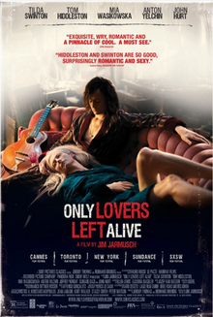 | Only Lovers Left Alive (2013) Director: Jim Jarmush DOP: Yorick Le Saux Company: Grosso Modo Film CineLab: Russian dubbing | SoundMix
 | 16 Ans Ou Presque (2013) Director: Tristan Séguéla DOP: Pierre Aïm Company: Grosso Modo Film CineLab: Russian dubbing | SoundMix
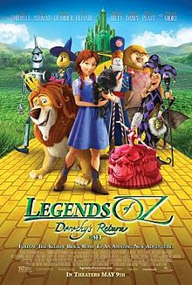 | Legends of Oz: Dorothy's Return (2013) Director: Will Finn, Dan St. Pierre Company: All Media Company CineLab: Russian dubbing, DCP mastering | SoundMix, Digital
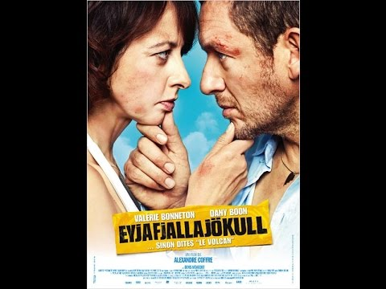 | Eyjafjallajökull (2013) Director: Alexandre Coffre DOP: Pierre Cottereau Company: Premium Film CineLab: Russian dubbing | SoundMix
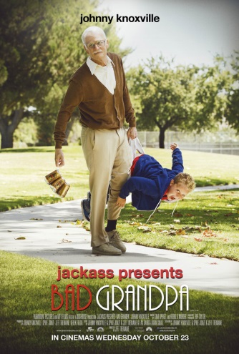 | Bad Grandpa (2013) Director: Jeff Tremaine DOP: Lance Bangs Company: Paramount Home Ent. CineLab: Russian dubbing | SoundMix
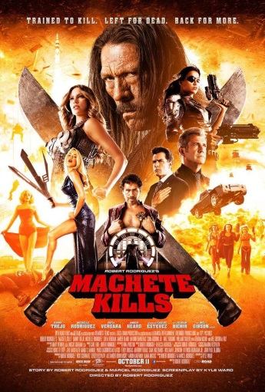 | Machete Kills (2013) Director: Robert Rodriguez DOP: Robert Rodriguez Company: A-Company Distribution CineLab: Russian dubbing, Satellite & HDD delivery | SoundMix, Data Delivery
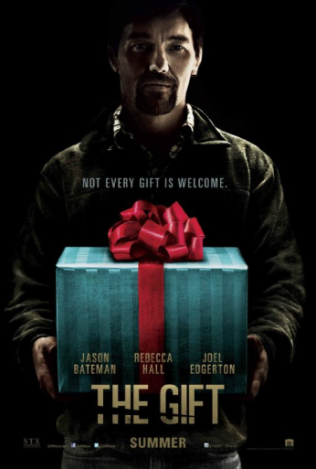 | The Gift (2015) Director: Joel Edgerton DOP: Eduard Grau Company: Paramount Home Ent. CineLab: Russian dubbing, DCP mastering, Satellite & HDD delivery | SoundMix, Digital, Data Delivery
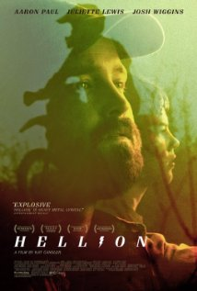 | Hellion (2014) Director: Kat Candler DOP: Brett Pawlak Company: Paramount Home Ent. CineLab: Russian dubbing | SoundMix
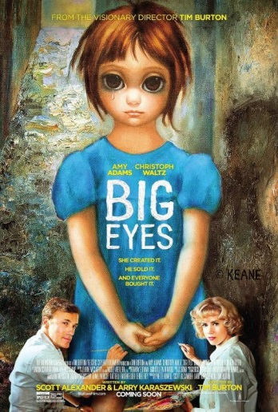 | Big Eyes (2014) Director: Tim Burton DOP: Bruno Delbonnel Company: All Media Company CineLab: Russian dubbing | SoundMix
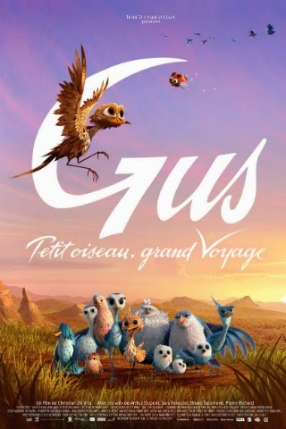 | Gus - Petit Oiseau Grand Voyage (2014) Director: Christian De Vita Company: Bolshoe Kino CineLab: Russian dubbing | SoundMix
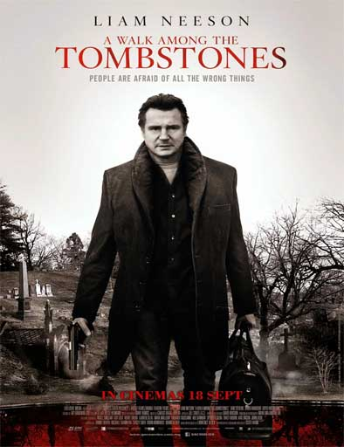 | A Walk Among the Tombstones (2014) Director: Scott Frank DOP: Mihai Mălaimare Jr. Company: A-Company Distribution CineLab: Russian dubbing | SoundMix
 | The Den (2014) Director: Zachary Donohue DOP: Bernard Hunt Company: Central Partnership Sales House CineLab: Russian dubbing | SoundMix
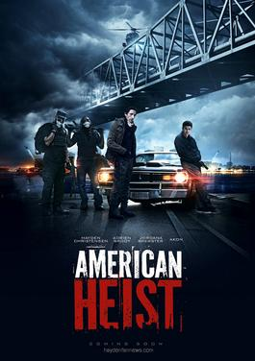 | American Heist (2014) Director: Sarik Andreasyan DOP: Antonio Calvache Company: Enjoy Movies CineLab: Russian dubbing | SoundMix

