Лист1
Poster | Info | Department
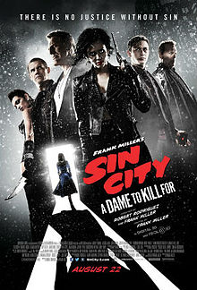 | Sin City: A Dame to Kill For (2014) Director: Robert Rodriguez, Frank Miller DOP: Robert Rodriguez Company: A COMPANY CineLab: Russian dubbing, DCP mastering, Satellite & HDD delivery | SoundMix, Digital, Data Delivery
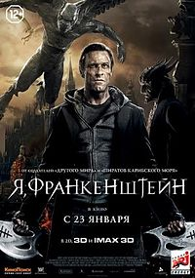 | I Frankenstein (2014) Director: Stuart Beattie DOP: Ross Emery Company: A COMPANY CineLab: Russian dubbing, Satellite & HDD delivery | SoundMix, Data Delivery
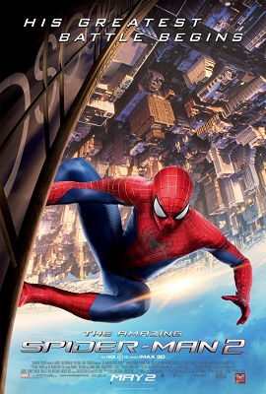 | The Amazing Spider-Man 2 (2014) Director: Marc Webb DOP: Dan Mindel Company: Walt Disney/Sony CineLab: Russian dubbing, Satellite & HDD delivery | SoundMix, Data Delivery
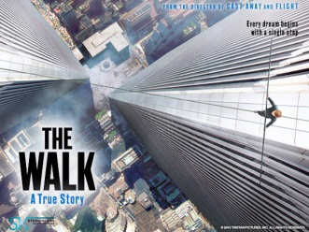 | The Walk (2015) Director: Robert Zemeckis DOP: Dariusz Wolski Company: Nashe Kino CineLab: Russian dubbing, Satellite & HDD delivery | SoundMix, Data Delivery
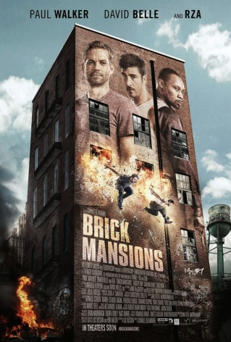 | Brick Mansions (2014) Director: Luc Besson DOP: Christophe Collette Company: Nashe Kino CineLab: Russian dubbing, Satellite & HDD delivery | SoundMix, Data Delivery
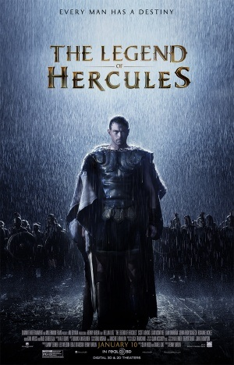 | The Legend of Hercules (2014) Director: Renny Harlin DOP: Sam McCurdy Company: Nashe Kino CineLab: Russian dubbing, DCP mastering, Satellite & HDD delivery | SoundMix, Digital, Data Delivery
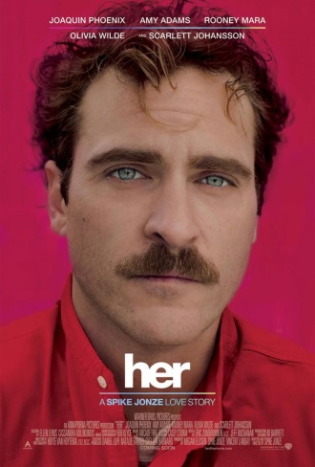 | Her (2013) Director: Spike Jonze DOP: Hoyte van Hoytema Company: Nashe Kino CineLab: Russian dubbing, DCP mastering, Satellite & HDD delivery | SoundMix, Digital, Data Delivery
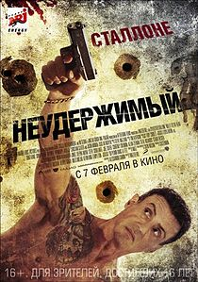 | Bullet to The Head (2012) Director: Walter Hill DOP: Lloyd Ahern II Company: Central Partnership Sales House CineLab: Russian dubbing | SoundMix
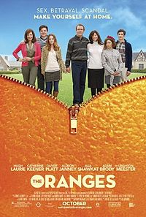 | The Oranges (2012) Director: Julian Farino DOP: Steven Fierberg Company: Central Partnership Sales House CineLab: Russian dubbing | SoundMix
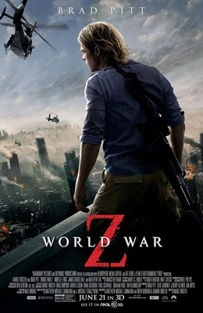 | World War Z (2013) Director: Marc Foster DOP: Ben Seresin Company: Paramount Home Ent. CineLab: Russian dubbing | SoundMix
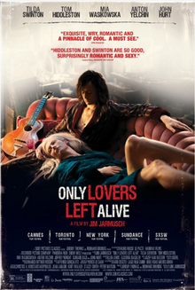 | Only Lovers Left Alive (2013) Director: Jim Jarmush DOP: Yorick Le Saux Company: Grosso Modo Film CineLab: Russian dubbing | SoundMix
 | 16 Ans Ou Presque (2013) Director: Tristan Séguéla DOP: Pierre Aïm Company: Grosso Modo Film CineLab: Russian dubbing | SoundMix
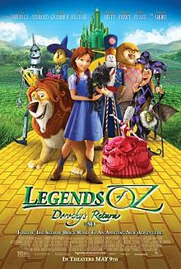 | Legends of Oz: Dorothy's Return (2013) Director: Will Finn, Dan St. Pierre Company: All Media Company CineLab: Russian dubbing, DCP mastering | SoundMix, Digital
 | Eyjafjallajökull (2013) Director: Alexandre Coffre DOP: Pierre Cottereau Company: Premium Film CineLab: Russian dubbing | SoundMix
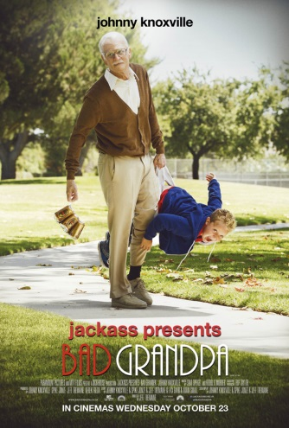 | Bad Grandpa (2013) Director: Jeff Tremaine DOP: Lance Bangs Company: Paramount Home Ent. CineLab: Russian dubbing | SoundMix
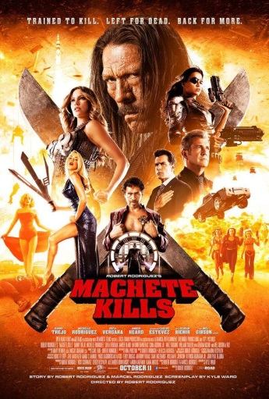 | Machete Kills (2013) Director: Robert Rodriguez DOP: Robert Rodriguez Company: A-Company Distribution CineLab: Russian dubbing, Satellite & HDD delivery | SoundMix, Data Delivery
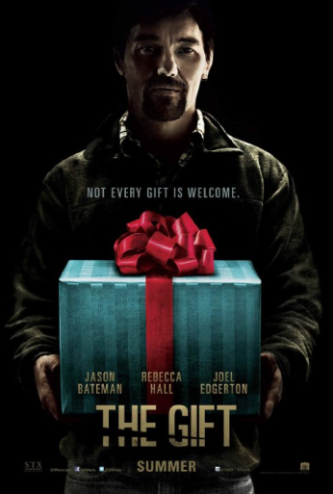 | The Gift (2015) Director: Joel Edgerton DOP: Eduard Grau Company: Paramount Home Ent. CineLab: Russian dubbing, DCP mastering, Satellite & HDD delivery | SoundMix, Digital, Data Delivery
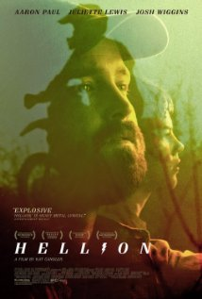 | Hellion (2014) Director: Kat Candler DOP: Brett Pawlak Company: Paramount Home Ent. CineLab: Russian dubbing | SoundMix
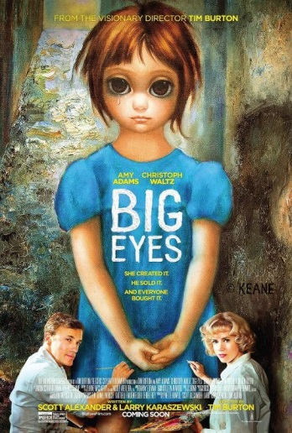 | Big Eyes (2014) Director: Tim Burton DOP: Bruno Delbonnel Company: All Media Company CineLab: Russian dubbing | SoundMix
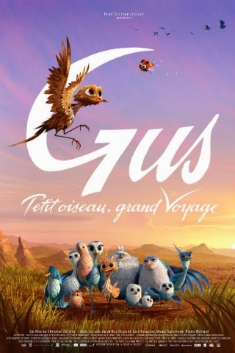 | Gus - Petit Oiseau Grand Voyage (2014) Director: Christian De Vita Company: Bolshoe Kino CineLab: Russian dubbing | SoundMix
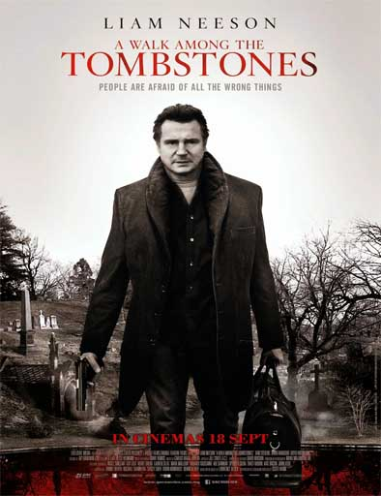 | A Walk Among the Tombstones (2014) Director: Scott Frank DOP: Mihai Mălaimare Jr. Company: A-Company Distribution CineLab: Russian dubbing | SoundMix
 | The Den (2014) Director: Zachary Donohue DOP: Bernard Hunt Company: Central Partnership Sales House CineLab: Russian dubbing | SoundMix
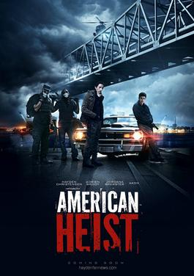 | American Heist (2014) Director: Sarik Andreasyan DOP: Antonio Calvache Company: Enjoy Movies CineLab: Russian dubbing | SoundMix
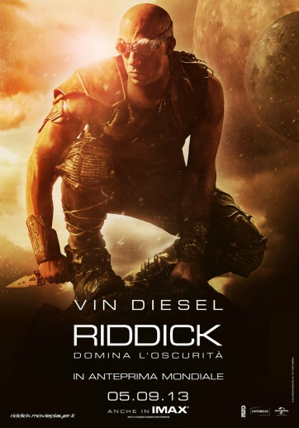 | Riddick (2013) Director: David Twohy DOP: David Eggby Company: Central Partnership Sales House CineLab: Russian dubbing | SoundMix
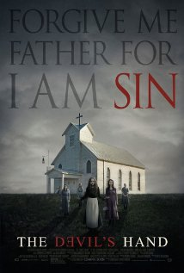 | Where the Devil Hides (2014) Director: Christian E. Christiansen DOP: Frank Godwin Company: A-Company Distribution CineLab: Russian dubbing | SoundMix
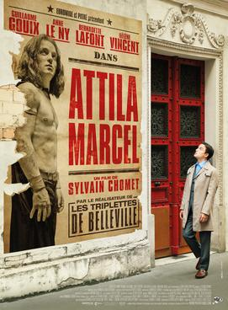 | Atilla Marcel (2013) Director: Sylvain Chomet DOP: Antoine Roch Company: Cascade Film CineLab: Russian dubbing | SoundMix
 | Attack on Titan (2015) Director: Shinji Higuchi DOP: Shoji Ehara Company: All Media Company CineLab: Russian dubbing | SoundMix
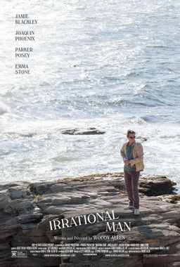 | Irrational Man (2015) Director: Woody Allen DOP: Darius Khondji Company: Central Partnership Sales House CineLab: Russian dubbing | SoundMix
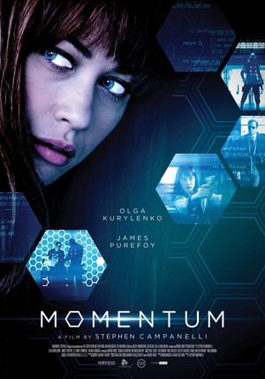 | Momentum (2015) Director: Stephen S. Campanelli DOP: Glen MacPherson Company: Central Partnership Sales House CineLab: Russian dubbing | SoundMix
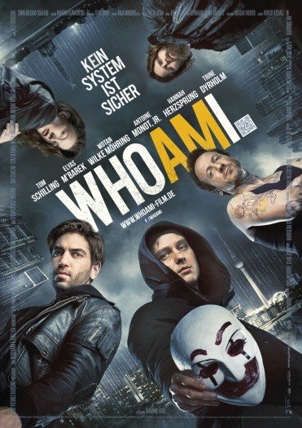 | Who Am I - Kein System ist sicher (2015) Director: Baran bo Odar DOP: Nikolaus Summerer Company: 25th Floor Film Company CineLab: Russian dubbing | SoundMix
 | Pixels (2015) Director: Chris Columbus DOP: Amir Mokri Company: Walt Disney/Sony CineLab: Russian dubbing
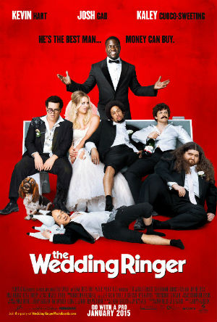 | The Wedding Ringer (2015) Director: Jeremy Garelick DOP: Bradford Lipson Company: Walt Disney/Sony CineLab: Russian dubbing
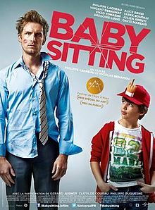 | Babysitting (2015) Directors: Nicolas Benamou, Philippe Lacheau DOP: Antoine Marteau Company: All Media Company CineLab: Russian dubbing
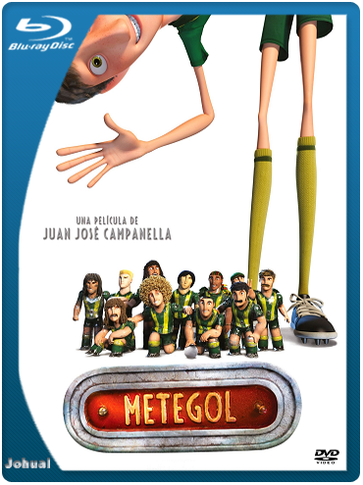 | Metegol (2013) Directors: Juan José Campanella, Victoria Goyeneche DOP: Félix Monti Company: Bolshoe kino CineLab: Russian dubbing
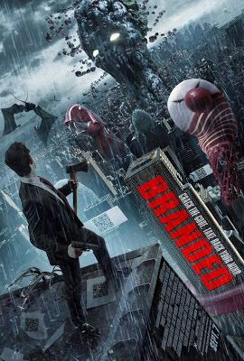 | Branded (2012) Directors: Jamie Bradshaw, Aleksandr Dulerayn DOP: Roger Stoffers Company: TNT CineLab: Russian dubbing, Sound mixing
 | Soulless 2 (2015) Director: Roman Prygunov DOP: Pavel Kapinos Company: UPI CineLab: Camera & Lighting equipment, Sound mixing, Satellite & HDD delivery
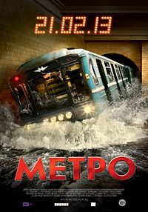 | Metro (2013) Director: Anton Megerdichev DOP: Sergey Astakhov, Sergey Shutls Company: PROFIT CineLab: Color Grading, Sound mixing, Printing, DCP mastering
 | The Snow Queen (2012) Directors: Vladlen Barbe, Maxim Sveshnikov DOP: Sergey Astakhov, Sergey Shutls Company: Bazelevs CineLab: Sound mixing
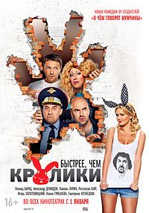 | Bystree Chem Kroliki (2013) Director: Dmitriy Dyachenko DOP: Sergey Dyshuk Company: Strela CineLab: Camera & Lighting equipment, VFX, Sound mixing
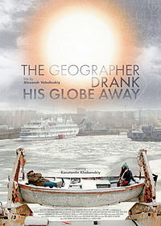 | The Geographer Drank His Globe Away (2013) Director: Alexander Veledinsky DOP: Vladimir Bashta Company: Strela CineLab: Camera & Lighting equipment, Color Grading, Sound mixing, Printing, DCP mastering
 | Mamy 3 (2013) Directors: Georgiy Malkov, Emil Nikogosyan DOP: Janis Eglitis Company: Enjoy Movies CineLab: Sound mixing
kinopoisk.ru-Chistoe-iskusstvo-2764112.jpg | Chistoe Iskusstvo (2016) Director: Renat Davletyarov DOP: Semyon Yakovlev Company: Real-Dakota CineLab: Sound mixing, DCP mastering
 | Podarok s Kharakterom (2016) Director: Karen Oganesyan DOP: Antoine Vivas-Denisov Company: Fresh Film CineLab: Sound mixing

