data_audit
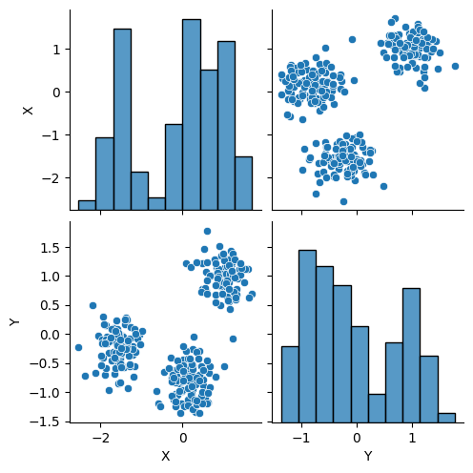
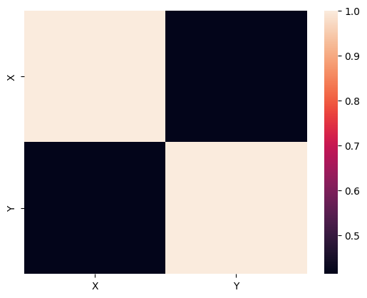
 | count | mean | std | min | 25% | 50% | 75% | max | num_unique | pct_unique | num_missing | pct_missing
X | 300 | -0.11 | 1.1 | -2.54 | -1.34 | 0.19 | 0.81 | 1.71 | 300 | 100 | 0 | 0
Y | 300 | -0.07 | 0.8 | -1.36 | -0.74 | -0.24 | 0.75 | 1.78 | 300 | 100 | 0 | 0

X
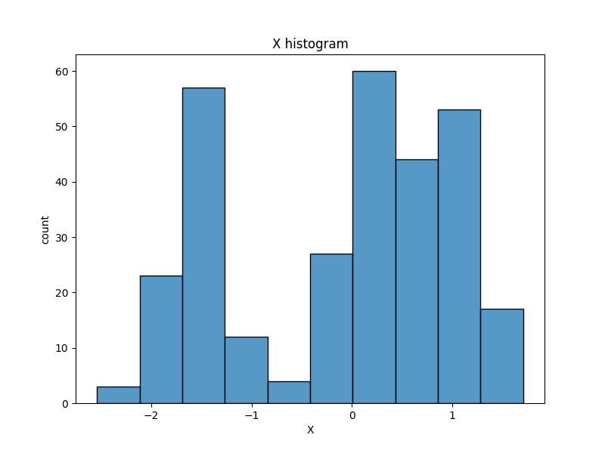
X | count
-1.6857613901 | 1
-1.9827462595 | 1
0.065446491206 | 1
-1.5290154724 | 1
1.7099337125 | 1
1.167791453 | 1
-1.8011008765 | 1
-1.6356788781 | 1
1.2199037531 | 1
-0.2617515511 | 1
-1.6192580393 | 1
-1.8432958218 | 1
-1.1665979127 | 1
0.41110407971 | 1
1.1475716821 | 1
-1.6559074832 | 1
-1.1530686547 | 1
0.60892121497 | 1
-0.084341375523 | 1
0.19170052997 | 1
0.29663161662 | 1
-1.3689362767 | 1
-0.080378071154 | 1
0.35695011364 | 1
0.024821793764 | 1
-1.4907555757 | 1
-1.4085879959 | 1
0.42291856474 | 1
0.20597008007 | 1
-1.2107307996 | 1
1.3342368385 | 1
1.1948015178 | 1
0.99174769537 | 1
-1.8356219039 | 1
0.084157207666 | 1
-1.4897017523 | 1
0.38782418081 | 1
-0.014480440773 | 1
-2.0521340999 | 1
0.10331194324 | 1
-0.44189315017 | 1
1.1039092632 | 1
-1.592277594 | 1
-1.4734415204 | 1
-1.3551470406 | 1
0.04123369958 | 1
0.4761516993 | 1
1.0433567604 | 1
-0.079618817034 | 1
0.87065059018 | 1
1.4026731335 | 1
0.801111567 | 1
-0.16527515501 | 1
-0.3377922091 | 1
0.80610748683 | 1
-1.4359003187 | 1
0.54868895331 | 1
0.46803130779 | 1
-1.5137128969 | 1
0.91384359984 | 1
-1.9723390304 | 1
0.52134060163 | 1
0.62759494316 | 1
0.94163014056 | 1
0.569947678 | 1
-1.8766338206 | 1
0.90612185947 | 1
-1.3748145362 | 1
-1.8056402944 | 1
0.34307756597 | 1
0.7038056621 | 1
-1.6848986211 | 1
1.3147322131 | 1
0.26151216238 | 1
0.91931210245 | 1
-1.2179592899 | 1
-0.1772272311 | 1
0.64824861636 | 1
0.41206786429 | 1
1.0156820172 | 1
0.67900254105 | 1
-1.0518274711 | 1
0.61306598611 | 1
-1.5021974802 | 1
-1.7271729328 | 1
-1.609956312 | 1
-1.0911102066 | 1
-0.010469781563 | 1
0.32782303252 | 1
1.220385032 | 1
-1.3332868106 | 1
0.87959516896 | 1
-1.1482909811 | 1
-0.58019754626 | 1
-0.011611594015 | 1
0.17359724108 | 1
1.327385559 | 1
-1.9346732743 | 1
-1.577618934 | 1
0.47639000252 | 1
-1.6523750865 | 1
-0.12609976247 | 1
-1.8960708245 | 1
0.5746689858 | 1
-0.16660312241 | 1
0.80133549591 | 1
1.1845542592 | 1
1.0886442772 | 1
-1.611585048 | 1
-1.5751220452 | 1
0.072135695532 | 1
-1.4005429785 | 1
1.0960771261 | 1
-2.5434620433 | 1
-1.3454487472 | 1
-1.3547862854 | 1
0.18368112926 | 1
-1.3136867743 | 1
0.099901286563 | 1
1.1722557441 | 1
0.08653969877 | 1
-0.21053922872 | 1
0.26496023905 | 1
-0.25575910339 | 1
-0.26039757383 | 1
-1.9178735938 | 1
0.93021139246 | 1
0.44770466521 | 1
-1.6380286912 | 1
-1.9571276341 | 1
0.92703370113 | 1
1.2566009332 | 1
-1.7281863179 | 1
0.34997879736 | 1
-1.51696082 | 1
0.18763604846 | 1
0.8960980863 | 1
-1.549688565 | 1
1.2157456973 | 1
0.20307745359 | 1
0.84589086291 | 1
0.53237918786 | 1
-0.053190440833 | 1
1.3881974315 | 1
1.0069630383 | 1
0.56681868796 | 1
0.86888296487 | 1
-1.1628660935 | 1
0.27717767905 | 1
0.16563267253 | 1
0.38263302982 | 1
1.1451980737 | 1
0.81455856901 | 1
-1.8603152009 | 1
0.96564099529 | 1
-1.4989745116 | 1
-0.1335489011 | 1
0.12541527428 | 1
1.0606243632 | 1
-1.4915457845 | 1
1.16189032 | 1
0.54282032912 | 1
0.89221065085 | 1
-1.4993201059 | 1
0.31666470126 | 1
0.13972468549 | 1
-1.5499723961 | 1
1.2384685818 | 1
1.2555895446 | 1
0.25558689193 | 1
0.45168933076 | 1
1.0620205709 | 1
0.67451908013 | 1
0.22759676133 | 1
-1.4583528124 | 1
0.23273500785 | 1
1.596795888 | 1
0.80476105247 | 1
1.1549252093 | 1
0.59632775613 | 1
0.028390683193 | 1
1.1345158358 | 1
0.21576204383 | 1
1.4104898664 | 1
1.1228930156 | 1
0.25200688174 | 1
-1.2856608058 | 1
1.5284981499 | 1
-0.23907858405 | 1
-0.25792784206 | 1
0.59367817987 | 1
0.079319094691 | 1
-1.2725681463 | 1
0.66930129333 | 1
0.34791545789 | 1
-2.112839925 | 1
-1.6293823963 | 1
-1.5381913877 | 1
-0.11988544731 | 1
-1.5441895568 | 1
0.30026614365 | 1
0.0093544852006 | 1
-1.3342439259 | 1
0.47504489115 | 1
0.5931326371 | 1
0.41370369458 | 1
0.55840947924 | 1
0.49855017524 | 1
0.35675808587 | 1
-1.8619782517 | 1
-1.6197767109 | 1
0.80779294715 | 1
1.6274577524 | 1
-1.5699359287 | 1
1.0255856066 | 1
0.24293460986 | 1
1.2313024183 | 1
-1.9651013043 | 1
0.4279503212 | 1
-1.5830681763 | 1
-1.571959225 | 1
-0.98145373266 | 1
-1.4863784428 | 1
0.98745828441 | 1
1.2861972093 | 1
0.85850595511 | 1
0.19028285632 | 1
0.26561046232 | 1
-1.6189789738 | 1
0.24070182638 | 1
1.1522099302 | 1
-1.2196781175 | 1
0.33412532725 | 1
0.17131003347 | 1
-1.1982839682 | 1
-0.12245931762 | 1
1.5120069753 | 1
1.1033886566 | 1
1.3097209482 | 1
0.19964875768 | 1
0.81460515204 | 1
-1.6422739048 | 1
0.012243506797 | 1
0.33709102487 | 1
0.47301054001 | 1
0.34706625954 | 1
-0.0039327864919 | 1
-1.6430311859 | 1
1.4464962531 | 1
-1.9303008694 | 1
-2.3729613541 | 1
0.4586012243 | 1
0.48963610191 | 1
-1.0233590198 | 1
-1.3276110716 | 1
-1.5098790855 | 1
0.027230566962 | 1
1.0169411978 | 1
0.4773352695 | 1
-1.2778422375 | 1
0.49898801641 | 1
1.0600473141 | 1
1.0020750128 | 1
1.3116139354 | 1
1.1342844272 | 1
1.2767134615 | 1
-0.63342885251 | 1
0.12698778857 | 1
1.3599960195 | 1
0.90629994939 | 1
-1.5647832152 | 1
-0.025784901041 | 1
0.83027323617 | 1
1.224504318 | 1
-0.15394595513 | 1
0.86358809492 | 1
-1.4338636588 | 1
0.038447686205 | 1
-1.5856792246 | 1
0.63598879514 | 1
0.24417242307 | 1
-2.1968035853 | 1
1.0323502988 | 1
-0.28858066537 | 1
-1.3451081215 | 1
-0.53162277543 | 1
0.21959933809 | 1
-1.7899747918 | 1
1.2319747258 | 1
1.4163536024 | 1
-1.9028097614 | 1
-0.22440080962 | 1
0.59559412493 | 1
1.2193077312 | 1
-1.994275355 | 1
-1.2781847418 | 1
0.62352689083 | 1
0.14024251289 | 1
-0.16145712613 | 1
-1.747958655 | 1

Y
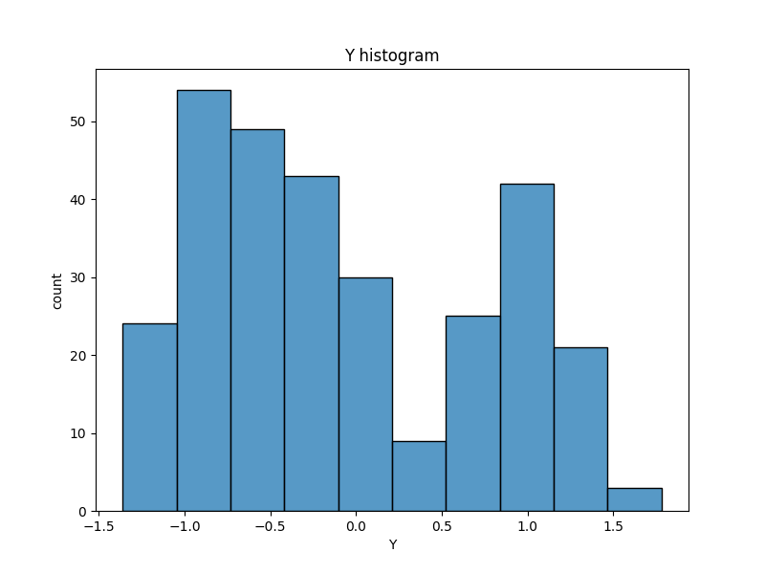
Y | count
0.10686727572 | 1
-0.54584474699 | 1
-0.76866375837 | 1
-0.42953078928 | 1
0.69885252721 | 1
1.0126263823 | 1
-0.31861295617 | 1
-0.028595347705 | 1
0.74643463062 | 1
-0.62492939244 | 1
-0.47983948958 | 1
-0.16694431085 | 1
0.090239301938 | 1
-0.80842489858 | 1
0.77804528238 | 1
-0.40105445887 | 1
0.0085869931682 | 1
0.68974833353 | 1
-0.97615256371 | 1
-0.42331437815 | 1
-1.1335739943 | 1
-0.2505212448 | 1
-0.56784154533 | 1
-1.1506440849 | 1
-0.63594828496 | 1
-0.24825069851 | 1
0.25635430542 | 1
-0.7349534006 | 1
-0.80171535774 | 1
-0.34924108944 | 1
0.77214890082 | 1
1.0478855584 | 1
0.89202007676 | 1
-0.048397324796 | 1
-0.71564325754 | 1
-0.19299604094 | 1
-0.82060119018 | 1
-0.97798409872 | 1
-0.021291254013 | 1
-0.82162780592 | 1
-0.65710973605 | 1
1.0248118191 | 1
-0.17374037963 | 1
-0.022028530497 | 1
0.22971067128 | 1
-1.2377662208 | 1
-1.1367212366 | 1
0.82345904709 | 1
-0.85677393536 | 1
1.080528414 | 1
1.0752511922 | 1
1.2834282547 | 1
-1.2358380386 | 1
-0.59194323422 | 1
-0.7375215868 | 1
-0.56384445768 | 1
-0.95143829371 | 1
-0.74973907452 | 1
-0.83914322842 | 1
1.5112653173 | 1
-0.41155374963 | 1
-0.88654893655 | 1
-1.1859047712 | 1
1.3539933546 | 1
1.0703660554 | 1
0.14745773409 | 1
0.91084010528 | 1
0.28428394729 | 1
-0.96710574194 | 1
-0.79999274879 | 1
1.0002580418 | 1
-0.30564594966 | 1
0.98614978065 | 1
-0.26069250928 | 1
0.82371484553 | 1
-0.20219674347 | 1
-1.0266524532 | 1
-0.668228806 | 1
-0.2878378442 | 1
1.1348166724 | 1
-0.91489501998 | 1
-0.010623762325 | 1
1.7821038377 | 1
-0.52308921709 | 1
-0.46173915746 | 1
-0.18210070321 | 1
-0.078139802186 | 1
-0.80913034129 | 1
-0.80734754372 | 1
1.1959793021 | 1
-0.30001937437 | 1
1.1156649126 | 1
-0.3040076201 | 1
-1.1999601847 | 1
-0.7846885354 | 1
-0.63398145358 | 1
0.67759968756 | 1
0.30572472057 | 1
-0.27726364966 | 1
1.2142264756 | 1
-0.68039810038 | 1
-1.0432745741 | 1
-0.70085501975 | 1
0.74878369331 | 1
-0.83110294695 | 1
1.2224443484 | 1
1.4346467002 | 1
0.64667111585 | 1
0.22805724873 | 1
-0.096125760051 | 1
-0.69640327647 | 1
0.1639059751 | 1
1.1680469115 | 1
-0.23089821716 | 1
0.251511257 | 1
-0.19103316686 | 1
-1.15827725 | 1
-0.37635699845 | 1
1.2250049094 | 1
1.3083514264 | 1
-0.79714371374 | 1
-1.1342151077 | 1
-0.94760742455 | 1
-1.0626602197 | 1
-0.7477422468 | 1
0.16434571406 | 1
0.49436330693 | 1
-0.72877917599 | 1
-0.58925527575 | 1
-0.10125137402 | 1
0.88251422673 | 1
0.60828073046 | 1
0.084168866077 | 1
-0.30490298295 | 1
-0.50913108925 | 1
-0.55424924053 | 1
0.83551508123 | 1
-0.17114782134 | 1
1.2331772847 | 1
-1.0378490611 | 1
1.0361527284 | 1
1.4736288388 | 1
-1.3615055291 | 1
1.1172991539 | 1
1.0367721044 | 1
-1.0963717576 | 1
1.0524887417 | 1
-0.55875245419 | 1
-0.83844014987 | 1
-0.80306607374 | 1
-0.42683241419 | 1
0.89659026238 | 1
0.67533667022 | 1
-0.095375609709 | 1
0.90295579011 | 1
-0.33254043601 | 1
-0.80727582211 | 1
-1.1335490644 | 1
1.2881635793 | 1
-0.20246410212 | 1
1.2881987699 | 1
0.75203523966 | 1
0.9921162366 | 1
-0.32430666958 | 1
-1.3448291507 | 1
-1.2209744765 | 1
-0.10782584201 | 1
1.3766880414 | 1
0.72026098335 | 1
-1.2852976317 | 1
-0.5595209318 | 1
1.0340460422 | 1
-0.54970298576 | 1
-1.027294685 | 1
-0.049510739234 | 1
-0.70849262038 | 1
1.1139507626 | 1
0.54462699822 | 1
1.0435219069 | 1
-1.1914289691 | 1
-0.43829365945 | 1
0.56326329797 | 1
-1.0444575295 | 1
1.0283071933 | 1
0.58029441345 | 1
-0.8258843606 | 1
-0.073909090078 | 1
1.1182246873 | 1
-0.70541972495 | 1
-0.81825034541 | 1
-0.45239915014 | 1
-0.2923321302 | 1
0.11630576987 | 1
1.0073148109 | 1
-1.2082287671 | 1
-0.66897934685 | 1
-0.32718221914 | 1
-0.01501971796 | 1
-0.60363389507 | 1
-0.30389843747 | 1
-0.77723173035 | 1
-0.53888191554 | 1
-0.11560430921 | 1
0.78421383801 | 1
1.2322389982 | 1
-1.3520585678 | 1
0.7883105304 | 1
-0.78994900378 | 1
-0.81038693199 | 1
-0.59071304777 | 1
-0.16076687381 | 1
-0.73311294063 | 1
0.62787163466 | 1
-0.084675668859 | 1
0.89383301995 | 1
-0.60882530498 | 1
1.0026218625 | 1
-0.15886289145 | 1
-0.70384431838 | 1
-0.19431922519 | 1
0.014134687056 | 1
0.061322853898 | 1
-0.57465310366 | 1
0.69188053265 | 1
1.2812882074 | 1
0.95541481451 | 1
-0.82112942097 | 1
-0.042552389665 | 1
0.0086237230505 | 1
-0.52664209235 | 1
0.43916693509 | 1
-0.25803129868 | 1
-0.86117761456 | 1
-0.75638964761 | 1
-0.73744664555 | 1
-0.45648879123 | 1
0.88825740707 | 1
0.92347478732 | 1
0.59066988713 | 1
1.1485588868 | 1
0.84538972009 | 1
-0.42296206283 | 1
-0.21247815863 | 1
-0.74618064949 | 1
0.72712074694 | 1
1.2303375668 | 1
-0.97209693904 | 1
0.052763370151 | 1
1.1421703265 | 1
-0.40026146004 | 1
-0.72633644648 | 1
-1.0604895343 | 1
-1.1892831318 | 1
-0.17520578384 | 1
-0.93963549457 | 1
-0.094736582162 | 1
-0.7987054916 | 1
1.2646170088 | 1
-0.98984710056 | 1
-0.54741599898 | 1
-0.62372590295 | 1
0.86870007697 | 1
1.3829351167 | 1
0.62833955893 | 1
1.1834654169 | 1
0.96632878107 | 1
-0.97768251256 | 1
-0.93142317036 | 1
0.94995826619 | 1
1.0910516187 | 1
-0.84675394092 | 1
-1.186725394 | 1
1.1450461198 | 1
1.3506675856 | 1
-0.71704300903 | 1
1.0682461342 | 1
-0.23812970483 | 1
-0.74635022344 | 1
0.084993544656 | 1
-0.58477697978 | 1
-0.53172465027 | 1
0.49473677206 | 1
-0.55687999548 | 1
-0.39972527763 | 1
-0.23754225636 | 1
-1.2515359421 | 1
-0.90269937984 | 1
-0.12115748412 | 1
-0.074537643549 | 1
1.2155175194 | 1
-0.16389760152 | 1
-0.75454247551 | 1
0.92414552968 | 1
1.0817528401 | 1
-0.3758779909 | 1
-0.52454550823 | 1
-1.0143010811 | 1
-0.42826600485 | 1
-1.163597311 | 1
-0.060331008794 | 1

