data_audit
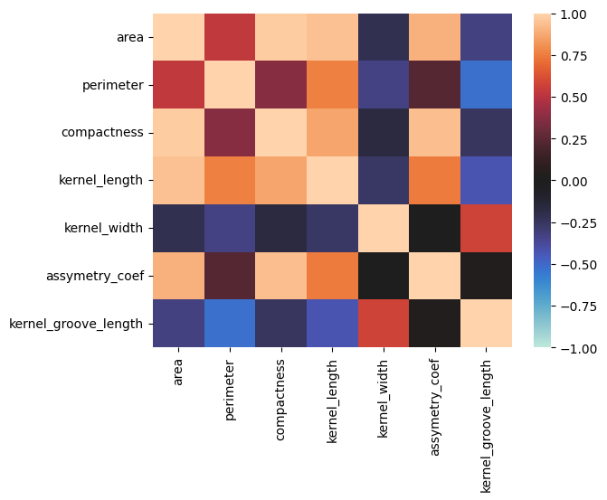
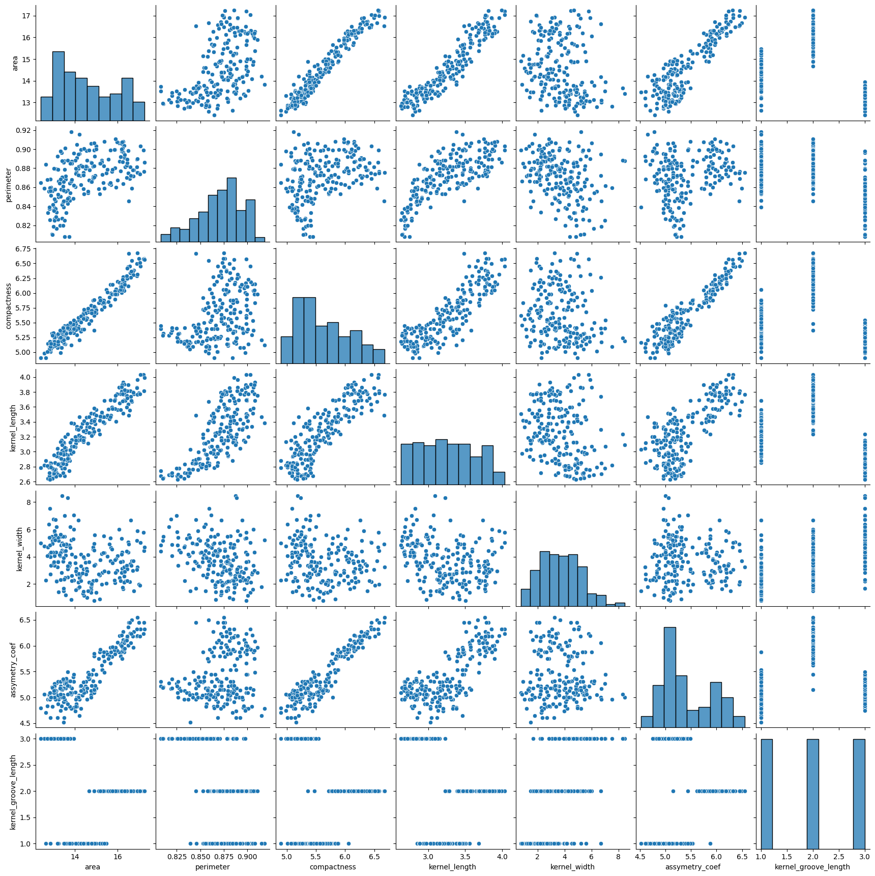
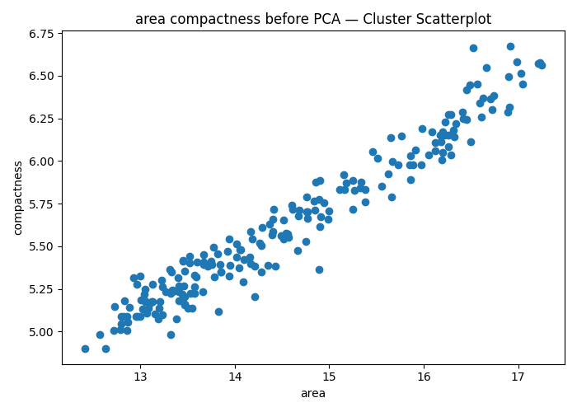
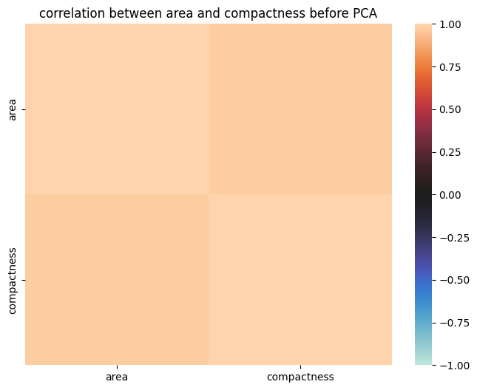
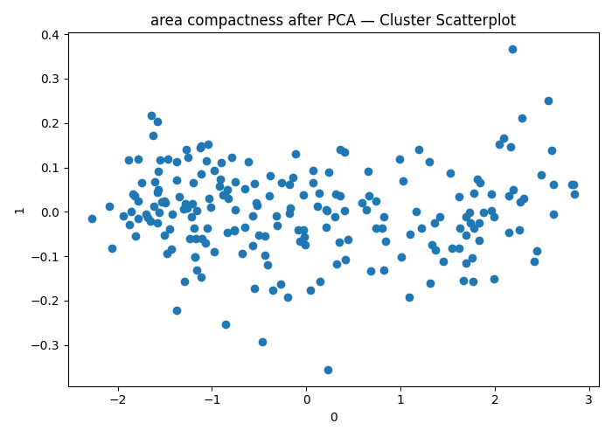
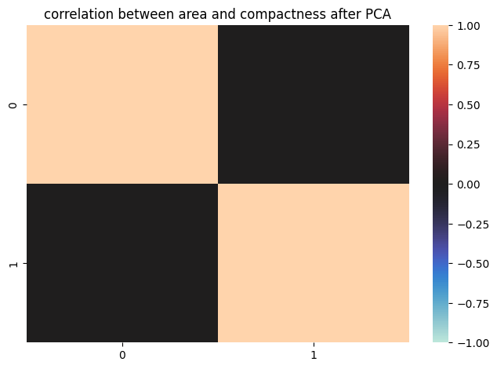
 | count | mean | std | min | 25% | 50% | 75% | max | num_unique | pct_unique | num_missing | pct_missing
area | 210 | 14.56 | 1.31 | 12.41 | 13.45 | 14.32 | 15.72 | 17.25 | 170 | 80.95 | 0 | 0
perimeter | 210 | 0.87 | 0.02 | 0.81 | 0.86 | 0.87 | 0.89 | 0.92 | 186 | 88.57 | 0 | 0
compactness | 210 | 5.63 | 0.44 | 4.9 | 5.26 | 5.52 | 5.98 | 6.68 | 188 | 89.52 | 0 | 0
kernel_length | 210 | 3.26 | 0.38 | 2.63 | 2.94 | 3.24 | 3.56 | 4.03 | 184 | 87.62 | 0 | 0
kernel_width | 210 | 3.7 | 1.5 | 0.77 | 2.56 | 3.6 | 4.77 | 8.46 | 207 | 98.57 | 0 | 0
assymetry_coef | 210 | 5.41 | 0.49 | 4.52 | 5.04 | 5.22 | 5.88 | 6.55 | 148 | 70.48 | 0 | 0
kernel_groove_length | 210 | 2 | 0.82 | 1 | 1 | 2 | 3 | 3 | 3 | 1.43 | 0 | 0
Comments:
The area and compactness are highly correlated. I performed PCA on them and the results are the following:
Before the PCA we can see that they have really strong correlation,
But after the transformed features don’t have any correlation at all.

area
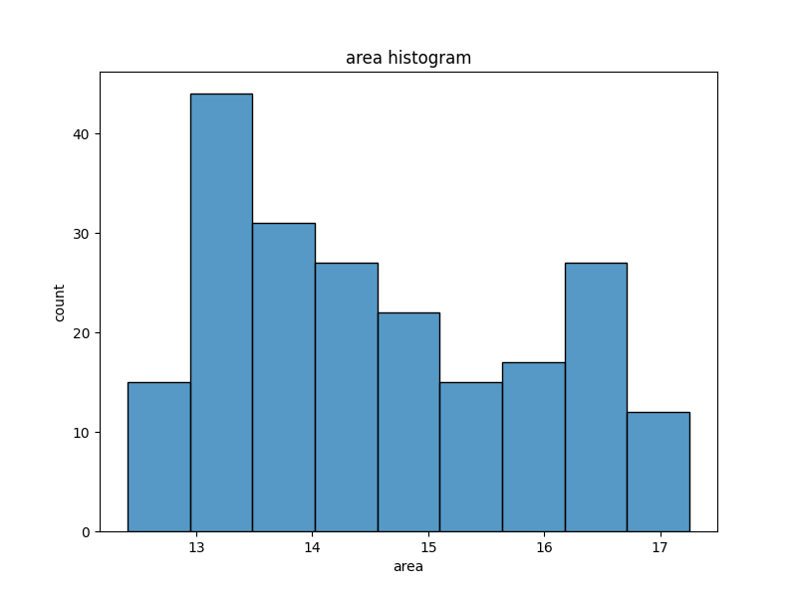
area | count
13.47 | 4
13.67 | 3
13.05 | 3
13.41 | 3
16.26 | 3
13.57 | 3
15.25 | 2
14.76 | 2
14.9 | 2
13.23 | 2
15.38 | 2
14.52 | 2
14.17 | 2
13.85 | 2
14.28 | 2
12.8 | 2
16.45 | 2
14.89 | 2
14.77 | 2
12.86 | 2
15.86 | 2
16.12 | 2
14.02 | 2
14.4 | 2
13 | 2
13.45 | 2
16.2 | 2
16.29 | 2
13.32 | 2
13.13 | 2
13.52 | 2
13.94 | 2
14.21 | 2
14.09 | 1
15.46 | 1
14.1 | 1
14.49 | 1
14.99 | 1
14.75 | 1
13.83 | 1
14.84 | 1
14.57 | 1
14.04 | 1
14.54 | 1
14.86 | 1
13.55 | 1
15.27 | 1
14.41 | 1
14.68 | 1
15 | 1
14.18 | 1
13.82 | 1
14.94 | 1
14.06 | 1
14.85 | 1
14.26 | 1
15.16 | 1
13.76 | 1
14.16 | 1
14.05 | 1
15.98 | 1
13.75 | 1
15.67 | 1
15.73 | 1
15.51 | 1
15.62 | 1
14.29 | 1
14.39 | 1
14.43 | 1
14.35 | 1
14.61 | 1
14.6 | 1
14.91 | 1
14.56 | 1
16.74 | 1
16.89 | 1
16.19 | 1
15.34 | 1
15.55 | 1
16.49 | 1
17.21 | 1
16.71 | 1
17.05 | 1
16.05 | 1
15.65 | 1
16.52 | 1
16.59 | 1
16.66 | 1
16.99 | 1
16.09 | 1
16.5 | 1
16.34 | 1
16.57 | 1
16.63 | 1
16.92 | 1
16.22 | 1
16.17 | 1
16.42 | 1
15.91 | 1
17.23 | 1
12.63 | 1
13.19 | 1
13.84 | 1
13.5 | 1
14.37 | 1
14.67 | 1
15.97 | 1
16.91 | 1
16.9 | 1
16.23 | 1
16.61 | 1
17.25 | 1
16.72 | 1
16.31 | 1
15.33 | 1
14.66 | 1
15.15 | 1
15.76 | 1
15.66 | 1
16.18 | 1
15.85 | 1
16.41 | 1
13.95 | 1
13.92 | 1
15.18 | 1
15.11 | 1
13.71 | 1
12.93 | 1
13.46 | 1
13.4 | 1
13.04 | 1
13.6 | 1
13.73 | 1
12.87 | 1
13.22 | 1
15.89 | 1
16.32 | 1
17.03 | 1
13.15 | 1
12.79 | 1
13.33 | 1
13.59 | 1
13.1 | 1
12.97 | 1
13.08 | 1
13.12 | 1
12.57 | 1
13.01 | 1
12.73 | 1
12.95 | 1
13.36 | 1
13.07 | 1
13.77 | 1
12.96 | 1
13.31 | 1
12.82 | 1
12.41 | 1
13.02 | 1
12.83 | 1
13.27 | 1
13.53 | 1
13.78 | 1
13.38 | 1
13.44 | 1
12.72 | 1
13.2 | 1
12.88 | 1
13.66 | 1
13.21 | 1
13.34 | 1

perimeter
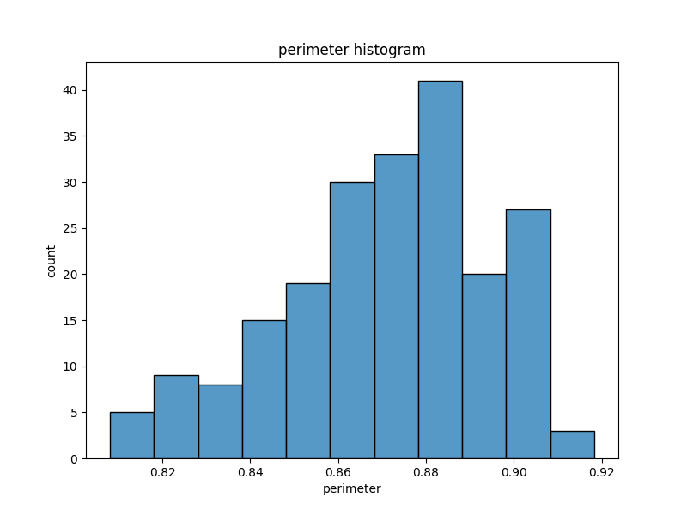
perimeter | count
0.8823 | 3
0.8811 | 2
0.8722 | 2
0.8849 | 2
0.8993 | 2
0.8923 | 2
0.8883 | 2
0.8779 | 2
0.882 | 2
0.888 | 2
0.8658 | 2
0.859 | 2
0.8648 | 2
0.8786 | 2
0.8558 | 2
0.8198 | 2
0.8706 | 2
0.9077 | 2
0.8977 | 2
0.8726 | 2
0.868 | 2
0.8716 | 2
0.8763 | 2
0.8911 | 1
0.8747 | 1
0.8696 | 1
0.8641 | 1
0.8657 | 1
0.8664 | 1
0.8988 | 1
0.8686 | 1
0.8584 | 1
0.8662 | 1
0.8604 | 1
0.8728 | 1
0.9 | 1
0.8734 | 1
0.9079 | 1
0.8944 | 1
0.8724 | 1
0.8529 | 1
0.8564 | 1
0.9009 | 1
0.8852 | 1
0.8871 | 1
0.8794 | 1
0.8744 | 1
0.9183 | 1
0.8759 | 1
0.8796 | 1
0.9153 | 1
0.9058 | 1
0.8799 | 1
0.871 | 1
0.8951 | 1
0.905 | 1
0.9034 | 1
0.8955 | 1
0.8392 | 1
0.8857 | 1
0.9006 | 1
0.8818 | 1
0.8557 | 1
0.8831 | 1
0.8538 | 1
0.8751 | 1
0.8986 | 1
0.8676 | 1
0.8819 | 1
0.8861 | 1
0.9081 | 1
0.8879 | 1
0.8458 | 1
0.8625 | 1
0.875 | 1
0.8599 | 1
0.8638 | 1
0.8894 | 1
0.878 | 1
0.887 | 1
0.8969 | 1
0.8892 | 1
0.8989 | 1
0.9031 | 1
0.8984 | 1
0.8746 | 1
0.8906 | 1
0.9066 | 1
0.8623 | 1
0.8673 | 1
0.8815 | 1
0.8452 | 1
0.8687 | 1
0.8637 | 1
0.8992 | 1
0.8985 | 1
0.881 | 1
0.8866 | 1
0.8917 | 1
0.9056 | 1
0.88 | 1
0.8752 | 1
0.8865 | 1
0.8921 | 1
0.8717 | 1
0.8829 | 1
0.8859 | 1
0.9035 | 1
0.889 | 1
0.8854 | 1
0.8897 | 1
0.8772 | 1
0.8588 | 1
0.9008 | 1
0.9064 | 1
0.8999 | 1
0.8735 | 1
0.8698 | 1
0.8991 | 1
0.9108 | 1
0.8683 | 1
0.884 | 1
0.8644 | 1
0.8942 | 1
0.8527 | 1
0.899 | 1
0.885 | 1
0.848 | 1
0.8613 | 1
0.8785 | 1
0.8652 | 1
0.8274 | 1
0.8167 | 1
0.8335 | 1
0.8491 | 1
0.8107 | 1
0.8496 | 1
0.858 | 1
0.8249 | 1
0.8333 | 1
0.8382 | 1
0.8266 | 1
0.8596 | 1
0.8081 | 1
0.8082 | 1
0.8253 | 1
0.8263 | 1
0.8425 | 1
0.8503 | 1
0.8416 | 1
0.8793 | 1
0.8462 | 1
0.8443 | 1
0.862 | 1
0.8291 | 1
0.8359 | 1
0.8455 | 1
0.8189 | 1
0.8375 | 1
0.8099 | 1
0.8355 | 1
0.8419 | 1
0.8329 | 1
0.8473 | 1
0.856 | 1
0.8453 | 1
0.8579 | 1
0.8575 | 1
0.8541 | 1
0.8372 | 1
0.8594 | 1
0.839 | 1
0.8563 | 1
0.8795 | 1
0.8256 | 1
0.8639 | 1
0.886 | 1
0.8481 | 1
0.8964 | 1
0.8609 | 1
0.8874 | 1
0.8567 | 1
0.8783 | 1
0.8511 | 1
0.8521 | 1
0.8684 | 1

compactness
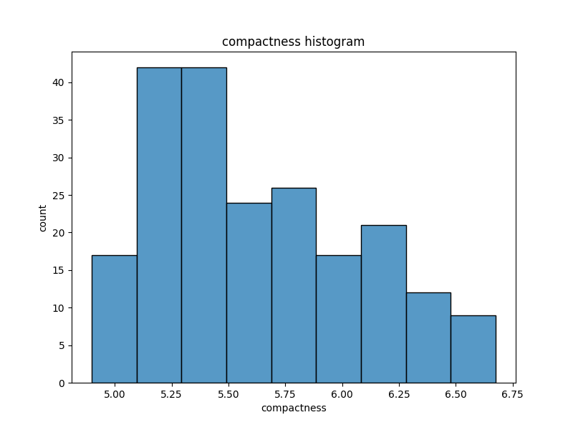
compactness | count
5.395 | 3
5.236 | 3
5.658 | 2
5.386 | 2
5.351 | 2
5.541 | 2
5.832 | 2
5.585 | 2
6.285 | 2
5.979 | 2
6.037 | 2
5.884 | 2
5.363 | 2
5.176 | 2
5.224 | 2
5.267 | 2
5.09 | 2
5.18 | 2
5.088 | 2
5.175 | 2
5.438 | 1
5.714 | 1
6.053 | 1
5.439 | 1
5.42 | 1
5.291 | 1
5.324 | 1
5.563 | 1
5.516 | 1
5.833 | 1
5.757 | 1
5.454 | 1
5.717 | 1
5.712 | 1
5.709 | 1
5.826 | 1
5.656 | 1
5.397 | 1
5.348 | 1
5.138 | 1
5.877 | 1
5.579 | 1
5.376 | 1
5.701 | 1
5.57 | 1
5.545 | 1
5.678 | 1
5.674 | 1
5.119 | 1
5.527 | 1
5.479 | 1
5.482 | 1
5.226 | 1
5.205 | 1
5.52 | 1
5.618 | 1
5.789 | 1
5.099 | 1
5.554 | 1
5.763 | 1
5.262 | 1
5.076 | 1
4.902 | 1
5.008 | 1
5.159 | 1
5.662 | 1
5.384 | 1
5.388 | 1
5.702 | 1
5.741 | 1
5.504 | 1
5.715 | 1
5.412 | 1
6.191 | 1
5.139 | 1
5.63 | 1
5.875 | 1
5.85 | 1
6.384 | 1
6.006 | 1
6.173 | 1
6.084 | 1
6.549 | 1
6.366 | 1
6.154 | 1
6.017 | 1
5.927 | 1
6.064 | 1
6.579 | 1
6.445 | 1
5.609 | 1
5.569 | 1
6.341 | 1
6.139 | 1
6.449 | 1
6.271 | 1
5.89 | 1
6.113 | 1
6.219 | 1
5.718 | 1
6.152 | 1
6.033 | 1
6.675 | 1
6.153 | 1
6.107 | 1
6.303 | 1
6.369 | 1
6.248 | 1
6.259 | 1
6.183 | 1
6.563 | 1
6.416 | 1
6.227 | 1
6.493 | 1
6.051 | 1
6.245 | 1
6.573 | 1
6.45 | 1
6.172 | 1
6.581 | 1
6.272 | 1
6.666 | 1
5.998 | 1
5.978 | 1
6.144 | 1
5.791 | 1
6.513 | 1
6.111 | 1
5.762 | 1
5.98 | 1
6.315 | 1
6.059 | 1
5.389 | 1
5.472 | 1
5.872 | 1
5.314 | 1
5.279 | 1
5.776 | 1
5.92 | 1
5.845 | 1
5.405 | 1
5.263 | 1
5.22 | 1
5.408 | 1
5.053 | 1
5.394 | 1
5.444 | 1
5.25 | 1
5.304 | 1
5.451 | 1
5.333 | 1
5.35 | 1
5.011 | 1
5.317 | 1
5.477 | 1
6.145 | 1
5.417 | 1
5.319 | 1
5.105 | 1
5.325 | 1
5.278 | 1
4.981 | 1
5.167 | 1
5.136 | 1
5.145 | 1
5.186 | 1
5.357 | 1
5.24 | 1
5.108 | 1
5.495 | 1
5.413 | 1
5.089 | 1
4.899 | 1
5.046 | 1
5.091 | 1
5.132 | 1
5.16 | 1
5.32 | 1
5.41 | 1
5.073 | 1
5.219 | 1
4.984 | 1
5.009 | 1
5.183 | 1
5.204 | 1
5.137 | 1
5.14 | 1
5.243 | 1

kernel_length
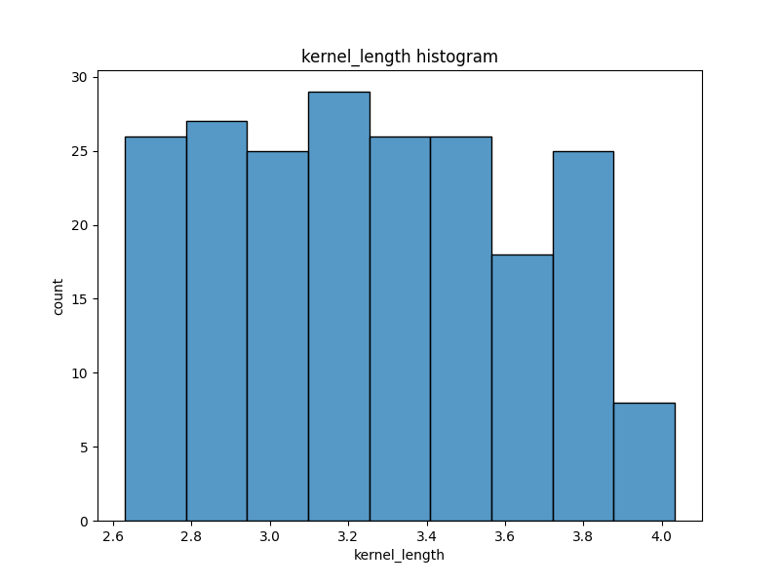
kernel_length | count
3.026 | 3
3.312 | 2
3.465 | 2
3.333 | 2
3.201 | 2
3.156 | 2
2.975 | 2
3.199 | 2
3.155 | 2
3.377 | 2
2.85 | 2
3.113 | 2
3.485 | 2
3.158 | 2
2.879 | 2
2.763 | 2
2.911 | 2
2.967 | 2
2.81 | 2
2.675 | 2
3.755 | 2
3.769 | 2
3.857 | 2
3.594 | 2
2.821 | 2
3.245 | 1
3.421 | 1
3.507 | 1
3.168 | 1
3.129 | 1
2.936 | 1
3.466 | 1
3.514 | 1
3.15 | 1
3.464 | 1
3.186 | 1
3.065 | 1
3.371 | 1
3.221 | 1
2.956 | 1
3.396 | 1
3.298 | 1
3.288 | 1
3.683 | 1
3.328 | 1
3.291 | 1
3.049 | 1
3.383 | 1
3.302 | 1
3.259 | 1
3.562 | 1
3.242 | 1
3.505 | 1
3.114 | 1
3.379 | 1
3.337 | 1
3.042 | 1
3.032 | 1
3.412 | 1
3.419 | 1
3.212 | 1
3.258 | 1
3.272 | 1
3.434 | 1
3.393 | 1
3.462 | 1
3.93 | 1
3.486 | 1
3.153 | 1
2.882 | 1
3.19 | 1
3.07 | 1
3.467 | 1
3.864 | 1
3.772 | 1
3.801 | 1
3.651 | 1
3.764 | 1
3.67 | 1
4.033 | 1
4.032 | 1
3.785 | 1
3.438 | 1
3.403 | 1
3.814 | 1
3.639 | 1
3.561 | 1
3.119 | 1
3.552 | 1
3.81 | 1
3.525 | 1
3.512 | 1
3.694 | 1
3.892 | 1
3.681 | 1
3.684 | 1
3.786 | 1
3.806 | 1
3.763 | 1
3.573 | 1
3.674 | 1
3.791 | 1
3.902 | 1
3.737 | 1
3.991 | 1
3.719 | 1
3.897 | 1
3.815 | 1
3.962 | 1
3.563 | 1
3.387 | 1
3.771 | 1
3.582 | 1
3.869 | 1
3.796 | 1
3.693 | 1
3.86 | 1
3.463 | 1
3.566 | 1
3.484 | 1
3.395 | 1
3.268 | 1
3.825 | 1
3.69 | 1
3.773 | 1
3.687 | 1
3.472 | 1
2.994 | 1
3.074 | 1
3.073 | 1
2.687 | 1
2.777 | 1
2.719 | 1
2.648 | 1
3.408 | 1
3.574 | 1
2.776 | 1
2.84 | 1
2.693 | 1
2.833 | 1
2.849 | 1
2.745 | 1
2.678 | 1
2.755 | 1
2.695 | 1
2.847 | 1
2.968 | 1
2.794 | 1
2.941 | 1
2.897 | 1
3.231 | 1
3.286 | 1
2.668 | 1
2.837 | 1
2.701 | 1
2.715 | 1
2.845 | 1
2.641 | 1
2.71 | 1
2.642 | 1
2.758 | 1
2.893 | 1
2.775 | 1
3.017 | 1
2.909 | 1
2.683 | 1
2.716 | 1
2.787 | 1
2.717 | 1
2.804 | 1
2.953 | 1
2.63 | 1
3.126 | 1
3.054 | 1
3.128 | 1
2.989 | 1
3.135 | 1
3.091 | 1
2.96 | 1
2.981 | 1
2.795 | 1
3.232 | 1
2.836 | 1
2.974 | 1

kernel_width
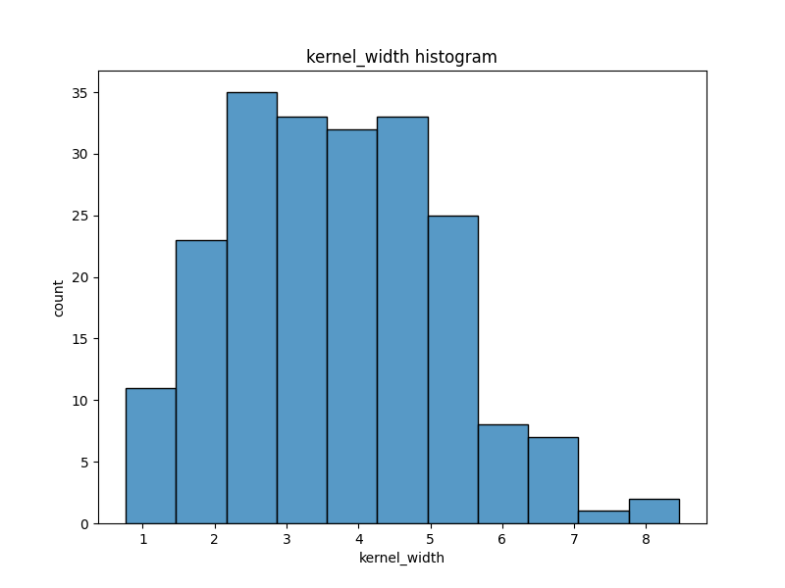
kernel_width | count
2.221 | 2
2.7 | 2
2.129 | 2
2.259 | 1
1.355 | 1
2.462 | 1
1.018 | 1
3.586 | 1
2.04 | 1
1.969 | 1
4.543 | 1
1.717 | 1
3.986 | 1
3.136 | 1
2.699 | 1
2.932 | 1
4.185 | 1
1.599 | 1
5.234 | 1
4.102 | 1
3.072 | 1
2.688 | 1
1.767 | 1
1.415 | 1
1.791 | 1
0.903 | 1
3.373 | 1
2.504 | 1
2.754 | 1
3.531 | 1
0.7651 | 1
0.8551 | 1
3.412 | 1
3.92 | 1
2.124 | 1
2.27 | 1
2.823 | 1
2.956 | 1
3.112 | 1
6.685 | 1
2.587 | 1
2.249 | 1
2.461 | 1
4.711 | 1
3.128 | 1
1.56 | 1
1.367 | 1
2.958 | 1
2.704 | 1
3.975 | 1
5.593 | 1
4.116 | 1
3.328 | 1
1.481 | 1
1.933 | 1
2.802 | 1
1.142 | 1
1.999 | 1
1.502 | 1
2.269 | 1
3.22 | 1
4.157 | 1
1.176 | 1
2.352 | 1
1.313 | 1
2.217 | 1
1.464 | 1
3.533 | 1
4.076 | 1
4.675 | 1
4.539 | 1
2.936 | 1
4.004 | 1
4.92 | 1
3.824 | 1
4.451 | 1
5.064 | 1
2.858 | 1
5.532 | 1
5.324 | 1
5.173 | 1
1.472 | 1
2.962 | 1
2.443 | 1
1.649 | 1
3.691 | 1
5.78 | 1
5.016 | 1
1.955 | 1
3.12 | 1
3.237 | 1
6.001 | 1
4.933 | 1
3.696 | 1
3.477 | 1
2.144 | 1
2.853 | 1
2.188 | 1
4.217 | 1
2.068 | 1
4.308 | 1
3.357 | 1
3.368 | 1
2.553 | 1
2.843 | 1
3.747 | 1
3.252 | 1
1.738 | 1
2.235 | 1
3.678 | 1
2.109 | 1
6.682 | 1
4.677 | 1
2.248 | 1
4.334 | 1
3.084 | 1
3.639 | 1
3.063 | 1
5.901 | 1
3.619 | 1
4.286 | 1
2.984 | 1
3.336 | 1
4.188 | 1
4.391 | 1
2.257 | 1
1.91 | 1
5.366 | 1
2.837 | 1
2.908 | 1
4.462 | 1
4.266 | 1
4.972 | 1
3.6 | 1
3.526 | 1
2.64 | 1
2.725 | 1
3.769 | 1
5.304 | 1
7.035 | 1
5.995 | 1
5.469 | 1
4.471 | 1
6.169 | 1
4.421 | 1
3.26 | 1
5.462 | 1
5.195 | 1
6.992 | 1
4.756 | 1
3.332 | 1
4.048 | 1
5.813 | 1
3.347 | 1
4.825 | 1
4.378 | 1
5.388 | 1
3.082 | 1
4.271 | 1
4.988 | 1
4.419 | 1
6.388 | 1
2.201 | 1
4.924 | 1
3.638 | 1
4.337 | 1
3.521 | 1
6.735 | 1
6.715 | 1
4.309 | 1
5.588 | 1
5.182 | 1
4.773 | 1
5.335 | 1
4.702 | 1
5.876 | 1
1.661 | 1
4.957 | 1
4.987 | 1
4.857 | 1
5.209 | 1
6.185 | 1
4.062 | 1
4.898 | 1
4.179 | 1
7.524 | 1
4.975 | 1
5.398 | 1
3.985 | 1
3.597 | 1
4.853 | 1
4.132 | 1
4.873 | 1
5.483 | 1
4.67 | 1
3.306 | 1
2.828 | 1
5.472 | 1
2.3 | 1
4.051 | 1
8.456 | 1
3.919 | 1
3.631 | 1
4.325 | 1
8.315 | 1
3.598 | 1
5.637 | 1

assymetry_coef
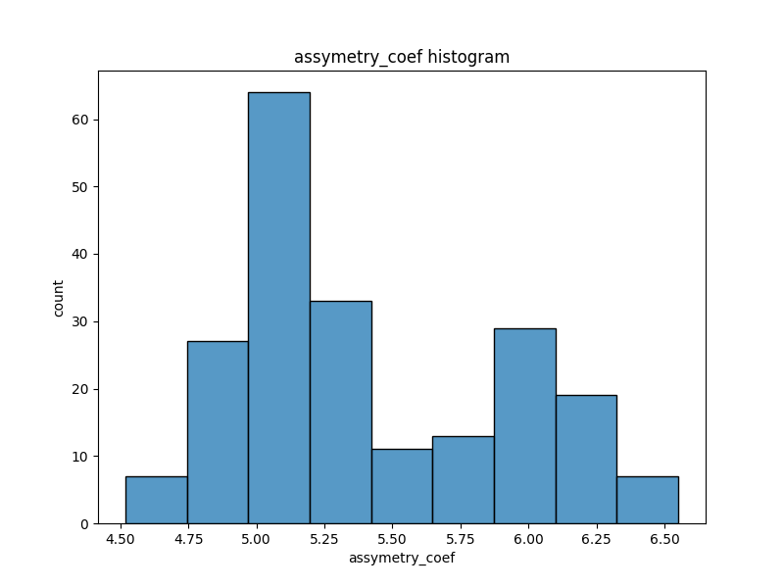
assymetry_coef | count
5.001 | 6
5.132 | 5
4.825 | 4
4.956 | 4
5.176 | 3
5 | 3
5.877 | 3
5.088 | 3
5.056 | 3
5.178 | 3
5.307 | 3
6.185 | 3
5.879 | 3
5.795 | 3
6.053 | 3
5.219 | 3
5.091 | 2
5.175 | 2
4.781 | 2
5.22 | 2
6.273 | 2
5.316 | 2
5.003 | 2
5.27 | 2
5.31 | 2
5.063 | 2
4.961 | 2
5.046 | 2
4.914 | 2
4.607 | 2
5.044 | 2
5.922 | 2
5.144 | 2
5.439 | 2
5.36 | 2
5.012 | 2
5.002 | 2
5.045 | 2
5.089 | 2
4.649 | 1
5.533 | 1
4.805 | 1
5.314 | 1
4.738 | 1
4.872 | 1
4.783 | 1
5.528 | 1
5.484 | 1
5.443 | 1
5.527 | 1
5.111 | 1
5.18 | 1
4.703 | 1
4.519 | 1
5.222 | 1
5.487 | 1
5.351 | 1
5.136 | 1
5.067 | 1
4.605 | 1
6.079 | 1
5.791 | 1
6.06 | 1
5.841 | 1
6.451 | 1
4.782 | 1
5.15 | 1
5.3 | 1
5.88 | 1
5.746 | 1
6.362 | 1
6.187 | 1
6.109 | 1
6.498 | 1
6.231 | 1
6.197 | 1
5.224 | 1
5.396 | 1
5.309 | 1
5.228 | 1
5.299 | 1
5.038 | 1
5.097 | 1
4.869 | 1
5.618 | 1
6.097 | 1
6.453 | 1
6.238 | 1
5.967 | 1
6.448 | 1
6.449 | 1
6.321 | 1
5.837 | 1
6.009 | 1
6.229 | 1
6.148 | 1
6.2 | 1
5.929 | 1
6.55 | 1
5.894 | 1
6.188 | 1
6.011 | 1
5.703 | 1
5.905 | 1
5.992 | 1
6.102 | 1
5.919 | 1
5.661 | 1
5.794 | 1
5.965 | 1
5.924 | 1
6.316 | 1
6.163 | 1
5.75 | 1
5.966 | 1
6.32 | 1
5.221 | 1
5.44 | 1
5.395 | 1
5.752 | 1
5.971 | 1
5.847 | 1
5.949 | 1
5.962 | 1
5.263 | 1
5.194 | 1
5.491 | 1
5.308 | 1
5.338 | 1
5.049 | 1
5.163 | 1
5.275 | 1
5.185 | 1
5.092 | 1
5.147 | 1
4.963 | 1
5.135 | 1
5.182 | 1
5.352 | 1
5.158 | 1
4.957 | 1
4.794 | 1
4.958 | 1
5.231 | 1
4.83 | 1
4.745 | 1
4.828 | 1
4.87 | 1

kernel_groove_length
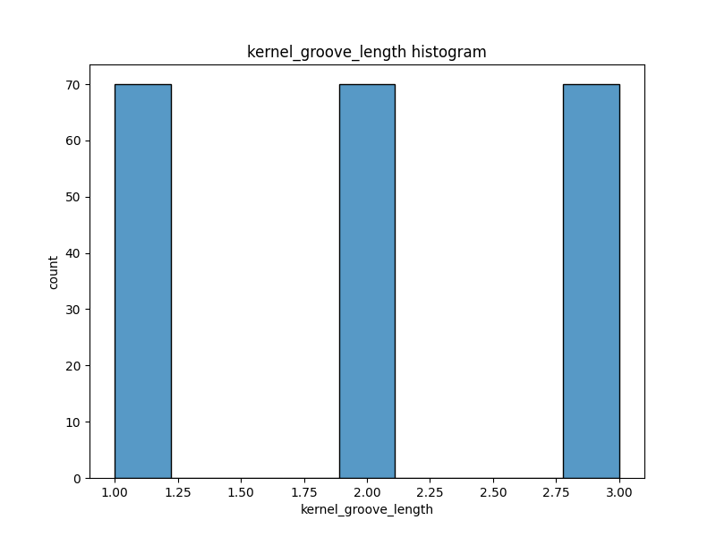
kernel_groove_length | count
1 | 70
2 | 70
3 | 70

