data_audit
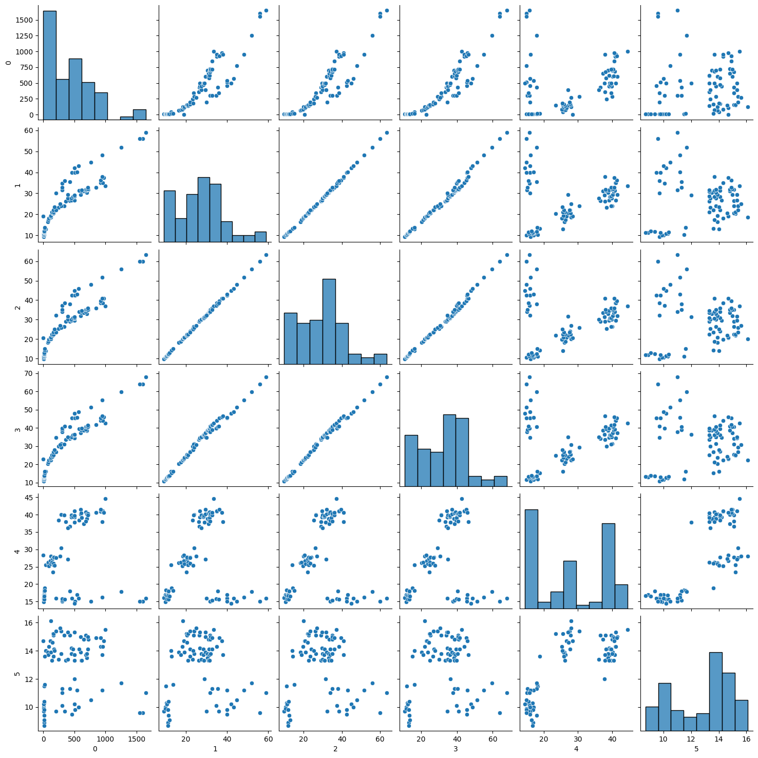
 | count | mean | std | min | 25% | 50% | 75% | max | num_unique | pct_unique | num_missing | pct_missing
0 | 85 | 431.76 | 380.93 | 0 | 120 | 390 | 650 | 1650 | 66 | 77.65 | 0 | 0
1 | 85 | 27.34 | 11.29 | 9.3 | 19.4 | 28.4 | 32.7 | 59 | 72 | 84.71 | 0 | 0
2 | 85 | 29.56 | 12.19 | 9.8 | 21 | 30.7 | 36 | 63.4 | 62 | 72.94 | 0 | 0
3 | 85 | 33.12 | 13.2 | 10.8 | 23.7 | 35 | 40.6 | 68 | 72 | 84.71 | 0 | 0
4 | 85 | 28.08 | 10.35 | 14.5 | 16.9 | 27.1 | 39.2 | 44.5 | 69 | 81.18 | 0 | 0
5 | 85 | 12.87 | 2.12 | 8.7 | 11 | 13.7 | 14.7 | 16.1 | 45 | 52.94 | 0 | 0
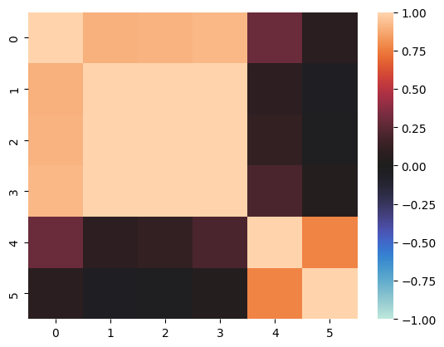
 |  |  |  |  |  |  |  |  |  |  |  |  | There are 4 species: Bream, Roach, Smelt and Pike

0
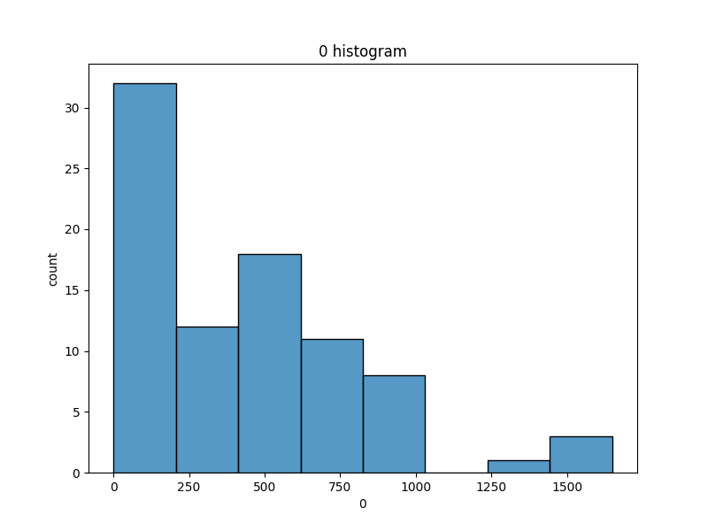
0 | count
500 | 5
700 | 3
300 | 3
290 | 2
200 | 2
390 | 2
600 | 2
430 | 2
950 | 2
450 | 2
120 | 2
9.8 | 2
160 | 2
12.2 | 2
242 | 1
475 | 1
650 | 1
610 | 1
725 | 1
680 | 1
720 | 1
714 | 1
920 | 1
955 | 1
850 | 1
1000 | 1
975 | 1
925 | 1
69 | 1
575 | 1
685 | 1
620 | 1
340 | 1
363 | 1
110 | 1
0 | 1
87 | 1
78 | 1
40 | 1
169 | 1
140 | 1
145 | 1
180 | 1
272 | 1
7.5 | 1
6.7 | 1
7 | 1
9.7 | 1
161 | 1
150 | 1
10 | 1
8.7 | 1
13.4 | 1
9.9 | 1
19.7 | 1
19.9 | 1
345 | 1
456 | 1
510 | 1
540 | 1
567 | 1
770 | 1
1250 | 1
1600 | 1
1550 | 1
1650 | 1

1
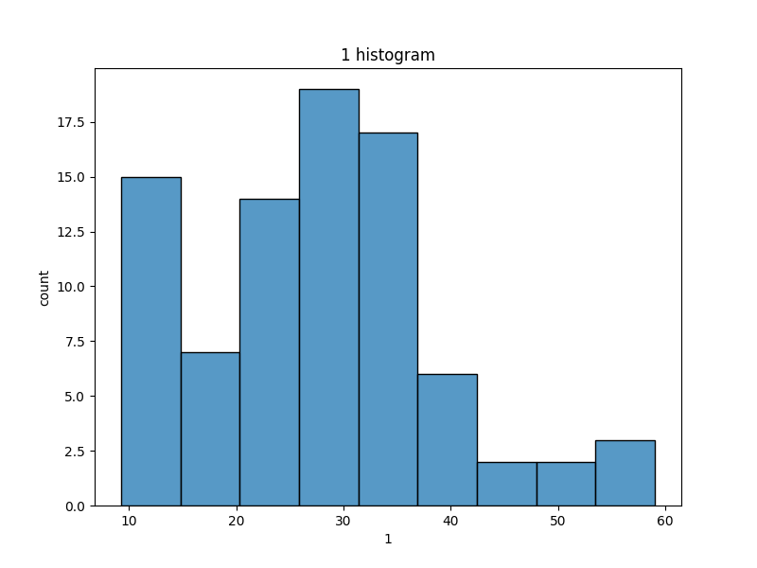
1 | count
24 | 2
26.8 | 2
27.6 | 2
20.5 | 2
31.8 | 2
32.7 | 2
30.4 | 2
29.4 | 2
40 | 2
56 | 2
11.3 | 2
22 | 2
35 | 2
23.2 | 1
23.9 | 1
26.3 | 1
28.5 | 1
26.5 | 1
31.5 | 1
31.4 | 1
31.3 | 1
31 | 1
29.1 | 1
30.9 | 1
33.5 | 1
32.8 | 1
37.4 | 1
36.2 | 1
12.9 | 1
16.5 | 1
17.5 | 1
38 | 1
18.2 | 1
18.6 | 1
19.1 | 1
19 | 1
31.9 | 1
32 | 1
28.7 | 1
28.4 | 1
21.1 | 1
21 | 1
20.4 | 1
19.4 | 1
29.5 | 1
9.3 | 1
23.6 | 1
22.1 | 1
10.1 | 1
10.4 | 1
10.7 | 1
10.8 | 1
11.4 | 1
11.5 | 1
10 | 1
25 | 1
12.1 | 1
11.7 | 1
30 | 1
13.2 | 1
31.7 | 1
34.8 | 1
35.5 | 1
13.8 | 1
36 | 1
40.1 | 1
43.2 | 1
42 | 1
44.8 | 1
48.3 | 1
52 | 1
59 | 1

2
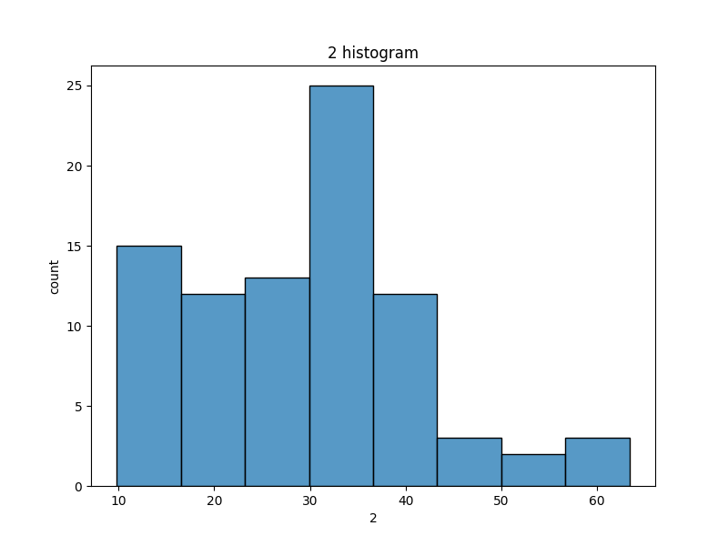
2 | count
35 | 5
34 | 3
38.5 | 3
22.5 | 3
30 | 2
29.7 | 2
33.5 | 2
32 | 2
41 | 2
22 | 2
36 | 2
33 | 2
31 | 2
29 | 2
42.5 | 2
60 | 2
11.8 | 2
34.5 | 1
26.3 | 1
31.5 | 1
30.7 | 1
26.5 | 1
18.2 | 1
14.1 | 1
18.8 | 1
19.8 | 1
20.5 | 1
25.4 | 1
37 | 1
39.5 | 1
20.8 | 1
21 | 1
20 | 1
24 | 1
26 | 1
27 | 1
23.5 | 1
23.4 | 1
9.8 | 1
10.5 | 1
11 | 1
10.6 | 1
11.2 | 1
11.3 | 1
31.7 | 1
25.2 | 1
12.2 | 1
12 | 1
14.3 | 1
12.4 | 1
15 | 1
32.3 | 1
37.3 | 1
13 | 1
38 | 1
43 | 1
46 | 1
45 | 1
48 | 1
51.7 | 1
56 | 1
63.4 | 1

3
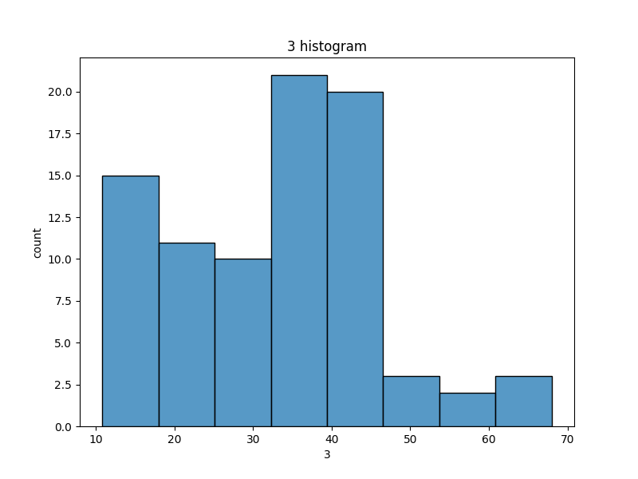
3 | count
36.2 | 3
35 | 2
16.2 | 2
11.6 | 2
40.6 | 2
40.5 | 2
37.2 | 2
22.2 | 2
45.5 | 2
13.1 | 2
64 | 2
25 | 2
31.2 | 1
31.1 | 1
30 | 1
33.5 | 1
34.5 | 1
34.7 | 1
34 | 1
39.2 | 1
38.7 | 1
38.6 | 1
38.3 | 1
38.5 | 1
41.6 | 1
41.5 | 1
44 | 1
42.6 | 1
45.3 | 1
45.9 | 1
46.5 | 1
44.1 | 1
20.3 | 1
21.2 | 1
22.8 | 1
39.5 | 1
39.7 | 1
40.9 | 1
35.1 | 1
36.4 | 1
25.3 | 1
24.3 | 1
24.7 | 1
23.7 | 1
23.1 | 1
29.2 | 1
27.9 | 1
27.2 | 1
10.8 | 1
30.6 | 1
12.4 | 1
12 | 1
12.6 | 1
13.2 | 1
26.7 | 1
26.8 | 1
13.5 | 1
13.4 | 1
34.8 | 1
13.8 | 1
37.8 | 1
38.8 | 1
39.8 | 1
15.2 | 1
41 | 1
45.8 | 1
48.7 | 1
48 | 1
51.2 | 1
55.1 | 1
59.7 | 1
68 | 1

4
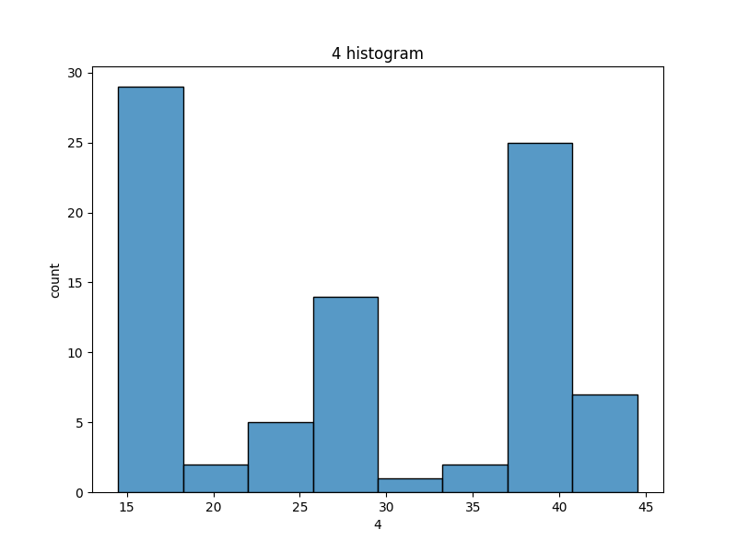
4 | count
15 | 4
16 | 3
41.1 | 2
39.8 | 2
40 | 2
18 | 2
16.9 | 2
15.6 | 2
38.8 | 2
28 | 2
17 | 2
25.6 | 2
40.6 | 2
36.6 | 1
38 | 1
38.4 | 1
40.2 | 1
37.8 | 1
39.3 | 1
36.2 | 1
39.2 | 1
39.1 | 1
40.8 | 1
38.3 | 1
38.1 | 1
44.5 | 1
40.9 | 1
40.1 | 1
40.3 | 1
37.9 | 1
41.4 | 1
41.5 | 1
40.5 | 1
37.4 | 1
39.4 | 1
39.7 | 1
39.9 | 1
25.8 | 1
26.7 | 1
28.4 | 1
25.3 | 1
26.1 | 1
26.3 | 1
27.8 | 1
23.5 | 1
25.4 | 1
30.4 | 1
27.1 | 1
27.3 | 1
27.7 | 1
25.9 | 1
27.6 | 1
26.2 | 1
15.7 | 1
16.8 | 1
18.3 | 1
14.9 | 1
16.1 | 1
16.7 | 1
18.9 | 1
16.5 | 1
18.1 | 1
15.1 | 1
15.3 | 1
15.8 | 1
14.5 | 1
16.2 | 1
17.9 | 1
15.9 | 1

5
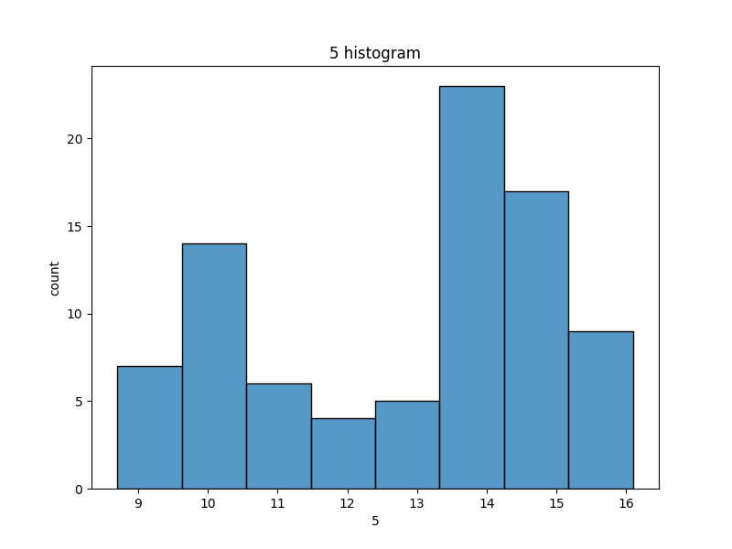
5 | count
13.3 | 5
15.1 | 4
13.8 | 4
14.1 | 4
13.7 | 4
13.9 | 3
9.7 | 3
14.3 | 3
14.7 | 3
15 | 2
13.4 | 2
14.8 | 2
15.3 | 2
10 | 2
11.3 | 2
9.6 | 2
14.9 | 2
15.2 | 2
15.4 | 2
13.6 | 2
14 | 2
11 | 2
10.2 | 2
9.8 | 2
11.2 | 2
13.5 | 1
12 | 1
14.2 | 1
14.6 | 1
10.3 | 1
11.5 | 1
9.9 | 1
15.6 | 1
16.1 | 1
15.5 | 1
8.9 | 1
8.7 | 1
11.6 | 1
9.1 | 1
9.4 | 1
10.4 | 1
9.5 | 1
10.1 | 1
10.5 | 1
11.7 | 1

species
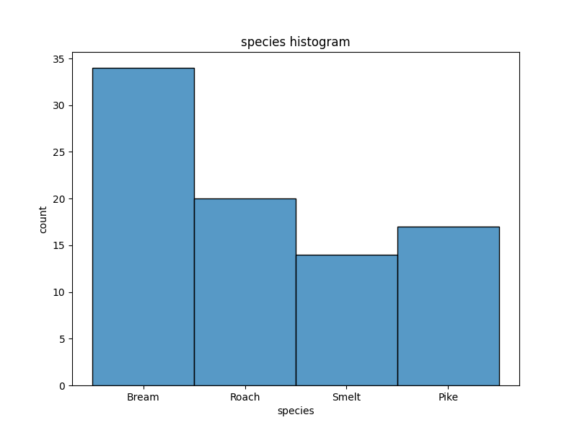
species | count
Bream | 34
Roach | 20
Pike | 17
Smelt | 14

