ModelReport
Model | Scaling | Number of variables | Hyperparams | Inertia | Silhouette | Silhouette Increase from base model % | Silhouette for test data | Silhouette for test data increase % | Scatter plot train | Dendrogram | Scatter plot test
Base model |  | 2 |  |  | -1 | 0 |  |  | 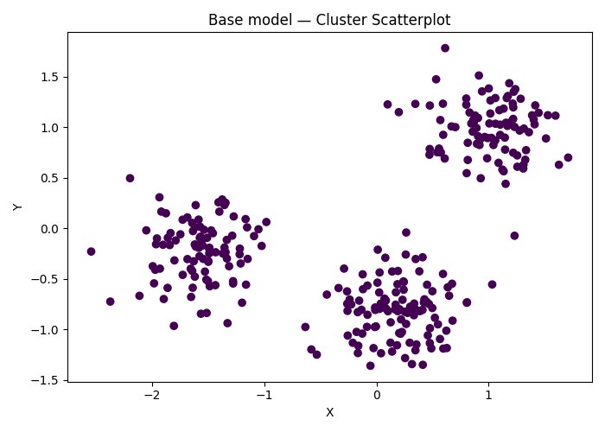
agglomerative Clustering on ['X', 'Y'] | TRUE | 2 | {'agglomerative__linkage': 'average', 'agglomerative__distance_threshold': np.float64(1.8000000000000007)} |  | 0.71692207497 | -171.6922075 | 0.7282552701 | -172.82552701 | 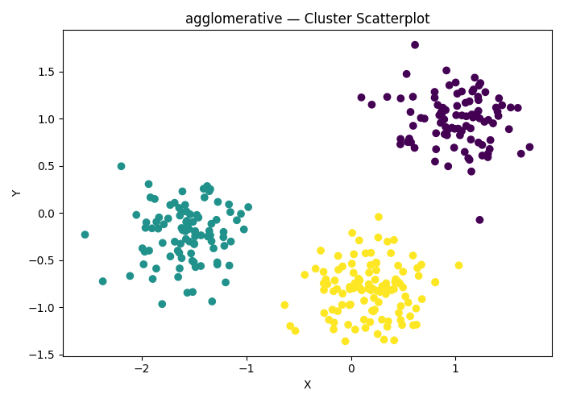 | 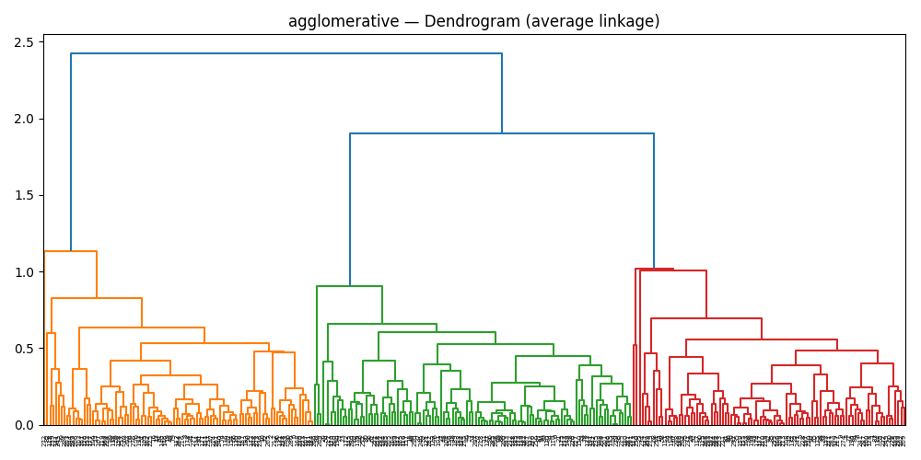 | 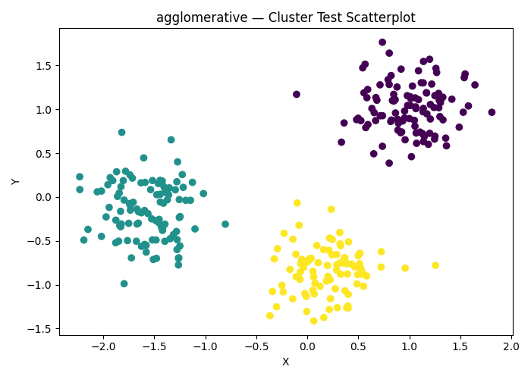
agglomerative Clustering on ['X', 'Y'] | FALSE | 2 | {'agglomerative__linkage': 'average', 'agglomerative__distance_threshold': np.float64(1.6000000000000005)} |  | 0.71807787302 | -171.8077873 | 0.7282552701 | -172.82552701
dbscan Clustering on ['X', 'Y'] | TRUE | 2 | {'dbscan__min_samples': np.int64(6), 'dbscan__eps': np.float64(0.40000000000000013)} |  | 0.70894617786 | -170.89461779 | 0.68367131729 | -168.36713173 | 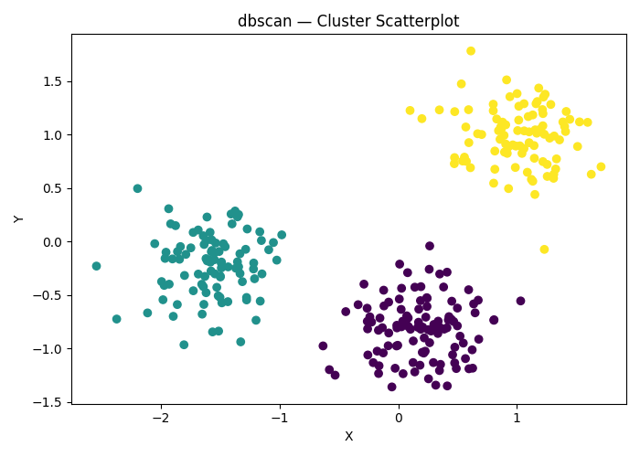 |  | 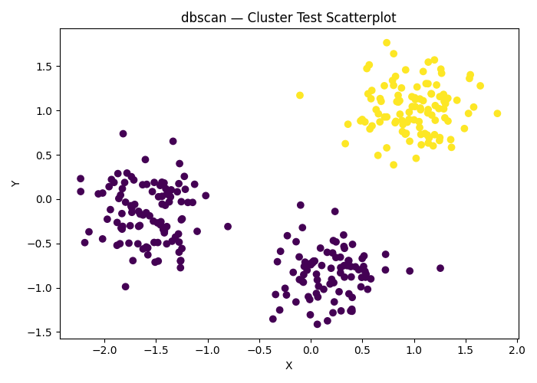
dbscan Clustering on ['X', 'Y'] | FALSE | 2 | {'dbscan__min_samples': np.int64(18), 'dbscan__eps': np.float64(0.6000000000000002)} |  | 0.71807787302 | -171.8077873 | 0.59266036051 | -159.26603605
hdbscan Clustering on ['X', 'Y'] | TRUE | 2 | {'hdbscan__min_cluster_size': np.int64(6)} |  | 0.70848822743 | -170.84882274 | 0.68190188371 | -168.19018837 | 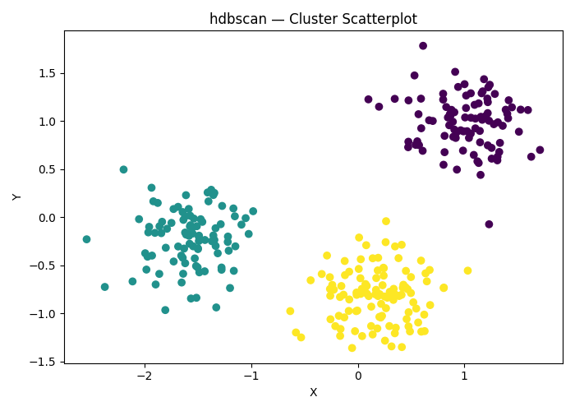 |  | 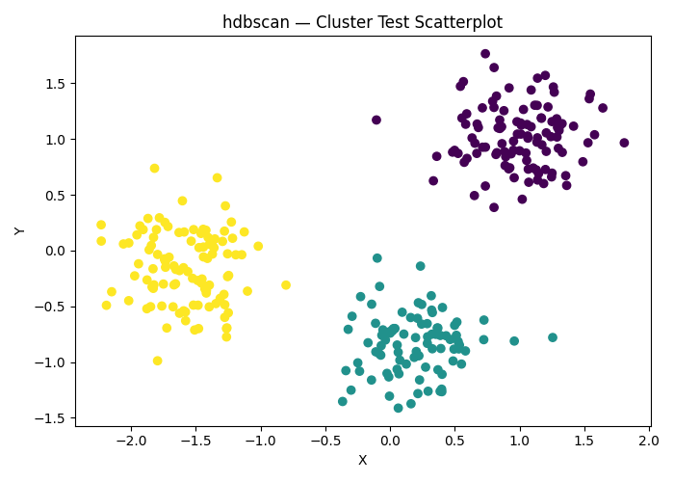
hdbscan Clustering on ['X', 'Y'] | FALSE | 2 | {'hdbscan__min_cluster_size': np.int64(3)} |  | 0.71807787302 | -171.8077873 | 0.7282552701 | -172.82552701

