ModelReport
Model | Scaling/PCA/t-SNE/TruncatedSVD | Number of variables | Hyperparams | Inertia | Silhouette | Silhouette Increase from base model % | Silhouette for test data | Silhouette for test data increase % | Scatter plot train | Dendrogram | Scatter plot test | PCA variance | Cross-Tabulation
Base model |  | 9 |  |  | -1 | 0 |  |  | 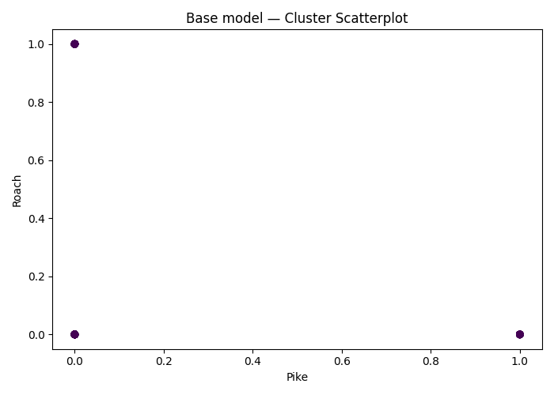
agglomerative Clustering on ['Pike', 'Roach', 'Smelt', '0', '1', '2', '3', '4', '5'] | (False, False, False, False) | 9 | {'agglomerative__linkage': 'complete', 'agglomerative__distance_threshold': np.float64(1.9500000000000006)} |  | 0.12540134473 | -112.54013447 |  | 0 | 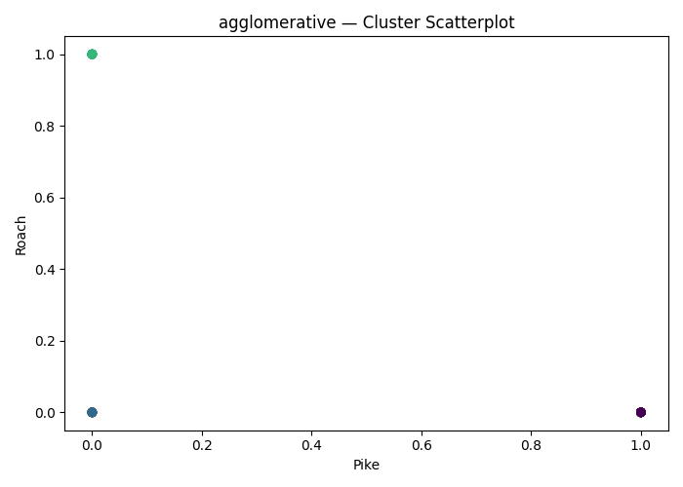 | 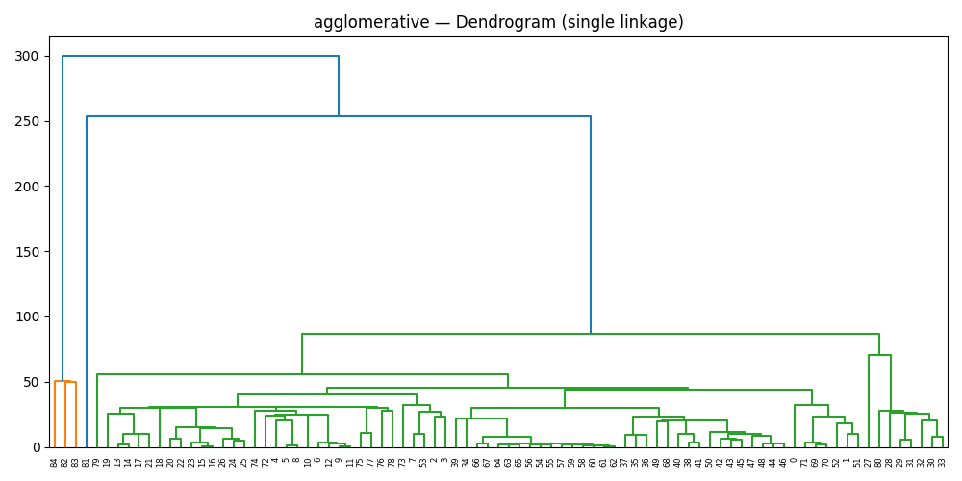 |  |  | 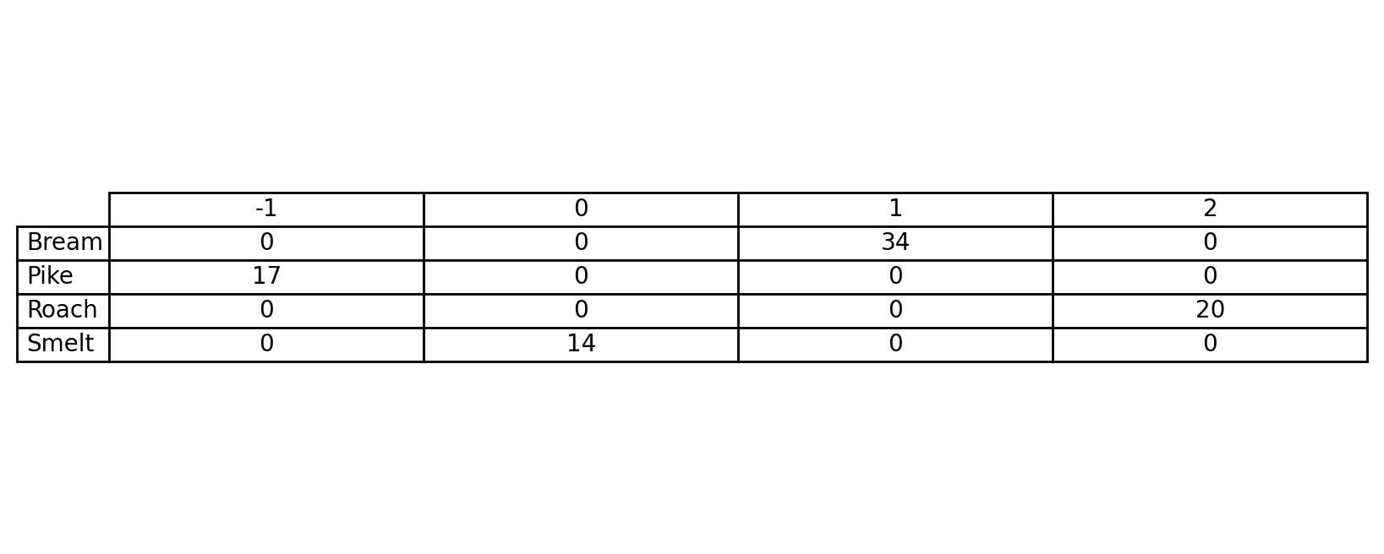
agglomerative Clustering on ['Pike', 'Roach', 'Smelt', '0', '1', '2', '3', '4', '5'] | (False, False, False, False) | 9 | {'agglomerative__linkage': 'average', 'agglomerative__distance_threshold': np.float64(1.8000000000000007)} |  | 0.12043111338 | -112.04311134 |  | 0
agglomerative Clustering on ['Pike', 'Roach', 'Smelt', '0', '1', '2', '3', '4', '5'] | (False, False, False, False) | 9 | {'agglomerative__linkage': 'single', 'agglomerative__distance_threshold': np.float64(1.9000000000000008)} |  | 0.13250576309 | -113.25057631 |  | 0
agglomerative Clustering on ['Pike', 'Roach', 'Smelt', '0', '1', '2', '3', '4', '5'] | (False, False, False, False) | 9 | {'agglomerative__linkage': 'single', 'agglomerative__distance_threshold': np.float64(1.9000000000000008)} |  | 0.13250576309 | -113.25057631 |  | 0
agglomerative Clustering on ['Pike', 'Roach', 'Smelt', '0', '1', '2', '3', '4', '5'] | (False, False, False, False) | 9 | {'agglomerative__linkage': 'complete', 'agglomerative__distance_threshold': np.float64(1.8000000000000007)} |  | 0.12043111338 | -112.04311134 |  | 0
agglomerative Clustering on ['Pike', 'Roach', 'Smelt', '0', '1', '2', '3', '4', '5'] | (False, False, False, False) | 9 | {'agglomerative__linkage': 'complete', 'agglomerative__distance_threshold': np.float64(1.9500000000000006)} |  | 0.12540134473 | -112.54013447 |  | 0
agglomerative Clustering on ['Pike', 'Roach', 'Smelt', '0', '1', '2', '3', '4', '5'] | (False, False, False, False) | 9 | {'agglomerative__linkage': 'complete', 'agglomerative__distance_threshold': np.float64(1.9500000000000006)} |  | 0.12540134473 | -112.54013447 |  | 0
agglomerative Clustering on ['Pike', 'Roach', 'Smelt', '0', '1', '2', '3', '4', '5'] | (False, False, False, False) | 9 | {'agglomerative__linkage': 'single', 'agglomerative__distance_threshold': np.float64(1.9000000000000008)} |  | 0.13250576309 | -113.25057631 |  | 0
agglomerative Clustering on ['Pike', 'Roach', 'Smelt', '0', '1', '2', '3', '4', '5'] | (False, False, False, False) | 9 | {'agglomerative__linkage': 'complete', 'agglomerative__distance_threshold': np.float64(1.9500000000000006)} |  | 0.12540134473 | -112.54013447 |  | 0
agglomerative Clustering on ['Pike', 'Roach', 'Smelt', '0', '1', '2', '3', '4', '5'] | (False, PCA(n_components=np.int64(1)), False, False) | 9 | {'agglomerative__linkage': 'average', 'agglomerative__distance_threshold': np.float64(1.5000000000000004)} |  | 0.25814160219 | -125.81416022 |  | 0 |  |  |  | 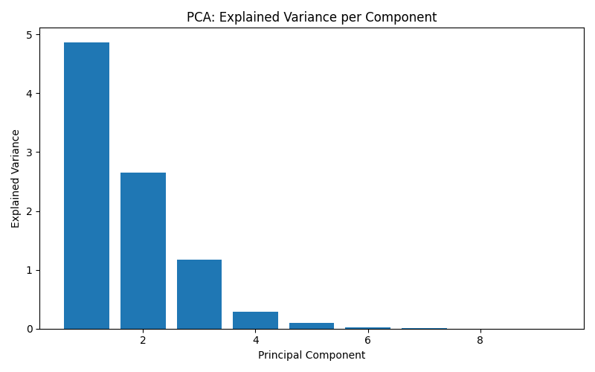
agglomerative Clustering on ['Pike', 'Roach', 'Smelt', '0', '1', '2', '3', '4', '5'] | (False, PCA(n_components=np.int64(2)), False, False) | 9 | {'agglomerative__linkage': 'single', 'agglomerative__distance_threshold': np.float64(1.8000000000000007)} |  | 0.17030222598 | -117.0302226 |  | 0
agglomerative Clustering on ['Pike', 'Roach', 'Smelt', '0', '1', '2', '3', '4', '5'] | (False, PCA(n_components=np.int64(3)), False, False) | 9 | {'agglomerative__linkage': 'single', 'agglomerative__distance_threshold': np.float64(1.9500000000000006)} |  | 0.15637157815 | -115.63715782 |  | 0
agglomerative Clustering on ['Pike', 'Roach', 'Smelt', '0', '1', '2', '3', '4', '5'] | (False, PCA(n_components=np.int64(4)), False, False) | 9 | {'agglomerative__linkage': 'single', 'agglomerative__distance_threshold': np.float64(1.9500000000000006)} |  | 0.13825399084 | -113.82539908 |  | 0
agglomerative Clustering on ['Pike', 'Roach', 'Smelt', '0', '1', '2', '3', '4', '5'] | (False, PCA(n_components=np.int64(5)), False, False) | 9 | {'agglomerative__linkage': 'single', 'agglomerative__distance_threshold': np.float64(1.9500000000000006)} |  | 0.13825399084 | -113.82539908 |  | 0
agglomerative Clustering on ['Pike', 'Roach', 'Smelt', '0', '1', '2', '3', '4', '5'] | (False, PCA(n_components=np.int64(6)), False, False) | 9 | {'agglomerative__linkage': 'single', 'agglomerative__distance_threshold': np.float64(1.9500000000000006)} |  | 0.13825399084 | -113.82539908 |  | 0
agglomerative Clustering on ['Pike', 'Roach', 'Smelt', '0', '1', '2', '3', '4', '5'] | (False, PCA(n_components=np.int64(7)), False, False) | 9 | {'agglomerative__linkage': 'average', 'agglomerative__distance_threshold': np.float64(1.9500000000000006)} |  | 0.12540134473 | -112.54013447 |  | 0
agglomerative Clustering on ['Pike', 'Roach', 'Smelt', '0', '1', '2', '3', '4', '5'] | (False, PCA(n_components=np.int64(8)), False, False) | 9 | {'agglomerative__linkage': 'single', 'agglomerative__distance_threshold': np.float64(1.9000000000000008)} |  | 0.13250576309 | -113.25057631 |  | 0
agglomerative Clustering on ['Pike', 'Roach', 'Smelt', '0', '1', '2', '3', '4', '5'] | (False, PCA(n_components=np.int64(9)), False, False) | 9 | {'agglomerative__linkage': 'average', 'agglomerative__distance_threshold': np.float64(1.8000000000000007)} |  | 0.12043111338 | -112.04311134 |  | 0
agglomerative Clustering on ['Pike', 'Roach', 'Smelt', '0', '1', '2', '3', '4', '5'] | (True, PCA(n_components=np.int64(1)), False, False) | 9 | {'agglomerative__linkage': 'average', 'agglomerative__distance_threshold': np.float64(1.9500000000000006)} |  | 0.41123859787 | -141.12385979 |  | 0
agglomerative Clustering on ['Pike', 'Roach', 'Smelt', '0', '1', '2', '3', '4', '5'] | (True, PCA(n_components=np.int64(2)), False, False) | 9 | {'agglomerative__linkage': 'complete', 'agglomerative__distance_threshold': np.float64(1.9000000000000008)} |  | 0.31093476656 | -131.09347666 |  | 0
agglomerative Clustering on ['Pike', 'Roach', 'Smelt', '0', '1', '2', '3', '4', '5'] | (True, PCA(n_components=np.int64(3)), False, False) | 9 | {'agglomerative__linkage': 'complete', 'agglomerative__distance_threshold': np.float64(1.7000000000000006)} |  | 0.28317281138 | -128.31728114 |  | 0
agglomerative Clustering on ['Pike', 'Roach', 'Smelt', '0', '1', '2', '3', '4', '5'] | (True, PCA(n_components=np.int64(4)), False, False) | 9 | {'agglomerative__linkage': 'complete', 'agglomerative__distance_threshold': np.float64(1.5500000000000005)} |  | 0.32002600937 | -132.00260094 |  | 0
agglomerative Clustering on ['Pike', 'Roach', 'Smelt', '0', '1', '2', '3', '4', '5'] | (True, PCA(n_components=np.int64(5)), False, False) | 9 | {'agglomerative__linkage': 'single', 'agglomerative__distance_threshold': np.float64(1.4500000000000006)} |  | 0.25355400531 | -125.35540053 |  | 0
agglomerative Clustering on ['Pike', 'Roach', 'Smelt', '0', '1', '2', '3', '4', '5'] | (True, PCA(n_components=np.int64(6)), False, False) | 9 | {'agglomerative__linkage': 'single', 'agglomerative__distance_threshold': np.float64(1.4500000000000006)} |  | 0.25355400531 | -125.35540053 |  | 0
agglomerative Clustering on ['Pike', 'Roach', 'Smelt', '0', '1', '2', '3', '4', '5'] | (True, PCA(n_components=np.int64(7)), False, False) | 9 | {'agglomerative__linkage': 'single', 'agglomerative__distance_threshold': np.float64(1.9000000000000008)} |  | 0.25355400531 | -125.35540053 |  | 0
agglomerative Clustering on ['Pike', 'Roach', 'Smelt', '0', '1', '2', '3', '4', '5'] | (True, PCA(n_components=np.int64(8)), False, False) | 9 | {'agglomerative__linkage': 'single', 'agglomerative__distance_threshold': np.float64(1.6500000000000006)} |  | 0.25355400531 | -125.35540053 |  | 0
agglomerative Clustering on ['Pike', 'Roach', 'Smelt', '0', '1', '2', '3', '4', '5'] | (True, PCA(n_components=np.int64(9)), False, False) | 9 | {'agglomerative__linkage': 'single', 'agglomerative__distance_threshold': np.float64(1.7500000000000007)} |  | 0.25355400531 | -125.35540053 |  | 0
agglomerative Clustering on ['Pike', 'Roach', 'Smelt', '0', '1', '2', '3', '4', '5'] | (False, False, False, True) | 9 | {'agglomerative__linkage': 'complete', 'agglomerative__distance_threshold': np.float64(1.6000000000000005)} |  | 0.25814160219 | -125.81416022 |  | 0
agglomerative Clustering on ['Pike', 'Roach', 'Smelt', '0', '1', '2', '3', '4', '5'] | (False, False, False, True) | 9 | {'agglomerative__linkage': 'single', 'agglomerative__distance_threshold': np.float64(1.8000000000000007)} |  | 0.20916909755 | -120.91690975 |  | 0
agglomerative Clustering on ['Pike', 'Roach', 'Smelt', '0', '1', '2', '3', '4', '5'] | (False, False, False, True) | 9 | {'agglomerative__linkage': 'single', 'agglomerative__distance_threshold': np.float64(1.8500000000000008)} |  | 0.15637157815 | -115.63715782 |  | 0
agglomerative Clustering on ['Pike', 'Roach', 'Smelt', '0', '1', '2', '3', '4', '5'] | (False, False, False, True) | 9 | {'agglomerative__linkage': 'average', 'agglomerative__distance_threshold': np.float64(1.9000000000000008)} |  | 0.12540134473 | -112.54013447 |  | 0
agglomerative Clustering on ['Pike', 'Roach', 'Smelt', '0', '1', '2', '3', '4', '5'] | (False, False, False, True) | 9 | {'agglomerative__linkage': 'complete', 'agglomerative__distance_threshold': np.float64(1.9500000000000006)} |  | 0.12540134473 | -112.54013447 |  | 0
agglomerative Clustering on ['Pike', 'Roach', 'Smelt', '0', '1', '2', '3', '4', '5'] | (False, False, False, True) | 9 | {'agglomerative__linkage': 'average', 'agglomerative__distance_threshold': np.float64(1.9000000000000008)} |  | 0.12043111338 | -112.04311134 |  | 0
agglomerative Clustering on ['Pike', 'Roach', 'Smelt', '0', '1', '2', '3', '4', '5'] | (False, False, False, True) | 9 | {'agglomerative__linkage': 'average', 'agglomerative__distance_threshold': np.float64(1.8500000000000008)} |  | 0.12043111338 | -112.04311134 |  | 0
agglomerative Clustering on ['Pike', 'Roach', 'Smelt', '0', '1', '2', '3', '4', '5'] | (False, False, False, True) | 9 | {'agglomerative__linkage': 'average', 'agglomerative__distance_threshold': np.float64(1.9000000000000008)} |  | 0.12043111338 | -112.04311134 |  | 0
agglomerative Clustering on ['Pike', 'Roach', 'Smelt', '0', '1', '2', '3', '4', '5'] | (False, False, False, True) | 9 | {'agglomerative__linkage': 'single', 'agglomerative__distance_threshold': np.float64(1.9500000000000006)} |  | 0.13825399084 | -113.82539908 |  | 0
agglomerative Clustering on ['Pike', 'Roach', 'Smelt', '0', '1', '2', '3', '4', '5'] | (True, False, False, True) | 9 | {'agglomerative__linkage': 'average', 'agglomerative__distance_threshold': np.float64(1.4000000000000006)} |  | 0.41123859787 | -141.12385979 |  | 0
agglomerative Clustering on ['Pike', 'Roach', 'Smelt', '0', '1', '2', '3', '4', '5'] | (True, False, False, True) | 9 | {'agglomerative__linkage': 'complete', 'agglomerative__distance_threshold': np.float64(1.8000000000000007)} |  | 0.31093476656 | -131.09347666 |  | 0
agglomerative Clustering on ['Pike', 'Roach', 'Smelt', '0', '1', '2', '3', '4', '5'] | (True, False, False, True) | 9 | {'agglomerative__linkage': 'complete', 'agglomerative__distance_threshold': np.float64(1.9000000000000008)} |  | 0.28317281138 | -128.31728114 |  | 0
agglomerative Clustering on ['Pike', 'Roach', 'Smelt', '0', '1', '2', '3', '4', '5'] | (True, False, False, True) | 9 | {'agglomerative__linkage': 'complete', 'agglomerative__distance_threshold': np.float64(1.6500000000000006)} |  | 0.32002600937 | -132.00260094 |  | 0
agglomerative Clustering on ['Pike', 'Roach', 'Smelt', '0', '1', '2', '3', '4', '5'] | (True, False, False, True) | 9 | {'agglomerative__linkage': 'single', 'agglomerative__distance_threshold': np.float64(1.6000000000000005)} |  | 0.25355400531 | -125.35540053 |  | 0
agglomerative Clustering on ['Pike', 'Roach', 'Smelt', '0', '1', '2', '3', '4', '5'] | (True, False, False, True) | 9 | {'agglomerative__linkage': 'single', 'agglomerative__distance_threshold': np.float64(1.7000000000000006)} |  | 0.25355400531 | -125.35540053 |  | 0
agglomerative Clustering on ['Pike', 'Roach', 'Smelt', '0', '1', '2', '3', '4', '5'] | (True, False, False, True) | 9 | {'agglomerative__linkage': 'single', 'agglomerative__distance_threshold': np.float64(1.6000000000000005)} |  | 0.25355400531 | -125.35540053 |  | 0
agglomerative Clustering on ['Pike', 'Roach', 'Smelt', '0', '1', '2', '3', '4', '5'] | (True, False, False, True) | 9 | {'agglomerative__linkage': 'single', 'agglomerative__distance_threshold': np.float64(1.5500000000000005)} |  | 0.25355400531 | -125.35540053 |  | 0
agglomerative Clustering on ['Pike', 'Roach', 'Smelt', '0', '1', '2', '3', '4', '5'] | (True, False, False, True) | 9 | {'agglomerative__linkage': 'single', 'agglomerative__distance_threshold': np.float64(1.5500000000000005)} |  | 0.25355400531 | -125.35540053 |  | 0
dbscan Clustering on ['Pike', 'Roach', 'Smelt', '0', '1', '2', '3', '4', '5'] | (False, False, False, False) | 9 | {'dbscan__min_samples': np.int64(1), 'dbscan__eps': np.float64(0.8500000000000002)} |  | 0.052759549884 | -105.27595499 |  | 0 | 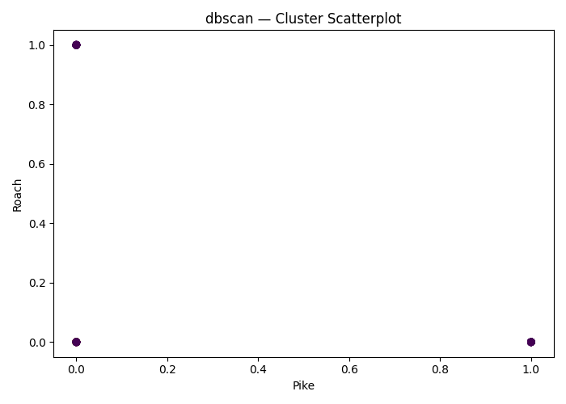
dbscan Clustering on ['Pike', 'Roach', 'Smelt', '0', '1', '2', '3', '4', '5'] | (False, False, False, False) | 9 | {'dbscan__min_samples': np.int64(26), 'dbscan__eps': np.float64(0.6500000000000001)} |  |  | 0 |  | 0
dbscan Clustering on ['Pike', 'Roach', 'Smelt', '0', '1', '2', '3', '4', '5'] | (False, False, False, False) | 9 | {'dbscan__min_samples': np.int64(2), 'dbscan__eps': np.float64(0.40000000000000013)} |  | -0.48332271785 | -51.667728215 |  | 0
dbscan Clustering on ['Pike', 'Roach', 'Smelt', '0', '1', '2', '3', '4', '5'] | (False, False, False, False) | 9 | {'dbscan__min_samples': np.int64(1), 'dbscan__eps': np.float64(0.5500000000000002)} |  | 0.035695961397 | -103.56959614 |  | 0
dbscan Clustering on ['Pike', 'Roach', 'Smelt', '0', '1', '2', '3', '4', '5'] | (False, False, False, False) | 9 | {'dbscan__min_samples': np.int64(1), 'dbscan__eps': np.float64(0.6500000000000001)} |  | 0.035695961397 | -103.56959614 |  | 0
dbscan Clustering on ['Pike', 'Roach', 'Smelt', '0', '1', '2', '3', '4', '5'] | (False, False, False, False) | 9 | {'dbscan__min_samples': np.int64(1), 'dbscan__eps': np.float64(0.7500000000000002)} |  | 0.052759549884 | -105.27595499 |  | 0
dbscan Clustering on ['Pike', 'Roach', 'Smelt', '0', '1', '2', '3', '4', '5'] | (False, False, False, False) | 9 | {'dbscan__min_samples': np.int64(32), 'dbscan__eps': np.float64(0.8500000000000002)} |  |  | 0 |  | 0
dbscan Clustering on ['Pike', 'Roach', 'Smelt', '0', '1', '2', '3', '4', '5'] | (False, False, False, False) | 9 | {'dbscan__min_samples': np.int64(20), 'dbscan__eps': np.float64(0.25000000000000006)} |  |  | 0 |  | 0
dbscan Clustering on ['Pike', 'Roach', 'Smelt', '0', '1', '2', '3', '4', '5'] | (False, False, False, False) | 9 | {'dbscan__min_samples': np.int64(1), 'dbscan__eps': np.float64(0.9000000000000002)} |  | 0.052759549884 | -105.27595499 |  | 0
dbscan Clustering on ['Pike', 'Roach', 'Smelt', '0', '1', '2', '3', '4', '5'] | (False, PCA(n_components=np.int64(1)), False, False) | 9 | {'dbscan__min_samples': np.int64(2), 'dbscan__eps': np.float64(0.45000000000000007)} |  | -0.19747548817 | -80.252451183 |  | 0
dbscan Clustering on ['Pike', 'Roach', 'Smelt', '0', '1', '2', '3', '4', '5'] | (False, PCA(n_components=np.int64(2)), False, False) | 9 | {'dbscan__min_samples': np.int64(1), 'dbscan__eps': np.float64(0.20000000000000004)} |  | 0.061107857141 | -106.11078571 |  | 0
dbscan Clustering on ['Pike', 'Roach', 'Smelt', '0', '1', '2', '3', '4', '5'] | (False, PCA(n_components=np.int64(3)), False, False) | 9 | {'dbscan__min_samples': np.int64(22), 'dbscan__eps': np.float64(0.8000000000000002)} |  |  | 0 |  | 0
dbscan Clustering on ['Pike', 'Roach', 'Smelt', '0', '1', '2', '3', '4', '5'] | (False, PCA(n_components=np.int64(4)), False, False) | 9 | {'dbscan__min_samples': np.int64(20), 'dbscan__eps': np.float64(0.3500000000000001)} |  |  | 0 |  | 0
dbscan Clustering on ['Pike', 'Roach', 'Smelt', '0', '1', '2', '3', '4', '5'] | (False, PCA(n_components=np.int64(5)), False, False) | 9 | {'dbscan__min_samples': np.int64(1), 'dbscan__eps': np.float64(0.5500000000000002)} |  | 0.035695961397 | -103.56959614 |  | 0
dbscan Clustering on ['Pike', 'Roach', 'Smelt', '0', '1', '2', '3', '4', '5'] | (False, PCA(n_components=np.int64(6)), False, False) | 9 | {'dbscan__min_samples': np.int64(2), 'dbscan__eps': np.float64(0.5500000000000002)} |  | -0.48332271785 | -51.667728215 |  | 0
dbscan Clustering on ['Pike', 'Roach', 'Smelt', '0', '1', '2', '3', '4', '5'] | (False, PCA(n_components=np.int64(7)), False, False) | 9 | {'dbscan__min_samples': np.int64(1), 'dbscan__eps': np.float64(0.9500000000000003)} |  | 0.05494852509 | -105.49485251 |  | 0
dbscan Clustering on ['Pike', 'Roach', 'Smelt', '0', '1', '2', '3', '4', '5'] | (False, PCA(n_components=np.int64(8)), False, False) | 9 | {'dbscan__min_samples': np.int64(1), 'dbscan__eps': np.float64(0.7000000000000002)} |  | 0.052759549884 | -105.27595499 |  | 0
dbscan Clustering on ['Pike', 'Roach', 'Smelt', '0', '1', '2', '3', '4', '5'] | (False, PCA(n_components=np.int64(9)), False, False) | 9 | {'dbscan__min_samples': np.int64(2), 'dbscan__eps': np.float64(0.6500000000000001)} |  | -0.48332271785 | -51.667728215 |  | 0
dbscan Clustering on ['Pike', 'Roach', 'Smelt', '0', '1', '2', '3', '4', '5'] | (True, PCA(n_components=np.int64(1)), False, False) | 9 | {'dbscan__min_samples': np.int64(4), 'dbscan__eps': np.float64(0.7500000000000002)} |  | 0.65532713052 | -165.53271305 |  | 0
dbscan Clustering on ['Pike', 'Roach', 'Smelt', '0', '1', '2', '3', '4', '5'] | (True, PCA(n_components=np.int64(2)), False, False) | 9 | {'dbscan__min_samples': np.int64(21), 'dbscan__eps': np.float64(0.8500000000000002)} |  | 0.31888392143 | -131.88839214 |  | 0
dbscan Clustering on ['Pike', 'Roach', 'Smelt', '0', '1', '2', '3', '4', '5'] | (True, PCA(n_components=np.int64(3)), False, False) | 9 | {'dbscan__min_samples': np.int64(19), 'dbscan__eps': np.float64(0.9000000000000002)} |  | 0.31554359992 | -131.55435999 |  | 0
dbscan Clustering on ['Pike', 'Roach', 'Smelt', '0', '1', '2', '3', '4', '5'] | (True, PCA(n_components=np.int64(4)), False, False) | 9 | {'dbscan__min_samples': np.int64(4), 'dbscan__eps': np.float64(0.7000000000000002)} |  | 0.23042935646 | -123.04293565 |  | 0
dbscan Clustering on ['Pike', 'Roach', 'Smelt', '0', '1', '2', '3', '4', '5'] | (True, PCA(n_components=np.int64(5)), False, False) | 9 | {'dbscan__min_samples': np.int64(19), 'dbscan__eps': np.float64(0.9500000000000003)} |  | 0.26713151211 | -126.71315121 |  | 0
dbscan Clustering on ['Pike', 'Roach', 'Smelt', '0', '1', '2', '3', '4', '5'] | (True, PCA(n_components=np.int64(6)), False, False) | 9 | {'dbscan__min_samples': np.int64(20), 'dbscan__eps': np.float64(0.9500000000000003)} |  | 0.26713151211 | -126.71315121 |  | 0
dbscan Clustering on ['Pike', 'Roach', 'Smelt', '0', '1', '2', '3', '4', '5'] | (True, PCA(n_components=np.int64(7)), False, False) | 9 | {'dbscan__min_samples': np.int64(11), 'dbscan__eps': np.float64(0.9500000000000003)} |  | 0.24896827041 | -124.89682704 |  | 0
dbscan Clustering on ['Pike', 'Roach', 'Smelt', '0', '1', '2', '3', '4', '5'] | (True, PCA(n_components=np.int64(8)), False, False) | 9 | {'dbscan__min_samples': np.int64(8), 'dbscan__eps': np.float64(0.7500000000000002)} |  | 0.24896827041 | -124.89682704 |  | 0
dbscan Clustering on ['Pike', 'Roach', 'Smelt', '0', '1', '2', '3', '4', '5'] | (True, PCA(n_components=np.int64(9)), False, False) | 9 | {'dbscan__min_samples': np.int64(13), 'dbscan__eps': np.float64(0.9500000000000003)} |  | 0.24896827041 | -124.89682704 |  | 0
dbscan Clustering on ['Pike', 'Roach', 'Smelt', '0', '1', '2', '3', '4', '5'] | (False, False, False, True) | 9 | {'dbscan__min_samples': np.int64(2), 'dbscan__eps': np.float64(0.25000000000000006)} |  | -0.35501261358 | -64.498738642 |  | 0
dbscan Clustering on ['Pike', 'Roach', 'Smelt', '0', '1', '2', '3', '4', '5'] | (False, False, False, True) | 9 | {'dbscan__min_samples': np.int64(1), 'dbscan__eps': np.float64(0.8500000000000002)} |  | 0.10272727804 | -110.2727278 |  | 0
dbscan Clustering on ['Pike', 'Roach', 'Smelt', '0', '1', '2', '3', '4', '5'] | (False, False, False, True) | 9 | {'dbscan__min_samples': np.int64(3), 'dbscan__eps': np.float64(0.6500000000000001)} |  | -0.047586691736 | -95.241330826 |  | 0
dbscan Clustering on ['Pike', 'Roach', 'Smelt', '0', '1', '2', '3', '4', '5'] | (False, False, False, True) | 9 | {'dbscan__min_samples': np.int64(14), 'dbscan__eps': np.float64(0.7000000000000002)} |  |  | 0 |  | 0
dbscan Clustering on ['Pike', 'Roach', 'Smelt', '0', '1', '2', '3', '4', '5'] | (False, False, False, True) | 9 | {'dbscan__min_samples': np.int64(1), 'dbscan__eps': np.float64(0.45000000000000007)} |  | 0.035695961397 | -103.56959614 |  | 0
dbscan Clustering on ['Pike', 'Roach', 'Smelt', '0', '1', '2', '3', '4', '5'] | (False, False, False, True) | 9 | {'dbscan__min_samples': np.int64(37), 'dbscan__eps': np.float64(0.5500000000000002)} |  |  | 0 |  | 0
dbscan Clustering on ['Pike', 'Roach', 'Smelt', '0', '1', '2', '3', '4', '5'] | (False, False, False, True) | 9 | {'dbscan__min_samples': np.int64(2), 'dbscan__eps': np.float64(0.5000000000000001)} |  | -0.48332271785 | -51.667728215 |  | 0
dbscan Clustering on ['Pike', 'Roach', 'Smelt', '0', '1', '2', '3', '4', '5'] | (False, False, False, True) | 9 | {'dbscan__min_samples': np.int64(2), 'dbscan__eps': np.float64(0.8500000000000002)} |  | -0.58810664149 | -41.189335851 |  | 0
dbscan Clustering on ['Pike', 'Roach', 'Smelt', '0', '1', '2', '3', '4', '5'] | (False, False, False, True) | 9 | {'dbscan__min_samples': np.int64(1), 'dbscan__eps': np.float64(0.6500000000000001)} |  | 0.035695961397 | -103.56959614 |  | 0
dbscan Clustering on ['Pike', 'Roach', 'Smelt', '0', '1', '2', '3', '4', '5'] | (True, False, False, True) | 9 | {'dbscan__min_samples': np.int64(4), 'dbscan__eps': np.float64(0.8000000000000002)} |  | 0.65532713052 | -165.53271305 |  | 0
dbscan Clustering on ['Pike', 'Roach', 'Smelt', '0', '1', '2', '3', '4', '5'] | (True, False, False, True) | 9 | {'dbscan__min_samples': np.int64(10), 'dbscan__eps': np.float64(0.5500000000000002)} |  | 0.22096012365 | -122.09601237 |  | 0
dbscan Clustering on ['Pike', 'Roach', 'Smelt', '0', '1', '2', '3', '4', '5'] | (True, False, False, True) | 9 | {'dbscan__min_samples': np.int64(23), 'dbscan__eps': np.float64(0.9000000000000002)} |  | 0.31554359992 | -131.55435999 |  | 0
dbscan Clustering on ['Pike', 'Roach', 'Smelt', '0', '1', '2', '3', '4', '5'] | (True, False, False, True) | 9 | {'dbscan__min_samples': np.int64(12), 'dbscan__eps': np.float64(0.9000000000000002)} |  | 0.26688528773 | -126.68852877 |  | 0
dbscan Clustering on ['Pike', 'Roach', 'Smelt', '0', '1', '2', '3', '4', '5'] | (True, False, False, True) | 9 | {'dbscan__min_samples': np.int64(12), 'dbscan__eps': np.float64(0.9000000000000002)} |  | 0.24896827041 | -124.89682704 |  | 0
dbscan Clustering on ['Pike', 'Roach', 'Smelt', '0', '1', '2', '3', '4', '5'] | (True, False, False, True) | 9 | {'dbscan__min_samples': np.int64(9), 'dbscan__eps': np.float64(0.8000000000000002)} |  | 0.24896827041 | -124.89682704 |  | 0
dbscan Clustering on ['Pike', 'Roach', 'Smelt', '0', '1', '2', '3', '4', '5'] | (True, False, False, True) | 9 | {'dbscan__min_samples': np.int64(11), 'dbscan__eps': np.float64(0.6500000000000001)} |  | 0.18737041765 | -118.73704177 |  | 0
dbscan Clustering on ['Pike', 'Roach', 'Smelt', '0', '1', '2', '3', '4', '5'] | (True, False, False, True) | 9 | {'dbscan__min_samples': np.int64(10), 'dbscan__eps': np.float64(0.9500000000000003)} |  | 0.24896827041 | -124.89682704 |  | 0
dbscan Clustering on ['Pike', 'Roach', 'Smelt', '0', '1', '2', '3', '4', '5'] | (True, False, False, True) | 9 | {'dbscan__min_samples': np.int64(17), 'dbscan__eps': np.float64(0.8000000000000002)} |  | 0.23928975199 | -123.9289752 |  | 0
hdbscan Clustering on ['Pike', 'Roach', 'Smelt', '0', '1', '2', '3', '4', '5'] | (False, False, False, False) | 9 | {'hdbscan__min_cluster_size': np.int64(5)} |  | 0.50329682614 | -150.32968261 |  | 0 | 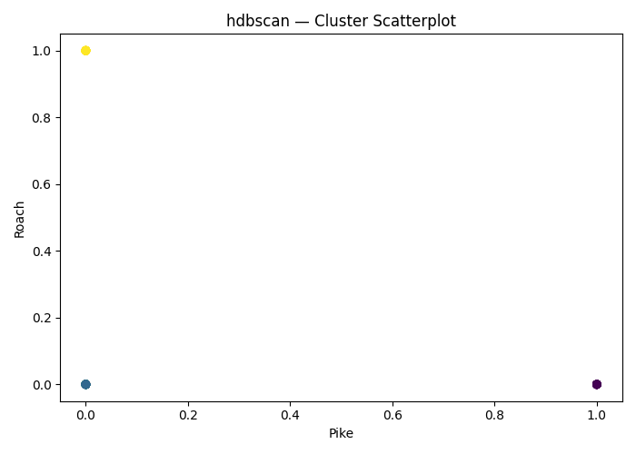
hdbscan Clustering on ['Pike', 'Roach', 'Smelt', '0', '1', '2', '3', '4', '5'] | (False, False, False, False) | 9 | {'hdbscan__min_cluster_size': np.int64(5)} |  | 0.50329682614 | -150.32968261 |  | 0
hdbscan Clustering on ['Pike', 'Roach', 'Smelt', '0', '1', '2', '3', '4', '5'] | (False, False, False, False) | 9 | {'hdbscan__min_cluster_size': np.int64(5)} |  | 0.50329682614 | -150.32968261 |  | 0
hdbscan Clustering on ['Pike', 'Roach', 'Smelt', '0', '1', '2', '3', '4', '5'] | (False, False, False, False) | 9 | {'hdbscan__min_cluster_size': np.int64(3)} |  | 0.48328381878 | -148.32838188 |  | 0
hdbscan Clustering on ['Pike', 'Roach', 'Smelt', '0', '1', '2', '3', '4', '5'] | (False, False, False, False) | 9 | {'hdbscan__min_cluster_size': np.int64(4)} |  | 0.47663519883 | -147.66351988 |  | 0
hdbscan Clustering on ['Pike', 'Roach', 'Smelt', '0', '1', '2', '3', '4', '5'] | (False, False, False, False) | 9 | {'hdbscan__min_cluster_size': np.int64(5)} |  | 0.50329682614 | -150.32968261 |  | 0
hdbscan Clustering on ['Pike', 'Roach', 'Smelt', '0', '1', '2', '3', '4', '5'] | (False, False, False, False) | 9 | {'hdbscan__min_cluster_size': np.int64(5)} |  | 0.50329682614 | -150.32968261 |  | 0
hdbscan Clustering on ['Pike', 'Roach', 'Smelt', '0', '1', '2', '3', '4', '5'] | (False, False, False, False) | 9 | {'hdbscan__min_cluster_size': np.int64(5)} |  | 0.50329682614 | -150.32968261 |  | 0
hdbscan Clustering on ['Pike', 'Roach', 'Smelt', '0', '1', '2', '3', '4', '5'] | (False, False, False, False) | 9 | {'hdbscan__min_cluster_size': np.int64(5)} |  | 0.50329682614 | -150.32968261 |  | 0
hdbscan Clustering on ['Pike', 'Roach', 'Smelt', '0', '1', '2', '3', '4', '5'] | (False, PCA(n_components=np.int64(1)), False, False) | 9 | {'hdbscan__min_cluster_size': np.int64(4)} |  | 0.51427459795 | -151.42745979 |  | 0
hdbscan Clustering on ['Pike', 'Roach', 'Smelt', '0', '1', '2', '3', '4', '5'] | (False, PCA(n_components=np.int64(2)), False, False) | 9 | {'hdbscan__min_cluster_size': np.int64(3)} |  | 0.48854028218 | -148.85402822 |  | 0
hdbscan Clustering on ['Pike', 'Roach', 'Smelt', '0', '1', '2', '3', '4', '5'] | (False, PCA(n_components=np.int64(3)), False, False) | 9 | {'hdbscan__min_cluster_size': np.int64(4)} |  | 0.47244039258 | -147.24403926 |  | 0
hdbscan Clustering on ['Pike', 'Roach', 'Smelt', '0', '1', '2', '3', '4', '5'] | (False, PCA(n_components=np.int64(4)), False, False) | 9 | {'hdbscan__min_cluster_size': np.int64(3)} |  | 0.48328381878 | -148.32838188 |  | 0
hdbscan Clustering on ['Pike', 'Roach', 'Smelt', '0', '1', '2', '3', '4', '5'] | (False, PCA(n_components=np.int64(5)), False, False) | 9 | {'hdbscan__min_cluster_size': np.int64(5)} |  | 0.50329682614 | -150.32968261 |  | 0
hdbscan Clustering on ['Pike', 'Roach', 'Smelt', '0', '1', '2', '3', '4', '5'] | (False, PCA(n_components=np.int64(6)), False, False) | 9 | {'hdbscan__min_cluster_size': np.int64(14)} |  | 0.43845843726 | -143.84584373 |  | 0
hdbscan Clustering on ['Pike', 'Roach', 'Smelt', '0', '1', '2', '3', '4', '5'] | (False, PCA(n_components=np.int64(7)), False, False) | 9 | {'hdbscan__min_cluster_size': np.int64(5)} |  | 0.50329682614 | -150.32968261 |  | 0
hdbscan Clustering on ['Pike', 'Roach', 'Smelt', '0', '1', '2', '3', '4', '5'] | (False, PCA(n_components=np.int64(8)), False, False) | 9 | {'hdbscan__min_cluster_size': np.int64(5)} |  | 0.50329682614 | -150.32968261 |  | 0
hdbscan Clustering on ['Pike', 'Roach', 'Smelt', '0', '1', '2', '3', '4', '5'] | (False, PCA(n_components=np.int64(9)), False, False) | 9 | {'hdbscan__min_cluster_size': np.int64(5)} |  | 0.50329682614 | -150.32968261 |  | 0
hdbscan Clustering on ['Pike', 'Roach', 'Smelt', '0', '1', '2', '3', '4', '5'] | (True, PCA(n_components=np.int64(1)), False, False) | 9 | {'hdbscan__min_cluster_size': np.int64(6)} |  | 0.37247350465 | -137.24735047 |  | 0
hdbscan Clustering on ['Pike', 'Roach', 'Smelt', '0', '1', '2', '3', '4', '5'] | (True, PCA(n_components=np.int64(2)), False, False) | 9 | {'hdbscan__min_cluster_size': np.int64(13)} |  | 0.062425507715 | -106.24255077 |  | 0
hdbscan Clustering on ['Pike', 'Roach', 'Smelt', '0', '1', '2', '3', '4', '5'] | (True, PCA(n_components=np.int64(3)), False, False) | 9 | {'hdbscan__min_cluster_size': np.int64(4)} |  | 0.25355400531 | -125.35540053 |  | 0
hdbscan Clustering on ['Pike', 'Roach', 'Smelt', '0', '1', '2', '3', '4', '5'] | (True, PCA(n_components=np.int64(4)), False, False) | 9 | {'hdbscan__min_cluster_size': np.int64(4)} |  | 0.25355400531 | -125.35540053 |  | 0
hdbscan Clustering on ['Pike', 'Roach', 'Smelt', '0', '1', '2', '3', '4', '5'] | (True, PCA(n_components=np.int64(5)), False, False) | 9 | {'hdbscan__min_cluster_size': np.int64(2)} |  | 0.24916220461 | -124.91622046 |  | 0
hdbscan Clustering on ['Pike', 'Roach', 'Smelt', '0', '1', '2', '3', '4', '5'] | (True, PCA(n_components=np.int64(6)), False, False) | 9 | {'hdbscan__min_cluster_size': np.int64(13)} |  | 0.25355400531 | -125.35540053 |  | 0
hdbscan Clustering on ['Pike', 'Roach', 'Smelt', '0', '1', '2', '3', '4', '5'] | (True, PCA(n_components=np.int64(7)), False, False) | 9 | {'hdbscan__min_cluster_size': np.int64(3)} |  | 0.25355400531 | -125.35540053 |  | 0
hdbscan Clustering on ['Pike', 'Roach', 'Smelt', '0', '1', '2', '3', '4', '5'] | (True, PCA(n_components=np.int64(8)), False, False) | 9 | {'hdbscan__min_cluster_size': np.int64(3)} |  | 0.25355400531 | -125.35540053 |  | 0
hdbscan Clustering on ['Pike', 'Roach', 'Smelt', '0', '1', '2', '3', '4', '5'] | (True, PCA(n_components=np.int64(9)), False, False) | 9 | {'hdbscan__min_cluster_size': np.int64(3)} |  | 0.25355400531 | -125.35540053 |  | 0
hdbscan Clustering on ['Pike', 'Roach', 'Smelt', '0', '1', '2', '3', '4', '5'] | (False, False, False, True) | 9 | {'hdbscan__min_cluster_size': np.int64(5)} |  | 0.50934872932 | -150.93487293 |  | 0
hdbscan Clustering on ['Pike', 'Roach', 'Smelt', '0', '1', '2', '3', '4', '5'] | (False, False, False, True) | 9 | {'hdbscan__min_cluster_size': np.int64(4)} |  | 0.51427459795 | -151.42745979 |  | 0
hdbscan Clustering on ['Pike', 'Roach', 'Smelt', '0', '1', '2', '3', '4', '5'] | (False, False, False, True) | 9 | {'hdbscan__min_cluster_size': np.int64(5)} |  | 0.49550245097 | -149.5502451 |  | 0
hdbscan Clustering on ['Pike', 'Roach', 'Smelt', '0', '1', '2', '3', '4', '5'] | (False, False, False, True) | 9 | {'hdbscan__min_cluster_size': np.int64(4)} |  | 0.47663519883 | -147.66351988 |  | 0
hdbscan Clustering on ['Pike', 'Roach', 'Smelt', '0', '1', '2', '3', '4', '5'] | (False, False, False, True) | 9 | {'hdbscan__min_cluster_size': np.int64(5)} |  | 0.50329682614 | -150.32968261 |  | 0
hdbscan Clustering on ['Pike', 'Roach', 'Smelt', '0', '1', '2', '3', '4', '5'] | (False, False, False, True) | 9 | {'hdbscan__min_cluster_size': np.int64(3)} |  | 0.48328381878 | -148.32838188 |  | 0
hdbscan Clustering on ['Pike', 'Roach', 'Smelt', '0', '1', '2', '3', '4', '5'] | (False, False, False, True) | 9 | {'hdbscan__min_cluster_size': np.int64(5)} |  | 0.50329682614 | -150.32968261 |  | 0
hdbscan Clustering on ['Pike', 'Roach', 'Smelt', '0', '1', '2', '3', '4', '5'] | (False, False, False, True) | 9 | {'hdbscan__min_cluster_size': np.int64(5)} |  | 0.50329682614 | -150.32968261 |  | 0
hdbscan Clustering on ['Pike', 'Roach', 'Smelt', '0', '1', '2', '3', '4', '5'] | (False, False, False, True) | 9 | {'hdbscan__min_cluster_size': np.int64(3)} |  | 0.48328381878 | -148.32838188 |  | 0
hdbscan Clustering on ['Pike', 'Roach', 'Smelt', '0', '1', '2', '3', '4', '5'] | (True, False, False, True) | 9 | {'hdbscan__min_cluster_size': np.int64(7)} |  | 0.35100597529 | -135.10059753 |  | 0
hdbscan Clustering on ['Pike', 'Roach', 'Smelt', '0', '1', '2', '3', '4', '5'] | (True, False, False, True) | 9 | {'hdbscan__min_cluster_size': np.int64(5)} |  | 0.24910335198 | -124.9103352 |  | 0
hdbscan Clustering on ['Pike', 'Roach', 'Smelt', '0', '1', '2', '3', '4', '5'] | (True, False, False, True) | 9 | {'hdbscan__min_cluster_size': np.int64(4)} |  | 0.25355400531 | -125.35540053 |  | 0
hdbscan Clustering on ['Pike', 'Roach', 'Smelt', '0', '1', '2', '3', '4', '5'] | (True, False, False, True) | 9 | {'hdbscan__min_cluster_size': np.int64(4)} |  | 0.25355400531 | -125.35540053 |  | 0
hdbscan Clustering on ['Pike', 'Roach', 'Smelt', '0', '1', '2', '3', '4', '5'] | (True, False, False, True) | 9 | {'hdbscan__min_cluster_size': np.int64(5)} |  | 0.25355400531 | -125.35540053 |  | 0
hdbscan Clustering on ['Pike', 'Roach', 'Smelt', '0', '1', '2', '3', '4', '5'] | (True, False, False, True) | 9 | {'hdbscan__min_cluster_size': np.int64(13)} |  | 0.25355400531 | -125.35540053 |  | 0
hdbscan Clustering on ['Pike', 'Roach', 'Smelt', '0', '1', '2', '3', '4', '5'] | (True, False, False, True) | 9 | {'hdbscan__min_cluster_size': np.int64(3)} |  | 0.25355400531 | -125.35540053 |  | 0
hdbscan Clustering on ['Pike', 'Roach', 'Smelt', '0', '1', '2', '3', '4', '5'] | (True, False, False, True) | 9 | {'hdbscan__min_cluster_size': np.int64(4)} |  | 0.25355400531 | -125.35540053 |  | 0
hdbscan Clustering on ['Pike', 'Roach', 'Smelt', '0', '1', '2', '3', '4', '5'] | (True, False, False, True) | 9 | {'hdbscan__min_cluster_size': np.int64(13)} |  | 0.25355400531 | -125.35540053 |  | 0

