ModelReport
Model | Scaling/PCA/t-SNE/TruncatedSVD | Number of variables | Hyperparams | Inertia | Silhouette | Silhouette Increase from base model % | Silhouette for test data | Silhouette for test data increase % | Scatter plot train | Dendrogram | Scatter plot test | PCA variance | Cross-Tabulation
Base model |  | 26 |  |  | -1 | 0 |  |  | 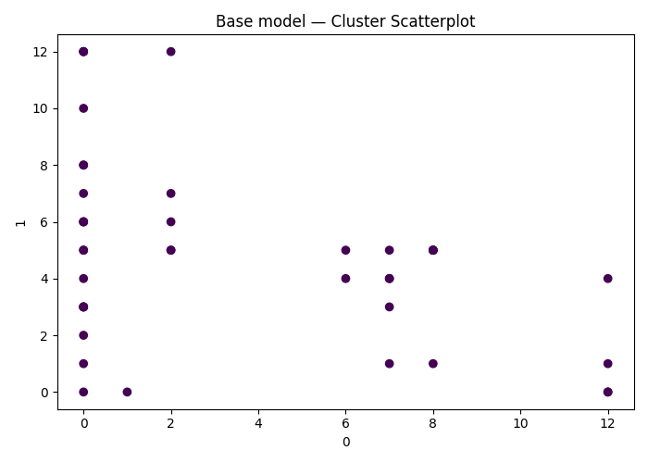
agglomerative Clustering on ['0', '1', '2', '3', '4', '5', '6', '7', '8', '9', '10', '11', '12', '13', '14', '15', '16', '17', '18', '19', '20', '21', '22', '23', '24', '25'] | (False, False, False, False) | 26 | {'agglomerative__linkage': 'complete', 'agglomerative__distance_threshold': np.float64(11.500000000000002)} |  | 0.12689334257 | -112.68933426 |  | 0 | 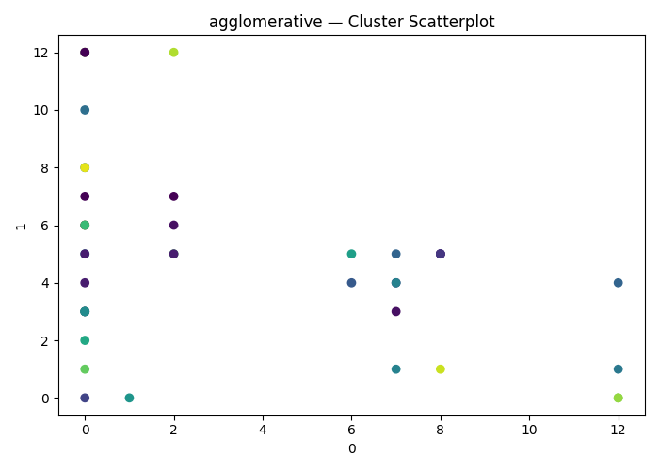 | 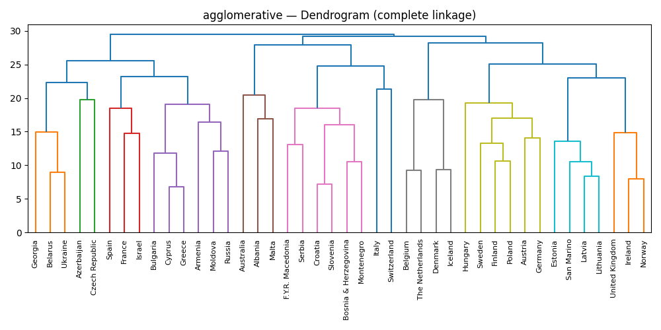
agglomerative Clustering on ['0', '1', '2', '3', '4', '5', '6', '7', '8', '9', '10', '11', '12', '13', '14', '15', '16', '17', '18', '19', '20', '21', '22', '23', '24', '25'] | (False, False, False, False) | 26 | {'agglomerative__linkage': 'average', 'agglomerative__distance_threshold': np.float64(11.500000000000002)} |  | 0.13393137636 | -113.39313764 |  | 0
agglomerative Clustering on ['0', '1', '2', '3', '4', '5', '6', '7', '8', '9', '10', '11', '12', '13', '14', '15', '16', '17', '18', '19', '20', '21', '22', '23', '24', '25'] | (False, False, False, False) | 26 | {'agglomerative__linkage': 'average', 'agglomerative__distance_threshold': np.float64(10.9)} |  | 0.12689334257 | -112.68933426 |  | 0
agglomerative Clustering on ['0', '1', '2', '3', '4', '5', '6', '7', '8', '9', '10', '11', '12', '13', '14', '15', '16', '17', '18', '19', '20', '21', '22', '23', '24', '25'] | (False, False, False, False) | 26 | {'agglomerative__linkage': 'complete', 'agglomerative__distance_threshold': np.float64(10.3)} |  | 0.10769929302 | -110.7699293 |  | 0
agglomerative Clustering on ['0', '1', '2', '3', '4', '5', '6', '7', '8', '9', '10', '11', '12', '13', '14', '15', '16', '17', '18', '19', '20', '21', '22', '23', '24', '25'] | (False, False, False, False) | 26 | {'agglomerative__linkage': 'complete', 'agglomerative__distance_threshold': np.float64(11.500000000000002)} |  | 0.12689334257 | -112.68933426 |  | 0
agglomerative Clustering on ['0', '1', '2', '3', '4', '5', '6', '7', '8', '9', '10', '11', '12', '13', '14', '15', '16', '17', '18', '19', '20', '21', '22', '23', '24', '25'] | (False, False, False, False) | 26 | {'agglomerative__linkage': 'average', 'agglomerative__distance_threshold': np.float64(11.500000000000002)} |  | 0.13393137636 | -113.39313764 |  | 0
agglomerative Clustering on ['0', '1', '2', '3', '4', '5', '6', '7', '8', '9', '10', '11', '12', '13', '14', '15', '16', '17', '18', '19', '20', '21', '22', '23', '24', '25'] | (False, False, False, False) | 26 | {'agglomerative__linkage': 'single', 'agglomerative__distance_threshold': np.float64(10.9)} |  | 0.11180660144 | -111.18066014 |  | 0
agglomerative Clustering on ['0', '1', '2', '3', '4', '5', '6', '7', '8', '9', '10', '11', '12', '13', '14', '15', '16', '17', '18', '19', '20', '21', '22', '23', '24', '25'] | (False, False, False, False) | 26 | {'agglomerative__linkage': 'average', 'agglomerative__distance_threshold': np.float64(11.500000000000002)} |  | 0.13393137636 | -113.39313764 |  | 0
agglomerative Clustering on ['0', '1', '2', '3', '4', '5', '6', '7', '8', '9', '10', '11', '12', '13', '14', '15', '16', '17', '18', '19', '20', '21', '22', '23', '24', '25'] | (False, False, False, False) | 26 | {'agglomerative__linkage': 'complete', 'agglomerative__distance_threshold': np.float64(11.500000000000002)} |  | 0.12689334257 | -112.68933426 |  | 0
agglomerative Clustering on ['0', '1', '2', '3', '4', '5', '6', '7', '8', '9', '10', '11', '12', '13', '14', '15', '16', '17', '18', '19', '20', '21', '22', '23', '24', '25'] | (False, False, False, False) | 26 | {'agglomerative__linkage': 'complete', 'agglomerative__distance_threshold': np.float64(11.500000000000002)} |  | 0.12689334257 | -112.68933426 |  | 0
agglomerative Clustering on ['0', '1', '2', '3', '4', '5', '6', '7', '8', '9', '10', '11', '12', '13', '14', '15', '16', '17', '18', '19', '20', '21', '22', '23', '24', '25'] | (False, PCA(n_components=np.int64(1)), False, False) | 26 | {'agglomerative__linkage': 'average', 'agglomerative__distance_threshold': np.float64(8.500000000000002)} |  | 0.1323802666 | -113.23802666 |  | 0 |  |  |  | 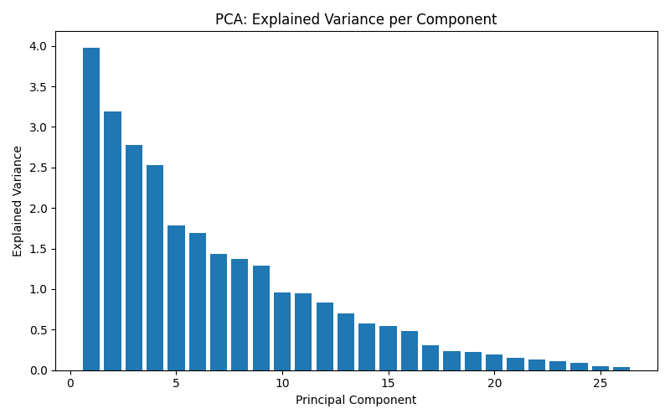
agglomerative Clustering on ['0', '1', '2', '3', '4', '5', '6', '7', '8', '9', '10', '11', '12', '13', '14', '15', '16', '17', '18', '19', '20', '21', '22', '23', '24', '25'] | (False, PCA(n_components=np.int64(2)), False, False) | 26 | {'agglomerative__linkage': 'average', 'agglomerative__distance_threshold': np.float64(9.100000000000001)} |  | 0.17452992914 | -117.45299291 |  | 0
agglomerative Clustering on ['0', '1', '2', '3', '4', '5', '6', '7', '8', '9', '10', '11', '12', '13', '14', '15', '16', '17', '18', '19', '20', '21', '22', '23', '24', '25'] | (False, PCA(n_components=np.int64(3)), False, False) | 26 | {'agglomerative__linkage': 'average', 'agglomerative__distance_threshold': np.float64(11.500000000000002)} |  | 0.1933987224 | -119.33987224 |  | 0
agglomerative Clustering on ['0', '1', '2', '3', '4', '5', '6', '7', '8', '9', '10', '11', '12', '13', '14', '15', '16', '17', '18', '19', '20', '21', '22', '23', '24', '25'] | (False, PCA(n_components=np.int64(4)), False, False) | 26 | {'agglomerative__linkage': 'average', 'agglomerative__distance_threshold': np.float64(6.700000000000001)} |  | 0.15742081187 | -115.74208119 |  | 0
agglomerative Clustering on ['0', '1', '2', '3', '4', '5', '6', '7', '8', '9', '10', '11', '12', '13', '14', '15', '16', '17', '18', '19', '20', '21', '22', '23', '24', '25'] | (False, PCA(n_components=np.int64(5)), False, False) | 26 | {'agglomerative__linkage': 'average', 'agglomerative__distance_threshold': np.float64(10.9)} |  | 0.16037499571 | -116.03749957 |  | 0
agglomerative Clustering on ['0', '1', '2', '3', '4', '5', '6', '7', '8', '9', '10', '11', '12', '13', '14', '15', '16', '17', '18', '19', '20', '21', '22', '23', '24', '25'] | (False, PCA(n_components=np.int64(6)), False, False) | 26 | {'agglomerative__linkage': 'single', 'agglomerative__distance_threshold': np.float64(10.9)} |  | 0.18503427217 | -118.50342722 |  | 0
agglomerative Clustering on ['0', '1', '2', '3', '4', '5', '6', '7', '8', '9', '10', '11', '12', '13', '14', '15', '16', '17', '18', '19', '20', '21', '22', '23', '24', '25'] | (False, PCA(n_components=np.int64(7)), False, False) | 26 | {'agglomerative__linkage': 'complete', 'agglomerative__distance_threshold': np.float64(10.9)} |  | 0.18955068608 | -118.95506861 |  | 0
agglomerative Clustering on ['0', '1', '2', '3', '4', '5', '6', '7', '8', '9', '10', '11', '12', '13', '14', '15', '16', '17', '18', '19', '20', '21', '22', '23', '24', '25'] | (False, PCA(n_components=np.int64(8)), False, False) | 26 | {'agglomerative__linkage': 'complete', 'agglomerative__distance_threshold': np.float64(11.500000000000002)} |  | 0.17634451867 | -117.63445187 |  | 0
agglomerative Clustering on ['0', '1', '2', '3', '4', '5', '6', '7', '8', '9', '10', '11', '12', '13', '14', '15', '16', '17', '18', '19', '20', '21', '22', '23', '24', '25'] | (False, PCA(n_components=np.int64(9)), False, False) | 26 | {'agglomerative__linkage': 'average', 'agglomerative__distance_threshold': np.float64(10.9)} |  | 0.19593344978 | -119.59334498 |  | 0
agglomerative Clustering on ['0', '1', '2', '3', '4', '5', '6', '7', '8', '9', '10', '11', '12', '13', '14', '15', '16', '17', '18', '19', '20', '21', '22', '23', '24', '25'] | (False, PCA(n_components=np.int64(26)), False, False) | 26 | {'agglomerative__linkage': 'average', 'agglomerative__distance_threshold': np.float64(11.500000000000002)} |  | 0.13393137636 | -113.39313764 |  | 0
agglomerative Clustering on ['0', '1', '2', '3', '4', '5', '6', '7', '8', '9', '10', '11', '12', '13', '14', '15', '16', '17', '18', '19', '20', '21', '22', '23', '24', '25'] | (True, PCA(n_components=np.int64(1)), False, False) | 26 | {'agglomerative__linkage': 'complete', 'agglomerative__distance_threshold': np.float64(6.1000000000000005)} |  | 0.10695964577 | -110.69596458 |  | 0
agglomerative Clustering on ['0', '1', '2', '3', '4', '5', '6', '7', '8', '9', '10', '11', '12', '13', '14', '15', '16', '17', '18', '19', '20', '21', '22', '23', '24', '25'] | (True, PCA(n_components=np.int64(2)), False, False) | 26 | {'agglomerative__linkage': 'complete', 'agglomerative__distance_threshold': np.float64(6.1000000000000005)} |  | 0.12431988051 | -112.43198805 |  | 0
agglomerative Clustering on ['0', '1', '2', '3', '4', '5', '6', '7', '8', '9', '10', '11', '12', '13', '14', '15', '16', '17', '18', '19', '20', '21', '22', '23', '24', '25'] | (True, PCA(n_components=np.int64(3)), False, False) | 26 | {'agglomerative__linkage': 'average', 'agglomerative__distance_threshold': np.float64(2.5000000000000004)} |  | 0.11583150628 | -111.58315063 |  | 0
agglomerative Clustering on ['0', '1', '2', '3', '4', '5', '6', '7', '8', '9', '10', '11', '12', '13', '14', '15', '16', '17', '18', '19', '20', '21', '22', '23', '24', '25'] | (True, PCA(n_components=np.int64(4)), False, False) | 26 | {'agglomerative__linkage': 'average', 'agglomerative__distance_threshold': np.float64(4.9)} |  | 0.19754184186 | -119.75418419 |  | 0
agglomerative Clustering on ['0', '1', '2', '3', '4', '5', '6', '7', '8', '9', '10', '11', '12', '13', '14', '15', '16', '17', '18', '19', '20', '21', '22', '23', '24', '25'] | (True, PCA(n_components=np.int64(5)), False, False) | 26 | {'agglomerative__linkage': 'complete', 'agglomerative__distance_threshold': np.float64(6.1000000000000005)} |  | 0.17486036399 | -117.4860364 |  | 0
agglomerative Clustering on ['0', '1', '2', '3', '4', '5', '6', '7', '8', '9', '10', '11', '12', '13', '14', '15', '16', '17', '18', '19', '20', '21', '22', '23', '24', '25'] | (True, PCA(n_components=np.int64(6)), False, False) | 26 | {'agglomerative__linkage': 'complete', 'agglomerative__distance_threshold': np.float64(5.5)} |  | 0.15165521806 | -115.16552181 |  | 0
agglomerative Clustering on ['0', '1', '2', '3', '4', '5', '6', '7', '8', '9', '10', '11', '12', '13', '14', '15', '16', '17', '18', '19', '20', '21', '22', '23', '24', '25'] | (True, PCA(n_components=np.int64(7)), False, False) | 26 | {'agglomerative__linkage': 'complete', 'agglomerative__distance_threshold': np.float64(3.1000000000000005)} |  | 0.16382141706 | -116.38214171 |  | 0
agglomerative Clustering on ['0', '1', '2', '3', '4', '5', '6', '7', '8', '9', '10', '11', '12', '13', '14', '15', '16', '17', '18', '19', '20', '21', '22', '23', '24', '25'] | (True, PCA(n_components=np.int64(8)), False, False) | 26 | {'agglomerative__linkage': 'complete', 'agglomerative__distance_threshold': np.float64(7.300000000000001)} |  | 0.17421556648 | -117.42155665 |  | 0
agglomerative Clustering on ['0', '1', '2', '3', '4', '5', '6', '7', '8', '9', '10', '11', '12', '13', '14', '15', '16', '17', '18', '19', '20', '21', '22', '23', '24', '25'] | (True, PCA(n_components=np.int64(9)), False, False) | 26 | {'agglomerative__linkage': 'complete', 'agglomerative__distance_threshold': np.float64(3.1000000000000005)} |  | 0.16275099591 | -116.27509959 |  | 0
agglomerative Clustering on ['0', '1', '2', '3', '4', '5', '6', '7', '8', '9', '10', '11', '12', '13', '14', '15', '16', '17', '18', '19', '20', '21', '22', '23', '24', '25'] | (True, PCA(n_components=np.int64(26)), False, False) | 26 | {'agglomerative__linkage': 'average', 'agglomerative__distance_threshold': np.float64(4.9)} |  | 0.13996933201 | -113.9969332 |  | 0
agglomerative Clustering on ['0', '1', '2', '3', '4', '5', '6', '7', '8', '9', '10', '11', '12', '13', '14', '15', '16', '17', '18', '19', '20', '21', '22', '23', '24', '25'] | (False, False, False, True) | 26 | {'agglomerative__linkage': 'complete', 'agglomerative__distance_threshold': np.float64(7.300000000000001)} |  | 0.068627061 | -106.8627061 |  | 0
agglomerative Clustering on ['0', '1', '2', '3', '4', '5', '6', '7', '8', '9', '10', '11', '12', '13', '14', '15', '16', '17', '18', '19', '20', '21', '22', '23', '24', '25'] | (False, False, False, True) | 26 | {'agglomerative__linkage': 'average', 'agglomerative__distance_threshold': np.float64(7.300000000000001)} |  | 0.13198789635 | -113.19878964 |  | 0
agglomerative Clustering on ['0', '1', '2', '3', '4', '5', '6', '7', '8', '9', '10', '11', '12', '13', '14', '15', '16', '17', '18', '19', '20', '21', '22', '23', '24', '25'] | (False, False, False, True) | 26 | {'agglomerative__linkage': 'average', 'agglomerative__distance_threshold': np.float64(7.9)} |  | 0.17981919717 | -117.98191972 |  | 0
agglomerative Clustering on ['0', '1', '2', '3', '4', '5', '6', '7', '8', '9', '10', '11', '12', '13', '14', '15', '16', '17', '18', '19', '20', '21', '22', '23', '24', '25'] | (False, False, False, True) | 26 | {'agglomerative__linkage': 'average', 'agglomerative__distance_threshold': np.float64(11.500000000000002)} |  | 0.1933987224 | -119.33987224 |  | 0
agglomerative Clustering on ['0', '1', '2', '3', '4', '5', '6', '7', '8', '9', '10', '11', '12', '13', '14', '15', '16', '17', '18', '19', '20', '21', '22', '23', '24', '25'] | (False, False, False, True) | 26 | {'agglomerative__linkage': 'complete', 'agglomerative__distance_threshold': np.float64(11.500000000000002)} |  | 0.16423242671 | -116.42324267 |  | 0
agglomerative Clustering on ['0', '1', '2', '3', '4', '5', '6', '7', '8', '9', '10', '11', '12', '13', '14', '15', '16', '17', '18', '19', '20', '21', '22', '23', '24', '25'] | (False, False, False, True) | 26 | {'agglomerative__linkage': 'complete', 'agglomerative__distance_threshold': np.float64(11.500000000000002)} |  | 0.1736934502 | -117.36934502 |  | 0
agglomerative Clustering on ['0', '1', '2', '3', '4', '5', '6', '7', '8', '9', '10', '11', '12', '13', '14', '15', '16', '17', '18', '19', '20', '21', '22', '23', '24', '25'] | (False, False, False, True) | 26 | {'agglomerative__linkage': 'single', 'agglomerative__distance_threshold': np.float64(10.9)} |  | 0.18503427217 | -118.50342722 |  | 0
agglomerative Clustering on ['0', '1', '2', '3', '4', '5', '6', '7', '8', '9', '10', '11', '12', '13', '14', '15', '16', '17', '18', '19', '20', '21', '22', '23', '24', '25'] | (False, False, False, True) | 26 | {'agglomerative__linkage': 'average', 'agglomerative__distance_threshold': np.float64(10.9)} |  | 0.18878497487 | -118.87849749 |  | 0
agglomerative Clustering on ['0', '1', '2', '3', '4', '5', '6', '7', '8', '9', '10', '11', '12', '13', '14', '15', '16', '17', '18', '19', '20', '21', '22', '23', '24', '25'] | (False, False, False, True) | 26 | {'agglomerative__linkage': 'single', 'agglomerative__distance_threshold': np.float64(11.500000000000002)} |  | 0.18640961962 | -118.64096196 |  | 0
agglomerative Clustering on ['0', '1', '2', '3', '4', '5', '6', '7', '8', '9', '10', '11', '12', '13', '14', '15', '16', '17', '18', '19', '20', '21', '22', '23', '24', '25'] | (False, False, False, True) | 26 | {'agglomerative__linkage': 'complete', 'agglomerative__distance_threshold': np.float64(11.500000000000002)} |  | 0.12689334257 | -112.68933426 |  | 0
agglomerative Clustering on ['0', '1', '2', '3', '4', '5', '6', '7', '8', '9', '10', '11', '12', '13', '14', '15', '16', '17', '18', '19', '20', '21', '22', '23', '24', '25'] | (True, False, False, True) | 26 | {'agglomerative__linkage': 'complete', 'agglomerative__distance_threshold': np.float64(7.300000000000001)} |  | 0.10695964577 | -110.69596458 |  | 0
agglomerative Clustering on ['0', '1', '2', '3', '4', '5', '6', '7', '8', '9', '10', '11', '12', '13', '14', '15', '16', '17', '18', '19', '20', '21', '22', '23', '24', '25'] | (True, False, False, True) | 26 | {'agglomerative__linkage': 'average', 'agglomerative__distance_threshold': np.float64(4.300000000000001)} |  | 0.098344790275 | -109.83447903 |  | 0
agglomerative Clustering on ['0', '1', '2', '3', '4', '5', '6', '7', '8', '9', '10', '11', '12', '13', '14', '15', '16', '17', '18', '19', '20', '21', '22', '23', '24', '25'] | (True, False, False, True) | 26 | {'agglomerative__linkage': 'average', 'agglomerative__distance_threshold': np.float64(2.5000000000000004)} |  | 0.11583150628 | -111.58315063 |  | 0
agglomerative Clustering on ['0', '1', '2', '3', '4', '5', '6', '7', '8', '9', '10', '11', '12', '13', '14', '15', '16', '17', '18', '19', '20', '21', '22', '23', '24', '25'] | (True, False, False, True) | 26 | {'agglomerative__linkage': 'average', 'agglomerative__distance_threshold': np.float64(3.1000000000000005)} |  | 0.17870791798 | -117.8707918 |  | 0
agglomerative Clustering on ['0', '1', '2', '3', '4', '5', '6', '7', '8', '9', '10', '11', '12', '13', '14', '15', '16', '17', '18', '19', '20', '21', '22', '23', '24', '25'] | (True, False, False, True) | 26 | {'agglomerative__linkage': 'complete', 'agglomerative__distance_threshold': np.float64(6.1000000000000005)} |  | 0.17486036399 | -117.4860364 |  | 0
agglomerative Clustering on ['0', '1', '2', '3', '4', '5', '6', '7', '8', '9', '10', '11', '12', '13', '14', '15', '16', '17', '18', '19', '20', '21', '22', '23', '24', '25'] | (True, False, False, True) | 26 | {'agglomerative__linkage': 'complete', 'agglomerative__distance_threshold': np.float64(6.700000000000001)} |  | 0.15165521806 | -115.16552181 |  | 0
agglomerative Clustering on ['0', '1', '2', '3', '4', '5', '6', '7', '8', '9', '10', '11', '12', '13', '14', '15', '16', '17', '18', '19', '20', '21', '22', '23', '24', '25'] | (True, False, False, True) | 26 | {'agglomerative__linkage': 'complete', 'agglomerative__distance_threshold': np.float64(3.1000000000000005)} |  | 0.16382141706 | -116.38214171 |  | 0
agglomerative Clustering on ['0', '1', '2', '3', '4', '5', '6', '7', '8', '9', '10', '11', '12', '13', '14', '15', '16', '17', '18', '19', '20', '21', '22', '23', '24', '25'] | (True, False, False, True) | 26 | {'agglomerative__linkage': 'complete', 'agglomerative__distance_threshold': np.float64(3.1000000000000005)} |  | 0.16205863835 | -116.20586383 |  | 0
agglomerative Clustering on ['0', '1', '2', '3', '4', '5', '6', '7', '8', '9', '10', '11', '12', '13', '14', '15', '16', '17', '18', '19', '20', '21', '22', '23', '24', '25'] | (True, False, False, True) | 26 | {'agglomerative__linkage': 'complete', 'agglomerative__distance_threshold': np.float64(6.700000000000001)} |  | 0.13469987802 | -113.4699878 |  | 0
agglomerative Clustering on ['0', '1', '2', '3', '4', '5', '6', '7', '8', '9', '10', '11', '12', '13', '14', '15', '16', '17', '18', '19', '20', '21', '22', '23', '24', '25'] | (True, False, False, True) | 26 | {'agglomerative__linkage': 'complete', 'agglomerative__distance_threshold': np.float64(4.9)} |  | 0.16725067669 | -116.72506767 |  | 0
dbscan Clustering on ['0', '1', '2', '3', '4', '5', '6', '7', '8', '9', '10', '11', '12', '13', '14', '15', '16', '17', '18', '19', '20', '21', '22', '23', '24', '25'] | (False, False, False, False) | 26 | {'dbscan__min_samples': np.int64(1), 'dbscan__eps': np.float64(10.9)} |  | 0.11180660144 | -111.18066014 |  | 0 | 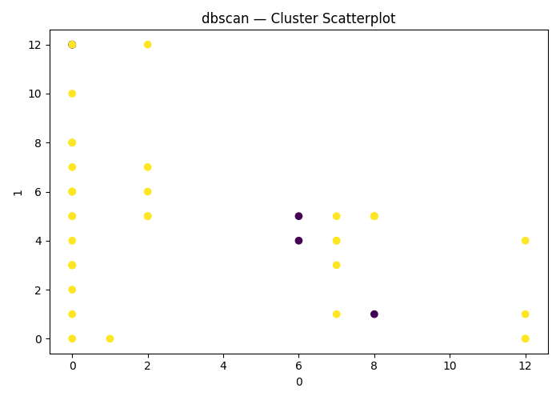
dbscan Clustering on ['0', '1', '2', '3', '4', '5', '6', '7', '8', '9', '10', '11', '12', '13', '14', '15', '16', '17', '18', '19', '20', '21', '22', '23', '24', '25'] | (False, False, False, False) | 26 | {'dbscan__min_samples': np.int64(2), 'dbscan__eps': np.float64(11.500000000000002)} |  | 0.10041881078 | -110.04188108 |  | 0
dbscan Clustering on ['0', '1', '2', '3', '4', '5', '6', '7', '8', '9', '10', '11', '12', '13', '14', '15', '16', '17', '18', '19', '20', '21', '22', '23', '24', '25'] | (False, False, False, False) | 26 | {'dbscan__min_samples': np.int64(20), 'dbscan__eps': np.float64(7.300000000000001)} |  |  | 0 |  | 0
dbscan Clustering on ['0', '1', '2', '3', '4', '5', '6', '7', '8', '9', '10', '11', '12', '13', '14', '15', '16', '17', '18', '19', '20', '21', '22', '23', '24', '25'] | (False, False, False, False) | 26 | {'dbscan__min_samples': np.int64(2), 'dbscan__eps': np.float64(10.9)} |  | 0.038888709976 | -103.888871 |  | 0
dbscan Clustering on ['0', '1', '2', '3', '4', '5', '6', '7', '8', '9', '10', '11', '12', '13', '14', '15', '16', '17', '18', '19', '20', '21', '22', '23', '24', '25'] | (False, False, False, False) | 26 | {'dbscan__min_samples': np.int64(8), 'dbscan__eps': np.float64(8.500000000000002)} |  |  | 0 |  | 0
dbscan Clustering on ['0', '1', '2', '3', '4', '5', '6', '7', '8', '9', '10', '11', '12', '13', '14', '15', '16', '17', '18', '19', '20', '21', '22', '23', '24', '25'] | (False, False, False, False) | 26 | {'dbscan__min_samples': np.int64(36), 'dbscan__eps': np.float64(0.1)} |  |  | 0 |  | 0
dbscan Clustering on ['0', '1', '2', '3', '4', '5', '6', '7', '8', '9', '10', '11', '12', '13', '14', '15', '16', '17', '18', '19', '20', '21', '22', '23', '24', '25'] | (False, False, False, False) | 26 | {'dbscan__min_samples': np.int64(36), 'dbscan__eps': np.float64(6.700000000000001)} |  |  | 0 |  | 0
dbscan Clustering on ['0', '1', '2', '3', '4', '5', '6', '7', '8', '9', '10', '11', '12', '13', '14', '15', '16', '17', '18', '19', '20', '21', '22', '23', '24', '25'] | (False, False, False, False) | 26 | {'dbscan__min_samples': np.int64(15), 'dbscan__eps': np.float64(5.5)} |  |  | 0 |  | 0
dbscan Clustering on ['0', '1', '2', '3', '4', '5', '6', '7', '8', '9', '10', '11', '12', '13', '14', '15', '16', '17', '18', '19', '20', '21', '22', '23', '24', '25'] | (False, False, False, False) | 26 | {'dbscan__min_samples': np.int64(2), 'dbscan__eps': np.float64(9.700000000000001)} |  | 0.0016929622664 | -100.16929623 |  | 0
dbscan Clustering on ['0', '1', '2', '3', '4', '5', '6', '7', '8', '9', '10', '11', '12', '13', '14', '15', '16', '17', '18', '19', '20', '21', '22', '23', '24', '25'] | (False, False, False, False) | 26 | {'dbscan__min_samples': np.int64(16), 'dbscan__eps': np.float64(6.700000000000001)} |  |  | 0 |  | 0
dbscan Clustering on ['0', '1', '2', '3', '4', '5', '6', '7', '8', '9', '10', '11', '12', '13', '14', '15', '16', '17', '18', '19', '20', '21', '22', '23', '24', '25'] | (False, PCA(n_components=np.int64(1)), False, False) | 26 | {'dbscan__min_samples': np.int64(19), 'dbscan__eps': np.float64(3.7000000000000006)} |  | 0.1323802666 | -113.23802666 |  | 0
dbscan Clustering on ['0', '1', '2', '3', '4', '5', '6', '7', '8', '9', '10', '11', '12', '13', '14', '15', '16', '17', '18', '19', '20', '21', '22', '23', '24', '25'] | (False, PCA(n_components=np.int64(2)), False, False) | 26 | {'dbscan__min_samples': np.int64(4), 'dbscan__eps': np.float64(3.1000000000000005)} |  | 0.15759496894 | -115.75949689 |  | 0
dbscan Clustering on ['0', '1', '2', '3', '4', '5', '6', '7', '8', '9', '10', '11', '12', '13', '14', '15', '16', '17', '18', '19', '20', '21', '22', '23', '24', '25'] | (False, PCA(n_components=np.int64(3)), False, False) | 26 | {'dbscan__min_samples': np.int64(10), 'dbscan__eps': np.float64(6.700000000000001)} |  | 0.083877768211 | -108.38777682 |  | 0
dbscan Clustering on ['0', '1', '2', '3', '4', '5', '6', '7', '8', '9', '10', '11', '12', '13', '14', '15', '16', '17', '18', '19', '20', '21', '22', '23', '24', '25'] | (False, PCA(n_components=np.int64(4)), False, False) | 26 | {'dbscan__min_samples': np.int64(3), 'dbscan__eps': np.float64(7.9)} |  | 0.14936422989 | -114.93642299 |  | 0
dbscan Clustering on ['0', '1', '2', '3', '4', '5', '6', '7', '8', '9', '10', '11', '12', '13', '14', '15', '16', '17', '18', '19', '20', '21', '22', '23', '24', '25'] | (False, PCA(n_components=np.int64(5)), False, False) | 26 | {'dbscan__min_samples': np.int64(13), 'dbscan__eps': np.float64(10.3)} |  | 0.04355226982 | -104.35522698 |  | 0
dbscan Clustering on ['0', '1', '2', '3', '4', '5', '6', '7', '8', '9', '10', '11', '12', '13', '14', '15', '16', '17', '18', '19', '20', '21', '22', '23', '24', '25'] | (False, PCA(n_components=np.int64(6)), False, False) | 26 | {'dbscan__min_samples': np.int64(2), 'dbscan__eps': np.float64(10.3)} |  | 0.20164324755 | -120.16432475 |  | 0
dbscan Clustering on ['0', '1', '2', '3', '4', '5', '6', '7', '8', '9', '10', '11', '12', '13', '14', '15', '16', '17', '18', '19', '20', '21', '22', '23', '24', '25'] | (False, PCA(n_components=np.int64(7)), False, False) | 26 | {'dbscan__min_samples': np.int64(2), 'dbscan__eps': np.float64(6.1000000000000005)} |  | 0.10009086166 | -110.00908617 |  | 0
dbscan Clustering on ['0', '1', '2', '3', '4', '5', '6', '7', '8', '9', '10', '11', '12', '13', '14', '15', '16', '17', '18', '19', '20', '21', '22', '23', '24', '25'] | (False, PCA(n_components=np.int64(8)), False, False) | 26 | {'dbscan__min_samples': np.int64(37), 'dbscan__eps': np.float64(6.700000000000001)} |  |  | 0 |  | 0
dbscan Clustering on ['0', '1', '2', '3', '4', '5', '6', '7', '8', '9', '10', '11', '12', '13', '14', '15', '16', '17', '18', '19', '20', '21', '22', '23', '24', '25'] | (False, PCA(n_components=np.int64(9)), False, False) | 26 | {'dbscan__min_samples': np.int64(2), 'dbscan__eps': np.float64(6.700000000000001)} |  | 0.043647699144 | -104.36476991 |  | 0
dbscan Clustering on ['0', '1', '2', '3', '4', '5', '6', '7', '8', '9', '10', '11', '12', '13', '14', '15', '16', '17', '18', '19', '20', '21', '22', '23', '24', '25'] | (False, PCA(n_components=np.int64(26)), False, False) | 26 | {'dbscan__min_samples': np.int64(8), 'dbscan__eps': np.float64(0.7000000000000001)} |  |  | 0 |  | 0
dbscan Clustering on ['0', '1', '2', '3', '4', '5', '6', '7', '8', '9', '10', '11', '12', '13', '14', '15', '16', '17', '18', '19', '20', '21', '22', '23', '24', '25'] | (True, PCA(n_components=np.int64(1)), False, False) | 26 | {'dbscan__min_samples': np.int64(26), 'dbscan__eps': np.float64(2.5000000000000004)} |  | 0.059654727986 | -105.9654728 |  | 0
dbscan Clustering on ['0', '1', '2', '3', '4', '5', '6', '7', '8', '9', '10', '11', '12', '13', '14', '15', '16', '17', '18', '19', '20', '21', '22', '23', '24', '25'] | (True, PCA(n_components=np.int64(2)), False, False) | 26 | {'dbscan__min_samples': np.int64(36), 'dbscan__eps': np.float64(3.7000000000000006)} |  | 0.123134958 | -112.3134958 |  | 0
dbscan Clustering on ['0', '1', '2', '3', '4', '5', '6', '7', '8', '9', '10', '11', '12', '13', '14', '15', '16', '17', '18', '19', '20', '21', '22', '23', '24', '25'] | (True, PCA(n_components=np.int64(3)), False, False) | 26 | {'dbscan__min_samples': np.int64(1), 'dbscan__eps': np.float64(0.7000000000000001)} |  | -0.0057711519585 | -99.422884804 |  | 0
dbscan Clustering on ['0', '1', '2', '3', '4', '5', '6', '7', '8', '9', '10', '11', '12', '13', '14', '15', '16', '17', '18', '19', '20', '21', '22', '23', '24', '25'] | (True, PCA(n_components=np.int64(4)), False, False) | 26 | {'dbscan__min_samples': np.int64(22), 'dbscan__eps': np.float64(4.300000000000001)} |  | 0.14305556343 | -114.30555634 |  | 0
dbscan Clustering on ['0', '1', '2', '3', '4', '5', '6', '7', '8', '9', '10', '11', '12', '13', '14', '15', '16', '17', '18', '19', '20', '21', '22', '23', '24', '25'] | (True, PCA(n_components=np.int64(5)), False, False) | 26 | {'dbscan__min_samples': np.int64(10), 'dbscan__eps': np.float64(3.1000000000000005)} |  | 0.086934727702 | -108.69347277 |  | 0
dbscan Clustering on ['0', '1', '2', '3', '4', '5', '6', '7', '8', '9', '10', '11', '12', '13', '14', '15', '16', '17', '18', '19', '20', '21', '22', '23', '24', '25'] | (True, PCA(n_components=np.int64(6)), False, False) | 26 | {'dbscan__min_samples': np.int64(3), 'dbscan__eps': np.float64(3.1000000000000005)} |  | 0.128222409 | -112.8222409 |  | 0
dbscan Clustering on ['0', '1', '2', '3', '4', '5', '6', '7', '8', '9', '10', '11', '12', '13', '14', '15', '16', '17', '18', '19', '20', '21', '22', '23', '24', '25'] | (True, PCA(n_components=np.int64(7)), False, False) | 26 | {'dbscan__min_samples': np.int64(25), 'dbscan__eps': np.float64(5.5)} |  | 0.14305556343 | -114.30555634 |  | 0
dbscan Clustering on ['0', '1', '2', '3', '4', '5', '6', '7', '8', '9', '10', '11', '12', '13', '14', '15', '16', '17', '18', '19', '20', '21', '22', '23', '24', '25'] | (True, PCA(n_components=np.int64(8)), False, False) | 26 | {'dbscan__min_samples': np.int64(2), 'dbscan__eps': np.float64(3.7000000000000006)} |  | 0.14510053208 | -114.51005321 |  | 0
dbscan Clustering on ['0', '1', '2', '3', '4', '5', '6', '7', '8', '9', '10', '11', '12', '13', '14', '15', '16', '17', '18', '19', '20', '21', '22', '23', '24', '25'] | (True, PCA(n_components=np.int64(9)), False, False) | 26 | {'dbscan__min_samples': np.int64(23), 'dbscan__eps': np.float64(5.5)} |  | 0.10558901407 | -110.55890141 |  | 0
dbscan Clustering on ['0', '1', '2', '3', '4', '5', '6', '7', '8', '9', '10', '11', '12', '13', '14', '15', '16', '17', '18', '19', '20', '21', '22', '23', '24', '25'] | (True, PCA(n_components=np.int64(26)), False, False) | 26 | {'dbscan__min_samples': np.int64(1), 'dbscan__eps': np.float64(3.7000000000000006)} |  | 0.091614958059 | -109.16149581 |  | 0
dbscan Clustering on ['0', '1', '2', '3', '4', '5', '6', '7', '8', '9', '10', '11', '12', '13', '14', '15', '16', '17', '18', '19', '20', '21', '22', '23', '24', '25'] | (False, False, False, True) | 26 | {'dbscan__min_samples': np.int64(20), 'dbscan__eps': np.float64(2.5000000000000004)} |  | 0.093280735827 | -109.32807358 |  | 0
dbscan Clustering on ['0', '1', '2', '3', '4', '5', '6', '7', '8', '9', '10', '11', '12', '13', '14', '15', '16', '17', '18', '19', '20', '21', '22', '23', '24', '25'] | (False, False, False, True) | 26 | {'dbscan__min_samples': np.int64(26), 'dbscan__eps': np.float64(6.700000000000001)} |  | 0.1200437856 | -112.00437856 |  | 0
dbscan Clustering on ['0', '1', '2', '3', '4', '5', '6', '7', '8', '9', '10', '11', '12', '13', '14', '15', '16', '17', '18', '19', '20', '21', '22', '23', '24', '25'] | (False, False, False, True) | 26 | {'dbscan__min_samples': np.int64(10), 'dbscan__eps': np.float64(7.9)} |  | 0.14766867067 | -114.76686707 |  | 0
dbscan Clustering on ['0', '1', '2', '3', '4', '5', '6', '7', '8', '9', '10', '11', '12', '13', '14', '15', '16', '17', '18', '19', '20', '21', '22', '23', '24', '25'] | (False, False, False, True) | 26 | {'dbscan__min_samples': np.int64(4), 'dbscan__eps': np.float64(5.5)} |  | 0.092239337992 | -109.2239338 |  | 0
dbscan Clustering on ['0', '1', '2', '3', '4', '5', '6', '7', '8', '9', '10', '11', '12', '13', '14', '15', '16', '17', '18', '19', '20', '21', '22', '23', '24', '25'] | (False, False, False, True) | 26 | {'dbscan__min_samples': np.int64(10), 'dbscan__eps': np.float64(11.500000000000002)} |  | 0.11161727413 | -111.16172741 |  | 0
dbscan Clustering on ['0', '1', '2', '3', '4', '5', '6', '7', '8', '9', '10', '11', '12', '13', '14', '15', '16', '17', '18', '19', '20', '21', '22', '23', '24', '25'] | (False, False, False, True) | 26 | {'dbscan__min_samples': np.int64(9), 'dbscan__eps': np.float64(10.9)} |  | 0.12988896094 | -112.98889609 |  | 0
dbscan Clustering on ['0', '1', '2', '3', '4', '5', '6', '7', '8', '9', '10', '11', '12', '13', '14', '15', '16', '17', '18', '19', '20', '21', '22', '23', '24', '25'] | (False, False, False, True) | 26 | {'dbscan__min_samples': np.int64(3), 'dbscan__eps': np.float64(9.700000000000001)} |  | 0.18856168793 | -118.85616879 |  | 0
dbscan Clustering on ['0', '1', '2', '3', '4', '5', '6', '7', '8', '9', '10', '11', '12', '13', '14', '15', '16', '17', '18', '19', '20', '21', '22', '23', '24', '25'] | (False, False, False, True) | 26 | {'dbscan__min_samples': np.int64(32), 'dbscan__eps': np.float64(6.1000000000000005)} |  |  | 0 |  | 0
dbscan Clustering on ['0', '1', '2', '3', '4', '5', '6', '7', '8', '9', '10', '11', '12', '13', '14', '15', '16', '17', '18', '19', '20', '21', '22', '23', '24', '25'] | (False, False, False, True) | 26 | {'dbscan__min_samples': np.int64(1), 'dbscan__eps': np.float64(11.500000000000002)} |  | 0.18640961962 | -118.64096196 |  | 0
dbscan Clustering on ['0', '1', '2', '3', '4', '5', '6', '7', '8', '9', '10', '11', '12', '13', '14', '15', '16', '17', '18', '19', '20', '21', '22', '23', '24', '25'] | (False, False, False, True) | 26 | {'dbscan__min_samples': np.int64(2), 'dbscan__eps': np.float64(8.500000000000002)} |  | -0.053172480542 | -94.682751946 |  | 0
dbscan Clustering on ['0', '1', '2', '3', '4', '5', '6', '7', '8', '9', '10', '11', '12', '13', '14', '15', '16', '17', '18', '19', '20', '21', '22', '23', '24', '25'] | (True, False, False, True) | 26 | {'dbscan__min_samples': np.int64(17), 'dbscan__eps': np.float64(1.3000000000000003)} |  | 0.10695964577 | -110.69596458 |  | 0
dbscan Clustering on ['0', '1', '2', '3', '4', '5', '6', '7', '8', '9', '10', '11', '12', '13', '14', '15', '16', '17', '18', '19', '20', '21', '22', '23', '24', '25'] | (True, False, False, True) | 26 | {'dbscan__min_samples': np.int64(13), 'dbscan__eps': np.float64(2.5000000000000004)} |  | 0.12530534576 | -112.53053458 |  | 0
dbscan Clustering on ['0', '1', '2', '3', '4', '5', '6', '7', '8', '9', '10', '11', '12', '13', '14', '15', '16', '17', '18', '19', '20', '21', '22', '23', '24', '25'] | (True, False, False, True) | 26 | {'dbscan__min_samples': np.int64(2), 'dbscan__eps': np.float64(1.9000000000000004)} |  | 0.049652727108 | -104.96527271 |  | 0
dbscan Clustering on ['0', '1', '2', '3', '4', '5', '6', '7', '8', '9', '10', '11', '12', '13', '14', '15', '16', '17', '18', '19', '20', '21', '22', '23', '24', '25'] | (True, False, False, True) | 26 | {'dbscan__min_samples': np.int64(49), 'dbscan__eps': np.float64(10.3)} |  |  | 0 |  | 0
dbscan Clustering on ['0', '1', '2', '3', '4', '5', '6', '7', '8', '9', '10', '11', '12', '13', '14', '15', '16', '17', '18', '19', '20', '21', '22', '23', '24', '25'] | (True, False, False, True) | 26 | {'dbscan__min_samples': np.int64(33), 'dbscan__eps': np.float64(4.9)} |  | 0.11436790954 | -111.43679095 |  | 0
dbscan Clustering on ['0', '1', '2', '3', '4', '5', '6', '7', '8', '9', '10', '11', '12', '13', '14', '15', '16', '17', '18', '19', '20', '21', '22', '23', '24', '25'] | (True, False, False, True) | 26 | {'dbscan__min_samples': np.int64(27), 'dbscan__eps': np.float64(4.9)} |  | 0.12048594497 | -112.0485945 |  | 0
dbscan Clustering on ['0', '1', '2', '3', '4', '5', '6', '7', '8', '9', '10', '11', '12', '13', '14', '15', '16', '17', '18', '19', '20', '21', '22', '23', '24', '25'] | (True, False, False, True) | 26 | {'dbscan__min_samples': np.int64(3), 'dbscan__eps': np.float64(3.7000000000000006)} |  | 0.13670008614 | -113.67000861 |  | 0
dbscan Clustering on ['0', '1', '2', '3', '4', '5', '6', '7', '8', '9', '10', '11', '12', '13', '14', '15', '16', '17', '18', '19', '20', '21', '22', '23', '24', '25'] | (True, False, False, True) | 26 | {'dbscan__min_samples': np.int64(4), 'dbscan__eps': np.float64(3.7000000000000006)} |  | 0.14182153747 | -114.18215375 |  | 0
dbscan Clustering on ['0', '1', '2', '3', '4', '5', '6', '7', '8', '9', '10', '11', '12', '13', '14', '15', '16', '17', '18', '19', '20', '21', '22', '23', '24', '25'] | (True, False, False, True) | 26 | {'dbscan__min_samples': np.int64(15), 'dbscan__eps': np.float64(4.9)} |  | 0.090643728627 | -109.06437286 |  | 0
dbscan Clustering on ['0', '1', '2', '3', '4', '5', '6', '7', '8', '9', '10', '11', '12', '13', '14', '15', '16', '17', '18', '19', '20', '21', '22', '23', '24', '25'] | (True, False, False, True) | 26 | {'dbscan__min_samples': np.int64(9), 'dbscan__eps': np.float64(6.1000000000000005)} |  | 0.074919682542 | -107.49196825 |  | 0
hdbscan Clustering on ['0', '1', '2', '3', '4', '5', '6', '7', '8', '9', '10', '11', '12', '13', '14', '15', '16', '17', '18', '19', '20', '21', '22', '23', '24', '25'] | (False, False, False, False) | 26 | {'hdbscan__min_cluster_size': np.int64(4)} |  | 0.068168151807 | -106.81681518 |  | 0 | 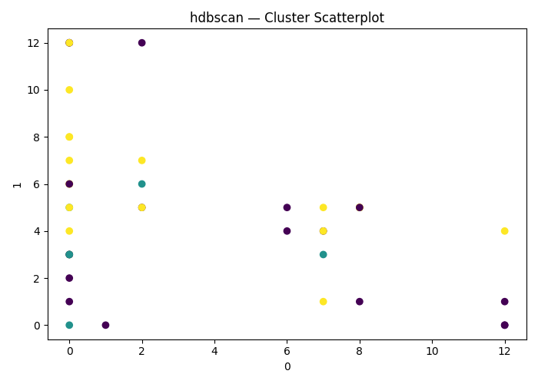
hdbscan Clustering on ['0', '1', '2', '3', '4', '5', '6', '7', '8', '9', '10', '11', '12', '13', '14', '15', '16', '17', '18', '19', '20', '21', '22', '23', '24', '25'] | (False, False, False, False) | 26 | {'hdbscan__min_cluster_size': np.int64(2)} |  | 0.1338340983 | -113.38340983 |  | 0
hdbscan Clustering on ['0', '1', '2', '3', '4', '5', '6', '7', '8', '9', '10', '11', '12', '13', '14', '15', '16', '17', '18', '19', '20', '21', '22', '23', '24', '25'] | (False, False, False, False) | 26 | {'hdbscan__min_cluster_size': np.int64(3)} |  | 0.13265134998 | -113.265135 |  | 0
hdbscan Clustering on ['0', '1', '2', '3', '4', '5', '6', '7', '8', '9', '10', '11', '12', '13', '14', '15', '16', '17', '18', '19', '20', '21', '22', '23', '24', '25'] | (False, False, False, False) | 26 | {'hdbscan__min_cluster_size': np.int64(3)} |  | 0.13265134998 | -113.265135 |  | 0
hdbscan Clustering on ['0', '1', '2', '3', '4', '5', '6', '7', '8', '9', '10', '11', '12', '13', '14', '15', '16', '17', '18', '19', '20', '21', '22', '23', '24', '25'] | (False, False, False, False) | 26 | {'hdbscan__min_cluster_size': np.int64(2)} |  | 0.1338340983 | -113.38340983 |  | 0
hdbscan Clustering on ['0', '1', '2', '3', '4', '5', '6', '7', '8', '9', '10', '11', '12', '13', '14', '15', '16', '17', '18', '19', '20', '21', '22', '23', '24', '25'] | (False, False, False, False) | 26 | {'hdbscan__min_cluster_size': np.int64(2)} |  | 0.1338340983 | -113.38340983 |  | 0
hdbscan Clustering on ['0', '1', '2', '3', '4', '5', '6', '7', '8', '9', '10', '11', '12', '13', '14', '15', '16', '17', '18', '19', '20', '21', '22', '23', '24', '25'] | (False, False, False, False) | 26 | {'hdbscan__min_cluster_size': np.int64(3)} |  | 0.13265134998 | -113.265135 |  | 0
hdbscan Clustering on ['0', '1', '2', '3', '4', '5', '6', '7', '8', '9', '10', '11', '12', '13', '14', '15', '16', '17', '18', '19', '20', '21', '22', '23', '24', '25'] | (False, False, False, False) | 26 | {'hdbscan__min_cluster_size': np.int64(2)} |  | 0.1338340983 | -113.38340983 |  | 0
hdbscan Clustering on ['0', '1', '2', '3', '4', '5', '6', '7', '8', '9', '10', '11', '12', '13', '14', '15', '16', '17', '18', '19', '20', '21', '22', '23', '24', '25'] | (False, False, False, False) | 26 | {'hdbscan__min_cluster_size': np.int64(4)} |  | 0.068168151807 | -106.81681518 |  | 0
hdbscan Clustering on ['0', '1', '2', '3', '4', '5', '6', '7', '8', '9', '10', '11', '12', '13', '14', '15', '16', '17', '18', '19', '20', '21', '22', '23', '24', '25'] | (False, False, False, False) | 26 | {'hdbscan__min_cluster_size': np.int64(2)} |  | 0.1338340983 | -113.38340983 |  | 0
hdbscan Clustering on ['0', '1', '2', '3', '4', '5', '6', '7', '8', '9', '10', '11', '12', '13', '14', '15', '16', '17', '18', '19', '20', '21', '22', '23', '24', '25'] | (False, PCA(n_components=np.int64(1)), False, False) | 26 | {'hdbscan__min_cluster_size': np.int64(7)} |  | 0.046913925051 | -104.69139251 |  | 0
hdbscan Clustering on ['0', '1', '2', '3', '4', '5', '6', '7', '8', '9', '10', '11', '12', '13', '14', '15', '16', '17', '18', '19', '20', '21', '22', '23', '24', '25'] | (False, PCA(n_components=np.int64(2)), False, False) | 26 | {'hdbscan__min_cluster_size': np.int64(3)} |  | 0.15641943685 | -115.64194369 |  | 0
hdbscan Clustering on ['0', '1', '2', '3', '4', '5', '6', '7', '8', '9', '10', '11', '12', '13', '14', '15', '16', '17', '18', '19', '20', '21', '22', '23', '24', '25'] | (False, PCA(n_components=np.int64(3)), False, False) | 26 | {'hdbscan__min_cluster_size': np.int64(2)} |  | 0.14918078511 | -114.91807851 |  | 0
hdbscan Clustering on ['0', '1', '2', '3', '4', '5', '6', '7', '8', '9', '10', '11', '12', '13', '14', '15', '16', '17', '18', '19', '20', '21', '22', '23', '24', '25'] | (False, PCA(n_components=np.int64(4)), False, False) | 26 | {'hdbscan__min_cluster_size': np.int64(2)} |  | 0.13443907742 | -113.44390774 |  | 0
hdbscan Clustering on ['0', '1', '2', '3', '4', '5', '6', '7', '8', '9', '10', '11', '12', '13', '14', '15', '16', '17', '18', '19', '20', '21', '22', '23', '24', '25'] | (False, PCA(n_components=np.int64(5)), False, False) | 26 | {'hdbscan__min_cluster_size': np.int64(3)} |  | 0.16920248291 | -116.92024829 |  | 0
hdbscan Clustering on ['0', '1', '2', '3', '4', '5', '6', '7', '8', '9', '10', '11', '12', '13', '14', '15', '16', '17', '18', '19', '20', '21', '22', '23', '24', '25'] | (False, PCA(n_components=np.int64(6)), False, False) | 26 | {'hdbscan__min_cluster_size': np.int64(2)} |  | 0.16902437022 | -116.90243702 |  | 0
hdbscan Clustering on ['0', '1', '2', '3', '4', '5', '6', '7', '8', '9', '10', '11', '12', '13', '14', '15', '16', '17', '18', '19', '20', '21', '22', '23', '24', '25'] | (False, PCA(n_components=np.int64(7)), False, False) | 26 | {'hdbscan__min_cluster_size': np.int64(2)} |  | 0.18856168793 | -118.85616879 |  | 0
hdbscan Clustering on ['0', '1', '2', '3', '4', '5', '6', '7', '8', '9', '10', '11', '12', '13', '14', '15', '16', '17', '18', '19', '20', '21', '22', '23', '24', '25'] | (False, PCA(n_components=np.int64(8)), False, False) | 26 | {'hdbscan__min_cluster_size': np.int64(3)} |  | 0.1305741004 | -113.05741004 |  | 0
hdbscan Clustering on ['0', '1', '2', '3', '4', '5', '6', '7', '8', '9', '10', '11', '12', '13', '14', '15', '16', '17', '18', '19', '20', '21', '22', '23', '24', '25'] | (False, PCA(n_components=np.int64(9)), False, False) | 26 | {'hdbscan__min_cluster_size': np.int64(4)} |  | 0.1358174366 | -113.58174366 |  | 0
hdbscan Clustering on ['0', '1', '2', '3', '4', '5', '6', '7', '8', '9', '10', '11', '12', '13', '14', '15', '16', '17', '18', '19', '20', '21', '22', '23', '24', '25'] | (False, PCA(n_components=np.int64(26)), False, False) | 26 | {'hdbscan__min_cluster_size': np.int64(2)} |  | 0.1338340983 | -113.38340983 |  | 0
hdbscan Clustering on ['0', '1', '2', '3', '4', '5', '6', '7', '8', '9', '10', '11', '12', '13', '14', '15', '16', '17', '18', '19', '20', '21', '22', '23', '24', '25'] | (True, PCA(n_components=np.int64(1)), False, False) | 26 | {'hdbscan__min_cluster_size': np.int64(3)} |  | 0.0041244386157 | -100.41244386 |  | 0
hdbscan Clustering on ['0', '1', '2', '3', '4', '5', '6', '7', '8', '9', '10', '11', '12', '13', '14', '15', '16', '17', '18', '19', '20', '21', '22', '23', '24', '25'] | (True, PCA(n_components=np.int64(2)), False, False) | 26 | {'hdbscan__min_cluster_size': np.int64(3)} |  | 0.047399687934 | -104.73996879 |  | 0
hdbscan Clustering on ['0', '1', '2', '3', '4', '5', '6', '7', '8', '9', '10', '11', '12', '13', '14', '15', '16', '17', '18', '19', '20', '21', '22', '23', '24', '25'] | (True, PCA(n_components=np.int64(3)), False, False) | 26 | {'hdbscan__min_cluster_size': np.int64(2)} |  | 0.058358499956 | -105.83585 |  | 0
hdbscan Clustering on ['0', '1', '2', '3', '4', '5', '6', '7', '8', '9', '10', '11', '12', '13', '14', '15', '16', '17', '18', '19', '20', '21', '22', '23', '24', '25'] | (True, PCA(n_components=np.int64(4)), False, False) | 26 | {'hdbscan__min_cluster_size': np.int64(3)} |  | 0.031656107624 | -103.16561076 |  | 0
hdbscan Clustering on ['0', '1', '2', '3', '4', '5', '6', '7', '8', '9', '10', '11', '12', '13', '14', '15', '16', '17', '18', '19', '20', '21', '22', '23', '24', '25'] | (True, PCA(n_components=np.int64(5)), False, False) | 26 | {'hdbscan__min_cluster_size': np.int64(2)} |  | 0.12462470885 | -112.46247088 |  | 0
hdbscan Clustering on ['0', '1', '2', '3', '4', '5', '6', '7', '8', '9', '10', '11', '12', '13', '14', '15', '16', '17', '18', '19', '20', '21', '22', '23', '24', '25'] | (True, PCA(n_components=np.int64(6)), False, False) | 26 | {'hdbscan__min_cluster_size': np.int64(3)} |  | 0.098081407253 | -109.80814073 |  | 0
hdbscan Clustering on ['0', '1', '2', '3', '4', '5', '6', '7', '8', '9', '10', '11', '12', '13', '14', '15', '16', '17', '18', '19', '20', '21', '22', '23', '24', '25'] | (True, PCA(n_components=np.int64(7)), False, False) | 26 | {'hdbscan__min_cluster_size': np.int64(47)} |  |  | 0 |  | 0
hdbscan Clustering on ['0', '1', '2', '3', '4', '5', '6', '7', '8', '9', '10', '11', '12', '13', '14', '15', '16', '17', '18', '19', '20', '21', '22', '23', '24', '25'] | (True, PCA(n_components=np.int64(8)), False, False) | 26 | {'hdbscan__min_cluster_size': np.int64(2)} |  | 0.1306485374 | -113.06485374 |  | 0
hdbscan Clustering on ['0', '1', '2', '3', '4', '5', '6', '7', '8', '9', '10', '11', '12', '13', '14', '15', '16', '17', '18', '19', '20', '21', '22', '23', '24', '25'] | (True, PCA(n_components=np.int64(9)), False, False) | 26 | {'hdbscan__min_cluster_size': np.int64(2)} |  | 0.1225498292 | -112.25498292 |  | 0
hdbscan Clustering on ['0', '1', '2', '3', '4', '5', '6', '7', '8', '9', '10', '11', '12', '13', '14', '15', '16', '17', '18', '19', '20', '21', '22', '23', '24', '25'] | (True, PCA(n_components=np.int64(26)), False, False) | 26 | {'hdbscan__min_cluster_size': np.int64(2)} |  | 0.10167135057 | -110.16713506 |  | 0
hdbscan Clustering on ['0', '1', '2', '3', '4', '5', '6', '7', '8', '9', '10', '11', '12', '13', '14', '15', '16', '17', '18', '19', '20', '21', '22', '23', '24', '25'] | (False, False, False, True) | 26 | {'hdbscan__min_cluster_size': np.int64(8)} |  | 0.0040070778784 | -100.40070779 |  | 0
hdbscan Clustering on ['0', '1', '2', '3', '4', '5', '6', '7', '8', '9', '10', '11', '12', '13', '14', '15', '16', '17', '18', '19', '20', '21', '22', '23', '24', '25'] | (False, False, False, True) | 26 | {'hdbscan__min_cluster_size': np.int64(4)} |  | 0.050679762824 | -105.06797628 |  | 0
hdbscan Clustering on ['0', '1', '2', '3', '4', '5', '6', '7', '8', '9', '10', '11', '12', '13', '14', '15', '16', '17', '18', '19', '20', '21', '22', '23', '24', '25'] | (False, False, False, True) | 26 | {'hdbscan__min_cluster_size': np.int64(2)} |  | 0.14476742951 | -114.47674295 |  | 0
hdbscan Clustering on ['0', '1', '2', '3', '4', '5', '6', '7', '8', '9', '10', '11', '12', '13', '14', '15', '16', '17', '18', '19', '20', '21', '22', '23', '24', '25'] | (False, False, False, True) | 26 | {'hdbscan__min_cluster_size': np.int64(3)} |  | 0.15070278446 | -115.07027845 |  | 0
hdbscan Clustering on ['0', '1', '2', '3', '4', '5', '6', '7', '8', '9', '10', '11', '12', '13', '14', '15', '16', '17', '18', '19', '20', '21', '22', '23', '24', '25'] | (False, False, False, True) | 26 | {'hdbscan__min_cluster_size': np.int64(2)} |  | 0.12749078563 | -112.74907856 |  | 0
hdbscan Clustering on ['0', '1', '2', '3', '4', '5', '6', '7', '8', '9', '10', '11', '12', '13', '14', '15', '16', '17', '18', '19', '20', '21', '22', '23', '24', '25'] | (False, False, False, True) | 26 | {'hdbscan__min_cluster_size': np.int64(3)} |  | 0.14928291954 | -114.92829195 |  | 0
hdbscan Clustering on ['0', '1', '2', '3', '4', '5', '6', '7', '8', '9', '10', '11', '12', '13', '14', '15', '16', '17', '18', '19', '20', '21', '22', '23', '24', '25'] | (False, False, False, True) | 26 | {'hdbscan__min_cluster_size': np.int64(2)} |  | 0.16678888494 | -116.67888849 |  | 0
hdbscan Clustering on ['0', '1', '2', '3', '4', '5', '6', '7', '8', '9', '10', '11', '12', '13', '14', '15', '16', '17', '18', '19', '20', '21', '22', '23', '24', '25'] | (False, False, False, True) | 26 | {'hdbscan__min_cluster_size': np.int64(4)} |  | 0.14964943384 | -114.96494338 |  | 0
hdbscan Clustering on ['0', '1', '2', '3', '4', '5', '6', '7', '8', '9', '10', '11', '12', '13', '14', '15', '16', '17', '18', '19', '20', '21', '22', '23', '24', '25'] | (False, False, False, True) | 26 | {'hdbscan__min_cluster_size': np.int64(3)} |  | 0.14928291954 | -114.92829195 |  | 0
hdbscan Clustering on ['0', '1', '2', '3', '4', '5', '6', '7', '8', '9', '10', '11', '12', '13', '14', '15', '16', '17', '18', '19', '20', '21', '22', '23', '24', '25'] | (False, False, False, True) | 26 | {'hdbscan__min_cluster_size': np.int64(2)} |  | 0.1338340983 | -113.38340983 |  | 0
hdbscan Clustering on ['0', '1', '2', '3', '4', '5', '6', '7', '8', '9', '10', '11', '12', '13', '14', '15', '16', '17', '18', '19', '20', '21', '22', '23', '24', '25'] | (True, False, False, True) | 26 | {'hdbscan__min_cluster_size': np.int64(3)} |  | 0.0041244386157 | -100.41244386 |  | 0
hdbscan Clustering on ['0', '1', '2', '3', '4', '5', '6', '7', '8', '9', '10', '11', '12', '13', '14', '15', '16', '17', '18', '19', '20', '21', '22', '23', '24', '25'] | (True, False, False, True) | 26 | {'hdbscan__min_cluster_size': np.int64(3)} |  | 0.047399687934 | -104.73996879 |  | 0
hdbscan Clustering on ['0', '1', '2', '3', '4', '5', '6', '7', '8', '9', '10', '11', '12', '13', '14', '15', '16', '17', '18', '19', '20', '21', '22', '23', '24', '25'] | (True, False, False, True) | 26 | {'hdbscan__min_cluster_size': np.int64(3)} |  | -0.048216855726 | -95.178314427 |  | 0
hdbscan Clustering on ['0', '1', '2', '3', '4', '5', '6', '7', '8', '9', '10', '11', '12', '13', '14', '15', '16', '17', '18', '19', '20', '21', '22', '23', '24', '25'] | (True, False, False, True) | 26 | {'hdbscan__min_cluster_size': np.int64(3)} |  | 0.031656107624 | -103.16561076 |  | 0
hdbscan Clustering on ['0', '1', '2', '3', '4', '5', '6', '7', '8', '9', '10', '11', '12', '13', '14', '15', '16', '17', '18', '19', '20', '21', '22', '23', '24', '25'] | (True, False, False, True) | 26 | {'hdbscan__min_cluster_size': np.int64(3)} |  | 0.12174481597 | -112.1744816 |  | 0
hdbscan Clustering on ['0', '1', '2', '3', '4', '5', '6', '7', '8', '9', '10', '11', '12', '13', '14', '15', '16', '17', '18', '19', '20', '21', '22', '23', '24', '25'] | (True, False, False, True) | 26 | {'hdbscan__min_cluster_size': np.int64(19)} |  |  | 0 |  | 0
hdbscan Clustering on ['0', '1', '2', '3', '4', '5', '6', '7', '8', '9', '10', '11', '12', '13', '14', '15', '16', '17', '18', '19', '20', '21', '22', '23', '24', '25'] | (True, False, False, True) | 26 | {'hdbscan__min_cluster_size': np.int64(2)} |  | 0.11468109063 | -111.46810906 |  | 0
hdbscan Clustering on ['0', '1', '2', '3', '4', '5', '6', '7', '8', '9', '10', '11', '12', '13', '14', '15', '16', '17', '18', '19', '20', '21', '22', '23', '24', '25'] | (True, False, False, True) | 26 | {'hdbscan__min_cluster_size': np.int64(3)} |  | 0.10230429722 | -110.23042972 |  | 0
hdbscan Clustering on ['0', '1', '2', '3', '4', '5', '6', '7', '8', '9', '10', '11', '12', '13', '14', '15', '16', '17', '18', '19', '20', '21', '22', '23', '24', '25'] | (True, False, False, True) | 26 | {'hdbscan__min_cluster_size': np.int64(2)} |  | 0.1225498292 | -112.25498292 |  | 0
hdbscan Clustering on ['0', '1', '2', '3', '4', '5', '6', '7', '8', '9', '10', '11', '12', '13', '14', '15', '16', '17', '18', '19', '20', '21', '22', '23', '24', '25'] | (True, False, False, True) | 26 | {'hdbscan__min_cluster_size': np.int64(2)} |  | 0.10167135057 | -110.16713506 |  | 0

