ModelReport
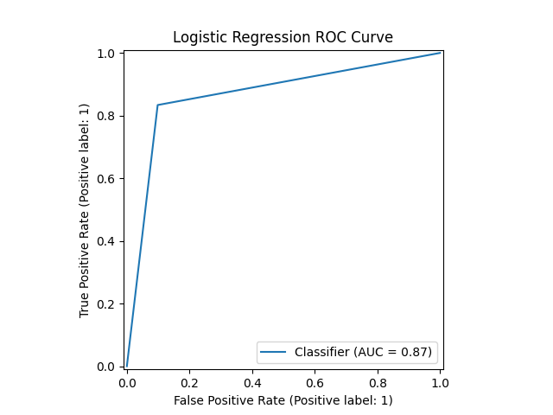
Model | Scaling | Number of variables | Hyperparams | Precision | Precision increase from base model (in %) | Recall | Recall increase from base model (in %) | F1 Score | F1 score increase from base model (in %) | Confusion matrix | Comments
Base model |  |  |  | 0.39143801845 | 0 | 1 | 0 | 0.56263809564 | 0 |  | In this file I’ve trained several classification models to use the TF-IDF data from the reviews list to classify each restaurant and these are the results.
knn model on RangeIndex(start=0, stop=2, step=1) | TRUE | 2 | {'knn__n_neighbors': np.int64(1)} | 0.84498581679 | 115.86707907 | 0.83371748436 | -16.628251564 | 0.83931383111 | 49.174724858 | 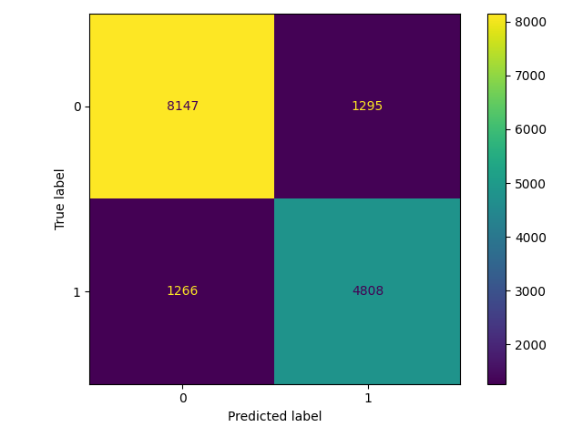 | This is the best model that uses only the reviews_list to classify and it has a score of .84, which is better than the best model that doesn’t use this feature.
knn model on RangeIndex(start=0, stop=2, step=1) | FALSE | 2 | {'knn__n_neighbors': np.int64(3)} | 0.78780927413 | 101.26028567 | 0.79157062891 | -20.842937109 | 0.78968547261 | 40.35407107
logistic model on RangeIndex(start=0, stop=2, step=1) | TRUE | 2 | {'logistic__penalty': 'l2', 'logistic__C': np.float64(0.9)} | 0.64109985528 | 63.780681761 | 0.58347053013 | -41.652946987 | 0.61092915015 | 8.5829692099 | 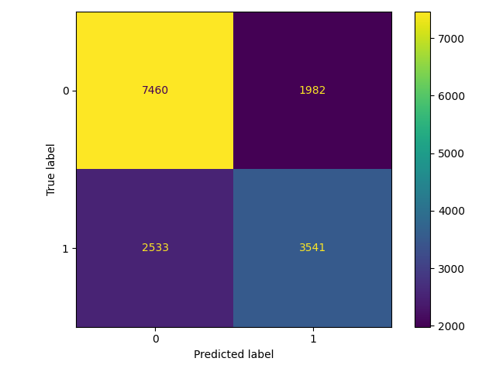
logistic model on RangeIndex(start=0, stop=2, step=1) | FALSE | 2 | {'logistic__penalty': 'l2', 'logistic__C': np.float64(0.9)} | 0.64113706319 | 63.790187201 | 0.58297662167 | -41.702337833 | 0.61067517461 | 8.5378290862
cart model on RangeIndex(start=0, stop=2, step=1) | TRUE | 2 | {'cart__min_samples_split': np.int64(16), 'cart__max_depth': np.int64(75), 'cart__criterion': 'gini'} | 0.78443514644 | 100.39830305 | 0.77164965426 | -22.835034574 | 0.77798987468 | 38.275363989 | 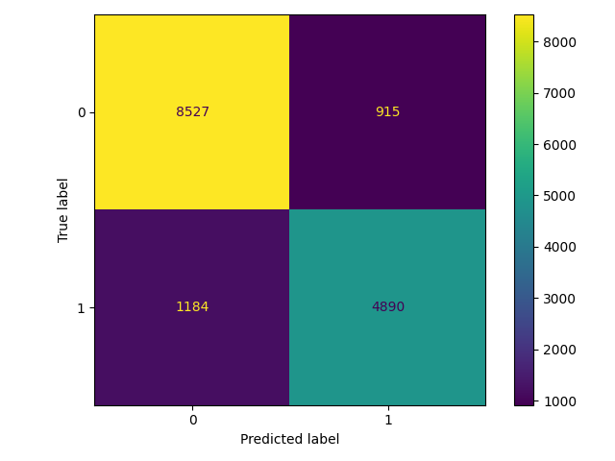
cart model on RangeIndex(start=0, stop=2, step=1) | FALSE | 2 | {'cart__min_samples_split': np.int64(3), 'cart__max_depth': np.int64(85), 'cart__criterion': 'gini'} | 0.84237726098 | 115.20067579 | 0.80507079355 | -19.492920645 | 0.82330162472 | 46.32880907
xgboost model on RangeIndex(start=0, stop=2, step=1) | TRUE | 2 | {'xgboost__n_estimators': np.int64(59), 'xgboost__max_depth': np.int64(8), 'xgboost__learning_rate': np.float64(0.19)} | 0.71839689266 | 83.527623481 | 0.66990451103 | -33.009548897 | 0.69330379963 | 23.223756977 | 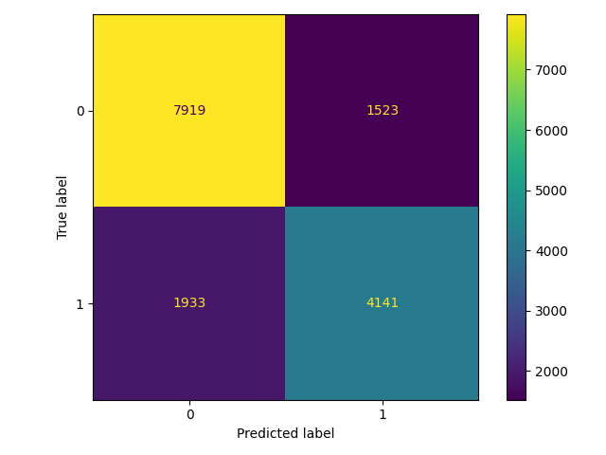
xgboost model on RangeIndex(start=0, stop=2, step=1) | FALSE | 2 | {'xgboost__n_estimators': np.int64(62), 'xgboost__max_depth': np.int64(9), 'xgboost__learning_rate': np.float64(0.25)} | 0.73110875706 | 86.775101704 | 0.68175831413 | -31.824168587 | 0.70557164764 | 25.404172436
catboost model on RangeIndex(start=0, stop=2, step=1) | TRUE | 2 | {'catboost__learning_rate': np.float64(0.23), 'catboost__iterations': np.int64(1), 'catboost__depth': np.int64(1)} | 0.59445913964 | 51.865458035 | 0.702996378 | -29.7003622 | 0.64418797616 | 14.494198164 | 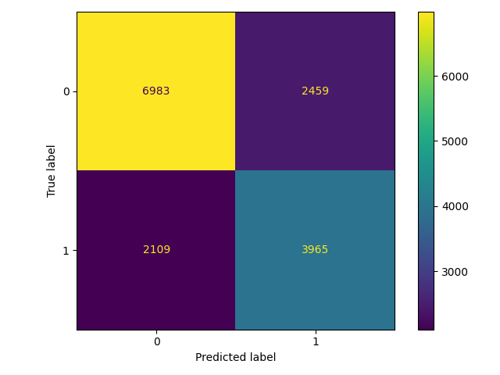
catboost model on RangeIndex(start=0, stop=2, step=1) | FALSE | 2 | {'catboost__learning_rate': np.float64(0.06999999999999999), 'catboost__iterations': np.int64(7), 'catboost__depth': np.int64(2)} | 0.61721668742 | 57.679289782 | 0.652782351 | -34.7217649 | 0.63450152024 | 12.772584218

