ModelReport
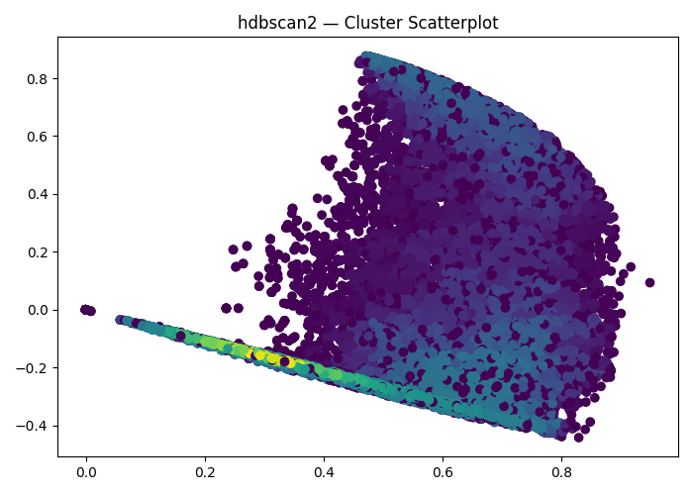

Model | Scaling/PCA/t-SNE/TruncatedSVD | Number of variables | Hyperparams | Inertia | Silhouette | Silhouette Increase from base model % | Silhouette for test data | Silhouette for test data increase % | Scatter plot train | Dendrogram | Scatter plot test | PCA variance | Cross-Tabulation
Base model |  | 2 |  |  | -1 | 0 |  |  | 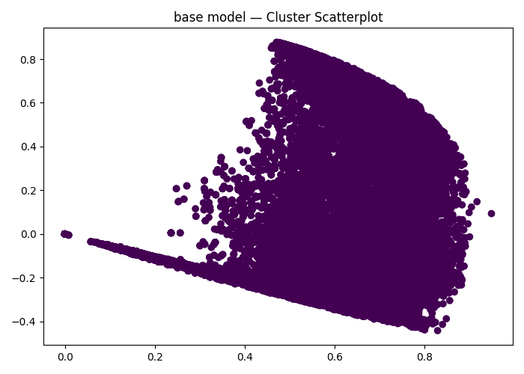
hdbscan2 Clustering | (False, False, False, False) | 2 | {'hdbscan__min_cluster_size': 2} |  | 0.63904655894 | -163.90465589 |  | 0
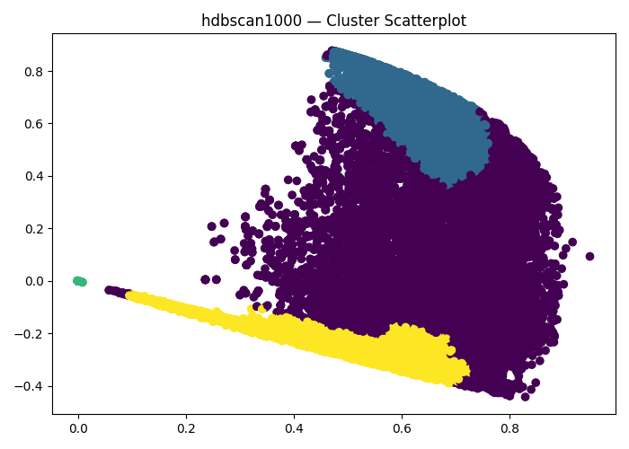
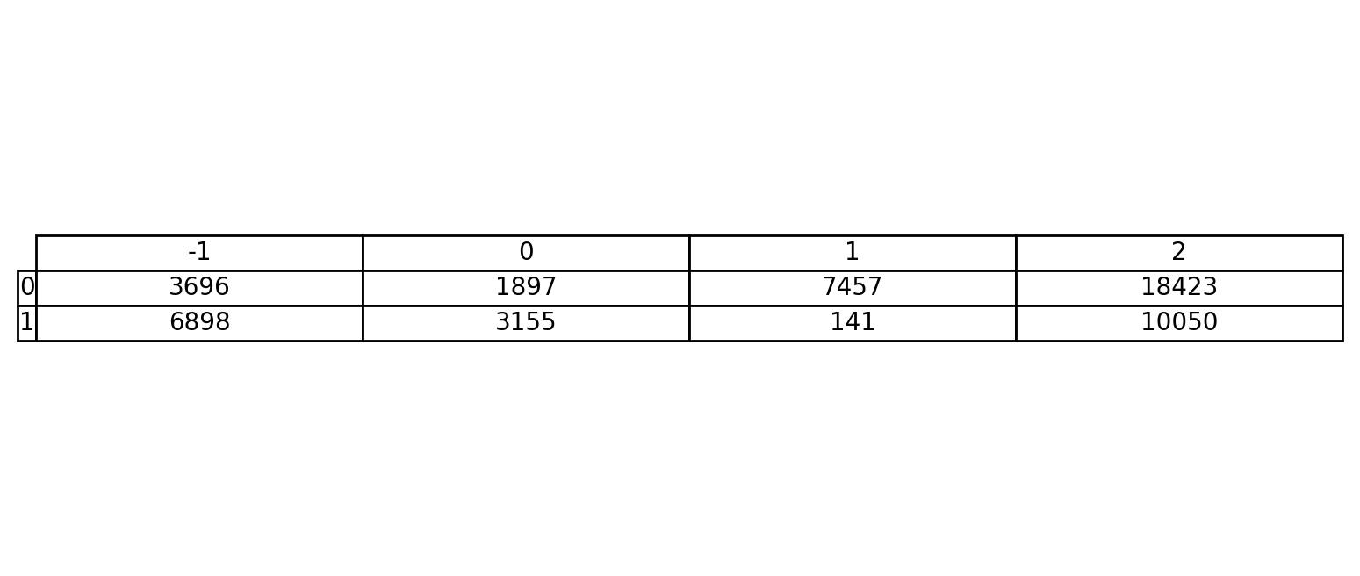
hdbscan1000 Clustering | (False, False, False, False) | 2 | {'hdbscan__min_cluster_size': 1000} |  | 0.47449046656 | -147.44904666 |  | 0
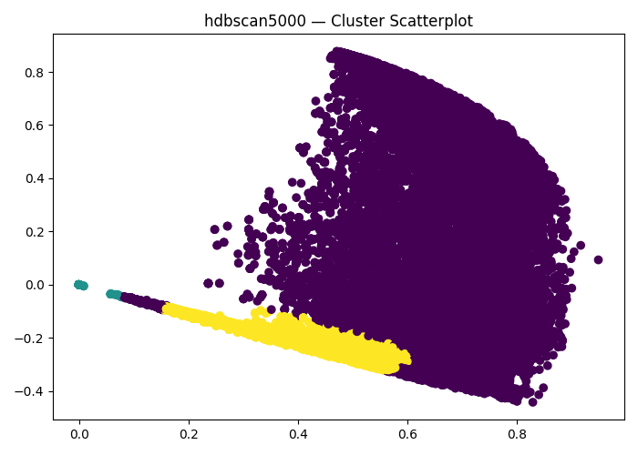
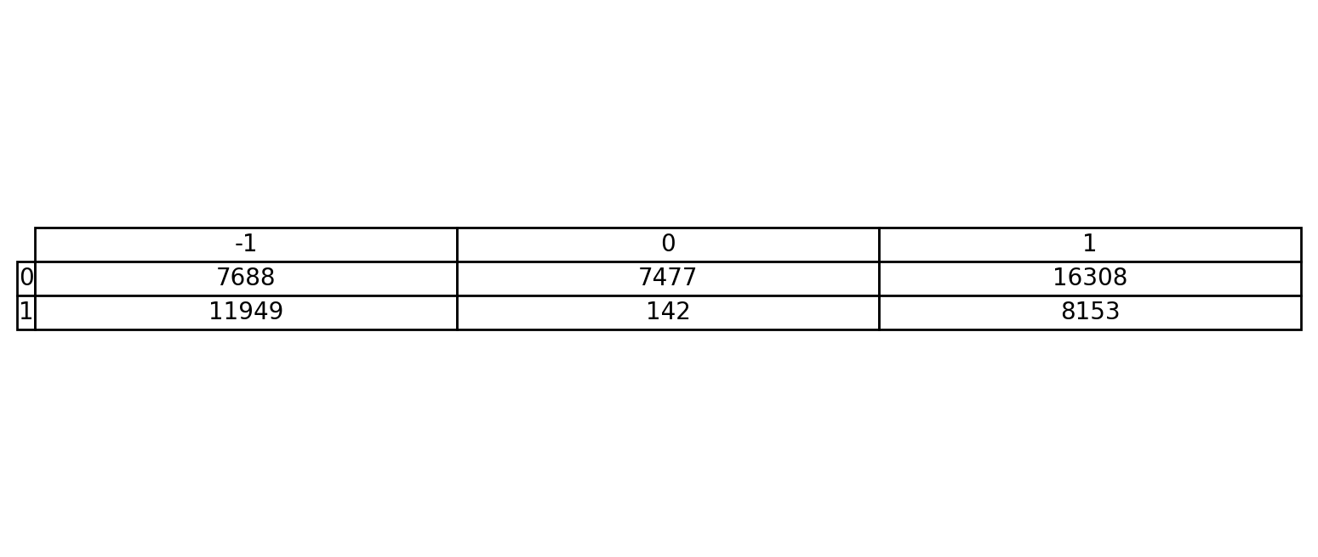
hdbscan5000 Clustering | (False, False, False, False) | 2 | {'hdbscan__min_cluster_size': 5000} |  | 0.4214735503 | -142.14735503 |  | 0

