ModelReport
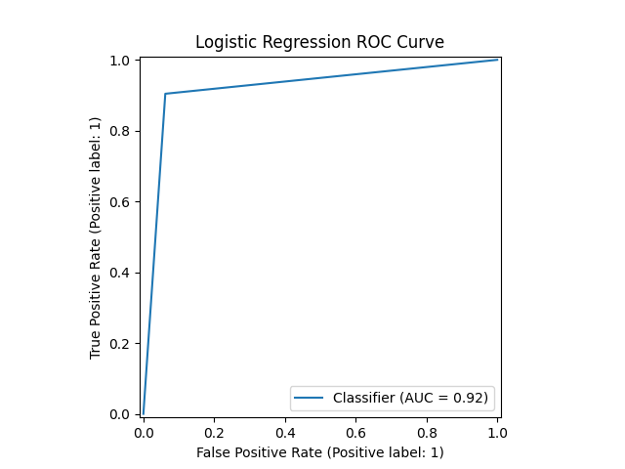
Model | Scaling | Number of variables | Hyperparams | Precision | Precision increase from base model (in %) | Recall | Recall increase from base model (in %) | F1 Score | F1 score increase from base model (in %) | Confusion matrix | Comments
Base model |  |  |  | 0.39143801845 | 0 | 1 | 0 | 0.56263809564 | 0
knn model on Index([0, 0, 1], dtype='int64') | TRUE | 3 | {'knn__n_neighbors': np.int64(3)} | 0.87918122816 | 124.60292223 | 0.86977280211 | -13.022719789 | 0.87445170901 | 55.41992549 | 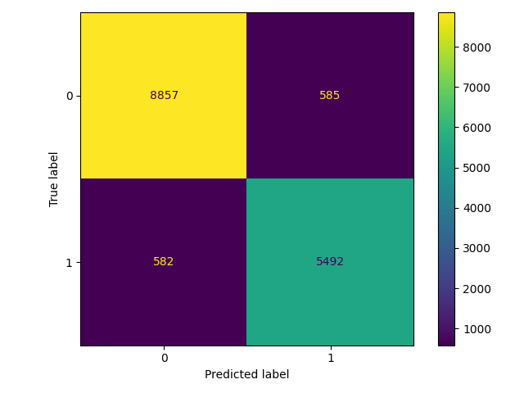
knn model on Index([0, 0, 1], dtype='int64') | FALSE | 3 | {'knn__n_neighbors': np.int64(1)} | 0.90373539575 | 130.87573336 | 0.90418175831 | -9.5818241686 | 0.90395852193 | 60.66429361 |  | This is the best model, it achieves an f1 score of .9 which is higher than all of the models I’ve trained before. It is a knn model that uses all of the data in the list.
logistic model on Index([0, 0, 1], dtype='int64') | TRUE | 3 | {'logistic__penalty': 'l2', 'logistic__C': np.float64(0.8)} | 0.8428442029 | 115.31996464 | 0.61277576556 | -38.722423444 | 0.70962821735 | 26.125163379 | 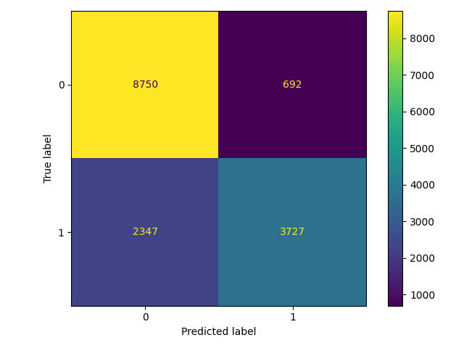
logistic model on Index([0, 0, 1], dtype='int64') | FALSE | 3 | {'logistic__penalty': 'l2', 'logistic__C': np.float64(0.5)} | 0.84340348495 | 115.46284347 | 0.61359894633 | -38.640105367 | 0.71037834747 | 26.258487113
cart model on Index([0, 0, 1], dtype='int64') | TRUE | 3 | {'cart__min_samples_split': np.int64(5), 'cart__max_depth': np.int64(37), 'cart__criterion': 'entropy'} | 0.90578373847 | 131.39901997 | 0.8895291406 | -11.04708594 | 0.89758285572 | 59.531120037 | 
cart model on Index([0, 0, 1], dtype='int64') | FALSE | 3 | {'cart__min_samples_split': np.int64(4), 'cart__max_depth': np.int64(74), 'cart__criterion': 'gini'} | 0.90336064203 | 130.77999567 | 0.8895291406 | -11.04708594 | 0.89639153878 | 59.319382341
xgboost model on Index([0, 0, 1], dtype='int64') | TRUE | 3 | {'xgboost__n_estimators': np.int64(64), 'xgboost__max_depth': np.int64(8), 'xgboost__learning_rate': np.float64(0.13)} | 0.81809773393 | 108.9980266 | 0.87372406981 | -12.627593019 | 0.84499641748 | 50.18471448 | 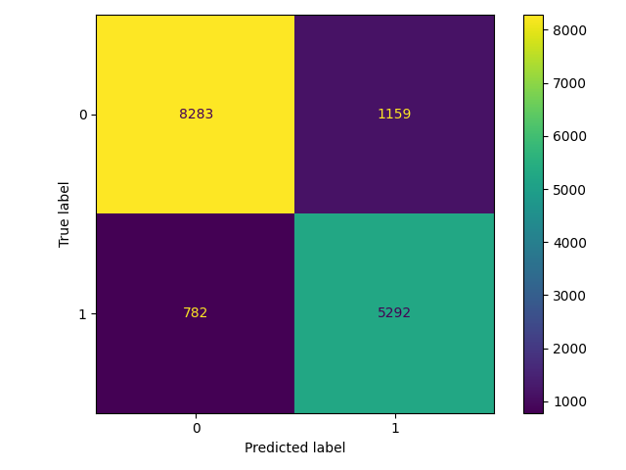
xgboost model on Index([0, 0, 1], dtype='int64') | FALSE | 3 | {'xgboost__n_estimators': np.int64(99), 'xgboost__max_depth': np.int64(7), 'xgboost__learning_rate': np.float64(0.12)} | 0.8203379321 | 109.57032619 | 0.87125452749 | -12.874547251 | 0.84502994012 | 50.190672597
catboost model on Index([0, 0, 1], dtype='int64') | TRUE | 3 | {'catboost__learning_rate': np.float64(0.23), 'catboost__iterations': np.int64(7), 'catboost__depth': np.int64(8)} | 0.77784624865 | 98.715048615 | 0.83124794205 | -16.875205795 | 0.80366096299 | 42.837992882 | 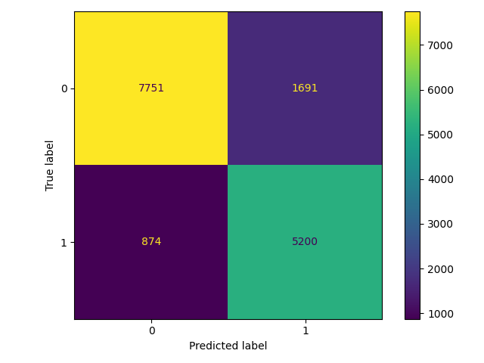
catboost model on Index([0, 0, 1], dtype='int64') | FALSE | 3 | {'catboost__learning_rate': np.float64(0.13), 'catboost__iterations': np.int64(3), 'catboost__depth': np.int64(9)} | 0.754607459 | 92.778274834 | 0.85610800132 | -14.389199868 | 0.80215966062 | 42.571160191

