data_audit
 | count | mean | std | min | 25% | 50% | 75% | max | num_unique | pct_unique | num_missing | pct_missing
votes | 51717 | 283.7 | 803.84 | 0 | 7 | 41 | 198 | 16832 | 2328 | 4.5 | 0 | 0
Comments:
url: URL адрес на ресторанта в Restaurant GPT.
I am not going to be using this column because I don’t see how we
Can extract useful information from it.
address: Адрес на ресторанта.
I am not going to be using this column because I don’t see how we
Can extract useful information from it. It would be useful if
We knew approximately if restaurants were close to each other but for this
I’ll use the location feature
name: Име на ресторанта.
I’ll try using this column because maybe restaurants with the same name
Will have similar reviews
online_order: Дали е налична опция за онлайн поръчка.
I’ll use this feature because it contains valuable information, but it
Has to be preprocessed so that yes/no becomes 1/0
book_table: Дали е налична опция за онлайн резервация на маса.
Same as online_order
votes: Общ брой гласове/оценки за ресторанта.
I will use this feature because maybe the more interactions the customers
Have the stronger the opinion will be whether good or bad.
phone: Телефонен номер на ресторанта.
I can use this feature the same way I’ll try name, because maybe
Restaurants with the same phone number will have the same owner
And possibly similar reviews
location: Кварталът, в който се намира ресторантът.
I will use this feature because location is a big factor in restaurants so
It will probably bring useful information
rest_type: Тип на обекта.
I will use this feature because it will probably bring useful information
dish_liked: Списък с ястия, харесвани от клиентите.
I will try using this feature by seeing if some of the dishes are correlated with
The reviews, but since there will be many types of dishes I will probably have
To leave only the ones that are important. The data will
Also be sparse most probably so I will have to do it with
cuisines: Типове кухни, обслужвани от ресторанта.
Same as dish_liked feature
approx_cost(for two people): Приблизителна цена за хранене на двама души.
I will use this feature, because price will most probably be an important factor
For the reviews
reviews_list: Списък с ревюта и оценки от клиенти.
I will try training models with and without this feature. When training models
With this feature I will need to do some preprocessing. First, I would do a bag
Of words to identify if there are some key words that are related with the reviews. Since
This will bring a lot of new columns to the data I will have to leave
Only the words that have the highest correlation with the review.
menu_item: Списък с налични елементи от менюто.
Same as dish_liked feature
listed_in(type): Тип на хранене.
listed_in(city): Зоната на града, в която е разположен
ресторантът (обикновено по-голяма област от "location").
rate: Общата агрегирана оценка на ресторанта.
This feature entries look like this ‘3/5’ so since they are all out of 5 I will
Just preprocess them to be a number between 0 and 5. After that I will use this
Feature to create the target feature of does the restaurant have better reviews than
average

name
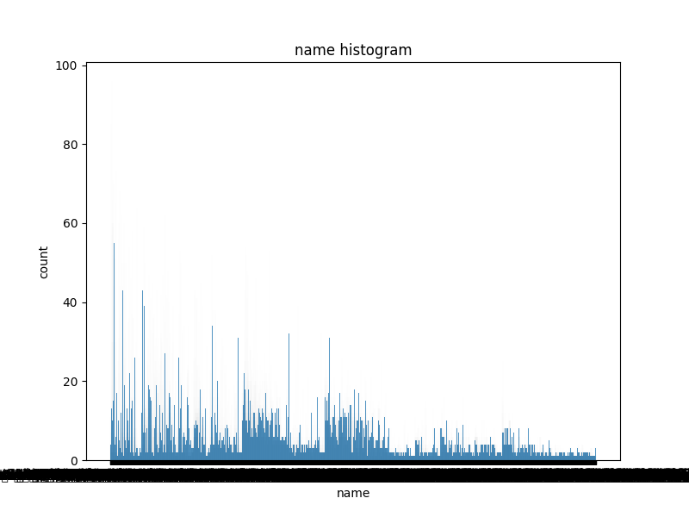
name | count
Cafe Coffee Day | 96
Onesta | 85
Just Bake | 73
Empire Restaurant | 71
Five Star Chicken | 70
Kanti Sweets | 68
Petoo | 66
Polar Bear | 65
Baskin Robbins | 64
Chef Baker's | 62
Pizza Hut | 62
Subway | 60
KFC | 60
Domino's Pizza | 60
Beijing Bites | 60
Sweet Truth | 60
McDonald's | 59
Smoor | 59
Chai Point | 58
Faasos | 57
Lassi Shop | 56
Burger King | 55
Keventers | 54
Smally's Resto Cafe | 54
The French Loaf | 53
Ambur Hot Dum Biryani | 53
Tata Cha | 52
Lakeview Milkbar | 52
Corner House Ice Cream | 52
Frozen Bottle | 51
Rolls On Wheels | 51
eat.fit | 50
Pizza Stop | 50
A2B - Adyar Ananda Bhavan | 50
Sweet Chariot | 50
Chung Wah | 50
The Chocolate Heaven | 48
California Burrito | 48
Donne Biriyani Mane | 47
Mani's Dum Biryani | 47
Hammered | 47
Goli Vada Pav No. 1 | 46
Gelato Italiano | 46
Krispy Kreme | 45
Mainland China | 45
Lassi Corner | 44
New Prashanth Hotel | 44
XO Belgian Waffle | 44
Oye Amritsar | 43
Chaai Resto | 43
Biggies Burger 'n' More | 43
Omleterian | 43
Truffles | 43
Ibaco | 42
Bombay Kulfi | 42
Natural Ice Cream | 42
Leon Grill | 42
Bombay Kulfis | 41
Cookie Man | 41
Haji Ali Juice Centre | 41
Khan Saheb Grills and Rolls | 41
Barbeque Nation | 41
The Belgian Waffle Co. | 41
Toscano | 41
Warm Oven | 41
Cupcake Bliss | 40
Drunken Monkey | 40
Sherlock's Pub | 39
Mad Over Donuts | 39
Hatti Punjab Di | 39
Kabab Magic | 39
Starbucks | 39
Shiv Sagar | 39
Mudpipe Cafe | 39
Me And My Cake | 38
Just Shawarma | 38
Stoner | 38
Momo Time | 38
Ambur Biryani | 38
Sri Udupi Park | 38
Hyderabad Biryaani House | 38
Sreeraj Lassi Bar | 37
Donne Biriyani House | 37
WOW! Momo | 37
Apsara Ice Cream | 37
Crunch Pizzas | 37
Taco Bell | 36
Ande Ka Funda | 36
SGS Non Veg - Gundu Pulav | 36
Thalassery Restaurant | 36
Masale Daan | 36
Meat And Eat | 36
Ramji Chaiwale | 35
Sri Krishna Sagar | 35
Nandhana Palace | 35
Cream Stone | 34
Cafe Thulp | 34
Best Biryani | 34
Daily Bread | 33
Banjara Melting Pot | 33
99 Pancakes | 33
Pathaan Sir | 33
Shanthi Sagar | 32
Samosa Singh | 32
INDULGE by InnerChef | 32
Third Wave Coffee Roasters | 32
Shanmukha | 32
Juice Junction | 32
Gilly's Restobar | 32
Waffle Stories | 31
Sagar Fast Food | 31
Imperial Restaurant | 31
The Chocolate Room | 31
Juice Shop | 31
Fresh Pressery Cafe | 31
Wangs Kitchen | 31
The Egg Factory | 31
Dunkin' Donuts | 31
Hatti Kaapi | 31
Ooty Chocolates | 31
Firangi Bake | 30
Savoury Restaurant | 30
Behrouz Biryani | 30
Ovenstory Pizza | 30
Kettle & Kegs | 30
Mast Kalandar | 30
Meghana Foods | 30
Thanco's Natural Ice Cream | 30
Glen's Bakehouse | 30
The Good Bowl | 30
Chaatimes | 30
Calvin's | 29
Bun Town | 29
Bangaliana | 29
New Shanthi Sagar | 29
FreshMenu | 29
Naati Manae | 29
Stoned Monkey | 29
CakeZone | 29
Karachi Bakery | 29
Belgian Waffle Factory | 29
Chung's Chinese Corner | 28
BOX8- Desi Meals | 28
Kaati Zone | 28
Pasta Street | 28
Oregano Pizzeria | 28
Gundappa Donne Biryani | 27
Goodness! Beverages | 27
Watson's | 27
Brownie Heaven | 27
Smoke - The Sizzler House | 27
Rajdhani Thali Restaurant | 27
Punjab Bistro | 27
Anand Sweets and Savouries | 26
Vasudev Adiga's | 26
The Beer Cafe | 26
Chetty's Corner | 26
Cafe Terra | 26
Peace Restaurant | 26
Sangam Sweets | 26
Mojo Pizza - 2X Toppings | 26
The London Shakes | 26
Rotti Mane | 26
Ammi's Biryani | 26
Nagarjuna | 26
Kitchen On Table | 26
1522 - The Pub | 25
Paratha Plaza | 25
Shake It Off | 25
The Wok Shop | 25
Cafe Azzure | 25
H3O | 25
Melting Melodies | 25
New Udupi Grand | 25
Artinci Artisanal Ice Cream | 25
Shaadi Ki Biryani | 25
Yomama!! | 25
Dolci Desserts | 25
Infinitea Tea Room & Tea Store | 25
Fabcafe | 25
Vinny's | 25
Happy Belly Bakes | 25
Desi Vdesi | 24
Karama Restaurant | 24
Rahhams | 24
Supreme Biryani | 24
Cafe Noir | 24
Cake Dilim | 24
Pappu Chaiwalla | 24
Laddoos | 24
Chawla's 2 Online.com | 24
Fresh Kitchen | 24
Nandhini Deluxe | 24
Sri Krishna Sweets | 24
Meenu Oota Da Maane | 24
Pabrai's Fresh & Naturelle Icecreams | 24
Sethi's | 23
Cafe Arabica | 23
Navab's | 23
Delicacy | 23
The Biere Club | 23
7 Plates | 23
The Grill House | 23
Aubree | 23
Food And You | 23
Chillout | 23
Chutney Chang | 23
Kolkata Famous Kati Rolls | 23
Oven Fresh | 23
Chaat Street | 23
AB's - Absolute Barbecues | 23
Tiger Trail - Ramada Hotel | 23
Harry's Bar + Cafe | 23
Vijayalakshmi Veg | 23
Hyderabadi Biryani Hub | 23
Andhra Ruchulu | 23
Chickpet Donne Biryani House | 23
The Milkshake Theory | 23
Sri Ganesh Juice Junction | 23
Skylit - Citrus Hotels | 23
Zeeshan | 23
The Yogisthaan Cafe | 23
Waffle In The Box | 23
Chai Galli | 23
Little Italy | 23
Delhi Food Factory | 22
Slurpy Shakes | 22
Ambur Hot Dum Biriyani | 22
Berrylicious Cafe | 22
The Hub - Ibis Hotel | 22
ThrowBack - Pub & Dine | 22
Kritunga Restaurant | 22
Roll Over | 22
Indiana Burgers | 22
Bootlegger | 22
Hoppipola | 22
Coconut Grove | 22
Bangalore Agarwal Bhavan | 22
Prawn Crunch | 22
Food Singh | 22
Suryawanshi | 22
Shawarma Inc | 22
Chination | 22
The Coffee Bean & Tea Leaf | 22
BISO - Citrus Hotels | 22
Cilantro | 21
The Waffles Hut | 21
Maxpresso | 21
Tangerine - Davanam Sarovar Portico Suites | 21
Tarbouche | 21
The Chef's Cake & Bakes | 21
Bistro Claytopia | 21
Mumbai Kulfi | 21
New Udupi Upahar | 21
The Lobby Brew - Conrad Bengaluru | 21
Mangalore Lunch Home | 21
Paradise | 21
Roundup Cafe | 21
Hari Super Sandwich | 21
Sukh Sagar | 21
House Of Commons | 21
Wat-a-Biryani | 21
Bonsouth | 21
Green Theory | 21
Eat Well | 21
Cafe @ Elanza | 20
Enerjuvate Studio & Cafe | 20
Basaveshwara Khanavali | 20
Kolkata Famous Kati Roll | 20
Gowdara Naati Mane | 20
Barista | 20
Art of Delight | 20
New Punjabi Hotel | 20
Lot Like Crepes | 20
The Donut Baker | 20
House Of Candy | 20
Indian Chicken Biryani Point | 20
Desi Bites | 20
Plan B | 20
Miss Momo | 20
Baba Da Dhaba | 20
Amma's Pastries | 20
Zee5 Loft | 20
Laughing Llama Gastropub | 20
Carnival de Goa | 20
Gobble Up Churros Cafe | 20
Chetty's Coffee | 20
YumYumDilli | 20
Sunny's | 20
Delite Chaat House | 20
Cream Chemistry | 20
Over The Top Terrace Lounge | 20
Bakers Town | 20
Oh! Calcutta | 20
Al-Bek | 20
Ambur Star Briyani | 20
Woody's | 20
Happy Eats | 20
Punjabi by Nature 2.0 | 20
Anjappar | 20
Punjabi Dhaba | 20
Donne Biryani House | 20
Hotel Tom's Restaurant | 20
Mist n Creams | 20
Anupam's Coast II Coast | 20
Sotally Tober | 20
Kobe Sizzlers | 20
The Tao Terraces | 19
World In A Bowl | 19
Asia Kitchen By Mainland China | 19
MISU | 19
Abhiruchi Hotel | 19
Shake The Shake | 19
Daawat Restaurant Bar & Pub | 19
Le Rock | 19
Thalis Of India | 19
Arya Bhavan Sweets | 19
The Open Box | 19
Nossa Goa | 19
Tewari Bros Mithai Shoppie | 19
Adithya | 19
YumYumSouth | 19
Crawl Street | 19
Siddique Kabab Centre | 19
Upahara Darshini | 19
Havmor | 19
Healthie | 19
Cuppa | 19
La Mirch | 19
Waffle Magic | 19
Bathinda Junction | 19
20 Feet High | 19
Bistro Oui | 19
Madeena Hotel | 19
Punjabi Times | 19
Ghar Ki Rasoi | 19
What's In A Name | 19
IceBreakers | 19
New Royal Treat | 19
Pinxx - Royal Orchid Central | 19
Buff Buffet Buff | 19
Food Court | 19
Tayabbs | 19
Smaaash | 19
Nandhini Paradise | 19
Cafe Cerrise | 19
Norsha Caffe | 19
Fish Chain | 18
Lime Twist | 18
RockSalt | 18
The Black Pearl | 18
Fatso's | 18
Armani Kabab Centre | 18
Biergarten | 18
Owl's Kitchen | 18
Marzipan Cafe & Bakery | 18
Cafe Kaara | 18
Karavali Lunch Home | 18
Fava | 18
Cafe Imroze | 18
Parathe Wali Gali | 18
Chocolate Philosophy | 18
Biryani Treat | 18
Skoolroom | 18
Peppa Zzing | 18
Cafe 221B | 18
Juicemaker | 18
Momoz | 18
Cold Stone Creamery | 18
Bansuri Sweets | 18
Barbeque Delight | 18
Invitation Bar & Restaurant | 18
The Culinarium | 18
Kerala Mess | 18
Flavors of India | 18
Bhaiyaji Food Court | 18
On The Nose | 18
Pot Biryani | 18
Red Onion | 18
Food Theory | 18
Kabab Souq | 18
Deja Vu Resto Bar | 18
Hunan | 18
Amber Rush Restobar | 17
Wolf'ish | 17
Chels Cafe | 17
InnerChef | 17
The Paramount Hotel | 17
Mr. Meetharam | 17
Mad Over Biryani | 17
Mayur | 17
9 Bowls | 17
Nammura Donne Biriyani | 17
Rasovara | 17
Allana Kabab | 17
Zodiac - Fortune Select JP Cosmos Hotel | 17
Dadi's Dum Biryani | 17
Nawab-E-Khana | 17
UBQ by Barbeque Nation | 17
Ging - Royal Orchid Central | 17
The Paratha Stories | 17
Soup Station | 17
Konark Vegetarian Restaurant | 17
Tandoor Hut | 17
Bismillah Ambur Biryani | 17
TRIGEREATO | 17
Rayalaseema Ruchulu | 17
Bottle Genie | 17
Malnad Military Hotel | 17
Fujian Express | 17
3B's - Buddies, Bar & Barbecues | 17
Momo Rice Noodles | 17
Crazy Pizza | 17
Cafe Hush | 17
Rajeev Bakery & Juice | 17
Donne Biryani Mane | 17
Kulfi & More | 17
Bombay Sandwich Company | 17
Tempteys | 17
Sree Krishna Kafe | 17
Healthy Parathawala | 17
Munchies | 17
Snow'ora | 17
Tipsy Bull - The Bar Exchange | 17
Panchavati Gaurav Thali | 17
Cakeport | 17
Smack Cafe | 17
Bon Sante | 17
NoLimmits Lounge and Club | 17
Anda Ka Funda | 17
Smokie Brownie | 17
Kabab Ghar | 17
Nagas | 16
Savi Sagar | 16
Ayda Persian Kitchen | 16
Bangalore Pub Exchange | 16
1Q1 | 16
The Oriental Spice - Ashraya Hotel | 16
Funky Punjab | 16
The Shawarma Shop | 16
Zaica Dine & Wine | 16
Dice N Dine | 16
Vietnamese Kitchen | 16
Chulha Chauki Da Dhaba | 16
Koramangala Social | 16
Shaap | 16
Cafe Medley | 16
Barleyz | 16
La Passion Cafe | 16
Big Mishra Pedha | 16
Kaulige Millet Corner | 16
Bakingo | 16
Amande Patisserie | 16
Juicy Momos | 16
Blue Tokai Coffee Roasters | 16
Billionaires Cafe | 16
Smoke House Deli | 16
Bread and Circus | 16
WTF | 16
No 10 Fort Cochin | 16
Bangalore Masala House | 16
Cafe D'hide | 16
154 Breakfast Club | 16
Karavali Grand | 16
Copacabana Pub | 16
Shree Mahalakshmi Sweets | 16
Udupi Upachar | 16
Retro Lounge Bar | 16
MK Dabbawala | 16
BLOW | 16
Parika Multicuisine Restaurant | 16
Tree Top | 16
Salt - Indian Restaurant Bar & Grill | 16
Double Decker | 16
Banana Beach Bar | 16
Sultans of Spice | 16
Sofiya Cakes | 16
Driven Cafe | 16
Kapoor's Cafe | 16
Jimi's Beer Cafe | 16
Hottey Smokey | 16
Shanghai Times | 16
Inhouse Burger | 16
Bhartiya Jalpan | 16
Xtreme Sports Bar | 16
Drunkling - Sizzlers and Pub | 16
Paisa Vasool | 16
Savoury - Sea Shell Restaurant | 16
Moriz Restaurant | 16
Reddy's Restaurant | 16
YORK St. | 16
Nuts Over Salads Cafe | 16
Biriyani Zone | 16
Mangala Hotel | 16
Loveshack | 16
Cafe Velvette | 16
Xpress Chai | 16
Malabar Cafe | 16
Chinese Corner | 16
Mimansa @ Foxtrot | 16
Mr. Beans - Home Cafe | 16
Baba Chatkora | 16
MM Bar & Restaurant | 16
Cafe Graffiters | 16
Tunday Kababi | 16
Kerala Kitchen | 16
Mighty Small | 16
Sri Krishna Kitchen | 16
WYT RestroPub | 16
Black Cup Cafe | 16
Ascharya Hotel | 16
Brooks and Bonds Brewery | 16
Kargeens | 16
Tibbs Frankie | 16
Swad 'E' Punjab | 15
XOOX Brewmill | 15
Juice Junction Food Court | 15
The Duke of Juices | 15
GMT - Gelateria Montecatini Terme | 15
The Flying Trapeze | 15
Dindigul Thalappakatti | 15
Mama Mia! | 15
UBCR | 15
Foodhall | 15
China Down Town | 15
The ThickShake Factory | 15
EatWater | 15
Cafe Mangii | 15
Nithyothsav - Hotel Ramanashree | 15
Breaktime Brew | 15
Canopy | 15
Alchemy - The Chancery Pavilion | 15
The Yellow Tuk-Tuk Cafe | 15
Stories | 15
Foxtrot - House of Subculture | 15
Litti Twist | 15
Aaha Andhra | 15
Helloo Delhi | 15
Ebony | 15
Biryanis And More | 15
Tella Tales | 15
Cafe Treat - The Pride Hotel | 15
The Boozy Griffin | 15
Swathi Restaurant | 15
Cake Box | 15
Daniyal's | 15
Birinz | 15
Grow Fit | 15
Asia In A Box | 15
FrostBite | 15
Classic Shop | 15
The Flying Squirrel | 15
Trick Or Treat | 15
Dyu Art Cafe | 15
Om Made Cafe | 15
Cocoa Bakes | 15
Little Green Cafe | 15
Japan Travel Cafe Azuki | 15
The White Room - Coffee & Kitchen | 15
The Vacationer's Cafe | 15
Hashtag Cafe | 15
New Surya Sweets & Snacks | 15
Lazzet Lee | 15
The Bao Belly | 15
Happy Brew | 15
Krishna Sagar | 15
Chai Ki Tapri | 15
Navya Foods | 15
Tea and Wine Lounge | 15
Market Table | 15
Chefie | 15
Fill N Chill Resto Bar & Pub | 15
Chianti | 15
Bhojohori Manna | 15
Bhaijaan Barbeques | 15
Uday Sweets | 15
Laziz Pizza | 15
Desi Dhaba | 15
Eagles Pizza | 15
Aqua - The Park Bangalore | 15
China Pearl | 15
A Hole Lotta Love Cafe | 15
Sixth Avenue Cafe And Patisserie | 15
Chowpatty | 15
Sher-E-Punjab | 15
Fetchpod Cafe | 15
Malabar Kitchen | 15
Koshy's | 15
Nite Out | 15
Soda Bottle Opener Wala | 15
Ruh's Cafe | 14
Maravanthe | 14
Punjabi Chulha | 14
Keto Kitchen | 14
Zaiqa | 14
China Bowl | 14
Cheers Pub Bar & Restro | 14
Deccan Spices | 14
Brewz Coffee | 14
AutoExpress - Hot Dogs | 14
The Kitchen | 14
Kailash Parbat | 14
Biryani Rooh-e-Khaas | 14
Hanoi - Vietnamese Cuisine | 14
Haagen Dazs | 14
RICE BAR | 14
Eat Repeat Express | 14
The Bangalore Cafe | 14
Cinnamon | 14
Chung Shan Chinese Restaurant | 14
The Punjabi Rasoi | 14
Banashankari Donne Biriyani | 14
Eatsomnia | 14
Pathy's Kitchen | 14
Punjabi Unplugged | 14
Naachiyar's | 14
Sri Srinivas Park Hotel | 14
Iyengar's Bakery | 14
Daily Bite | 14
The Chaat Shop | 14
Shri Vinayaka Ice N Juice | 14
Cafemoto | 14
Kalmane Koffees | 14
Wellness Cafe | 14
The 90s Hash House | 14
Cravy Wings | 14
Crafted Plate | 14
Thai House | 14
Shiro | 14
Cafe Sulaimani | 14
Andhra Bhojanam | 14
De Street Cafe | 14
Green Onion | 14
Chaat Chatore | 14
Fattoush | 14
Indira Darshini | 14
Roll Junction | 14
Nandhana Mithai | 14
Curry Leaves | 14
Aahar Cafe | 14
Mint Masala | 14
Chili's American Grill & Bar | 14
1947 | 14
BIB - Breakfast in the Box | 14
Zaitoon | 14
Lazeez | 14
The Rice Bowl | 14
Indian Paratha Factory | 14
Cafe Jezve | 14
Punjabi Tadka | 14
Foodiction | 14
Jiyo Natural | 14
Kings Kitchen | 14
Carrots | 14
Magnolia | 14
Hit And Run | 14
Fava Bistro | 14
Puran da Dhaba - The Pride Hotel | 14
The Spice Bazaar | 14
Tummy Fuel | 14
Asha Sweets Centre | 14
Caraway Kitchen - Conrad Bengaluru | 14
Desi Deck | 14
Sri Lakshmi Dhaba | 14
Shagun Sweets & Foods | 14
Curries And Pickles | 14
Food Treat | 14
Punjabi Nawabi | 14
Village - The Soul of India | 14
Nanna Munna Paratha House | 14
The Ganache Factory | 14
Gam's Delicacy | 14
RP Sweets | 14
Fenny's Lounge And Kitchen | 14
South Parade - The Chancery Hotel | 14
Dipd N Chocolate | 14
Anand Sweets And Savouries | 14
Page 3 Multicuisine Restaurant & Bar | 13
Bottle Breacher | 13
Brews N Bites | 13
Malabar Bay | 13
The Biriyani Pedia | 13
Ente Keralam | 13
Rawal Jalebi | 13
Fogg | 13
Fudge | 13
Rasta | 13
New Kudla Family Resturant | 13
Mummy Dhaba | 13
Desi Vibes | 13
Kannur Food Point | 13
MRA | 13
Benjarong | 13
Step Right Up | 13
Mecaf Family Restaurant | 13
BelgYum | 13
Mamma Mexicana | 13
Wow Vada Pav | 13
Indori Chatorey | 13
The Bar Stock Exchange | 13
Mustard Food Court | 13
Caffe Pascucci | 13
Restro Cafe | 13
Pure & Natural | 13
Fuel Resto Bar | 13
Chin Lung Resto Bar | 13
Chai Makhan | 13
Russh Gastropub | 13
Shahi Family Restaurant | 13
Beer Adda | 13
Easy Bites | 13
Dabba Gosht | 13
Punjabites | 13
Vegetarea | 13
Maiyas | 13
BIB-Breakfast In The Box | 13
Chugg | 13
Scottish Pub | 13
The Charlton Bar | 13
Manhattan | 13
Shezan | 13
Cafe Mondo | 13
My Space - WelcomeHotel Bengaluru | 13
Amritsari Kulcha Bite | 13
Bite Me Cupcakes | 13
Mealer.in | 13
Yo! Thali | 13
Tetto | 13
Sathya's | 13
Nanda's | 13
Downtown | 13
Chicken Corner | 13
Bulls N Bears - Bar Trade Xchange | 13
Bake and Juice | 13
Royal Paris | 13
Mycakeshop | 13
China South | 13
Nandanam Family Restaurant | 13
Innate | 13
Fandom at Gilly's Redefined | 13
Capri Gastrobar | 13
Easy Tiger | 13
Kirthi's Biryani | 13
Woodee Pizza | 13
Le Arabia | 13
Tree Tops Bar & Kitchen | 13
SkyDeck By Sherlock's | 13
Atithi | 13
The Irish House | 13
Teppan Japanese Grill & Sushi Bar | 13
Ultra Biriyani Paradise | 13
Salt Mango Tree | 13
Galito's | 13
PHEW (Play Hard Eat Wild) | 13
Qube Cafe | 13
Zanzibar - Davanam Sarovar Portico Suites | 13
Cupcake Noggins | 13
Banchharam | 13
ROYCE' Chocolate | 13
The Fisherman's Wharf | 13
The Souk | 13
Myu Bar at Gilly's Redefined | 13
Sutra Spice-The Resto Bar | 13
Desi Streat | 13
Bombay Adda | 13
The Food Therapy | 13
Sidewalk Cafe & Bar - The Paul Bangalore | 13
Container Coffee | 13
Dreams Cafe - All Day English Food St. | 13
Green Mango Restaurant | 13
Shree Udupi Grand | 13
Barcode | 13
Biryani Miya | 13
Lassi House | 13
White Plate | 13
Northern Bites | 13
Roll Er Dokaan | 13
Sandwichwallas | 13
Pop Hop | 13
Chef Delicacies | 13
Shake Tat Bottle | 13
Biryani Palace | 13
Polamma's Mess | 13
Crumb Together | 13
Ta'aam | 13
Call A Cake | 13
Kababji Cafe | 13
Foreign CafÃÂÃÂÃÂÃÂÃÂÃÂÃÂÃÂ© | 13
Utse Kitchen | 13
Nostradamus Bar & Lounge | 13
Ice Cream Works | 13
Burrito Boys | 13
WAFL | 13
M World Cafe | 13
Johnny Fox | 13
Smoke-A-Pot | 13
Mustard Cafe | 13
Insta Cafe | 13
Udupi Sri Krishna Cafe | 13
Udupi Grand | 13
Baahubelly | 13
Andhra Mess | 13
Orchard Fresh | 13
Imperio Restaurant | 13
Swad Punjab Da | 13
Sultan's Biryani | 12
Shilpa Veg | 12
Ice N Spice | 12
Delhi Bhavan | 12
Red Chilli | 12
Kesar Sweet Shop and Fast Food | 12
Lord of Combos | 12
Home Treat | 12
Pecos Hideout | 12
Avanti Indian Barbeque & Grill | 12
New Ambur Biryani | 12
Tapout Tavern | 12
Bhagini | 12
Forum Bakes & Cafe | 12
Chicken County Grand | 12
Juice Berg | 12
Vyanjan | 12
Indira Canteen | 12
Al-Marhaba Restaurant | 12
Hard Rock Cafe | 12
D View Cafe | 12
Kanis Kitchen | 12
Smise | 12
Nasi And Mee | 12
Apsara Hotel | 12
Sai Super Sandwich | 12
Garage Food Company | 12
Eat N Drink | 12
Khally Wally | 12
Funjabi | 12
Pappu BC | 12
Mughals Restaurant | 12
Indy's Comfort Food | 12
Just Baked | 12
Sri Sai Sagar Food | 12
Night Kitchen | 12
Late Night | 12
Al Hayath | 12
Willys Top Cafe | 12
Papacream | 12
The Barn - Bar & Kitchen | 12
Pecos Classic | 12
Guzzlers Inn | 12
Flame Pub & Restaurant - Brigade Garden | 12
Chaithanya Andhra Style Family Restaurant | 12
Sri Punjabi Dhaba | 12
Kitchen King | 12
Avon Bar & Kitchen | 12
Kung Foods | 12
Royal Tea House | 12
Nawab's Kolkatta Roll | 12
Attic Lounge | 12
Frolic | 12
Juicy | 12
Brea | 12
Shan Restaurant | 12
3 Spice | 12
Mug N Bean | 12
Hearts Unlock Cafe | 12
Chettayees | 12
Muthashy's | 12
Shilpa Vegetarian Restaurant | 12
Hotel Ruchi Priya | 12
24 Carats - The Capitol | 12
Biryani Spot | 12
Royal's Biryani | 12
Aroma Fine Dine | 12
Brik Oven | 12
Matteo Coffea | 12
Cafe Mozaic - Taj MG Road Bengaluru | 12
Royal Restaurant | 12
The Permit Room | 12
David's Kitchen | 12
S.W.A.T Food Truck | 12
Desi Rasoi | 12
Foodiesthan | 12
Nadan Thattukada | 12
Grahaira | 12
Udupi Ruchi | 12
Naati Biriyani | 12
Grillopia | 12
Hushy's Kitchen | 12
Durga Sagar | 12
Karavali Kolimane | 12
Pakiza Dilli Darbar Restaurant | 12
Brewsky | 12
New Ambur Hot Dum Biryani | 12
Soul Cafe | 12
Reddy's Paradise | 12
CafÃÂÃÂÃÂÃÂÃÂÃÂÃÂÃÂÃÂÃÂÃÂÃÂÃÂÃÂÃÂÃÂ© Mor'ish | 12
Cake of the Day | 12
Stoked! | 12
The Bier Library | 12
Ambur Star Dum Biryani | 12
Bundar | 12
DinePost9 | 12
Potful | 12
Tandoor Garden | 12
Bawarchi Inn | 12
Bob's Bar | 12
Veruthe Oru Thattukada | 12
Sahana's (Nati Style) | 12
Aroma Cafe | 12
Cafe Cassia& Deli | 12
Madurai Idly Shop | 12
Magix's Parattha Roll | 12
Ashirvaad Grand | 12
Metro Military Hotel | 12
BBQ@52 | 12
Little Bites | 12
Bazaar- Zone By The Park | 12
Shree Mithai | 12
Jigarthanda | 12
Cafe Monarch Luxur | 12
Monsoon - The Park Bangalore | 12
Arabian Bites | 12
Eat Street | 12
Biriyani House | 12
New Mangalore Lunch Home | 12
My Tea House | 12
Ambur Dum Biriyani | 12
The Cake Lair | 12
Red Lantern | 12
Cafe Choco Craze | 12
Shater Grill House | 12
Go Italia | 12
Chaitanya Veg | 12
Amravathi Restaurants & Caterers | 12
Pai Vihar | 12
Fillers | 12
Cafe Fattoush | 12
Cool Bites | 12
Le Jardin - The Oberoi | 12
Rim Naam - The Oberoi | 12
Just Sandwiches | 12
Sunny Side Bistro | 12
L'inoui | 12
Shadow Kolkata Katti Rolls & Momos | 12
Little White Kitchen | 12
Kadamba Foodline | 12
Terra Bites | 12
VT Sindhur Veg | 12
The Only Place | 12
Swad Restaurant | 12
Two Friends Cauldron | 12
Chaska Bun | 12
Tandoor | 12
New Taj | 12
The Bundle Co. | 12
Mountain Spice | 12
Kabab Nation Corner | 12
The Grand Taj | 12
Midnight Mania | 12
Hotel Ramprasad | 12
Hang10 Resto N Cafe | 12
Pind Balluchi | 12
Al Habibi Restaurant | 12
Mongolian Kitchen | 12
Cafe Potpourri | 12
Slate Cafe | 12
Portland Steakhouse & Cafe | 12
New Alameen Restaurant | 12
Rolls Corner | 12
Gowdru Hotel | 12
Cafe Mist | 12
Bangalore Bytes | 12
The Chariot | 12
Entropy Cafe | 12
Robin Brown Ice Cream | 12
KC Das | 12
Kabab Mela | 12
Chichaba's Taj | 12
Marhaba | 12
Sri Sai 99 Variety Dosa | 12
Indian Spice Food | 12
New Farm Fresh | 12
Dash In | 12
Haldiram's Express | 12
Irene's Cafe & Deli - Citrus Hotels | 12
Swathi Deluxe Restaurant | 12
Pin Me Down | 12
Wazir's | 12
The Corner - Hyatt Centric MG Road | 12
Dasaprakash Cafe | 12
Eden Park | 12
The Adukkala Restaurant | 12
Dakshin Restaurant | 12
Royal View Restaurant | 12
Go Native | 12
The Cravery | 12
What the Food | 12
Y Not Shawarma | 12
Tomago Roast | 12
Krishna Vaibhava | 12
Rolls Mania | 12
Foody's Land | 12
The Jungle Terrace | 12
Borah's Kitchen | 12
Tasty Magic | 12
Midnight Hunger Solutions 24/7 | 12
Darshan Paradise Restaurant | 12
Roots | 12
The Cuboidal | 12
Armaani Caffe | 12
Sri Rama | 12
Eatato Snack Bar | 12
Bhagatram Sweets | 12
Chocolate Junction | 12
Halli Mane | 12
Taj Hotel | 12
Amaravati | 12
Ramana's | 12
SS Hot Dhum Briyani Point | 12
Status | 12
Khan's Biryani | 12
Chilli Chicken | 12
Chill-Um Cafe | 12
The Konkan - Seafood Restaurant | 11
Desi Aahar | 11
El Salver | 11
Indian Food | 11
Ice - Taj MG Road Bengaluru | 11
i-Bar - The Park Bangalore | 11
Fort Kochi | 11
The Paratha Company | 11
Biryani House | 11
Friend's Cafe | 11
Alankrutha | 11
Boston Barista - Kappayum Curriyum | 11
Kairali | 11
Coffee Tea & More | 11
OPUS Club | 11
Liquid Lounge - Hyatt Centric MG Road | 11
Freeze It | 11
The Monalisa Restaurant | 11
Tibetan Mother's Kitchen | 11
Swaadam Veg | 11
Gramin | 11
Ganesh Food Joint | 11
Loca Moca | 11
Arya Hungry? | 11
Rajveena Kitchen | 11
Kannoor Restaurant | 11
Min Mini Punjabi Dhaba | 11
American Bites | 11
Taste Of Malabar | 11
Aramane Donne Biriyani | 11
Ithaca - The Chancery Pavilion | 11
Aami Bangali | 11
Nutri Rich | 11
Dosa Plaza | 11
House of Tasty Food | 11
Chef Master | 11
Crystal Grandeur | 11
Kudla - Hotel Ramanashree | 11
Tawa Sagara | 11
Bhandary's Kitchen | 11
FoodNite | 11
Om Sweets & Snacks | 11
Eat Sleep Eat Repeat | 11
Tibetan Kitchen | 11
Desipun | 11
Cafe Alchemist | 11
Barbeque Station | 11
Little Lucknow | 11
Flavour of China | 11
Sri Udupi Grand | 11
Tenzin Kitchen | 11
WAFL Co | 11
Kinpeetos | 11
Dum Biryani Hub | 11
Aaranya Restaurant | 11
Rimo | 11
Shyvan Restaurant | 11
FNC Seafood | 11
Moto Store & CafÃÂÃÂÃÂÃÂÃÂÃÂÃÂÃÂ© | 11
1722 Urban Bistro | 11
Desi Inn | 11
Paratha Junction | 11
Sai Abhiruchi | 11
Khatta Meetha Teekha | 11
Gogula's Sweets & Chats | 11
Wok Paper Scissors | 11
Fritz Haber | 11
Kababish Restaurant | 11
Sri Saravana Bhavan | 11
Royal Biryani Kitchen | 11
Jayanagara Donne Biryani | 11
Hotel Empark | 11
Namaste Kitchen | 11
Iyengar Bakery | 11
All Aromas | 11
Victoria Terminus | 11
Roti Wala | 11
Apna Punjab | 11
Sonar Bangala | 11
Krem | 11
Bisimillah Biriyani | 11
Aalishan Restaurant & Caterer | 11
Hotel Food Lands | 11
Arbor Brewing Company | 11
Yummerica Fries | 11
Natuna Seafood House | 11
HungerLoft | 11
RS Shiv Sagar | 11
Cake Yard | 11
Cake Paradise | 11
Ulavacharu | 11
Marzipan @ The Bohemian House | 11
Momo Blues | 11
The Yellow Chilli | 11
Shawarma Time | 11
Sids Cafe | 11
Shree Sadguru Refreshment | 11
Safa Hotel | 11
Hotel New Sagar | 11
Bamey's Restro Cafe | 11
Raptures Chocolates | 11
Nile Garden Restaurant | 11
Nando's | 11
KKR FOODIES | 11
Hotel Dil Coorg | 11
Hotel Parampare | 11
Body Temple | 11
New Mahesh Friends Food Corner | 11
Dev's Gugababa | 11
Hotel Fanoos | 11
The Cake House | 11
Berry'd Alive | 11
Maria's Goan Kitchen | 11
Grills And Tandoor | 11
Smokey Tribe Restaurant | 11
Biriyani Mane | 11
Odissi Restaurant | 11
GrannyzHut | 11
Flavour of Himalaya | 11
Ganesh Restaurant | 11
Burger Lounge | 11
The Kream Story | 11
Ilyazsab Shawarma Cafe | 11
Ghee Biryani House | 11
Church Street Social | 11
The Hidden Cafe | 11
New Kohinoor Hotel | 11
Cheesy Juicy Burgers | 11
Anvar Bhai's | 11
Biryani Foodies | 11
2nd Home Restaurant | 11
Kallummakkaya | 11
Kapoor's Biriyani | 11
Habitts | 11
Kabab Korner | 11
Qissa Khawani | 11
Sagar Delicacy | 11
Northern Route | 11
The Enav Bowl | 11
Dialogues | 11
FixMyNutrition | 11
Pingara | 11
Calicut Durbar | 11
HOTEL VKM | 11
Hotel Godavari | 11
Afghani Tandoori Hub | 11
Noodle Panda | 11
Akshaya Bar And Restaurant | 11
Niranthara | 11
The Biriyani Factory | 11
Foody's Lane | 11
30 Square | 11
Sattvam | 11
Falooda Cafe | 11
Village Donne Biryani | 11
Taste of Nepal | 11
Paratha Xpress | 11
ZOROY Luxury Chocolate | 11
Gods Own Cafe | 11
Tim Tai | 11
Malabar Treat | 11
Malabar Xpress | 11
Indian Kitchen Eateries-IKE | 11
Cobaja | 11
Yummy Biryani | 11
Rock Stone Ice Cream Factory | 11
Namma Biriyani | 11
Nutri Fit | 11
Food Junction | 11
New Grand Restaurant | 11
Durbar Greens Family Restaurant | 11
New Tasty Cafeteria | 11
Taj Darbar | 11
Elmas Restaurant | 11
Zingron | 11
Bharat Kitchen | 11
Sri Ayodhya Veg | 11
Jalsa | 11
San Churro Cafe | 11
Southinn | 11
Tapri By The Corner | 11
Awesome Foods | 11
The Mylapore Cafe | 11
Public Khana | 11
Banashankri Donne Biriyani | 11
The Marash | 11
OCEA HOTEL | 11
Delices | 11
Aagaman Veg | 11
Kopper Kadai | 11
Kevins Kitchen | 11
Kaaram | 11
Ammus Hot N Cool | 11
Smoothie Hub | 11
Momo Hut | 11
Sai Mango Tree | 11
Via Milano | 11
Bheema's | 11
The Charcoal Factory | 11
ASEAN - On The Edge | 11
Salkara Arabian Delight & Bakes | 11
Holige Mane | 11
Friends Night Kitchen | 11
Targaryen's Kitchen | 11
Sbarro | 11
Bisimillah Biriyani's & Kebab's | 11
Southern Spice | 11
Makers of Milkshakes | 11
Modern Restaurant | 11
Cafe On The Way | 11
The Hub - Ibis Bengaluru | 11
Popsies | 11
Sharaab Factory | 11
Assi Tussi Lassi | 10
Jenisha Green View Restaurant | 10
SLV Andhra Mess | 10
Boozers Bar & Kitchen | 10
Szechuan Dragon | 10
Dhadoom | 10
VRS Food Zone | 10
Mount Blue | 10
Wok And Rolls | 10
Yummy Momos | 10
Little Chef | 10
Tandoori Platter | 10
Aathithya | 10
Refresh | 10
An Egg Story | 10
Murphy's Brewhouse - The Paul Bangalore | 10
Curries & Chillies | 10
Murli | 10
Biryani Kitchen | 10
Upsouth | 10
Amrutha Sweets | 10
Grubhouse | 10
Mak n Vak - Fyn | 10
70 Brigade - Iris Hotel | 10
Ammayi Thakkaram | 10
Yaduvanshi Hotel | 10
Xian | 10
Dessi Cuppa | 10
Samosa Express | 10
Lassi Magic | 10
A.M New Punjab Food Corner | 10
Five Senses | 10
ReadyBowl | 10
C. K. Mega Hot Food | 10
China On My Plate | 10
Mavalli Tiffin Room (MTR) | 10
Skinz Ooty Chocolate | 10
Bangalore Mandarin | 10
Mahesh Lunch Home | 10
Maruti Garden | 10
Brigade Paradise Hotel | 10
Dine In | 10
Shiv Sager | 10
Kenny's Restaurant | 10
Venkateshwara Foods | 10
Kesariya | 10
Multi Kitchen | 10
New Hilal Restaurant | 10
Raidan Restaurant | 10
Desi Tadka | 10
FNP Cakes N More | 10
Hyper Scoop | 10
Kamat Restaurant | 10
Sk Grand Hotel | 10
Saatvikk | 10
Simon Says Brew Works | 10
Monarch | 10
Olive Bar And Kitchen | 10
JW Kitchen - JW Marriott Bengaluru | 10
Kamat's Palate Korner | 10
In Wok | 10
Zengi Pub & Restaurant | 10
Masala Oota | 10
Oldtown Dilli | 10
Raj Rasoi | 10
Royal Calcutta Restaurant | 10
Basmati's Briyani Nation | 10
Hotel Green Tara | 10
Oven Lovin' | 10
Jalpaan | 10
Spoorthi Ice Cream | 10
South Inn | 10
Croons | 10
MiniMelts | 10
Tanu Di's Kitchen | 10
Jose's Mess | 10
Cane Crussh | 10
Cakes & Candles | 10
Hotel Aradhana | 10
Sri Rajasthani Foods | 10
Watheen Nuts | 10
BBQ'D - Global Grill & Brewery | 10
The Market - The Ritz-Carlton | 10
WelcomCafe Jacaranda - WelcomHotel Bengaluru | 10
Season - Adarsh Hamilton | 10
Drava | 10
The Terrace at Gilly's Redefined | 10
C Sharp Kitchen | 10
Chaiwala | 10
Shahi Darbar | 10
Sharma's Malai & Masala | 10
Vegan Heat | 10
Tilt Gastro Lounge | 10
Lounge 189 | 10
New Prashanth Naati Style | 10
Mel's Korner | 10
Iyengars' Bakery | 10
C Kosila Kitchen | 10
Bawarchi Biryani | 10
Mangala's Tea Time Cafe | 10
Night Panda | 10
Tempura Restaurant | 10
Blue Berry Restaurant | 10
Baba Ka Dhaba | 10
Singh Punjabi Dhaba | 10
Chettinad Food House | 10
Kaaka T Cafe | 10
Melt | 10
Masala Central | 10
All Saints Bakery | 10
Trippy Paradise | 10
FRYBIES | 10
Boho | 10
Hotel Fine | 10
Khazana Food Paradise | 10
Mandarin Box | 10
Pashto | 10
Stars 'N' Stripes | 10
Maa Durga Fast Food | 10
Bruncherz | 10
Ujwal Restaurant | 10
Caffe Maven | 10
Ayush Reddy Tiffins & Fast Food Center | 10
RK Fast Food | 10
Paradise Food Court | 10
Namms Cafe | 10
Salut | 10
Curry with a 'K' - St. Mark's Hotel | 10
Northern Gate- Gateway Hotel | 10
Sunehri | 10
Dribzz Bakes & Cafe | 10
Black Deer | 10
Sri Udupi Food Hub | 10
Habibi Falafel | 10
Dalma | 10
Rayalaseema Abhiruchulu | 10
Hotel Smile | 10
New Arya Bhavan | 10
AM Biryani Junction | 10
Kabab and Biryani Centre | 10
Sandhya Sagar | 10
Tandoor Nation | 10
The Little Kitchen | 10
Hotel Chandrika | 10
Zero Mile Punjab | 10
By The Blue - Grand Mercure | 10
Saara's Cafe - SS Lumina Hotel | 10
Saara's Grill n Spice - SS Lumina Hotel | 10
12th Main - Grand Mercure | 10
Embers - Nandhana Grand Hotel | 10
Neer Dosa Fish Land | 10
House Of Wholewheat | 10
Tummy Delight | 10
Amrutha Mess | 10
Dine in Restaurant | 10
Sidewalk Cafe - Nahar's Heritage Hotel | 10
Halli Oota | 10
Smooth | 10
Pop'z Kitchen | 10
Aishwarya Uphar | 10
Stir Fry | 10
Strikers Sports Bar and Music | 10
Gallop Bar - Davanam Sarovar Portico Suites | 10
Spice It | 10
Upahara Sagar | 10
Richie Rich | 10
Tit Bits | 10
Chocolate Bomb | 10
GR Foods | 10
Svadu Sweets | 10
Airlines Hotel | 10
Yauatcha PÃÂÃÂÃÂÃÂÃÂÃÂÃÂÃÂ¢tisserie | 10
Xpress Dhaba | 10
Little Kitchen | 10
RK Fresh Food | 10
Urban Spoon Buffet Restaurant | 10
Zaitoon Lassi Cafe | 10
Hotel Orchid | 10
Marwa Restaurant | 10
KF's Biryani's and Kababs | 10
Aata's Kitchen | 10
Harilal ka Bihari Dhaba | 10
Desserts Tree | 10
Chai Mane | 10
Pan Asian | 10
The Blue Wagon - Kitchen | 10
North Indian Tadka | 10
Thottathil Restaurant | 10
Adithya Family Restaurant | 10
Ambur Biriyani Point | 10
Delisias | 10
Hotel Rangoon | 10
Mangalore pearl - Seafood Restaurant | 10
Al Swaad Take Away | 10
Sri Sharana Basaveshwara Khanavali | 10
Kombo King | 10
Brew Cafe | 10
UKIYO | 10
As On Fire | 10
Al Baith | 10
Brew Point | 10
KKR Foodies | 10
LayerBite | 10
Cake My Day | 10
21 Corner Haus Cafe | 10
The Taste Adda | 10
Kor Cafe | 10
Gyani Da Punjabi Dhaba | 10
Lucknowiz | 10
Delight Food | 10
Andhra Kitchen | 10
Limra Hotel | 10
Bhaiya Ji Food Court | 10
Rescafe | 10
Tandoor Da Funda | 10
Alampur Bar And Restaurant | 10
Rollin | 10
Firewood Biryani | 10
Kartik's Mithai Shoppe | 10
Ciclo Cafe | 10
Platter | 10
Savandh's Kitchen - Donne Biryani | 10
Deepam Tiffins | 10
Two States | 10
Hakka Chinese Restaurant | 10
Sri Vishnu Park | 10
Bengaluru Baking Company - JW Marriott Bengaluru | 10
Urban Solace - CafÃÂÃÂÃÂÃÂÃÂÃÂÃÂÃÂ© for the Soul | 10
Ice Stone Creamery | 10
Niice Cream | 10
Kanha's Kafe | 10
Big Wong XL | 10
Lets cafe | 10
Malabar Mint | 10
Kedia's Fun Food | 10
SNACKOMATE | 10
Marunadan Kada | 10
Cake Fantasy | 10
The Airos | 10
Appam & Curry | 10
Brownie Points | 10
Rang De Basanthi | 10
The Sugar Therapy | 10
Hotel Muthu | 10
Magic Biryani | 10
RR Catering | 10
Belgian Waffle | 10
Pai's Kitchen | 10
The Good Grain | 10
The Waffle Press | 10
Kareem's | 10
Under The Hood | 10
Indus Family Restaurant | 10
Brew Meister | 10
Batter Splatter | 10
Casa Express | 10
Little Shangai | 10
Akshaya Sambrama Veg Restaurant | 10
Chilld Monk | 10
Ghar Ka Khana | 10
Priya's Punjabi | 10
Hungry Birds | 10
Samskruti - Sanman Gardenia | 10
ThugLife Rolls | 10
Xpress Biryani | 10
Donne Biryani Hatti | 10
Koshe Kosha | 10
Golden China | 10
Maa Di Hatti | 10
Chapati House | 10
The Rendezvous | 10
Hungry Hippie | 10
Krazy Factory | 10
The Blackboard Bakery | 10
Swa-Desh A Family Restaurant | 10
Mayuri Andhra Mess | 10
North Indian And Bengali Mess | 10
Panwaadi | 10
Baker's Treat | 10
Inchara Restaurant | 10
Baking Delite | 10
Guntur's Vandanam Food Zone | 10
Surabhi Restaurant | 10
Mysore Carnival Restaurant | 10
Daily & Divine | 10
Bakers77 | 10
Bangalore Shadi Biriyani | 10
Ober Cafe | 10
Tawa | 10
Nuty | 10
Vinaya Cafe | 10
Lassi Cafe | 10
Cool Corner Arun Ice Cream | 10
Fahad Kabab Centre | 10
Home Treats | 10
Dhuaan | 10
Now Momos | 10
Royal Lunch Home | 10
Kebarbiq | 10
Kullad Cafe | 10
Delhi Food Point | 10
La Pino'z Pizza | 10
ShakesBierre | 10
Biryani Nights | 10
The Whiskey Bar | 10
The Burger Place | 10
Nandhanam Restaurant | 10
Thyme & Whisk | 10
City Durbar | 10
Royal Treat | 10
Indian Coffee House & Restaurant | 10
Little Kolkata | 10
Shree Thali | 10
Cafe 22 | 10
Zero Kelvin | 10
Subham Pal Kitchen | 10
Akshaya Grand | 10
Cake Art | 10
Matru Sagar | 10
Rajanna Military Hotel | 10
Cakewala | 10
Third Wave Coffee Roasters @ The Bohemian House | 10
Smoothies Cafe | 10
Khawa Karpo | 10
The Himalayan | 10
Side Street Kitchen | 10
Dad's Coffee Club | 10
Oye Mithai | 10
New Friends | 10
The Bengaluru Brasserie - Hyatt Centric MG Road | 10
Fatima Bakery | 10
Casa Piccosa | 10
The Fixx | 10
Samrat Regency Bar And Restaurant | 10
Cafe Vivacity | 10
Peppers | 10
Guns N Roses | 10
Shyamali Fast Food Kolkata Style | 10
A3 Nuwang Kitchen | 10
The Litti Company | 10
The Rasaganga | 10
Float | 10
Candy Cake | 10
The Local - Burger Bar | 10
Primal | 10
Oil Pump | 10
Gorilla Barfare | 10
The Local - Terrace Drinkery | 10
B-hive | 10
The Old Fashioned Bar | 10
Prost Brew Pub | 10
Eatery Have U Been | 10
Howrah Bridge | 10
Bathinda Dine | 10
Maa Bhook Lagi | 10
Rolls & Co | 10
Sichuan | 9
Om's Cafe Prana | 9
YummRajj | 9
Cochin Connection | 9
The Smoke Co. | 9
Black Kitchen | 9
Donne Biriyani Angadi Mane | 9
Cafe Shuffle | 9
Costa Coffee | 9
Agent Jack's Bar | 9
Pot-O-Noodles | 9
Luscious - St. Mark's Hotel | 9
Amnesia - The Poolside Bar | 9
Engine | 9
MDP Coffee House | 9
Sri Sankara Cafe | 9
Ruh | 9
Sri Nandi Grand | 9
Punjabi Swag | 9
SLV Ragigudda | 9
Navami | 9
Wat-a-Burger! | 9
Samosa Party | 9
Tiwari's | 9
Fanoos Xprss | 9
Tongue Twisters | 9
Ocean | 9
Hotel Nisarga Grand | 9
Pooja Veg | 9
Oogway Express | 9
Momo Jojo | 9
Pancuzzi | 9
Manchu Cafe | 9
Vitamin Palace | 9
Capsicum Family Restaurant | 9
Hiyar Majhe Kolkata | 9
Swadista Aahar | 9
The Sofraah Kebabs & Kurries - Eden Park Restaurants | 9
Rooftop Cafe | 9
Krazzy Folds | 9
Poha House | 9
Hungry Buddies | 9
Fusion Lounge | 9
Bhaiyajees | 9
55 Wall Street | 9
Tasty Bites | 9
Hasini Foods | 9
Sri Sapana Dhaba | 9
Chatter Platter | 9
TAB - Take A Break | 9
PK Dhaba | 9
Kalpavriksha Upahara | 9
CafÃÂÃÂÃÂÃÂÃÂÃÂÃÂÃÂ© MH-28 | 9
Lassi Pot | 9
House of Chaaps | 9
Paratha Singh Pakora King | 9
Eshmeet Da Dhaba | 9
RBP Greens Garden | 9
World of Waffles | 9
Skyye | 9
Farzi Cafe | 9
Bangalore Brew Works | 9
Tangra Indo - Chinese Cuisine | 9
Azimmo Treat | 9
Totus | 9
Alibaba Cafe and Restaurant | 9
Kolkatta Famous Chat | 9
Pipabu | 9
Kota Kachori | 9
Gangothri Veg Restaurant | 9
Rajvardhan Foods | 9
Kataria's Home Food | 9
White Horse | 9
Chai Kraft | 9
Cashmere Nites | 9
Anju's Cafe | 9
Vaho Kafe & Pressery | 9
D2V Cafe | 9
Sulemani Chichas | 9
Fabindia Cafe | 9
Patiala Highway | 9
Rajesh Restaurant | 9
Agnihotri Cuisines | 9
Night Restro | 9
Indore Eat Restaurant | 9
Bathinda Tandoor | 9
The Bong Palate | 9
Heaven 2 Oven | 9
Kafe Nook | 9
The 13th Floor | 9
Communiti | 9
Aasife & Brothers Biriyani Centre | 9
Podi Idly | 9
Eat At Nite | 9
Crave Bit Cafe | 9
Paratha Darbar | 9
Hungerbreak 24x7 | 9
Yum In My Tum | 9
Waffle Head | 9
Seasons | 9
Akshaya Sweets & Chats | 9
Jayanagar Grill House | 9
The Lounge - Eden Park Restaurants | 9
#L-81 Cafe | 9
Patio 805 | 9
Aubree Le Chocolatier | 9
Kaapi Kendra | 9
Bonum cibum | 9
Nouvelle Garden | 9
Magic Meals | 9
Chantilly | 9
Zaks Mediterranean Cuisine | 9
Appana Restaurant | 9
Swathi Maharaja | 9
The Hungers Zone | 9
The Ritz-Carlton Bar - The Ritz-Carlton | 9
Sphyre - Gateway Hotel | 9
Atomic Lab | 9
Bar UNO - JW Marriott Bengaluru | 9
Eshanya | 9
Kickin Burger | 9
Savitha Family Restaurant | 9
Biryani Junction | 9
Taste Of Kolkata | 9
Somilan Steak House | 9
Namma Kudla | 9
Kamat Swaad | 9
Ishta Cafe | 9
The Food Cottage | 9
Popat | 9
Tea Journey | 9
Marahaba | 9
Udupi Upahar | 9
Chun Li | 9
Make It Roll | 9
Udupi Thaja Thindi | 9
Churchill's | 9
Mr. Cane | 9
Kanteen 038 | 9
Shree Saraswathi Sweets Centre | 9
Malabar Mandra | 9
Feast India Co. | 9
Yeti | 9
Nawabi Kitchen | 9
Stop N Joy | 9
Pulla Reddy Sweets | 9
7 Star Biryani | 9
Bearfoot Cafe | 9
Axomi - Taste of Assam | 9
Dosalicious | 9
White Elefan Coffee and Snack Bar | 9
Grand Gowdru Hotel | 9
Taipan | 9
Bangali Babu Restaurant | 9
Aaccord Restaurant | 9
Desi Flavours | 9
Tawa Ghar Ka | 9
Mitran Da Junction | 9
Fat Buddha | 9
New Kabab Plaza | 9
Kumbakonam Degree Coffee | 9
Ministry of Burger | 9
Swad Plaza | 9
TOKI Taco House | 9
Chowmein | 9
Sapfresh | 9
Cubbon Pavilion - ITC Gardenia | 9
The Table | 9
Kolkata Famous Katti Rolls | 9
Earth Plate Express | 9
R.K Caterers | 9
Chokha Chowka | 9
Gorbandh | 9
Biriyani Bhatti | 9
Occasions | 9
Hyderabad Biryaani Palace | 9
Tall Blonde French | 9
The Rice Company | 9
Rolls Kitchen | 9
Anna Kuteera | 9
Darbar | 9
Coastal Creek | 9
Sanchez | 9
Bang - The Ritz-Carlton | 9
Riwaz - The Ritz-Carlton | 9
RCS Kitchen | 9
Pappu Da Dhaba | 9
Hoot | 9
Kulfi Point | 9
Juice Fresco & Pizza | 9
Treat | 9
Kaayal | 9
The Bong | 9
Imli | 9
The Chai Stop | 9
Kwality Cakes N Bakes | 9
Biryani Bar | 9
Happy Eat | 9
Eatwell Restaurant | 9
Flying Cakes | 9
Dosa Time | 9
B.M.W - Bhookh Mitaane Wala | 9
Mahesh Friends Food Center | 9
Redberrys | 9
Mandi | 9
Bloomsbury's Global Kitchen & Bakehouse | 9
Punjabi Tasty Khana | 9
Curries & Pickles | 9
Cravingz | 9
The Bridge Walk Cafe | 9
K27 - The Pub | 9
Banashankari Nati Style | 9
Mummy's Kitchen | 9
Cream Factory | 9
VegiGate | 9
Cafe Coffee Day The Lounge | 9
Hangover | 9
Biryani Paradise | 9
Ustaad Biryani | 9
Jade | 9
Amontron | 9
Light House Cafe | 9
Snack Knack | 9
GFC Biryani | 9
Aramane Restaurant | 9
Hunger2Eat | 9
New South Corner | 9
The Lantern Restaurant & Bar - The Ritz-Carlton... | 9
Matsuri - The Chancery Hotel | 9
Ghee Positive | 9
Fiero! Pizzeria | 9
Kidilum | 9
Srinathji's | 9
Navya's | 9
Manchow | 9
Andal Mess | 9
All Shook Up! | 9
DilliBite | 9
Opus Food Stories | 9
Raj Darbar | 9
Kerala Pavilion | 9
Purnabramha Maharashtrian Restaurant | 9
Burger Garden | 9
The Eatery Cafe and Restaurant | 9
Chung Wah Opus | 8
nu.tree | 8
A Bar | 8
Kerala Food | 8
V.S. Garden Restaurant | 8
BBQ Ride 46 | 8
Khana Khazana | 8
China Tang | 8
Hotel Atithi North Karnataka Mess | 8
Coffee Tindi | 8
Dine With Singhs | 8
Food Point | 8
Wild Thyme Restaurant | 8
Milk N Shakes | 8
Revoli Hotel | 8
Kalingas | 8
DeliBox.in | 8
Spice Up | 8
The Globe Grub | 8
Kenz Karam | 8
Bean Flickers | 8
Cafe Braqa | 8
Best Shawarmas | 8
Sri Krishna Delight | 8
Tandoori Paradise | 8
Chicken Magic | 8
Speedbreaker | 8
Black Pepper Lounge - Case de Bengaluru | 8
Shudh Desi Khana | 8
Cafe Talk | 8
House Stark Cafe | 8
The Pavillion | 8
The Onyx - The HHI Select Bengaluru | 8
Spice Code | 8
Melt - Eden Park | 8
Kuttanadu | 8
Kabab Mehal | 8
Hot Burg | 8
Slounge - Lemon Tree Premier | 8
Just Chill | 8
Namana Garden | 8
TheRiceBowl.In | 8
Paprica | 8
HIGH SKY | 8
Kaizen Wellness Kitchen | 8
Keys Cafe - Keys Hotel | 8
Sri Ganesh Fruit Juice Centre | 8
Cool Joint | 8
Ambur Biryani Point | 8
Sri Krishna Upahar | 8
New Kabab Zone | 8
Z-Bar | 8
Chicken Man | 8
Indigo XP | 8
CafÃÂÃÂÃÂÃÂÃÂÃÂÃÂÃÂ© Felix | 8
One Atria Cafe | 8
Sarjapur Social | 8
4671 Indian Coastal Cuisine | 8
Bake Addiction | 8
Thom's Bakery | 8
Crepe Nation | 8
Bottle & Glass | 8
CafÃÂÃÂÃÂÃÂÃÂÃÂÃÂÃÂÃÂÃÂÃÂÃÂÃÂÃÂÃÂÃÂ© Felix | 8
New Gongura Grand | 8
Jonah's | 8
Bubblewrap Waffle Co. | 8
Nandhi Andhra Style Family Restaurant | 8
Kolkata Restaurant | 8
Mango Greens | 8
Chai Cafe | 8
Biryani Darbar | 8
The Underground Gastropub | 8
Abhiruchi Restaurant | 8
The Bawarchi | 8
Delicious Momos | 8
Hotel Salala | 8
Skyline Family Restaurant | 8
Cake Menu | 8
AAlvina Restaurant | 8
Yauatcha PÃÂÃÂÃÂÃÂÃÂÃÂÃÂÃÂÃÂÃÂÃÂÃÂÃÂÃÂÃÂÃÂ¢tisserie | 8
Roti Shotti | 8
RB Food Point | 8
Bubble Bee | 8
Euki | 8
Mota Bawarchi | 8
Mezban Family Restaurant | 8
The Courtyard | 8
Happy Endings | 8
Suchithra Biryani House | 8
Panther Cafe | 8
NYS Kitchen | 8
Hyderabad Biryani | 8
By 2 Coffee | 8
WAFL CafÃÂÃÂÃÂÃÂÃÂÃÂÃÂÃÂÃÂÃÂÃÂÃÂÃÂÃÂÃÂÃÂ© | 8
Oolala | 8
Tea Villa Cafe | 8
The Higher Taste | 8
Mysuru Coffee Thindi | 8
Sandhya Veg | 8
Mockaholic Restro Beer Cafe | 8
Chinese House | 8
WAFL CafÃÂÃÂÃÂÃÂÃÂÃÂÃÂÃÂ© | 8
KAARA BY THE LAKE | 8
Eat Eroo - Bombay Vada Pav | 8
Al Sadique Restaurant | 8
Sri Krishna Foodline | 8
Swad Family Restaurant | 8
Foody's | 8
The Sandesh Factory | 8
Sri Banashankari Biryani Kabab Centre | 8
Levitate Brewery and Kitchen | 8
Agarwal Food Service | 8
UBQ By Barbeque Nation | 8
AlienSip | 8
Paani Kum Chai | 8
Mamatha Restaurant | 8
Nizam's Biryani House | 8
Mitraa Da Pizza | 8
NH8 | 8
Delish Chinese Fast Food | 8
SV Food Garden | 8
Mystique Palate | 8
The Hole in the Wall Cafe | 8
The Biryani Paradise | 8
Sakae Japanese Restaurant | 8
Bombay Brasserie | 8
Melting Spot | 8
Sector 7 CafÃÂÃÂÃÂÃÂÃÂÃÂÃÂÃÂ© | 8
Breadworks | 8
Sardarji Ka Dhaba | 8
Aisha Tharavad | 8
Talk Ease | 8
X Cafe | 8
Monkey Bar | 8
Grazers | 8
Dabba Karkhana | 8
Telugu Velugu | 8
Multi Cakes | 8
PagalKhana | 8
Sambram | 8
Crescent Avenue - Hotel Bangalore International | 8
Aromas Of South | 8
The Brekkie Shop | 8
Turquoise | 8
Rice and Rolls | 8
Blu Dale Fast Food | 8
Mr. Meow's Hotdogs | 8
Origin Espresso Bar | 8
B2D Indori Dhaba | 8
Snack House | 8
Hotel Feast Ambur Biriyani | 8
Hotel Marina | 8
Cakes Wagon | 8
Pulimunchi | 8
Fragrant Kitchen | 8
Central Cafe | 8
Garden Hotel | 8
Bengal Metro | 8
Le Gateau - The Cake Shop | 8
Raaga | 8
Pallavi North Indian Veg Restaurant | 8
Nagashree's | 8
The Pipe Rack | 8
Tasty Kitchens | 8
Durga Maata Hotel | 8
Holiday Fast Food | 8
Three Dots & A Dash | 8
Shree Khana Khazana | 8
BANGALORE BOX | 8
Calorie Express | 8
Foodzoo | 8
Zangos Grill | 8
Eat N Pack | 8
Amjad Bhai's Star Hotel - Home Food Only | 8
Santo's | 8
Lazy Suzy | 8
20 Char - Sterlings MAC Hotel | 8
Royanna Military Canteen | 8
Cakes and Moulds | 8
Kollapuri's | 8
Sree Banashankari Donne Biriyani | 8
Hyderabad Bawarchi | 8
Vennela Andhra Meals | 8
Bella | 8
Dum & Oven | 8
Mumbai Xpress | 8
McLeans Italian Pizzeria | 8
BabaYaga's | 8
Royal Chef Naati Oota | 8
Ugadi | 8
Checkpost | 8
Mars Chicken Delight | 8
Food Square | 8
Java City | 8
Delhi Restaurant | 8
Crown Gold | 8
Creme & Cheese | 8
Khiche Chale Aao | 8
Hotel Manu | 8
Lassi Darbar | 8
The Breakfast Truck | 8
Sizzlingo | 8
Curryvape Restaurant | 8
Django | 8
Tea Brew | 8
Chaipatty | 8
Al-Hyatt | 8
Chowmein Kitchen | 8
The Sweet Spot | 8
The Fresh Factor | 8
Martino's | 8
Basmati Delights | 8
Maven Foods | 8
Kick Out the Jams | 8
Garden Fresh | 8
Rayaan's BBQ | 8
Cake N Cookies | 8
Kanchanjunga Kitchen - The Flavour of Hills | 8
Happy Fillings | 8
Chaman's Night Kitchen | 8
Coastal Mama | 8
Nourich | 8
Amma's Special | 8
Hotel Oottupura | 8
Urban Spice | 8
Meaza Ginger Multi Cuisine Restaurant | 8
Cake Inc. | 8
Crispy Fried Chicken | 8
Sri Brahmi Kuteera | 8
Jaganath Restaurant And Hotel | 8
Biryani Pot | 8
Straight From The Heart | 8
Copper Chimney | 8
Dhaba - Estd 1986 Delhi | 8
Big Pitcher | 8
Steaming Mugs | 8
Hotel Reddy Bhavan | 8
Sugary Bakers - A Boutique Bakery | 8
Cucumber Town | 8
Dhaba Bytes | 8
Shift | 8
Narmadha's Hyderabad Biriyani | 8
3G's - Gulp & Groove | 8
Delightz | 8
Carlos Cake Cafe | 8
Abhiruchi | 8
Fresh Bites | 8
The Kitchen Bandit | 8
Cross Road Cafe | 8
The Chocolate Heaven - Cakes | 8
Grill N Chill | 8
KrumbKraft | 8
New Nandan Family Restaurant | 8
Fudgy Love Designer Cakes | 8
Venus Biryani | 8
Mini Forest | 8
Venkateshwara Sweets and Restaurant | 8
Juice Lounge | 8
New Kadai | 8
Juice Planet Food Corner | 8
Nutty Squirrel | 8
Homifoo | 8
BTM Bawarchi Biryani | 8
Visantoe | 8
Super Chef's (New Royal treat) | 8
Biryani Magic | 8
Knight Riders | 8
Zhang's - Chinese Restaurant | 8
Gud Dhani | 8
Nellore Ruchulu | 8
Cafe Idly | 8
Gooey & Fluffy | 8
Naidu Military Hotel | 8
Ambur Azad Darbar | 8
Top Foam Parantha Roll & Juice Centre | 8
The Krishna Grand | 8
Hotel New Karavali | 8
Cafe Ajfan | 8
New Andhra Spice | 8
Tandoori Club | 8
Jeevika Donne Biryani | 8
Sri Venkateswara Andra Mess | 8
Subz | 8
Sandwich Hub | 8
The Bar Therapy | 8
Skywalk Restobar | 8
Sambram Biriyani Paradise | 8
Natural Mumbai Kulfi | 8
Bengali Fun Foods | 8
French Bakery | 8
Dhaba Express | 8
Hyderabadi Biryani House | 8
Hatch | 8
Foodies Club | 8
Gokul Kuteera | 8
Chung Wah Express | 8
Shalimar Chaska | 8
Joon Restaurant | 8
Tasty Jigarthanda | 8
JukeBox | 8
52 Wall Street | 8
Citrus Cafe - Lemon Tree Premier | 8
Cable Car | 8
Heritage Cafe | 8
Baker's Glove | 8
Tiffanys | 8
Adda | 8
Smack | 8
Kerala Mess. SIJI's MESS | 8
Jai Jinendra | 8
Falahaar | 8
PORKEATS | 8
Mont Blanc Cafe | 8
New Select Hotel | 8
Bangalore Pizza & Pulse Juice Bar | 8
JP Fish Land | 8
Chaitanya Cafe | 8
New Ambur Dum Biryani | 8
Food Springs | 8
Hotel Thazooq | 8
Delhi Home Food | 8
The Choux Box | 8
Happy Plate | 8
Chalo Delhi Darbaar | 8
NGV Fast Food | 8
Kshera Sagar | 8
Hungry Paunch | 8
Imperio Cafe | 8
Penthouse Cafe | 7
Chinita Real Mexican Food | 7
Fashion Knack Cafe | 7
Mugs N Burgers | 7
Vaathsalya Millet Cafe | 7
Gujrati Mess | 7
Ji Hazoor | 7
The Reservoire | 7
Dande's Hyderabad Biryani | 7
Shuddh Desi Khana | 7
AM's Cafe Recreate | 7
Knight Ryders | 7
Davanagere Benne Dosa | 7
Sankranthi Veg Restaurant | 7
Desi Bytes | 7
CafÃÂÃÂÃÂÃÂÃÂÃÂÃÂÃÂ© Mor'ish | 7
Mandya Gowdru Donne Biriyani | 7
Indori Zaika | 7
PSV's Andhra Paradise | 7
Hyderabad Chefs | 7
Bombay Talkies | 7
Caramel Shake | 7
Kundana | 7
Antilla Aromas | 7
The Golden Metro | 7
Dindigul Time Pass Restaurant | 7
New Punjabi Pure Veg Restaurant | 7
Meat and Eat | 7
Mudaliar's Kitchen | 7
Davanagere Benne Dose | 7
Mughlai Kitchen | 7
Dreamcatcher | 7
Karnataka Bhel House | 7
Tandoor And Spice | 7
Amdo's Corner Tibetan Foods | 7
BEIR | 7
Smacznego | 7
Biryani Day | 7
Falafel's - The Lebanese Haus | 7
Cafe Olive | 7
Kuttanad | 7
Burj Hotel | 7
Box Magic | 7
Maa'r Rannaghor | 7
Zoey's | 7
Basmati Restaurant | 7
Zafron Cafe | 7
Rajan's Cafe | 7
Ghar Ka Bhojan | 7
Desi Cream Junction | 7
Ghar Ka Chulha | 7
Get Ur Fix | 7
Bangarpet Chats | 7
Sip N Bite | 7
Mid Night Hunting | 7
Parimala Sweets | 7
The Coastal Crew by Fujian on 24th | 7
Angel Restaurant | 7
Wow Momo | 7
Kalpavruksha | 7
Dakshin Biryani & Tiffin | 7
360 Atoms Restaurant And Cafe | 7
Annalakshmi | 7
Bubbles | 7
The Krishna Grand Xpress | 7
Shringar Sweets & Snacks | 7
Purani Dilli By Anand Sweets | 7
Jars | 7
More Pizza | 7
Crunchy Nights | 7
Starlite Bakery & Fastfood | 7
Punjabi Raswada | 7
Midnight Restro | 7
Bengaluru House | 7
Laa Raiba Restaurant | 7
Sampoorna | 7
Tea Break Lounge | 7
Pita Pit | 7
Hyderabadi Biryani Flames | 7
Coastal Delight | 7
Ideal Kitchen | 7
Kanti's | 7
Bhikaram Chandmal Bhujiawala | 7
Atithi Family Bar & Restaurant | 7
Maddy's Cafe | 7
The Teal Door Cafe | 7
Waffle-A-Go Go | 7
Anand Donne Biriyani | 7
A2B Veg - Adyar Ananda Bhavan | 7
Annabell | 7
The Arabian Nights | 7
Mount View Fast Food | 7
Height's Cafe - Hotel Bangalore International | 7
Smoke Oil Salt | 7
Arzak | 7
BTDT? Been There Done That | 7
Biriyani Bungalow | 7
Gusto's Pizza | 7
Kokomo | 7
Hunger Night King | 7
Lunch & Munch | 7
Delhi Biryani Cafe | 7
Peacock | 7
North Tadka Restaurant | 7
Chakh Le india | 7
Chocoberry | 7
Just Bunny | 7
The Trundle | 7
Chef All Nite | 7
Bhavani Sri | 7
Shalimar | 7
Karavali Family Restaurant | 7
Intriicake | 7
Wedding Biryani | 7
Juice Fresco | 7
Chocolat Boulangerie Patisserie | 7
Crave | 7
House Of Seitan | 7
Chai Days | 7
Classic Lassi Shop | 7
Auntie Fung's | 7
Risalo Restaurant | 7
Jalaram Sweets | 7
SSV Upahar | 7
Kabab Mandra | 7
Frozen Bite | 7
Nevermind - Bar & Social | 7
Bhagini Icon Boutique Hotel | 7
Central Jail Restaurant | 7
The Grillo | 7
Karma Kaapi | 7
Momos Corner | 7
Ilyazsab The House Of Chicken | 7
Cafe Talkhouse | 7
iSpice Resto Cafe | 7
Express Food Delivery | 7
BMR Hyderabad Biryani | 7
Lazio Steaks & More | 7
The Humming Tree | 7
Monsoon Express | 7
Giselle Resto Cafe | 7
Le Charcoal Xpress | 7
Rara Avis | 7
8 Slice | 7
Sakshi | 7
Dal Roti | 7
Tattva Cafe | 7
Bhukkad | 7
Manjit Da Dhaba | 7
Sardarji Londonwaley | 7
Mangalore Pearl | 7
Kava - Fairfield by Marriott | 7
Kumarakom | 7
Kitchens@BTM | 7
Ghee Biryanis | 7
Bikaner Jn | 7
Lassi Berg | 7
Srikrishna Bhavan | 7
Brew Bakes Cafe | 7
The Jade Kitchen | 7
Punjabi Park | 7
Hungry Travellers Cafe | 7
G Resto Cafe | 7
Calicut Restaurant | 7
Biriyani Adda | 7
Cold Smith Ice Creams | 7
The Tower Of Pizza | 7
Chinese Kitchen | 7
Gudguda Prime Cafe | 7
White Fog | 7
M.M.A Kababs Rolls & Biryani Center | 7
Thai Chy | 7
Ishta Upahar | 7
Sarvam | 7
Popat Juice Junction | 7
Under The Tree | 7
Shaken & Stirred | 7
Avista Cafe Pizzeria | 7
Chikpet Donne Biriyani House | 7
Chikpet Donne Biriyani Corner | 7
The Nourished Kitchen | 7
Chickpet Donne Biriyani Mane | 7
Grigliato | 7
Kulfisthan | 7
Savera Cafe | 7
Cake Chemistry | 7
Dr. Bubbles | 7
Kakatiya's | 7
New Krishna Sagar | 7
Hum Biryani | 7
Tadkawala | 7
Facebake | 7
Kerala Restaurant | 7
Punjab Grill | 7
The Farm House Bar n Grill | 7
Bullet Biryani | 7
Bajji House | 7
Sagar | 7
Ross Kitchen | 7
Hotel Junior Kuppanna | 7
HSR Agarval Bhavan | 7
Dwaraka Krishna | 7
Adyar Ananda Bhavan - Sweets | 7
Daba Delights | 7
Kim Lee Restaurant | 7
Bharanis | 7
Masala Kitchen | 7
Daily Sushi | 7
Mom's Momos | 7
Desi Khana | 7
Cravisthan | 7
Vijayawada Heights | 7
Shawarma Hunt | 7
Public Cafe | 7
The Fiery Indian Kitchen | 7
Hot Cross Bun | 7
Quench & Crunch | 7
Vakulaa Veg Restaurant | 7
Turkish Shawarma | 7
Chai Masthi | 7
Night Biryani | 7
OMG Biriyani | 7
Cream & Fudge | 7
Wow Tasty Food | 7
Sudama Restaurant | 7
Desi Chai | 7
Enchanted Garden | 7
Hodge Podge | 7
Ice Cafe & Lassi Shop | 7
World Of Asia | 7
GKT Biryani World | 7
Kavya Sagar | 7
Tiamo - Conrad Bengaluru | 7
Mikusu - Conrad Bengaluru | 7
Slo' Food Co.2 | 7
Indian Durbar - Conrad Bengaluru | 7
The Salad Studio | 7
Cake Town Cafe | 7
Timepass Dinner | 7
Clove Rooftop | 6
The Shed | 6
The Meal Story | 6
Vijaya Sagar | 6
Chai Resto | 6
BanBay | 6
Murugan Mess | 6
Unicorn Bar & Restaurant | 6
Italia - The Park Bangalore | 6
JCL Canteen | 6
Papanna's Biriyani | 6
Doner Bel | 6
RRoyal Rajasthan | 6
A1 Ambur Biryani | 6
Shee-Sha Cafe | 6
Skytouch Le Cafe | 6
Vindu Andhra Ruchulu | 6
You N Cane | 6
Bharathi Refreshments | 6
Navaneetha | 6
Aliyar Cafe Sweet Palace | 6
Priya Restaurant | 6
Caferia | 6
Ambur Biryani Hotel | 6
Fullyfilled | 6
Millers 46 | 6
Samrat Restaurant | 6
CAMP TANDOOR | 6
Aroma Of Asia | 6
Namdhari's Salad Bar | 6
24th Main | 6
South Tiffins | 6
1000 B.C | 6
Nati Palace | 6
Juice 99 | 6
Golden Restaurant | 6
Waikiki740 | 6
Aligarh House | 6
Vishwamitra Veg Restaurant | 6
Once In Nature | 6
Berrylicious | 6
Maiera Siddiqha Kabab Centre | 6
Vinay Upahar | 6
Lemon Rice | 6
Radhika Veg Delite | 6
Spicy Kitchen | 6
Budget Food | 6
Lono | 6
Srinivasa Mess | 6
Foreign CafÃÂÃÂÃÂÃÂÃÂÃÂÃÂÃÂÃÂÃÂÃÂÃÂÃÂÃÂÃÂÃÂ© | 6
White Horse Pulse Resto Bar | 6
The Green Path - Forgotten Food | 6
Chez Nous - Novotel | 6
Prasiddhi Food Corner | 6
Take A Break | 6
Coffee House | 6
Divina - Eden Park Restaurants | 6
Hungry Lion | 6
Alfa Family Restaurant | 6
La Casa | 6
Bohra Bohra CafÃÂÃÂÃÂÃÂÃÂÃÂÃÂÃÂ© | 6
Beetle Juice Bar - Springs Hotel & Spa | 6
CafÃÂÃÂÃÂÃÂÃÂÃÂÃÂÃÂÃÂÃÂÃÂÃÂÃÂÃÂÃÂÃÂ© MH-28 | 6
Ma-Arya Family Restaurant | 6
Asha Tiffins | 6
Begin with us....Tea Time Cafe | 6
Coastal Spice | 6
Moolehatti Donne Biryani Mane | 6
Kolkata Rolls & Hot Dum Biriyani On Dial | 6
UP Style North Indian Food | 6
Dilli in a Box | 6
Parika Multicuisine & Coastal Fine Dine | 6
Shree Durgamba Juice Centre | 6
Chai Makhani | 6
Trio Dosa Connect | 6
Smoke de Burger | 6
Fitbakes | 6
High n Hungry | 6
Tharavadu | 6
King Punjabi Restaurant | 6
Refills Eatery And Beverages | 6
Noodles | 6
Fog City Cafe | 6
B.M.W Bhookh Mitaane Wala | 6
Srinidhi Sagar | 6
The Fatty Bao - Asian Gastro Bar | 6
1441 Pizzeria | 6
Kamat Minerva | 6
The House Of Paratha | 6
Vinaya Coffee Moments | 6
De Oxford Cafe | 6
Cafe Zuppa | 6
Parivar | 6
The CafÃÂÃÂÃÂÃÂÃÂÃÂÃÂÃÂÃÂÃÂÃÂÃÂÃÂÃÂÃÂÃÂ© @ Saanchi | 6
TLP Cafe | 6
Mumbai Bistro | 6
Clean Slate Cafe | 6
Stevie's | 6
Matka | 6
Mamagoto | 6
Gurukrupa Paratha House | 6
MG's Fine Dining & Bar - Springs Hotel & Spa | 6
The Cake City | 6
LIT Gastro Pub | 6
Chai Culture | 6
ONE IN A MELON | 6
Gulp The Pulp | 6
Anika's India Kitchen | 6
Tandoor Merchant | 6
Marenahalli Donne Biriyani | 6
What'sinaPita | 6
Cafe Oleiva | 6
D'Cafe | 6
Talk Over Table | 6
Copper Cafe & Grill | 6
Priya Juice & Snacks | 6
Premium Bombay Kulfi | 6
SlimSins Cafe | 6
Lucknowi Dabba | 6
Biryani Mandra | 6
Bhavani Chats N Juice | 6
ReFresh Juice Junction | 6
Desi Chopstick | 6
The Pancake Story | 6
Howlin Wolf | 6
BG's Poolside Bar & Grill | 6
Delice - Novotel | 6
Chatar Patar | 6
Raenss Cafe | 6
Cup Shup | 6
Truly Punjab | 6
Chavadi | 6
Cita Pani | 6
Grills & Rolls | 6
Fusion Theory | 6
People Tree Cafe | 6
Rustic Treats | 6
36th Cross Coffee Mane | 6
La Grande Cafe | 6
Protein Grillhouse | 6
Pani Kum Chai | 6
Patiala House | 6
Chai Street | 6
Sufra Restaurant | 6
Friends Chats Adda | 6
Kakal-Kai Ruchi | 6
Rasoi | 6
Rajathadri Food Fort | 6
Gowdru Mane Oota | 6
Ahmed's Little Hut | 6
The Caramelts Cafe | 6
Alchemy Coffee Roasters | 6
Cafe Cosy | 6
Bhookha Sher | 6
Art Cafe | 6
HighTeaParty Cafe | 6
Ambur Dum Biryani | 6
A La Carte Restaurant | 6
Hunger Hitman | 6
The Pizza Bakery | 6
Taza Tawa | 6
Wats Ur Scoop? | 6
The Cake Ville | 6
5th Main Cafe | 6
Vishal Foods | 6
Hotel Khaaja | 6
Andhra Spice | 6
Cafe Petu | 6
Kaffee Klatsch | 6
Brown Crust Cafe | 6
Rolla Rappa | 6
Karahi Kitchen | 6
Once Upon A Flame | 6
Rafees Biryani | 6
Oyalo | 6
The Hub & The Bar - Hotel Ramada Encore | 6
Urban Tamaasha | 6
...

online_order
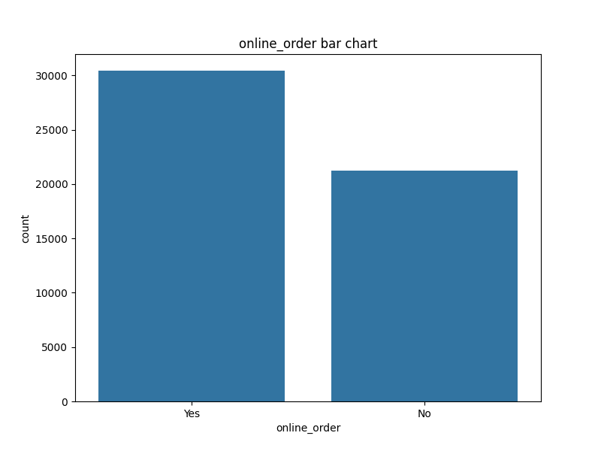
online_order | count
Yes | 30444
No | 21273

book_table
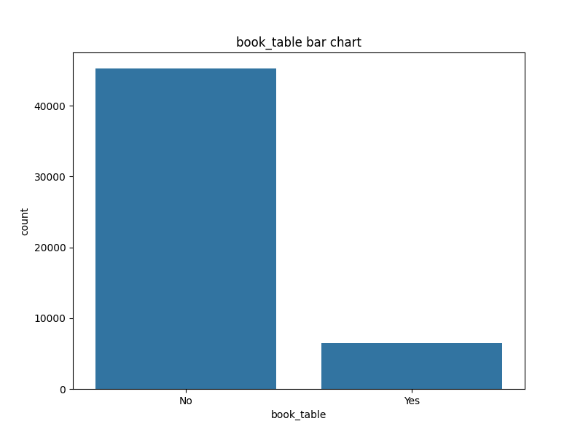
book_table | count
No | 45268
Yes | 6449

rate
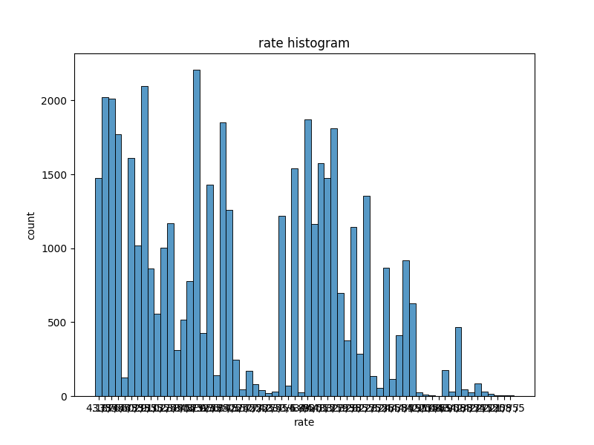
rate | count
NEW | 2208
3.9/5 | 2098
3.8/5 | 2022
3.7/5 | 2011
3.9 /5 | 1874
3.8 /5 | 1851
3.7 /5 | 1810
3.6/5 | 1773
4.0/5 | 1609
4.0 /5 | 1574
3.6 /5 | 1543
4.1/5 | 1474
4.1 /5 | 1474
3.5/5 | 1431
3.5 /5 | 1353
3.4/5 | 1259
3.4 /5 | 1217
3.3/5 | 1168
4.2 /5 | 1165
3.3 /5 | 1142
4.2/5 | 1019
3.2/5 | 1006
4.3 /5 | 917
3.2 /5 | 867
3.1/5 | 862
4.3/5 | 776
3.1 /5 | 699
4.4 /5 | 628
3.0/5 | 558
4.4/5 | 519
3.0 /5 | 465
2.9/5 | 427
4.5 /5 | 409
2.9 /5 | 375
2.8/5 | 313
2.8 /5 | 287
4.5/5 | 247
4.6 /5 | 175
2.7/5 | 170
2.6/5 | 143
2.7 /5 | 137
4.6/5 | 125
2.6 /5 | 117
4.7 /5 | 86
4.7/5 | 81
- | 69
2.5 /5 | 56
2.5/5 | 45
4.8 /5 | 43
2.4/5 | 40
4.9 /5 | 30
2.4 /5 | 30
2.3/5 | 28
4.9/5 | 25
2.3 /5 | 23
4.8/5 | 23
2.2/5 | 19
2.1 /5 | 13
2.1/5 | 11
2.2 /5 | 7
2.0 /5 | 7
2.0/5 | 4
1.8 /5 | 3
1.8/5 | 2

votes
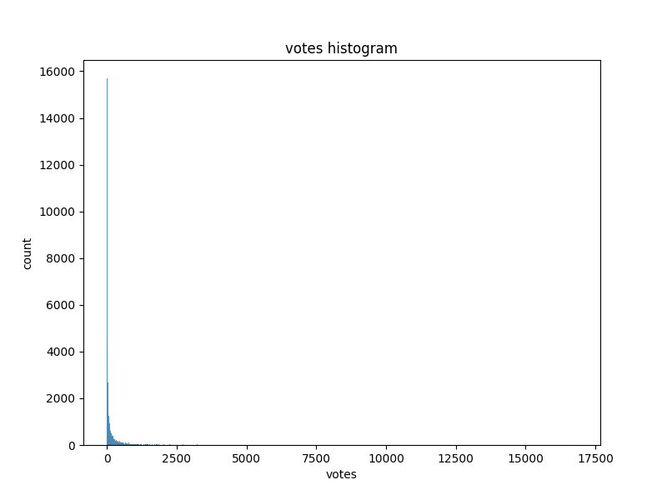
votes | count
0 | 10027
4 | 1140
6 | 992
7 | 872
9 | 738
11 | 701
5 | 667
8 | 626
10 | 621
16 | 535
13 | 465
12 | 465
17 | 452
14 | 434
23 | 408
21 | 400
18 | 388
24 | 373
15 | 372
22 | 368
19 | 361
25 | 329
34 | 329
20 | 302
26 | 290
33 | 276
31 | 275
27 | 269
32 | 265
28 | 259
38 | 249
30 | 249
41 | 239
36 | 237
42 | 233
46 | 231
39 | 226
35 | 219
29 | 202
53 | 201
47 | 200
48 | 200
37 | 199
43 | 198
44 | 189
61 | 176
54 | 171
50 | 170
49 | 167
56 | 164
57 | 162
74 | 156
40 | 156
59 | 156
51 | 153
70 | 145
62 | 142
52 | 141
68 | 138
75 | 138
67 | 135
45 | 132
58 | 131
64 | 128
69 | 127
66 | 124
76 | 122
55 | 121
73 | 120
63 | 120
93 | 115
97 | 112
72 | 112
95 | 109
60 | 108
90 | 107
115 | 106
77 | 105
71 | 101
117 | 101
94 | 101
65 | 101
89 | 98
82 | 98
110 | 97
100 | 95
118 | 94
108 | 93
96 | 93
140 | 91
79 | 90
91 | 90
121 | 88
122 | 86
152 | 84
81 | 83
104 | 82
80 | 82
106 | 81
119 | 81
88 | 79
84 | 79
99 | 78
83 | 78
101 | 76
113 | 76
132 | 75
128 | 75
87 | 75
102 | 74
137 | 72
85 | 72
177 | 71
109 | 71
221 | 71
78 | 69
166 | 67
98 | 67
124 | 66
114 | 65
130 | 64
151 | 64
111 | 64
120 | 64
112 | 62
116 | 62
92 | 62
107 | 61
169 | 61
129 | 60
176 | 60
133 | 59
134 | 59
149 | 59
155 | 58
...

phone
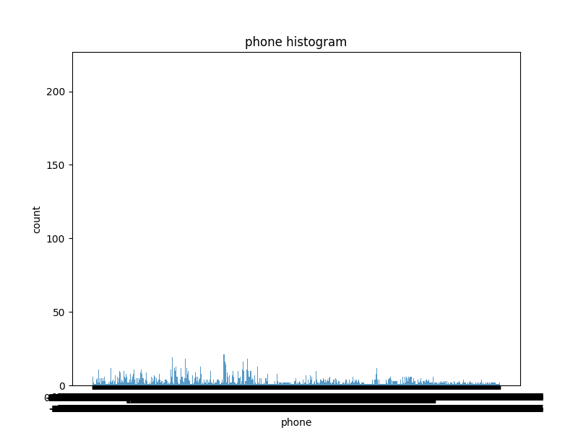
phone | count
080 43334321 | 216
080 43334333 | 167
+91 7005889963 | 78
+91 8197170008 | 75
+91 7710055553 | 58
+91 8970010111 | 57
080 33994444 | 57
+91 7700020020 | 54
+91 8880141000 | 46
+91 9831810436 | 42
18001208242 | 40
+91 9036011861 | 39
080 43758178 | 38
+91 9036070410 | 37
080 49994999 | 37
+91 9513300048 | 36
+91 9599698659 | 34
+91 7676764422 | 32
+91 9513300902 | 31
+91 7710090007 | 30
080 41202278 +91 7829745705 | 30
+91 9481511911 | 29
080 22119898 | 28
+91 7337830757 | 28
+91 9035955192 | 27
+91 9916533331 +91 9916533332 | 27
180030025009 | 26
080 40977132 | 25
+91 9222222800 | 25
080 42171421 +91 8880808222 | 25
+91 8095066833 | 24
+91 9663076096 | 24
080 25001700 | 23
+91 7738383000 | 23
+91 9513888911 | 22
+91 9742933332 | 22
+91 8197326836 | 22
+91 9597450021 | 22
022 33552698 | 22
...

location
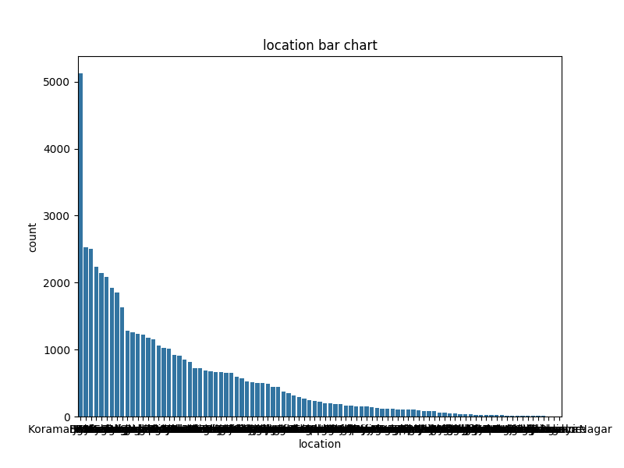
location | count
BTM | 5124
HSR | 2523
Koramangala 5th Block | 2504
JP Nagar | 2235
Whitefield | 2144
Indiranagar | 2083
Jayanagar | 1926
Marathahalli | 1846
Bannerghatta Road | 1630
Bellandur | 1286
Electronic City | 1258
Koramangala 1st Block | 1238
Brigade Road | 1218
Koramangala 7th Block | 1181
Koramangala 6th Block | 1156
Sarjapur Road | 1065
Ulsoor | 1023
Koramangala 4th Block | 1017
MG Road | 918
Banashankari | 906
Kalyan Nagar | 853
Richmond Road | 812
Frazer Town | 727
Malleshwaram | 725
Basavanagudi | 684
Residency Road | 675
Banaswadi | 664
Brookefield | 658
New BEL Road | 649
Kammanahalli | 648
Rajajinagar | 591
Church Street | 569
Lavelle Road | 529
Shanti Nagar | 511
Shivajinagar | 499
Domlur | 496
Cunningham Road | 491
Old Airport Road | 446
Ejipura | 439
...

rest_type
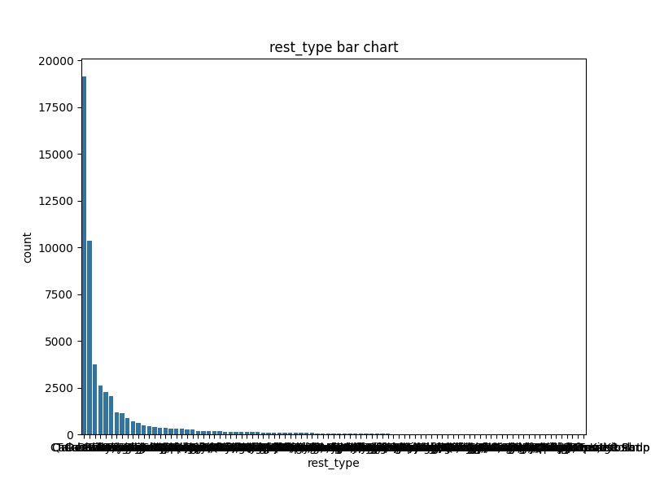
rest_type | count
Quick Bites | 19132
Casual Dining | 10330
Cafe | 3732
Delivery | 2604
Dessert Parlor | 2263
Takeaway, Delivery | 2037
Casual Dining, Bar | 1154
Bakery | 1141
Beverage Shop | 867
Bar | 697
Food Court | 624
Sweet Shop | 468
Bar, Casual Dining | 425
Lounge | 396
Pub | 357
Fine Dining | 346
Casual Dining, Cafe | 319
Beverage Shop, Quick Bites | 298
Bakery, Quick Bites | 289
Mess | 267
Pub, Casual Dining | 255
Sweet Shop, Quick Bites | 178
Kiosk | 176
Dessert Parlor, Cafe | 175
Cafe, Casual Dining | 173
Cafe, Bakery | 164
Cafe, Dessert Parlor | 148
Bakery, Dessert Parlor | 147
Microbrewery, Casual Dining | 132
Casual Dining, Pub | 127
Dessert Parlor, Quick Bites | 125
Takeaway | 120
Cafe, Quick Bites | 111
Quick Bites, Beverage Shop | 101
Food Court, Quick Bites | 101
Dessert Parlor, Bakery | 85
Food Truck | 84
Quick Bites, Dessert Parlor | 84
Pub, Microbrewery | 84
...

dish_liked
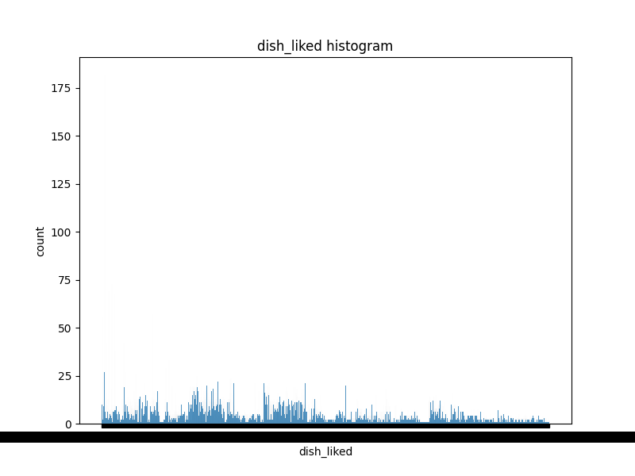
dish_liked | count
Biryani | 182
Chicken Biryani | 73
Friendly Staff | 69
Waffles | 68
Paratha | 57
Masala Dosa | 56
Rooftop Ambience | 42
Coffee | 42
Pizza | 38
Burgers | 33
Cocktails | 29
Mutton Biryani | 27
Prompt Service | 27
Noodles | 26
Cappuccino, Eclair, Pizza, Coffee, Blueberry Cheesecake, Oreo Cheesecake, Tiramisu | 25
Cocktails, Pizza | 24
Decor | 23
Pizza, Garlic Bread | 22
Cocktails, Pizza, French Fries | 22
Burgers, Coffee, Waffles, Mocktails, Pasta, Brownie Chocolate, Chicken Salami | 21
Pasta | 21
Waffles, Sandwiches, Nachos, Burgers, Chicken Keema Pizza, Penne Pasta, Smoothie Bowl | 21
Breakfast Buffet, Sushi, Cheesecake, Gulab Jamun, Lunch Buffet, Fish, Noodles | 21
Burgers, Pasta, Chocolate Mousse, Potato Wedges, Cup Cake, Cheesy Fries, Peri Peri Chicken | 21
Tandoori Chicken | 21
Biryani, Breakfast Buffet, Fish, Salads, Burgers, Caramel Pudding, Steak | 21
Beer | 21
Chocolate Cake | 20
Sea Food, Spicy Crab Soup, Cocktails, Squid Fry, Prawn Curry, Lobster, Fish Curry | 20
Paneer Peri Peri, Pancakes, Fajitas, Sweet Crepe, Peri Peri Chicken, Chicken Breast, Nutella Crepe | 20
Coconut Payassam, Seafood Soup, Fish, Filter Kaapi, Tender Coconut Payasam, Mutton Curry, Mysore Masala Dosa | 20
Nachos, Pasta, Cocktails, Khamiri Roti, Beer, Lamb, Burgers | 20
Fish, Curry Crab, Mocktails, Luchi, Kosha Mangsho, Sea Food, Daab Chingri | 20
Burgers, Spinach Pizza, Butter Chicken Pizza, Chicken Bbq Burger, Tiramisu, Ferrero Rocher, Brownie Shake | 20
Pancakes, Cocktails, Biryani, Draught Beer, Long Island Iced Tea, Nachos, Mocktails | 20
Potato Skins, Pizza, Mushroom Soup, Pasta, Banana Smoothie, Almond Soup, Kiwi Lemonade | 20
Breakfast Buffet, Omelette, Lunch Buffet, Pasta | 20
Burgers, Coffee, Cappuccino, Barbeque Burger, Sandwiches, Spinach Pasta, Sandwich | 20
Berryblast, Gourmet Pizza, Mocktails, Ravioli, Bacon Pizza, Pasta, Prawn Pizza | 19
...

cuisines
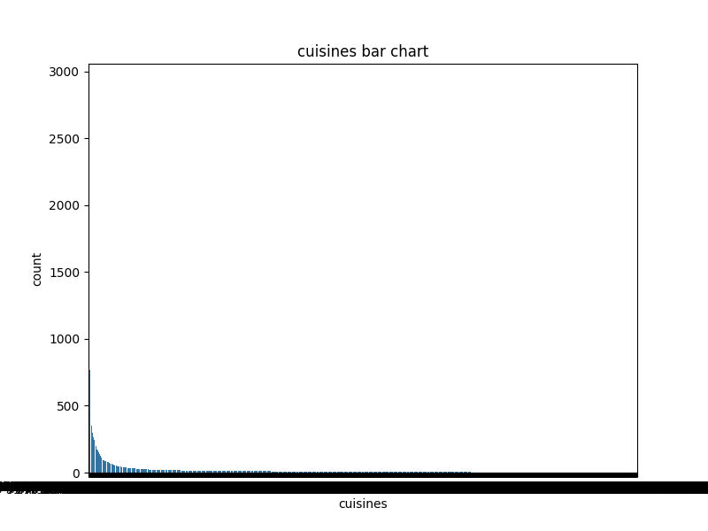
cuisines | count
North Indian | 2913
North Indian, Chinese | 2385
South Indian | 1828
Biryani | 918
Bakery, Desserts | 911
Fast Food | 803
Desserts | 766
Cafe | 756
South Indian, North Indian, Chinese | 726
Bakery | 651
Chinese | 556
Ice Cream, Desserts | 417
Chinese, North Indian | 415
Mithai, Street Food | 372
Desserts, Ice Cream | 354
North Indian, Chinese, Biryani | 352
North Indian, South Indian | 343
South Indian, North Indian | 343
North Indian, South Indian, Chinese | 305
Beverages | 301
North Indian, Biryani | 285
Biryani, Kebab | 279
Biryani, North Indian | 269
Finger Food | 269
Desserts, Beverages | 265
Street Food | 257
South Indian, Chinese | 254
South Indian, Biryani | 248
Beverages, Fast Food | 248
Chinese, Momos | 238
North Indian, Fast Food | 237
Cafe, Fast Food | 230
Fast Food, Beverages | 225
Ice Cream | 213
North Indian, Chinese, South Indian | 210
Kerala | 208
Desserts, Bakery | 203
Bakery, Fast Food | 201
Continental | 196
...

approx_cost(for two people)
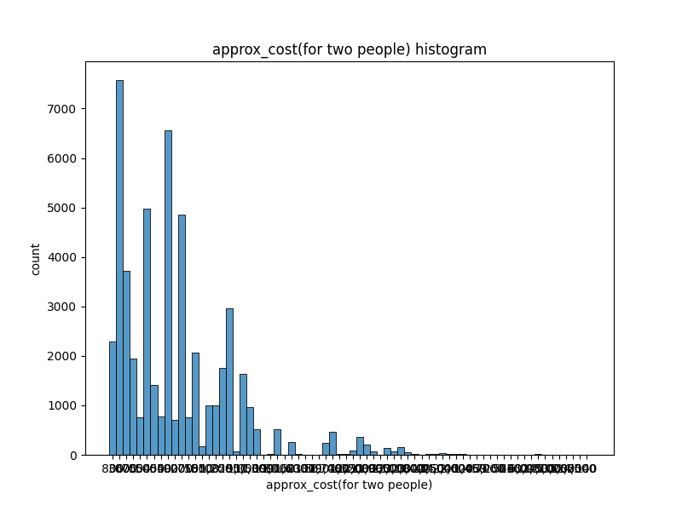
approx_cost(for two people) | count
300 | 7576
400 | 6562
500 | 4980
200 | 4857
600 | 3714
250 | 2959
800 | 2285
150 | 2066
700 | 1948
350 | 1763
1,000 | 1637
450 | 1417
100 | 993
1,200 | 993
1,500 | 971
650 | 776
550 | 761
750 | 758
900 | 700
1,300 | 516
1,100 | 512
1,400 | 473
2,000 | 363
1,600 | 266
1,700 | 247
1,800 | 203
850 | 166
3,000 | 162
2,500 | 146
2,200 | 78
1,900 | 70
2,100 | 67
950 | 62
2,800 | 45
4,000 | 29
3,500 | 25
120 | 24
2,400 | 23
180 | 20
...

