ModelReport
Model | Precision (macro) | Δ Precision (%) | Recall (macro) | Δ Recall (%) | F1 (macro) | Δ F1 (%) | Confusion Matrix | Comments
Base Model | 0.003 | 0.000 | 0.045 | 0.000 | 0.006 | 0.000 | 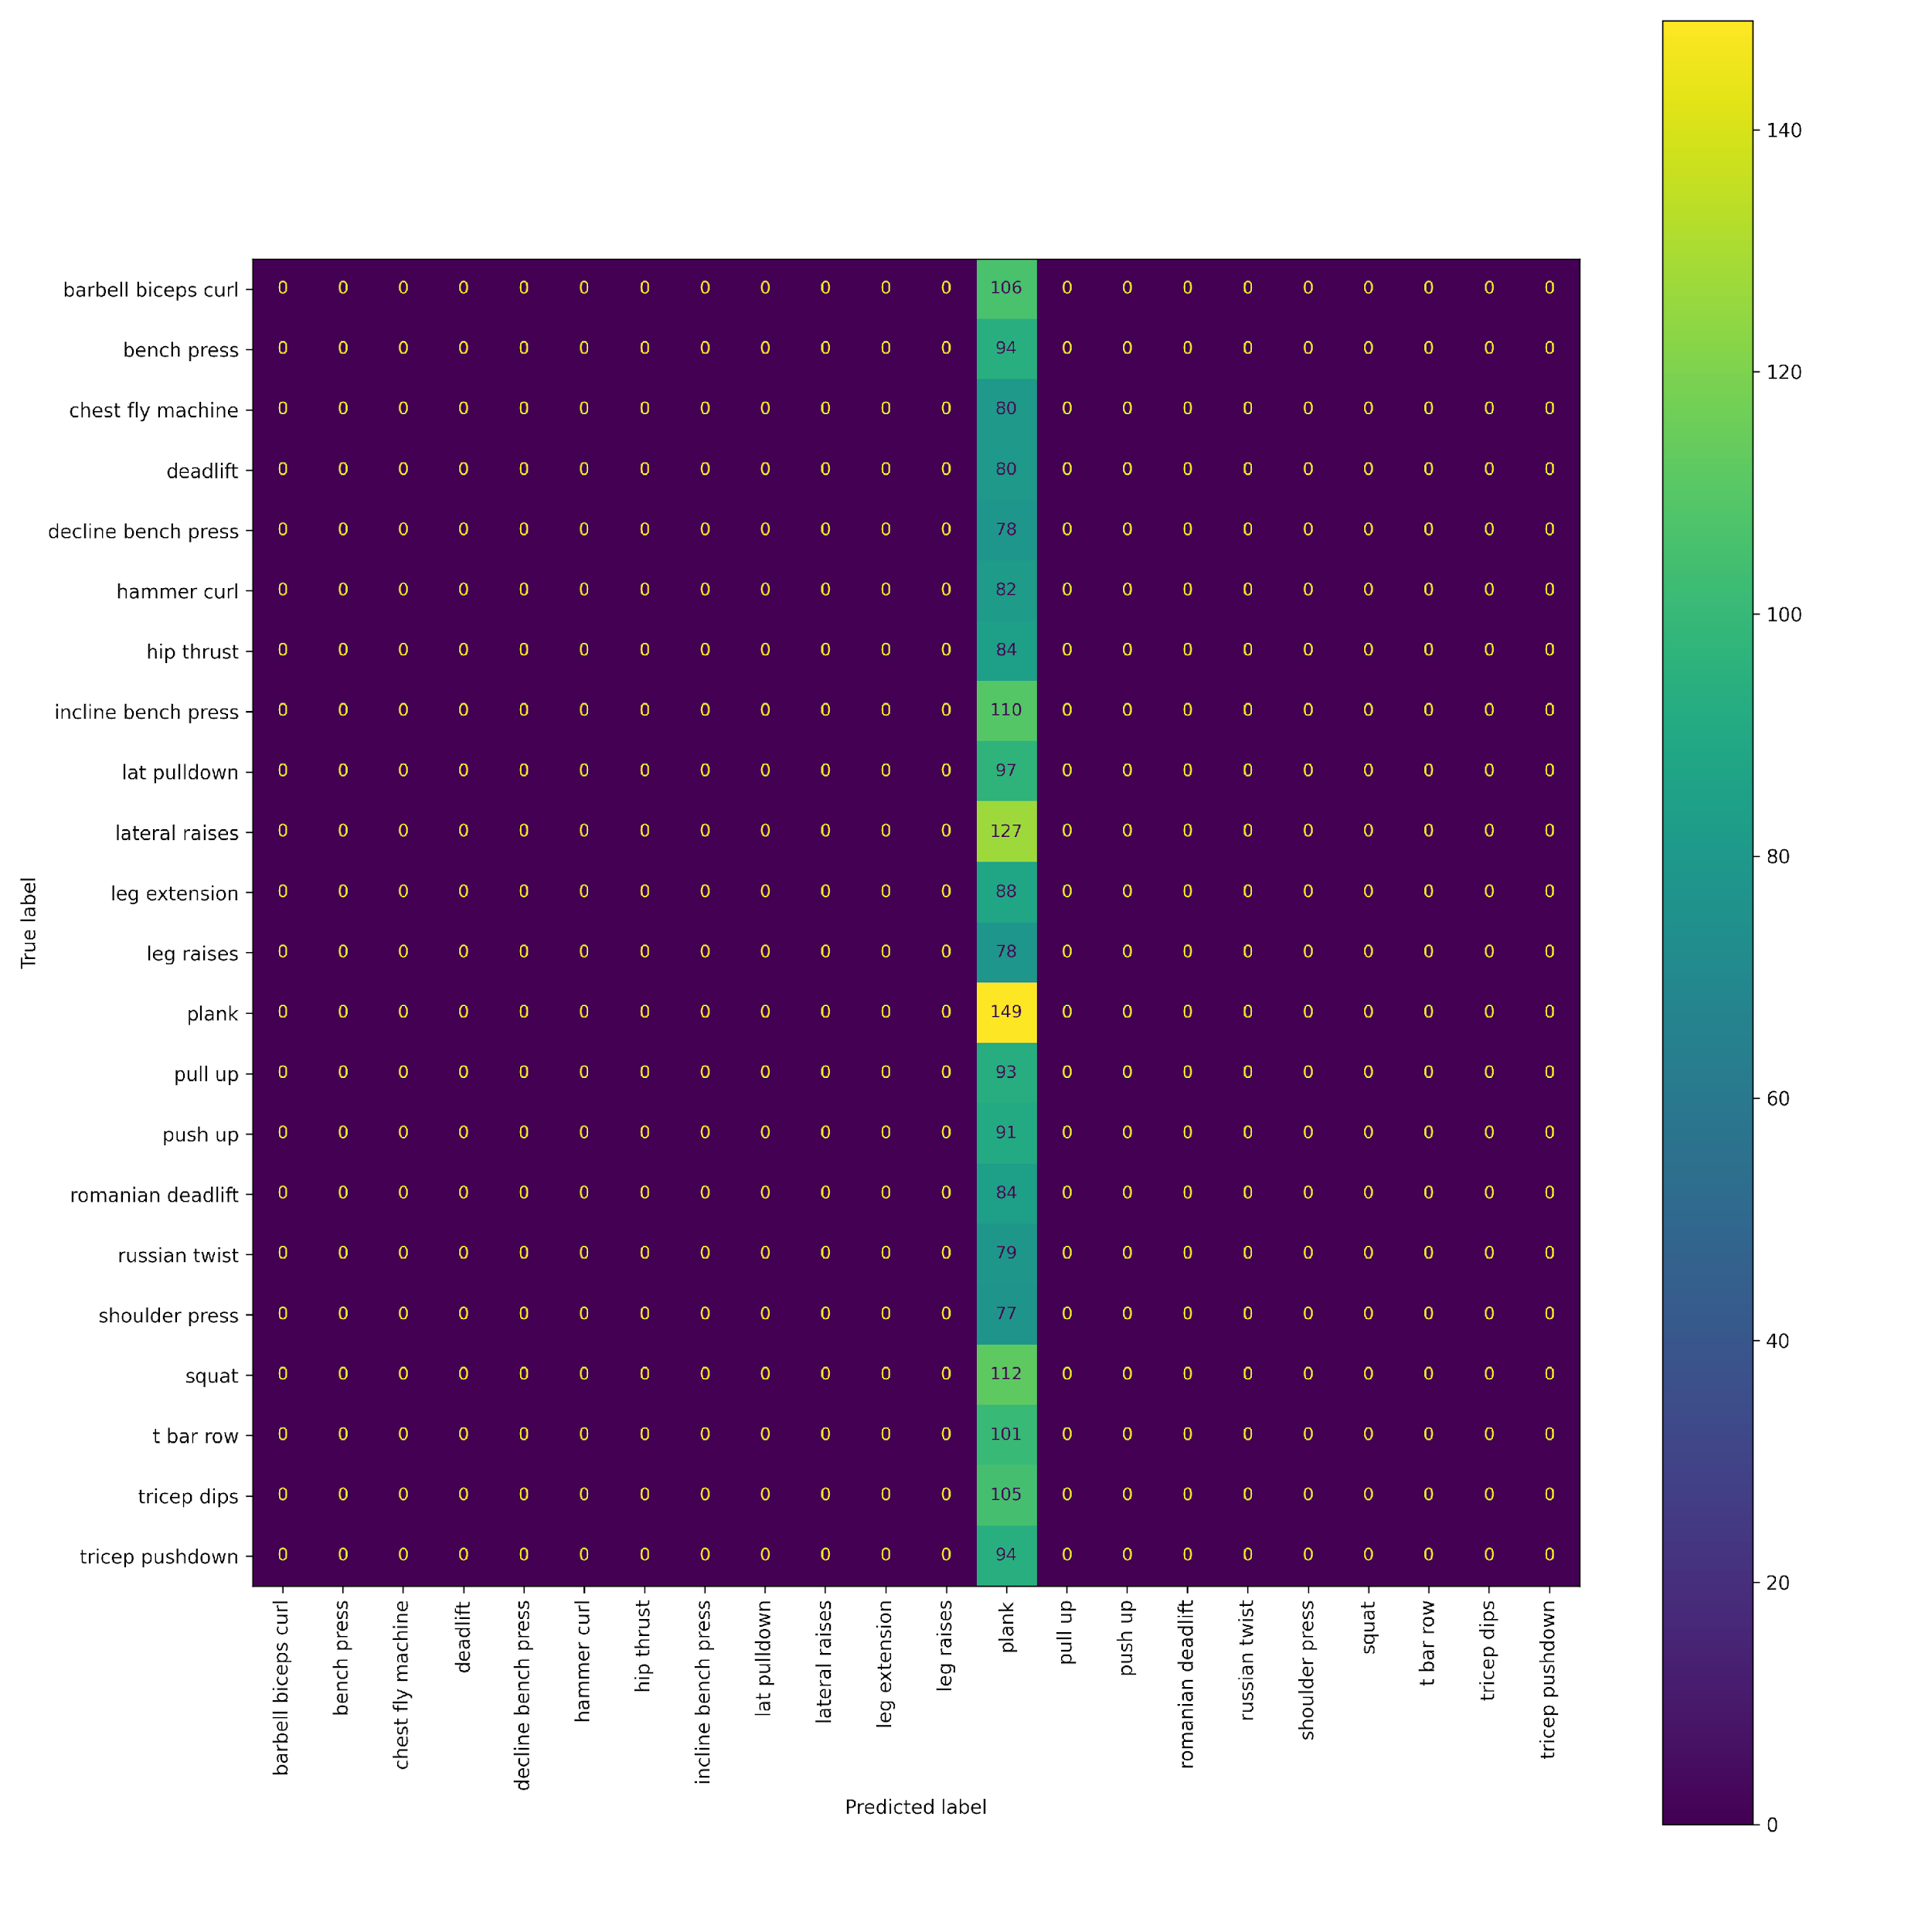 | The base model only predicts the most common class, which is Plank.
#2 Same as model1 but with metrics measured correctly | 0.321 | 9814.080 | 0.312 | 587.421 | 0.295 | 4765.958 | 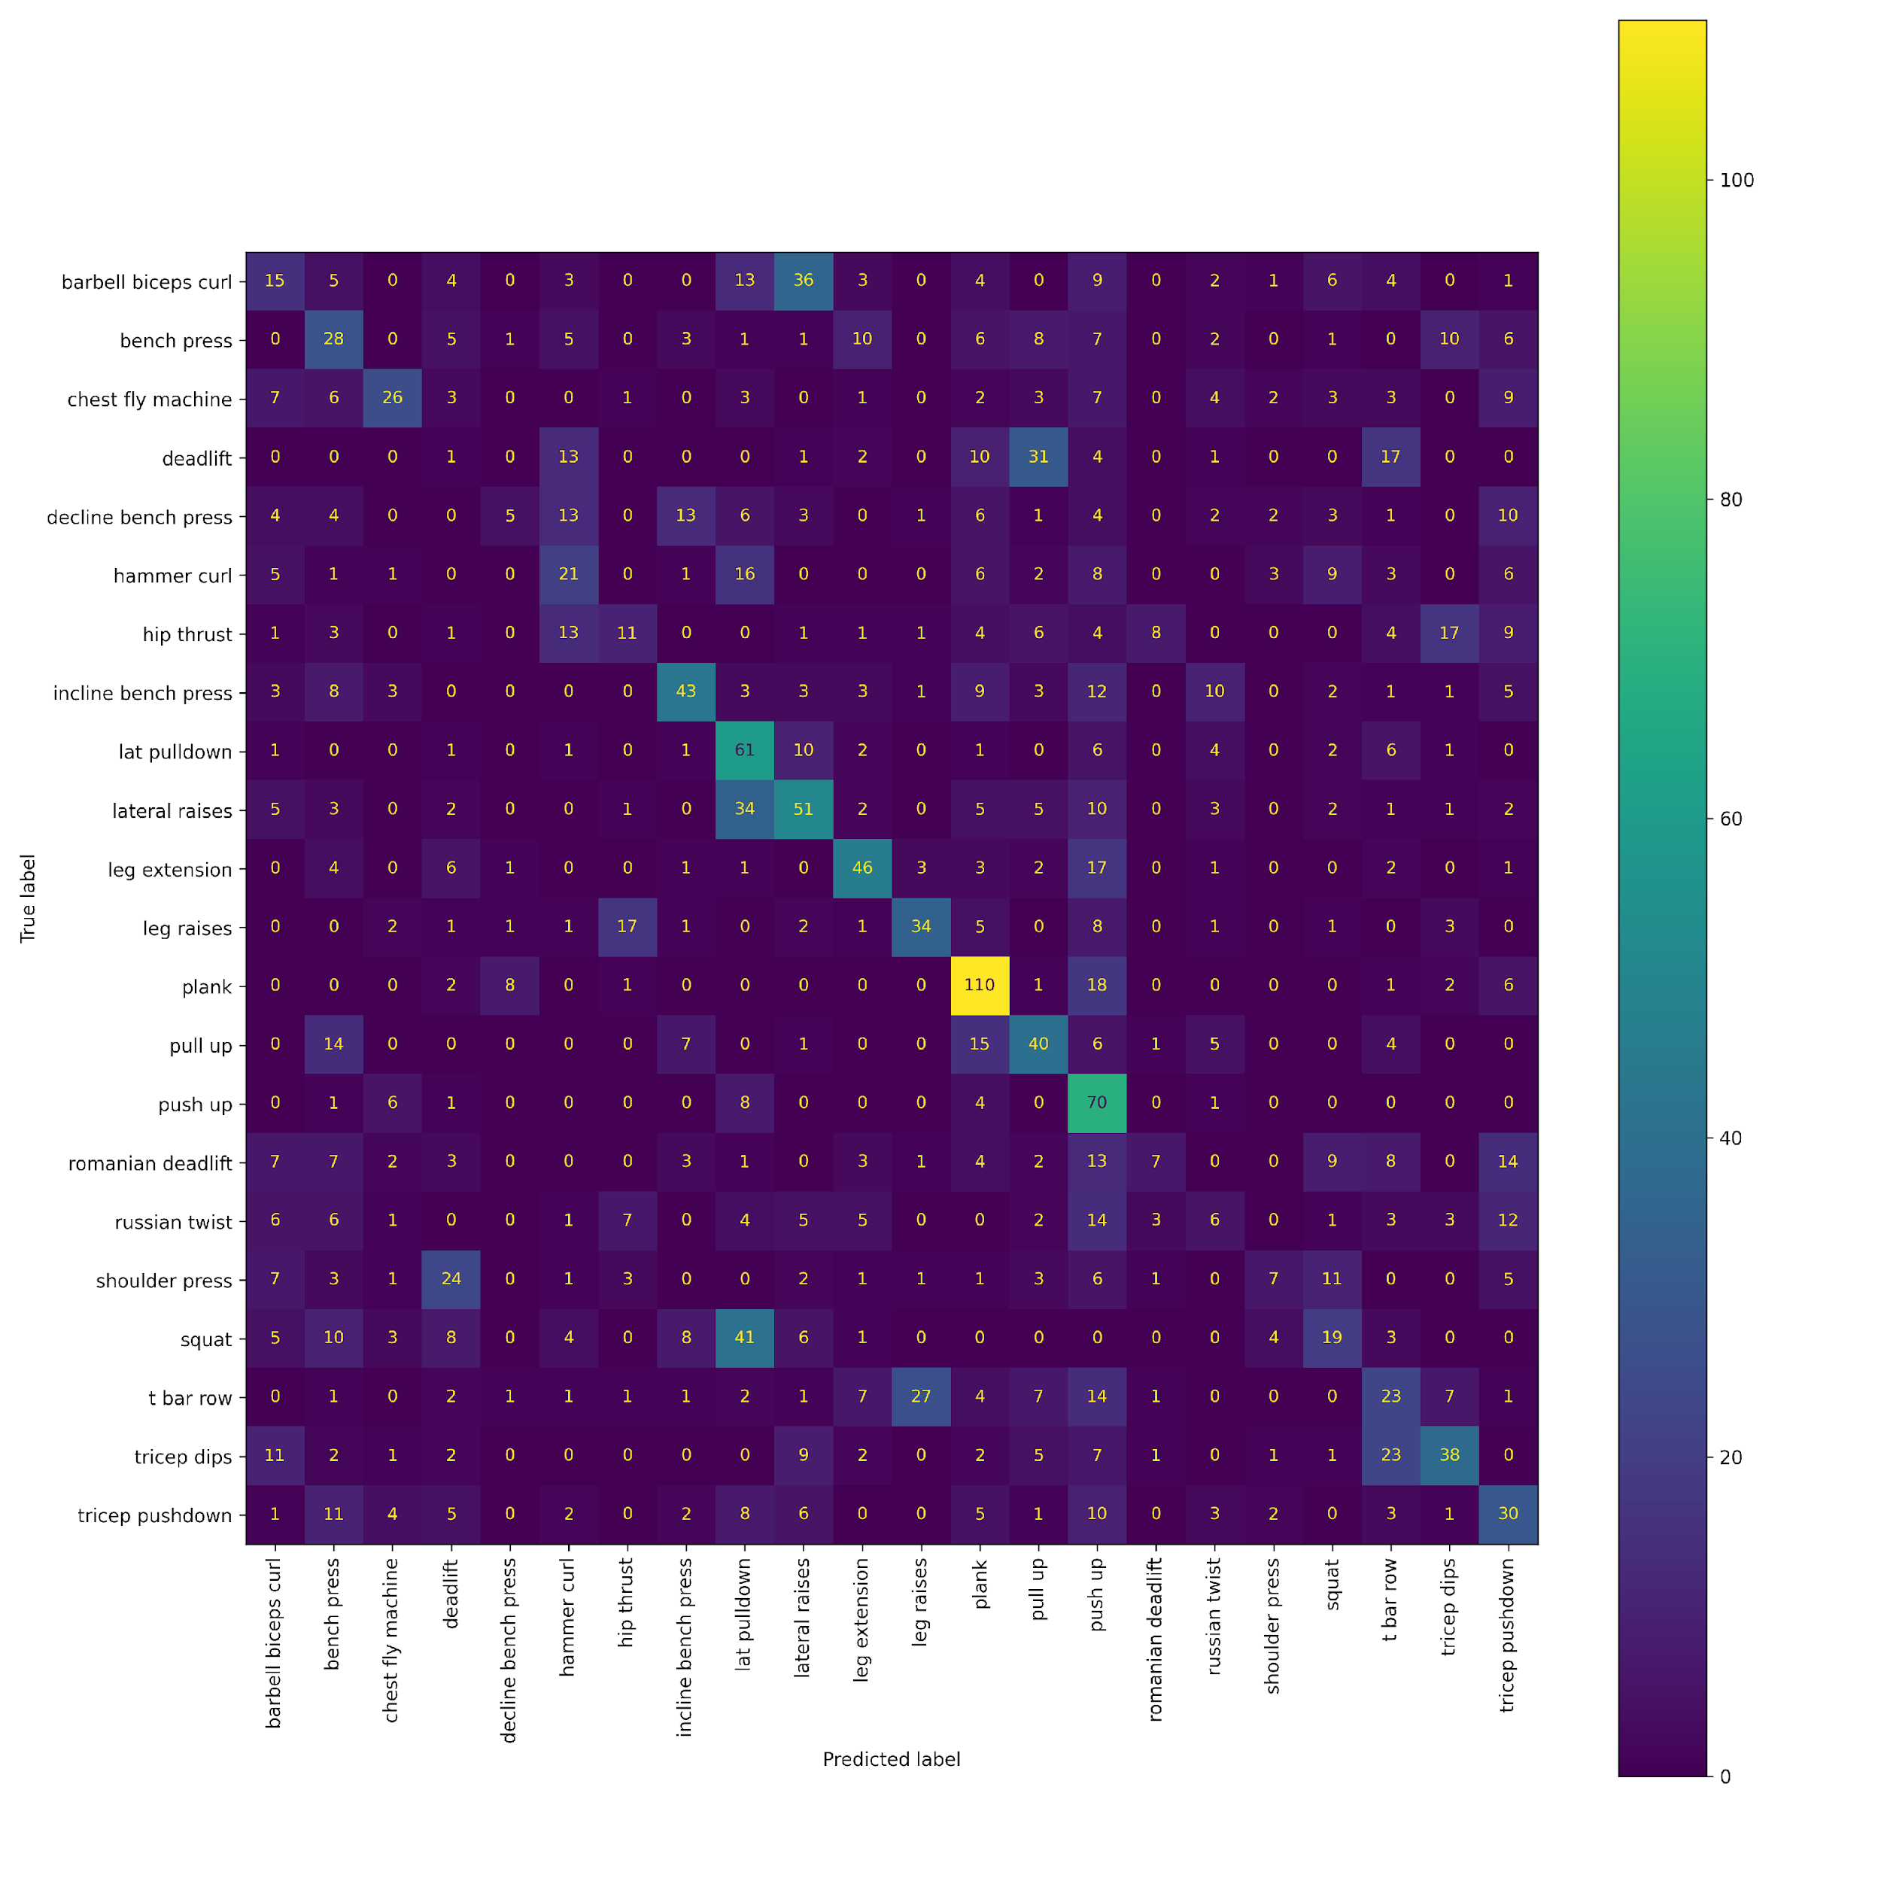 | This model uses the VGG architecture and is only trained on this dataset. It didn't achieve good results because it was overfitting on the training dataset.
#3 Shrinked VGG model | 0.374 | 11427.112 | 0.272 | 498.285 | 0.266 | 4301.411 | 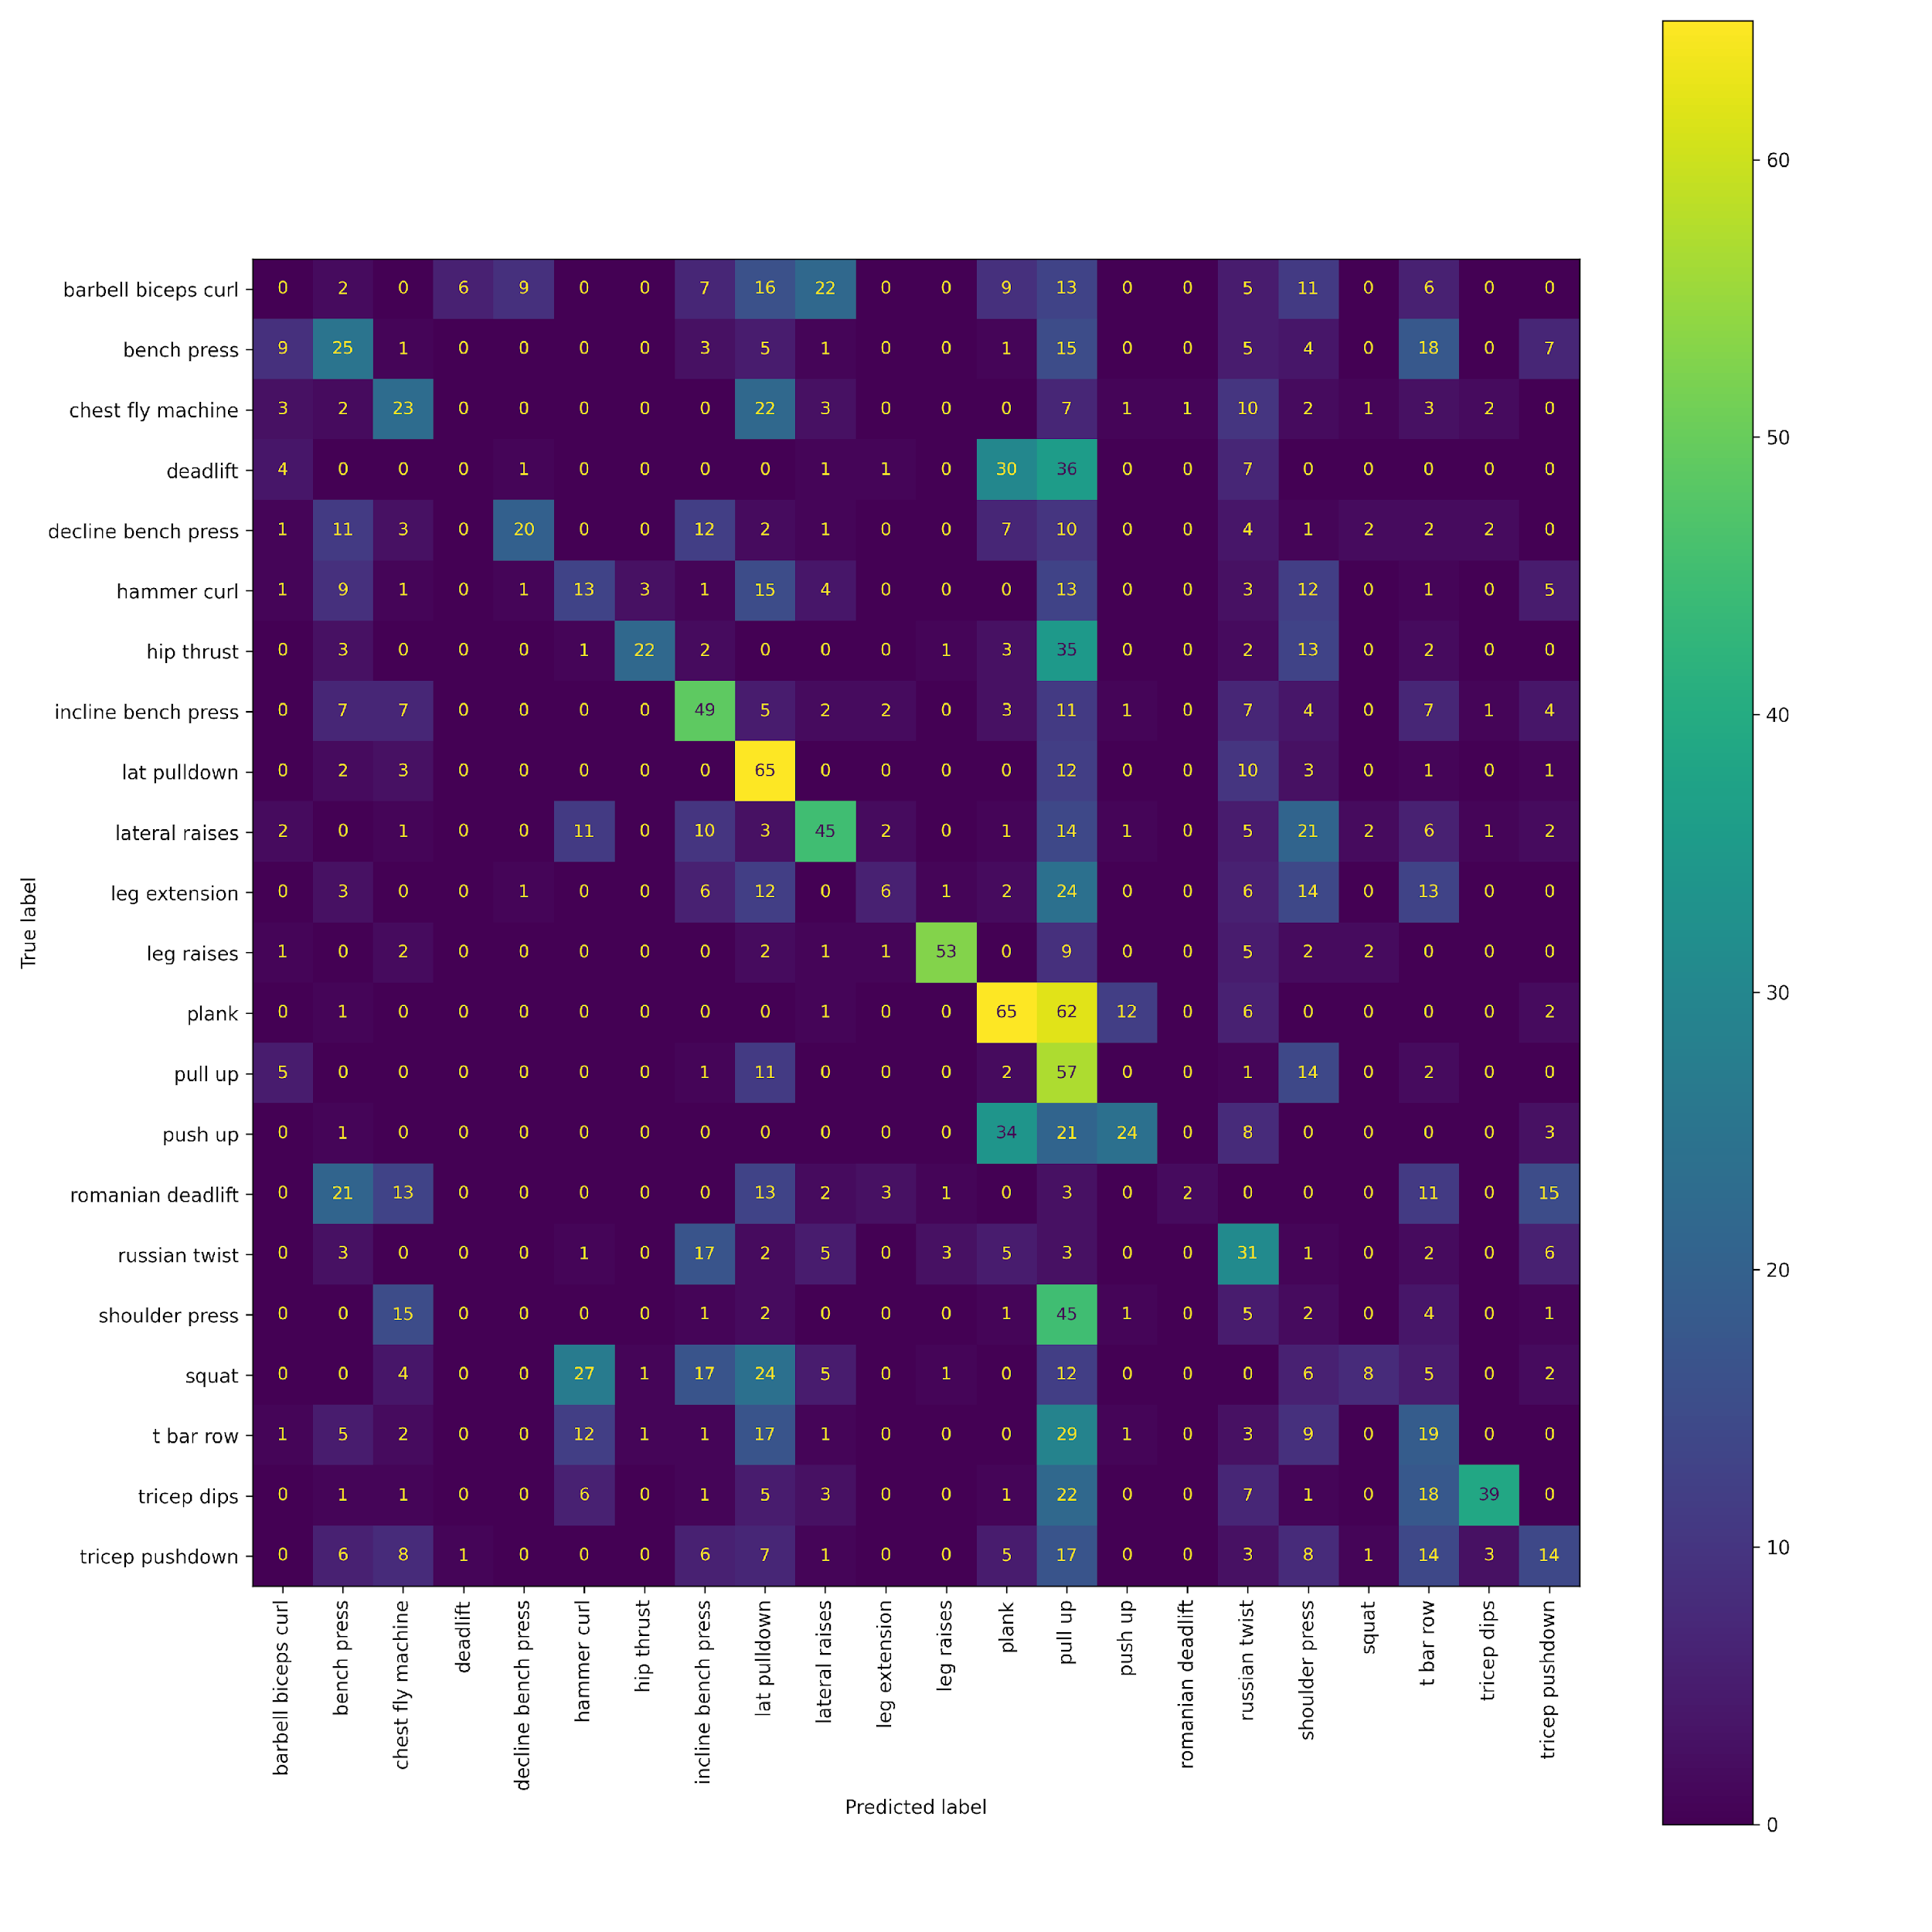 | To prevent the overfitting I tried gradually making the previous model smaller, but it was still overfitting.
#4 Keypoint classification xgboost model | 0.407 | 7620.358 | 0.386 | 710.950 | 0.383 | 3931.005 | 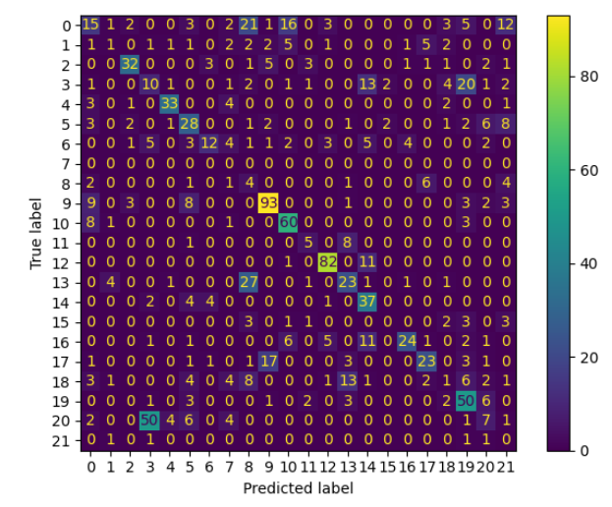 | Then I got an idea to use a model that has human keypoint detection. Keypoints are things like knees, elbows and so on. After that I trained different classification models, and this was the best one out of them.
#5 Keypoint classification knn weighted model | 0.370 | 6913.967 | 0.354 | 644.173 | 0.347 | 3555.572 | 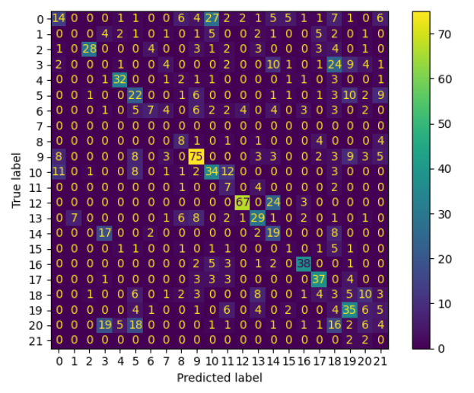 | Since the dataset was unbalanced I decided doing a weighted loss and this knn model performed well.
#6 Keypoint classification weighted xgboost model | 0.399 | 7470.819 | 0.389 | 717.159 | 0.381 | 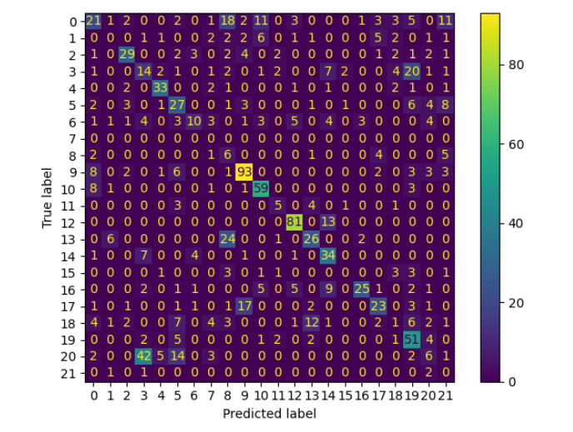 3914.005 | 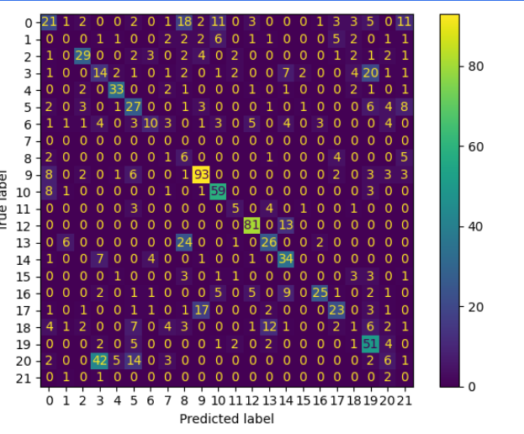 | This model also uses weighted loss and was the best performing keypoint classification model.
#7 Fine-Tuned VGG model | 0.576 | 17652.786 | 0.533 | 1072.298 | 0.526 | 8598.043 | 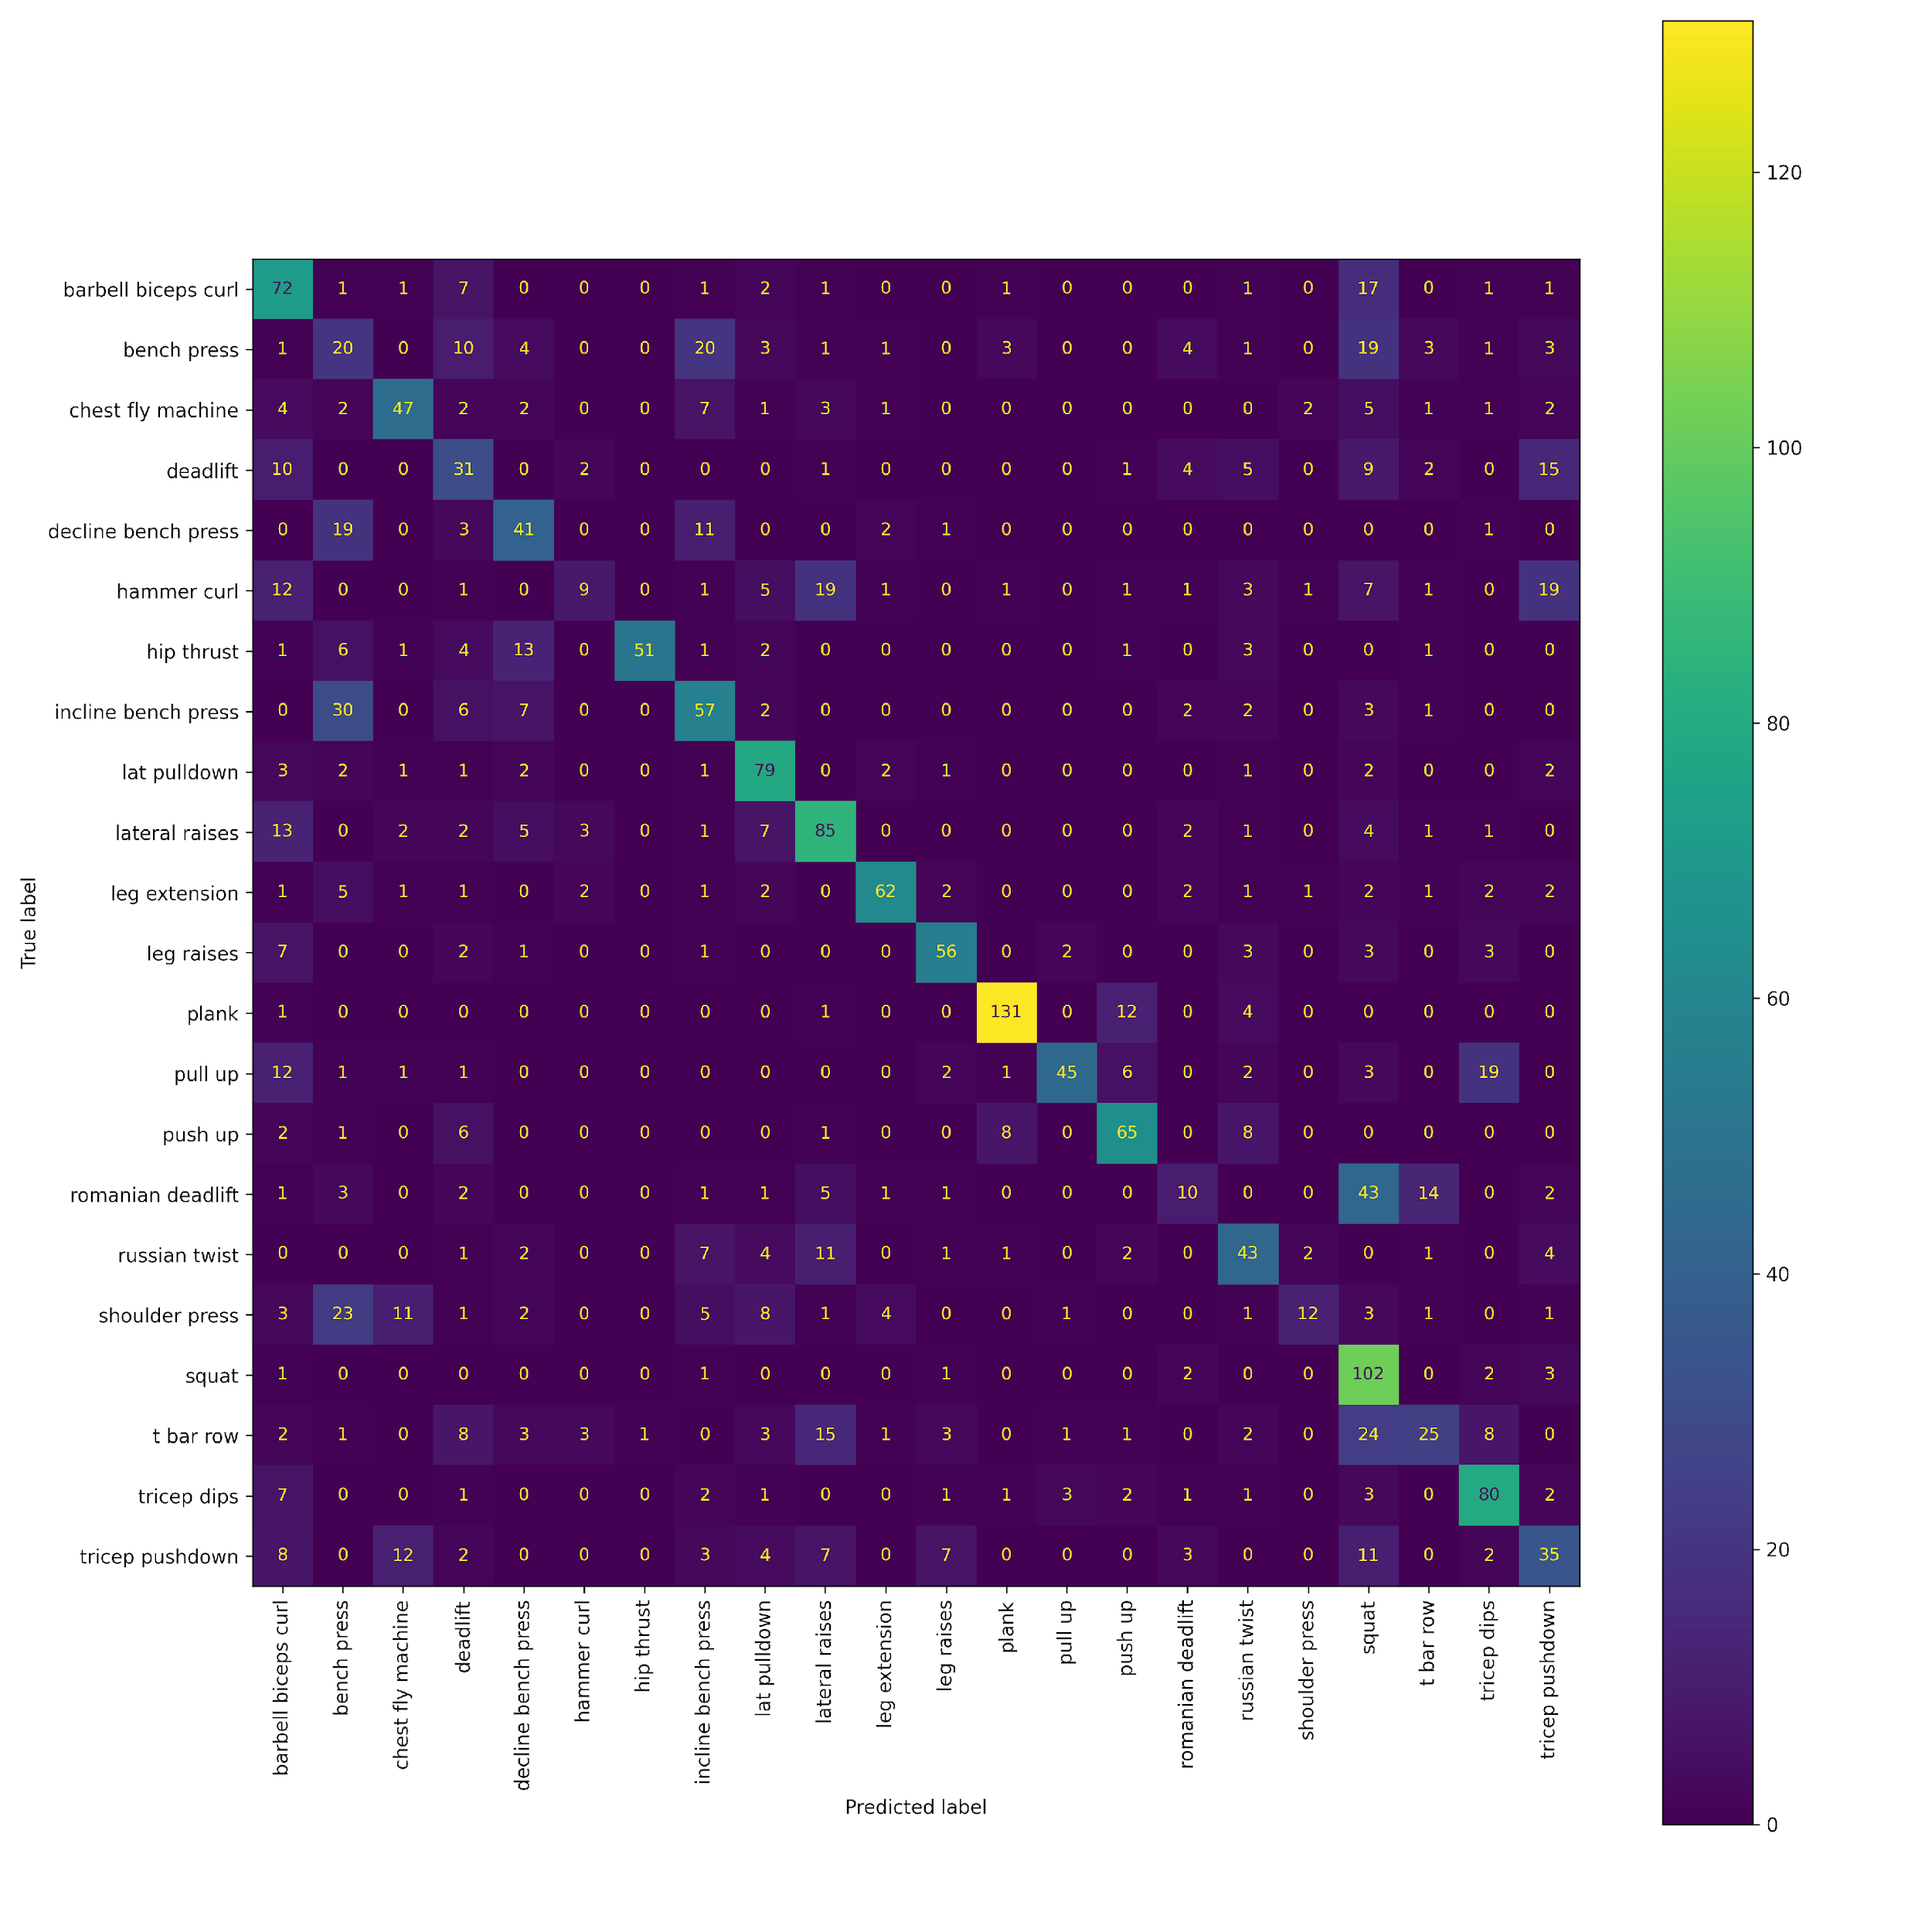 | After the keypoint detection models, I decided to fine-tune some pretrained VGG models. This one performed well.
#8 Fine-Tuned VGG model | 0.614 | 18841.006 | 0.581 | 1177.974 | 0.576 | 9419.860 | 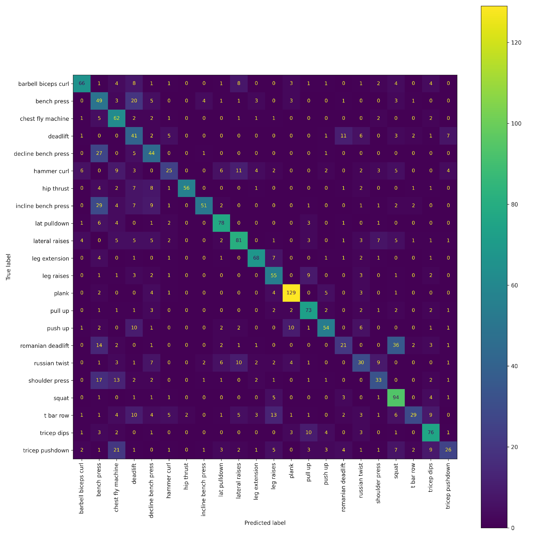 | This one is the best image classification I got. It has the highest F1 score - 0.576. It isn't very high but if you look more closely to the confusion matrix you can see it mostly misses similar exercises eg confuses decline/incline bench press with bench press or deadlift with romanian deadlift. Which indicates that it's possible that it just doesn't have good enough images to classify them correctly.
#9 Fine-Tuned VGG model | 0.602 | 18475.030 | 0.557 | 1124.629 | 0.556 | 9091.842 |  | I tried training the best model for more epochs and this was the one performing best on the validation set, but it seems to be a little worse on the test set.

