ModelReport
Model | Scaling | Number of variables | Hyperparams | Precision | Precision increase from base model (in %) | Recall | Recall increase from base model (in %) | F1 Score | F1 score increase from base model (in %) | Confusion matrix | Comments
Base model |  |  |  | 0.0052765883829 | 0 | 0.047619047619 | 0 | 0.009500447767 | 0
knn model | TRUE | 51 | {'knn__estimator__n_neighbors': np.int64(1)} | 0.38627014467 | 7220.4524713 | 0.36950082648 | 675.95173561 | 0.36448415824 | 3736.494523 | 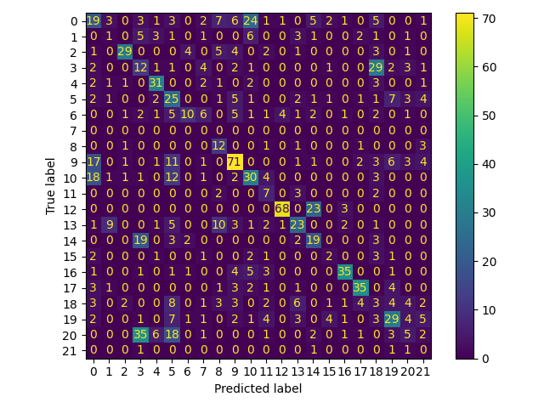
logistic model | TRUE | 51 | {'logistic__estimator__penalty': 'l2', 'logistic__estimator__C': np.float64(0.9)} | 0.3082860198 | 5742.5254622 | 0.30713541943 | 544.98438081 | 0.28883718206 | 2940.248093 | 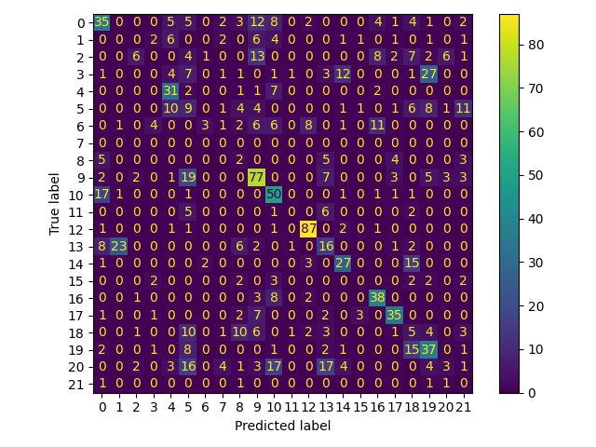
cart model | TRUE | 51 | {'cart__estimator__min_samples_split': np.int64(7), 'cart__estimator__max_depth': np.int64(96), 'cart__estimator__criterion': 'entropy'} | 0.28338072446 | 5270.5292871 | 0.21536917771 | 352.27527319 | 0.21780113435 | 2192.5354645 | 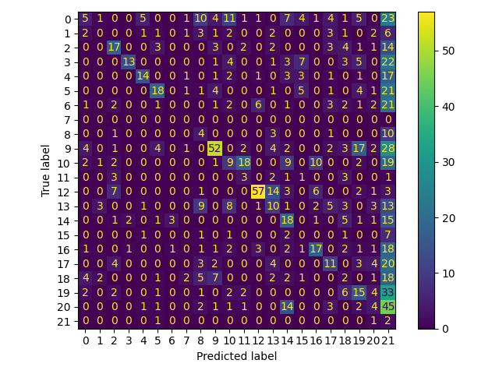
xgboost model | TRUE | 51 | {'xgboost__objective': 'multi:softprob', 'xgboost__num_class': 22, 'xgboost__n_estimators': np.int64(81), 'xgboost__max_depth': np.int64(8), 'xgboost__learning_rate': np.float64(0.25)} | 0.40737150209 | 7620.3577868 | 0.3861668192 | 710.95032033 | 0.38296347716 | 3931.0045016 | 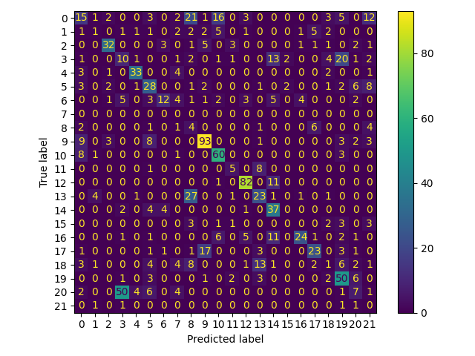
catboost model | TRUE | 51 | {'catboost__loss_function': 'MultiClass', 'catboost__learning_rate': np.float64(0.25), 'catboost__iterations': np.int64(8), 'catboost__depth': np.int64(8)} | 0.35662659532 | 6658.658615 | 0.32010688199 | 572.22445218 | 0.30102916265 | 3068.5786821 | 