ModelReport
Model | Scaling | Number of variables | Hyperparams | Precision | Precision increase from base model (in %) | Recall | Recall increase from base model (in %) | F1 Score | F1 score increase from base model (in %) | Confusion matrix | Comments
Base model |  |  |  | 0.0052765883829 | 0 | 0.047619047619 | 0 | 0.009500447767 | 0
knn model | TRUE | 51 | {'knn__estimator__n_neighbors': np.int64(2)} | 0.37009819158 | 6913.9674488 | 0.35436809302 | 644.17299533 | 0.3472957014 | 3555.5719258 | 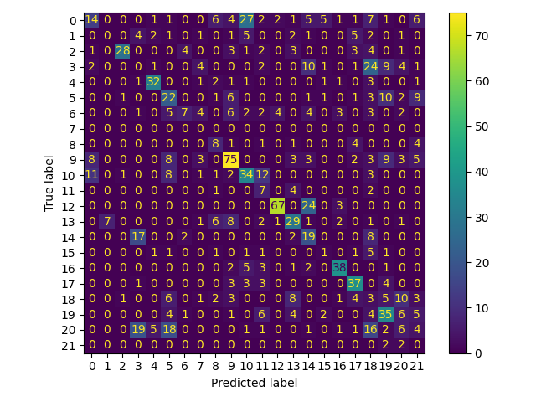
logistic model | TRUE | 51 | {'logistic__estimator__penalty': 'l2', 'logistic__estimator__class_weight': 'balanced', 'logistic__estimator__C': np.float64(0.7000000000000001)} | 0.27465473927 | 5105.1575628 | 0.27217740631 | 471.57255326 | 0.26507361098 | 2690.117029 | 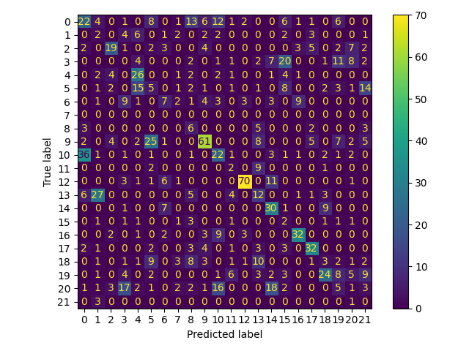
cart model | TRUE | 51 | {'cart__estimator__min_samples_split': np.int64(19), 'cart__estimator__max_depth': np.int64(48), 'cart__estimator__criterion': 'entropy', 'cart__estimator__class_weight': 'balanced'} | 0.32850289724 | 6125.6684321 | 0.2622564466 | 450.73853786 | 0.28265155987 | 2875.1393493 | 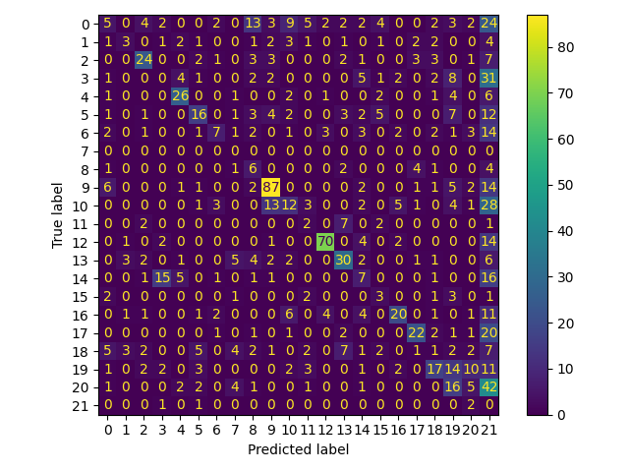
xgboost model | TRUE | 51 | {'xgboost__objective': 'multi:softprob', 'xgboost__num_class': 22, 'xgboost__n_estimators': np.int64(70), 'xgboost__max_depth': np.int64(9), 'xgboost__learning_rate': np.float64(0.27)} | 0.39948095474 | 7470.8189792 | 0.38912348738 | 717.15932349 | 0.38134846547 | 3914.0051798 | 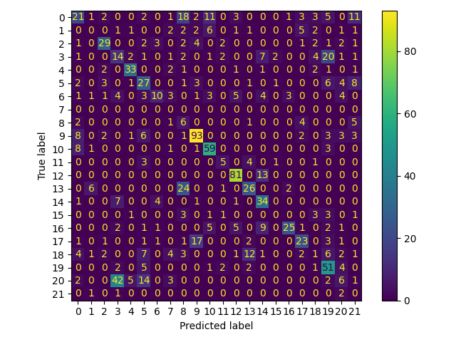
catboost model | TRUE | 51 | {'catboost__verbose': False, 'catboost__loss_function': 'MultiClass', 'catboost__learning_rate': np.float64(0.27), 'catboost__iterations': np.int64(5), 'catboost__eval_metric': 'TotalF1', 'catboost__depth': np.int64(8), 'catboost__auto_class_weights': 'Balanced'} | 0.25488236054 | 4730.4385721 | 0.26828625771 | 463.40114119 | 0.23878164243 | 2413.3725092 | 