ModelReport
Model | Precision (macro) | Δ Precision (%) | Recall (macro) | Δ Recall (%) | F1 (macro) | Δ F1 (%) | Confusion Matrix | Comments
Base Model | 0.005 | 0.000 | 0.045 | 0.000 | 0.008 | 0.000 | 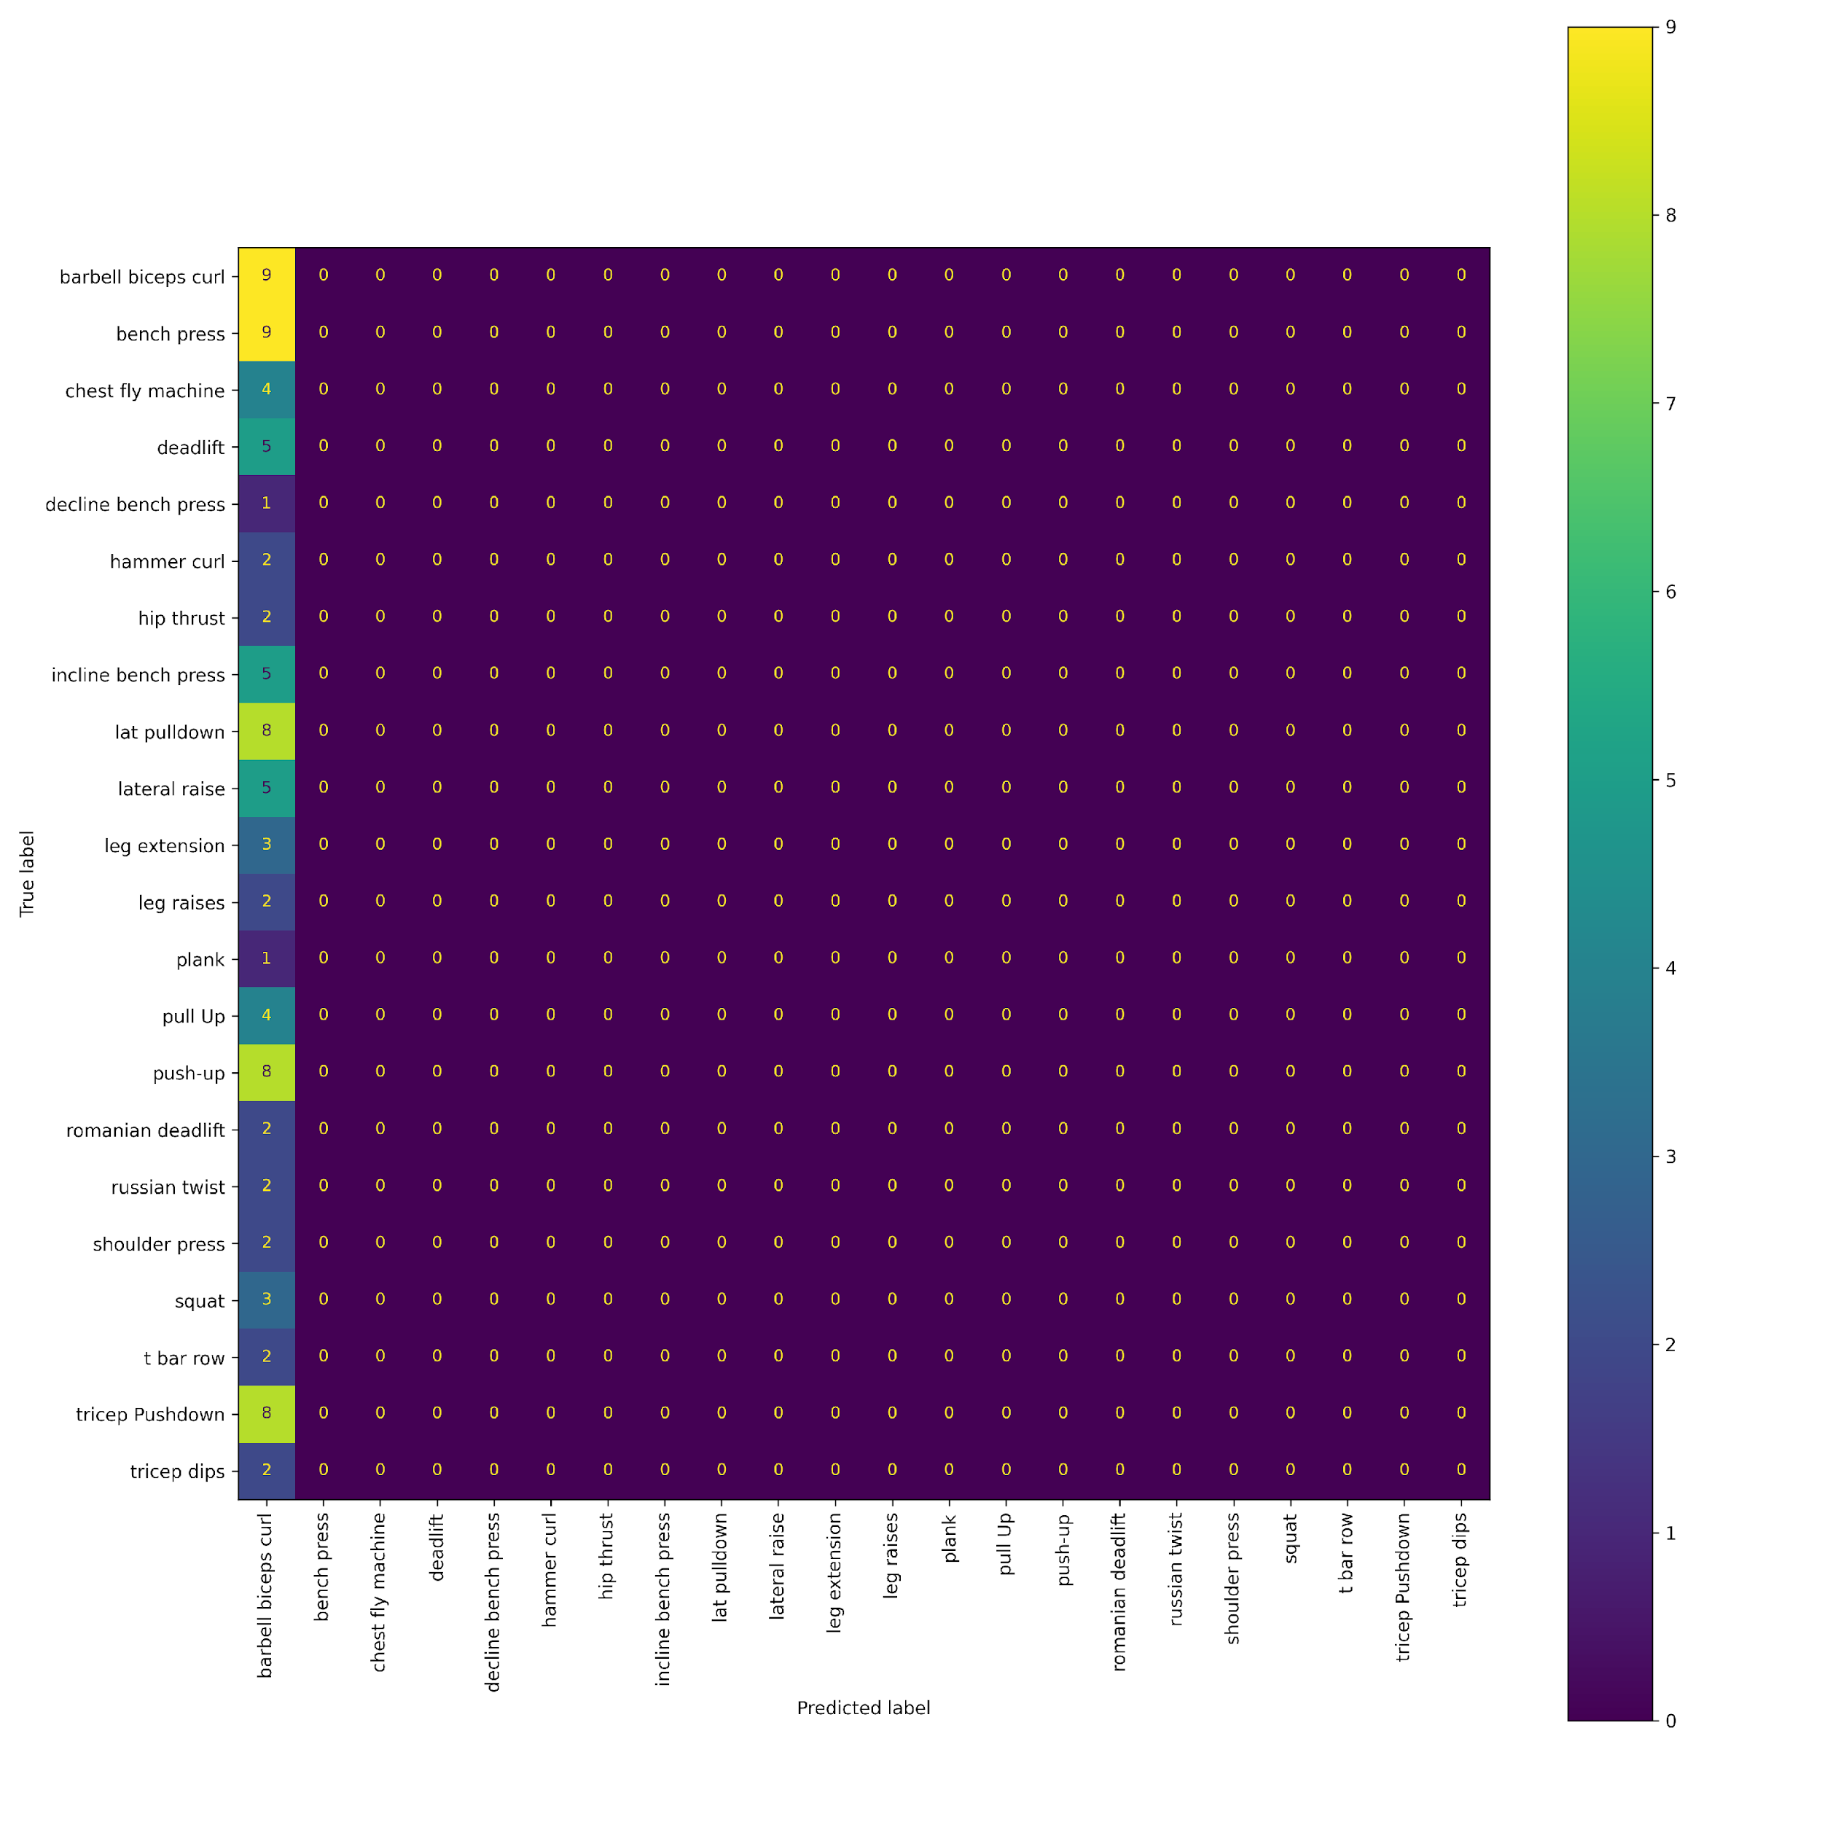 | The base model only predicts the most common class which is Barbell biceps curl
#1 Mean frame prediction | 0.934 | 20221.667 | 0.920 | 1925.000 | 0.922 | 10940.988 | 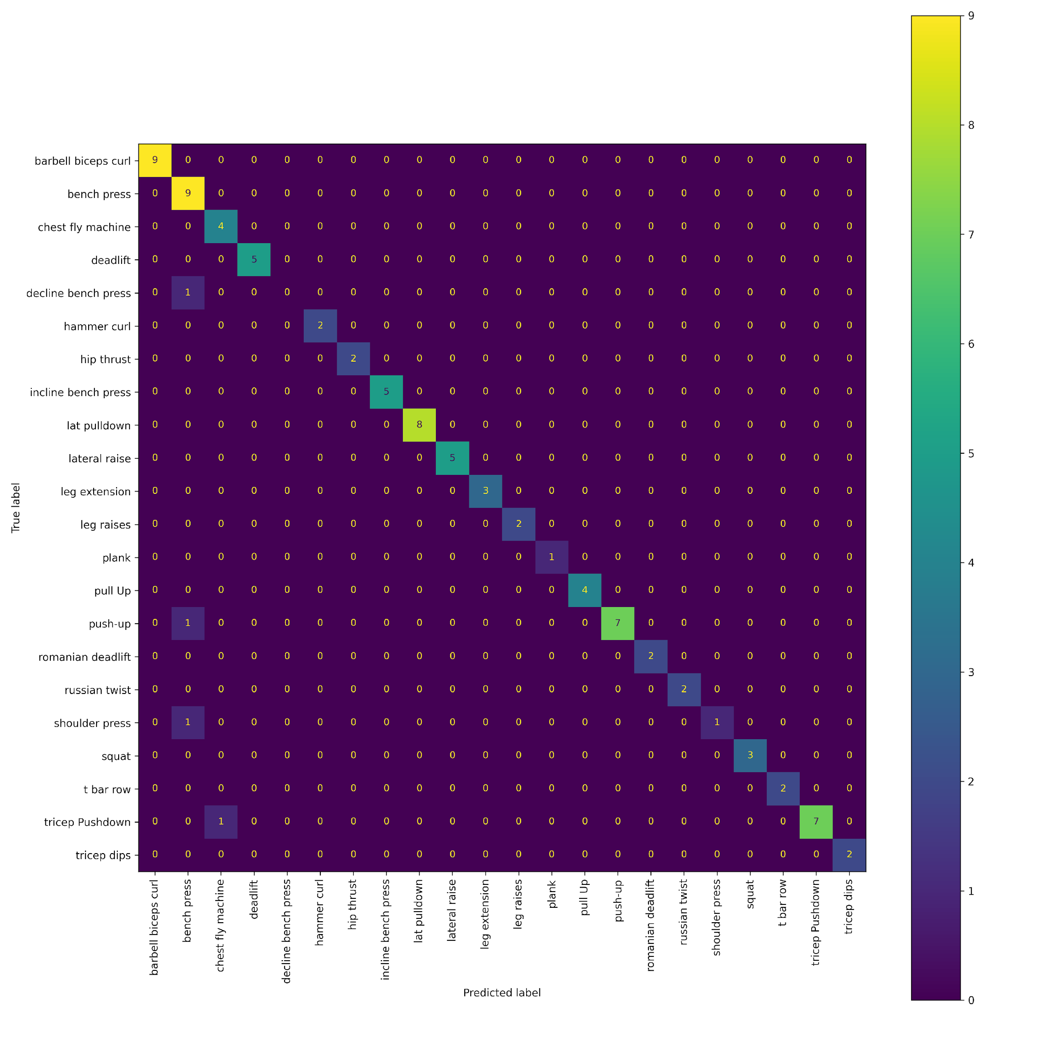 | This is the best model, it has F1 score of 0.92. It uses the best image classification model on 16 frames of the video computes the average of the logits for each of them.
#2 RNN | 0.882 | 19084.444 | 0.852 | 1775.000 | 0.858 | 10173.920 | 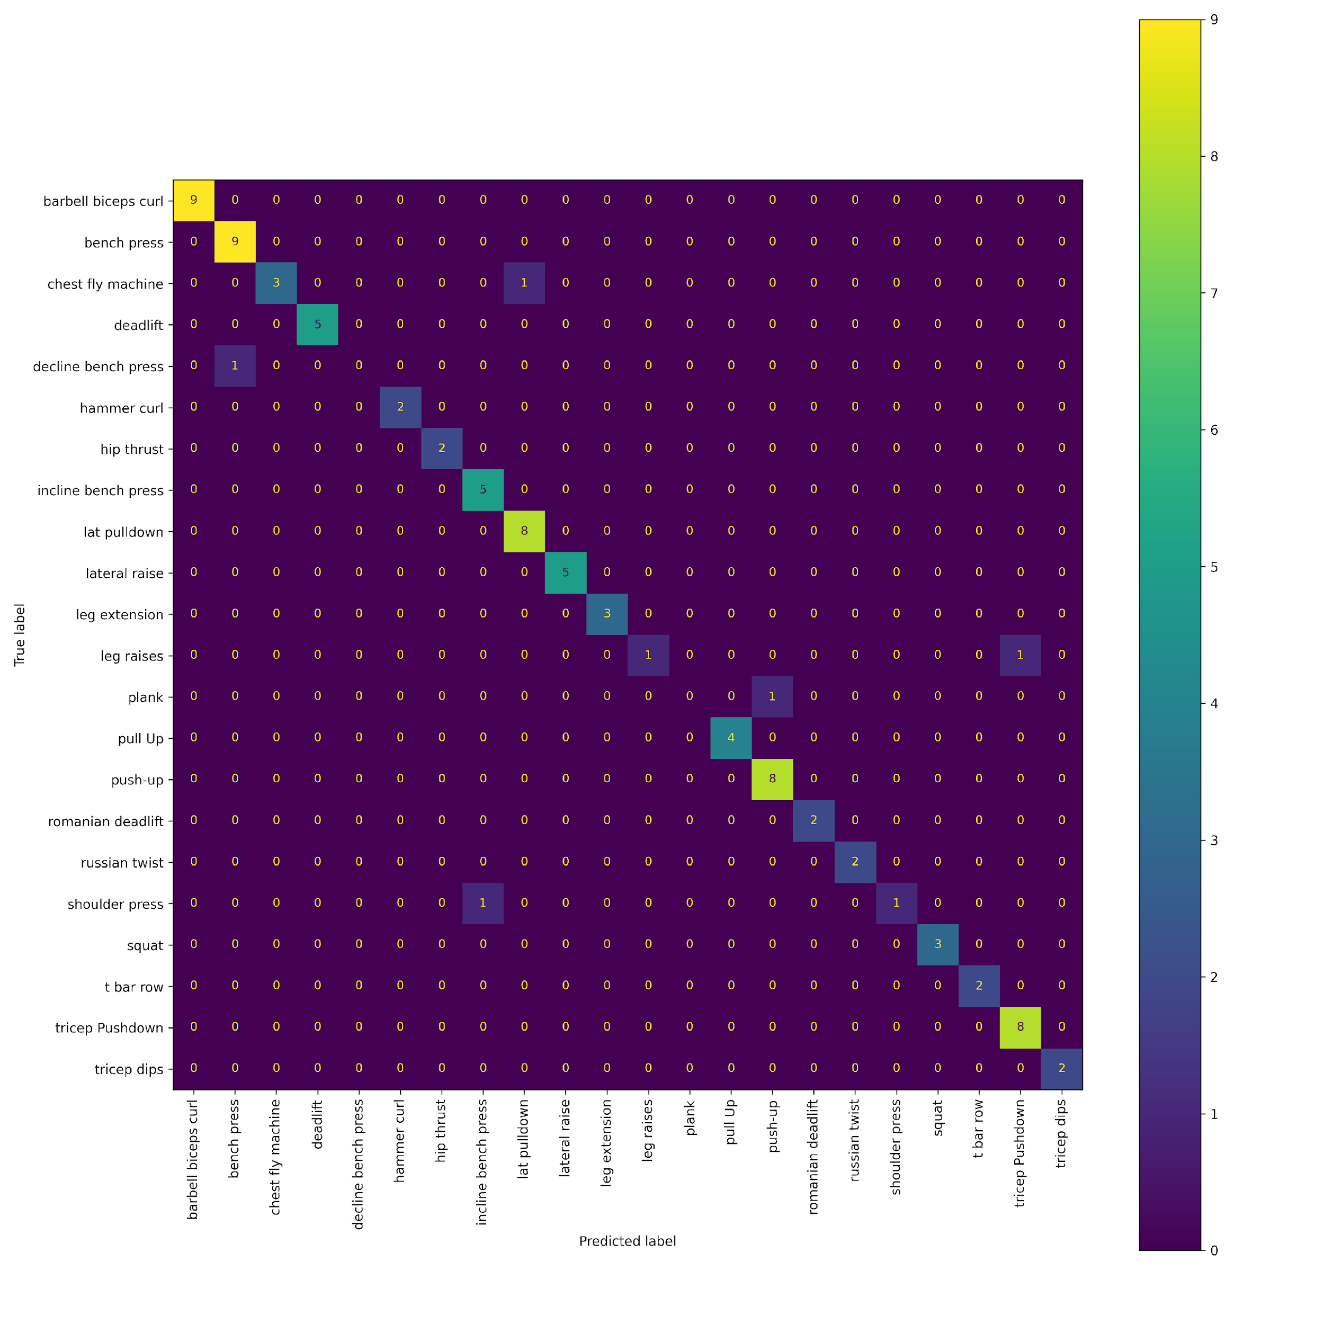 | This is also a good model. It's an RNN that takes as input the embedding generated by the best image classification model for 16 frames of the video. It has the potential to be better than model #1, but the dataset is really small and it's difficult to accurately measure the metrics of the 2 models, it might already be better, but some classes have only 1 or 2 video entries in them.

