ModelReport
Model | Scaling/PCA/t-SNE/TruncatedSVD | Number of variables | Hyperparams | Inertia | Silhouette | Silhouette Increase from base model % | Silhouette for test data | Silhouette for test data increase % | Scatter plot train | Dendrogram | Scatter plot test | PCA variance | Cross-Tabulation
Base model |  | 8 |  |  | -1 | 0 |  |  | 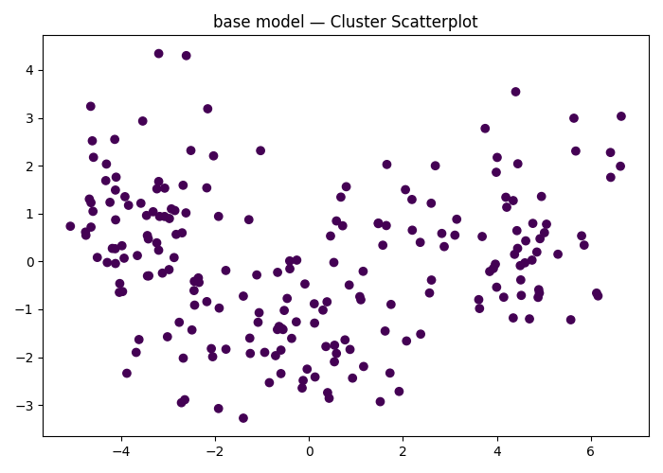
agglomerative Clustering | (False, PCA(n_components=2), False, True) | 8 | {'agglomerative__linkage': 'single', 'agglomerative__distance_threshold': np.float64(0.30000000000000004)} |  | 0.29195759556 | -129.19575956 |  | 0 | 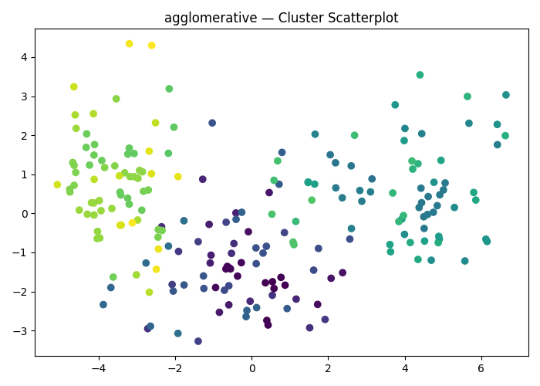 | 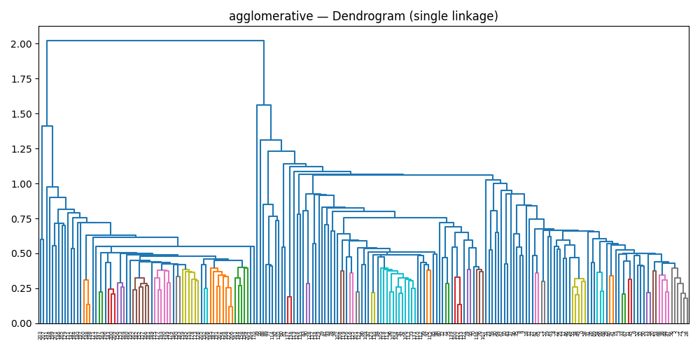 |  |  | 
agglomerative Clustering | (False, PCA(n_components=2), False, True) | 8 | {'agglomerative__linkage': 'single', 'agglomerative__distance_threshold': np.float64(0.30000000000000004)} |  | 0.10306417972 | -110.30641797 |  | 0
agglomerative Clustering | (False, PCA(n_components=2), False, True) | 8 | {'agglomerative__linkage': 'single', 'agglomerative__distance_threshold': np.float64(0.3500000000000001)} |  | 0.16096397923 | -116.09639792 |  | 0
agglomerative Clustering | (False, PCA(n_components=2), False, True) | 8 | {'agglomerative__linkage': 'single', 'agglomerative__distance_threshold': np.float64(0.9500000000000003)} |  | 0.21365398918 | -121.36539892 |  | 0
agglomerative Clustering | (False, PCA(n_components=2), False, True) | 8 | {'agglomerative__linkage': 'complete', 'agglomerative__distance_threshold': np.float64(0.40000000000000013)} |  | 0.19387566356 | -119.38756636 |  | 0
agglomerative Clustering | (False, PCA(n_components=2), False, True) | 8 | {'agglomerative__linkage': 'complete', 'agglomerative__distance_threshold': np.float64(0.40000000000000013)} |  | 0.18444456475 | -118.44445647 |  | 0
agglomerative Clustering | (False, PCA(n_components=2), False, True) | 8 | {'agglomerative__linkage': 'average', 'agglomerative__distance_threshold': np.float64(0.40000000000000013)} |  | 0.17874115809 | -117.87411581 |  | 0
agglomerative Clustering | (False, PCA(n_components=2), False, True) | 8 | {'agglomerative__linkage': 'single', 'agglomerative__distance_threshold': np.float64(0.40000000000000013)} |  | 0.17874115809 | -117.87411581 |  | 0

