ModelReport
Model | Scaling/PCA/t-SNE/TruncatedSVD | Number of variables | Hyperparams | Inertia | Silhouette | Silhouette Increase from base model % | Silhouette for test data | Silhouette for test data increase % | Scatter plot train | Dendrogram | Scatter plot test | PCA variance | Cross-Tabulation
Base model |  | 26 |  |  | -1 | 0 |  |  | 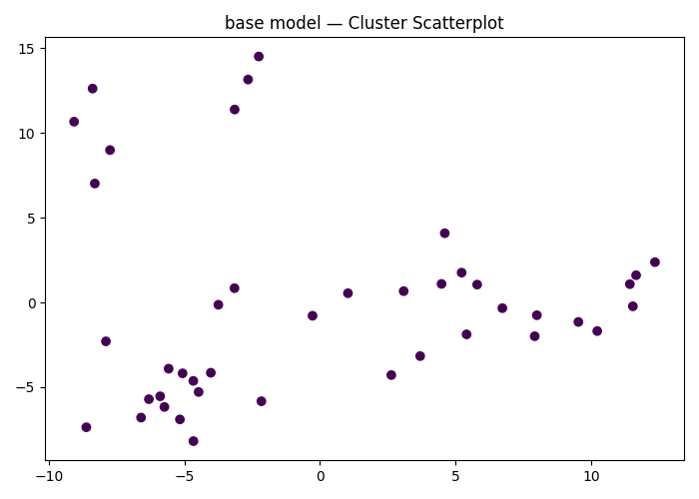
kmeans Clustering | (True, PCA(n_components=2), False, False) | 26 | {'kmeans__n_clusters': np.int64(2), 'kmeans__max_iter': 500} | 47.412633747 | 0.12593378995 | -112.593379 |  | 0 | 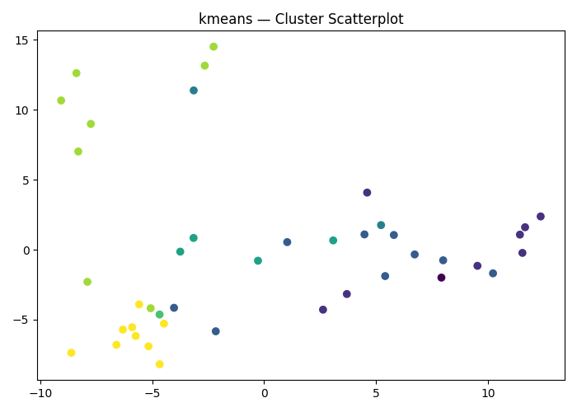
kmeans Clustering | (True, PCA(n_components=2), False, False) | 26 | {'kmeans__n_clusters': np.int64(2), 'kmeans__max_iter': 1000} |  |  | 0 |  | 0
kmeans Clustering | (True, PCA(n_components=2), False, False) | 26 | {'kmeans__n_clusters': np.int64(4), 'kmeans__max_iter': 5000} | 172.31149374 | 0.078348437756 | -107.83484378 |  | 0
kmeans Clustering | (True, PCA(n_components=2), False, False) | 26 | {'kmeans__n_clusters': np.int64(4), 'kmeans__max_iter': 5000} |  |  | 0 |  | 0
kmeans Clustering | (True, PCA(n_components=2), False, False) | 26 | {'kmeans__n_clusters': np.int64(6), 'kmeans__max_iter': 1000} |  |  | 0 |  | 0
kmeans Clustering | (True, PCA(n_components=2), False, False) | 26 | {'kmeans__n_clusters': np.int64(8), 'kmeans__max_iter': 5000} | 229.03543024 | 0.12438242385 | -112.43824238 |  | 0
kmeans Clustering | (True, PCA(n_components=2), False, False) | 26 | {'kmeans__n_clusters': np.int64(3), 'kmeans__max_iter': 5000} | 489.28800435 | 0.17644358661 | -117.64435866 |  | 0
kmeans Clustering | (True, PCA(n_components=2), False, False) | 26 | {'kmeans__n_clusters': np.int64(5), 'kmeans__max_iter': 1000} | 439.66449841 | 0.13557554777 | -113.55755478 |  | 0
kmeans Clustering | (True, PCA(n_components=2), False, False) | 26 | {'kmeans__n_clusters': np.int64(6), 'kmeans__max_iter': 5000} |  |  | 0 |  | 0
kmeans Clustering | (True, PCA(n_components=2), False, False) | 26 | {'kmeans__n_clusters': np.int64(8), 'kmeans__max_iter': 500} | 600.23529841 | 0.087701328379 | -108.77013284 |  | 0

