ModelReport
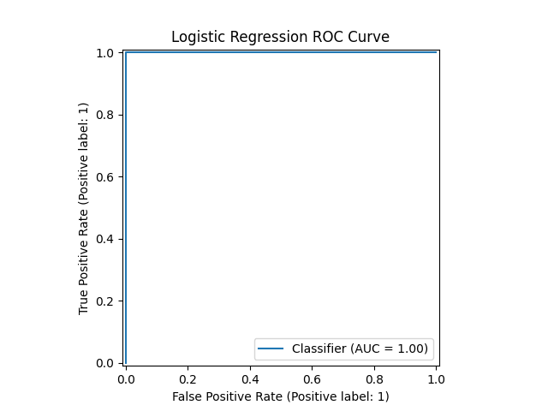
Model | Scaling | Number of variables | Hyperparams | Precision | Precision increase from base model (in %) | Recall | Recall increase from base model (in %) | F1 Score | F1 score increase from base model (in %) | Confusion matrix | Comments
Base model |  |  |  | 1 | 0 | 1 | 0 | 1 | 0 |  | The base model is the best, because it’s the simplest and has the maximum f1 score
adaboost model on Index(['Male', 'age', 'tb', 'db', 'alkphos', 'sgpt', 'sgot', 'tp', 'alb', 'ag ratio', 'has_liver_disease'], dtype='object') | TRUE | 11 | {} | 1 | 0 | 1 | 0 | 1 | 0
adaboost model on Index(['Male', 'age', 'tb', 'db', 'alkphos', 'sgpt', 'sgot', 'tp', 'alb', 'ag ratio', 'has_liver_disease'], dtype='object') | FALSE | 11 | {} | 1 | 0 | 1 | 0 | 1 | 0 | 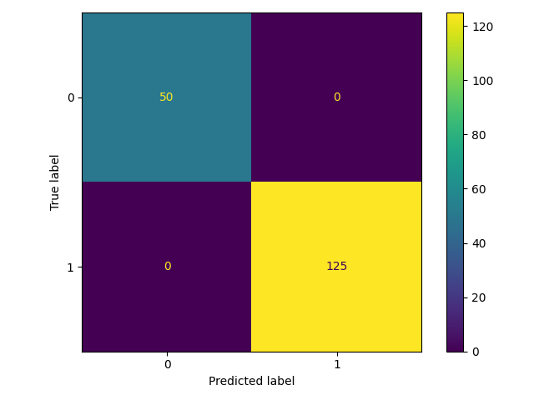 | The trained adaboost models achieve maximum f1 score, but I chose the base model as best, because it’s simpler
adaboost model on Index(['Male', 'age', 'db', 'alkphos', 'sgot', 'alb', 'ag ratio', 'has_liver_disease'], dtype='object') | TRUE | 8 | {} | 1 | 0 | 1 | 0 | 1 | 0
adaboost model on Index(['Male', 'age', 'db', 'alkphos', 'sgot', 'alb', 'ag ratio', 'has_liver_disease'], dtype='object') | FALSE | 8 | {} | 1 | 0 | 1 | 0 | 1 | 0
adaboost model on Index(['Male', 'age', 'db', 'alkphos', 'sgot', 'alb', 'has_liver_disease'], dtype='object') | TRUE | 7 | {} | 1 | 0 | 1 | 0 | 1 | 0
adaboost model on Index(['Male', 'age', 'db', 'alkphos', 'sgot', 'alb', 'has_liver_disease'], dtype='object') | FALSE | 7 | {} | 1 | 0 | 1 | 0 | 1 | 0

