ModelReport
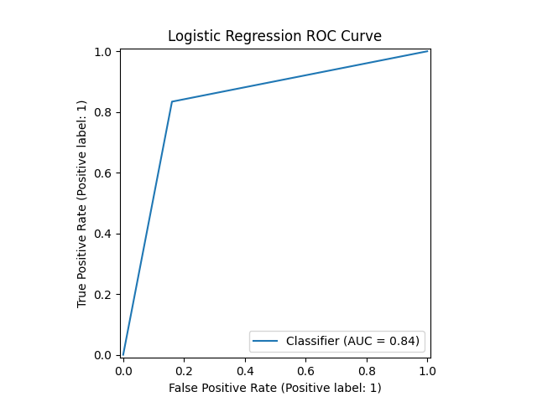
Model | Scaling | Number of variables | Hyperparams | Precision | Precision increase from base model (in %) | Recall | Recall increase from base model (in %) | F1 Score | F1 score increase from base model (in %) | Confusion matrix | Comments
Base model |  |  |  | 0.39143801845 | 0 | 1 | 0 | 0.56263809564 | 0
knn model on RangeIndex(start=0, stop=1, step=1) | TRUE | 1 | {'knn__n_neighbors': np.int64(11)} | 0.81191489362 | 107.41850698 | 0.78531445505 | -21.468554495 | 0.79839317098 | 41.90172638
knn model on RangeIndex(start=0, stop=1, step=1) | FALSE | 1 | {'knn__n_neighbors': np.int64(11)} | 0.81191489362 | 107.41850698 | 0.78531445505 | -21.468554495 | 0.79839317098 | 41.90172638 | 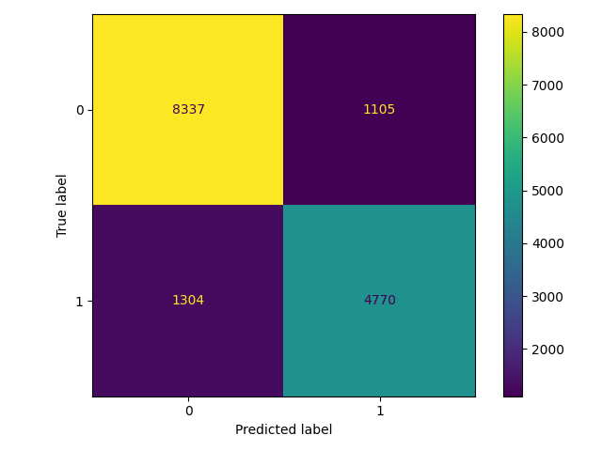
logistic model on RangeIndex(start=0, stop=1, step=1) | TRUE | 1 | {'logistic__penalty': 'l2', 'logistic__C': np.float64(0.9)} | 0.85656227588 | 118.82449724 | 0.58989134014 | -41.010865986 | 0.69864482792 | 24.173040066
logistic model on RangeIndex(start=0, stop=1, step=1) | FALSE | 1 | {'logistic__penalty': 'l2', 'logistic__C': np.float64(0.1)} | 0.85680304472 | 118.88600604 | 0.59301942707 | -40.698057293 | 0.70091457482 | 24.576451587 | 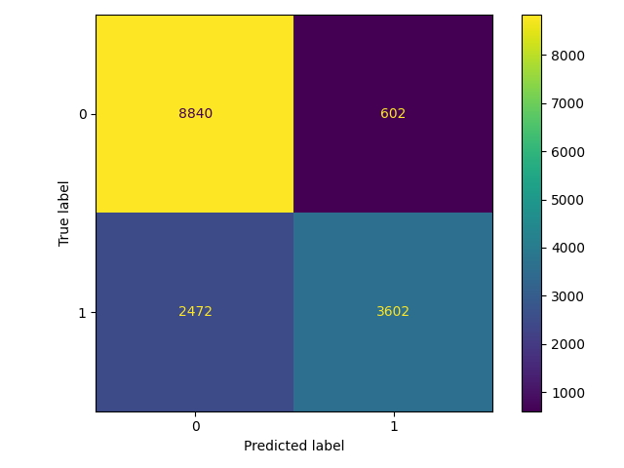
cart model on RangeIndex(start=0, stop=1, step=1) | TRUE | 1 | {'cart__min_samples_split': np.int64(5), 'cart__max_depth': np.int64(3), 'cart__criterion': 'entropy'} | 0.75760739857 | 93.544664255 | 0.83618702667 | -16.381297333 | 0.79496008765 | 41.291550255
cart model on RangeIndex(start=0, stop=1, step=1) | FALSE | 1 | {'cart__min_samples_split': np.int64(31), 'cart__max_depth': np.int64(10), 'cart__criterion': 'gini'} | 0.76979182495 | 96.65739879 | 0.83404675667 | -16.595324333 | 0.8006321612 | 42.29967139 | 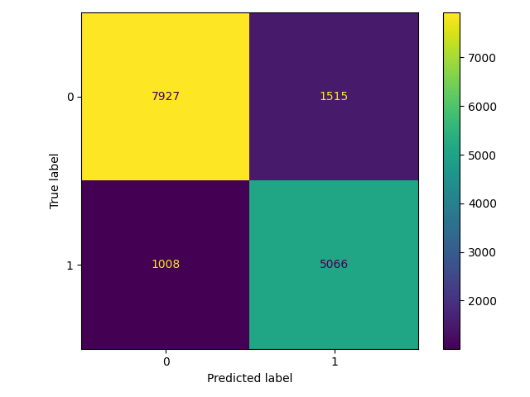
xgboost model on RangeIndex(start=0, stop=1, step=1) | TRUE | 1 | {'xgboost__n_estimators': np.int64(24), 'xgboost__max_depth': np.int64(4), 'xgboost__learning_rate': np.float64(0.23)} | 0.75917878016 | 93.946102418 | 0.83404675667 | -16.595324333 | 0.79485369106 | 41.272639949
xgboost model on RangeIndex(start=0, stop=1, step=1) | FALSE | 1 | {'xgboost__n_estimators': np.int64(87), 'xgboost__max_depth': np.int64(1), 'xgboost__learning_rate': np.float64(0.01)} | 0.75825489317 | 93.710078592 | 0.83552848205 | -16.447151795 | 0.79501840683 | 41.301915565 | 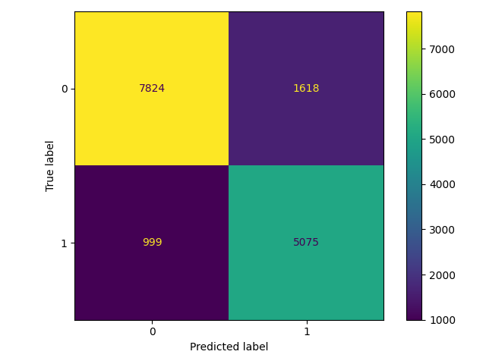
catboost model on RangeIndex(start=0, stop=1, step=1) | TRUE | 1 | {'catboost__learning_rate': np.float64(0.2), 'catboost__iterations': np.int64(2), 'catboost__depth': np.int64(2)} | 0.75541382379 | 92.984275464 | 0.83849193283 | -16.150806717 | 0.79478776529 | 41.260922689
catboost model on RangeIndex(start=0, stop=1, step=1) | FALSE | 1 | {'catboost__learning_rate': np.float64(0.25), 'catboost__iterations': np.int64(2), 'catboost__depth': np.int64(1)} | 0.73546307973 | 87.887493056 | 0.86417517287 | -13.582482713 | 0.79464082961 | 41.234807201 | 