ModelReport
Model | Scaling | Number of variables | Hyperparams | Precision | Precision increase from base model (in %) | Recall | Recall increase from base model (in %) | F1 Score | F1 score increase from base model (in %) | Confusion matrix | Comments
Base model |  |  |  | 0.49944751381 | 0 | 1 | 0 | 0.6661749426 | 0
count model |  |  | {'nb__fit_prior': True, 'nb__alpha': 0.1} | 0.93451720311 | 87.110192215 | 0.88724973656 | -11.275026344 | 0.91027027027 | 36.641325282 | 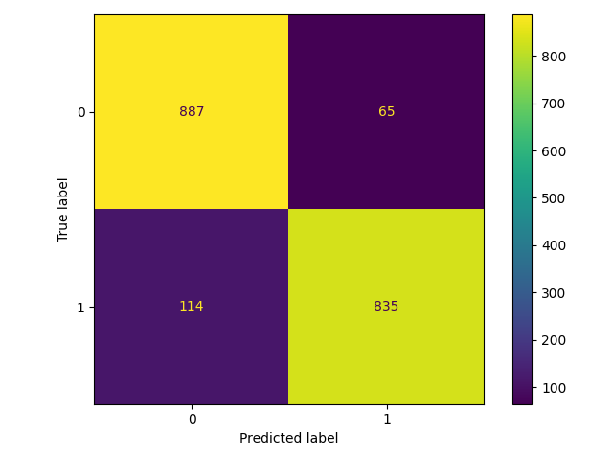
tfidf model |  |  | {'nb__fit_prior': True, 'nb__alpha': 0.1} | 0.96908442331 | 94.03128387 | 0.85879873551 | -14.120126449 | 0.91061452514 | 36.693001628 | 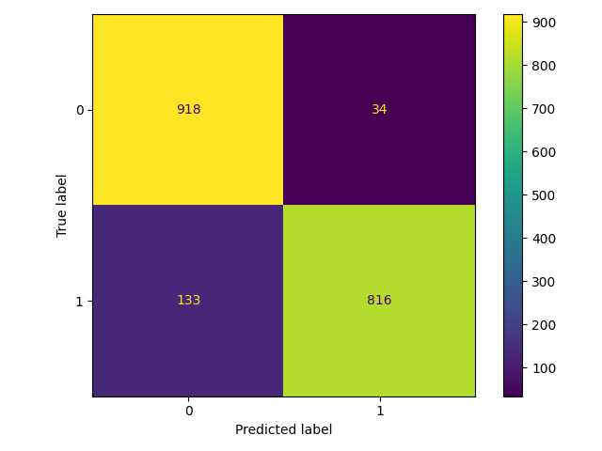 | This is the best model, because it has the highest f1 score. This is a tf-idf model that runs on the raw data, indicating that using the punctuation and stop words is useful to identify which news are fake.
count model |  |  | {'nb__fit_prior': True, 'nb__alpha': 0.1} | 0.92777777778 | 85.760816126 | 0.87987355111 | -12.012644889 | 0.90319091401 | 35.578638019
tfidf model |  |  | {'nb__fit_prior': True, 'nb__alpha': 0.1} | 0.96 | 92.212389381 | 0.85985247629 | -14.014752371 | 0.90717065036 | 36.176039107

