data_audit
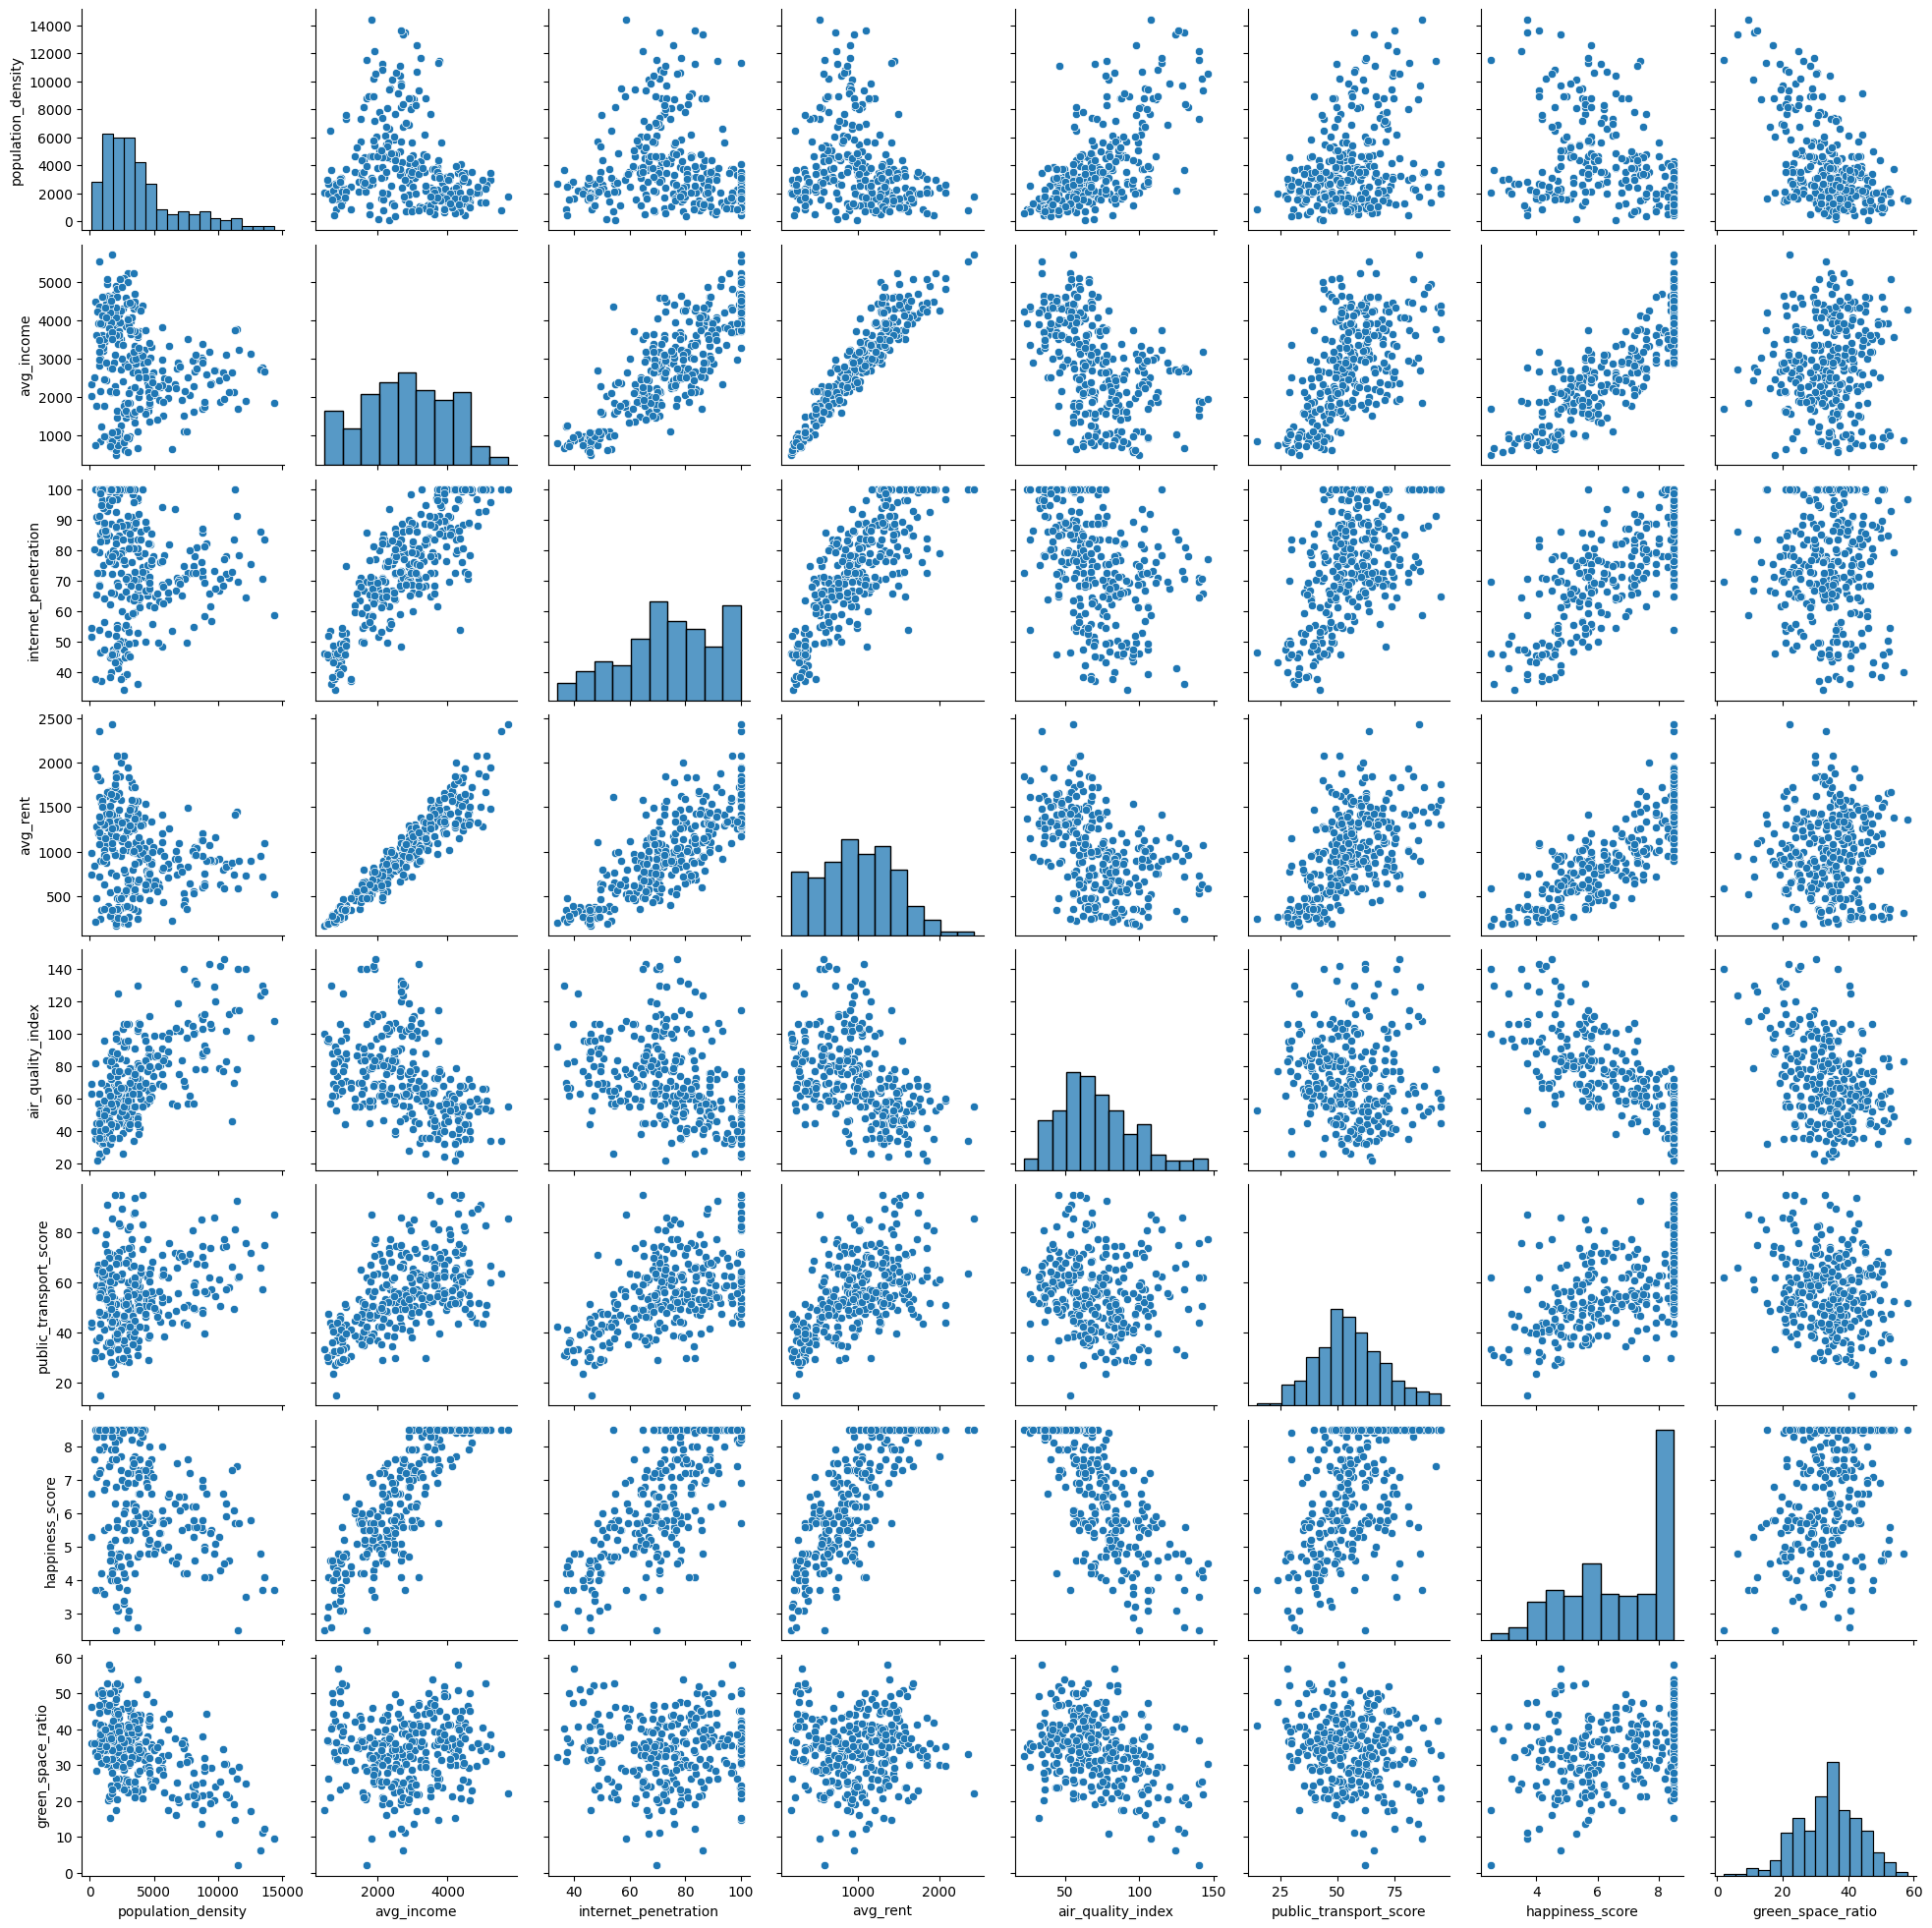
 | count | unique | top | freq | mean | std | min | 25% | 50% | 75% | max | num_unique | pct_unique | num_missing | pct_missing | Comments
city_name | 300 | 300 | Old Vista | 1 |  |  |  |  |  |  |  | 300 | 100 | 0 | 0 | These values are unique for every entry
country | 300 | 6 | Asia | 80 |  |  |  |  |  |  |  | 6 | 2 | 0 | 0 | There are 6 different values for this column and the one with highest frequency is Asia
population_density | 300 |  |  |  | 3944.8433333 | 2982.5667772 | 100 | 1830 | 3083.5 | 4823.75 | 14427 | 293 | 97.67 | 0 | 0 | This column follows a normal distribution centered at 3000 but with some entries with higher values
avg_income | 300 |  |  |  | 2827.2 | 1201.1639394 | 480 | 1907.5 | 2810 | 3752.5 | 5720 | 219 | 73 | 0 | 0 | This column follows a normal distribution centered at 2800
internet_penetration | 300 |  |  |  | 74.305333333 | 17.014492295 | 34 | 64.4 | 75 | 87.225 | 100 | 213 | 71 | 0 | 0 | This column follows a normal distribution centered at 75
avg_rent | 300 |  |  |  | 1002.7666667 | 456.2820655 | 170 | 640 | 990 | 1332.5 | 2430 | 146 | 48.67 | 0 | 0 | This column follows a normal distribution centered at 1000
air_quality_index | 300 |  |  |  | 71.246666667 | 25.344960953 | 22 | 54 | 67.5 | 86 | 146 | 96 | 32 | 0 | 0 | This column follows a normal distribution centered at 67 but with more extreme values on the higher end
public_transport_score | 300 |  |  |  | 55.717333333 | 14.712548948 | 15 | 46.075 | 54.7 | 64.2 | 95 | 233 | 77.67 | 0 | 0 | This column follows a normal distribution centered at 55
happiness_score | 300 |  |  |  | 6.644 | 1.6858641086 | 2.5 | 5.3 | 6.9 | 8.5 | 8.5 | 55 | 18.33 | 0 | 0 | This column follows a normal distribution centered at 6.6 with most of the entries being around 8
green_space_ratio | 300 |  |  |  | 33.993333333 | 9.4340673968 | 2 | 28.225 | 34.7 | 40.4 | 58 | 205 | 68.33 | 0 | 0 | This column follows a normal distribution centered at 34
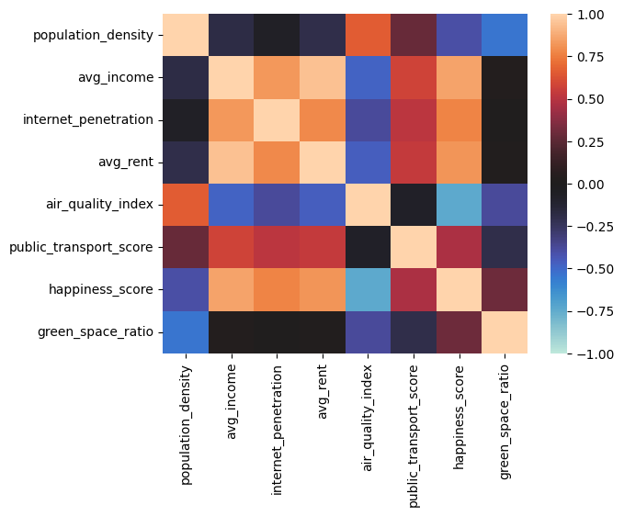
 |  |  |  |  |  |  |  |  |  |  |  |  |  |  |  | There aren’t any missing values

Correlation comments:
avg_income, internet_penetration, avg_rent and happiness_score
are all highly correlated
air_quality_index has a high inverse correlation with all of them

city_name
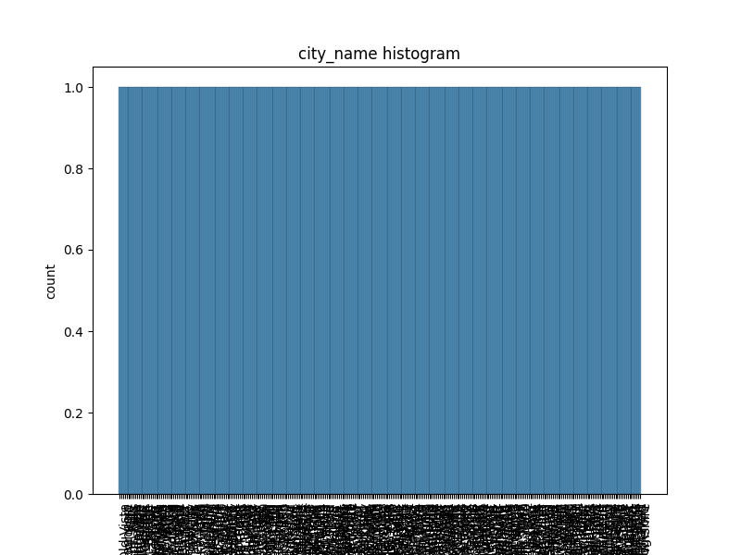
city_name | count
Old Vista | 1
Beachport | 1
Valleyborough | 1
City | 1
Falls | 1
North Falls | 1
Hillhaven | 1
Gardenton | 1
Springsville | 1
North Ridge | 1
Ridgeshire | 1
Forestville | 1
Garden | 1
Bridge | 1
Port Bridge | 1
Stone | 1
Riverburg | 1
Gardenburg | 1
Pointborough | 1
Parkland | 1
Cityport | 1
Cityhaven | 1
San Wood | 1
Harborshire | 1
East Valley | 1
Valleyburg | 1
Point | 1
Woodshire | 1
New Wood | 1
Port Beach | 1
Fallshaven | 1
Vistaland | 1
San Vista | 1
Bayport | 1
Field | 1
North Harbor | 1
Forestshire | 1
Springs | 1
Mount City | 1
River | 1
Port Springs | 1
Hill | 1
New Park | 1
Lake Town | 1
Wood | 1
Townland | 1
Town | 1
Woodland | 1
Pointland | 1
San Harbor | 1
Saint Falls | 1
Fieldton | 1
New Hill | 1
Port Stone | 1
West Stone | 1
Woodport | 1
Harborport | 1
South Forest | 1
Mount Valley | 1
Bridgedale | 1
Pointshire | 1
Forestdale | 1
Woodburg | 1
North City | 1
Riverford | 1
Gardenborough | 1
San Point | 1
Saint Forest | 1
Bay | 1
Mount Ridge | 1
Old Wood | 1
Old Springs | 1
Ridgeford | 1
Stoneland | 1
Forest | 1
Springsdale | 1
Lake Bay | 1
Pointdale | 1
Park | 1
South Garden | 1
Parkville | 1
Fallsborough | 1
Pointhaven | 1
Port Field | 1
Lake Hill | 1
Mount Hill | 1
Beach | 1
Mount Field | 1
Harbor | 1
Old Garden | 1
Vista | 1
Townton | 1
Mount Beach | 1
San Bay | 1
Port Harbor | 1
Stoneton | 1
Parkshire | 1
Pointford | 1
Parkhaven | 1
Port Falls | 1
West Park | 1
Hilldale | 1
Valleyford | 1
Stoneshire | 1
Bridgeburg | 1
Mount Falls | 1
New River | 1
Beachford | 1
Fallsville | 1
West Bay | 1
Bayford | 1
Gardenford | 1
Woodhaven | 1
Port Wood | 1
Cityville | 1
Springsborough | 1
Old River | 1
Bayshire | 1
Saint Field | 1
Stonedale | 1
Beachland | 1
Forestborough | 1
Rivershire | 1
Pointport | 1
Fallsburg | 1
Gardenport | 1
Ridgedale | 1
East City | 1
San Field | 1
Valleyport | 1
Lake Ridge | 1
Port Park | 1
Lake Valley | 1
Parkton | 1
San River | 1
Bridgeborough | 1
Harborford | 1
Forestburg | 1
Port Bay | 1
Harborborough | 1
Bridgeville | 1
Vistaville | 1
Port Valley | 1
Lake Park | 1
Woodborough | 1
Lake Wood | 1
New Field | 1
Beachshire | 1
New Springs | 1
Fieldville | 1
Cityshire | 1
Lake Vista | 1
San Falls | 1
East Town | 1
Lake Falls | 1
Riverborough | 1
Stonehaven | 1
Fallston | 1
East Bridge | 1
San Park | 1
Springsford | 1
Saint City | 1
Forestport | 1
North Wood | 1
Lake River | 1
Fieldburg | 1
Ridge | 1
Old Forest | 1
San Town | 1
Valleyshire | 1
Fieldhaven | 1
South Vista | 1
Hillport | 1
West Wood | 1
Harborville | 1
Townburg | 1
Forestton | 1
San Bridge | 1
Gardenland | 1
Vistahaven | 1
Saint Ridge | 1
Valleyton | 1
Forestland | 1
Lake Springs | 1
Woodton | 1
Cityborough | 1
Fallsdale | 1
Valley | 1
Townville | 1
Stoneburg | 1
Saint Point | 1
Woodville | 1
West Ridge | 1
Lake Garden | 1
Bridgehaven | 1
Vistadale | 1
North Valley | 1
East Park | 1
Gardenville | 1
Port Garden | 1
West Springs | 1
Citydale | 1
Wooddale | 1
North Park | 1
Vistaburg | 1
Riverport | 1
West Garden | 1
Stoneford | 1
East River | 1
Fieldland | 1
Mount Point | 1
Cityton | 1
Mount Springs | 1
Hillshire | 1
Ridgeborough | 1
Parkford | 1
Beachville | 1
Old Point | 1
Harborton | 1
Valleyland | 1
Gardendale | 1
Saint Town | 1
Springshaven | 1
Stoneport | 1
Saint Stone | 1
San Ridge | 1
Old Valley | 1
Mount River | 1
New Town | 1
Mount Town | 1
Port Town | 1
Valleyville | 1
Old Bay | 1
Springsburg | 1
Beachhaven | 1
West Harbor | 1
Springsshire | 1
North Springs | 1
New Vista | 1
Stoneborough | 1
North River | 1
Bayville | 1
West City | 1
East Wood | 1
Parkburg | 1
Old Field | 1
Hillford | 1
Valleyhaven | 1
Fielddale | 1
Riverdale | 1
New Valley | 1
San Hill | 1
San Springs | 1
Hillborough | 1
Ridgeport | 1
South Bridge | 1
New Beach | 1
Pointville | 1
New Bay | 1
North Bridge | 1
Old Town | 1
San Forest | 1
Parkdale | 1
New Ridge | 1
South River | 1
Springston | 1
Pointton | 1
South Park | 1
East Falls | 1
Old Ridge | 1
Fallsford | 1
North Point | 1
North Town | 1
Valleydale | 1
Riverton | 1
South Point | 1
Vistaton | 1
Hillburg | 1
Mount Wood | 1
South Bay | 1
Fieldshire | 1
Gardenshire | 1
South Stone | 1
Old Beach | 1
Vistashire | 1
New Falls | 1
Mount Stone | 1
San Stone | 1
Bridgeport | 1
Beachdale | 1
New Forest | 1
Fallsland | 1
Ridgeland | 1
Port Forest | 1
West Falls | 1
Old Harbor | 1
Ridgehaven | 1
North Field | 1
Bridgeford | 1
Townshire | 1

country
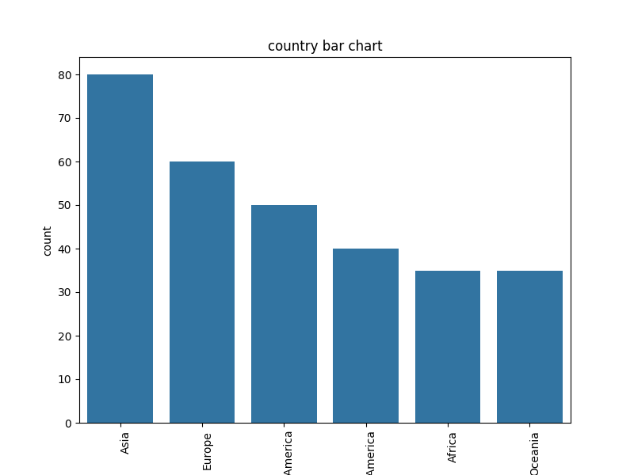
country | count
Asia | 80
Europe | 60
North America | 50
South America | 40
Africa | 35
Oceania | 35

population_density
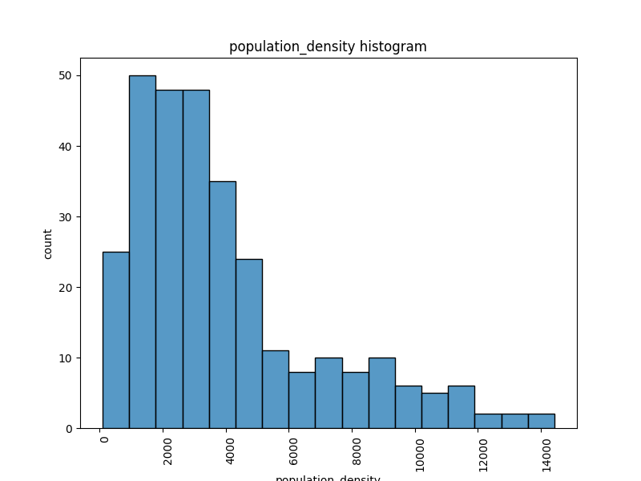
population_density | count
1567 | 2
4630 | 2
3088 | 2
737 | 2
3759 | 2
2816 | 2
3513 | 2
4308 | 1
2635 | 1
6758 | 1
3458 | 1
4621 | 1
6089 | 1
1137 | 1
2131 | 1
3779 | 1
7564 | 1
4566 | 1
3830 | 1
1763 | 1
2486 | 1
4679 | 1
3500 | 1
4343 | 1
5451 | 1
2777 | 1
6084 | 1
3528 | 1
2995 | 1
4662 | 1
769 | 1
5703 | 1
3877 | 1
3076 | 1
4848 | 1
2930 | 1
2633 | 1
2029 | 1
5078 | 1
548 | 1
918 | 1
2085 | 1
2262 | 1
2314 | 1
1299 | 1
3193 | 1
1718 | 1
3461 | 1
5061 | 1
1269 | 1
1648 | 1
628 | 1
1507 | 1
1369 | 1
1785 | 1
3975 | 1
1984 | 1
2645 | 1
2011 | 1
1967 | 1
2143 | 1
3111 | 1
2165 | 1
2906 | 1
3037 | 1
1388 | 1
1379 | 1
1983 | 1
3126 | 1
3260 | 1
4527 | 1
3527 | 1
3004 | 1
3412 | 1
4344 | 1
2034 | 1
761 | 1
353 | 1
1743 | 1
1107 | 1
1255 | 1
1734 | 1
1474 | 1
1529 | 1
1752 | 1
2554 | 1
2775 | 1
1045 | 1
885 | 1
1716 | 1
2147 | 1
2460 | 1
2118 | 1
1274 | 1
971 | 1
2443 | 1
4135 | 1
2402 | 1
2948 | 1
3577 | 1
4819 | 1
4298 | 1
1004 | 1
2938 | 1
936 | 1
1233 | 1
2562 | 1
3192 | 1
758 | 1
836 | 1
1652 | 1
3842 | 1
3701 | 1
2716 | 1
2656 | 1
1668 | 1
856 | 1
2223 | 1
861 | 1
2072 | 1
2859 | 1
2258 | 1
3921 | 1
3507 | 1
1158 | 1
5263 | 1
3377 | 1
7147 | 1
5740 | 1
2685 | 1
1556 | 1
1161 | 1
2270 | 1
2640 | 1
421 | 1
3066 | 1
1774 | 1
2211 | 1
1845 | 1
2017 | 1
1868 | 1
1974 | 1
2215 | 1
2337 | 1
1985 | 1
2961 | 1
1418 | 1
1662 | 1
3319 | 1
2343 | 1
4397 | 1
1138 | 1
2400 | 1
2731 | 1
3765 | 1
1914 | 1
813 | 1
3182 | 1
3984 | 1
2294 | 1
3079 | 1
3605 | 1
4643 | 1
1930 | 1
3696 | 1
3259 | 1
5813 | 1
10125 | 1
4838 | 1
1954 | 1
6448 | 1
7641 | 1
7680 | 1
8776 | 1
3318 | 1
5488 | 1
9323 | 1
13460 | 1
7332 | 1
14427 | 1
3560 | 1
3003 | 1
4600 | 1
4256 | 1
1124 | 1
2042 | 1
1647 | 1
730 | 1
849 | 1
915 | 1
533 | 1
1015 | 1
1885 | 1
835 | 1
1481 | 1
1064 | 1
3496 | 1
1235 | 1
1444 | 1
1605 | 1
1007 | 1
1613 | 1
4698 | 1
5666 | 1
2074 | 1
3434 | 1
1513 | 1
3109 | 1
3914 | 1
1733 | 1
594 | 1
4495 | 1
3442 | 1
3312 | 1
455 | 1
2714 | 1
2256 | 1
2266 | 1
3861 | 1
3755 | 1
8790 | 1
6896 | 1
1595 | 1
6161 | 1
8955 | 1
9118 | 1
5326 | 1
6949 | 1
4983 | 1
10511 | 1
4360 | 1
4611 | 1
7320 | 1
3000 | 1
5628 | 1
6135 | 1
6641 | 1
6779 | 1
2275 | 1
3837 | 1
2113 | 1
3287 | 1
3465 | 1
1527 | 1
4110 | 1
2049 | 1
4149 | 1
8137 | 1
5660 | 1
8047 | 1
8794 | 1
8916 | 1
11651 | 1
7014 | 1
11085 | 1
8281 | 1
10667 | 1
12579 | 1
9488 | 1
3724 | 1
9710 | 1
8743 | 1
12146 | 1
10836 | 1
13612 | 1
9819 | 1
11278 | 1
5673 | 1
8162 | 1
4796 | 1
3764 | 1
11483 | 1
8179 | 1
11559 | 1
10624 | 1
7379 | 1
1637 | 1
9421 | 1
10378 | 1
7814 | 1
100 | 1
3845 | 1
8339 | 1
2505 | 1
138 | 1
4806 | 1
8925 | 1
11310 | 1
10164 | 1
8782 | 1
13345 | 1
2574 | 1
8072 | 1

avg_income
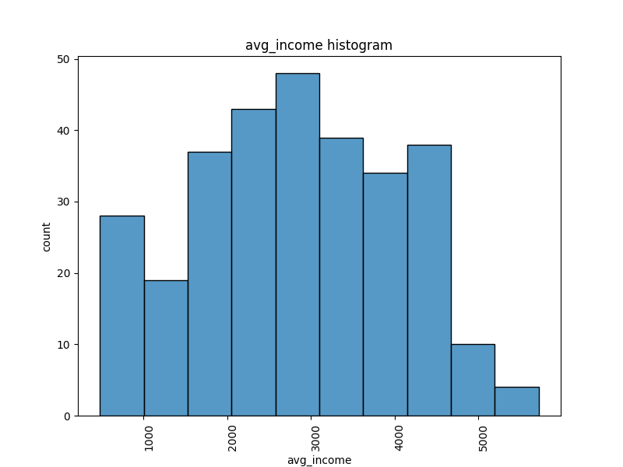
avg_income | count
3500 | 4
2130 | 4
3910 | 4
2510 | 3
2430 | 3
1090 | 3
3620 | 3
2890 | 3
3000 | 3
1850 | 3
3610 | 3
2680 | 3
2650 | 3
2980 | 3
1600 | 3
2770 | 2
2630 | 2
2350 | 2
4300 | 2
5220 | 2
3170 | 2
3330 | 2
2690 | 2
3230 | 2
2900 | 2
2160 | 2
2660 | 2
2730 | 2
2480 | 2
1690 | 2
4250 | 2
4330 | 2
4080 | 2
3070 | 2
1880 | 2
2930 | 2
3710 | 2
3880 | 2
2270 | 2
2880 | 2
4340 | 2
940 | 2
740 | 2
1760 | 2
2110 | 2
1910 | 2
4220 | 2
1640 | 2
2500 | 2
3750 | 2
4620 | 2
3180 | 2
3100 | 2
1460 | 2
4590 | 2
4600 | 2
4700 | 2
4310 | 2
3700 | 2
600 | 2
960 | 2
3360 | 2
1550 | 2
1510 | 1
1840 | 1
3680 | 1
3440 | 1
2200 | 1
2970 | 1
2990 | 1
4020 | 1
2960 | 1
3940 | 1
3850 | 1
4640 | 1
4490 | 1
4150 | 1
2710 | 1
2220 | 1
4040 | 1
3310 | 1
4320 | 1
3970 | 1
3450 | 1
3120 | 1
3010 | 1
3410 | 1
3560 | 1
4000 | 1
3980 | 1
3820 | 1
2120 | 1
2340 | 1
2050 | 1
2330 | 1
2000 | 1
2290 | 1
2030 | 1
1810 | 1
3730 | 1
3380 | 1
2720 | 1
2400 | 1
3130 | 1
3110 | 1
1900 | 1
3020 | 1
2260 | 1
1700 | 1
2540 | 1
2670 | 1
640 | 1
3760 | 1
4120 | 1
4370 | 1
2940 | 1
3240 | 1
2800 | 1
1730 | 1
2280 | 1
1950 | 1
2860 | 1
2150 | 1
5110 | 1
4440 | 1
4940 | 1
4420 | 1
4260 | 1
2750 | 1
4820 | 1
3630 | 1
5000 | 1
3720 | 1
4190 | 1
5080 | 1
4450 | 1
3600 | 1
3740 | 1
5070 | 1
4460 | 1
3370 | 1
4430 | 1
4870 | 1
5530 | 1
5720 | 1
3290 | 1
4890 | 1
4480 | 1
4410 | 1
2580 | 1
2520 | 1
2300 | 1
2790 | 1
2320 | 1
2230 | 1
2240 | 1
1490 | 1
1830 | 1
1790 | 1
1980 | 1
2460 | 1
1650 | 1
1100 | 1
4070 | 1
2140 | 1
1520 | 1
1990 | 1
2470 | 1
2390 | 1
2040 | 1
1570 | 1
1870 | 1
1340 | 1
1770 | 1
1410 | 1
480 | 1
1230 | 1
910 | 1
780 | 1
830 | 1
840 | 1
700 | 1
920 | 1
670 | 1
2250 | 1
1350 | 1
1590 | 1
560 | 1
980 | 1
790 | 1
1050 | 1
1020 | 1
880 | 1
850 | 1
970 | 1
750 | 1
810 | 1
1010 | 1
710 | 1
1000 | 1
1240 | 1
1110 | 1
930 | 1
1080 | 1
3190 | 1
4210 | 1
3890 | 1
4290 | 1
4200 | 1
3270 | 1
2820 | 1
4360 | 1
3950 | 1
3520 | 1
4400 | 1
4130 | 1
3800 | 1
4500 | 1
3490 | 1

internet_penetration
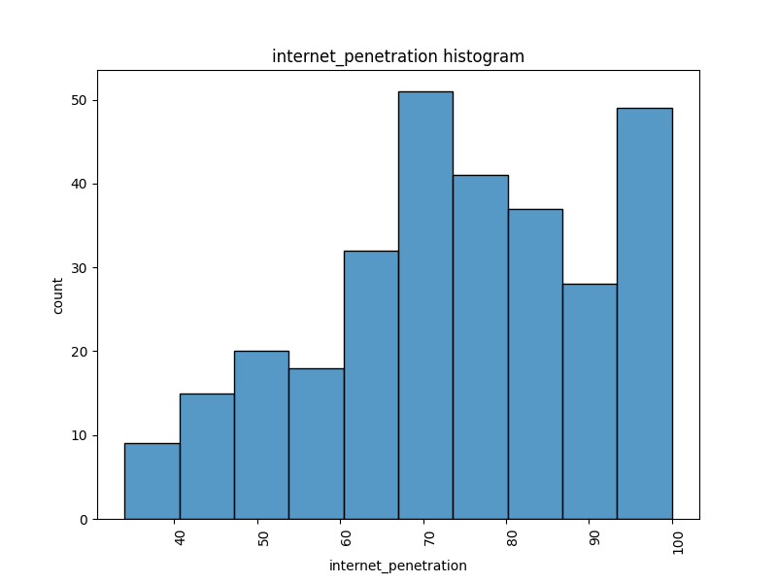
internet_penetration | count
100 | 30
86.4 | 3
88.7 | 3
79 | 3
75.6 | 3
78.2 | 3
47.5 | 3
68.5 | 3
83.5 | 3
72.6 | 2
74.8 | 2
54.4 | 2
72.4 | 2
70.3 | 2
86.2 | 2
96.5 | 2
83.6 | 2
75 | 2
70.6 | 2
76.4 | 2
89.1 | 2
71 | 2
80.6 | 2
70.5 | 2
76.1 | 2
76.8 | 2
72.2 | 2
65.7 | 2
75.5 | 2
71.4 | 2
66.6 | 2
73.1 | 2
72.5 | 2
79.9 | 2
88.3 | 2
37.6 | 2
45.7 | 2
69.7 | 2
63.9 | 2
68 | 2
66.8 | 2
50 | 2
73 | 2
69.4 | 2
68.8 | 2
66.2 | 2
76.3 | 2
49.5 | 2
78.1 | 2
82.1 | 2
81.8 | 2
80.1 | 1
81.2 | 1
58.7 | 1
91.3 | 1
59 | 1
98.5 | 1
89.5 | 1
87 | 1
97 | 1
84 | 1
91.1 | 1
65.8 | 1
94.1 | 1
85.8 | 1
53.4 | 1
84.2 | 1
78.9 | 1
70.1 | 1
85.1 | 1
69.8 | 1
64.7 | 1
74.5 | 1
78.5 | 1
87.7 | 1
82.4 | 1
66.1 | 1
84.8 | 1
90.1 | 1
88.5 | 1
61.6 | 1
79.2 | 1
99.7 | 1
87.5 | 1
88.8 | 1
51.5 | 1
69.3 | 1
71.2 | 1
86.1 | 1
56.7 | 1
80.8 | 1
83.4 | 1
64.6 | 1
67.3 | 1
69.6 | 1
78.4 | 1
72.9 | 1
91.4 | 1
52.7 | 1
85.4 | 1
48.4 | 1
70.8 | 1
76 | 1
70.7 | 1
77 | 1
72.8 | 1
69.9 | 1
93.4 | 1
82.2 | 1
81.4 | 1
78.3 | 1
54.7 | 1
61.7 | 1
74.7 | 1
69.1 | 1
58.2 | 1
62.3 | 1
98.4 | 1
91.9 | 1
84.9 | 1
92.7 | 1
87.2 | 1
99.1 | 1
99.4 | 1
77.1 | 1
96.9 | 1
89.4 | 1
99.9 | 1
65.2 | 1
95.7 | 1
72.3 | 1
83.1 | 1
89.6 | 1
80.7 | 1
92.8 | 1
83.7 | 1
85.6 | 1
87.3 | 1
49.7 | 1
55.3 | 1
88.1 | 1
64.1 | 1
66.3 | 1
64 | 1
71.3 | 1
63.5 | 1
60.1 | 1
67.6 | 1
54.6 | 1
76.7 | 1
64.9 | 1
61.9 | 1
54.3 | 1
65.4 | 1
67.5 | 1
53.2 | 1
55.9 | 1
55.5 | 1
63.1 | 1
61.3 | 1
59.7 | 1
62.4 | 1
65.1 | 1
58.3 | 1
64.5 | 1
56.4 | 1
59.2 | 1
61.1 | 1
43.6 | 1
37 | 1
42.1 | 1
34 | 1
45.9 | 1
44.7 | 1
46.3 | 1
44.8 | 1
45.5 | 1
36.2 | 1
52.6 | 1
45.2 | 1
64.8 | 1
46.8 | 1
50.4 | 1
43.2 | 1
41.3 | 1
39.8 | 1
48.5 | 1
46 | 1
52 | 1
49.2 | 1
38.6 | 1
49.3 | 1
38.2 | 1
39.4 | 1
48.6 | 1
45.6 | 1
94 | 1
96.8 | 1
90.9 | 1
94.8 | 1
82.9 | 1
79.3 | 1
53.9 | 1
87.8 | 1
72.7 | 1
85.3 | 1
95 | 1
96.4 | 1
78 | 1
80.2 | 1
68.4 | 1
98.7 | 1
91.2 | 1

avg_rent
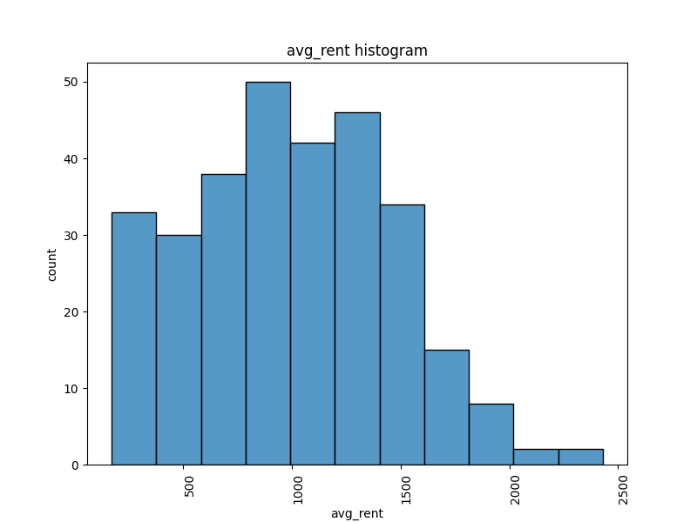
avg_rent | count
350 | 7
1340 | 6
950 | 5
1040 | 5
890 | 4
1330 | 4
1410 | 4
1010 | 4
240 | 4
860 | 4
1290 | 4
960 | 4
920 | 4
480 | 4
740 | 4
1170 | 4
980 | 3
1310 | 3
620 | 3
280 | 3
1160 | 3
900 | 3
1090 | 3
640 | 3
1200 | 3
630 | 3
870 | 3
1020 | 3
1080 | 3
690 | 3
1130 | 3
1430 | 3
1260 | 3
790 | 3
530 | 3
830 | 3
1300 | 3
600 | 3
570 | 3
990 | 3
760 | 3
1270 | 3
1420 | 3
1570 | 3
190 | 2
210 | 2
1580 | 2
1380 | 2
1510 | 2
1480 | 2
260 | 2
390 | 2
820 | 2
660 | 2
1050 | 2
720 | 2
840 | 2
730 | 2
550 | 2
1490 | 2
450 | 2
330 | 2
1590 | 2
520 | 2
880 | 2
1370 | 2
770 | 2
580 | 2
1470 | 2
1280 | 2
1840 | 2
1630 | 2
2080 | 2
1850 | 2
1500 | 2
750 | 2
1000 | 2
1450 | 2
1120 | 2
1320 | 2
1100 | 2
1660 | 2
540 | 2
340 | 2
1730 | 2
1150 | 2
380 | 2
1520 | 1
1950 | 1
1060 | 1
1620 | 1
400 | 1
970 | 1
1230 | 1
1720 | 1
680 | 1
780 | 1
2000 | 1
1140 | 1
800 | 1
910 | 1
590 | 1
220 | 1
1070 | 1
1110 | 1
1930 | 1
1250 | 1
1400 | 1
1680 | 1
1440 | 1
1880 | 1
1350 | 1
1540 | 1
1780 | 1
670 | 1
710 | 1
2350 | 1
2430 | 1
1240 | 1
1670 | 1
930 | 1
1760 | 1
1550 | 1
200 | 1
170 | 1
470 | 1
490 | 1
430 | 1
560 | 1
650 | 1
370 | 1
290 | 1
310 | 1
270 | 1
320 | 1
460 | 1
1600 | 1
250 | 1
1360 | 1
1800 | 1
1610 | 1
1210 | 1
940 | 1
1220 | 1
1650 | 1
1390 | 1

air_quality_index
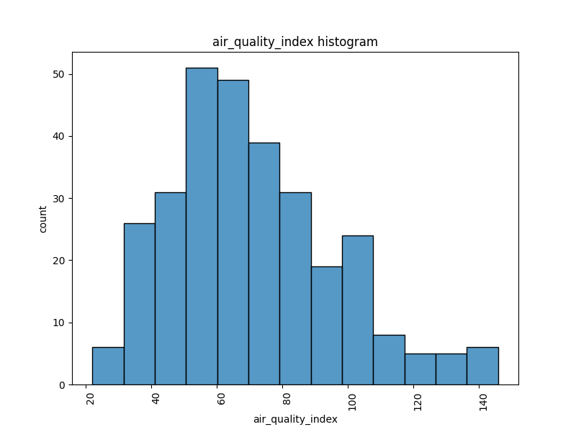
air_quality_index | count
55 | 10
68 | 10
59 | 9
63 | 8
77 | 8
62 | 8
57 | 7
65 | 6
44 | 6
67 | 6
84 | 6
60 | 5
45 | 5
79 | 5
53 | 5
56 | 5
106 | 5
70 | 5
36 | 5
83 | 4
75 | 4
72 | 4
96 | 4
66 | 4
87 | 4
102 | 4
50 | 4
47 | 4
52 | 4
64 | 3
82 | 3
46 | 3
80 | 3
74 | 3
54 | 3
41 | 3
40 | 3
38 | 3
26 | 3
48 | 3
76 | 3
89 | 3
35 | 3
91 | 3
85 | 3
78 | 3
99 | 3
140 | 3
69 | 3
88 | 3
103 | 3
81 | 3
34 | 3
39 | 2
43 | 2
42 | 2
33 | 2
73 | 2
58 | 2
49 | 2
100 | 2
115 | 2
130 | 2
107 | 2
112 | 2
32 | 2
97 | 2
92 | 2
101 | 2
104 | 2
86 | 2
71 | 2
98 | 2
111 | 2
108 | 1
143 | 1
129 | 1
120 | 1
133 | 1
61 | 1
93 | 1
142 | 1
124 | 1
131 | 1
126 | 1
146 | 1
90 | 1
119 | 1
109 | 1
105 | 1
95 | 1
125 | 1
24 | 1
51 | 1
22 | 1
28 | 1

public_transport_score
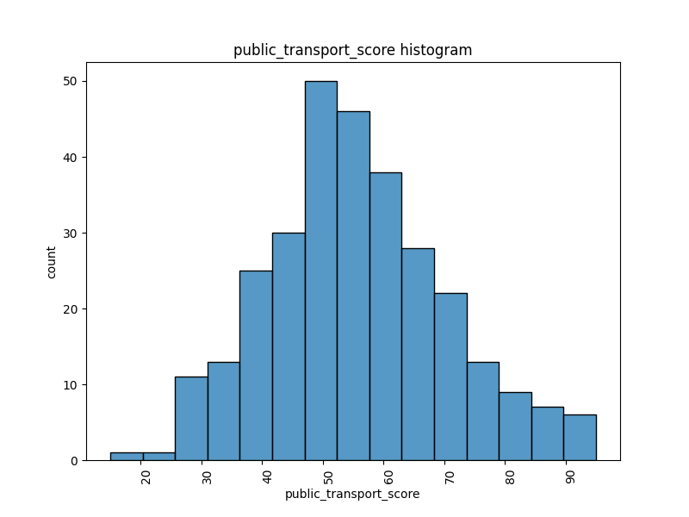
public_transport_score | count
53.4 | 5
55.9 | 4
50.8 | 4
51.6 | 3
95 | 3
44.1 | 3
52.1 | 3
61.1 | 3
62.8 | 3
54.7 | 3
42.3 | 3
56.2 | 3
49.3 | 2
63 | 2
52.3 | 2
38.3 | 2
50.6 | 2
44 | 2
60.7 | 2
52.6 | 2
57 | 2
55.1 | 2
35.4 | 2
36.9 | 2
61.8 | 2
58.7 | 2
59.9 | 2
75.7 | 2
49.4 | 2
74.4 | 2
52.8 | 2
47.2 | 2
57.3 | 2
47.5 | 2
61.9 | 2
51.3 | 2
47.4 | 2
71.6 | 2
67.7 | 2
39.7 | 2
65.7 | 2
42.2 | 2
63.2 | 2
64.2 | 2
41.1 | 2
60.4 | 2
49 | 2
40.3 | 2
63.6 | 2
55.4 | 2
29.9 | 2
41.6 | 1
77.1 | 1
60.1 | 1
62.3 | 1
46 | 1
63.1 | 1
53.7 | 1
62.9 | 1
65.4 | 1
49.7 | 1
60.3 | 1
58.5 | 1
40.8 | 1
68.7 | 1
87.4 | 1
61.2 | 1
69.2 | 1
46.1 | 1
72.3 | 1
63.9 | 1
66.4 | 1
77.4 | 1
70.9 | 1
49.6 | 1
34.3 | 1
92.7 | 1
53.8 | 1
55.6 | 1
69.6 | 1
38.9 | 1
53.2 | 1
86 | 1
71.7 | 1
57.2 | 1
67.5 | 1
85.1 | 1
57.9 | 1
80.7 | 1
56.9 | 1
43.1 | 1
81 | 1
46.7 | 1
48.9 | 1
51.2 | 1
44.4 | 1
57.4 | 1
87 | 1
60 | 1
49.2 | 1
93.7 | 1
83.2 | 1
59.5 | 1
73.2 | 1
52 | 1
42 | 1
29.2 | 1
50.1 | 1
52.2 | 1
53.3 | 1
71.8 | 1
74.7 | 1
68.6 | 1
73.7 | 1
74 | 1
71.3 | 1
43.8 | 1
63.7 | 1
81.2 | 1
66.9 | 1
56.3 | 1
62.1 | 1
49.8 | 1
37.2 | 1
54 | 1
67.8 | 1
46.3 | 1
71.1 | 1
54.2 | 1
73.4 | 1
47.8 | 1
66.1 | 1
51.9 | 1
56.6 | 1
45.7 | 1
77.2 | 1
65.8 | 1
82.8 | 1
34.5 | 1
74.1 | 1
66.6 | 1
62.6 | 1
50.9 | 1
67 | 1
90.9 | 1
62 | 1
87.7 | 1
62.2 | 1
71.2 | 1
72.1 | 1
43.5 | 1
59.4 | 1
83.7 | 1
47.3 | 1
82.4 | 1
69.8 | 1
73.8 | 1
50.7 | 1
85.6 | 1
43.3 | 1
89.3 | 1
38.1 | 1
47.1 | 1
38.4 | 1
62.4 | 1
70 | 1
80.9 | 1
70.1 | 1
48.3 | 1
49.1 | 1
46.2 | 1
38.8 | 1
35 | 1
48.6 | 1
54.5 | 1
51.5 | 1
45.9 | 1
50 | 1
56.5 | 1
70.5 | 1
44.9 | 1
46.4 | 1
59.3 | 1
68.4 | 1
65.2 | 1
30.7 | 1
39.2 | 1
15 | 1
32.4 | 1
46.8 | 1
28.7 | 1
31.1 | 1
27.3 | 1
36 | 1
30.1 | 1
38.5 | 1
29 | 1
33.3 | 1
42.4 | 1
40.1 | 1
33.2 | 1
28.2 | 1
45.5 | 1
23.7 | 1
32.7 | 1
37 | 1
29.6 | 1
36.2 | 1
40.4 | 1
32.9 | 1
37.6 | 1
39.5 | 1
51.4 | 1
62.5 | 1
58 | 1
43.6 | 1
28.1 | 1
53.9 | 1
58.8 | 1
54.8 | 1
59 | 1
38.2 | 1
67.6 | 1
65.1 | 1
56.8 | 1
79.1 | 1
69.7 | 1
65.9 | 1
44.3 | 1
48.2 | 1
55.7 | 1
54.1 | 1
75.3 | 1

happiness_score
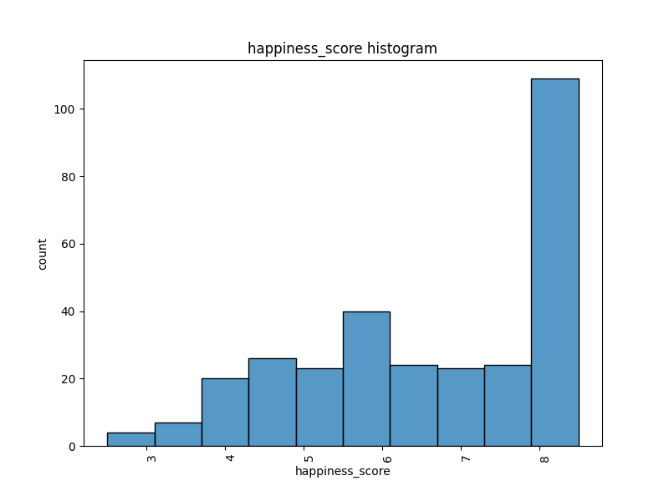
happiness_score | count
8.5 | 87
5.8 | 10
5.7 | 9
4.8 | 8
7.2 | 7
7.3 | 7
7.6 | 7
5.6 | 7
6.6 | 7
5.5 | 7
4.6 | 6
4.2 | 6
5.1 | 6
7.9 | 6
4.1 | 5
4.7 | 5
3.7 | 5
8.4 | 5
7.1 | 5
6.3 | 5
6.1 | 5
6.2 | 4
7.5 | 4
5.9 | 4
5.2 | 4
6.9 | 4
5.4 | 4
7.4 | 4
8.3 | 4
6.8 | 4
8 | 3
4 | 3
6 | 3
5.3 | 3
4.9 | 3
4.5 | 3
5 | 3
6.5 | 3
7.7 | 2
8.1 | 2
7 | 2
2.5 | 2
4.3 | 2
3.1 | 2
8.2 | 2
4.4 | 2
3.5 | 1
3.3 | 1
3.8 | 1
6.7 | 1
3.4 | 1
2.9 | 1
2.6 | 1
3.2 | 1
3.6 | 1

green_space_ratio
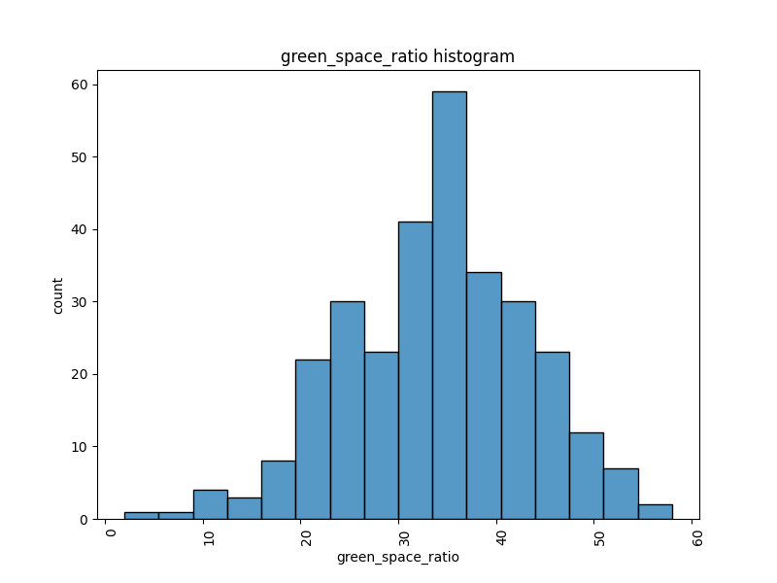
green_space_ratio | count
31.3 | 4
36.8 | 4
35.1 | 4
40.8 | 4
36.1 | 4
34.5 | 3
36.9 | 3
26.2 | 3
30 | 3
32.2 | 3
41.6 | 3
25.4 | 3
35.6 | 3
34.2 | 3
35.3 | 3
37.4 | 3
36.7 | 3
41.4 | 2
41.1 | 2
21.2 | 2
32.5 | 2
43.3 | 2
49.2 | 2
44.1 | 2
33.2 | 2
20.9 | 2
29.2 | 2
22.5 | 2
34.4 | 2
36.6 | 2
40 | 2
45.9 | 2
32 | 2
38 | 2
35.8 | 2
31.4 | 2
30.2 | 2
25.3 | 2
39.3 | 2
34.6 | 2
26.3 | 2
38.7 | 2
40.4 | 2
23.7 | 2
35 | 2
34.1 | 2
28.4 | 2
32.9 | 2
45.1 | 2
43 | 2
35.2 | 2
33.7 | 2
40.3 | 2
28.6 | 2
28 | 2
47.4 | 2
24.3 | 2
50.2 | 2
45.2 | 2
36.5 | 2
38.6 | 2
21 | 2
32.4 | 2
34.3 | 2
44.4 | 2
24 | 2
28.7 | 2
29.6 | 2
33.1 | 2
40.7 | 2
39.9 | 2
31.8 | 2
17.5 | 2
23.8 | 1
31.7 | 1
50 | 1
35.7 | 1
19 | 1
19.2 | 1
22.4 | 1
44 | 1
47.5 | 1
36.4 | 1
21.6 | 1
11 | 1
27.5 | 1
49.7 | 1
42.4 | 1
38.5 | 1
41.2 | 1
9.6 | 1
11.2 | 1
21.7 | 1
27.8 | 1
35.5 | 1
37.2 | 1
41.9 | 1
23.2 | 1
41 | 1
43.8 | 1
39.5 | 1
53.8 | 1
44.2 | 1
35.4 | 1
33.3 | 1
37.3 | 1
38.1 | 1
52.1 | 1
39.4 | 1
42.5 | 1
43.6 | 1
40.2 | 1
20.3 | 1
34.8 | 1
19.7 | 1
24.4 | 1
30.4 | 1
27.9 | 1
45.8 | 1
46.1 | 1
21.8 | 1
17.4 | 1
14.8 | 1
31.9 | 1
20.7 | 1
20.8 | 1
25 | 1
30.3 | 1
32.6 | 1
12.2 | 1
19.3 | 1
24.9 | 1
23.9 | 1
17.1 | 1
29.1 | 1
6.1 | 1
2 | 1
20.1 | 1
22.7 | 1
24.8 | 1
13.5 | 1
29.8 | 1
50.9 | 1
31.2 | 1
43.1 | 1
45.3 | 1
33.6 | 1
29.3 | 1
46.5 | 1
20.4 | 1
25.2 | 1
44.3 | 1
29.4 | 1
21.5 | 1
24.7 | 1
36 | 1
23 | 1
20.6 | 1
30.8 | 1
29.5 | 1
39.1 | 1
30.1 | 1
22.2 | 1
39 | 1
30.5 | 1
25.6 | 1
32.7 | 1
43.7 | 1
16.2 | 1
42.8 | 1
52.9 | 1
26 | 1
39.2 | 1
36.2 | 1
27.3 | 1
42 | 1
37.8 | 1
23.1 | 1
42.3 | 1
31.1 | 1
28.5 | 1
52.3 | 1
38.2 | 1
47.7 | 1
52.2 | 1
50.7 | 1
56.9 | 1
36.3 | 1
51.2 | 1
50.1 | 1
47.3 | 1
40.9 | 1
52.7 | 1
15.3 | 1
28.3 | 1
30.7 | 1
58 | 1
48.5 | 1
38.4 | 1
37.1 | 1
37.5 | 1
46.7 | 1
23.3 | 1
46.8 | 1
44.6 | 1

