ModelReport
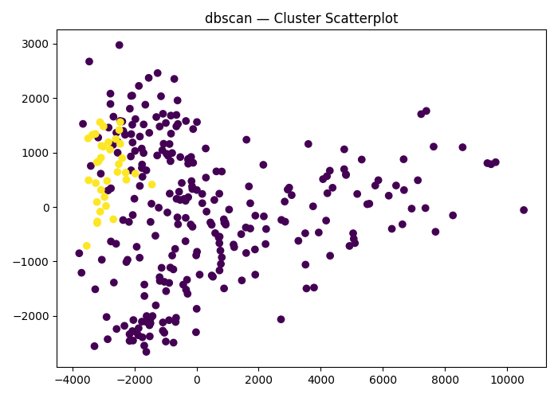
Model | Scaling | PCA | t-SNE | TruncatedSVD | Number of variables | Hyperparams | Silhouette | Silhouette Increase from base model % | Scatter plot train | Dendrogram | Comments
Base model |  |  |  |  | 13 |  | -1 | 0 | 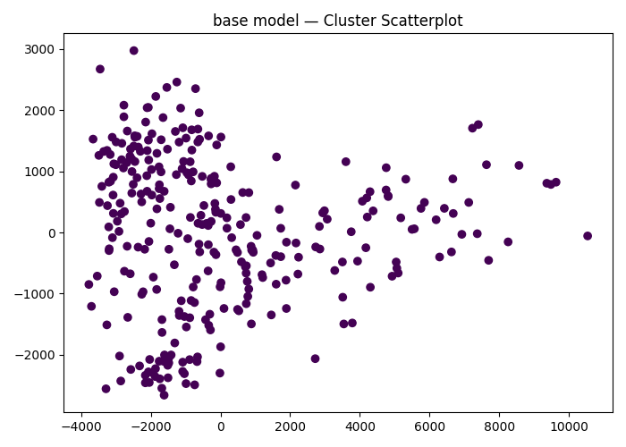 |  | The base model just labels every entry to be inside one cluster.
agglomerative Clustering | True | PCA(n_components=2) | False | False | 13 | {'agglomerative__linkage': 'complete', 'agglomerative__distance_threshold': np.float64(7.6)} | 0.36490808406 | -136.49080841 | 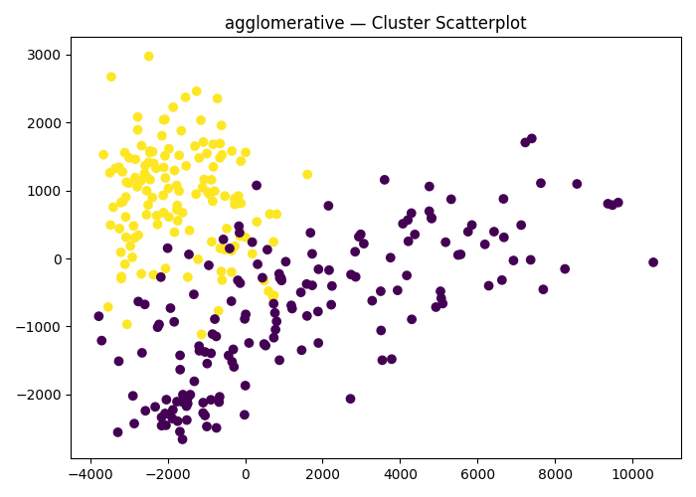 | 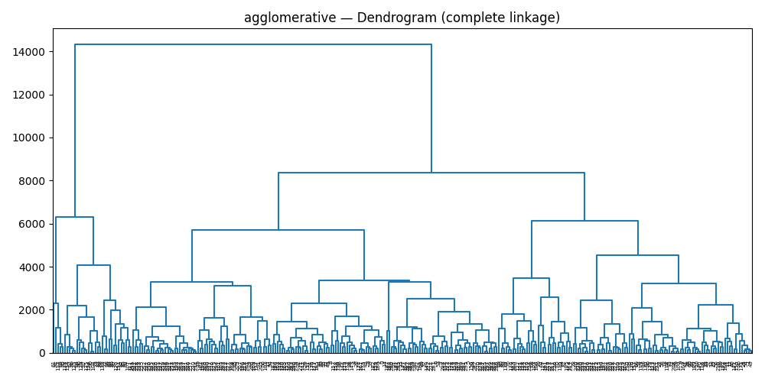 | This is the best agglomerative model, it uses scaling and PCA
agglomerative Clustering | True | PCA(n_components=2) | False | True | 13 | {'agglomerative__linkage': 'complete', 'agglomerative__distance_threshold': np.float64(7.6)} | 0.35740134171 | -135.74013417 |  |  | This is the second best agglomerative model, it uses scaling, PCA and TruncatedSVD.
dbscan Clustering | True | PCA(n_components=2) | False | False | 13 | {'dbscan__min_samples': np.int64(33), 'dbscan__eps': np.float64(1.6)} | 0.49820051446 | -149.82005145 |  |  | This is the second best DBSCAN model, it uses scaling and PCA
dbscan Clustering | True | PCA(n_components=2) | False | True | 13 | {'dbscan__min_samples': np.int64(44), 'dbscan__eps': np.float64(1.6)} | 0.53418413113 | -153.41841311 |  |  | This is the best model overall, it is a DBSCAN model that uses scaling, PCA and TruncatedSVD. Applying these preprocessing techniques seems to improve the overall model performance for both DBSCAN and Agglomerative models.

