Operation Standards
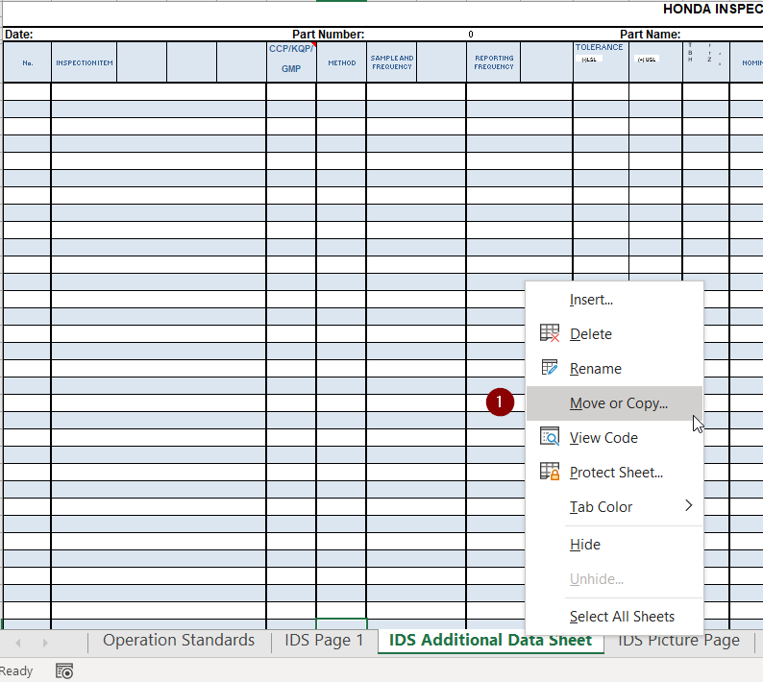
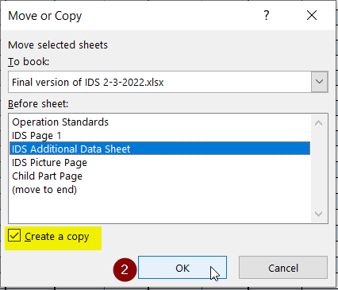
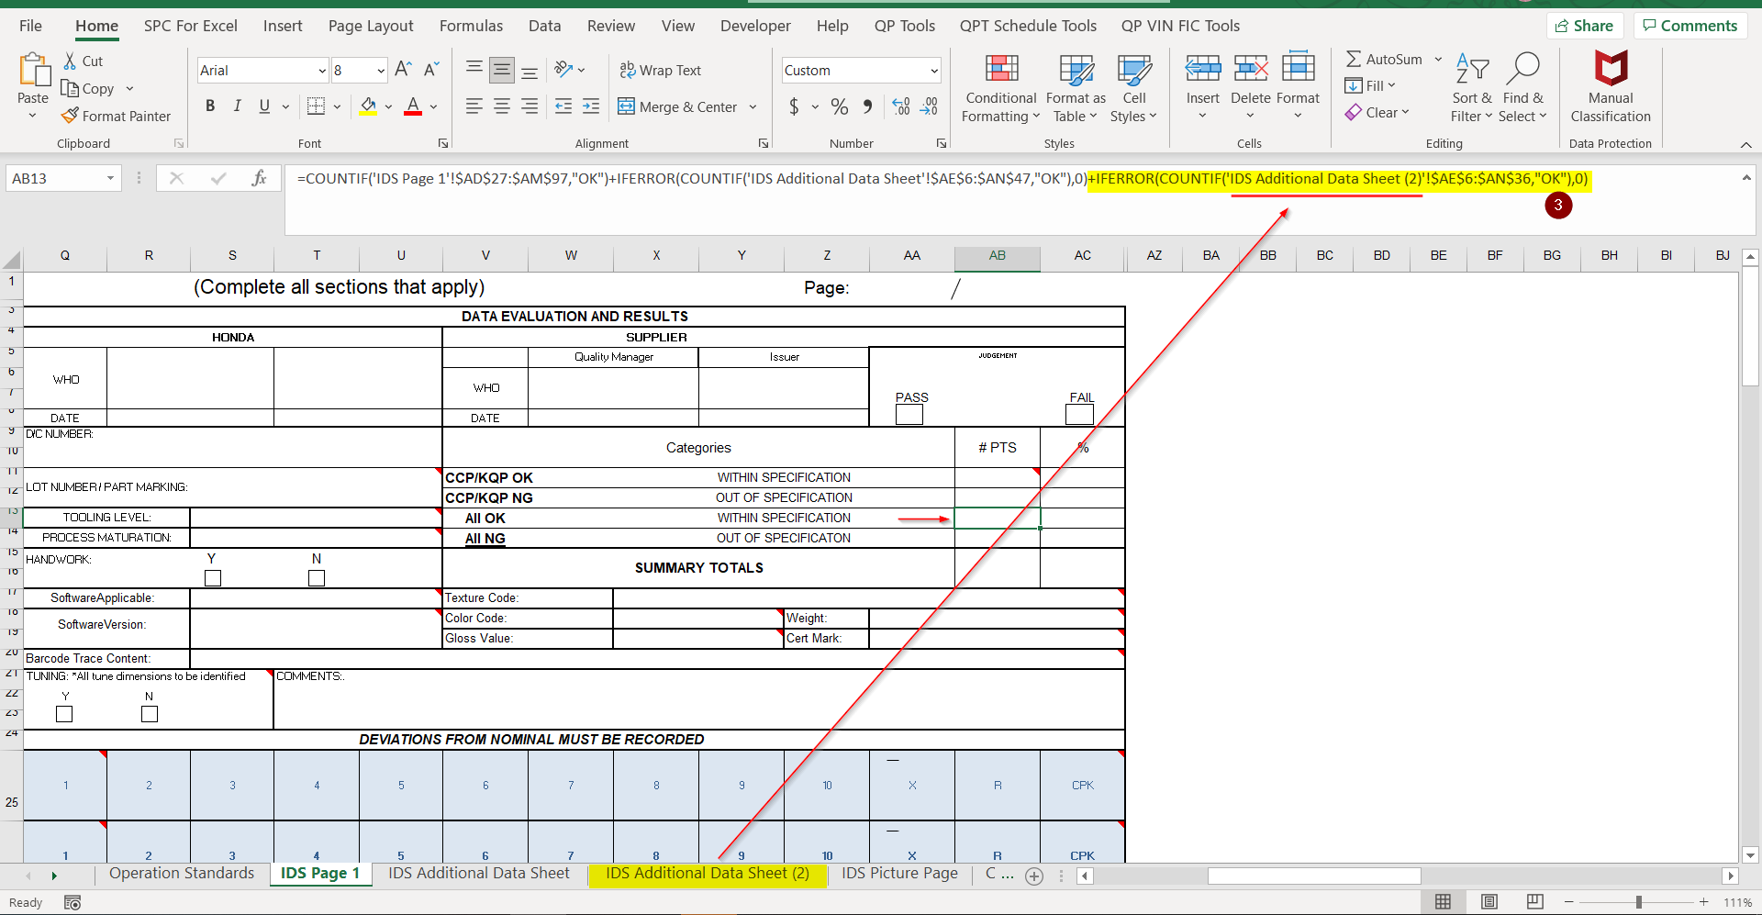
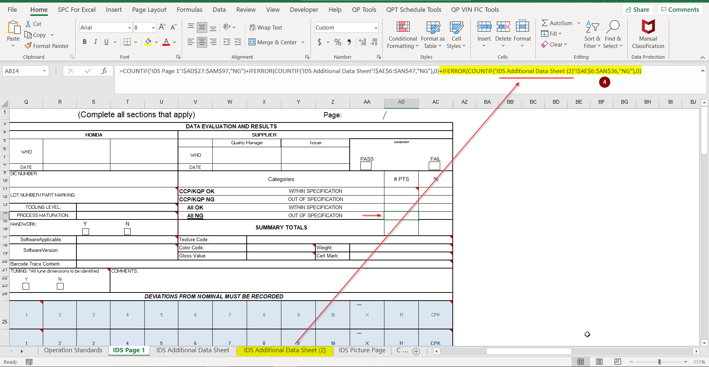

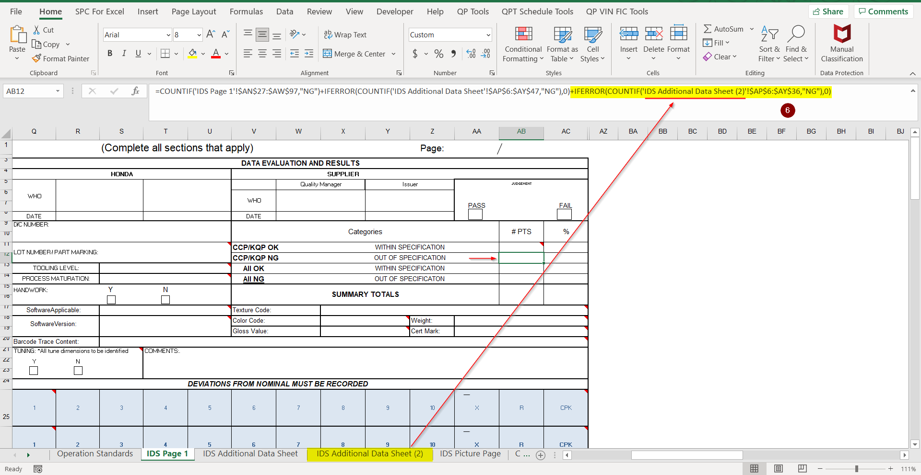
Instructions for using the IDS sheet

General Notes

Hover over cells with red triangles in the corners to view the "Notes" for a description of each section.

Click on check boxes to add a check mark.

This section on the "IDS Page" will sum the critical and non-critical points from the "IDS Page" and the "IDS Additional Data Sheet"
Child Part totals are contained only on their individual sheets and are not added to the "IDS Page"

Entering Data
For attribute data add the upper and lower tolerance as well as the nominal. If the point is in spec type in "OK". If the point is out of spec type in "NG".
For variable data add the upper and lower tolerance as well as the nominal. Type in the numerical value taken from gauging into the cell.
Conditional formatting will show the points in tolerance in green. Points out of tolerance will be displayed in red.

When the copy function is used, CTRL-C or "Right Click" to copy can be utilized. To use the paste function DO NOT USE CTRL-V.
Instead, "Right Click" and select the "Paste Values" option shown in the screenshot below. This will ensure that the conditional formatting of the document is maintained.
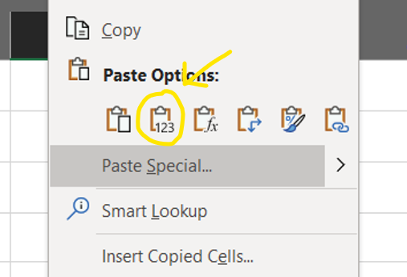

CCP (Critical Control Point)- | These line items are critical points (example: hole positions, pitch measurements, print notes etc...) that require variable data and statistical analysis to ensure part performance. The supplier can denote an item as critical as well. Items deemed critical should not be deleted from the IDS at any time. Typically these points are identified by the PACV or are a Q-point.

KQP (Key Quality Point)- | These line items are key points that ensure part performance, but do not require statistical analysis. The supplier can denote an item as a KQP as well. Line items deemed as a KQP should not be deleted from the IDS at any time.

GMP (Global Measurement Point)- |  | These line items are global measurements shared across multiple models.

Child part data can be added to another IDS sheet instead of the child part tab.

The use of the IDS format in the supplier portal is not mandatory. If another format is used, all relevant line items from the document located in the supplier portal must be represented. This includes the identification of Critical Control Points. The Honda PIC must approve any non-SQM IDS formats being used before submission. Additionally, if any modifications or changes are needed the Honda PIC must be notified for approval.

Adding More Space for additional data points

Inserting new rows in the data sheet (IDS Page, IDS Additional Data Sheet, Child Part Page) |  |  | Adding additional Child Part Pages

Click on a row inside the table |  |  | A new IDS Workbook can also be utilized for child parts. The child part tab can be used to keep everything in one document.
Right click and select Insert
This will add another row to the data sheet |  |  | Right click on the child part page
Add as many rows as needed |  |  | Select Move or Copy
Adding rows in this manner will not change the conditional formatting or other formulas |  |  | Select "move to end"
 |  |  | Check the box for "Create a copy"
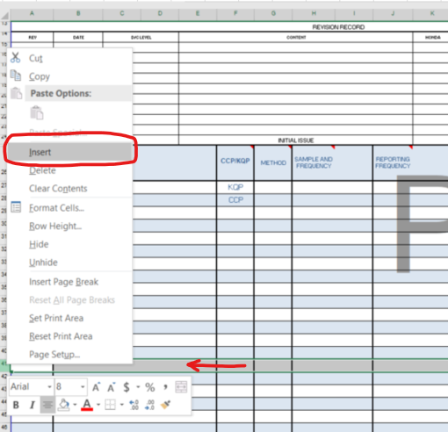
 |  |  | Note- Child Part Page CCPs are not calculated on main IDS page

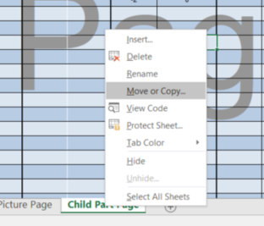
1

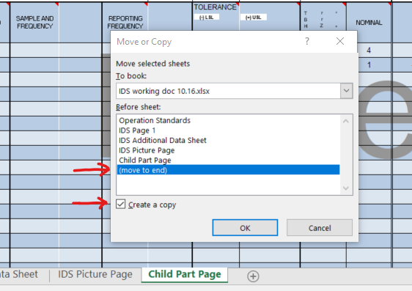
2

Adding Additional Data Sheets
When adding additional datasheets, the formulas that count the points in page 1 need to be updated to also count the points in the additional datasheet

To insert an additional datasheet, make a copy of the IDS Additional Data Sheet
Right click on the Additional Data Sheet page
Select Move or Copy
Select the IDS additional Datasheet (so that the copy comes right next to it. You can move the sheet around as you wish)
Check the box for "Create a copy"

Now you need to update the formulas in the point counters on IDS Page 1
ADD the following to the end of the ALL OK formula in AB13: +IFERROR(COUNTIF('SHEETNAME'!$AE$6:$AN$47,"OK"),0)
ADD the following to the end of the ALL NG formula in AB14: +IFERROR(COUNTIF(SHEETNAME!$AE$6:$AN$47,"NG"),0)
If your part has any critical points (CCP, KCP, GMP), then ADD the following to the end of the CCP OK formula in AB11: +IFERROR(COUNTIF('SHEETNAME'!$AP$6:$AY$47,"OK"),0)
If your part has any critical points (CCP, KCP, GMP), then ADD the following to the end of the CCP NG formula in AB12: +IFERROR(COUNTIF('SHEETNAME'!$AP$6:$AY$47,"NG"),0)

The "47" in each of the above formulas should be changed to the spreadsheet row number of the last row of data entered into the additional page of the datasheet
Make sure to change SHEETNAME in each of the formulas to the name of the sheet you just created

IDS Page 1
DATE: |  |  |  |  |  |  |  | HONDA INSPECTION DATA SHEET |  |  |  |  |  |  |  | (Complete all sections that apply) |  |  |  |  |  |  | Page: |  |  |  | Yes
 |  |  |  |  |  |  |  |  |  |  |  |  |  |  |  |  |  |  |  |  |  |  |  |  |  |  | No
PART NUMBER: |  |  |  |  |  | SIDE: |  |  |  | DRAWING RANK |  |  |  | DATA EVALUATION AND RESULTS |  |  |  |  |  |  |  |  |  |  |  |  | Prototype
 |  |  |  |  |  |  | Right |  | Left |  |  |  |  | HONDA |  |  |  |  | SUPPLIER |  |  |  |  |  |  |  | T1
PART NAME: |  |  |  |  |  | Model: |  |  |  |  |  |  |  |  |  |  |  |  |  | Quality Manager |  | Issuer |  | JUDGEMENT |  |  | T2
 |  |  |  |  |  | Event: |  |  |  |  |  |  |  | WHO |  |  |  |  | WHO |  |  |  |  |  |  |  | T3
SUPPLIER: |  |  |  |  |  | FACILITY: |  |  |  |  |  |  |  |  |  |  |  |  |  |  |  |  |  | PASS |  | FAIL | T4
 |  |  |  |  |  |  |  |  |  |  |  |  |  | DATE |  |  |  |  | DATE |  |  |  |  |  |  |  | LT
DATA PURPOSE: |  |  |  |  |  | REGULATION PART | List all applicable regulations: |  |  |  |  |  |  | D/C NUMBER: |  |  |  |  | Categories |  |  |  |  |  | # PTS | % | MP
 | REGULAR INSPECTION |  | PROBLEM INVESTIGATION |  |  |  |  |  |  |  |  |  |  |  |  |  |  |  |  |  |  |  |  |  |  |  | Temporary process and sequence
 | NEW MODEL INSPECTION |  | OTHER |  |  |  |  |  |  |  |  |  |  | LOT NUMBER / PART MARKING: |  |  |  |  | CCP/KQP OK |  | WITHIN SPECIFICATION |  |  |  |  |  | Process equivalent to MP/ Sequence is MP
 |  |  |  |  |  |  |  |  |  |  |  |  |  |  |  |  |  |  | CCP/KQP NG |  | OUT OF SPECIFICATION |  |  |  |  |  | MP process and sequence
REVISION RECORD |  |  |  |  |  |  |  |  |  |  |  |  |  | TOOLING LEVEL: |  |  |  |  | All OK |  | WITHIN SPECIFICATION |  |  |  |  |  | MP process, sequence, and cycle time
REV | DATE | D/C LEVEL | CONTENT |  |  |  |  | HONDA | HONDA | SUPPLIER | SUPPLIER |  |  | PROCESS MATURATION: |  |  |  |  | All NG |  | OUT OF SPECIFICATON
 |  |  |  |  |  |  |  |  |  |  |  |  |  | HANDWORK: |  | Y | N |  | SUMMARY TOTALS

 |  |  |  |  |  |  |  |  |  |  |  |  |  | Software Applicable: |  |  |  |  | Texture Code:
 |  |  |  |  |  |  |  |  |  |  |  |  |  | Software Version: |  |  |  |  | Color Code: |  |  |  | Weight:
 |  |  |  |  |  |  |  |  |  |  |  |  |  |  |  |  |  |  | Gloss Value: |  |  |  | Cert Mark:
 |  |  |  |  |  |  |  |  |  |  |  |  |  | Barcode Trace Content:
 |  |  |  |  |  |  |  |  |  |  |  |  |  | TUNING: *All tune dimensions to be identified |  |  | COMMENTS:.
 |  |  |  |  |  |  |  |  |  |  |  |  |  | Y | N

(-) LSL
(+) USL
TBH
rrZ
^{A}
^{B}
00 |  |  | INITIAL ISSUE |  |  |  |  |  |  |  |  |  |  | DEVIATIONS FROM NOMINAL MUST BE RECORDED
No. | INSPECTION ITEM |  |  | CCP/KQP/GMP | METHOD | SAMPLE AND FREQUENCY | REPORTING FREQUENCY |  | TOLERANCE |  |  | NOMINAL | Statistical Data Required | 1 | 2 | 3 | 4 | 5 | 6 | 7 | 8 | 9 | 10 | X | R | CPK

 |  |  |  |  |  |  |  |  |  |  |  | Manufacturing Date
 |  |  |  |  |  |  |  |  |  |  |  | Jig A/B
SUPPLIERS DATA SHEET

IDS Additional Data Sheet
REGULAR INSPECTION
NEW MODEL INSPECTION
PROBLEM INVESTIGATION
(-) LSL
(+) USL
NG
PASS
FAIL
OK
WITHIN SPECIFICATION
HONDA INSPECTION DATA SHEET
 |  |  |  |  |  |  |  |  |  |  |  |  |  |  |  |  |  |  |  |  |  |  | Yes
Date: |  |  | Part Number: |  |  |  | Part Name: |  |  |  |  |  |  | Rev. No. |  |  |  |  | Page: |  |  |  | No
(-)LSL
(+) USL
TBH
rrZ
^{A}
^{B}
No. | INSPECTION ITEM | CCP/KQP/GMP | METHOD | SAMPLE AND FREQUENCY | REPORTING FREQUENCY | TOLERANCE |  | NOMINAL | Statistical Data Required | 1 | 2 | 3 | 4 | 5 | 6 | 7 | 8 | 9 | 10 | X | R | CPK

STOP!!
When the copy function is used, CTRL-C or "Right Click" to copy can be utilized. To use the paste function DO NOT USE CTRL-V. Instead, "Right Click" and select the "Paste Values" option shown in the screenshot below. This will ensure that the conditional formatting of the document is maintained. This box can be deleted once to make room for data collection.

Manufacturing Date
Jig A/B
SUPPLIERS DATA SHEET

Child Part Page
DATE: |  |  |  |  |  |  |  |  | HONDA INSPECTION DATA SHEET |  |  |  |  |  |  | (Complete all sections that apply)

PART NUMBER: |  |  |  |  |  |  |  | COMMENTS: |  |  |  | Include items such as weight, texture code, cert mark, gloss value, software version, color code, and barcode trace content as line items in the body of the document if applicable.
 |  |  |  |  |  | Judgement
PART NAME: |  |  |  |  |  | PASS | FAIL | LOT NUMBER / PART MARKING: | factory part mark yes/no if yes what is part mark DC #

SUPPLIER: |  |  |  |  |  | Critical OK | WITHIN SPECIFICATION
 |  |  |  |  |  | Critical NG | OUT OF SPECIFICATION
DATA PURPOSE: |  |  |  |  |  | All OK | WITHIN SPECIFICATION
 | REGULAR INSPECTION |  | PROBLEM INVESTIGATION |  |  | All NG | OUT OF SPECIFICATON
Add visual aid/drawing here
 | NEW MODEL INSPECTION |  | OTHER |  |  | SUMMARY TOTALS

REVISION RECORD
REV | DATE | D/C LEVEL | CONTENT |  |  |  |  |  | HONDA | HONDA | SUPPLIER | SUPPLIER

(-) LSL
(+) USL
TBH
rrZ
^{A}
^{B}
00 |  |  | INITIAL ISSUE |  |  |  |  |  |  |  |  |  |  | DEVIATIONS FROM NOMINAL MUST BE RECORDED
No. | INSPECTION ITEM |  |  | CCP/KQP/GMP | METHOD | SAMPLE AND FREQUENCY |  | REPORTING FREQUENCY |  | TOLERANCE |  |  | NOMINAL | 1 | 2 | 3 | 4 | 5 | 6 | 7 | 8 | 9 | 10 | X | R | CPK

 |  |  |  |  |  |  |  |  |  |  |  |  | Manufacturing Date
 |  |  |  |  |  |  |  |  |  |  |  |  | Jig A/B
SUPPLIERS DATA SHEET

