Form Responses 1
Timestamp | Name (Optional): | Ages: | Gender: | How do you best describe your Role/Expertise? | How familiar are you with Modelling and Animation (e.g., techniques, tools, processes)? | Integrated Scanned Character Models: On a scale of 1 to 5, how effective do you find the integration of scanned elements into the character models? | Please provide any specific comments or suggestions regarding the integrated character models: | Realism of Modelling and Animation: How realistic did you find the animated models created using the scanning technology? | Movement Fluidity: Did the animations exhibit fluid and natural movement? | Facial Expressions: How effective were the animations in conveying facial expressions? | Body Expressions: How effective were the animations in conveying Body expressions? | Animation Impact on Immersion: Would the animations contribute to a more immersive experience? | Consistency Across Animations: Were there any noticeable inconsistencies in the quality or style of animations within the project? | Animation Complexity vs. Performance: How did the complexity of animations impact the overall performance of the project (e.g., frame rate, responsiveness)? | Overall Satisfaction with Animations: On a scale of 1 to 5, how satisfied are you with the quality and impact of the animations in the project? | Extra Feedback on Modelling and Animations: Were there any specific models or animations that stood out to you? If so, please describe:
10/18/2023 |  | 18-24 | Female | Game Developer | Somewhat Familiar | 3 |  | Very Realistic | Moderately Fluid | Very Effective | Moderately Effective | Significantly Enhanced Immersion | Consistent Throughout | Slight Performance Degradation | 4
10/18/2023 | Yuchen | 18-24 | Male | Game Developer | Somewhat Familiar | 4 | The skin condition seems to be unnoticeable. | Moderately Realistic | Neutral | Neutral | Neutral | Slightly Enhanced Immersion | Neutral | Noticeable Performance Degradation | 4
10/18/2023 |  | 18-24 | Male | Game Developer | Somewhat Familiar | 3 | For the person privoide image to scann maybe let them face the same dicrtions may provide more similar with the character models shows. | Somewhat Realistic | Moderately Fluid | Very Effective | Moderately Effective | Slightly Enhanced Immersion | Neutral | Slight Performance Degradation | 4 | When the characters make movements, their facial expressions also change significantly.
10/18/2023 | Seb | 18-24 | Male | Game Developer | Not Familiar | 4 | Hair modelling isn’t great. But facial structure is quite good | Extremely Realistic | Extremely Fluid | Moderately Effective | Very Effective | Significantly Enhanced Immersion | Consistent Throughout | No Noticeable Impact | 4 | Really cool modelling and certainly increases engagement
10/19/2023 |  | 18-24 | Male | Game Developer | Very Familiar | 3 | The original vs 3D models don't look the same when the faces doesn't have defined wrinkles or other facial features. Also the first two models looks as if the race is completely different. | Very Realistic, Extremely Realistic | Extremely Fluid, Moderately Fluid | Neutral | Moderately Effective | Significantly Enhanced Immersion | Moderately Consistent |  | 4
10/20/2023 |  | 18-24 | Male | Game Developer | Somewhat Familiar | 4 |  | Very Realistic | Extremely Fluid | Very Effective | Very Effective | Slightly Enhanced Immersion | Moderately Consistent | Slight Performance Degradation | 4
10/20/2023 |  | 18-24 | Male | Game Developer | Somewhat Familiar | 4 | They looked pretty believable. They aren't winning any awards but they're high enough quality that I think they'd be a really good approach for creating variety in a realistic setting or for creating player avatars that look like the player. | Moderately Realistic | Moderately Fluid | Moderately Effective | Moderately Effective | Significantly Enhanced Immersion | Consistent Throughout | No Noticeable Impact | 4 | The dance moves look really good on the models.
10/20/2023 | Mitch | 35-44 | Male | Game Developer | Somewhat Familiar |  | They look very impressive and seems I know some of the people that were scanned, I can also tell that they are recognisable based on the realism of their scan. | Very Realistic | Moderately Fluid | Neutral | Moderately Effective | Slightly Enhanced Immersion | Somewhat Inconsistent |  | 3 | They're very realistic and fit the models well, however it would be good to shift the focus of your questioning to focus on the models and the way they are presented or perceived through the animation, rather than on the animation itself.

Modelling and Animation Using Scanning Technologies
Primary Survey Data Analytics
Student ID | 47160179
Student Name | Allan Lee

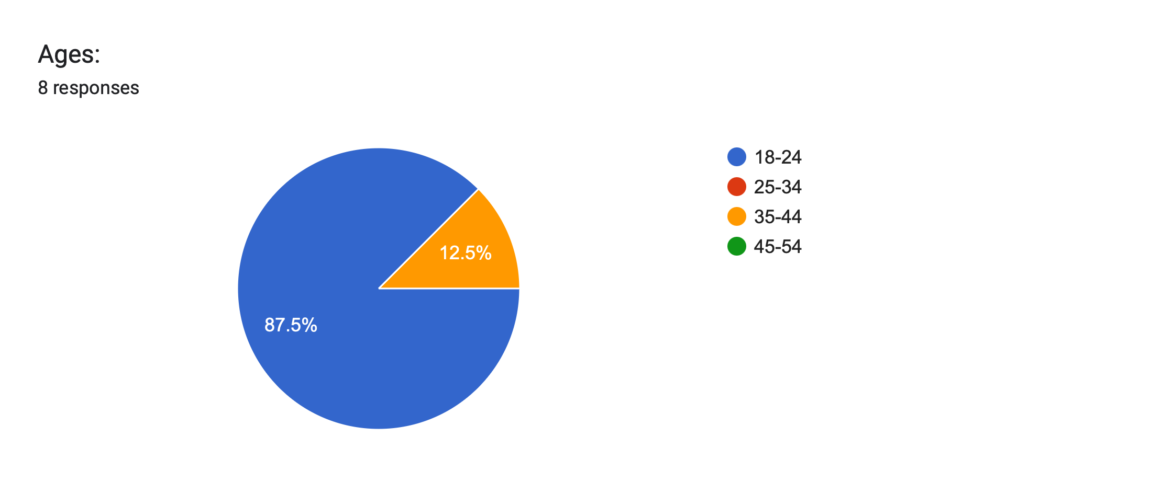
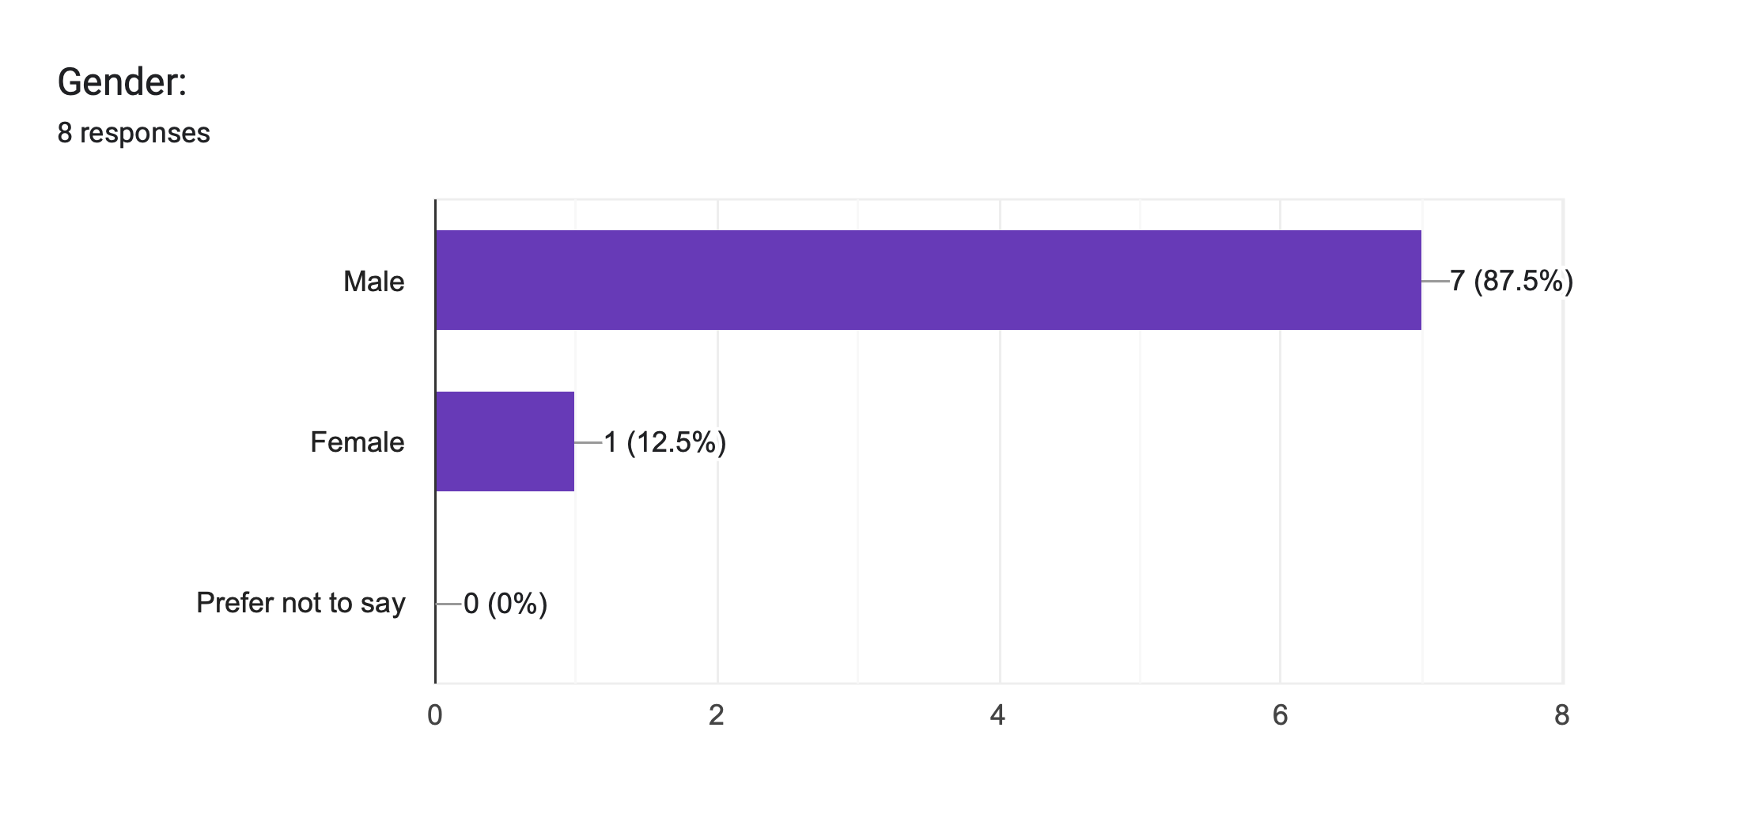

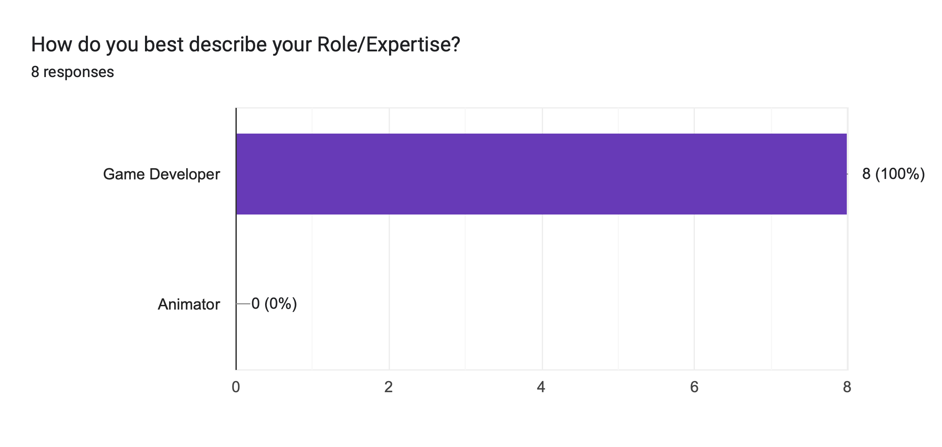
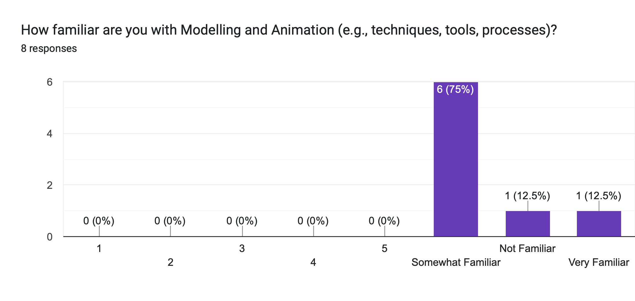

1. Participant Demographics:
· Collected feedback from 8 participants aged 18 to 44.
· The gender distribution was predominantly male and just one female.
· Most participants have a moderate familiarity with Modelling and Animation techniques.

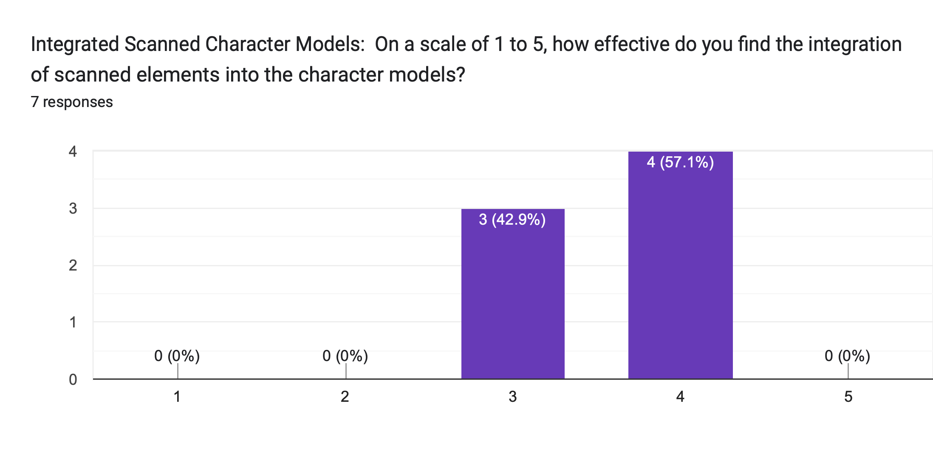

Please provide any specific comments or suggestions regarding the integrated character models:
6 responses
The skin condition seems to be unnoticeable.
For the person privoide image to scann maybe let them face the same dicrtions may provide more similar with the character models shows.
Hair modelling isn’t great. But facial structure is quite good
The original vs 3D models don't look the same when the faces doesn't have defined wrinkles or other facial features. Also the first two models looks as if the race is completely different.
They looked pretty believable. They aren't winning any awards but they're high enough quality that I think they'd be a really good approach for creating variety in a realistic setting or for creating player avatars that look like the player.
They look very impressive and seems I know some of the people that were scanned, I can also tell that they are recognisable based on the realism of their scan.

Specific comments or suggestions regarding the integrated character models:
Participants provided detailed feedback on the integrated character models. They mentioned various observations, including:
· the imperceptibility of skin conditions, a suggestion to ensure consistent facing for image scanning, recognition of hair modelling challenges alongside commendation for facial structure,
· A comparison between original and 3D models highlighting the importance of defined facial features and an acknowledgement that the models, while not award-winning, are credible and suitable for diverse applications.
· Additionally, one participant expressed familiarity with scanned individuals, noting their recognisability based on the scan's realism.

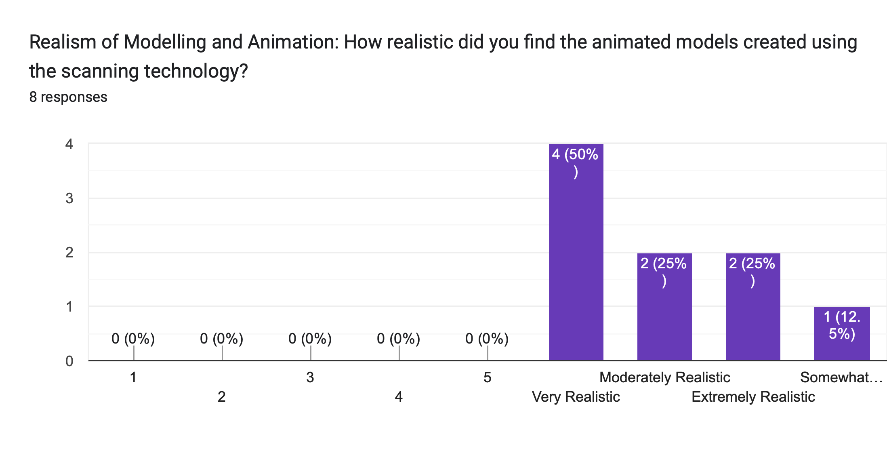

3. Realism of Modelling and Animation:
· The perceived realism of the animated models created using scanning technology varied. Ratings ranged from “somewhat realistic” to “extremely realistic”, indicating a generally positive reception of the animated models.
· Some participants commented on hair modelling and facial structure, suggesting room for improvement.

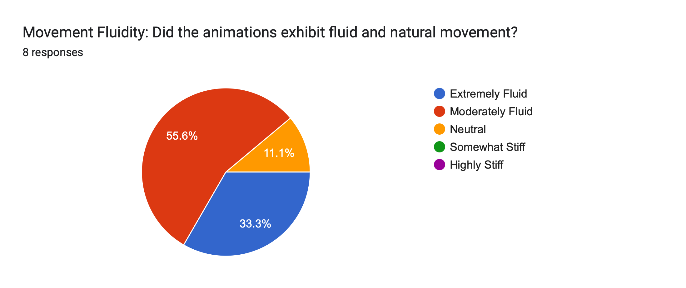

4. Movement Fluidity:
· Movement fluidity was predominantly rated as fluid, contributing to the effectiveness of animations. Some participants finding it moderately fluid and others describing it as extremely fluid.

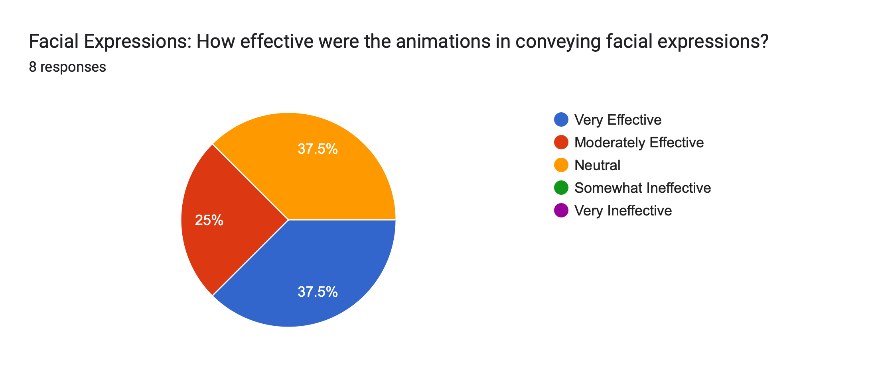

5. Facial Expressions:
· Facial expressions were considered very effective, rating as “very effective” or “moderately effective”.
· Facial expressions changing during character movements were noted, enhancing realism.

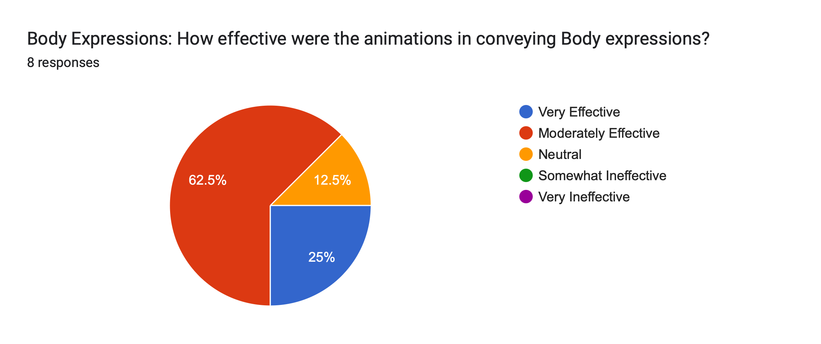

6. Body Expressions:
· Animation effectiveness in conveying body expressions was rated between “moderately effective” and “very effective”.

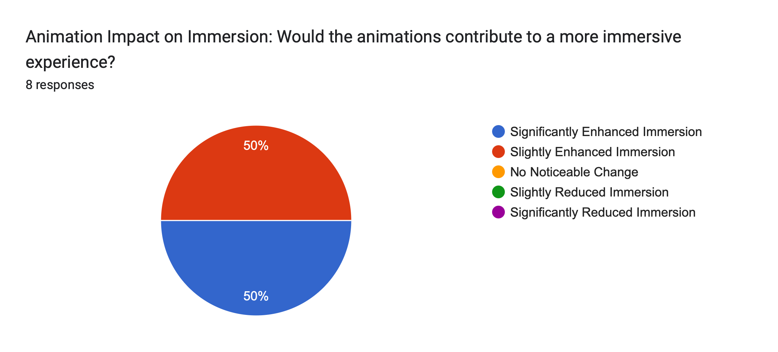

7. Animation Impact on Immersion:
· Participants generally agreed that animations significantly enhanced immersion.

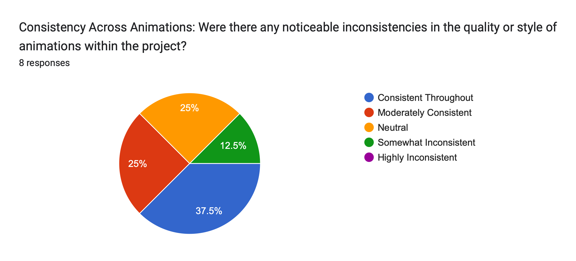

8. Consistency Across Animations:
· Most animations were considered consistent throughout, although some inconsistencies were noted.

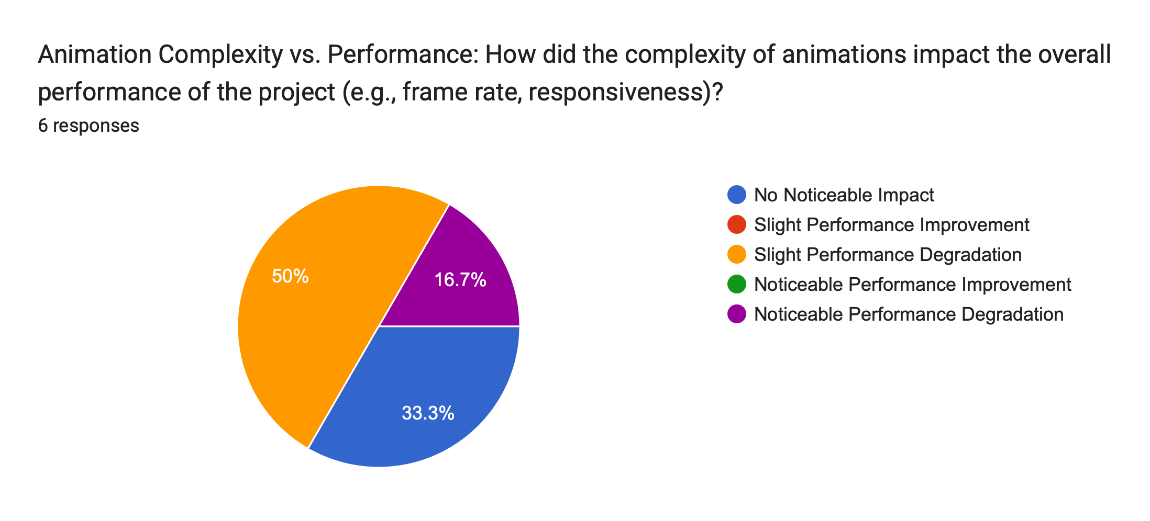

9. Animation Complexity vs. Performance:
· Participants reported slight performance degradation due to animation complexity, particularly regarding frame rate and responsiveness. It is caused by memory being exhausted in the PC.

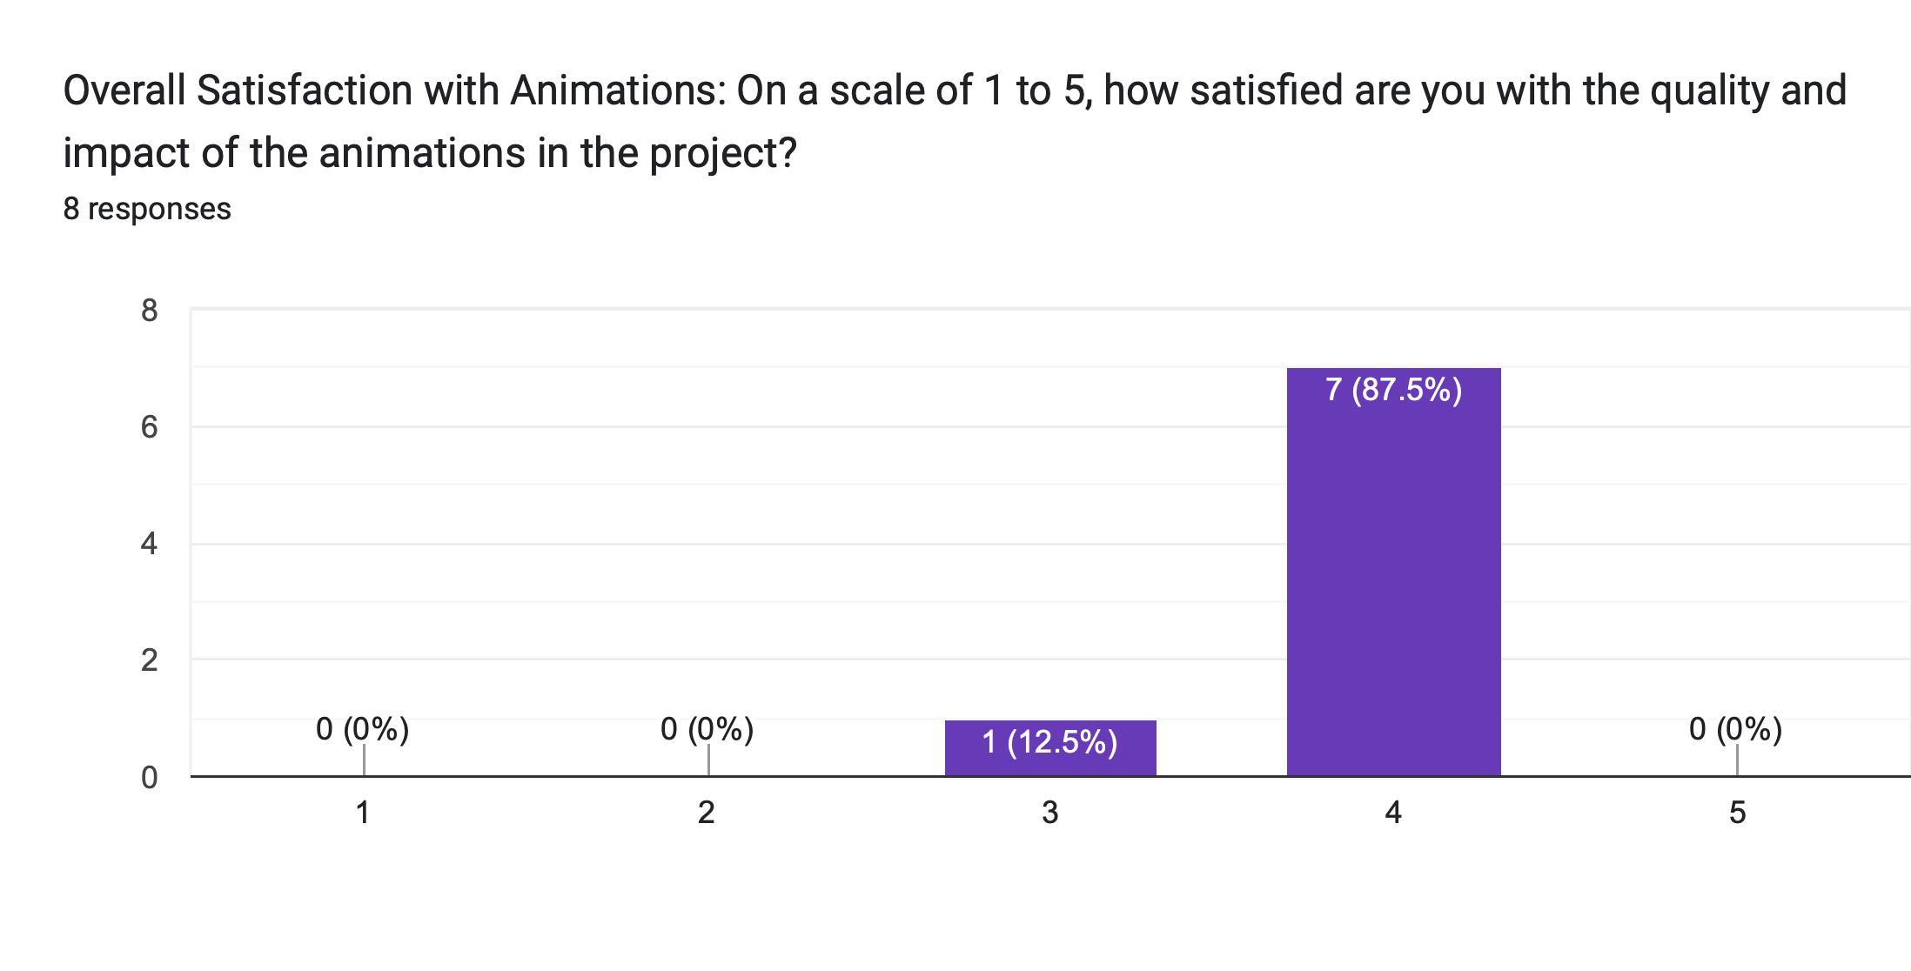

10. Overall Satisfaction with Animations:
· Overall satisfaction with the quality and impact of the animations was positive, with ratings averaging 4 on a scale of 1 to 5.

Extra Feedback on Modelling and Animations:
Were there any specific models or animations that stood out to you? If so, please describe:
4 responses
When the characters make movements, their facial expressions also change significantly.
Really cool modelling and certainly increases engagement
The dance moves look really good on the models.
They're very realistic and fit the models well, however it would be good to shift the focus of your questioning to focus on the models and the way they are presented or perceived through the animation, rather than on the animation itself.

11. Extra Feedback on Modelling and Animations:
Participants provided valuable feedback on specific aspects of the modelling and animations:
· They noted that movements triggered significant changes in facial expressions, found the modelling engaging and capable of enhancing immersion, appreciated the quality of dance animations, and acknowledged the realism and suitability of the models.
· One professional participant also suggested focusing on the presentation and perception of models through animation for future evaluations.

