Marvel Movies
film | category | worldwide_gross | pct_budget | critics | audience | cluster | Scaled |  | Model: | cluster | worldwide_gross | pct_budget | critics | audience | description | movies
Ant-Man | Ant-Man | 518 | 398% | 83% | 85% | 1 |  |  |  | 0 | 0.14586624539 | 0.21638328565 | 0.38095238095 | 0.41176470588 | least commercial success & popularity | 6
Ant-Man & The Wasp | Ant-Man | 623 | 479% | 87% | 80% | 1 |  |  |  | 1 | 0.1955195717 | 0.27425978527 | 0.78004535147 | 0.78540305011 | low commercial success, high popularity | 18
Avengers: Age of Ultron | Avengers | 1395 | 382% | 76% | 82% | 1 | clusters | inertia |  | 2 | 0.60222485519 | 0.70697345518 | 0.90816326531 | 0.88235294118 | most commercial success & popularity | 6
Avengers: End Game | Avengers | 2797 | 699% | 94% | 90% | 2 | 2 | 3.545700275
Avengers: Infinity War | Avengers | 2048 | 683% | 85% | 91% | 2 | 3 | 2.2286116001
Black Panther | Black Panther | 1336 | 668% | 96% | 79% | 2 | 4 | 1.7202538046 |  | Best Performing Marvel Movies
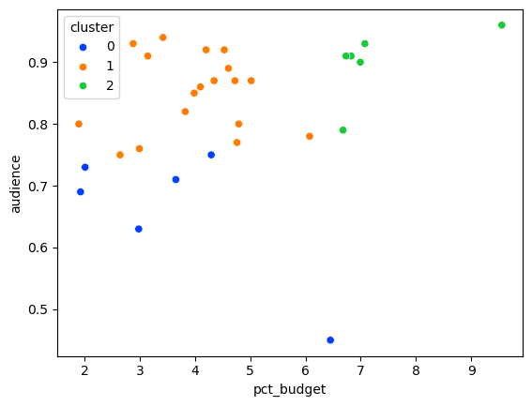
Black Panther 2 | Black Panther | 855 | 342% | 84% | 94% | 1 | 5 | 1.4462567224 |  | Avengers: End Game
Black Widow | Unique | 379 | 190% | 79% | 80% | 1 | 6 | 1.1521596213 |  | Avengers: Infinity War
Captain America | Captain America | 370 | 264% | 79% | 75% | 1 | 7 | 0.87656225945 |  | Black Panther
Captain America: Civil War | Captain America | 1151 | 460% | 90% | 89% | 1 | 8 | 0.72566740663 |  | Spider-Man: Far from Home
Captain America: Winter Soldier | Captain America | 714 | 420% | 90% | 92% | 1 | 9 | 0.62303714652 |  | Spider-Man: No Way Home
Captain Marvel | Unique | 1129 | 645% | 79% | 45% | 0 | 10 | 0.51329267087 |  | The Avengers
Inertia Plot
Dr Strange | Dr Strange | 676 | 410% | 89% | 86% | 1
Dr Strange: Multiverse of Madness | Dr Strange | 952 | 476% | 74% | 77% | 1
Eternals | Unique | 402 | 201% | 47% | 73% | 0
Guardians of the Galaxy | Guardians | 770 | 453% | 92% | 92% | 1
Guardians of the Galaxy 2 | Guardians | 869 | 435% | 85% | 87% | 1
Incredible Hulk | Unique | 265 | 193% | 67% | 69% | 0
Iron Man | Iron Man | 585 | 315% | 94% | 91% | 1
Iron Man 2 | Iron Man | 621 | 365% | 71% | 71% | 0
Iron Man 3 | Iron Man | 1215 | 608% | 79% | 78% | 1
Shang-Chi | Unique | 432 | 288% | 91% | 93% | 1
Spider-Man: Far from Home | Spider-Man | 1132 | 708% | 90% | 93% | 2
Spider-Man: Homecoming | Spider-Man | 878 | 502% | 92% | 87% | 1
Spider-Man: No Way Home | Spider-Man | 1911 | 956% | 93% | 96% | 2
The Avengers | Avengers | 1515 | 673% | 91% | 91% | 2
Thor: Dark World | Thor | 644 | 429% | 66% | 75% | 0
Thor: Love & Thunder | Thor | 745 | 298% | 64% | 63% | 0
Thor: Ragnarok | Thor | 850 | 472% | 93% | 87% | 1
Thor | Thor | 449 | 299% | 77% | 76% | 1

