Sheet1
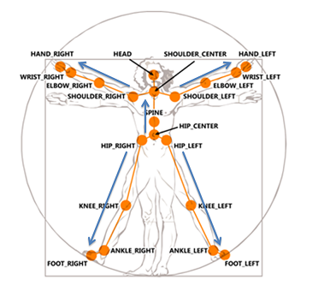
VRPN Sensor | OpenNI Joint | Kinect Joint
0 | Head | Head
1 | Neck | Shoulder Center
2 | Torso | Spine
3 | Waist | Hip Center
4 | Left Collar
5 | Left Shoulder | Shoulder Left
6 | Left Elbow | Elbow Left
7 | Left Wrist | Wrist Left
8 | Left Hand | Hand Left
9 | Left Fingertip
10 | Right Collar
11 | Right Shoulder | Shoulder Right
12 | Right Elbow | Elbow Right
13 | Right Wrist | Wrist Right
14 | Right Hand | Hand Right
15 | Right Fingertip
16 | Left Hip | Hip Left
17 | Left Knee | Knee Left
18 | Left Ankle | Ankle Left
19 | Left Foot | Foot Left | Note: Joints numbers are picked to match the FAAST toolkit for interoperability.
20 | Right Hip | Hip Right
21 | Right Knee | Knee Right
22 | Right Ankle | Ankle Right
23 | Right Foot | Foot Right

