PriceList
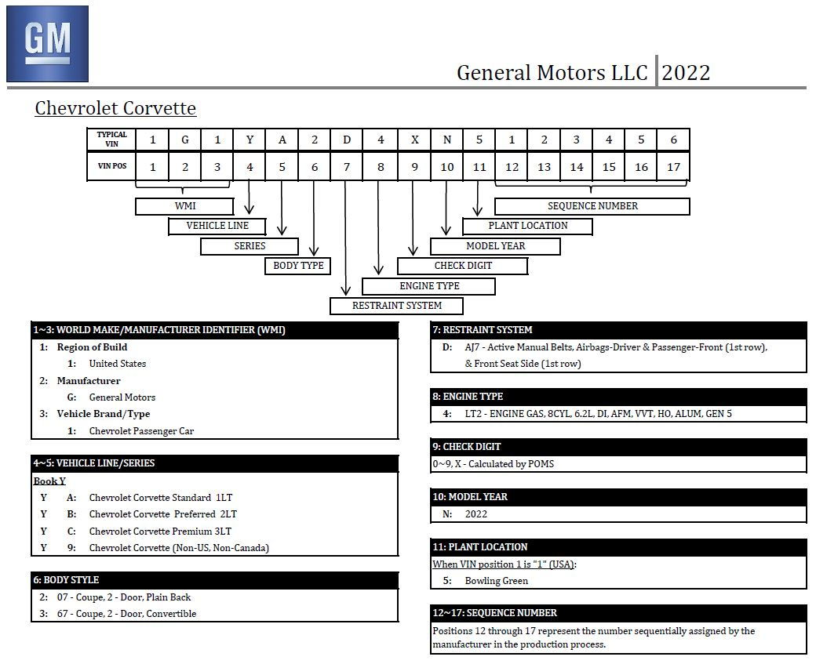
Stock Number | VIN | TRIM | Year | Mileage | Transmission | HP | Roof | Price | Date Listed | State | Date | Notes | Title | Last Checked | URL
CRAIGSLIST_7521161445 | UNK | UNK | 1999 | 230000 | AUTO |  |  | $9,500.00 | 2022-08-13 |  | 2022-08-27 | N/A | Clean | 2022-09-15 | Listing
CRAIGSLIST_7523453753 | UNK | UNK | 1999 | 79000 | AUTO |  |  | $17,000.00 | 2022-08-19 |  | 2022-08-27 | N/A | Clean | 2022-10-01 | Listing
FB_005 | UNK | UNK | 2000 | 114000 | MAN | 345 | Hard Top | $16,000.00 | 2022-08-19 |  | 2022-09-07 | N/A | Clean | 2022-09-15 | Listing
FB_003 | UNK | UNK | 2001 | 93000 | AUTO |  | Hard Top | $12,600.00 | 2022-05-27 |  | 2022-09-04 |  | Salvage | 2022-10-29 | Listing
CRAIGSLIST_7522367392 | UNK | UNK | 2001 | 120000 | MAN |  |  | $18,000.00 | 2022-08-16 |  | 2022-08-27 | N/A | Clean | 2022-09-20 | Listing
CRAIGSLIST_7527246432 | UNK | Z06 | 2001 | 22500 | MAN |  |  | $30,000.00 | 2022-08-28 |  | 2022-08-29 | N/A | Clean | 2022-10-01 | Listing
CARFAX_PM2498 | 1G1YY12S425113822 | Z06 | 2002 | 64525 | MAN | 405 | Hard Top | $22,881.00 | 2022-06-01 |  | 2022-09-01 | N/A, WAS 24797, WAS $24,987, WAS $29,858 | Clean | 2022-09-18 | Listing
CARFAX_25124052 | 1G1YY22G125124052 | UNK | 2002 | 52000 | MAN | 350 |  | $19,955.00 | 2022-08-29 | NV | 2022-09-19 | N/A | Clean | 2022-09-21 | Lisitng
CRAIGSLIST_7531223285 | 1G1YY12S425114596 | Z06 | 2002 | 22500 | AUTO | 405 | Hard Top | $25,000.00 | 2022-08-15 |  | 2022-09-07 | N/A | UNK | 2022-10-01 | Listing
CRAIGSLIST_7527500267 | UNK | Z06 | 2003 | 63000 | MAN | 405 | Hard Top | $28,500.00 | 2022-08-29 |  | 2022-08-29 | N/A | Clean | 2022-10-13 | Listing
CARFAX_12548 | 1G1YY22G245133961 | UNK | 2004 | 83000 | AUTO | 350 | Targa | $19,995.00 |  |  | 2022-09-20 |  | Clean | 2022-10-29 | Listing
CARFAX_1738 | 1G1YY24U155132353 | UNK | 2005 | 13000 | AUTO | 350 | Targa | $18,999.00 | 2022-08-20 |  | 2022-10-13 | N/A | Clean | 2022-10-26 | Listing
CRAIGSLIST_7526266846 | UNK | 3LT | 2005 | 63000 | MAN | 400 | Targa | $28,500.00 | 2022-08-26 |  | 2022-09-07 | N/A | Clean | 2022-10-01 | Listing
FB_001 | 1G1YY24U155107596 | LS2 | 2005 | 37900 | MAN |  |  | $23,000.00 | 2022-08-26 |  | 2022-08-28 | N/A - WAS $32,000 then $25,200 | Clean | 2022-09-15 | Listing
FB_006 | UNK | UNK | 2005 | 105000 | AUTO | 400 | Targa | $19,500.00 | 2022-08-19 |  | 2022-09-08 | N/A | UNK | 2022-09-15 | Listing
CARFAX_65100878 | 1G1YY26U065100878 | UNK | 2006 | 35000 | MAN | 400 | Targa | $27,992.00 |  |  | 2022-10-13 |  | Clean | 2022-10-13 | Listing
FB_004 | UNK | LS2 | 2007 | 96000 | MAN | 400 | Targa | $18,400.00 | 2022-09-05 |  | 2022-09-05 | N/A, WAS $22,900 | Clean | 2022-10-20 | Listing
CRAIGSLIST_7524360718 | UNK | LS2 | 2007 | 24000 | AUTO |  |  | $34,500.00 | 2022-08-21 |  | 2022-08-27 | N/A | Clean | 2022-09-15 | Listing
CARFAX_75131868 | 1G1YY25U575131868 | UNK | 2007 | 46000 | AUTO | 400 | Hard Top | $26,992.00 | 2022-09-06 |  | 2022-09-06 | N/A | Clean | 2022-10-12 | Listing
CRAIGSLIST_7521865589 | UNK | UNK | 2007 | 31000 | MAN |  |  | $30,000.00 |  |  | 2022-08-27 | N/A, WOULD NOT PROVIDE VIN | Clean | 2022-09-04 | Listing
FB_002 | 1G1YY25W785112533 | LS3 | 2008 | 87500 | MAN | 400 |  | $25,000.00 | 2022-09-02 |  | 2022-08-31 | N/A, WAS $27,500 | Clean | 2022-10-20 | Listing | 2022 | 2022+
CARFAX_4951 | 1G1YZ26EX95107542 | Z06 | 2009 | 32000 | MAN | 505 | Hard Top | $49,799.00 |  |  | 2022-09-04 | N/A | Clean | 2022-10-01 | Listing | C8 VIN Decoding | C8 VIN Decoding
CARFAX_4998 | 1G1YW2DW3B5101995 | Grand Sport 3LT | 2011 | 28663 | AUTO | 430 | Hard Top | $43,458.00 | 2022-08-25 |  | 2022-09-04 | WAS $45,995 | Clean | 2022-10-29 | Listing
CARMAX_20814981 | 1G1YA3DW1C5100723 | 1LT | 2012 | 37000 | MAN | 430 | Soft Top | $32,998.00 |  |  | 2022-08-29 | N/A, WAS $33,998 | Clean | 2022-09-05 | Listing
CARMAX_23093145 | 1G1YA2DW7C5107878 | 1LT | 2012 | 26000 | MAN | 430 | Targa | $37,998.00 |  |  | 2022-08-29 | N/A | Clean | 2022-09-04 | Listing
CARMAX_23068029 | 1G1YA2DW8C5111034 | 1LT | 2012 | 17000 | MAN | 430 | Targa | $37,998.00 |  |  | 2022-09-06 | N/A | Clean | 2022-09-07 | Listing
CARMAX_23151583 | 1G1YA2DW9C5109549 | 1LT | 2012 | 50000 | MAN | 430 | Targa | $32,998.00 |  |  | 2022-09-20 | N/A, Sold | Clean | 2022-09-20 | Listing | This is an example of a VIN # for a 2020 Corvette Coupe (3LT): | This is an example of a VIN # for a 2022 Corvette Coupe (3LT):
CARMAX_23466932 | 1G1YA2DW8C5101006 | 1LT | 2012 | 87000 | MAN | 430 | Targa | $26,998.00 |  |  | 2022-10-18 | N/A, SOLD | Clean | 2022-10-21 | Listing
CARMAX_23199853 | 1G1YS2DW8C5110351 | Grand Sport 3LT | 2012 | 24000 | MAN | 430 | Hard Top | $47,998.00 |  |  | 2022-09-07 | N/A | Clean | 2022-09-07 | Listing
CARMAX_22868135 | 1G1YW2DW2C5101486 | Grand Sport 3LT | 2012 | 17000 | AUTO | 430 | Hard Top | $47,998.00 |  |  | 2022-10-29 |  | Clean | 2022-10-29 | Listing
CARMAX_21706651 | 1G1YJ2DE2C5105379 | Z06 | 2012 | 66000 | MAN | 505 | Hard Top | $47,998.00 |  |  | 2022-08-27 | N/A | Clean | 2022-09-15 | Listing
CARMAX_22809715 | 1G1YW2DW9D5104709 | Grand Sport 3LT | 2013 | 21000 | AUTO | 430 | Targa | $45,998.00 |  |  | 2022-10-13 | N/A, Reserved | Clean | 2022-10-28 | Listing | 1G1Y82D45L5109199 | 1G1YC2D43N5109199
CARMAX_23262491 | 1G1YA2DW2D5105487 | 1LT | 2013 | 83000 | MAN | 430 | Targa | $29,998.00 | 2022-08-15 |  | 2022-09-01 | N/A | Clean | 2022-09-04 | Listing
CARMAX_22713306 | 1G1YA2DW7D5108319 | 1LT | 2013 | 28000 | MAN | 430 | Targa | $36,998.00 |  |  | 2022-09-08 | N/A | Clean | 2022-09-09 | Listing | There are 17 characters. Starting with first character on left the codes are: | There are 17 characters. Starting with first character on left the codes are:
CARMAX_22962726 | 1G1YG2DW6D5101943 | 3LT | 2013 | 56000 | AUTO | 430 | Targa | $32,998.00 |  |  | 2022-09-09 | N/A - Sold, WAS $34,998 | Clean | 2022-10-22 | Listing | 01. "1"= Built in US
CARMAX_22724149 | 1G1YU2DW8D5108062 | Grand Sport | 2013 | 37000 | AUTO | 430 | Hard Top | $40,998.00 |  |  | 2022-08-29 | N/A, WAS $41,998 | Clean | 2022-09-15 | Listing | 02. "G"= General Motors
CARMAX_23066939 | 1G1YW2DW0D5100905 | Grand Sport 3LT | 2013 | 86000 | AUTO | 430 | Targa | $34,998.00 |  |  | 2022-10-18 | N/A, SOLD | Clean | 2022-10-27 | Listing
CARMAX_23145275 | 1G1YS3DW9D5109734 | Grand Sport 3LT | 2013 | 13000 | MAN | 430 | Soft Top | $44,998.00 |  |  | 2022-09-28 | N/A - ???, WAS $45,998 | Clean | 2022-10-29 | Listing
CARMAX_23374474 | 1G1YP2DW6D5109671 | Grans Sport 1LT | 2013 | 15000 | MAN | 430 | Hard Top | $43,998.00 |  |  | 2022-10-29 |  | Clean | 2022-10-29 | Listing
CARMAX_22675579 | 1G1YV2DW1D5103959 | Grand Sport | 2013 | 29000 | AUTO | 430 | Targa | $42,998.00 |  |  | 2022-09-07 | N/A | Clean | 2022-09-20 | Listing | 03. "1"= Chevrolet | 01. "1"= Built in US
CARMAX_22702296 | 1G1YW2DW6D5109771 | Grand Sport | 2013 | 12000 | AUTO | 430 | Hard Top | $46,998.00 |  | CO | 2022-08-27 | WAS $53,998, $51,998, $46,998 | Clean | 2022-10-29 | Listing
CARMAX_23288513 | 1G1YL2D77E5109670 | Z51 3LT | 2014 | 6000 | MAN | 455 | Targa | $51,998.00 |  | WA | 2022-10-13 | N/A, Reserved, WAS $52,998, WAS $53,998 | Clean | 2022-10-18 | Listing | 04. Denotes the car line: Corvette is a "Y" body.
CARMAX_23392838 | 1G1YL2D77E5111516 | Z51 3LT | 2014 | 52000 | MAN | 455 | Targa | $46,998.00 |  | GA | 2022-10-29 |  | Clean | 2022-10-29 | Listing
CARMAX_22850365 | 1G1YJ2D79E5106002 | Z51 2LT | 2014 | 20000 | MAN | 455 | Targa | $47,998.00 |  | IL | 2022-10-13 | N/A - Sold | Clean | 2022-10-28 | Listing | 05. Trim level: | 02. "G"= General Motors
CARMAX_22802589 | 1G1YA2D77E5119900 | 1LT | 2014 | 39000 | MAN | 455 | Targa | $44,998.00 |  | TN | 2022-10-13 | N/A | Clean | 2022-10-18 | Listing | .. 6=1LT
CARMAX_22974868 | 1G1YA2D78E5122613 | 1LT | 2014 | 29000 | MAN | 455 | Targa | $44,998.00 |  |  | 2022-09-13 | N/A - Res | Clean | 2022-10-25 | Listing | .. 7=2LT | 03. "1"= Chevrolet
CARMAX_22951342 | 1G1YC2D7XE5100381 | 2LT | 2014 | 48000 | MAN | 455 | Targa | $45,998.00 |  |  | 2022-09-05 | N/A | Clean | 2022-09-16 | Listing |  | 04. Denotes the car line: Corvette is a "Y" body.
CARMAX_22813583 | 1G1YC2D78E5103585 | 2LT | 2014 | 53000 | MAN | 455 | Targa | $40,998.00 |  | CA | 2022-09-16 | Was $43,998, WAS $41,998 | Clean | 2022-10-16 | Listing | .. 8=3LT | 05. Trim level:
CARMAX_23158456 | 1G1YC2D77E5129918 | 2LT | 2014 | 33000 | MAN | 455 | Targa | $48,988.00 |  |  | 2022-09-18 | N/A - Res | Clean | 2022-10-10 | Listing
CARMAX_23000718 | 1G1YD3D70E5108380 | 2LT | 2014 | 45000 | MAN | 455 | Targa | $47,998.00 |  |  | 2022-09-16 | N/A - Trans | Clean | 2022-10-10 | Listing
CARMAX_22563463 | 1G1YD2D70E5113654 | 2LT | 2014 | 63000 | AUTO | 455 | Targa | $44,998.00 |  |  | 2022-09-16 | N/A - Sold | Clean | 2022-09-16 | Listing
CARMAX_22802589 | 1G1YA2D77E5119900 | 1LT | 2014 | 39000 | MAN | 455 | Targa | $44,998.00 |  |  | 2022-09-21 | N/A | Clean | 2022-09-24 | Listing
CARMAX_23167738 | 1G1YE2D7XE5105106 | 3LT | 2014 | 63000 | MAN | 455 | Targa | $44,998.00 |  |  | 2022-09-04 | N/A | Clean | 2022-09-05 | Listing | .. 9=export (Non US, Non Canada)
CARMAX_23404547 | 1G1YL2D78E5128485 | Z51 3LT | 2014 | 67000 | MAN | 455 | Targa | $40,998.00 |  | CA | 2022-10-13 | WAS $41,998 | Clean | 2022-10-29 | Listing
CARMAX_22855545 | 1G1YJ2D72E5108254 | Z51 2LT | 2014 | 59000 | MAN | 455 | Hard Top | $42,998.00 |  |  | 2022-09-04 | N/A | Clean | 2022-09-04 | Listing |  | ... A=1LT
CARMAX_23138119 | 1G1YJ2D71E5126907 | Z51 2LT | 2014 | 38000 | MAN | 455 | Hard Top | $46,998.00 |  |  | 2022-09-01 | N/A | Clean | 2022-09-09 | Listing | 06. Body style: "2" = Coupe, "3" = Convertible
CARMAX_23343799 | 1G1YL2D75E5126967 | Z51 3LT | 2014 | 60000 | MAN | 455 | Hard Top | $43,998.00 |  |  | 2022-09-22 | N/A | Clean | 2022-09-28 | Listing | 07. Restraint code: D – AJ7 Active Manual Belts, Airbags – Driver & Passenger and Seat Side | ... B=2LT
CARMAX_22853641 | 1G1YJ2D71E5114188 | Z51 2LT | 2014 | 56000 | MAN | 455 | Targa | $42,998.00 |  | NM | 2022-10-18 | N/A | Clean | 2022-10-25 | Listing | 08. Engine: LT2 = "4"
CARMAX_22927503 | 1G1YJ2D74E5128067 | Z51 2LT | 2014 | 53000 | MAN | 455 | Hard Top | $47,998.00 |  |  | 2022-09-02 | N/A | Clean | 2022-09-09 | Listing
CARMAX_22427720 | 1G1YL2D76E5123303 | Z51 3LT | 2014 | 33000 | MAN | 455 | Targa | $47,998.00 |  |  | 2022-09-20 | N/A | Clean | 2022-10-13 | Listing | 09. Check Digit – 0 to 9 or X
CARMAX_23085084 | 1G1YL2D78E5126834 | Z51 3LT | 2014 | 25000 | MAN | 455 | Hard Top | $48,998.00 |  |  | 2022-09-20 | N/A - Trans | Clean | 2022-10-13 | Listing | 10. Model year: L (2020)
CARMAX_23073471 | 1G1YK2D76E5113759 | Z51 2LT | 2014 | 28000 | AUTO | 455 | Targa | $47,998.00 |  |  | 2022-10-27 | N/A | Clean | 2022-10-29 | Listing
CARMAX_23125528 | 1G1YJ2D77E5122750 | Z51 2LT | 2014 | 27000 | MAN | 455 | Hard Top | $48,998.00 |  |  | 2022-08-30 | N/A | Clean | 2022-09-04 | Listing |  | ... C=3LT
CARMAX_23347948 | 1G1YG2D73E5127247 | Z51 1LT | 2014 | 46000 | MAN | 455 | Targa | $44,998.00 |  |  | 2022-10-18 | N/A | Clean | 2022-10-25 | Listing | 11. Plant: Bowling Green = "5"
CARMAX_22769006 | 1G1YJ2D76E5132881 | Z51 2LT | 2014 | 14000 | MAN | 455 | Targa | $49,998.00 |  |  | 2022-09-06 | N/A, WAS $50,998 | Clean | 2022-10-13 | Listing | 12-17. Production sequence number that starts with the #100001 for each model yr.
CARMAX_22915308 | 1G1YL2D77E5101956 | Z51 3LT | 2014 | 48000 | MAN | 455 | Targa | $45,998.00 |  |  | 2022-09-28 | N/A - Trans | Clean | 2022-10-13 | Listing |  | ... 9=export (Non US, Non Canada)
CARMAX_23288513 | 1G1YL2D77E5109670 | Z51 3LT | 2014 | 6000 | MAN | 455 | Hard Top | $51,998.00 |  | WA | 2022-09-18 | N/A, Reserved, WAS $53,998, $51,998 | Clean | 2022-10-29 | Listing | 000001 = captured test fleet cars | 06. Body style: "2" = Coupe, "3" = Convertible (HTC)
CARMAX_23052343 | 1G1YD2D70F5102302 | 2LT | 2015 | 46000 | AUTO | 455 | Targa | $45,998.00 |  |  | 2022-09-07 | WAS $46,998 | Clean | 2022-10-20 | Listing |  | 07. Restraint code: D – AJ7 Active Manual Belts, Airbags – Driver & Passenger and Seat Side
CARMAX_23098972 | 1G1YJ2D7XF5118516 | Z51 2LT | 2015 | 61000 | MAN | 455 | Targa | $45,998.00 |  | VA | 2022-09-28 | N/A - Res, WAS $46,998 | Clean | 2022-10-29 | Listing
CARMAX_22917050 | 1G1YC2D7XF5105162 | 2LT | 2015 | 28000 | MAN | 455 | Targa | $51,998.00 |  |  | 2022-09-20 | N/A | Clean | 2022-09-28 | Listing |  | 08. Engine: LT2 = "4"
CARMAX_22902362 | 1G1YK2D7XF5102426 | Z51 2LT | 2015 | 55000 | AUTO | 455 | Targa | $46,998.00 |  |  | 2022-10-27 |  | Clean | 2022-10-27 | Listing
CARMAX_23331571 | 1G1YF2D79F5103863 | 3LT | 2015 | 23000 | AUTO | 455 | Targa | $50,998.00 |  |  | 2022-09-19 | N/A - ???, WAS $51998, WAS $52,998 | Clean | 2022-09-28 | Listing | 100001 = regular production | 09. Check Digit – 0 to 9 or X
CARMAX_22902362 | 1G1YK2D7XF5102426 | Z51 2LT | 2015 | 55000 | AUTO | 455 | Targa | $46,998.00 |  |  | 2022-10-25 |  | Clean | 2022-10-25 | Listing
CARMAX_23145283 | 1G1YK2D7XF5102197 | Z51 2LT | 2015 | 20000 | AUTO | 455 | Targa | $49,998.00 |  |  | 2022-10-18 | WAS $50,998 | Clean | 2022-10-18 | Listing
CARMAX_23002138 | 1G1YC3D75F5125499 | 2LT | 2015 | 29000 | MAN | 455 | Soft Top | $51,998.00 |  |  | 2022-09-07 | N/A | Clean | 2022-09-19 | Listing |  | 10. Model year: N (2022)
CARMAX_23000086 | 1G1YC2D72G5109420 | 2LT | 2016 | 36000 | MAN | 455 | Targa | $48,998.00 |  |  | 2022-10-13 | N/A | Clean | 2022-10-18 | Listing |  | 11. Plant: Bowling Green = "5"
CARMAX_22777807 | 1G1YA2D74G5117556 | 1LT | 2016 | 84000 | MAN | 455 | Targa | $42,998.00 |  |  | 2022-09-15 | N/A - Sold | Clean | 2022-10-10 | Listing |  | 12-17. Production sequence number that starts with the #100001 for each model yr.
CARMAX_23148093 | 1G1YA2D74G5118609 | 1LT | 2016 | 18000 | MAN | 455 | Targa | $50,998.00 |  |  | 2022-09-04 | N/A | Clean | 2022-09-04 | Listing
CRAIGSLIST_7521477486 | UNK | 2LT | 2016 | 26500 | AUTO | 455 | Targa | $41,000.00 |  |  | 2022-08-27 | N/A | Clean | 2022-09-15 | Listing
CARMAX_23000086 | 1G1YC2D72G5109420 | 2LT | 2016 | 36000 | MAN | 455 | Targa | $48,998.00 |  | GA | 2022-10-13 | N/A - Trans | Clean | 2022-10-18 | Listing
CARMAX_23331409 | 1G1YD2D7XG5102521 | 2LT | 2016 | 27000 | AUTO | 455 | Targa | $46,998.00 |  |  | 2022-10-13 | N/A - Trans | Clean | 2022-10-18 | Listing
CARMAX_22858481 | 1G1YP2D61G5612321 | Z06 1LZ | 2016 | 35000 | AUTO | 650 | Hard Top | $65,998.00 |  |  | 2022-09-05 | N/A | Clean | 2022-09-07 | Listing |  | 000001 = captured test fleet cars
CARMAX_23106470 | 1G1YG2D74G5114171 | Z51 1LT | 2016 | 12000 | MAN | 455 | Hard Top | $50,998.00 |  |  | 2022-09-01 | N/A, SOLD, WAS $53,998, WAS $52,998 | Clean | 2022-10-27 | Listing |  | 100001 = regular production
CARMAX_23020619 | 1G1YS2D65G5608030 | Z06 2LZ | 2016 | 6000 | MAN | 650 | Targa | $73,998.00 |  | WA | 2022-10-19 |  | Clean | 2022-10-29 | Listing
CARMAX_22988120 | 1G1YJ2D71G5109110 | Z51 2LT | 2016 | 22000 | MAN | 455 | Hard Top | $55,998.00 |  |  | 2022-09-15 | N/A - Trans | Clean | 2022-09-28 | Listing
CARMAX_23183244 | 1G1YL2D75G5104454 | Z51 2LT | 2016 | 31000 | MAN | 455 | Hard Top | $51,998.00 |  |  | 2022-09-21 | N/A | Clean | 2022-09-24 | Link
CARFAX_6109971 | 1G1YM2D7XG5109971 | Z51 3LT | 2016 | 44500 | AUTO | 460 | Hard Top | $49,711.00 |  |  | 2022-09-07 | N/A, PRICE REDUCED; SEE TABLE | Clean | 2022-09-21 | Listing
CARMAX_22779214 | 1G1YU2D67G5604989 | Z06 3LZ | 2016 | 12000 | AUTO | 650 | Hard Top | $73,998.00 |  | CA | 2022-10-13 | N/A, WAS $72998 | Clean | 2022-10-24 | Listing
CARMAX_23068013 | 1G1YA2D71H5114096 | 1LT | 2017 | 16000 | MAN | 460 | Targa | $55,998.00 |  |  | 2022-09-15 | N/A | Clean | 2022-09-15 | Listing
CRAIGSLIST_7520654764 | UNK | 2LT | 2017 | 59000 | MAN | 455 | Hard Top | $48,000.00 |  |  | 2022-08-29 | N/A | Clean | 2022-09-04 | Listing
CARMAX_23252934 | 1G1YV2D77H5114494 | Grand Sport 1LT | 2017 | 12000 | MAN | 460 | Targa | $61,998.00 |  |  | 2022-09-20 | N/A | Clean | 2022-09-20 | Listing
CRAIGSLIST_7529060787 | 1G1YY2D76H5114901 | Grand Sport 2LT | 2017 | 2800 | AUTO | 460 | Hard Top | $75,000.00 |  |  | 2022-09-04 | N/A | Clean | 2022-09-20 | Listing
CARMAX_22222885 | 1G1YN3D64H5607255 | Z06 | 2017 | 14000 | MAN | 650 | Soft Top | $70,998.00 |  |  | 2022-09-01 | N/A | Clean | 2022-09-07 | Listing
CARFAX_2122873 | 1G1YH2D71H5122873 | Z51 1LT | 2017 | 12273 | AUTO | 460 | Targa | $55,997.00 |  | NV | 2022-09-05 | N/A, WAS $56,877 | Clean | 2022-10-11 | Listing
CARFAX_PM2596 | 1G1YB2D76H5117511 | 1LT | 2017 | 57367 | AUTO | 460 | Targa | $57,367.00 |  | NV | 2022-09-20 |  | Clean | 2022-10-29 | Listing
CARFAX_2585 | 1G1YH2D74H5113293 | Z51 1LT | 2017 | 41303 | AUTO | 460 | Hard Top | $51,995.00 |  |  | 2022-09-13 | WAS $53,995 | Clean | 2022-10-29 | Listing
CARMAX_23151671 | 1G1YA2D71J5103699 | 1LT | 2018 | 17000 | MAN | 455 | Targa | $54,998.00 |  |  | 2022-09-05 | N/A, WAS $55,998: $56,998,8 | Clean | 2022-10-13 | Listing
CARMAX_21454776 | 1G1YP2D62J5600198 | Z06 1LZ | 2018 | 2000 | AUTO | 650 | Hard Top | $78,998.00 |  |  | 2022-09-05 | N/A - Trans | Clean | 2022-09-07 | Listing
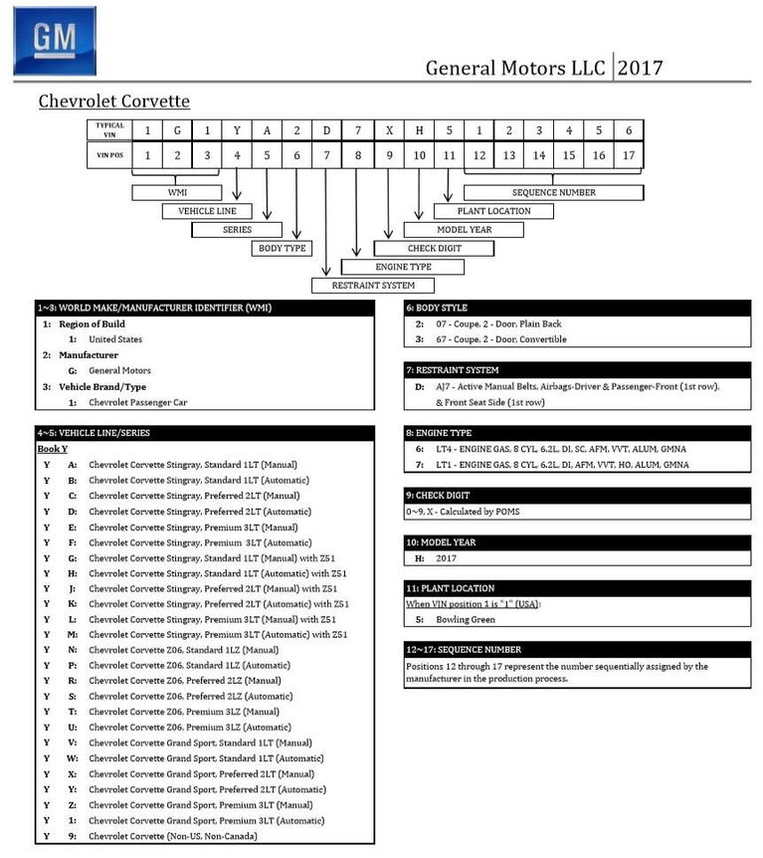
CARMAX_22926010 | 1G1YA2D77K5118841 | 1LT | 2019 | 3000 | MAN | 455 | Targa | $56,998.00 |  | WA | 2022-09-09 | N/A, WAS $57.998 | Clean | 2022-10-23 | Listing
CARMAX_22239370 | 1G1YY2D78K5110209 | Grand Sport 2LT | 2019 | 29000 | AUTO | 460 | Targa | $61,998.00 |  | CA | 2022-10-25 | N/A, Reserved | Clean | 2022-10-28 | Listing
CARMAX_22883588 | 1G1YY2D78K5110503 | Grand Sport 2LT | 2019 | 21000 | AUTO | 460 | Targa | $64,998.00 |  | CA | 2022-10-22 |  | Clean | 2022-10-29 | Listing
CARMAX_23264362 | 1G1YA2D78K5110876 | 1LT | 2019 | 10000 | MAN | 455 | Targa | $59,998.00 |  | NC | 2022-09-25 | N/A, WAS $60,998 | Clean | 2022-10-09 | Listing
CARMAX_22131133 | 1G1YA2D70K5121399 | 1LT | 2019 | 6000 | MAN | 455 | Targa | $59,998.00 |  | TX | 2022-09-13 | N/A - Sold | Clean | 2022-10-10 | Listing
CHAMPION_P16637 |  | 1LT | 2019 | 15045 | AUTO | 460 | Targa | $65,984.00 |  |  | 2022-09-07 | N/A | Clean | 2022-10-09 | Listing
CARFAX_PM2584 | 1G1Y82D48L5103509 | 3LT | 2020 | 8000 | AUTO | 490 | Targa | $98,987.00 |  |  | 2022-09-15 | N/A | Clean | 2022-10-20 | Listing
CARMAX_22778848 | 1G1YB2D4XM5116913 | 2LT | 2021 | 3000 | AUTO | 490 | Targa | $90,998.00 |  |  | 2022-08-27 | N/A, WAS $101,998, $99,998, $93,998 | Clean | 2022-10-13 | Listing
CARMAX_22828587 | 1G1YA2D4XN5122781 | 1LT | 2022 | 1000 | AUTO | 490 | Targa | $84,998.00 |  | AL | 2022-10-22 | N/A | Clean | 2022-10-29 | Listing
CARMAX_22851013 | 1G1Y62D40L5117846 | 1LT | 2022 | 7000 | AUTO | 490 | Targa | $84,998.00 |  | CO | 2022-10-29 |  | Clean | 2022-10-29 | Listing
CARMAX_22933913 | 1G1YA2D47N5122379 | 1LT | 2022 | 3000 | AUTO | 490 | Targa | $82,998.00 |  | IL | 2022-10-25 | N/A | Clean | 2022-10-29 | Listing
CARMAX_22088057 | 1G1YB2D45N5101706 | 2LT | 2022 | 6000 | AUTO | 490 | Targa | $91,998.00 |  | CA | 2022-10-22 |  | Clean | 2022-10-29 | Listing
CARMAX_22566802 | 1G1YB2D46N5113380 | 2LT | 2022 | 2000 | AUTO | 490 | Targa | $93,998.00 |  |  | 2022-09-13 | N/A | Clean | 2022-10-10 | Listing
CARMAX_22937220 | 1G1YC2D46N5116454 | 3LT | 2022 | 6000 | AUTO | 490 | Targa | $104,998.00 |  | TN | 2022-10-22 | N/A, Reserved | Clean | 2022-10-29 | Listing
CARMAX_22666058 | 1G1Y82D40L5102659 | 3LT | 2022 | 2000 | AUTO |  |  | $101,998.00 |  |  | 2022-08-27 | N/A, WAS $102,998 | Clean | 2022-09-05 | Listing

