8DAP x 4DAG
8x4 upregulated |  |  | 8x4 down
Motif# | consensus | TF | Motif# | consensus | TF
1 | ssCGCTCCss | MYB88, MYB124 | 1 | cmAAACCCTAgm | TRB1 – Myb-related Tryptophan cluster factors
2 | gcAGCAGCAgc | GRF4, NLP4 | 2 | taTATATAta | ZHD10
3 | arCAAAGCAAar | NAC007, NAC101 | 4 | scCGGCCCAkb | TCP3 (Teosinte branched 1), ASR1 (ABA, stress, ripening)
4 | atCCAATCmm | Homeobox protein WOX13 (Wuschel-related) | 5 | mmAGCCCArs | ASR1, Auxin response factor
5 | sdcCGATCGGtb | GATA19 - Transcriptional regulator that specifically binds 5'-GATA-3' in promoters. Establishing organ boundaries in shoots and flowers, probably by controlling the number and position of WUS-expressing cells | 6 | waTAAAAAATaw | EMB1789 (CCCH-type zinc finger protein), DOF2.2 | 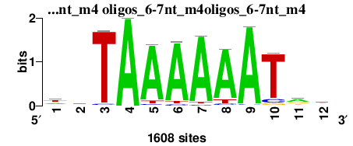
6 | hyCTATCCwt | Myb-family proteins
7 | taGCTAGCtr | STY-1 A member of SHI gene family - proteins with a RING finger-like zinc finger motif. Despite being highly divergent in sequence, many of the SHI-related genes are partially redundant in function and synergistically promote gynoecium, stamen and leaf development in Arabidopsis.

24DAP x 4DAG
24x4 upregulated |  |  |  | 24x4 down
Motif# | consensus | TF |  | Motif# | consensus | TF
1 | caAAACCCTag | TRB1- a telomeric DNA binding protein and Single Myb Histone (SMH) gene family member. I, Single Myb Histone (SMH) gene family member. |  | 3 | gcCGCCATGGCGgc | E2FA, ERF109 (RRTF1) Regulates programmed cell death (PCD), tryptophan biosynthesis, and downstream plant hormone signal transduction pathways | 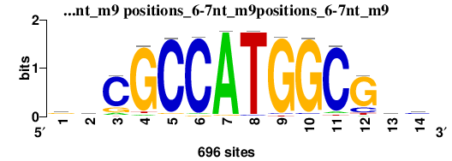
2 | csaGGCCCAGsy | RAP211, TZP - a zinc knuckle protein that negatively regulates morning specific growth. Role in hypocotyl elongation. ASR1 – Homeobox, Myb-like TF, TCP3 - Encodes a member of a recently identified plant transcription factor family that includes Teosinte branched 1, Cycloidea 1, and proliferating cell nuclear antigen (PCNA) factors, PCF1 and 2 | 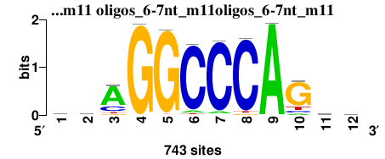 | 4 | rgGAGCAGCrg | ONAC127 (NAC domain containing protein), EREBP1
 |  |  |  | 5 |  | DREB2F, AP2-EREBP transcription factor
 |  |  |  | 6 | agCAAAGCAACrr | NAC105, NAC105, ANAC | 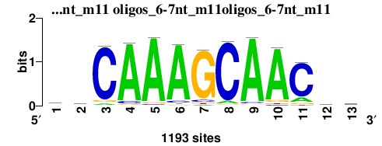
 |  |  |  | 7 | gcTAGCTAGCTag | STY1 (RING finger-like zinc finger motif) auxin homeostasis, negative regulation of gibberellic acid mediated signaling pathway,
7 |  |  |  | 8 | srcCCAGCCAGCTCcs | ZAT2
 |  |  |  | 9 | wwTAAAAAATAww | REM19 - AP2/B3-like transcriptional factor family protein, EMB1789 – CCCH-type zinc finger family protein
 |  |  |  | 10 | yyCTCTTCyy | ONAC127, NAC
 |  |  |  | 11 | stGCcTATATAGCcr | TBP

