CDrillingConsoleVariables
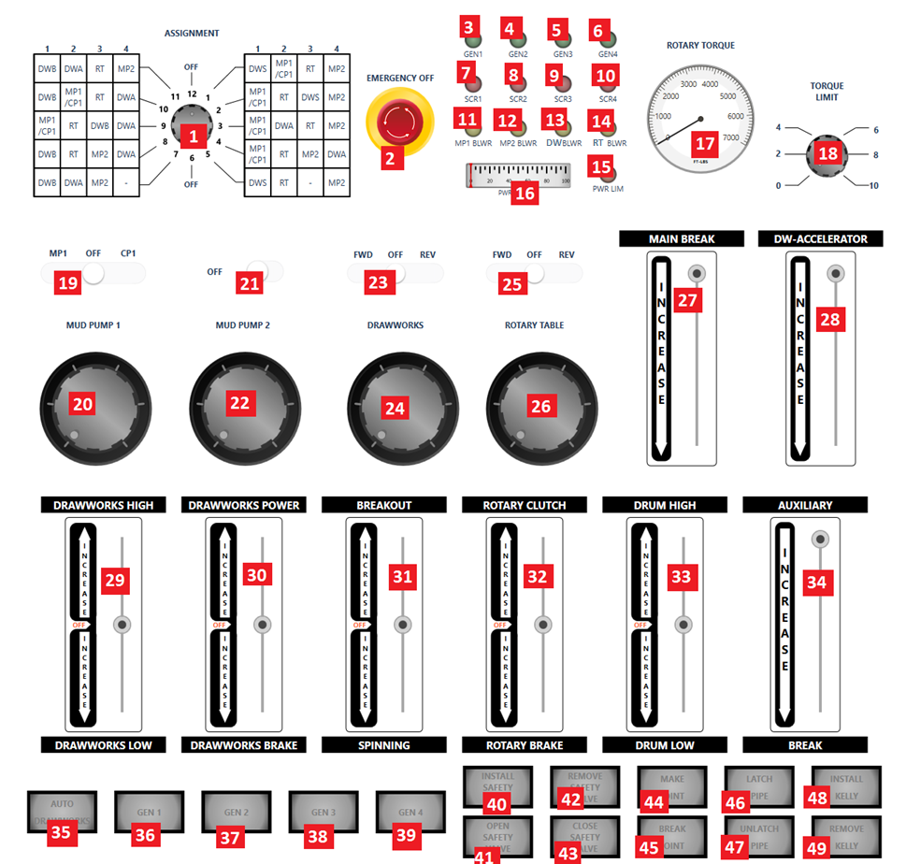
NO. | Variable Name | Range | Defualt Value
1 | AssignmentSwitch | 1 to 12 | 12
2 | EmergencySwitch | PRESSED=True or UNPRESSED=False | FALSE
3 | GEN1LED | OFF=0, ON=1 | 0
4 | GEN2LED | OFF=0, ON=1 | 0
5 | GEN3LED | OFF=0, ON=1 | 0
6 | GEN4LED | OFF=0, ON=1 | 0
7 | SCR1LED | OFF=0, ON=1 | 0
8 | SCR2LED | OFF=0, ON=1 | 0
9 | SCR3LED | OFF=0, ON=1 | 0
10 | SCR4LED | OFF=0, ON=1 | 0
11 | MP1BLWR | OFF=0, ON=1 | 0
12 | MP2BLWR | OFF=0, ON=1 | 0
13 | DWBLWR | OFF=0, ON=1 | 0
14 | RTBLWR | OFF=0, ON=1 | 0
15 | PWRLIM | OFF=0, ON=1 | 0
16 | PWRLIMMTR | 0 to 100 | 0
17 | RTTorqueLimitGauge | 0 to 7000 | 0
18 | RTTorqueLimitKnob | 0 to 10 | 0
19 | MP1CPSwitch | MP1=-1, OFF=0, CP1=1 | 0
20 | MP1Throttle | 0 to 965 | 0
21 | MP2Switch | ON=True or OFF=False | FALSE
22 | MP2Throttle | 0 to 965 | 0
23 | DWSwitch | FWD=-1, OFF=0, REV=1 | 0
24 | DWThrottle | 0 to 965 | 0
25 | RTSwitch | FWD=-1, OFF=0, REV=1 | 0
26 | RTThrottle | 0 to 965 | 0
27 | DWBreak | 0 to 20 | 0
28 | DWAcceleretor | 0 to 100 | 0
29 | DWTransmisionLever | UP=1, OFF=0, DOWN=-1 | 0
30 | DWPowerLever | UP=1, OFF=0, DOWN=-1 | 0
31 | TongLever | UP=1, OFF=0, DOWN=-1 | 0
32 | RTTransmissionLever | UP=1, OFF=0, DOWN=-1 | 0
33 | DWClutchLever | UP=1, OFF=0, DOWN=-1 | 0
34 | EddyBreakLever | UP=0, DOWN=1 | 0
35 | AutoDW AutoDWLED | PRESSED=True or UNPRESSED=False OFF=0, ON=1 | False 0
36 | GEN1 GEN1BTNLED | PRESSED=True or UNPRESSED=False OFF=0, ON=1 | False 0
37 | GEN2 GEN2BTNLED | PRESSED=True or UNPRESSED=False OFF=0, ON=1 | False 0
38 | GEN3 GEN3BTNLED | PRESSED=True or UNPRESSED=False OFF=0, ON=1 | False 0
39 | GEN4 GEN4BTNLED | PRESSED=True or UNPRESSED=False OFF=0, ON=1 | False 0
40 | InstallSafetyValve InstallSafetyValveLED | PRESSED=True or UNPRESSED=False OFF=0, ON=1 | False 0
41 | OpenSafetyValve OpenSafetyValveLED | PRESSED=True or UNPRESSED=False OFF=0, ON=1 | False 0
42 | RemoveSafetyValve RemoveSafetyValveLED | PRESSED=True or UNPRESSED=False OFF=0, ON=1 | False 0
43 | CloseSafetyValve CloseSafetyValveLED | PRESSED=True or UNPRESSED=False OFF=0, ON=1 | False 0
44 | MakeJoint MakeJointLED | PRESSED=True or UNPRESSED=False OFF=0, ON=1 | False 0
45 | BreakJoint BreakJointLED | PRESSED=True or UNPRESSED=False OFF=0, ON=1 | False 0
46 | LatchPipe LatchPipeLED | PRESSED=True or UNPRESSED=False OFF=0, ON=1 | False 0
47 | UnlatchPipe UnlatchPipeLED | PRESSED=True or UNPRESSED=False OFF=0, ON=1 | False 0
48 | InstallKelly InstallKellyLED | PRESSED=True or UNPRESSED=False OFF=0, ON=1 | False 0
49 | RemoveKelly RemoveKellyLED | PRESSED=True or UNPRESSED=False OFF=0, ON=1 | False 0

CTopDriveVariables
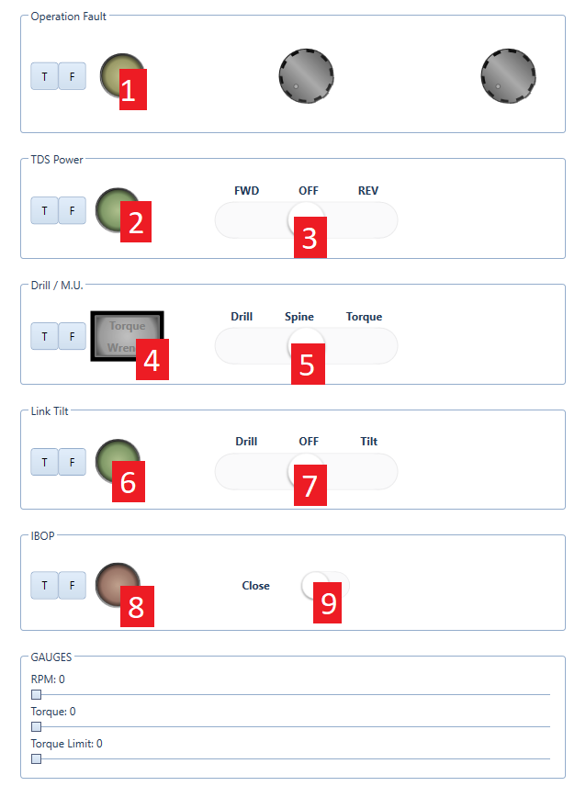
NO. | Variable Name | Range | Defualt Value
1 | TopDriveOperationFaultLed | OFF=0, ON=1, BLINK=2 | 0
2 | TopDriveTdsPowerLed | OFF=0, ON=1, BLINK=2 | 0
3 | TopDriveTdsPowerState | FWD=-1, OFF=0, REV=1 | 0
4 | TopDriveTorqueWrenchLed TopDriveTorqueWrench | OFF=0, ON=1, BLINK=2 PRESSED=True or UNPRESSED=False | 0 false
5 | TopDriveDrillTorqueState | DRILL=-1, SPINE=0, TORQ=1 | FALSE
6 | TopDriveLinkTiltLed | OFF=0, ON=1, BLINK=2 | 0
7 | TopDriveLinkTiltState | DRILL=-1, OFF=0, Tilt=1 | 0
8 | TopDriveIbopLed | OFF=0, ON=1, BLINK=2 | 0
9 | TopDriveIbop | OPEN=True, CLOSE=False | FALSE
10 | TopDriveTorqueLimitKnob | 0-60000
11 | RpmKnob | 0-250
12 | TopDriveTorqueLimitGauge | 0-60000
13 | TopDriveTorqueGauge | 0-60000
14 | TopDriveRpmGauge | 0-250

CDataDisplayConsoleVariables
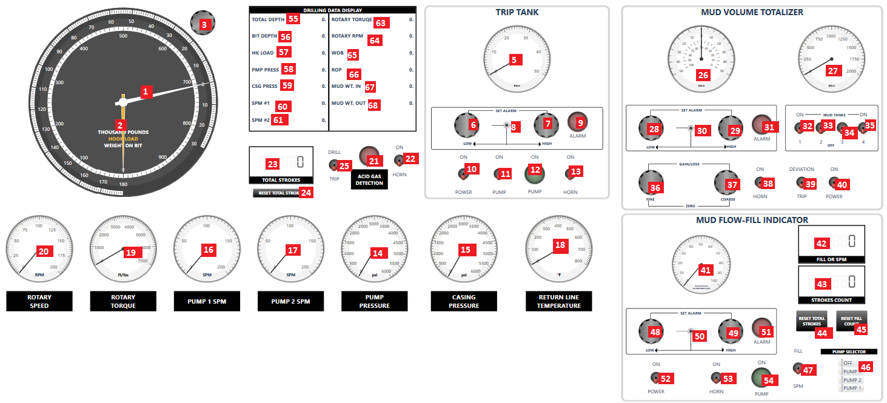
NO. | Variable Name | Range | Defualt Value
1 | WOBPointer | -72 to 180 | 0
2 | HookLoadPointer | 0 to 1000 | 0
3
4
5 | TripTankGauge | 0 to 50 | 0
6 | TripTankSetAlarmLow | 0 to 100 | 0
7 | TripTankSetAlarmHigh | 0 to 100 | 0
8 | TripTankSetAlarmSwitch | Left=-1, Center=0, Right=1 | 0
9 | TripTankAlarmLED | OFF=0, ON=1, BLINK=2 | 0
10 | TripTankPowerSwitch | ON=True, POWER=False | FALSE
11 | TripTankPumpSwitch | ON=True, PUMP=False | FALSE
12 | TripTankPumpLED | OFF=0, ON=1, BLINK=2 | 0
13 | TripTankHornSwitch | ON=True, HORN=False | FALSE
14 | StandPipePressureGauge | 0 to 6000 | 0
15 | CasingPressureGauge | 0 to 6000 | 0
16 | MP1SPMGauge | 0 to 200 | 0
17 | MP2SPMGauge | 0 to 200 | 0
18 | ReturnLineTempGauge | 0 to 800 | 0
19 | RotaryTorqueGauge | 0 to 7000 | 0
20 | RotaryRPMGauge | 0 to 200 | 0
21 | AcidGasDetectionLED | OFF=0, ON=1, BLINK=2 | 0
22 | AcidGasDetectionHornSwitch | ON=True, HORN=False | FALSE
23 | TotalStrokeCounter | 6 DIGIT | 0
24 | TotalStrokeCounterResetSwitch | PRESSED=True, UNPRESSED=False | FALSE
25 | DrillingTrippingSelectorSwitch | DRILL=True, TRIP=False | FALSE
26 | PitGainLossGauge | -50 to 50 | 0
27 | MudTanksVolumeGauge | 0 to 2000 | 0
28 | MVTSetAlarmLowKnob | 0 to 100 | 0
29 | MVTSetAlarmHighKnob | 0 to 100 | 0
30 | MVTSetAlarmSwitch | Left=-1, Center=0, Right=1 | 0
31 | MVTAlarmLED | OFF=0, ON=1, BLINK=2 | 0
32 | MudTank1Switch | ON=True, OFF=False | FALSE
33 | MudTank2Switch | ON=True, OFF=False | FALSE
34 | MudTank3Switch | ON=True, OFF=False | FALSE
35 | MudTank4Switch | ON=True, OFF=False | FALSE
36 | MVTFineKnob | 0 to 100 | 0
37 | MVTCoarseKnob | 0 to 100 | 0
38 | MVTHornSwitch | ON=True, HORN=False | FALSE
39 | MVTDeviationTripSelectionSwitch | DEVIATION=True, TRIP=False | FALSE
40 | MVTPowerSwitch | ON=True, POWER=False | FALSE
41 | ReturnMudFlowGauge | 0 to 100 | 0
42 | FillStrokeCounter | 6 DIGIT | 0
43 | MFFITotalStrokeCounter | 6 DIGIT | 0
44 | MFFIResetTotalStrokes | PRESSED=True, UNPRESSED=False | FALSE
45 | MFFIResetFillCounter | PRESSED=True, UNPRESSED=False | FALSE
46 | MFFIPumpSelectorSwitch | OFF=0, MP1=1, MP2=2, BOTH=3 | 0
47 | MFFIFillSPMSelectorSwitch | FILL=True, SPM=False | FALSE
48 | MFFISetAlarmLowKnob | 0 to 100 | 0
49 | MFFISetAlarmHighKnob | 0 to 100 | 0
50 | MFFISetAlarmSwitch | True or False | FALSE
51 | MFFIAlarmLED | OFF=0, ON=1, BLINK=2 | 0
52 | MFFIPowerSwitch | ON=True, POWER=False | FALSE
53 | MFFIHornSwitch | ON=True, HORN=False | FALSE
54 | MFFIPumpLED | OFF=0, ON=1, BLINK=2 | 0
55 | TotalWellDepth | digit | 0
56 | BitDepth | digit | 0
57 | HookLoad | digit | 0
58 | StandPipePressure | digit | 0
59 | CasingPressure | digit | 0
60 | MP1SPM | digit | 0
61 | MP2SPM | digit | 0
62
63 | RTTorque | digit | 0
64 | RTRPM | digit | 0
65 | WOP | digit | 0
66 | ROP | digit | 0
67 | MudWeightIn | digit | 0
68 | MudWeightOut | digit | 0
69
70

CBopControlPanelVariables
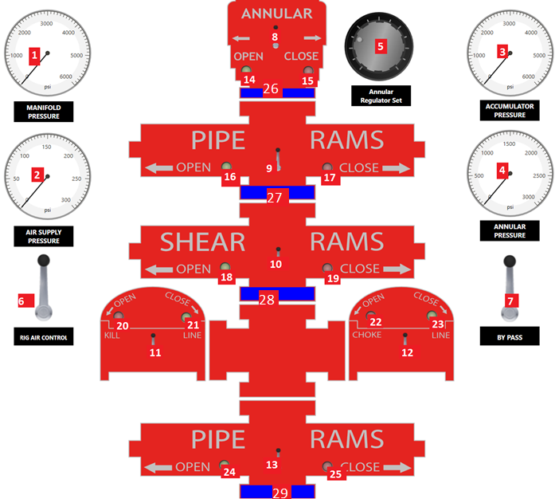
NO. | Variable Name | Range | Defualt Value
1 | ManifoldPressureGauge | 0 to 6000 | 0
2 | AirSupplyPressureGauge | 0 to 300 | 0
3 | AccumulatorPressureGauge | 0 to 6000 | 0
4 | AnnularPressureGauge | 0 to 3000 | 0
5 | AnnularRegulatorSetControl | 500 to 2800 | 500
6 | AirMasterValve | Center=0, DOWN=1 | 0
7 | ByePassValve | OPEN=-1, Idel=0, CLOSE=1 | 0
8 | AnnularValve | OPEN=-1, Idel=0, CLOSE=1 | 0
9 | UpperRamsValve | OPEN=-1, Idel=0, CLOSE=1 | 0
10 | MiddleRamsValve | OPEN=-1, Idel=0, CLOSE=1 | 0
11 | KillLineValve | OPEN=-1, Idel=0, CLOSE=1 | 0
12 | ChokeLineValve | OPEN=-1, Idel=0, CLOSE=1 | 0
13 | LowerRamsValve | OPEN=-1, Idel=0, CLOSE=1 | 0
14 | AnnularOpenLED | OFF=0, ON=1, BLINK=2 | 0
15 | AnnularCloseLED | OFF=0, ON=1, BLINK=2 | 0
16 | UpperRamsOpenLED | OFF=0, ON=1, BLINK=2 | 0
17 | UpperRamsCloseLED | OFF=0, ON=1, BLINK=2 | 0
18 | MiddleRamsOpenLED | OFF=0, ON=1, BLINK=2 | 0
19 | MiddleRamsCloseLED | OFF=0, ON=1, BLINK=2 | 0
20 | KillLineOpenLED | OFF=0, ON=1, BLINK=2 | 0
21 | KillLineCloseLED | OFF=0, ON=1, BLINK=2 | 0
22 | ChokeLineOpenLED | OFF=0, ON=1, BLINK=2 | 0
23 | ChokeLineCloseLED | OFF=0, ON=1, BLINK=2 | 0
24 | LowerRamsOpenLED | OFF=0, ON=1, BLINK=2 | 0
25 | LowerRamsCloseLED | OFF=0, ON=1, BLINK=2 | 0
26 | AnnularStatus | 0 to 13.625 | 0
27 | UpperRamsStatus | 0 to 13.625 | 0
28 | MiddleRamsStatus | 0 to 13.625 | 0
29 | LowerRamsStatus | 0 to 13.625 | 0

CChokeControlPanelVariables
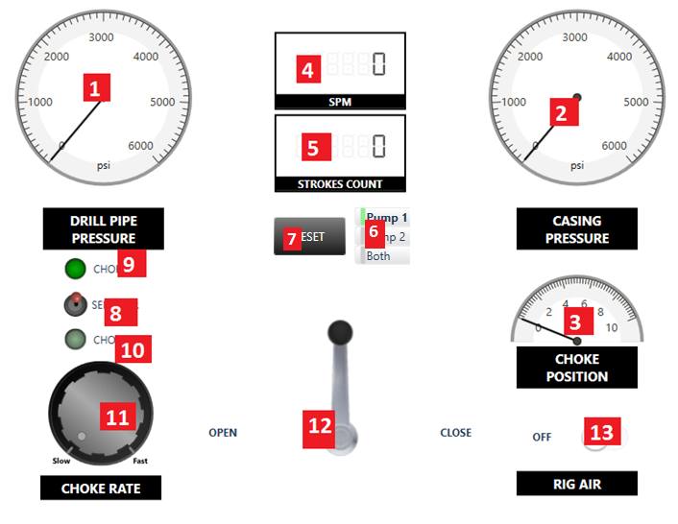
NO. | Variable Name | Range | Default Value
1 | StandPipePressure | 0 to 6000 | 0
2 | CasingPressure | 0 to 6000 | 0
3 | ChokePosition | 0 to 10 | 0
4 | ChokePanelSPMCounter | 6 DIGIT | 0
5 | ChokePanelTotalStrokeCounter | 6 DIGIT | 0
6 | ChokePanelPumpSelectorSwitch | MP1=1, MP2=2, BOTH=3 | 1
7 | ChokePanelStrokeResetSwitch | PRESSED=True, UNPRESSED=False | FALSE
8 | ChokeSelectorSwitch | CHOKE1=True, CHOKE2=False | TRUE
9 | Choke1LED | OFF=0, ON=1 | 0
10 | Choke2LED | OFF=0, ON=1 | 0
11 | ChokeRateControlKnob | 0 to 100 | 0
12 | ChokeControlLever | OPEN=-1, Idel=0, CLOSE=1 | 0
13 | ChokePanelRigAirSwitch | ON=True, OFF=False | FALSE

CChokeManifoldVariables
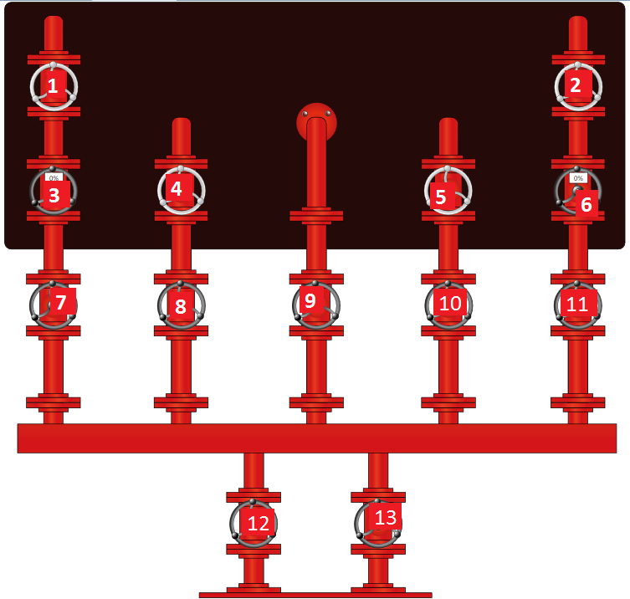
NO. | Variable Name | Range | Defualt Value
1 | ChokeManifoldValve1 | OPEN=TRUE, CLOSE=FALSE | FALSE
2 | ChokeManifoldValve2 | OPEN=TRUE, CLOSE=FALSE | FALSE
3 | LeftManualChoke | 0-100% | 0%
4 | ChokeManifoldValve4 | OPEN=TRUE, CLOSE=FALSE | FALSE
5 | ChokeManifoldValve5 | OPEN=TRUE, CLOSE=FALSE | FALSE
6 | RightManualChoke | 0-100% | 0%
7 | ChokeManifoldValve7 | OPEN=TRUE, CLOSE=FALSE | FALSE
8 | ChokeManifoldValve8 | OPEN=TRUE, CLOSE=FALSE | FALSE
9 | ChokeManifoldValve9 | OPEN=TRUE, CLOSE=FALSE | FALSE
10 | ChokeManifoldValve10 | OPEN=TRUE, CLOSE=FALSE | FALSE
11 | ChokeManifoldValve11 | OPEN=TRUE, CLOSE=FALSE | FALSE
12 | ChokeManifoldValve12 | OPEN=TRUE, CLOSE=FALSE | FALSE
13 | ChokeManifoldValve13 | OPEN=TRUE, CLOSE=FALSE | FALSE

CStandPipeManifoldVariables
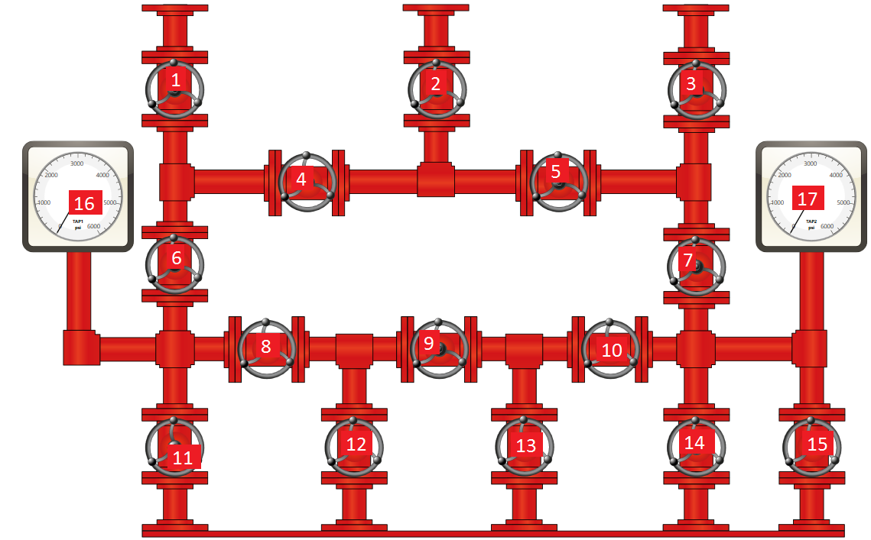
NO. | Variable Name | Range | Defual Value
1 | StandPipeManifoldValve1 | OPEN=TRUE, CLOSE=FALSE | FALSE
2 | StandPipeManifoldValve2 | OPEN=TRUE, CLOSE=FALSE | FALSE
3 | StandPipeManifoldValve3 | OPEN=TRUE, CLOSE=FALSE | FALSE
4 | StandPipeManifoldValve4 | OPEN=TRUE, CLOSE=FALSE | FALSE
5 | StandPipeManifoldValve5 | OPEN=TRUE, CLOSE=FALSE | FALSE
6 | StandPipeManifoldValve6 | OPEN=TRUE, CLOSE=FALSE | FALSE
7 | StandPipeManifoldValve7 | OPEN=TRUE, CLOSE=FALSE | FALSE
8 | StandPipeManifoldValve8 | OPEN=TRUE, CLOSE=FALSE | FALSE
9 | StandPipeManifoldValve9 | OPEN=TRUE, CLOSE=FALSE | FALSE
10 | StandPipeManifoldValve10 | OPEN=TRUE, CLOSE=FALSE | FALSE
11 | StandPipeManifoldValve11 | OPEN=TRUE, CLOSE=FALSE | FALSE
12 | StandPipeManifoldValve12 | OPEN=TRUE, CLOSE=FALSE | FALSE
13 | StandPipeManifoldValve13 | OPEN=TRUE, CLOSE=FALSE | FALSE
14 | StandPipeManifoldValve14 | OPEN=TRUE, CLOSE=FALSE | FALSE
15 | StandPipeManifoldValve15 | OPEN=TRUE, CLOSE=FALSE | FALSE
16 | StandPipeGauge1 | 0 to 6000 | 0
17 | StandPipeGauge2 | 0 to 6000 | 0

